Sheet1
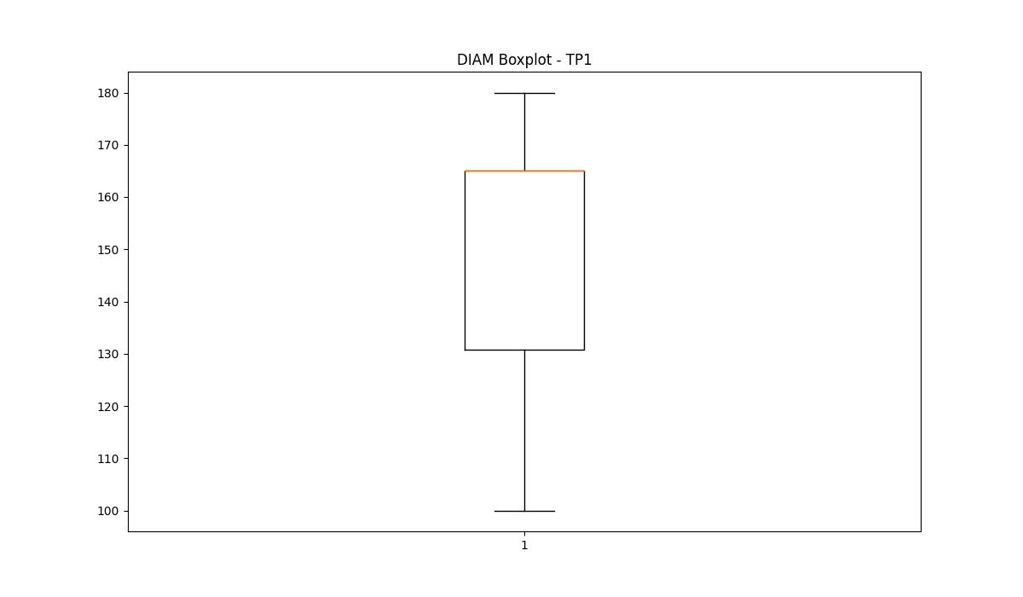
statorCelsius

numTP |  | 21 | 1 | 4 | 2
statorCelsius outliers |  | [33. 35. 34. 36. 23. 20. 22. 37. 38. 39. 18. 17. 19. 15. 12. 13. 14. 40. 11. 42. 10. 41. 45. 43. 46. 50. 47. 48. 54.] | [37. 19. 17. 18. 15. 16. 40. 38. 14. 13. 12. 10. 11. 39.] | [] | []
upper_bound |  | 32 | 36 | 0 | 0
lower_bound |  | 24 | 20 | 0 | 0

statistiche con outliers: |  |  |  |  |  | statistiche senza outliers:
numTP |  | 21 | 1 | 4 | 2 | numTP |  | 21 | 1 | 4 | 2
statorCelsius | max | 54 | 40 | 0 | 0 | statorCelsius | max | 32 | 36 | 0 | 0
 | min | 10 | 10 | 0 | 0 |  | min | 24 | 20 | 0 | 0
 | avg | 27.5138885 | 27.8940681 | 0 | 0 |  | avg | 27.642361007 | 27.991372447 | 0 | 0
 | median | 27 | 28 | 0 | 0 |  | median | 27 | 28 | 0 | 0

BOXPLOT CON OUTLIERS
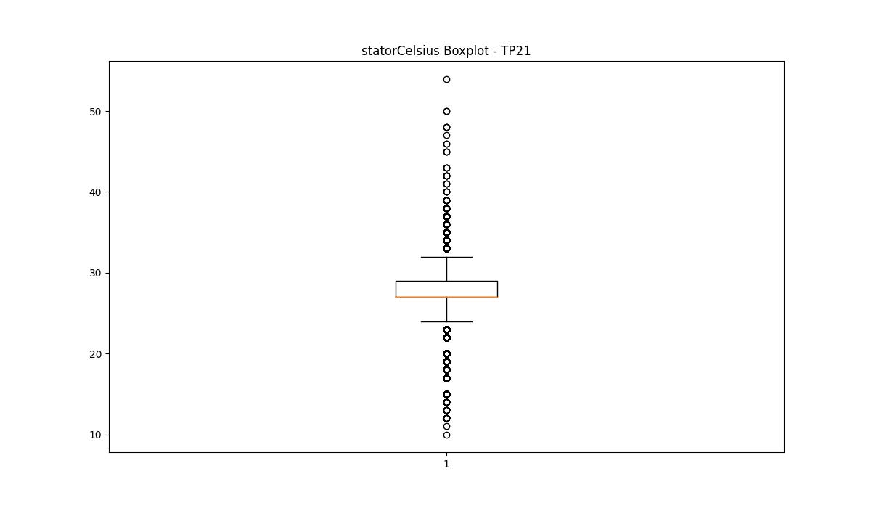
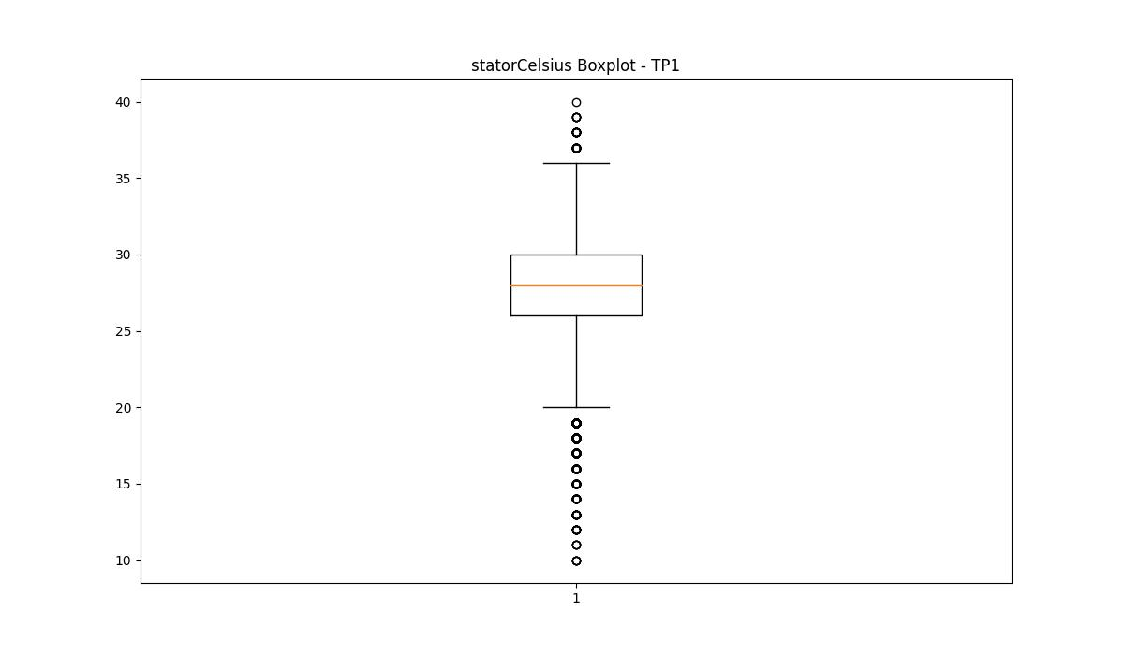
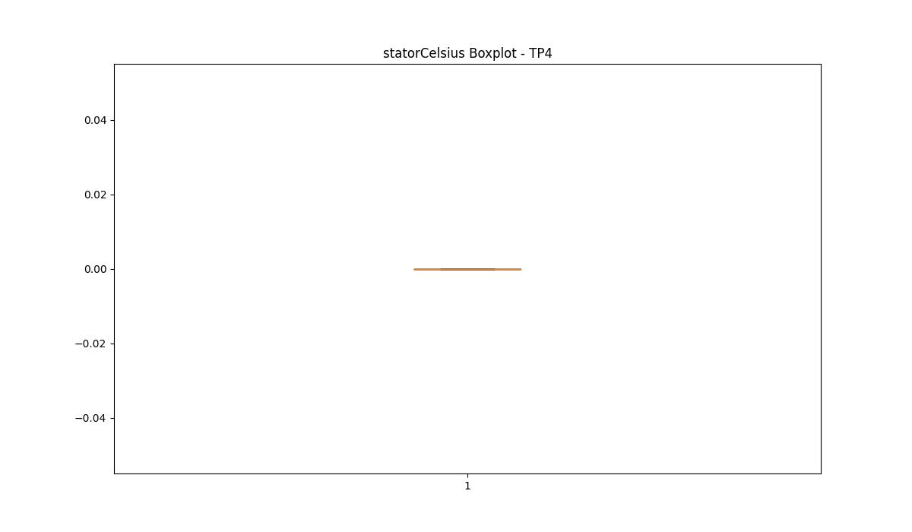
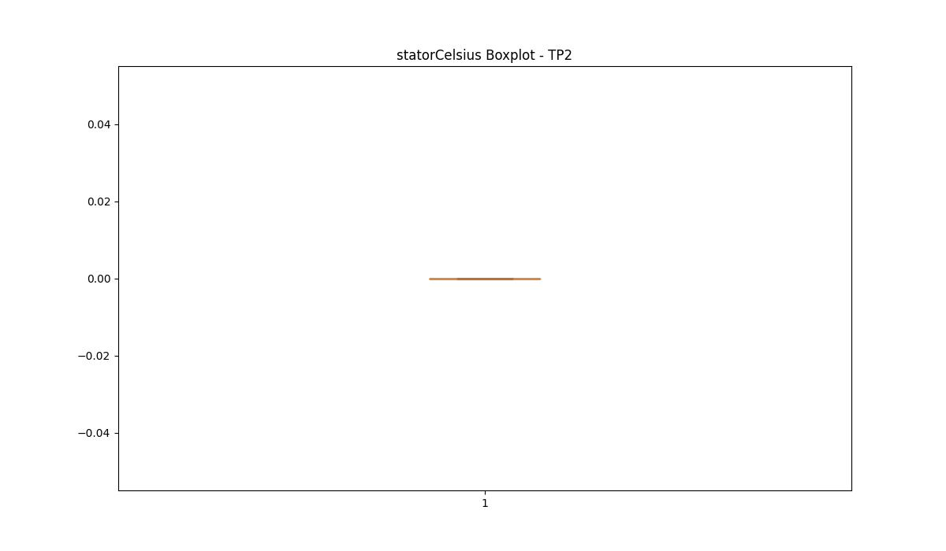

BOXPLOT SENZA OUTLIERS

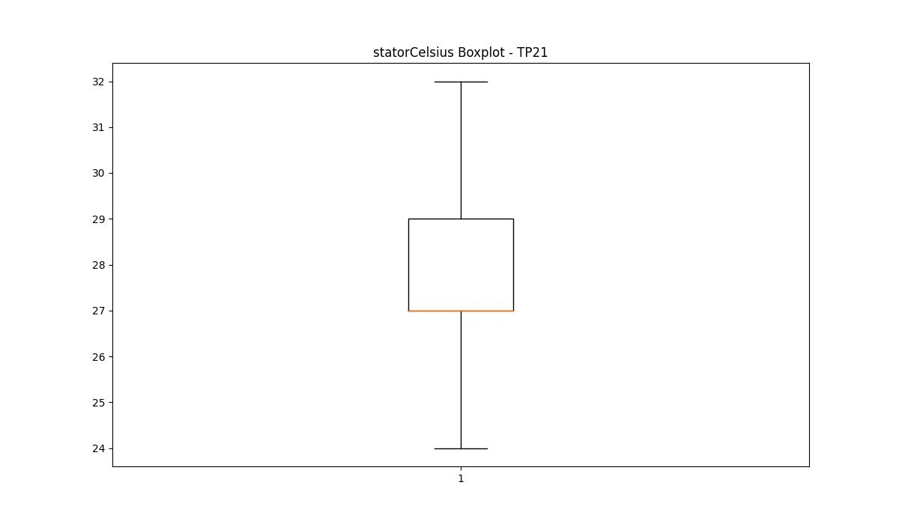
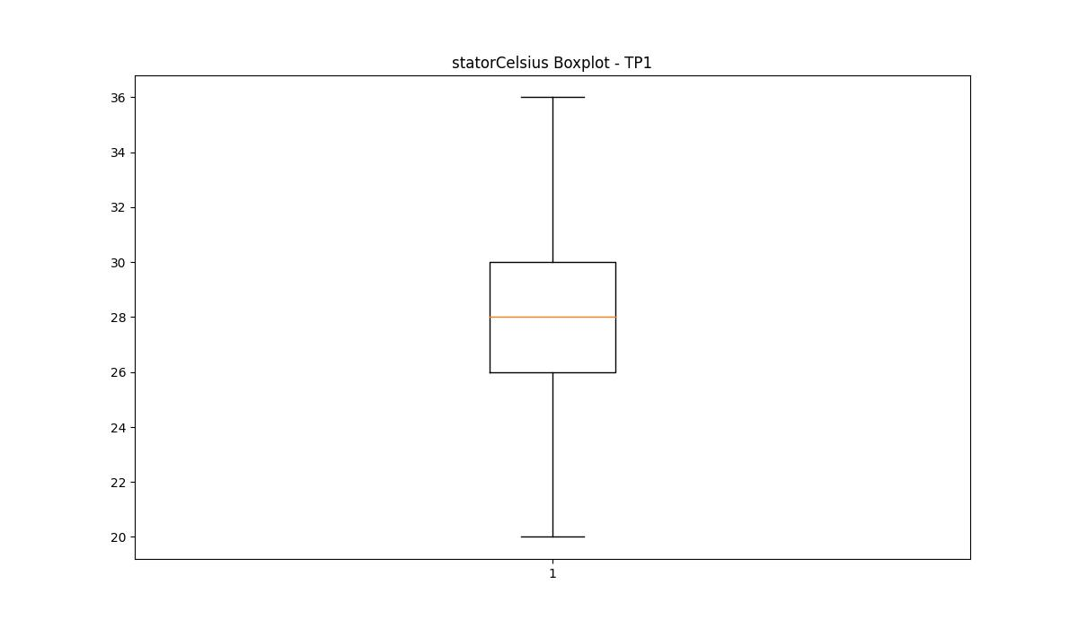

bearingsCelsius

numTP |  | 21 | 1 | 4 | 2
bearingsCelsius outliers |  | [32. 33. 19. 17. 18. 15. 14. 10. 13. 12. 11.] | [30. 31. 32. 33. 17. 15. 16. 13. 14. 12. 10. 11. 9. 8.] | [] | []
upper_bound |  | 31.5 | 29.5 | 0 | 0
lower_bound |  | 19.5 | 17.5 | 0 | 0

statistiche con outliers: |  |  |  |  |  | statistiche senza outliers:
numTP |  | 21 | 1 | 4 | 2 | numTP |  | 21 | 1 | 4 | 2
bearingsCelsius | max | 33 | 33 | 0 | 0 | bearingsCelsius | max | 30 | 29 | 0 | 0
 | min | 10 | 8 | 0 | 0 |  | min | 20 | 18 | 0 | 0
 | avg | 24.976129141 | 23.289317996 | 0 | 0 |  | avg | 25.121981177 | 23.48668576 | 0 | 0
 | median | 25 | 24 | 0 | 0 |  | median | 25 | 24 | 0 | 0

BOXPLOT CON OUTLIERS
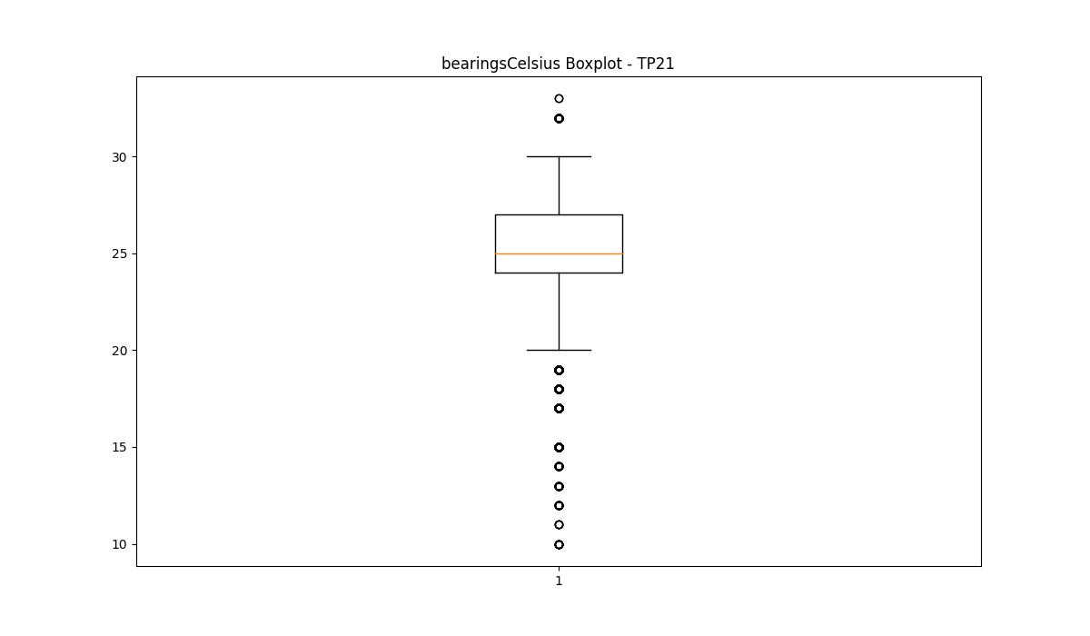
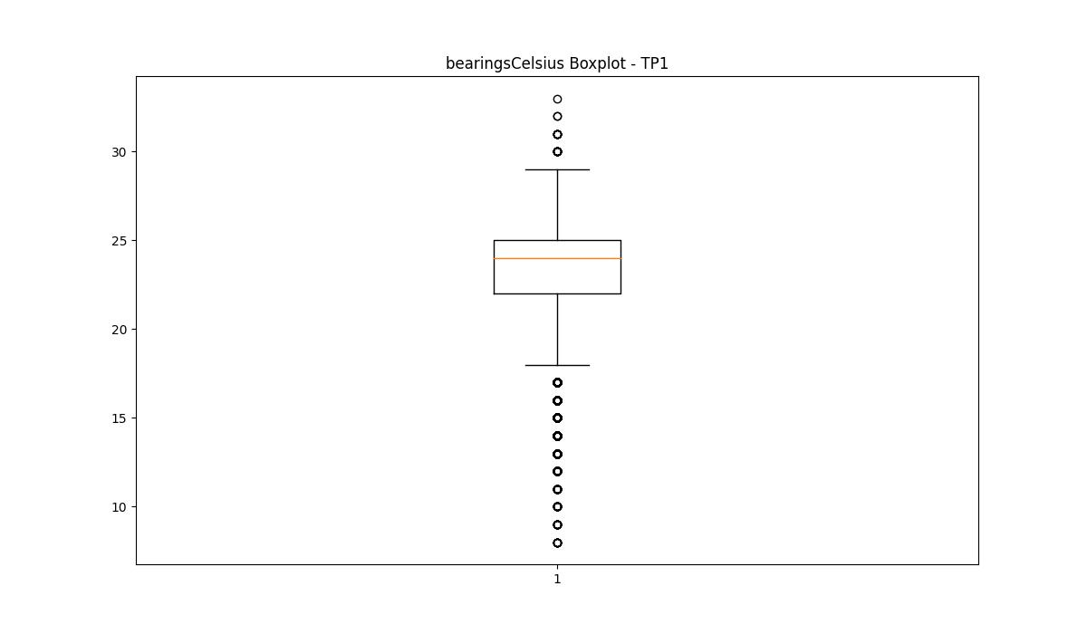



BOXPLOT SENZA OUTLIERS

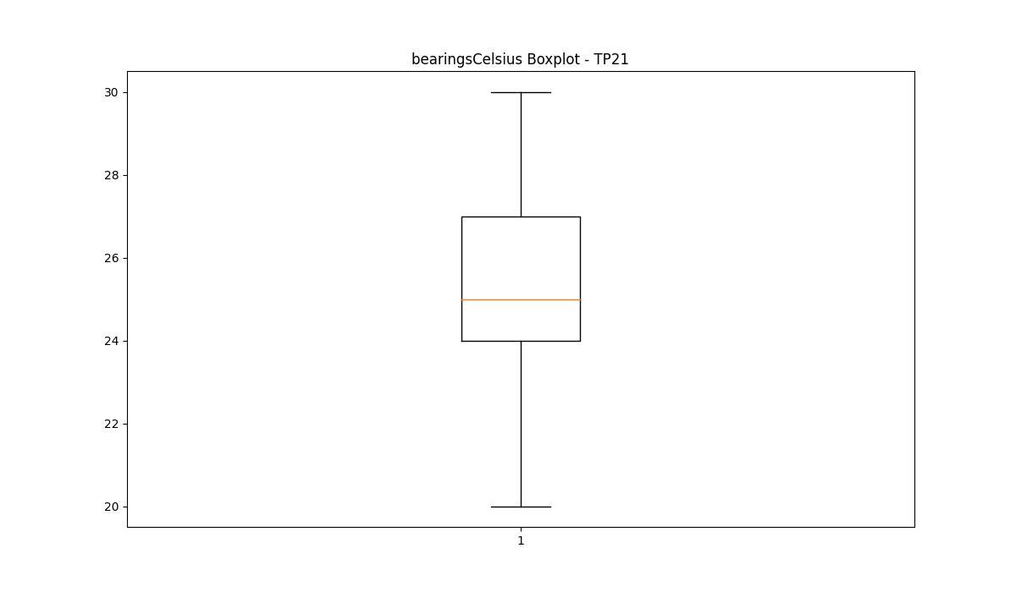
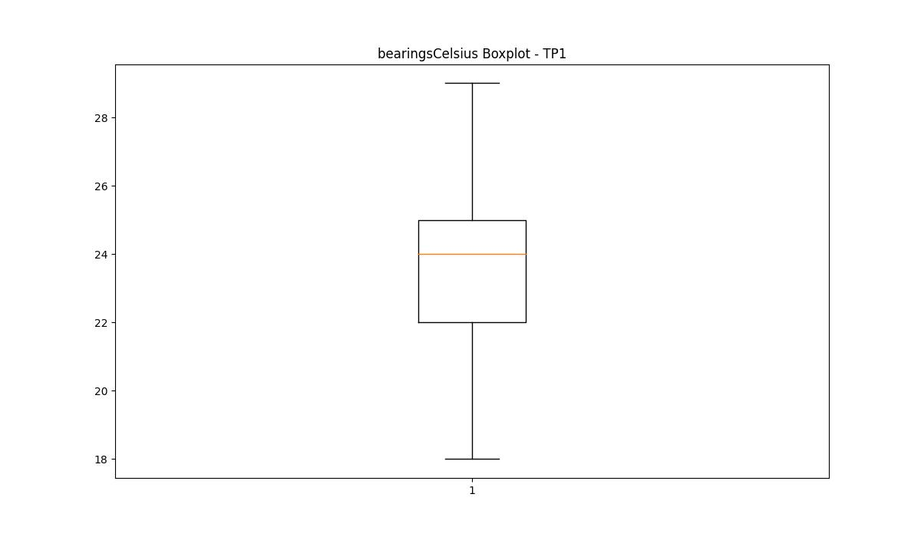

spindleRpm

numTP |  | 21 | 1 | 4 | 2
spindleRpm outliers |  | [] | [14703. 14678. 14911. ... 13985. 13977. 14187.] | [] | []
upper_bound |  | 19218 | 12567 | 0 | 0
lower_bound |  | -5526 | 5647 | 0 | 0

statistiche con outliers: |  |  |  |  |  | statistiche senza outliers:
numTP |  | 21 | 1 | 4 | 2 | numTP |  | 21 | 1 | 4 | 2
spindleRpm | max | 18031 | 18041 | 0 | 0 | spindleRpm | max | 18031 | 12567 | 0 | 0
 | min | 57 | 0 | 0 | 0 |  | min | 57 | 5649 | 0 | 0
 | avg | 7911.3926861 | 8961.6335286 | 0 | 0 |  | avg | 7911.3926861 | 8760.2369165 | 0 | 0
 | median | 8141 | 8360 | 0 | 0 |  | median | 8141 | 8353 | 0 | 0

BOXPLOT CON OUTLIERS
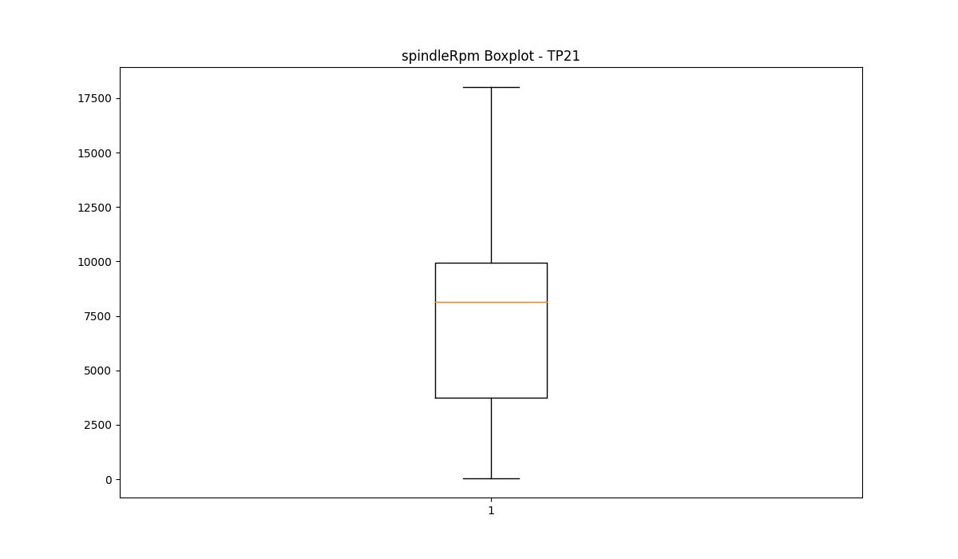
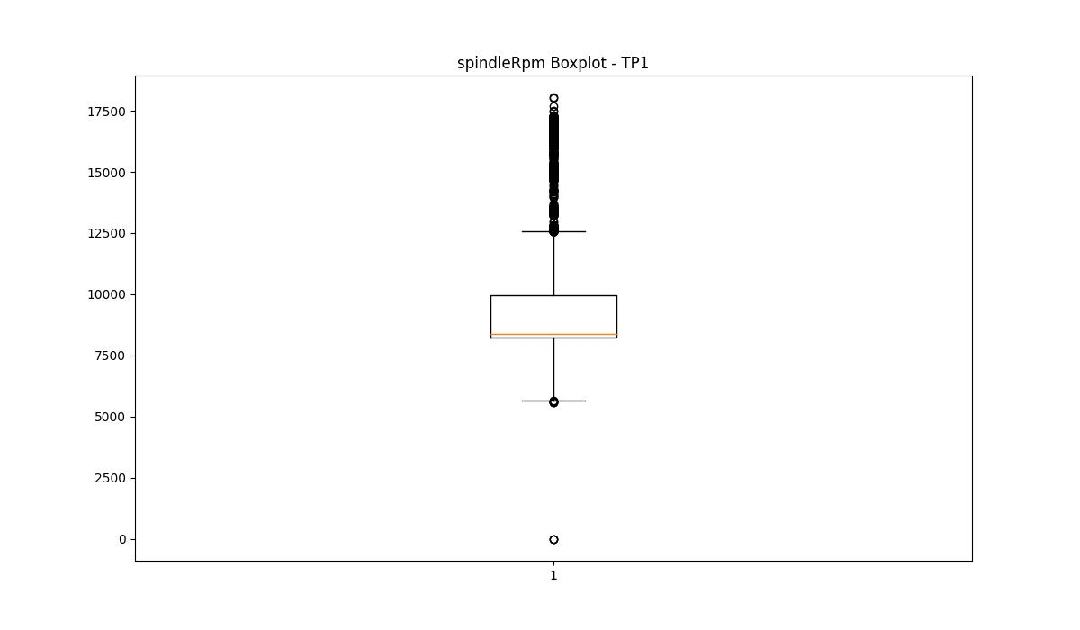
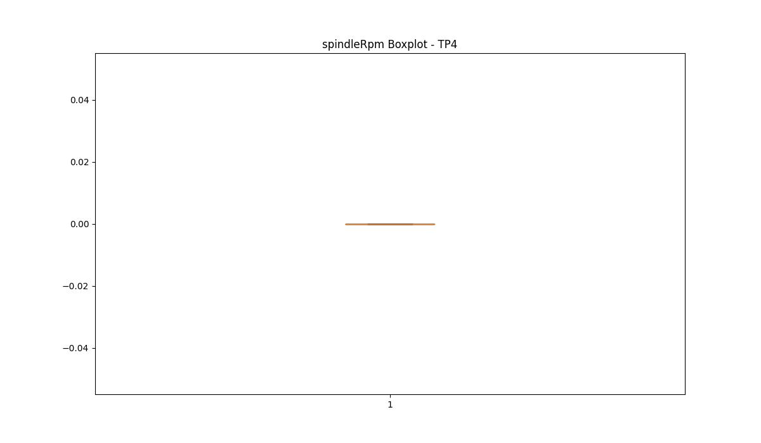


BOXPLOT SENZA OUTLIERS

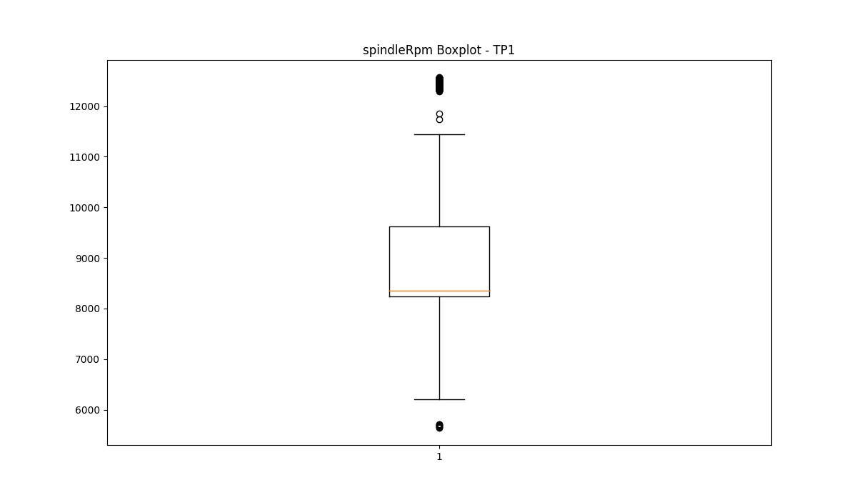

rpmSetPoint

numTP |  | 21 | 1 | 4 | 2
rpmSetPoint outliers |  | [] | [ 6000. 16000. 18000. 16200. 14400. 13500. 15000.] | [] | []
upper_bound |  | 21175 | 13477.5 | 3000 | 26250
lower_bound |  | -6305 | 6097.5 | 3000 | -11750

statistiche con outliers: |  |  |  |  |  | statistiche senza outliers:
numTP |  | 21 | 1 | 4 | 2 | numTP |  | 21 | 1 | 4 | 2
rpmSetPoint | max | 18000 | 18000 | 3000 | 12000 | rpmSetPoint | max | 18000 | 12000 | 3000 | 12000
 | min | 4000 | 6000 | 3000 | 2500 |  | min | 4000 | 8600 | 3000 | 2500
 | avg | 8565.4972279 | 9579.3757968 | 3000 | 6595.9416864 |  | avg | 8565.4972279 | 9445.8243032 | 3000 | 6595.9416864
 | median | 8865 | 8870 | 3000 | 3000 |  | median | 8865 | 8870 | 3000 | 3000

BOXPLOT CON OUTLIERS
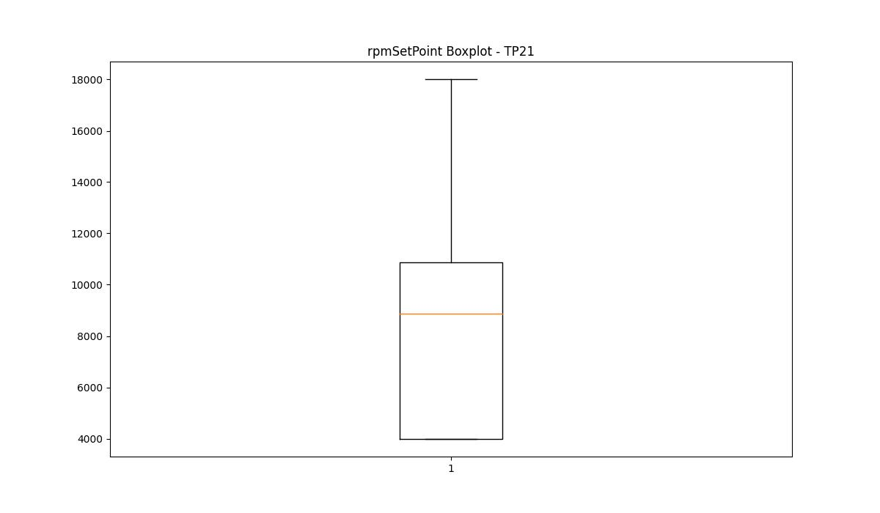
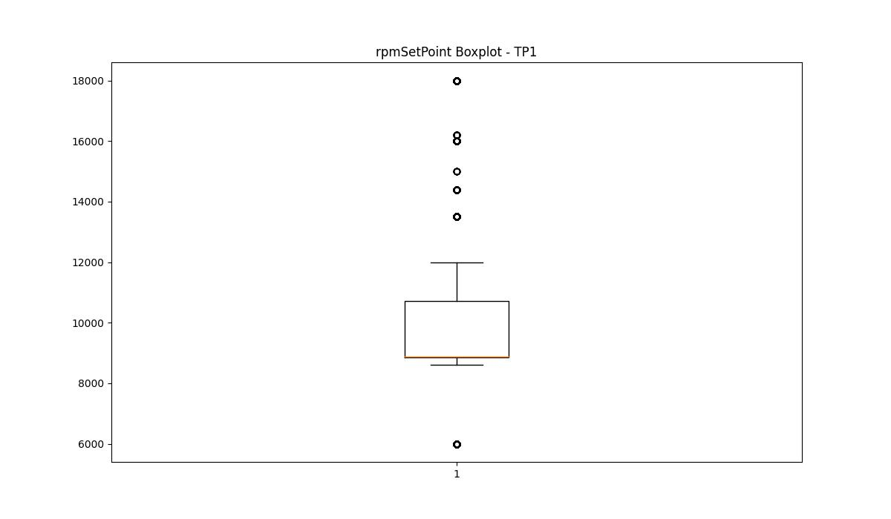
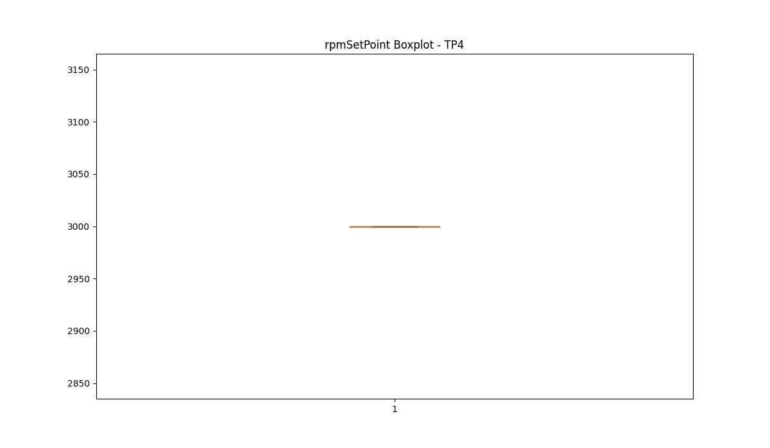
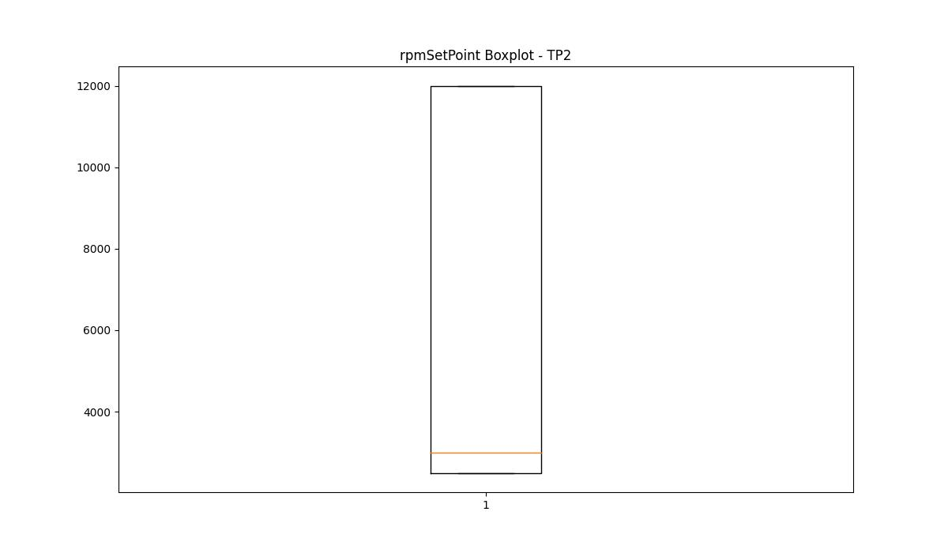

BOXPLOT SENZA OUTLIERS

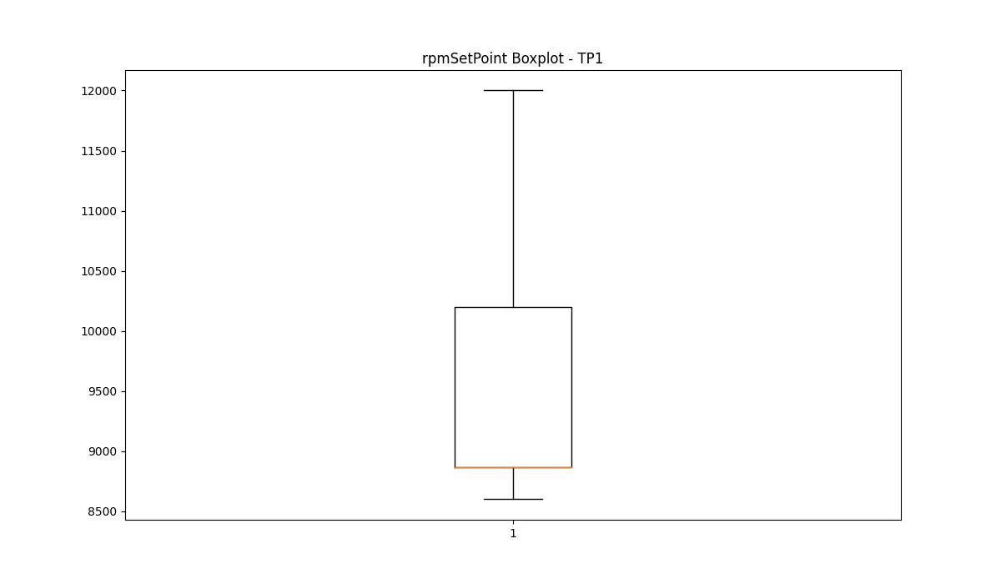

CurrentPeak

numTP |  | 21 | 1 | 4 | 2
CurrentPeak outliers |  | [ 6.882 5.983 6.448 7.006 6.51 7.223 7.285 7.068 7.13 6.851 7.378 6.293 5.053 6.944 6.727 6.355 7.192 7.409 6.665 7.037 7.254 6.603 6.696 5.921 6.975 6.758 6.231 0. 4.433 4.619 7.626 5.797 7.781 5.146 6.634 4.247 7.502 3.813 3.534 3.937 3.441 3.906 3.999 3.596 4.402 4.371 4.185 8.556 9.052 4.991 5.27 5.673 5.332 5.456 4.65 4.123 5.642 3.472 4.464 3.689 4.526 5.084 4.898 5.177 3.968 6.076 6.479 7.44 7.161 6.045 6.169 6.417 7.347 3.844 3.503 3.751 4.588 4.03 4.712 6.541 6.014 6.572 7.099 5.487 4.154 5.394 4.557 3.875 4.96 4.867 7.533 6.789 3.782 3.565 3.627 8.494 5.611 6.262 6.82 7.316 6.386 6.107 3.72 3.286 6.913 3.317 3.379 3.41 3.658 4.278 3.348 3.255 4.34 5.766 8.37 8.804 5.828 10.168 9.858 8.122 7.595 4.061 4.309 5.239 8.618 10.044 8.029 5.549 9.703 4.216 4.495 5.208 5.518 4.805 8.401 10.323 8.928 3.224 5.58 7.905 4.774 5.704 4.092 6.138 8.308 4.743 7.719] | [ 11.416 11.446 11.328 11.475 11.652 11.8 11.092 11.298 11.151 10.944 11.357 11.18 10.885 11.269 11.505 11.564 11.534 11.062 11.77 11.741 37.258 39.087 27.759 24.485 11.682 11.239 11.003 10.826 11.121 11.21 11.623 11.033 11.859 11.593 24.308 25.753 11.829 27.375 31.683 25.222 25.9 24.19 26.903 27.287 30.031 24.78 26.874 27.995 25.134 44.574 28.172 36.285 25.016 45.724 24.013 40.385 25.871 41.005 27.434 27.021 28.733 33.866 26.815 29.618 36.993 35.4 41.447 25.37 27.877 23.659 21.269 31.093 26.785 28.202 23.6 42.037 46.964 10.974 24.927 25.517 24.367 24.042 24.219 25.104 25.163 24.809 24.691 25.429 25.311 24.514 24.544 46.314 45.164 10.797 7.257 7.847 10.915 7.316 9.086 6.283 7.699 7.611 6.785 6.962 9.558 8.525 11.387 10.679 29.116 25.724 28.88 29.293 28.615 10.649 30.208 27.198 24.839 26.844 26.107 10.738 38.202 45.902 44.25 41.241 34.81 35.223 29.264 6.844 8.879 7.876 9.027 8.171 8.112 8.053 31.004 36.196 24.75 25.281 24.16 25.841 26.077 23.895 23.983 24.573 11.711 39.411 29.323 26.372 26.756 28.349 26.402 25.576 26.726 28.674 26.313 31.535 24.337 27.493 30.296 29.736 25.045 27.552 27.818 10.767 23.777 24.868 10.443 37.789 21.24 26.962 26.018 10.62 21.564 7.935 10.207 8.614 8.761 7.906 9.617 9.145 10.59 7.788 10.118 6.991 7.375 7.493 7.64 9.174 7.817 8.083 8.909 7.965 8.289 8.702 7.729 9.528 7.463 10.472 7.227 7.286 7.05 7.168 7.198 7.581 7.67 7.552 7.345 7.434 39.589 25.635 24.662 28.969 27.228 45.016 39.117 27.966 24.898 3.569 5.723 4.867 4.69 6.106 4.1 5.929 10.295 9.705 3.274 6.047 4.926 4.425 41.506 40.651 29.087 28.91 36.432 27.169 31.181 28.851 33.924 30.355 25.193 23.629 24.632 2 | [] | [12.1 12.078 12.265 11.363 12.056 12.001 11.957 12.155 12.012 12.43 12.177 12.463 12.034 1.727 1.628 1.672 1.837 2.057 1.771 1.606 1.485 12.122 11.979 12.298 12.144 12.199 1.463 1.507 1.936 1.65 1.573 1.694 1.441 1.716 2.629 2.486 1.551 2.222 1.881 1.386 1.364 1.958 1.892 2.31 1.98 ]
upper_bound |  | 37.014 | 20.9585 | 7.92 | 11.9405
lower_bound |  | 21.142 | 11.8745 | 0.96 | 11.3685

statistiche con outliers: |  |  |  |  |  | statistiche senza outliers:
numTP |  | 21 | 1 | 4 | 2 | numTP |  | 21 | 1 | 4 | 2
CurrentPeak | max | 33.077 | 123.841 | 6.21 | 12.463 | CurrentPeak | max | 33.077 | 20.797 | 6.21 | 11.935
 | min | 0 | 0 | 3.16 | 1.364 |  | min | 24.862 | 11.888 | 3.16 | 11.407
 | avg | 28.878190085 | 16.641632841 | 4.5546702173 | 11.488654846 |  | avg | 29.408533993 | 16.484078756 | 4.5546702173 | 11.655455441
 | median | 29.976 | 16.254 | 5.23 | 11.649 |  | median | 30.039 | 16.254 | 5.23 | 11.649

BOXPLOT CON OUTLIERS
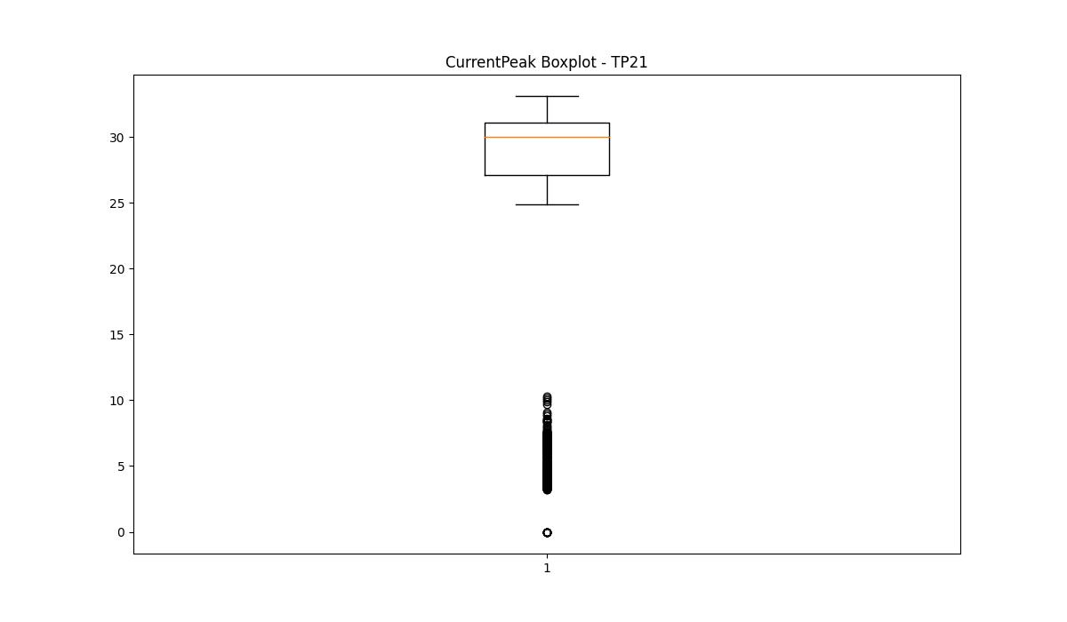
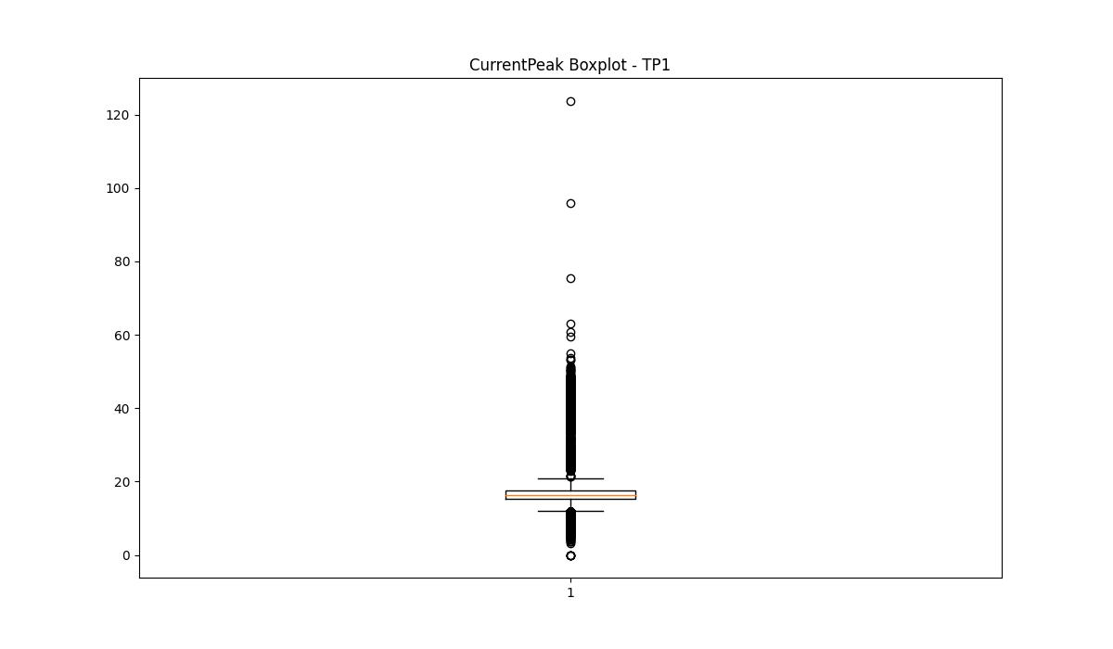
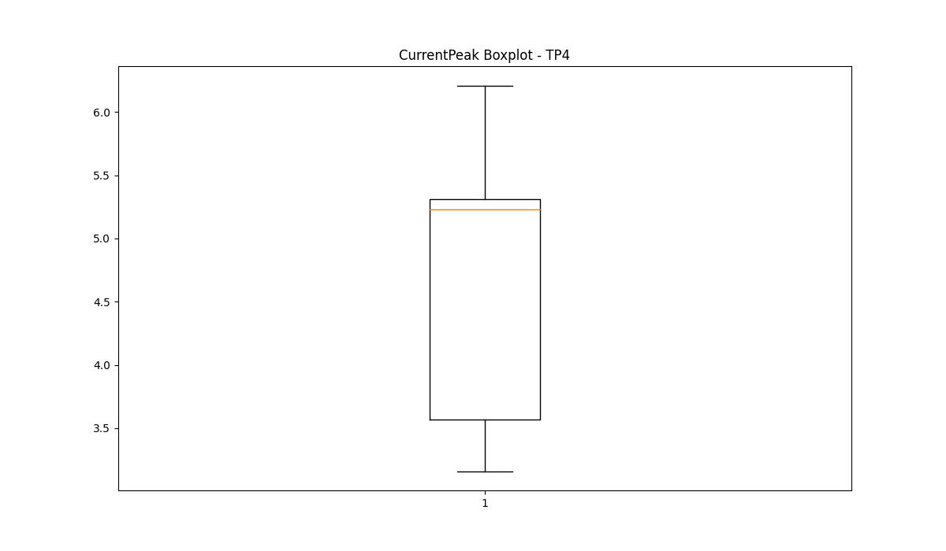
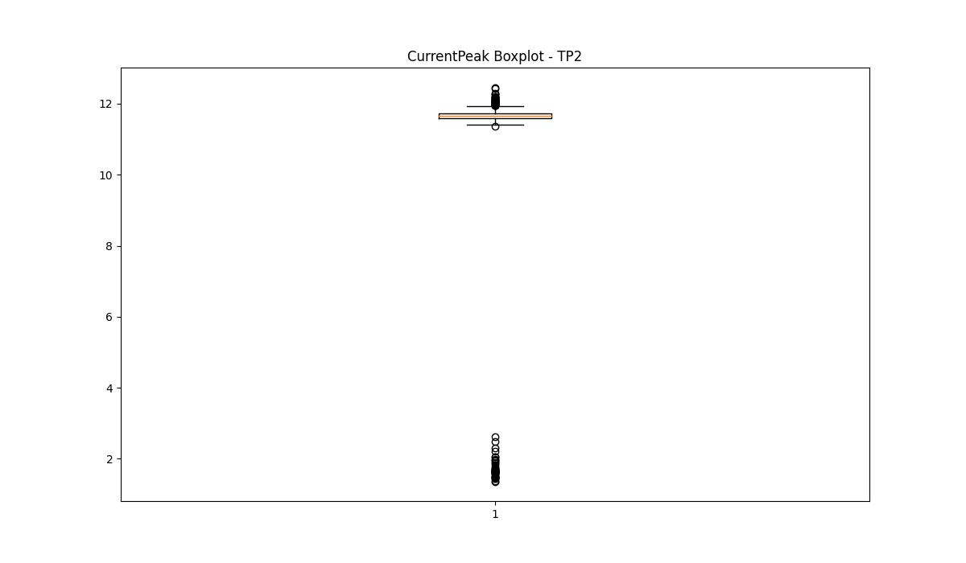

BOXPLOT SENZA OUTLIERS

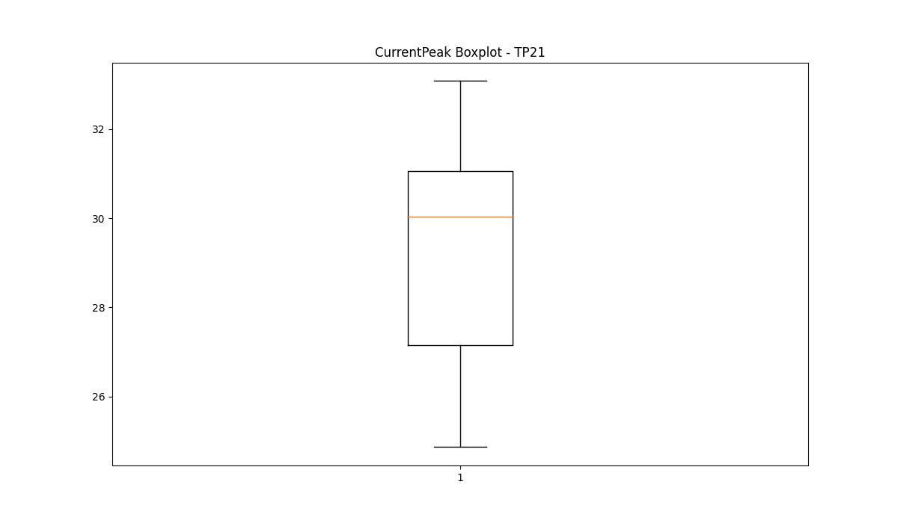
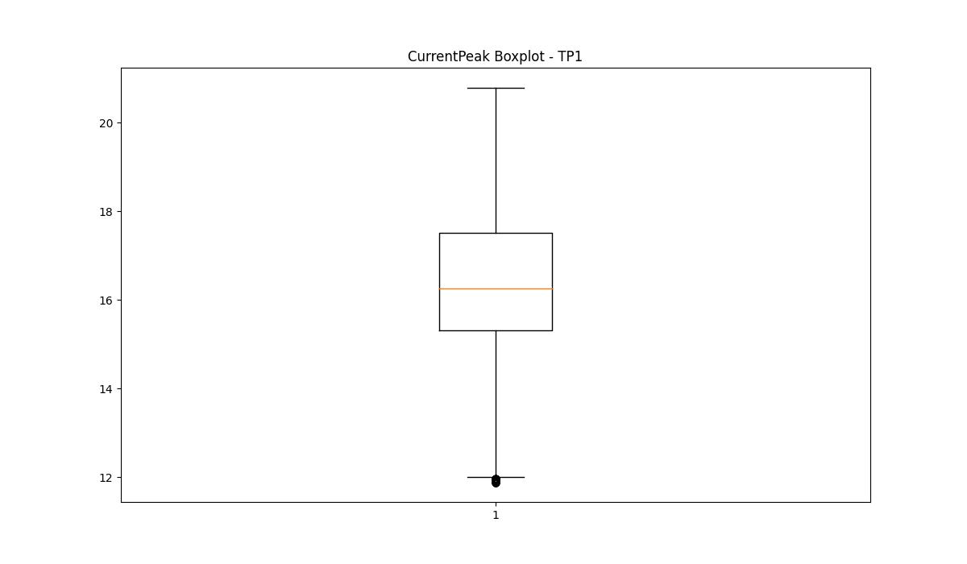
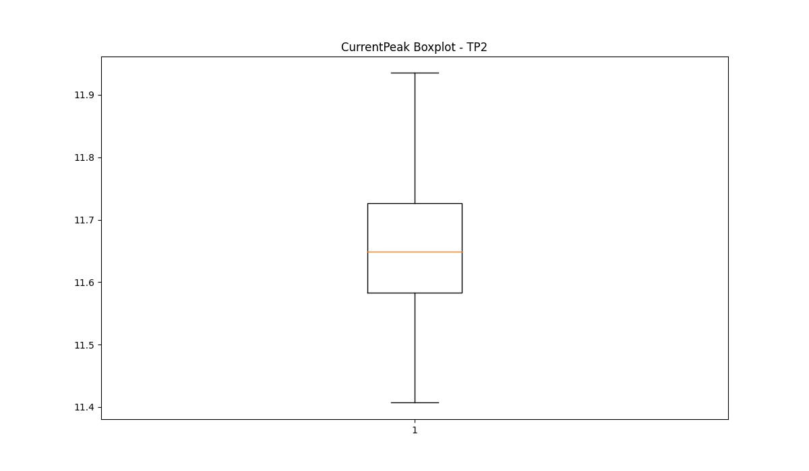

VibromPeak

numTP |  | 21 | 1 | 4 | 2
VibromPeak outliers |  | [ 3.5 3.4 4.2 4.1 3.9 4. 3.1 3.8 3.3 3.6 3.7 3.2 3. 4.3 2.8 2.9 4.4 4.5 4.6 4.8 4.9 5. 4.7 5.1 5.5 5.2 5.4 5.6 5.3 7.1 11.3 10.3 10.4 11.6 11.8 11.5 10.7 10.6 11.2 12.1 12.6 12.9 13. 12.7 9.9 9.8 10.2 36.799 40.9 41.799 43.299 39.299 37.799 31.299 19.4 17.299 10.9 13.7 12.2 11.9 14.4 6.7 5.9 6.1 6.6 5.7 8.5 6.5 6.4 7.8 6.8 8.2 5.8 6. 17.9 15.3 13.4 11.7 6.2 6.3 ] | [0.7 0.2 0.8 0.9 1. 1.5 2.6 1.6 1.7 1.1 1.4 1.3 1.2 2. 1.8 1.9 2.1 2.3 2.5 2.4 2.2 0.1 2.8 7. 8.2 3.8 3.3 5.9 7.3 2.9 3. 2.7 8.7 9.4 8.4 5.6 3.6 3.2 4.2 4.9 3.7 3.1 3.9 4.3 3.5 4.7] | []
upper_bound |  | 2.7 | 0.65 | 0.9
lower_bound |  | -0.5 | 0.25 | 0.9

statistiche con outliers: |  |  |  |  |  | statistiche senza outliers:
numTP |  | 21 | 1 | 4 | 2 | numTP |  | 21 | 1 | 4 | 2
VibromPeak | max | 43.299 | 9.4 | 0.9 | nan | VibromPeak | max | 2.7 | 0.6 | 0.9
 | min | 0.1 | 0.1 | 0.9 | nan |  | min | 0.1 | 0.3 | 0.9
 | avg | 1.2136322555 | 0.50081942554 | 0.9 | nan |  | avg | 1.1099917268 | 0.43709471317 | 0.9
 | median | 1 | 0.4 | 0.9 | nan |  | median | 1 | 0.4 | 0.9

BOXPLOT CON OUTLIERS
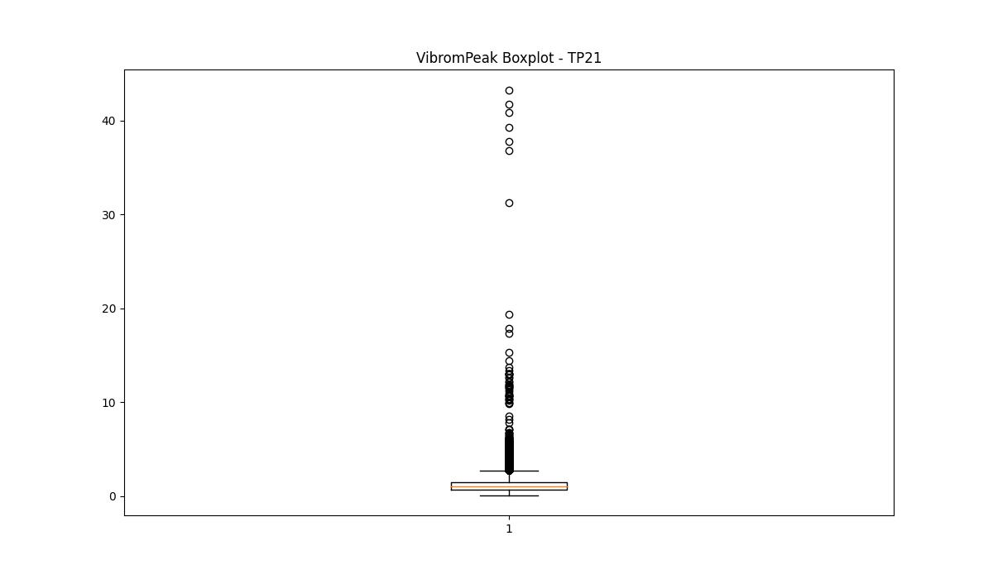
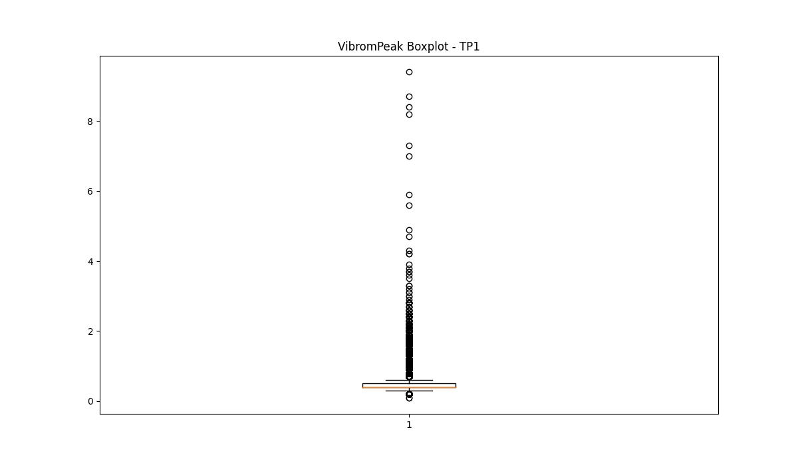
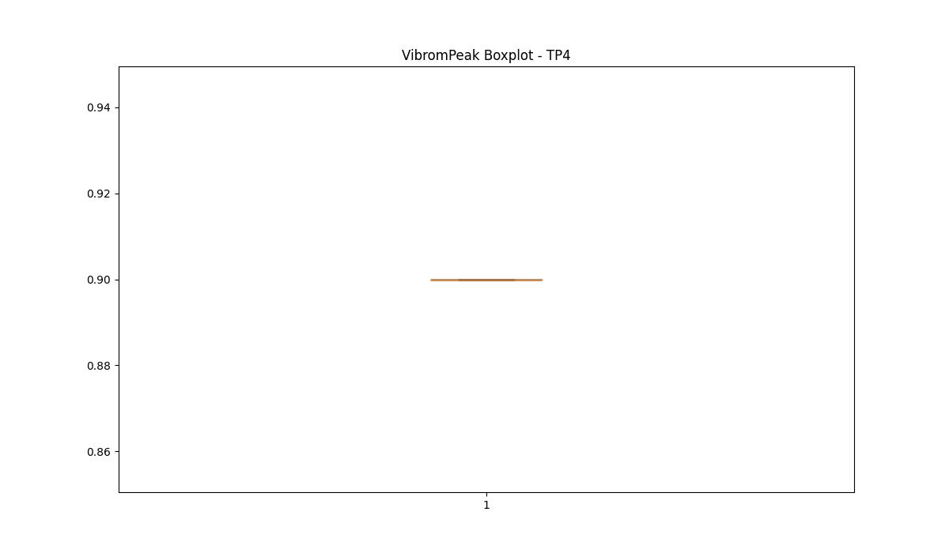
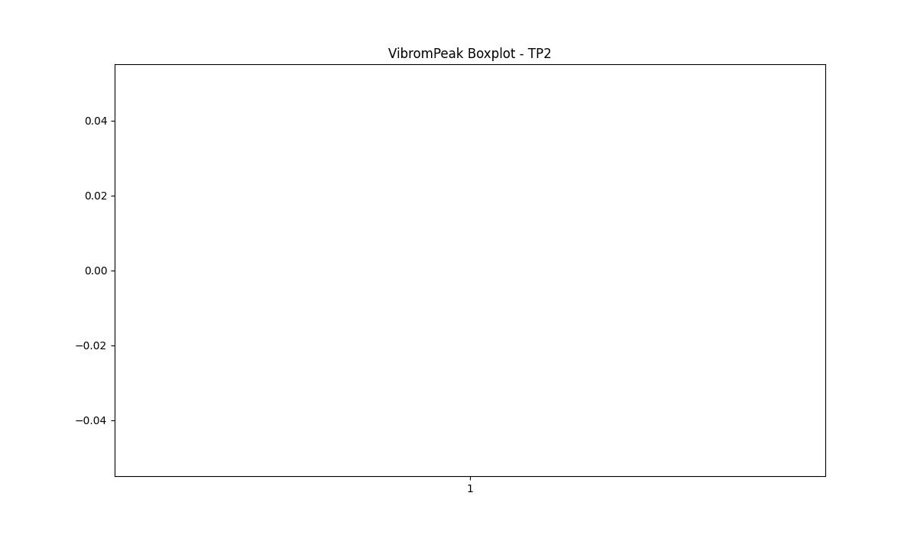

BOXPLOT SENZA OUTLIERS

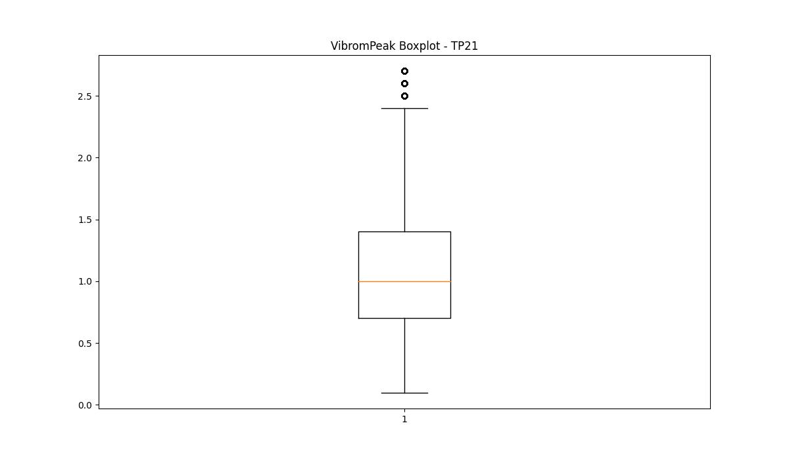
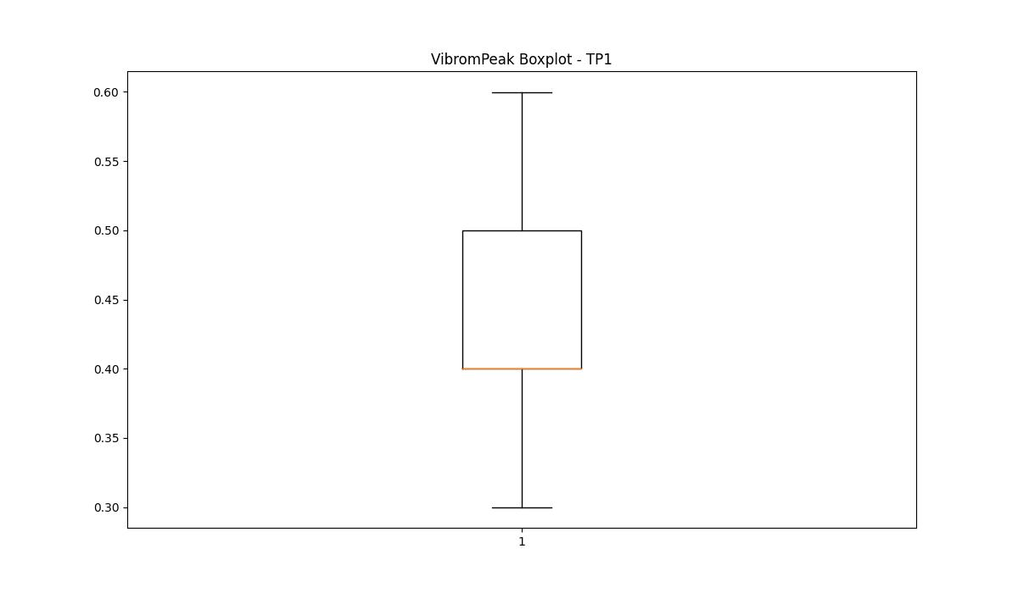

LUNG

numTP |  | 21 | 1 | 4 | 2
LUNG outliers |  | [] | [42. 3.2] | [] | [68.]
upper_bound |  | 372.02 | 295.7475 | 80 | 110.75
lower_bound |  | -66.7 | 88.1515 | 80 | 68.75

statistiche con outliers: |  |  |  |  |  | statistiche senza outliers:
numTP |  | 21 | 1 | 4 | 2 | numTP |  | 21 | 1 | 4 | 2
LUNG | max | 238.8 | 238.8 | 80 | 95 | LUNG | max | 238.8 | 238.8 | 80 | 95
 | min | 97.82 | 3.2 | 80 | 68 |  | min | 97.82 | 98 | 80 | 70
 | avg | 164.97805964 | 186.63805743 | 80 | 86.324665091 |  | avg | 164.97805964 | 197.07066391 | 80 | 86.331888057
 | median | 184.5 | 189.039 | 80 | 85 |  | median | 184.5 | 204.1 | 80 | 85

BOXPLOT CON OUTLIERS
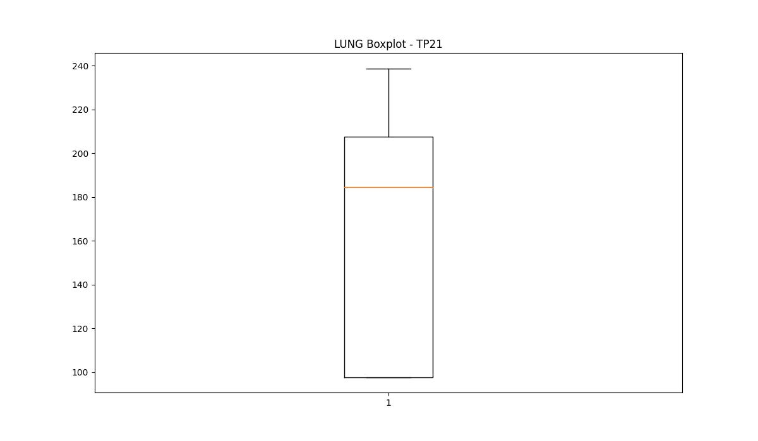
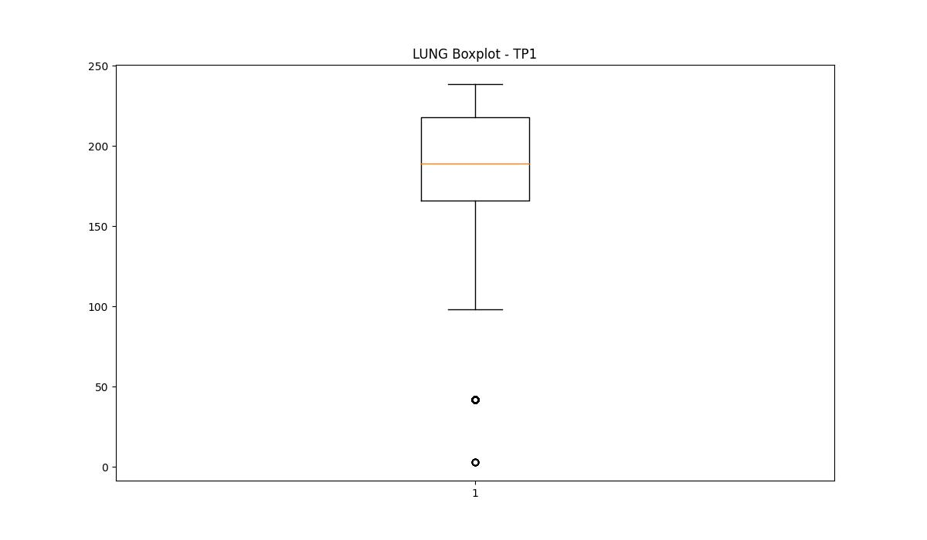
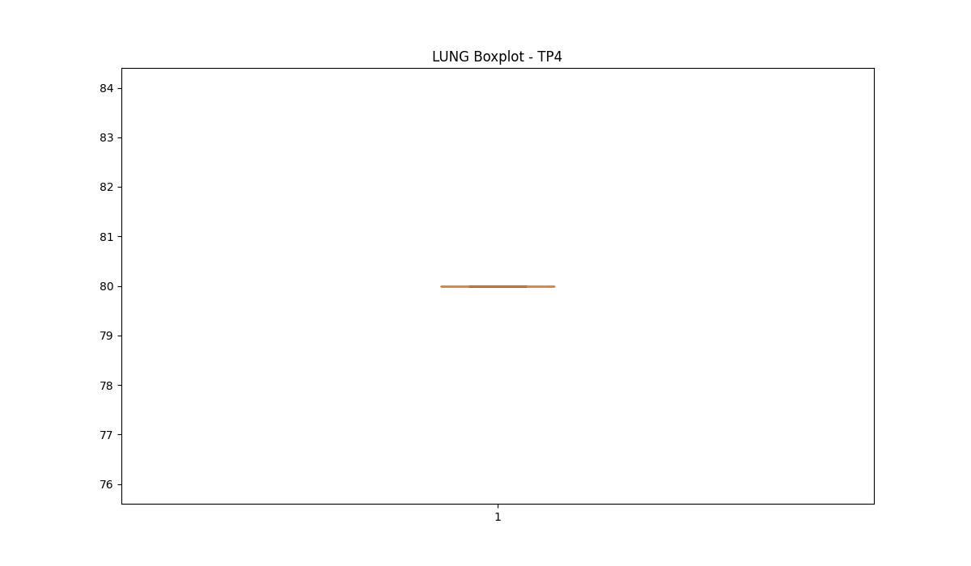
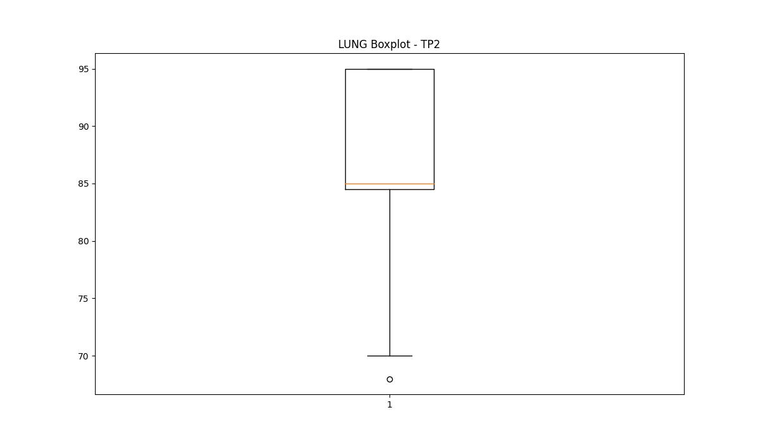

BOXPLOT SENZA OUTLIERS

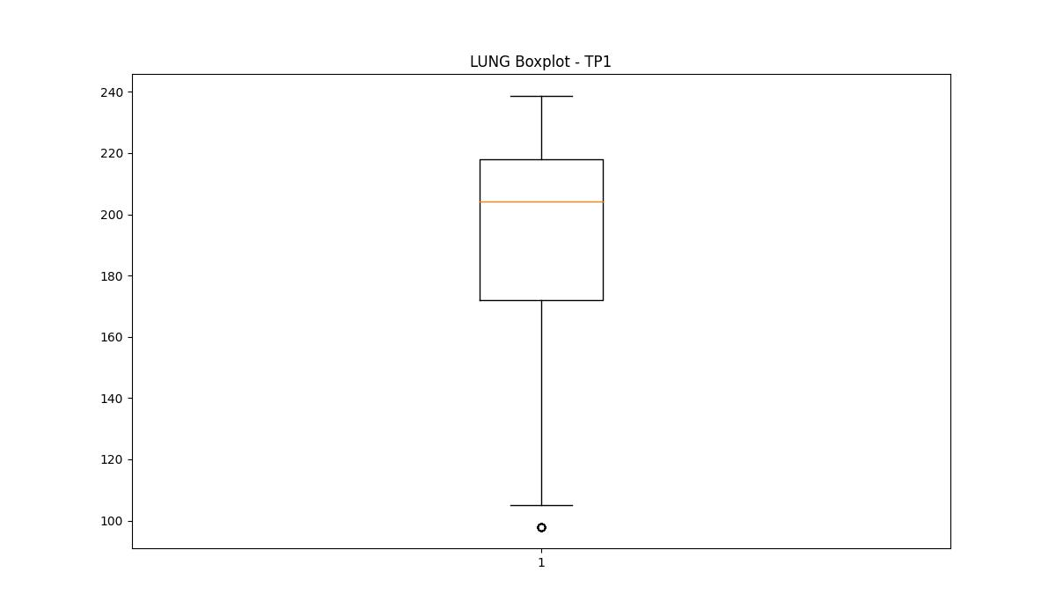
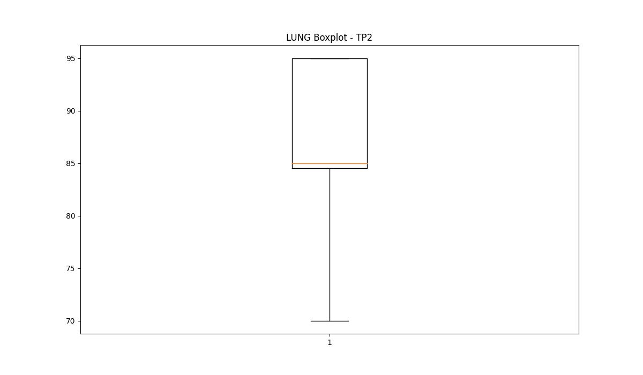

DIAM

numTP |  | 21 | 1 | 4 | 2
DIAM outliers |  | [] | [16. 70. 12. 20. 38. 60. 75. 6. 25.4] | [] | []
upper_bound |  | 570 | 216.3 | 8 | 10.5
lower_bound |  | -150 | 79.5 | 8 | 6.5

statistiche con outliers: |  |  |  |  |  | statistiche senza outliers:
numTP |  | 21 | 1 | 4 | 2 | numTP |  | 21 | 1 | 4 | 2
DIAM | max | 300 | 180 | 8 | 10 | DIAM | max | 300 | 180 | 8 | 10
 | min | 4 | 6 | 8 | 8 |  | min | 4 | 100 | 8 | 8
 | avg | 174.09954935 | 144.62699597 | 8 | 8.7596532703 |  | avg | 174.09954935 | 150.8828446 | 8 | 8.7596532703
 | median | 165 | 165 | 8 | 9 |  | median | 165 | 165 | 8 | 9

BOXPLOT CON OUTLIERS
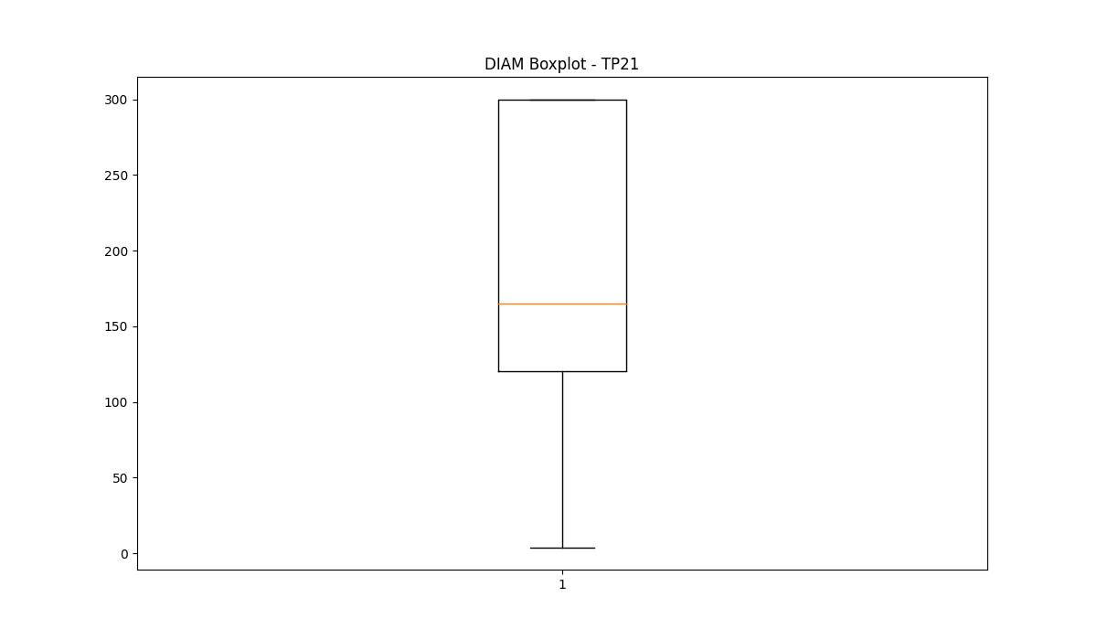
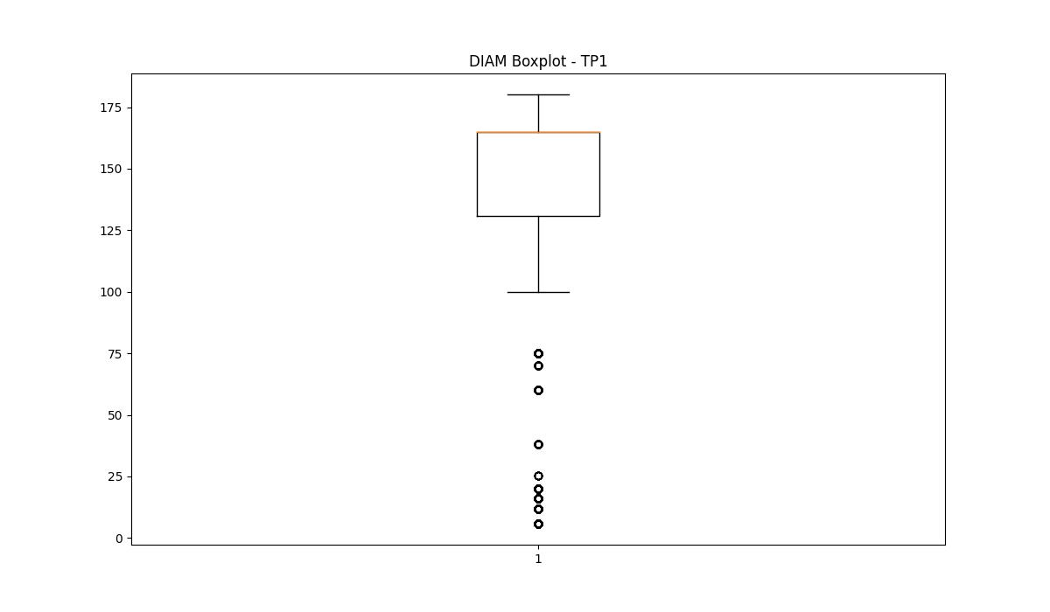

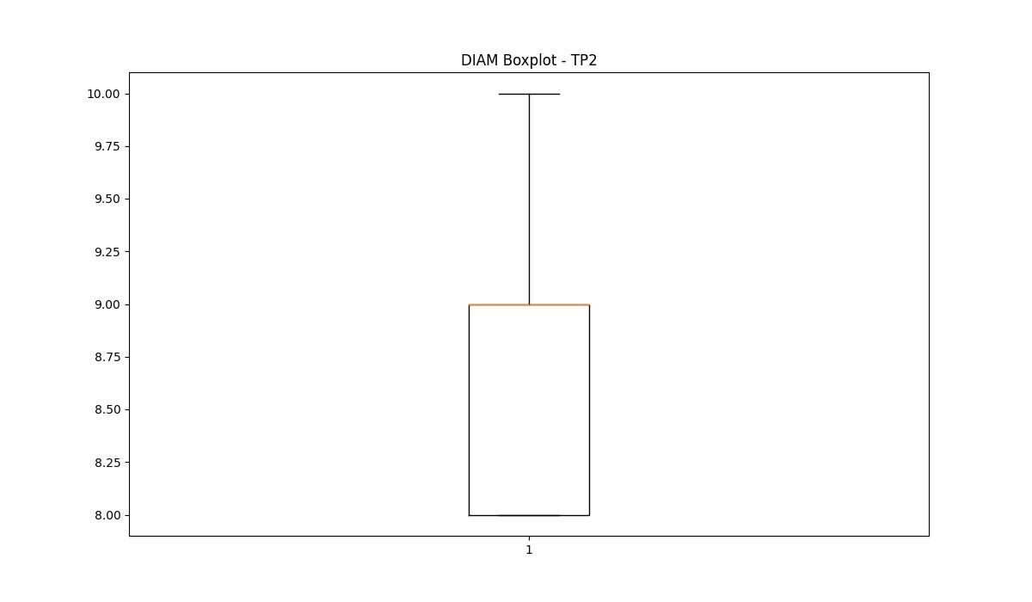

BOXPLOT SENZA OUTLIERS

