Sheet1
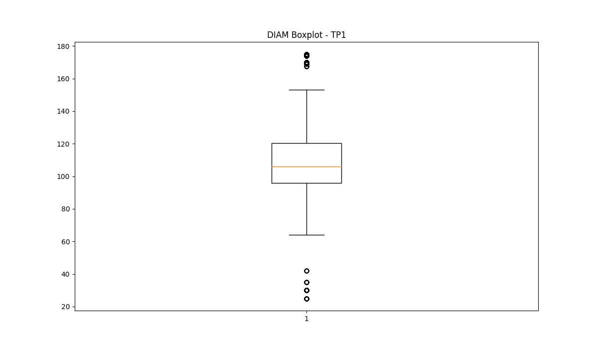
statorCelsius

numTP |  | 1 | 4 | 2 | 21
statorCelsius outliers |  | [36. 37. 38. 22. 23. 41. 21. 19. 20. 18. 39. 40.] | [] | [] | [38. 19. 20. 18. 39.]
upper_bound |  | 35.5 | 0 | 0 | 37
lower_bound |  | 23.5 | 0 | 0 | 21

statistiche con outliers: |  |  |  |  |  | statistiche senza outliers:
numTP |  | 1 | 4 | 2 | 21 | numTP |  | 1 | 4 | 2 | 21
statorCelsius | max | 41 | 0 | 0 | 39 | statorCelsius | max | 35 | 0 | 0 | 37
 | min | 18 | 0 | 0 | 18 |  | min | 24 | 0 | 0 | 21
 | avg | 29.589005013 | 0 | 0 | 28.924542042 |  | avg | 29.47068618 | 0 | 0 | 28.933325831
 | median | 29 | 0 | 0 | 29 |  | median | 29 | 0 | 0 | 29

BOXPLOT CON OUTLIERS
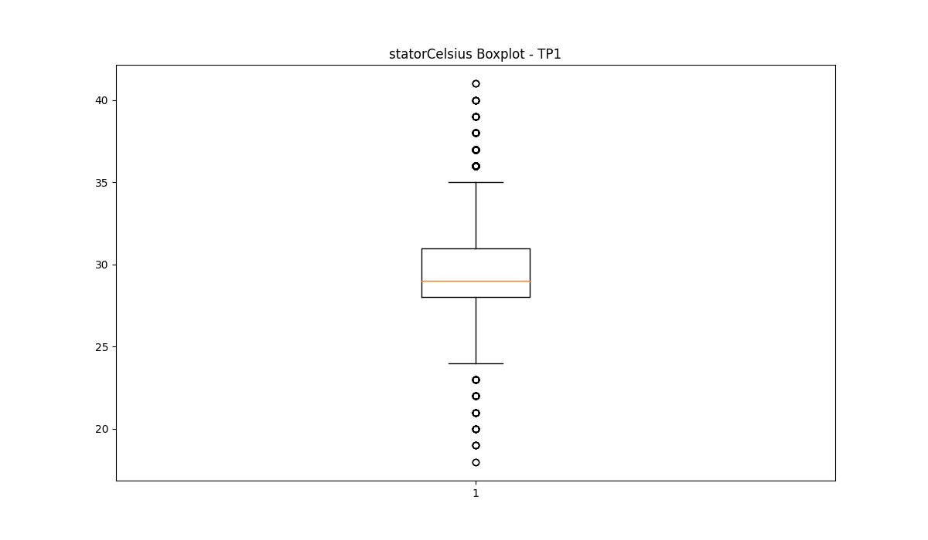
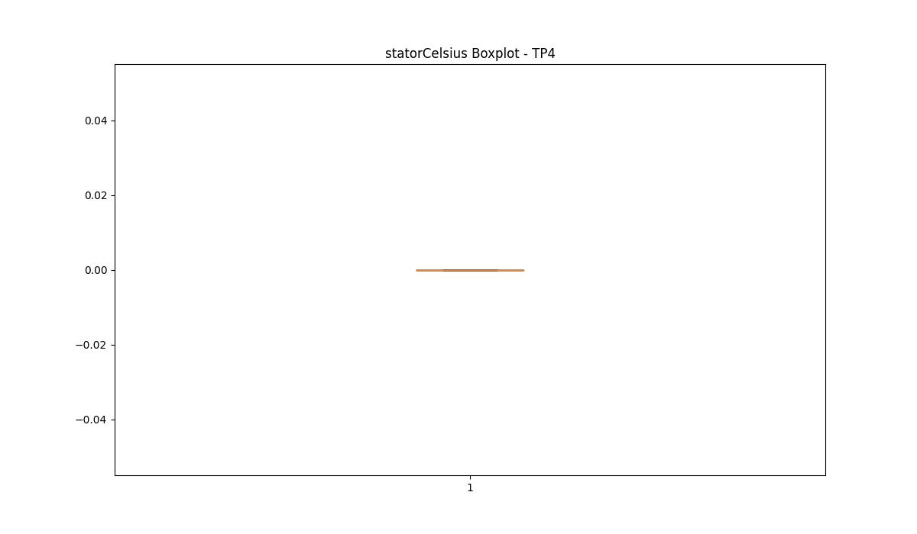
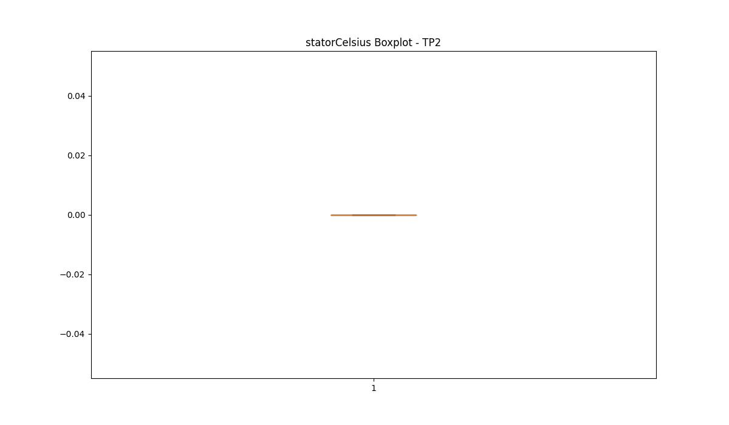
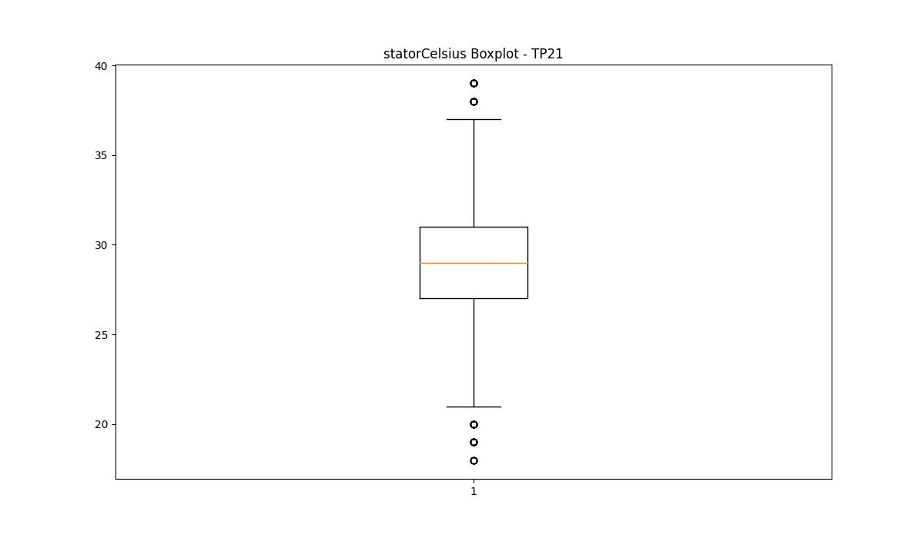

BOXPLOT SENZA OUTLIERS

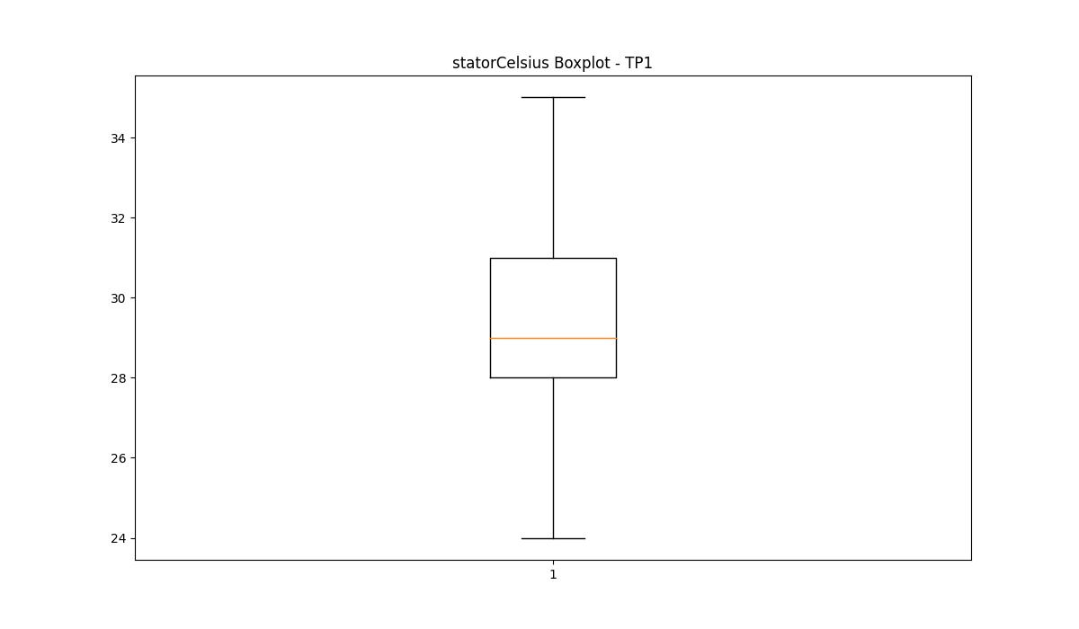
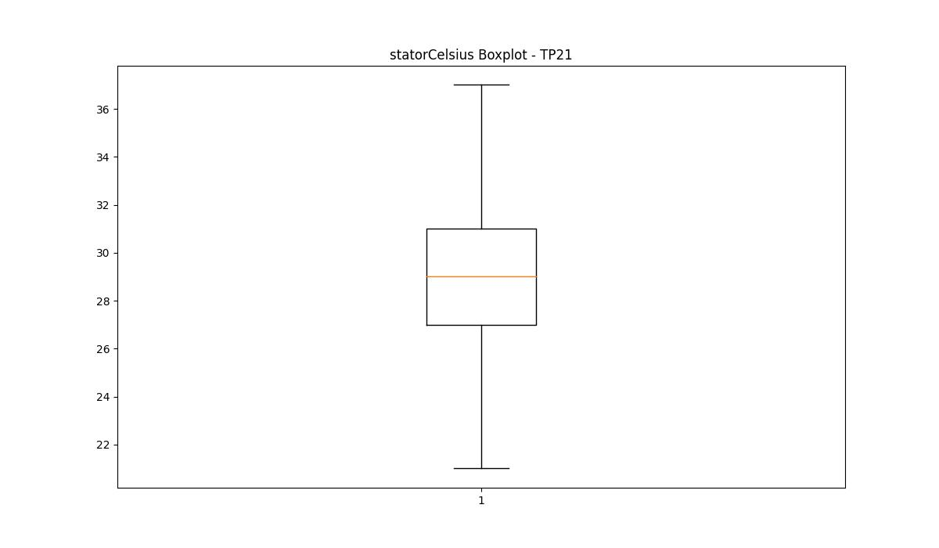

bearingsCelsius

numTP |  | 1 | 4 | 2 | 21
bearingsCelsius outliers |  | [20. 19. 18. 17.] | [] | [] | [27. 20. 21. 22. 19. 18. 17. 16.]
upper_bound |  | 29 | 0 | 0 | 26.5
lower_bound |  | 21 | 0 | 0 | 22.5

statistiche con outliers: |  |  |  |  |  | statistiche senza outliers:
numTP |  | 1 | 4 | 2 | 21 | numTP |  | 1 | 4 | 2 | 21
bearingsCelsius | max | 27 | 0 | 0 | 27 | bearingsCelsius | max | 27 | 0 | 0 | 26
 | min | 17 | 0 | 0 | 16 |  | min | 21 | 0 | 0 | 23
 | avg | 24.919279463 | 0 | 0 | 24.561929304 |  | avg | 24.98624011 | 0 | 0 | 24.717351998
 | median | 25 | 0 | 0 | 25 |  | median | 25 | 0 | 0 | 25

BOXPLOT CON OUTLIERS
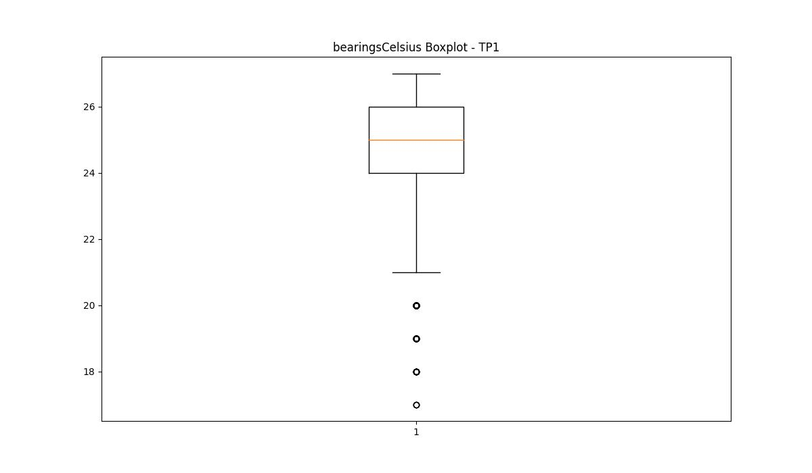


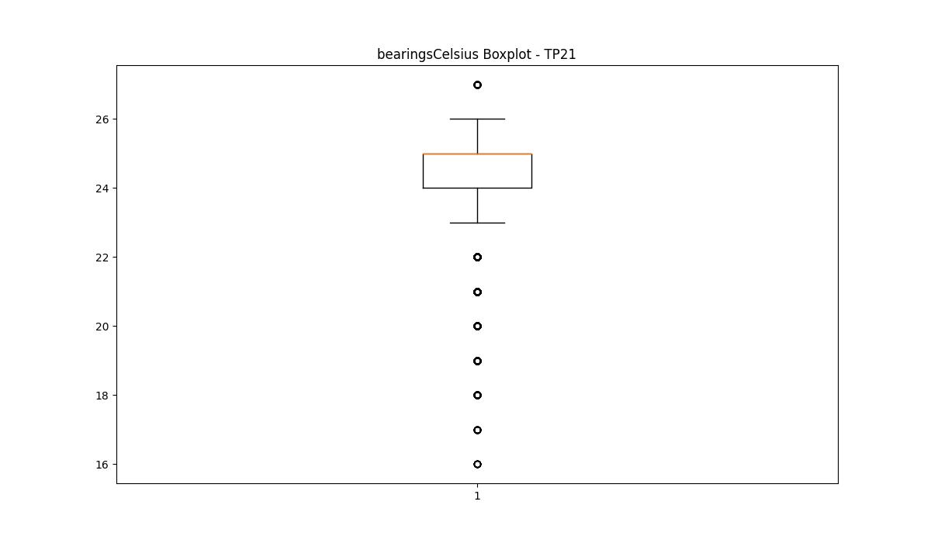

BOXPLOT SENZA OUTLIERS

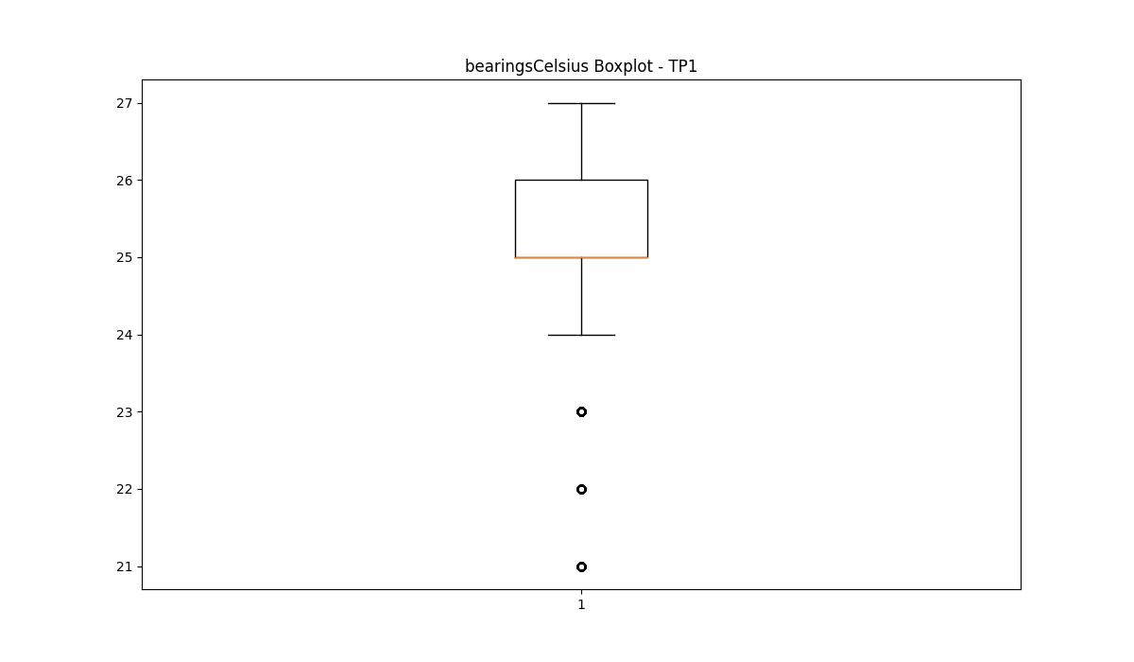
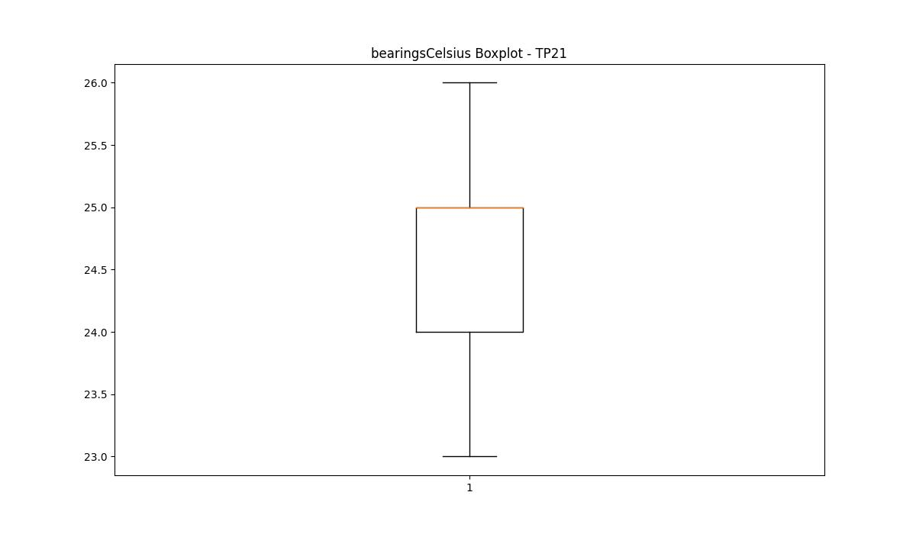

spindleRpm

numTP |  | 1 | 4 | 2 | 21
spindleRpm outliers |  | [16416. 17820. 16249. 16342. 16209. 17826. 16457. 17828. 16668. 16192. 16328. 17797. 16520. 17833. 16586. 17814. 16379. 17818. 16324. 17457. 16041. 17449. 13184. 13196. 13201. 13208. 5592. 6000. 5998. 12769. 16617. 16626. 12880. 5662. 5999. 6002. 5676. 6001. 5762. 5679. 5571. 6003. 5710. 5997. 5632. 5767. 5996. 5731. 5546. 5674. 5613. 5748. 5528. 5728. 5713. 5607. 5760. 12861. 16566. 16443. 16713. 16569. 16797. 16755. 16575. 13195. 13197. 13191. 5702. 5597. 16514. 18000. 18007. 17995. 14084.069 15004.989 14992.119 14999.269 15006.419 13813.799 15000.699 14013.999 14993.549 14997.839 14989.259 16778. 18001. 16493. 17997. 16580. 16099. 17992. 5706. 16677. 5602. 13710.839 16792. 18017. 18009. 16815. 16463. 18014. 5628. 6004. 5629. 5696. 5591. 5562.699 6000.279 5724.289 5998.849 5669.949 5578.429 5995.989 5994.559 5697.119 5997.419 5764. 13189. 13199. 5707. 5685.679 5720. 5716. 5655.649 5737.159 6001.709 5590. 5641. 5762.899 5736. 5617. 5617.039 16380. 16611. 13213. 13193. 13194. 5668.52 16615. 16384. 13202. 13200. 13204. 16523. 5667.089 13182. 5598.449 5993.129 5641.349 5637.059 5592.729 13198. 13212. 5555.549 16789. 16800. 18012. 13909.609 15003.559 14996.409 14075.489 14982.109 5586. 5995.5 5994. 5538. 5998.5 5694. 5611.5 5992.5 16657. 18004. 5634.199 5542.679 6003.139 5707.129 5632.77 5750.029 5649.929 5544.109 5678.529 5695.689 5551.259 5734.299 5571.279 5518.369 5748.599 5536.959 5671.379 5625.619 5597.02 5681.389 5638.489 5701.409 5679.959 5535.529 5664.229 5529.809 17973. | [] | [] | [ 5712.849 5994.559 5998.849 6000.279 5995.989 5645.639 5997.419 12409. 13203. 13193. 13200. 13194. 5732. 6000. 5996. 6001. 5244. 5499. 5500. 5705.699 12440. 13190. 13208. 13188. 5713. 5997. 5998. 5999. 6002. 5649.929 6001.709 5163. 5497. 5495. 5728. 6003. 5768. 12702. 13712. 13693. 12747. 13702. 13691. 13697. 13705. 13698. 5659. 5223. 5501. 5498. 12788. 5724. 6006. 5712. 5672.809 5605. 6004. 5775. 12670. 13696. 5229. 5496. 5556. 5617. 5527. 5670. 12602. 13706. 5537. 5649. 12784. 13699. 5529. 12962. 13692. 12882. 13707. 5518. 5653. 12803. 5726. 12777. 13688. 5621. 5720. 5734. 5644. 5614. 5268. 5502. 12648. 13684. 13701. 5808. 5995. 5808.659 5820.099 6003.139 5657.079 12237. 13202. 13195. 5770.049 5679. 12191. 12187. 5818.669 16401. 17985. 16578. 18004. 5278. 5743. 16659. 17994. 5707.129 16575. 16911. 5593. 16803. 18014. 18000. 16672. 5665.5 5994. 5998.5 5995.5 5577. 5992.5 5700. 5580. 5991. 5581.5 5521.5 5557.5 5596.5 5590.5 5587.5 6001.5 5611.5 5613. 5583. 5514. 5539.5 5542.5 5541. 5548.5 5598. 5553. 5595. 5662.5 5512.5 5605.5 5706. 5592. 5716.5 5647.5 5506.5 5680.5 5610. 5604. 5811. 5640. 5715. 5769. 5674.5 5701.5 5707.5 5509.5 5538. 5535. 5676. 5593.5 5518.5 5524.5 5652. 5656.5 5586. 5658. 5631. 5709. 5806.5 5766. 5599.5 5650.5 5655. 5643. 5608.5 5191. 5651.359 5146. 16391. 17995. 16710. 5768.619 16838. 16255. 17739. 16618. 16246. 17694. 564
upper_bound |  | 12556 | 0 | 0 | 12044.5
lower_bound |  | 7132 | 0 | 0 | 7400.5

statistiche con outliers: |  |  |  |  |  | statistiche senza outliers:
numTP |  | 1 | 4 | 2 | 21 | numTP |  | 1 | 4 | 2 | 21
spindleRpm | max | 18022 | 0 | 0 | 18046 | spindleRpm | max | 12425 | 0 | 0 | 12029
 | min | 5062 | 0 | 0 | 5068 |  | min | 8245 | 0 | 0 | 7837
 | avg | 9606.29003 | 0 | 0 | 9497.733338 |  | avg | 10067.75601 | 0 | 0 | 10095.651788
 | median | 9803 | 0 | 0 | 9799 |  | median | 9899 | 0 | 0 | 9802

BOXPLOT CON OUTLIERS
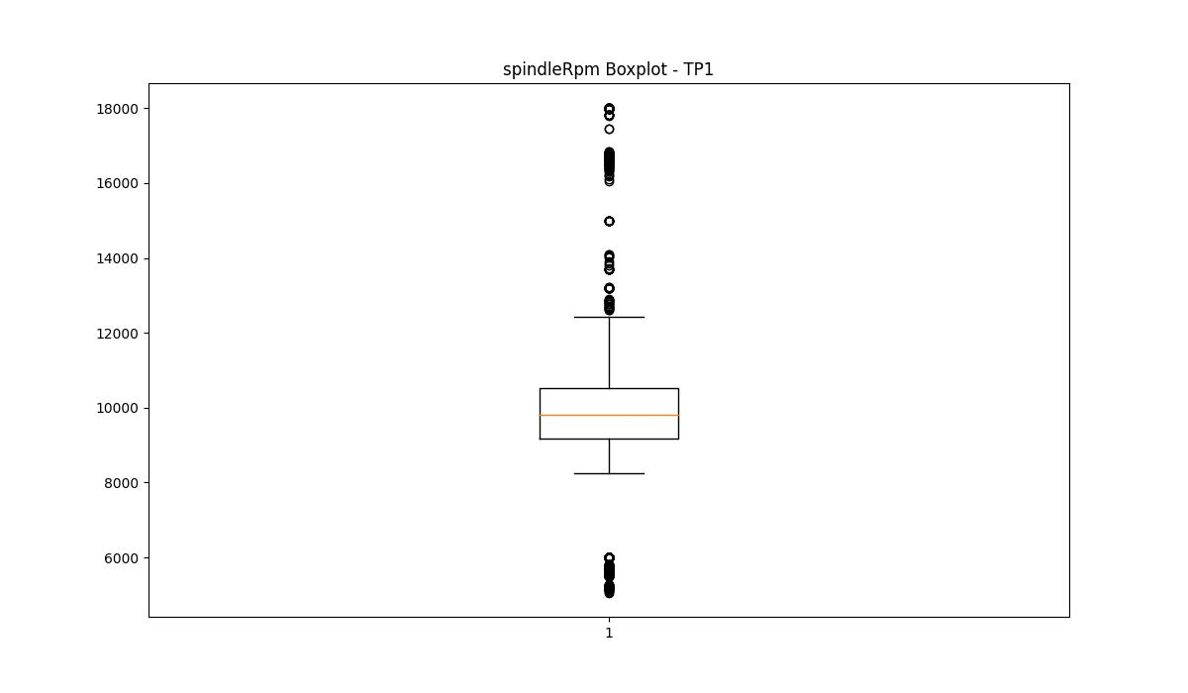
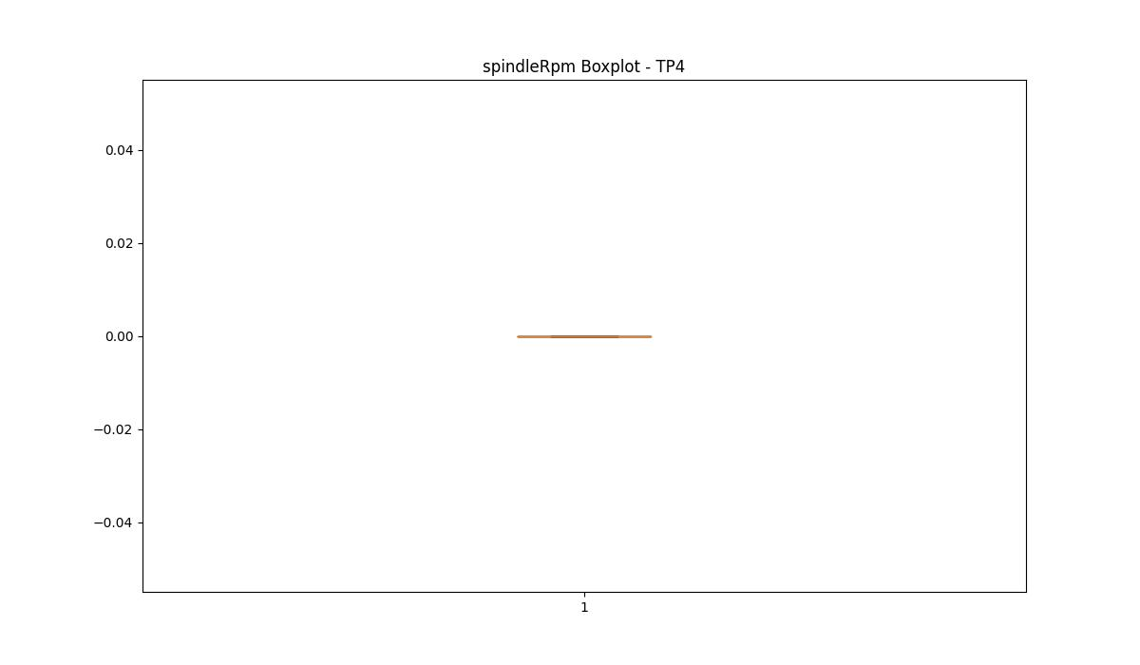

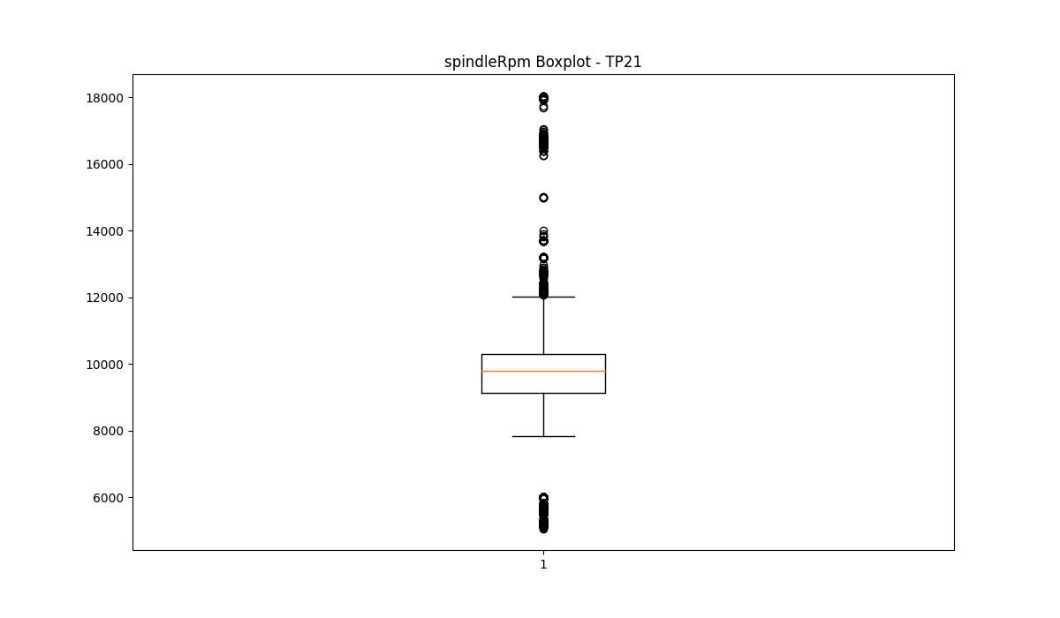

BOXPLOT SENZA OUTLIERS

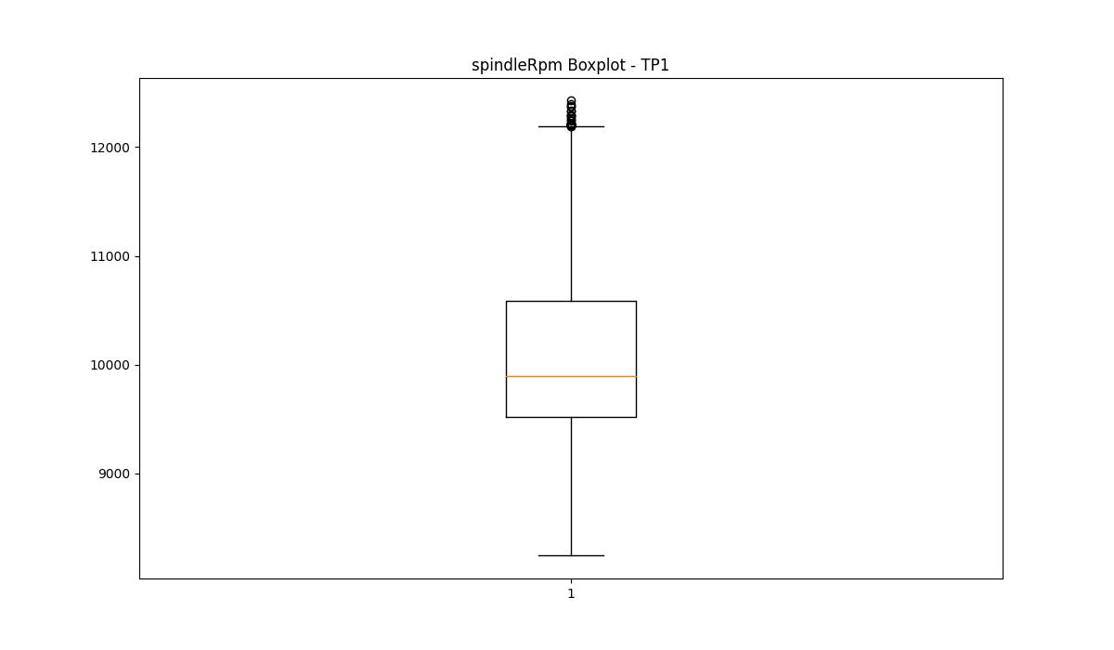
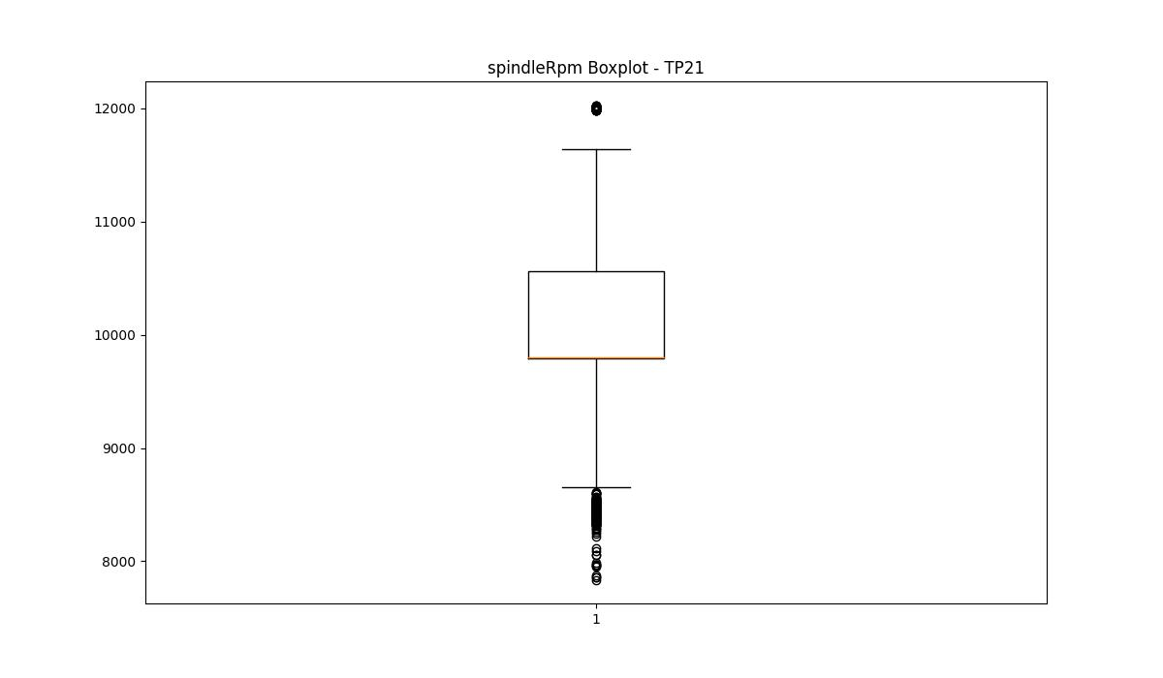

rpmSetPoint

numTP |  | 1 | 4 | 2 | 21
rpmSetPoint outliers |  | [18000. 6000. 13700. 15000. 5500.] | [] | [] | [ 6000. 13200. 5500. 13700. 12200. 18000. 12100. 15000.]
upper_bound |  | 13300 | 28500 | 4000 | 12050
lower_bound |  | 7700 | -7500 | 4000 | 8450

statistiche con outliers: |  |  |  |  |  | statistiche senza outliers:
numTP |  | 1 | 4 | 2 | 21 | numTP |  | 1 | 4 | 2 | 21
rpmSetPoint | max | 18000 | 15000 | 4000 | 18000 | rpmSetPoint | max | 13200 | 15000 | 4000 | 12000
 | min | 5500 | 6000 | 4000 | 5500 |  | min | 9000 | 6000 | 4000 | 9000
 | avg | 9836.0608378 | 11261.667704 | 4000 | 9652.226766 |  | avg | 10325.299233 | 11261.667704 | 4000 | 10255.392087
 | median | 9900 | 15000 | 4000 | 9800 |  | median | 10100 | 15000 | 4000 | 9900

BOXPLOT CON OUTLIERS
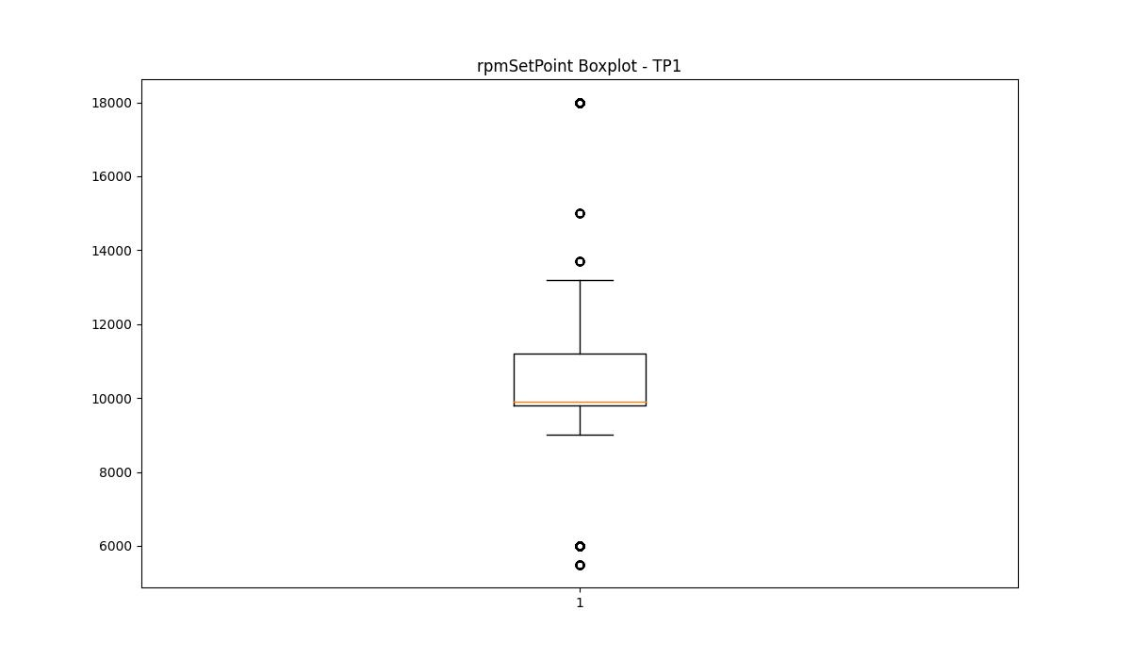
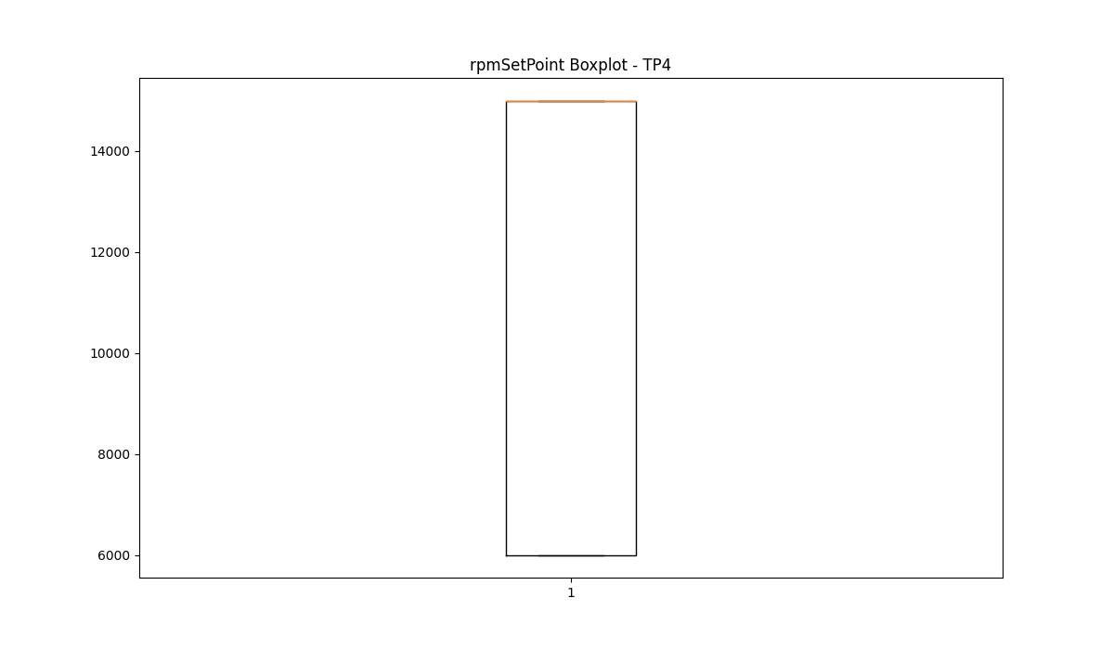
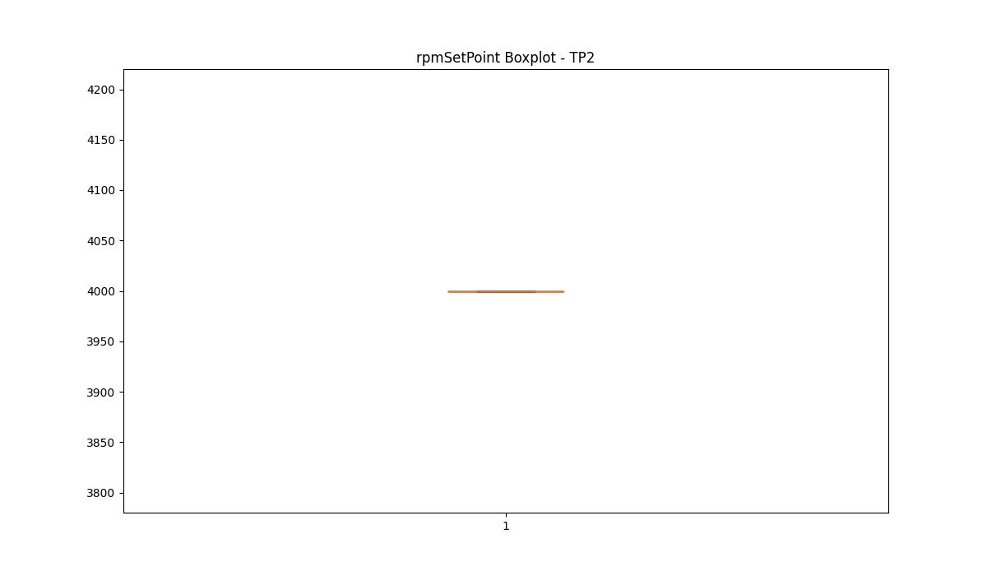
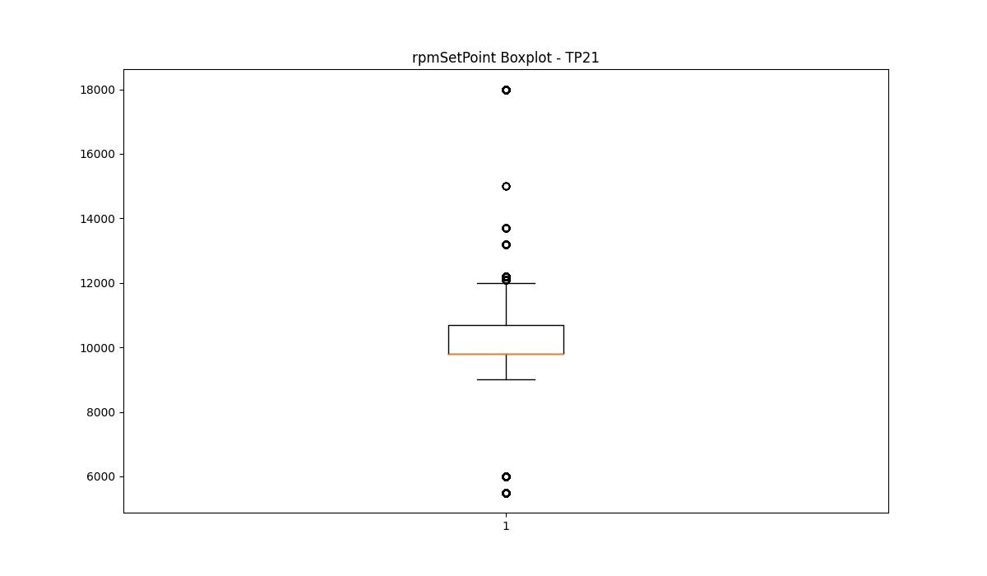

BOXPLOT SENZA OUTLIERS

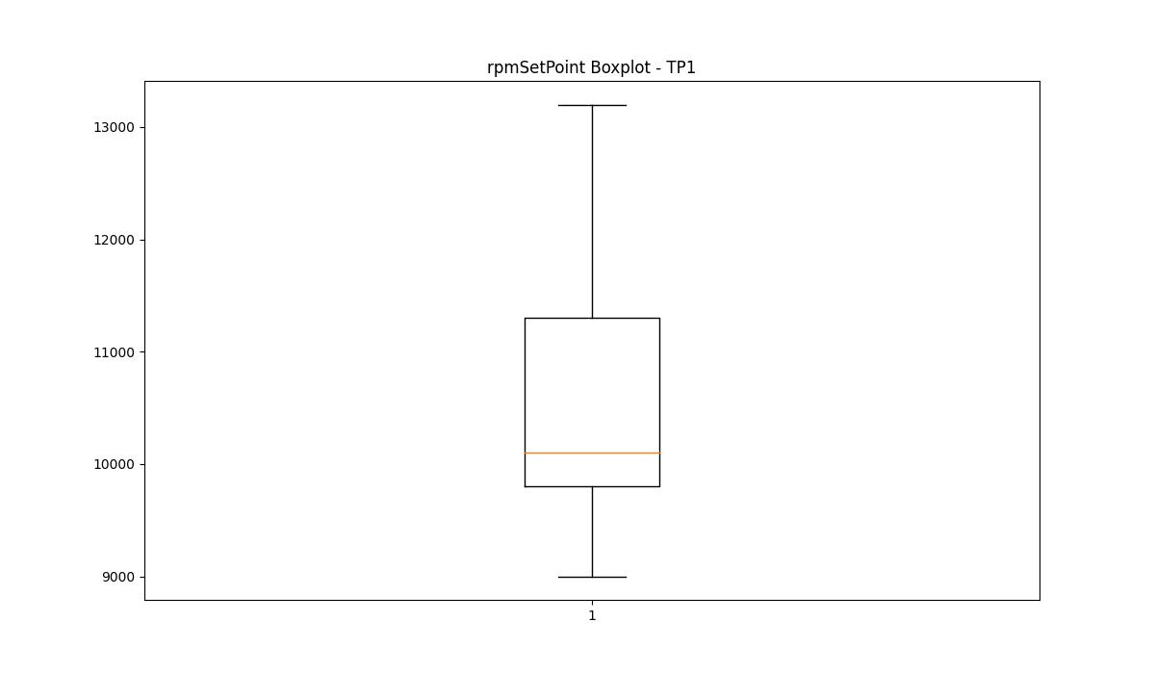
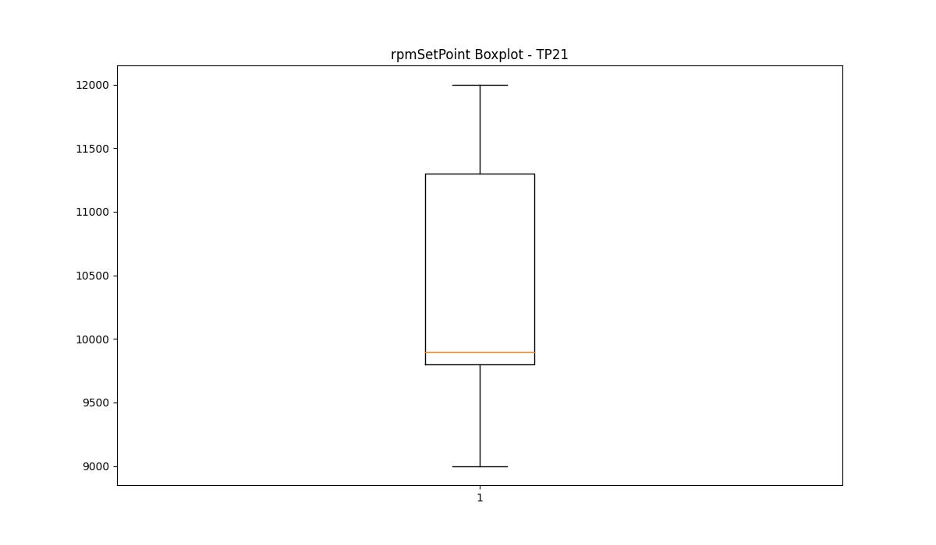

CurrentPeak

numTP |  | 1 | 4 | 2 | 21
CurrentPeak outliers |  | [95.699] | [6.91 6.68 6.87 6.85 6.64 6.7 6.66 6.72 6.95 6.89 6.78 6.8 6.76 7.07 7.21 7.09 6.74 7.01 6.93 6.83 6.99] | [15.58 16.48 12.82 13.06] | [45.849 49.049 44.25 46.5 46.299 45.7 44.95 45.65 46.75 47.049 47.15 45.95 44.549 45.549 49.4 44.9 46.349 46.799 46.4 44.599 48.15 45.5 48.9 46.15 48.45 47.25 45.299 47.2 46. 48.349 44.2 45.799 44.299 46.049 44.75 44.099 46.9 48.799 94.849 51.099 95.5 51.7 46.099 47.4 46.65 45.099 44.7 44.4 44.45 46.7 47.75 45.15 45.599 48.95 46.95 46.25 45. 44.15 46.45 47.5 44.5 47.95 44.799 46.549 45.2 47.349 47. 44.849 45.049 44.65 46.849 45.9 47.549 49.15 46.599 45.349 45.4 49.549 46.2 49.5 49.799 45.75 45.25 44.049 48.099 45.45 50.4 48.7 47.099 52.2 47.849 44.349 47.599 53.099 47.799]
upper_bound |  | 53.2475 | 6.625 | 10.44 | 44
lower_bound |  | 0.0515 | 1.385 | -0.84 | 5.6

statistiche con outliers: |  |  |  |  |  | statistiche senza outliers:
numTP |  | 1 | 4 | 2 | 21 | numTP |  | 1 | 4 | 2 | 21
CurrentPeak | max | 95.699 | 7.21 | 16.48 | 95.5 | CurrentPeak | max | 52.7 | 6.62 | 8.05 | 44
 | min | 9.05 | 2.96 | 2.96 | 7.75 |  | min | 9.05 | 2.96 | 2.96 | 7.75
 | avg | 25.962639562 | 4.2013047086 | 4.223438801 | 25.967633858 |  | avg | 25.95671363 | 4.1681204034 | 4.2148875 | 25.567146864
 | median | 24.799 | 3.49 | 3.49 | 26.45 |  | median | 24.799 | 3.47 | 3.49 | 26.25

BOXPLOT CON OUTLIERS
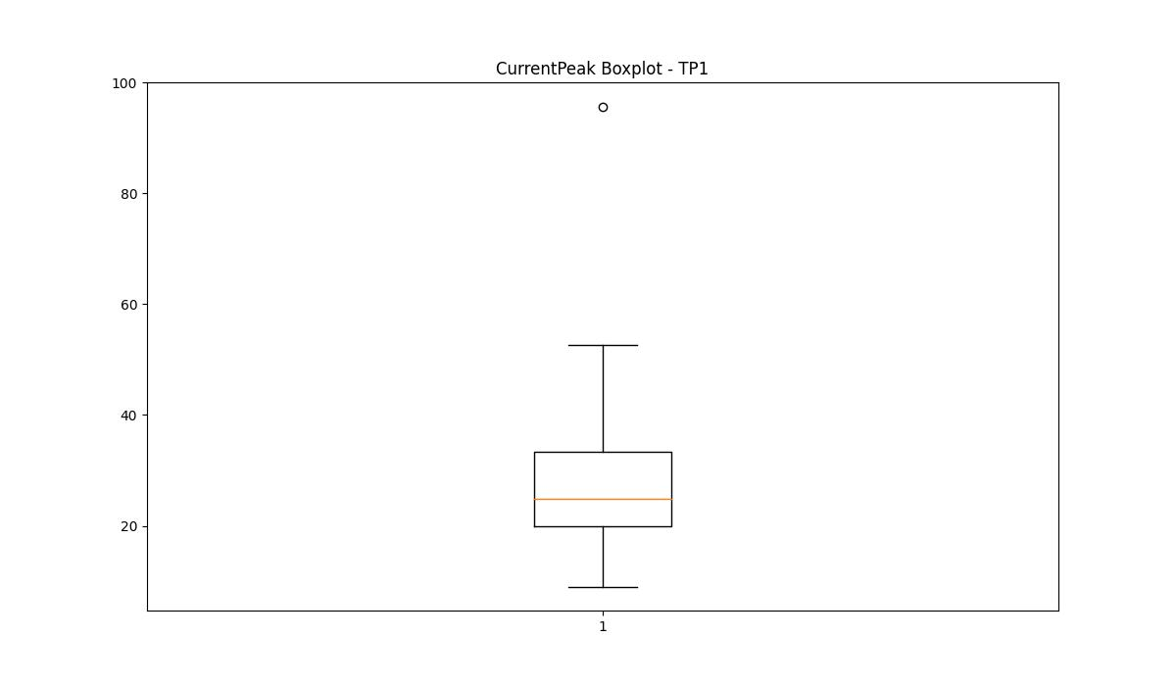
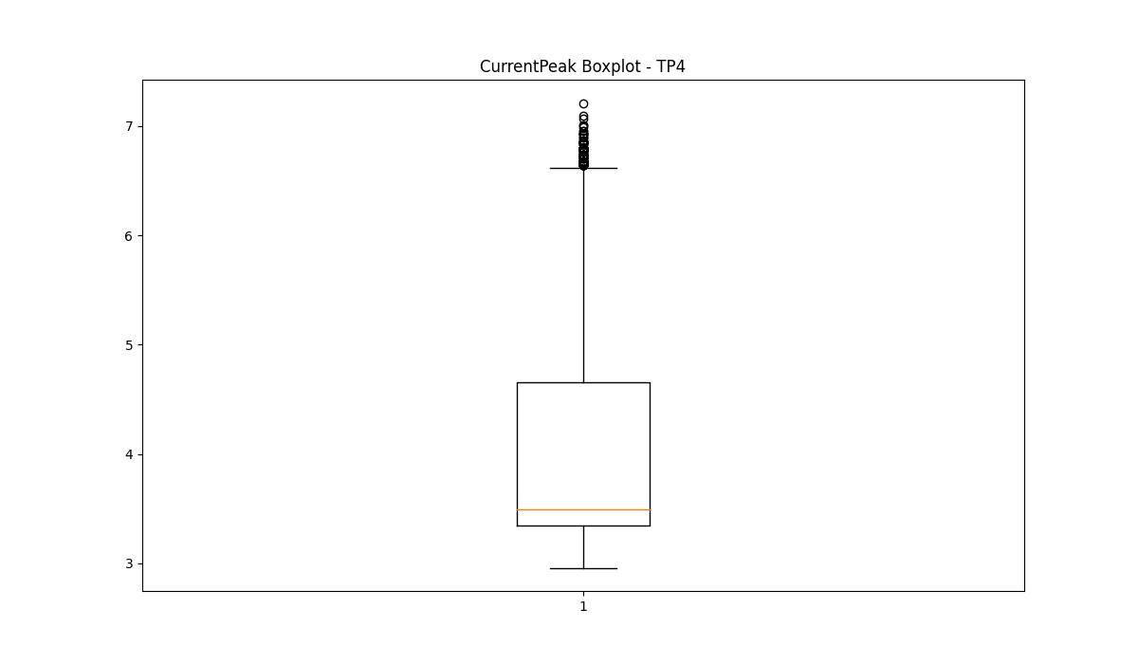
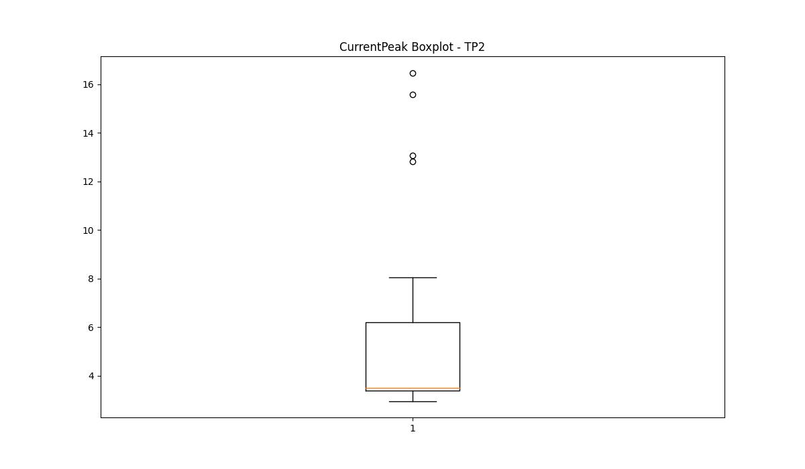
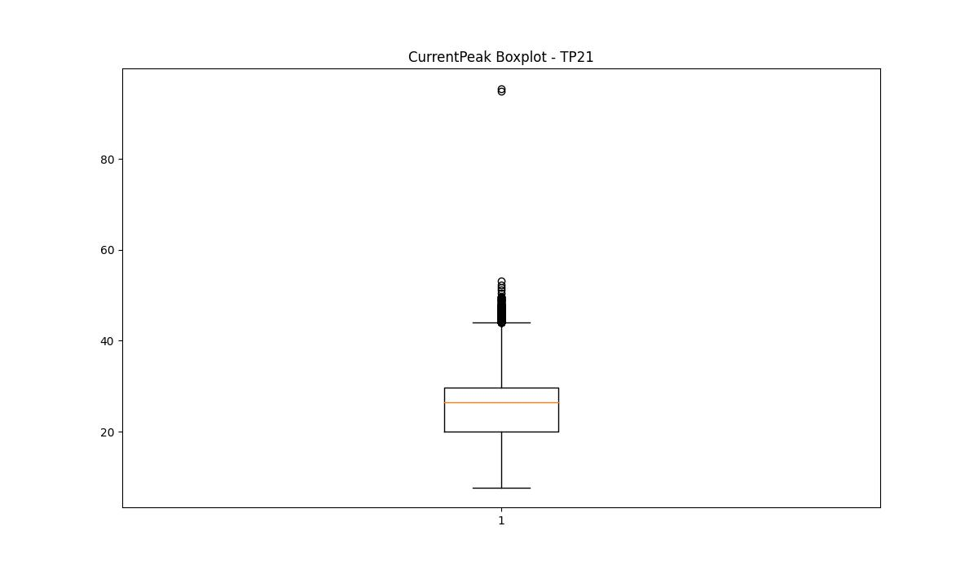

BOXPLOT SENZA OUTLIERS

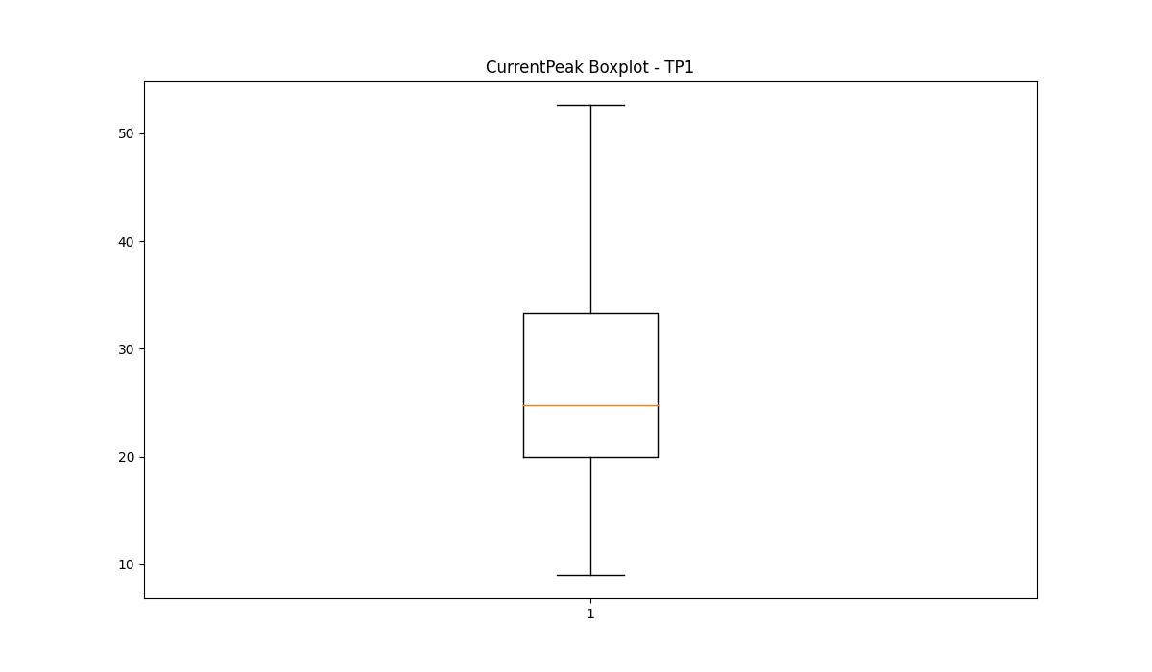
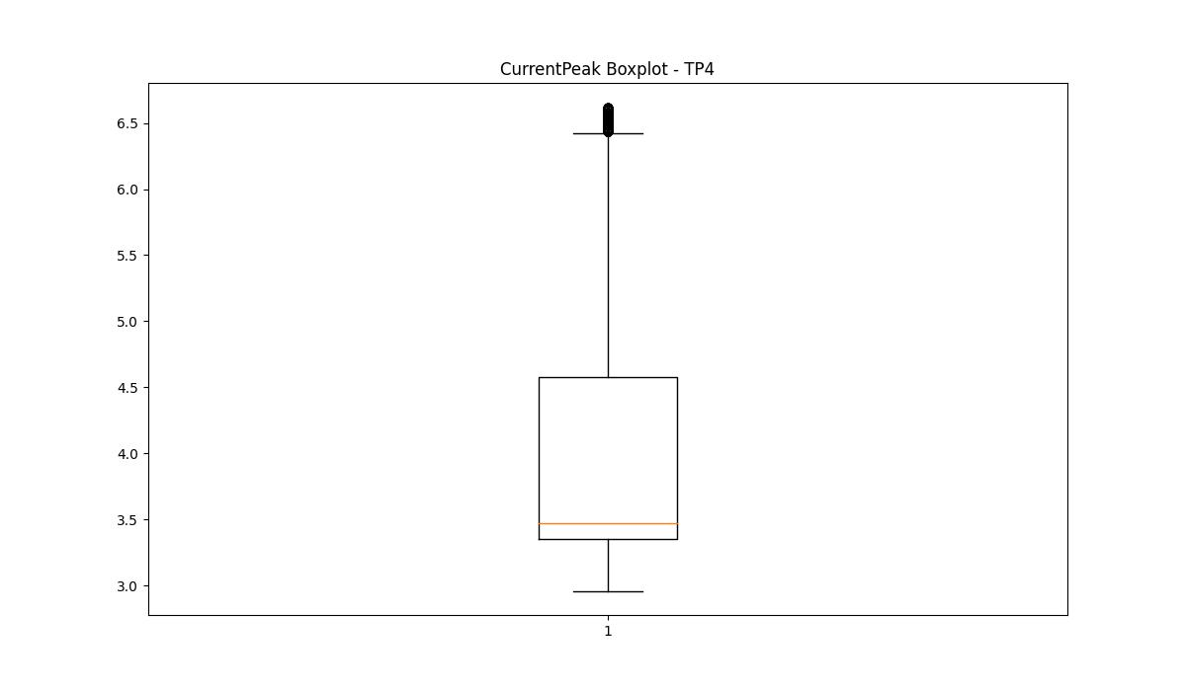
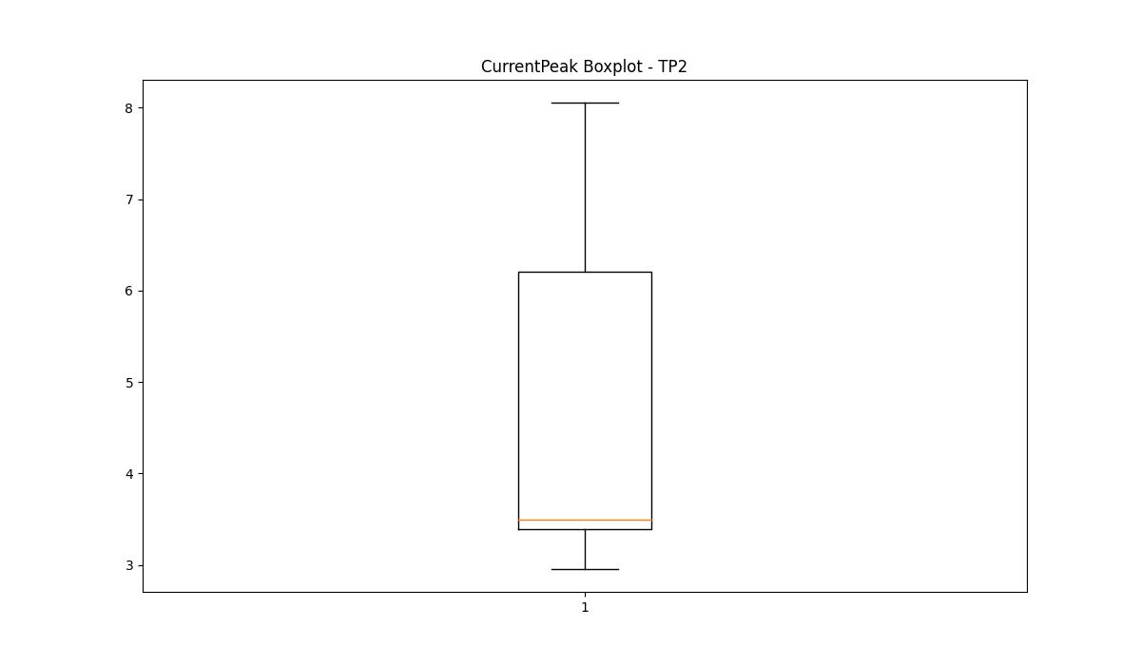
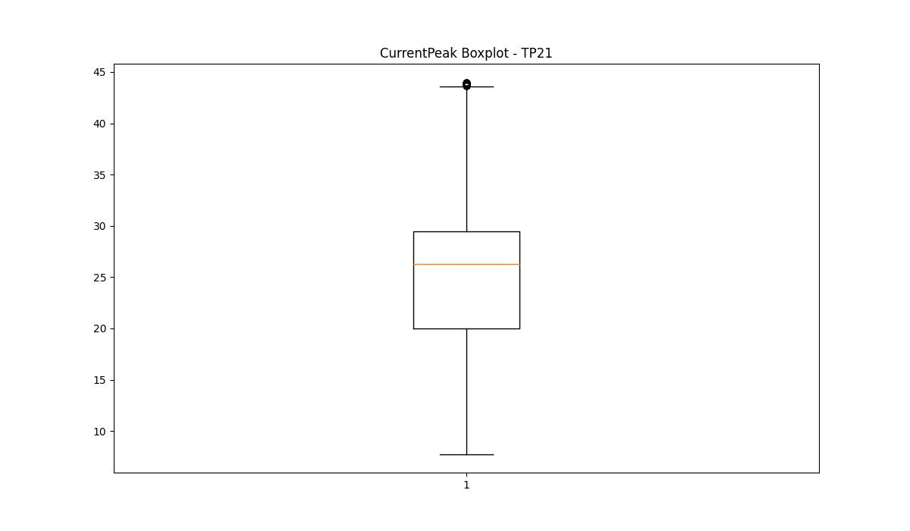

VibromPeak

numTP |  | 1 | 4 | 2 | 21
VibromPeak outliers |  | [1. 0.9 0.8 1.5 1.3 1.2 1.1 1.4 1.6 1.8 2.4 1.9 1.7 4.6 7.6 2.3 2.2 2.1 2. 2.6 2.7 2.5 3.4 3.1 3.2] | [] |  | [ 2. 1.9 1.8 2.7 2.1 3.7 5.3 4.9 15.2 31.2 28.2 12.6 12.4 10.8 12.2 10.9 21.6 14.3 14.7 13.5 2.6 2.9 2.3 3.1 5.8 2.8 5. 2.5 2.2 2.4 3.2 5.5 3. 4. 3.8 3.4 3.6 3.3 4.8 9.7 9.9 9. 5.1 9.5 8.7 5.7 6.7 6.3 5.2 5.4 5.6 4.6 4.5 5.9 7.1 6.2]
upper_bound |  | 0.7 | 0.6 |  | 1.75
lower_bound |  | -0.1 | 0.6 |  | -0.25

statistiche con outliers: |  |  |  |  |  | statistiche senza outliers:
numTP |  | 1 | 4 | 2 | 21 | numTP |  | 1 | 4 | 2 | 21
VibromPeak | max | 7.6 | 0.6 | nan | 31.2 | VibromPeak | max | 0.7 | 0.6 |  | 1.7
 | min | 0.1 | 0.6 | nan | 0.1 |  | min | 0.1 | 0.6 |  | 0.1
 | avg | 0.38264083609 | 0.6 | nan | 0.76229903087 |  | avg | 0.33467400126 | 0.6 |  | 0.71749171144
 | median | 0.3 | 0.6 | nan | 0.7 |  | median | 0.3 | 0.6 |  | 0.7

BOXPLOT CON OUTLIERS
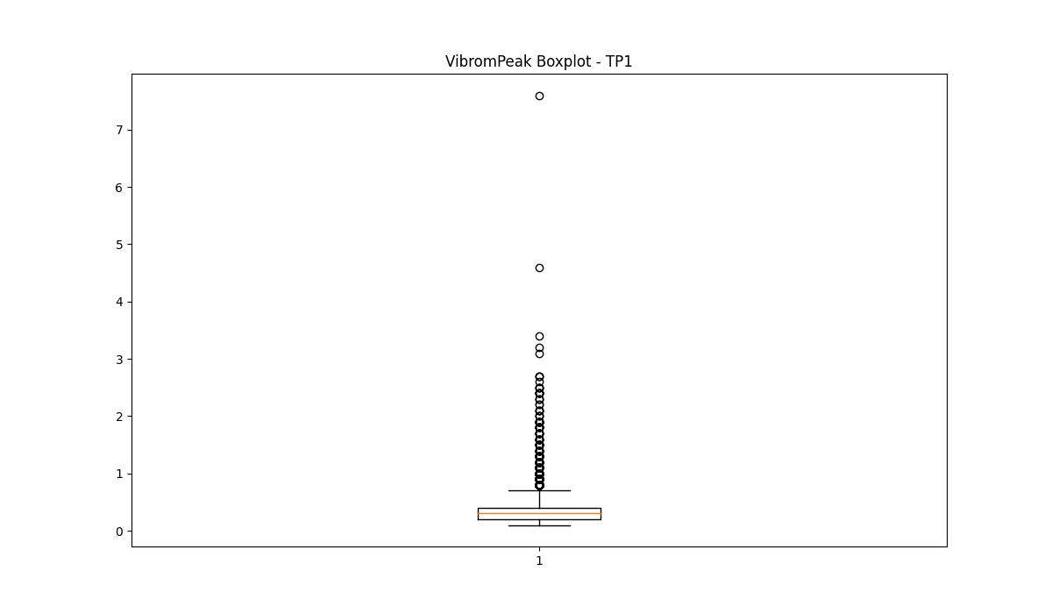
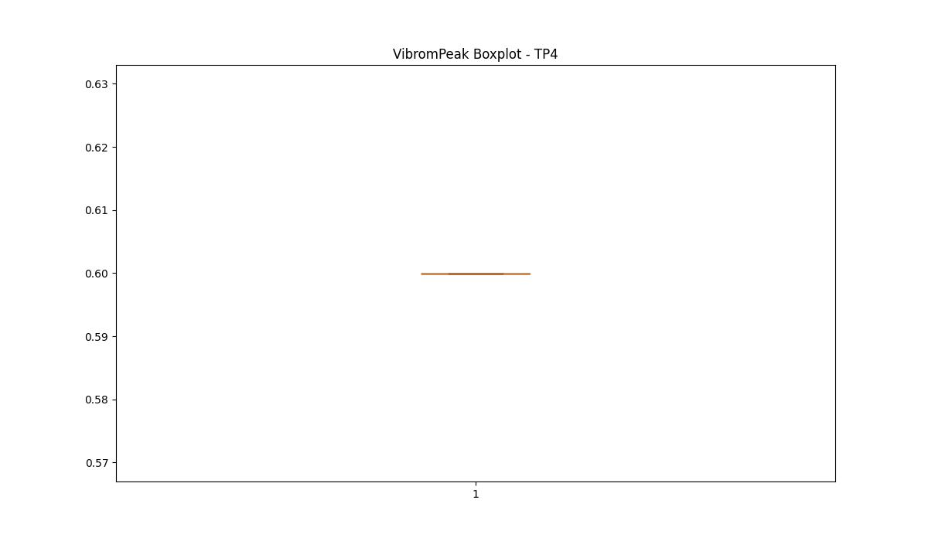
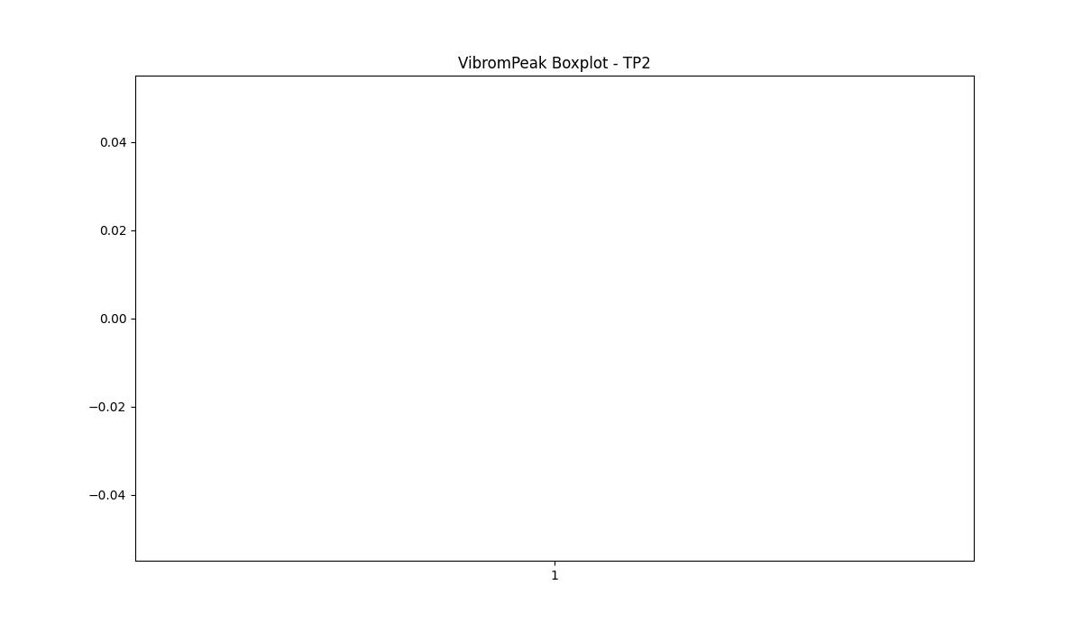
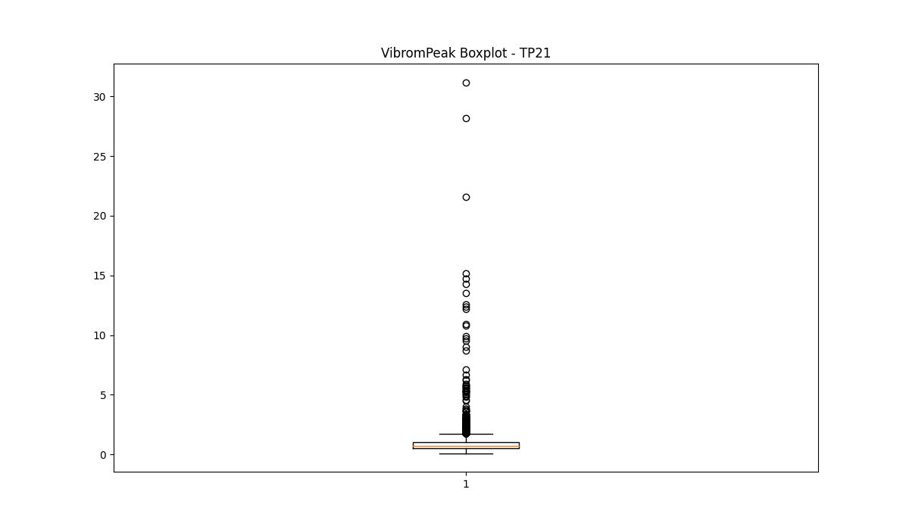

BOXPLOT SENZA OUTLIERS

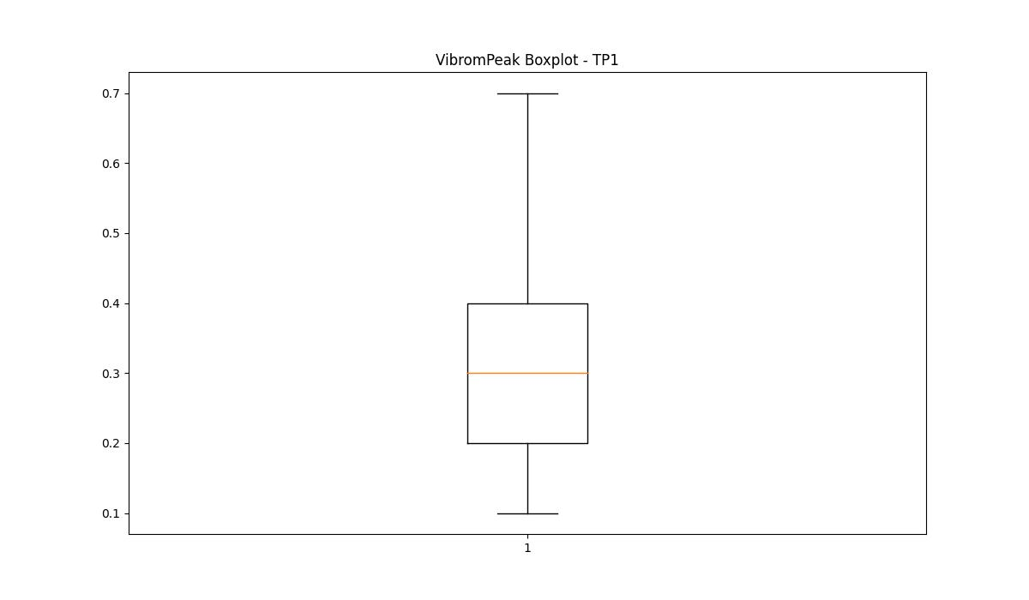
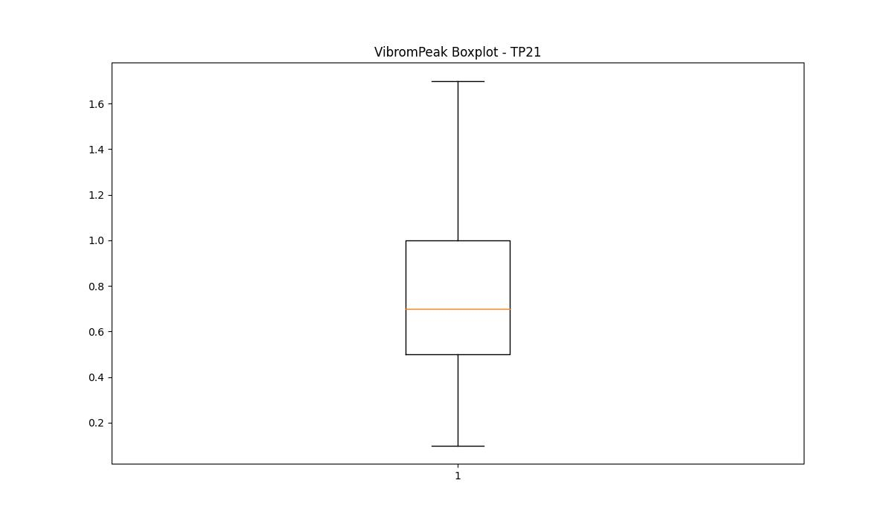

LUNG

numTP |  | 1 | 4 | 2 | 21
LUNG outliers |  | [39. 41. 40. 53.] | [] | [] | [53. 39. 41.]
upper_bound |  | 265.5 | 62 | 1.6 | 245.5
lower_bound |  | 61.5 | 62 | 1.6 | 73.5

statistiche con outliers: |  |  |  |  |  | statistiche senza outliers:
numTP |  | 1 | 4 | 2 | 21 | numTP |  | 1 | 4 | 2 | 21
LUNG | max | 238.5 | 62 | 1.6 | 238.5 | LUNG | max | 238.5 | 62 | 1.6 | 238.5
 | min | 39 | 62 | 1.6 | 39 |  | min | 96.5 | 62 | 1.6 | 96.5
 | avg | 161.61274246 | 62 | 1.6 | 158.69495227 |  | avg | 162.46651537 | 62 | 1.6 | 161.43403212
 | median | 145 | 62 | 1.6 | 148.5 |  | median | 145 | 62 | 1.6 | 148.5

BOXPLOT CON OUTLIERS
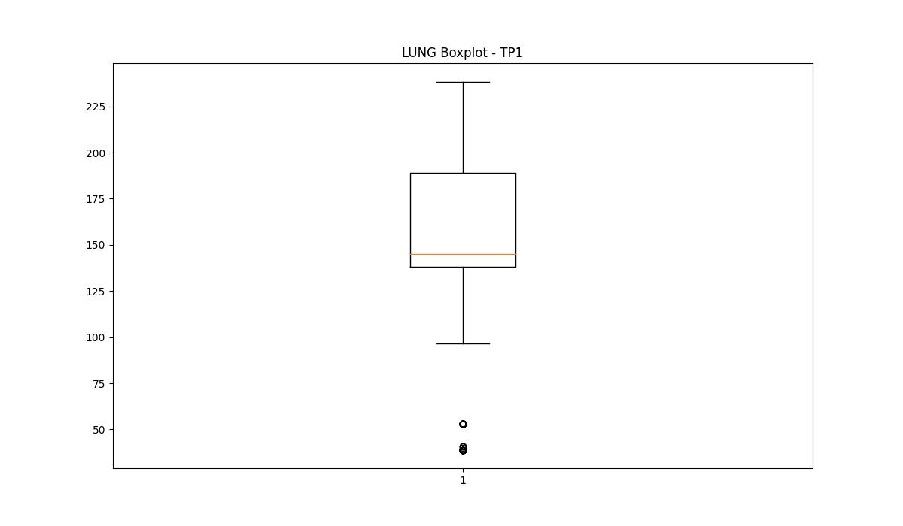
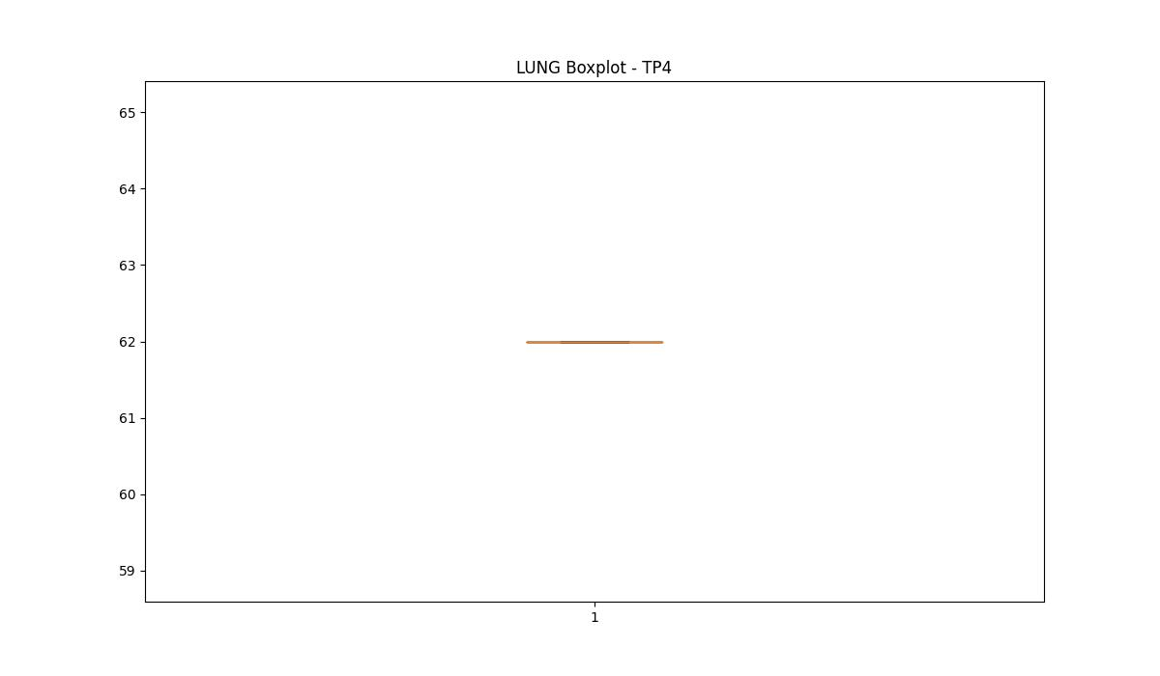
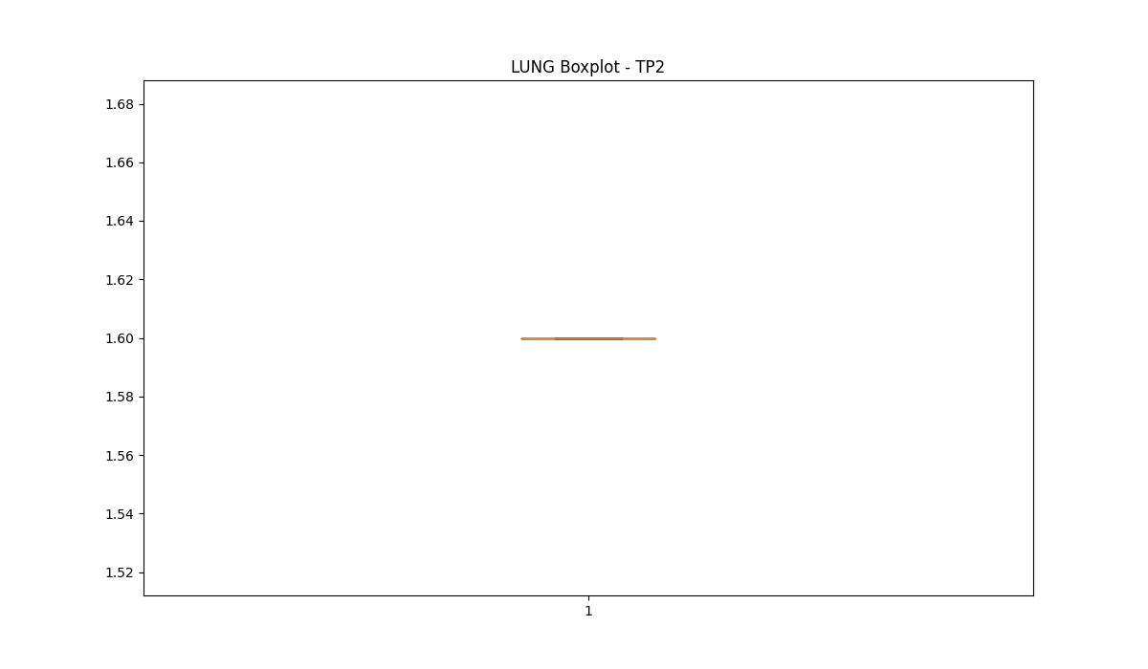
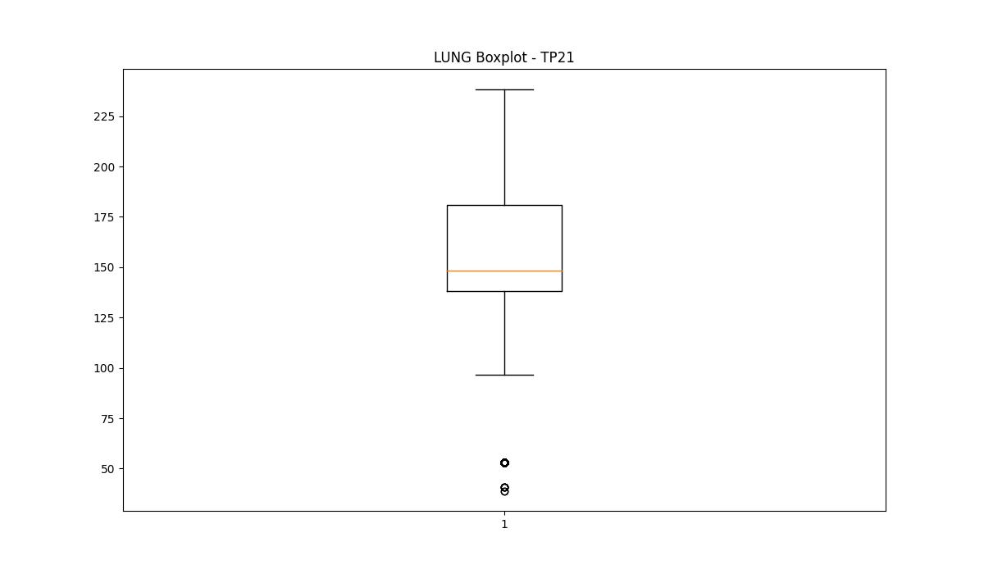

BOXPLOT SENZA OUTLIERS

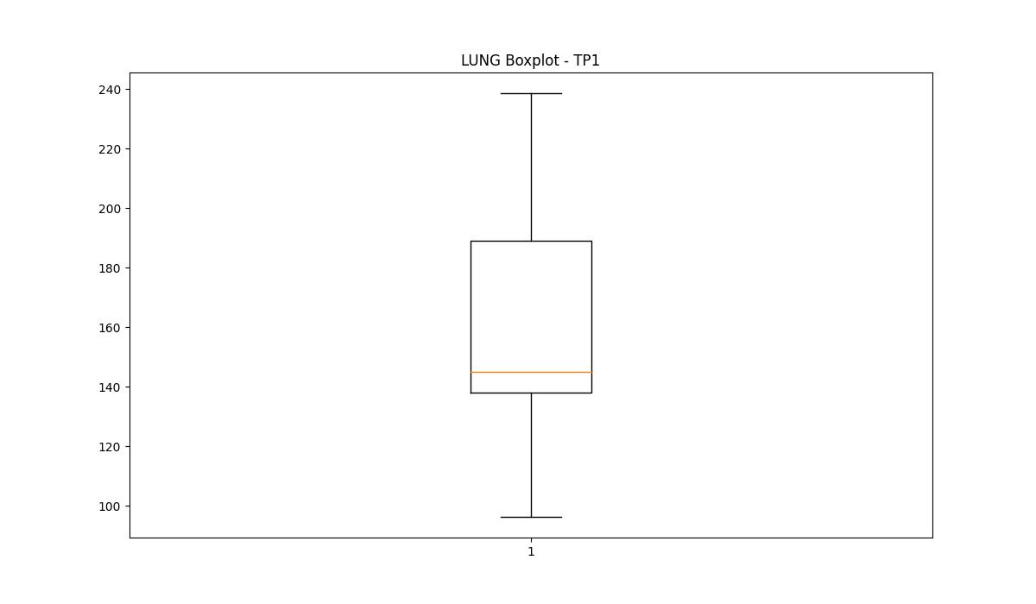
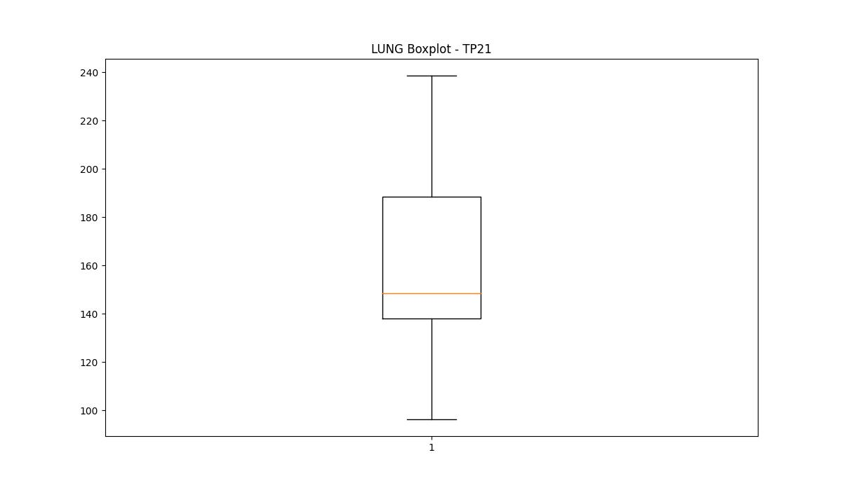

DIAM

numTP |  | 1 | 4 | 2 | 21
DIAM outliers |  | [16. 3. 11.95 10. 7. 6.5 12. ] | [] | [] | []
upper_bound |  | 180 | 12 | 300 | 305
lower_bound |  | 20 | 12 | 300 | -55

statistiche con outliers: |  |  |  |  |  | statistiche senza outliers:
numTP |  | 1 | 4 | 2 | 21 | numTP |  | 1 | 4 | 2 | 21
DIAM | max | 175 | 12 | 300 | 175 | DIAM | max | 175 | 12 | 300 | 175
 | min | 3 | 12 | 300 | 3 |  | min | 25 | 12 | 300 | 3
 | avg | 101.79756122 | 12 | 300 | 104.03276623 |  | avg | 112.53478407 | 12 | 300 | 104.03276623
 | median | 105 | 12 | 300 | 105 |  | median | 106 | 12 | 300 | 105

BOXPLOT CON OUTLIERS
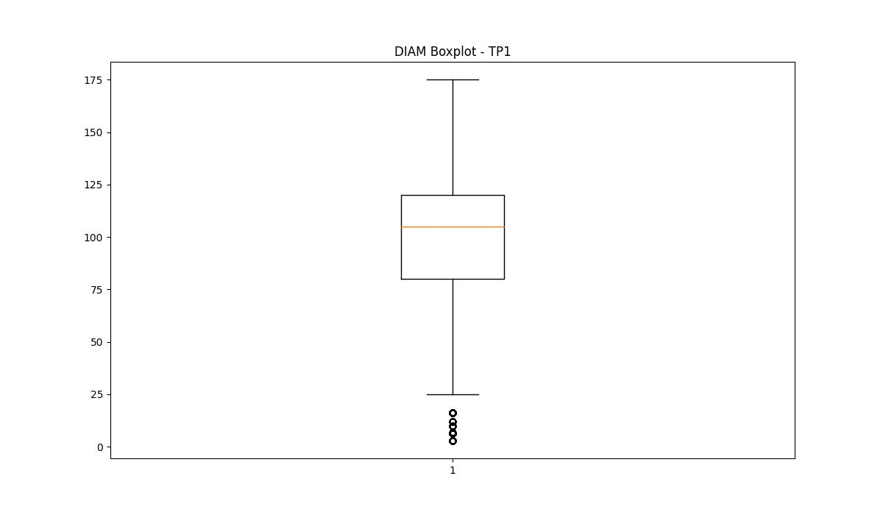
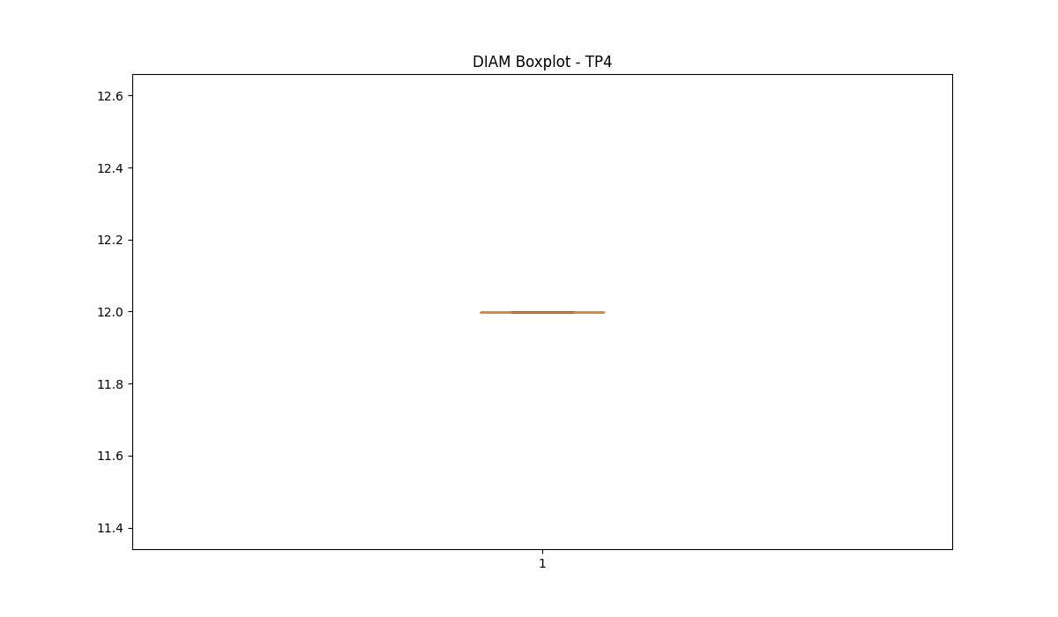
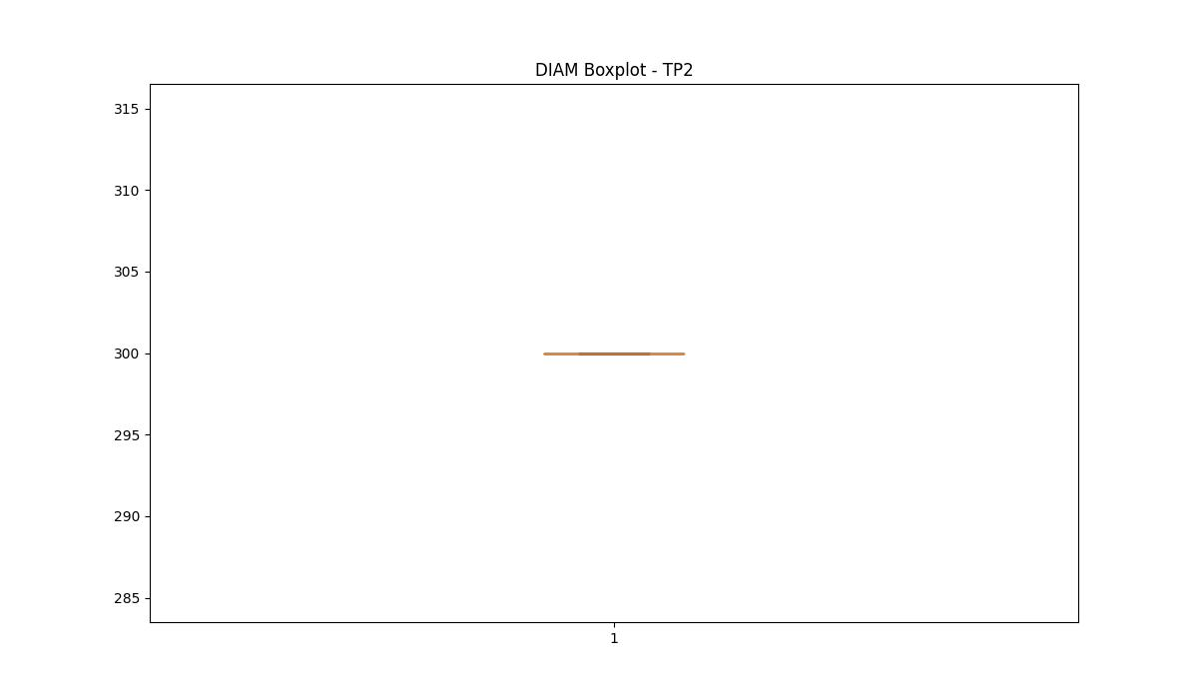
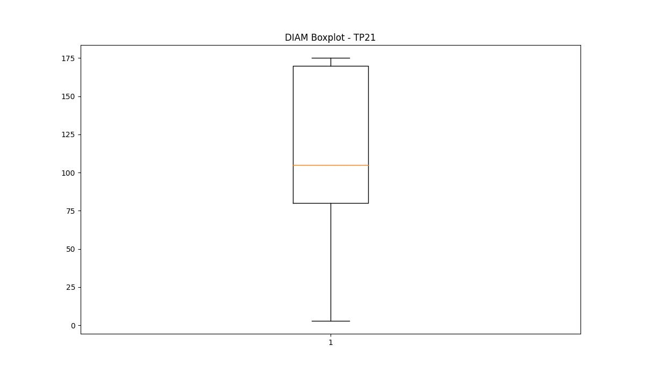

BOXPLOT SENZA OUTLIERS

