Sheet1
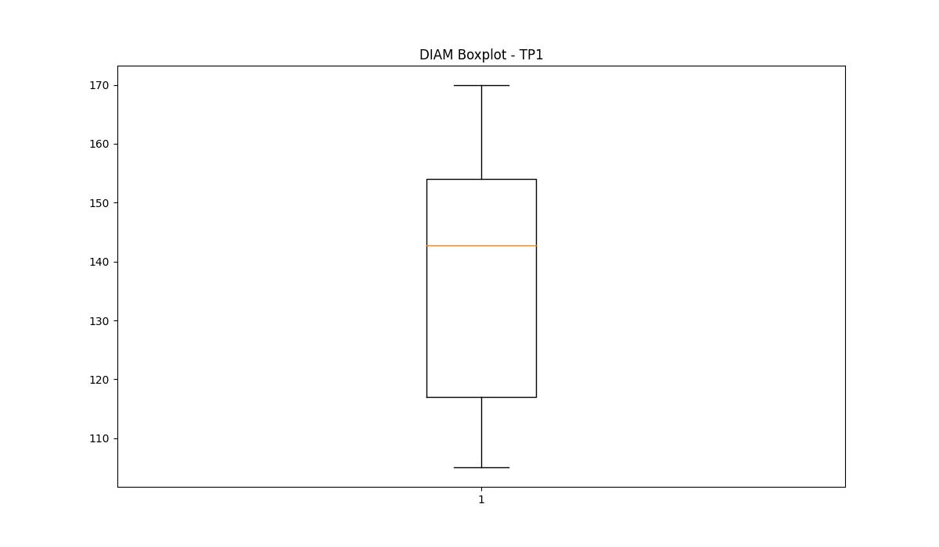
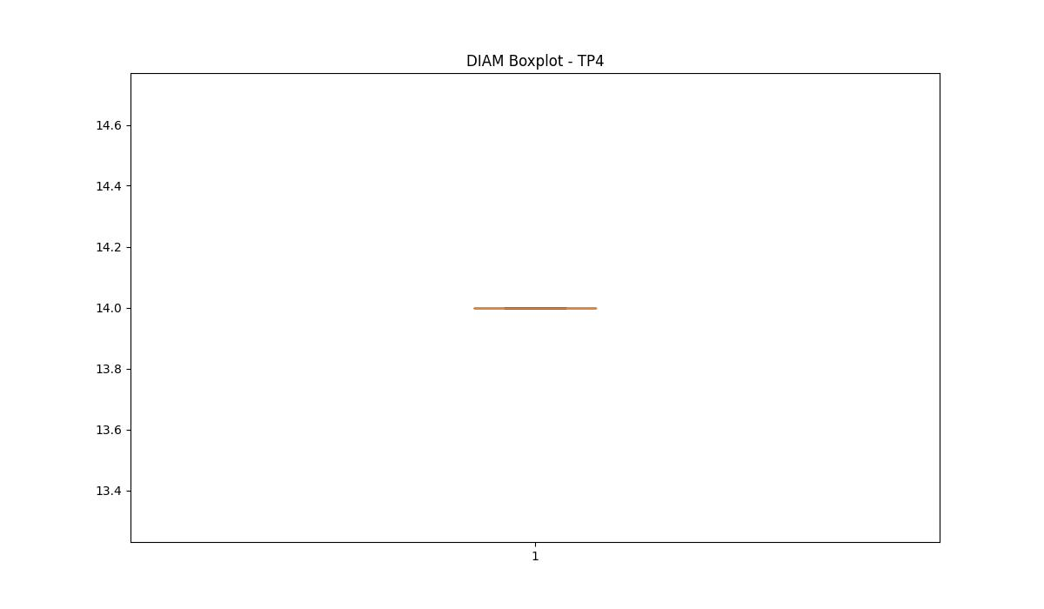
statorCelsius

numTP |  | 1 | 4 | 2
statorCelsius outliers |  | [25. 26. 22. 23. 24. 21. 20. 18. 16. 19. 15. 17. 12. 13. 14. 10.] | [] | []
upper_bound |  | 46.5 | 0 | 0
lower_bound |  | 26.5 | 0 | 0

statistiche con outliers: |  |  |  |  | statistiche senza outliers:
numTP |  | 1 | 4 | 2 | numTP |  | 1 | 4 | 2
statorCelsius | max | 45 | 0 | 0 | statorCelsius | max | 45 | 0 | 0
 | min | 10 | 0 | 0 |  | min | 27 | 0 | 0
 | avg | 36.136552266 | 0 | 0 |  | avg | 36.515962984 | 0 | 0
 | median | 37 | 0 | 0 |  | median | 37 | 0 | 0

BOXPLOT CON OUTLIERS
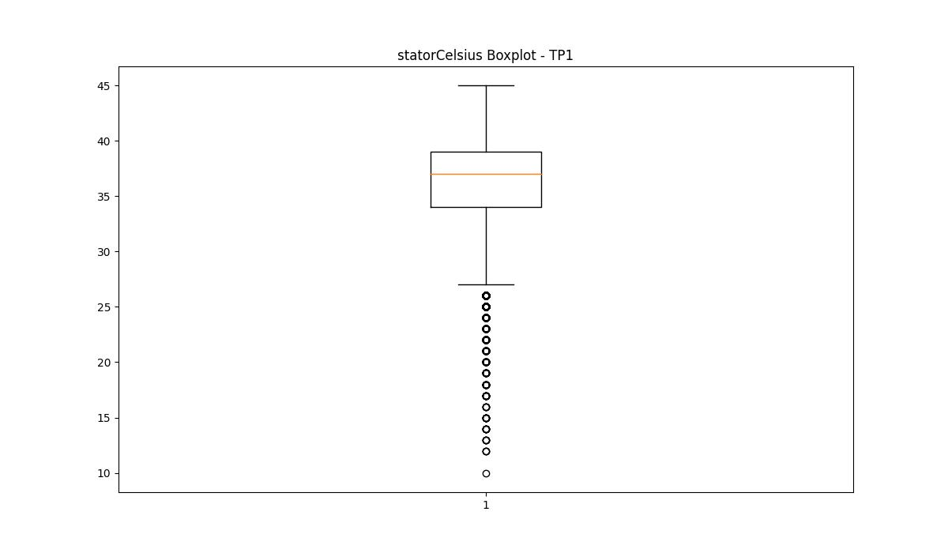
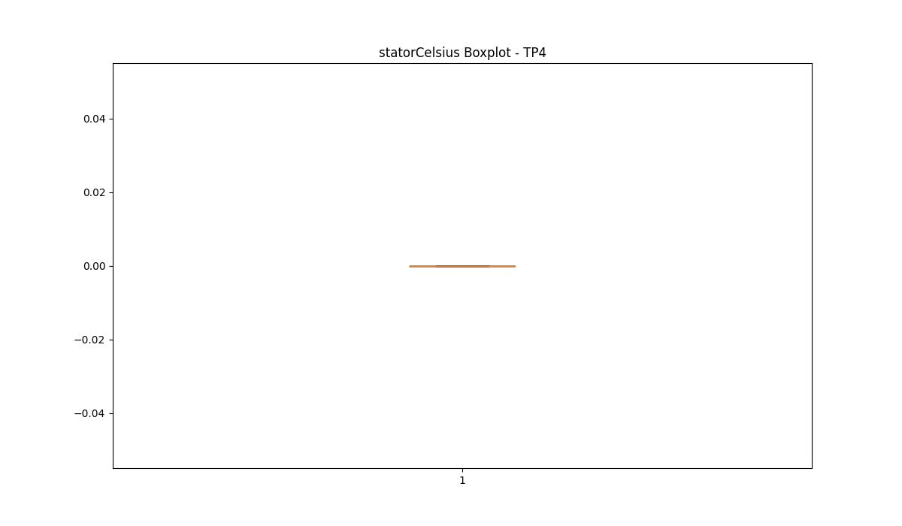
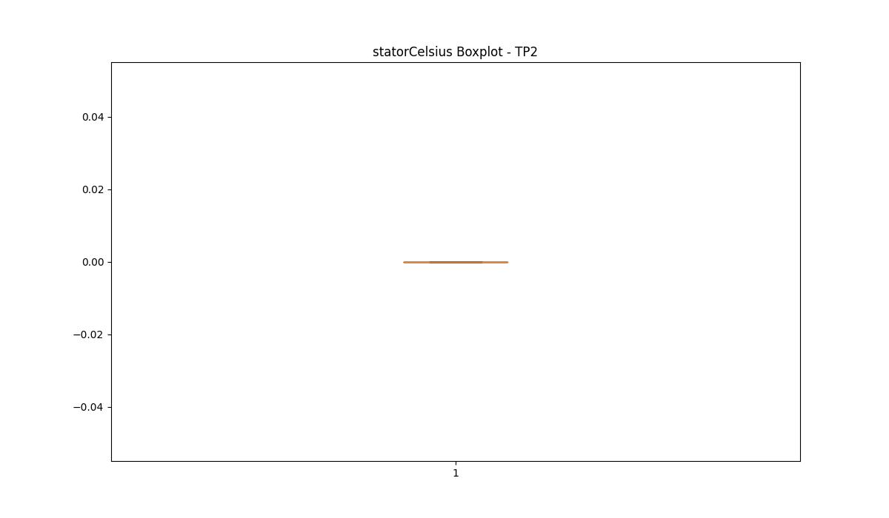

BOXPLOT SENZA OUTLIERS

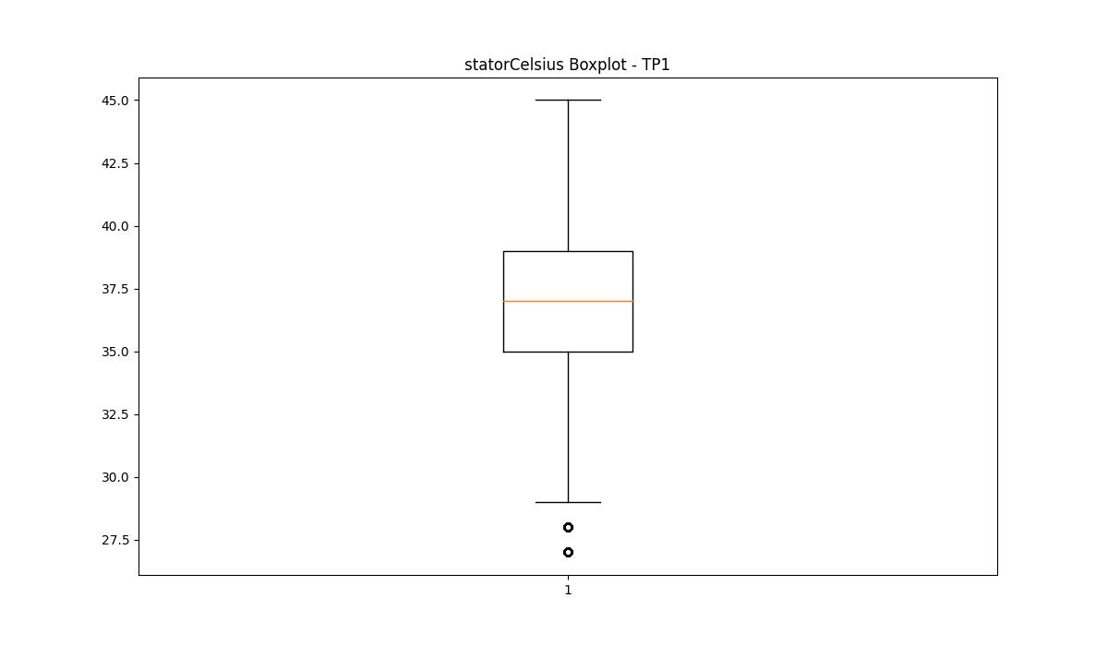

bearingsCelsius

numTP |  | 1 | 4 | 2
bearingsCelsius outliers |  | [31. 21. 20. 18. 19. 16. 17. 15. 11. 12. 13. 14.] | [] | []
upper_bound |  | 30 | 0 | 0
lower_bound |  | 22 | 0 | 0

statistiche con outliers: |  |  |  |  | statistiche senza outliers:
numTP |  | 1 | 4 | 2 | numTP |  | 1 | 4 | 2
bearingsCelsius | max | 31 | 0 | 0 | bearingsCelsius | max | 30 | 0 | 0
 | min | 11 | 0 | 0 |  | min | 22 | 0 | 0
 | avg | 26.077529161 | 0 | 0 |  | avg | 26.399742555 | 0 | 0
 | median | 26 | 0 | 0 |  | median | 26 | 0 | 0

BOXPLOT CON OUTLIERS
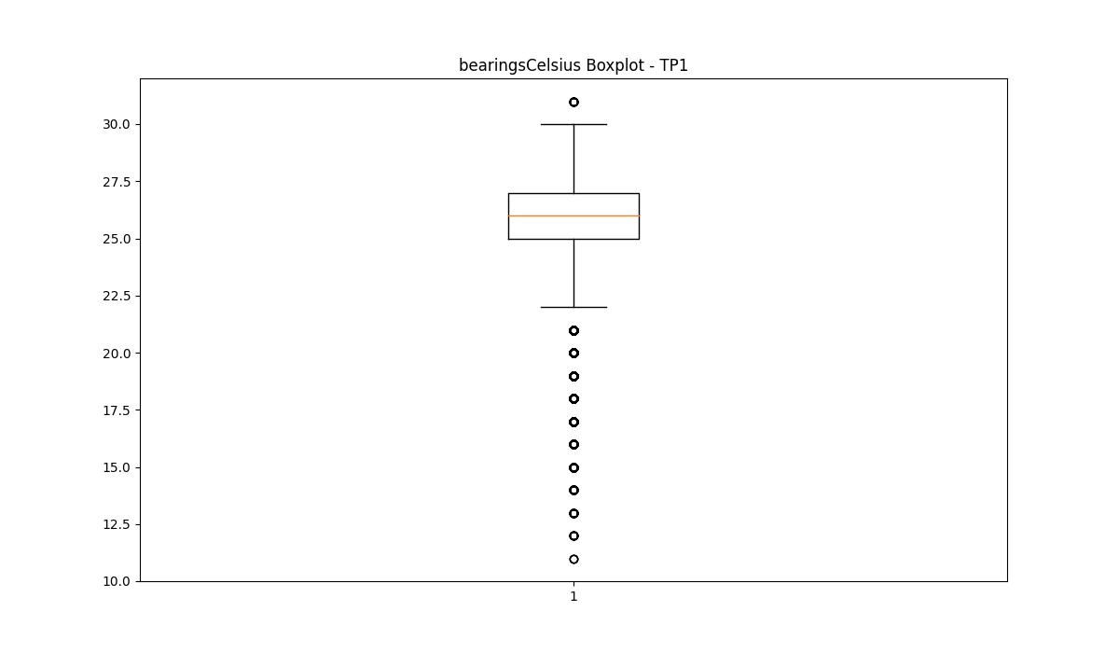



BOXPLOT SENZA OUTLIERS

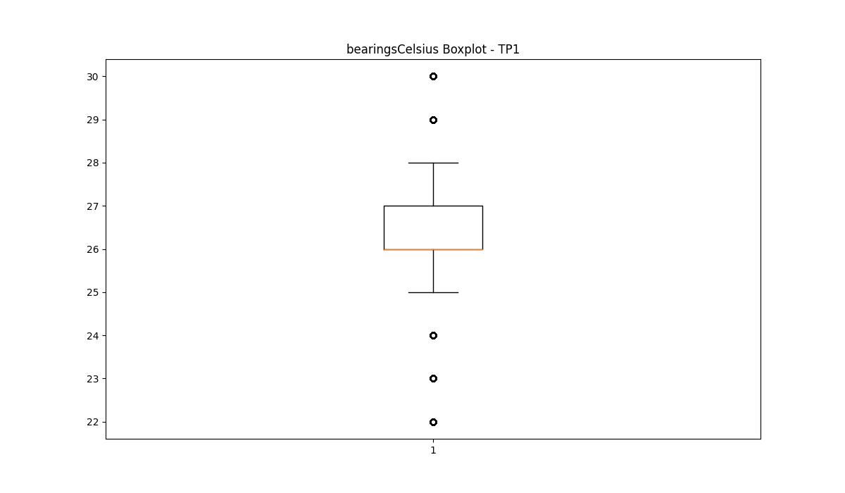

spindleRpm

numTP |  | 1 | 4 | 2
spindleRpm outliers |  | [10455. 10595. 10682. 10689. 10507. 10460. 10524. 10658. 16349. 10521. 10519. 10502. 10484. 10473. 16287. 10531. 16357. 10479. 10448. 10540. 10191. 8061. 10426. 10128. 10140. 8054. 10456. 16333. 10498. 16308. 10556. 10480. 10547. 10475. 10640. 16342. 16419. 10470. 10681. 10666. 10671. 10587. 10469. 10474. 10522. 10616. 10630. 10634. 10637. 10668. 10639. 10621. 16283. 10529. 10477. 10482. 10536. 10551. 10545. 10500. 10535. 10514. 10485. 10495. 10527. 16279. 10676. 10593. 10489. 10486. 10516. 16294. 16265. 16295. 10633. 10575. 10661. 10620. 10490. 10518. 10515. 10555. 10481. 10487. 10494. 10539. 10520. 16335. 10532. 10534. 10497. 10688. 10574. 10559. 10526. 16363. 10491. 10471. 10499. 16402. 10578. 10512. 10542. 10652. 10625. 16310. 16268. 10604. 10647. 10695. 10679. 16306. 16298. 16418. 16275. 16386. 10569. 10496. 10657. 16305. 10510. 10492. 10562. 10478. 10550. 10513. 10466. 10472. 10560. 10449. 10538. 10467. 10459. 16376. 10628. 10626. 10543. 10653. 10690. 10601. 10651. 10685. 10699. 10554. 10553. 16356. 10537. 10602. 10673. 16297. 16404. 10654. 10646. 10568. 10656. 10683. 10672. 10655. 16362. 16393. 10509. 10664. 10584. 10617. 10581. 10585. 10607. 16319. 10523. 10506. 10670. 10691. 10644. 10608. 10641. 16286. 10503. 10195. 10141. 16337. 10183. 10167. 10144. 10137. 10159. 10200. 10171. 10157. 10165. 10185. 10173. 10130. 10197. 10156. 10175. 10153. 10160. 10146. 10177. 10166. 10152. 10148. 10169. 10120. 10155. 10151. 10142. 10158. 10190. 16369. 10468. 10659. 10629. 10501. 10483. 16249. 10546. 10476. 10564. 10615. 10627. 16359. 10623. 10667. 16324. 10511. 10488. 16304. 16291. 16315. 10533. 10558. 10693. 10606. 10707. 10596. 10552. 16309. 16397. 16334. 16387. 16352. 10610. 16394. 10663. 10614. 10580. 16301. 10505. 10452. 10445. 16395. 10508. 10632. 10603. 10686. 16320. 10665. 10549. 10643. 10565. 10594. 10612. 16317. 10462. 16360.] | [] | []
upper_bound |  | 10072.5 | 0 | 0
lower_bound |  | 8068.5 | 0 | 0

statistiche con outliers: |  |  |  |  | statistiche senza outliers:
numTP |  | 1 | 4 | 2 | numTP |  | 1 | 4 | 2
spindleRpm | max | 16419 | 0 | 0 | spindleRpm | max | 9996 | 0 | 0
 | min | 8054 | 0 | 0 |  | min | 8072 | 0 | 0
 | avg | 9081.5764581 | 0 | 0 |  | avg | 9053.86101 | 0 | 0
 | median | 9054 | 0 | 0 |  | median | 9051 | 0 | 0

BOXPLOT CON OUTLIERS
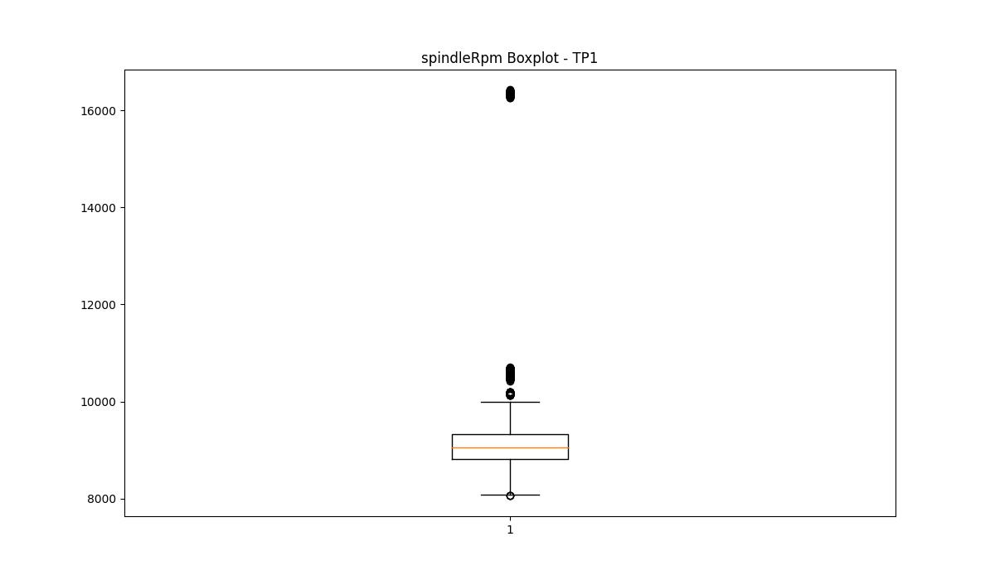
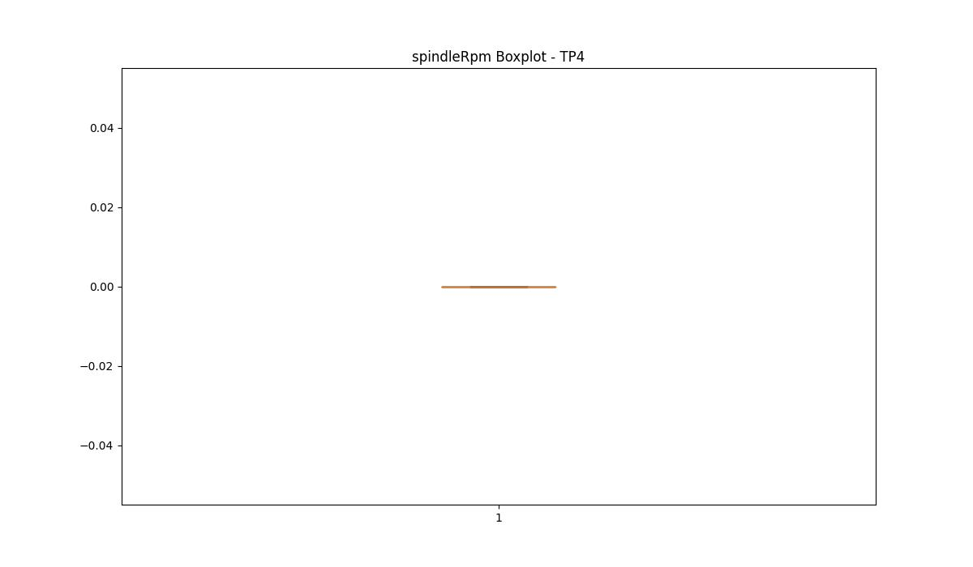


BOXPLOT SENZA OUTLIERS

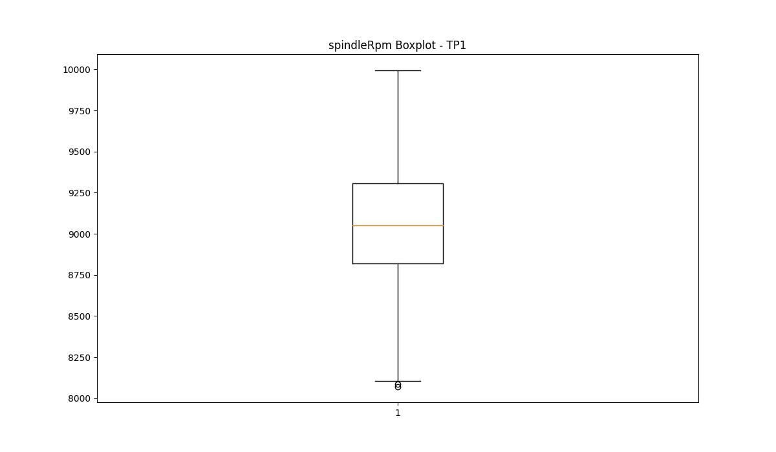

rpmSetPoint

numTP |  | 1 | 4 | 2
rpmSetPoint outliers |  | [11600. 11700. 18000. 12400. 11500.] | [] | []
upper_bound |  | 11200 | 5500 | 36250
lower_bound |  | 8800 | 5500 | -13750

statistiche con outliers: |  |  |  |  | statistiche senza outliers:
numTP |  | 1 | 4 | 2 | numTP |  | 1 | 4 | 2
rpmSetPoint | max | 18000 | 5500 | 17500 | rpmSetPoint | max | 11200 | 5500 | 17500
 | min | 8900 | 5500 | 5000 |  | min | 8900 | 5500 | 5000
 | avg | 10004.632122 | 5500 | 12479.577944 |  | avg | 9969.745965 | 5500 | 12479.577944
 | median | 10000 | 5500 | 17500 |  | median | 10000 | 5500 | 17500

BOXPLOT CON OUTLIERS
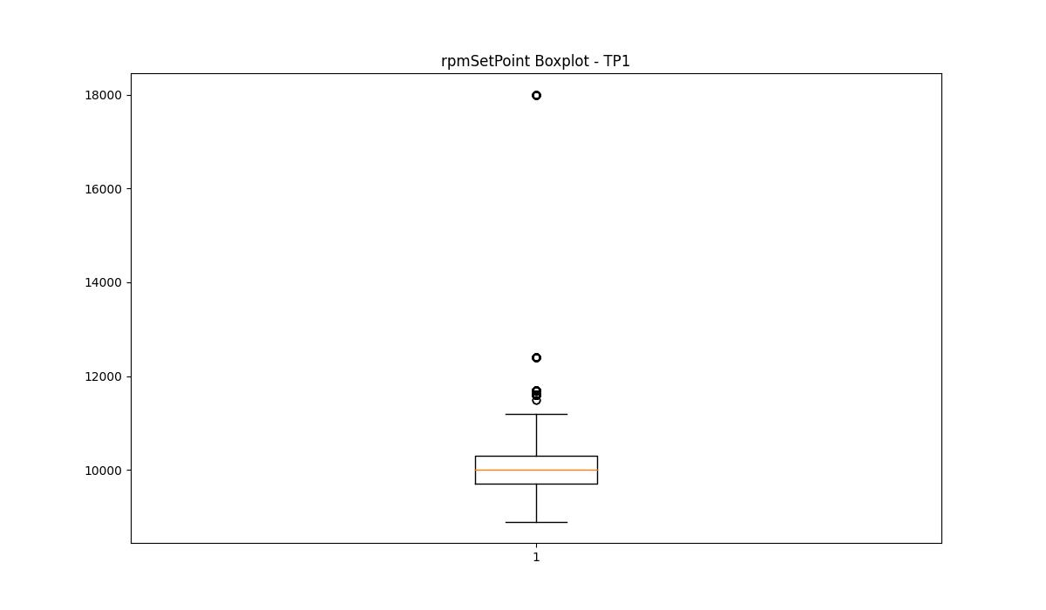
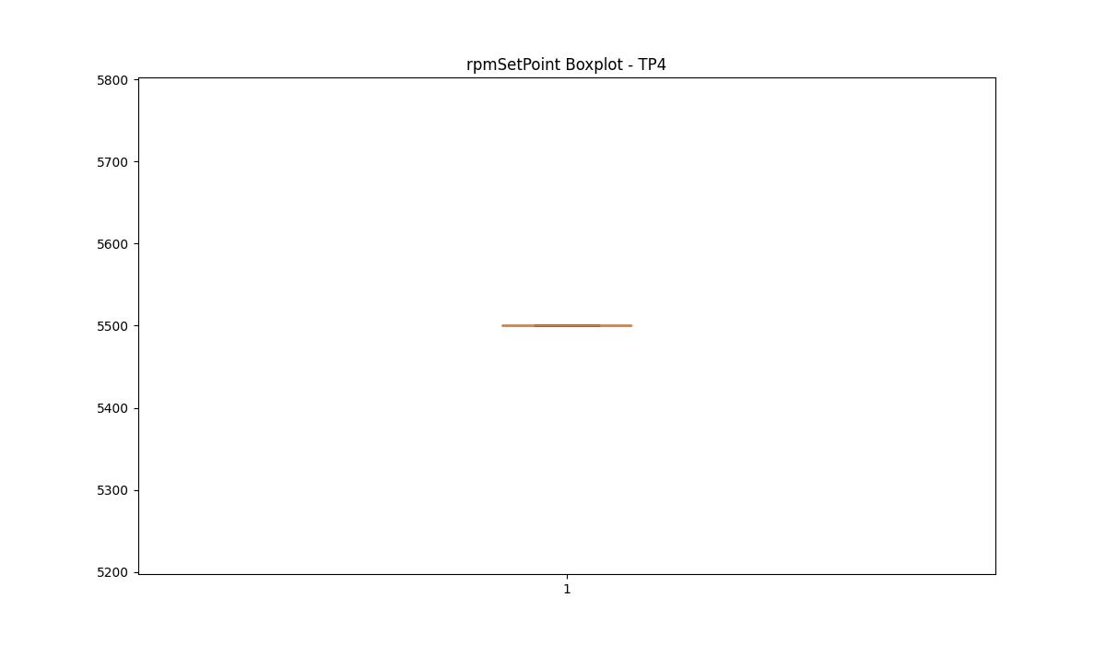
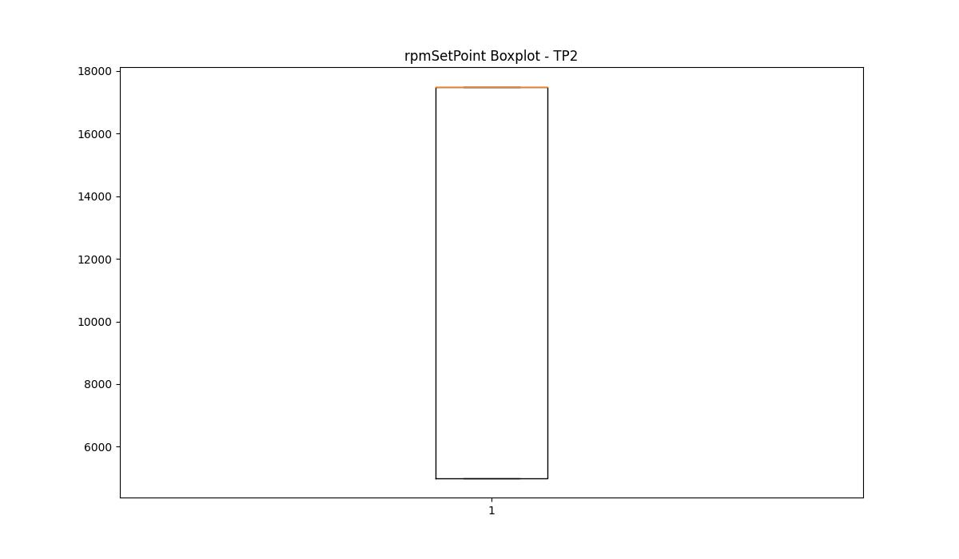

BOXPLOT SENZA OUTLIERS

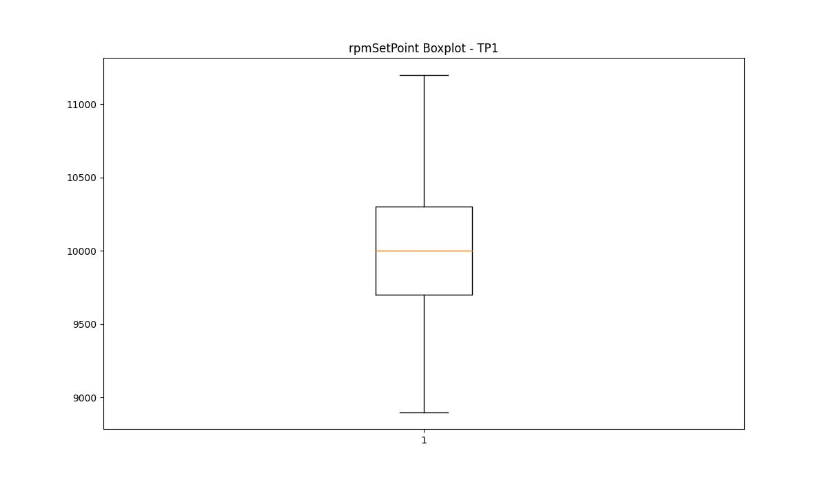

CurrentPeak

numTP |  | 1 | 4 | 2
CurrentPeak outliers |  | [47.849 45.75 52.75 50.75 45.65 49.7 45.9 48.25 44.75 49.5 51.299 52.65 48.849 46.25 51.7 46.7 52.7 44.4 44.349 52.9 44.15 46.15 49.599 50.4 47.049 46. 45.2 52.849 45.599 50.15 47.299 44.9 43.7 43.95 47.2 45.95 46.599 45.299 44.599 48.7 48.349 46.95 48.65 51.349 49.799 46.349 48.45 49.2 48.5 45.849 46.099 46.549 47.15 46.849 47.4 49.4 51.549 43.9 44.2 52.2 50.849 50.299 48.9 47.95 48.049 44.5 51.599 47.5 46.2 49.049 50. 48. 49.549 48.2 44.25 49.65 49.299 48.599 47.099 48.95 45.45 45.25 51.95 46.65 47.75 48.4 47.349 46.9 47.65 44. 53.299 47.25 46.4 52.549 48.549 50.049 49.9 51.75 52.299 45.799 51.2 48.75 49.75 51. 48.099 49.849 52.099 47.45 50.7 47.599 45.7 50.5 45.349 51.849 44.799 44.049 52.5 50.549 46.5 47.799 46.049 51.15 44.45 44.95 51.25 52.95 53.349 52.349 50.25 50.65 44.849 45.15 53.25 45.049 44.7 51.45 50.2 47. 51.099 46.75 47.549 45. 49.15 49.349 49. 45.4 46.45 49.45 50.599 45.5 48.15 49.95 44.099 44.299 45.099 43.75 49.25 46.799 51.9 49.099 43.849 52. 45.549 50.349 44.65 48.299 51.799 50.799 51.5 50.099 46.299 53.75 52.799 51.4 47.7 48.799 44.549 53. 43.799 50.9 53.2 52.45 53.049 52.599 52.25 50.95 47.9 ] | [] | [11.627 11.671 11.605 11.693 11.814 11.649 11.715 11.286 11.748 11.77 11.913 11.836 11.792 11.726 11.264]
upper_bound |  | 43.6225 | 10.26 | 11.5995
lower_bound |  | 19.4265 | 0.34 | 11.2915

statistiche con outliers: |  |  |  |  | statistiche senza outliers:
numTP |  | 1 | 4 | 2 | numTP |  | 1 | 4 | 2
CurrentPeak | max | 53.75 | 7.38 | 11.913 | CurrentPeak | max | 43.599 | 7.38 | 11.583
 | min | 21.6 | 3.12 | 11.264 |  | min | 21.6 | 3.12 | 11.297
 | avg | 32.141857672 | 5.7201133108 | 11.455784888 |  | avg | 31.626212451 | 5.7201133108 | 11.444344404
 | median | 31.45 | 6.35 | 11.44 |  | median | 31.25 | 6.35 | 11.44

BOXPLOT CON OUTLIERS
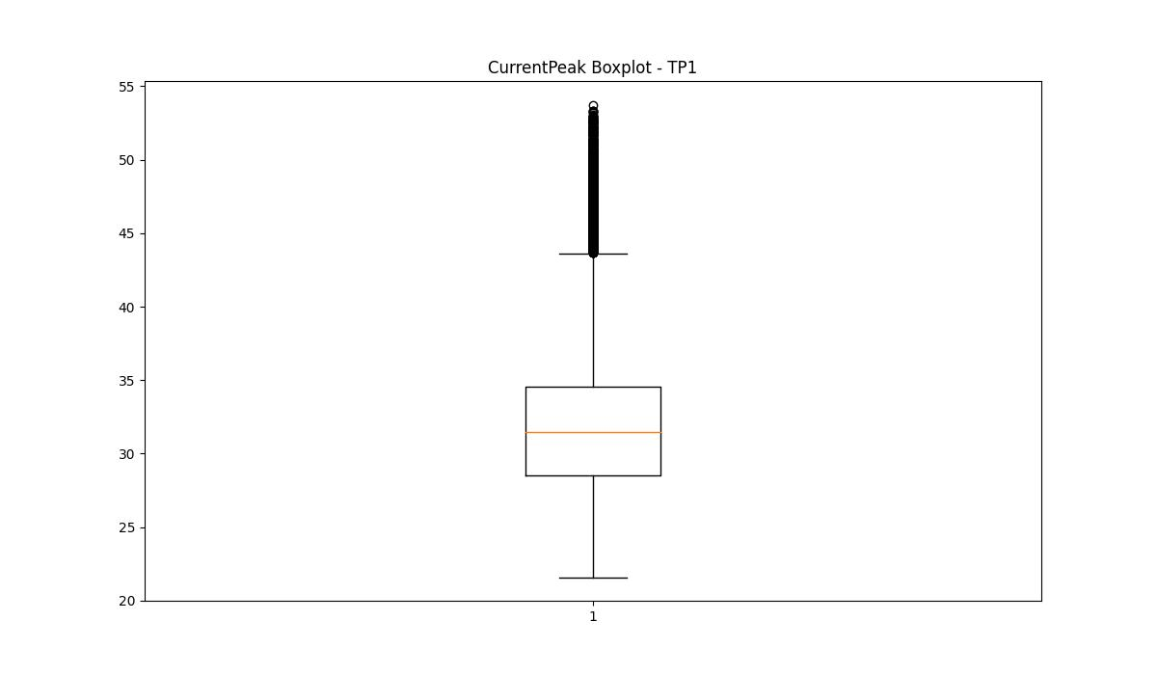
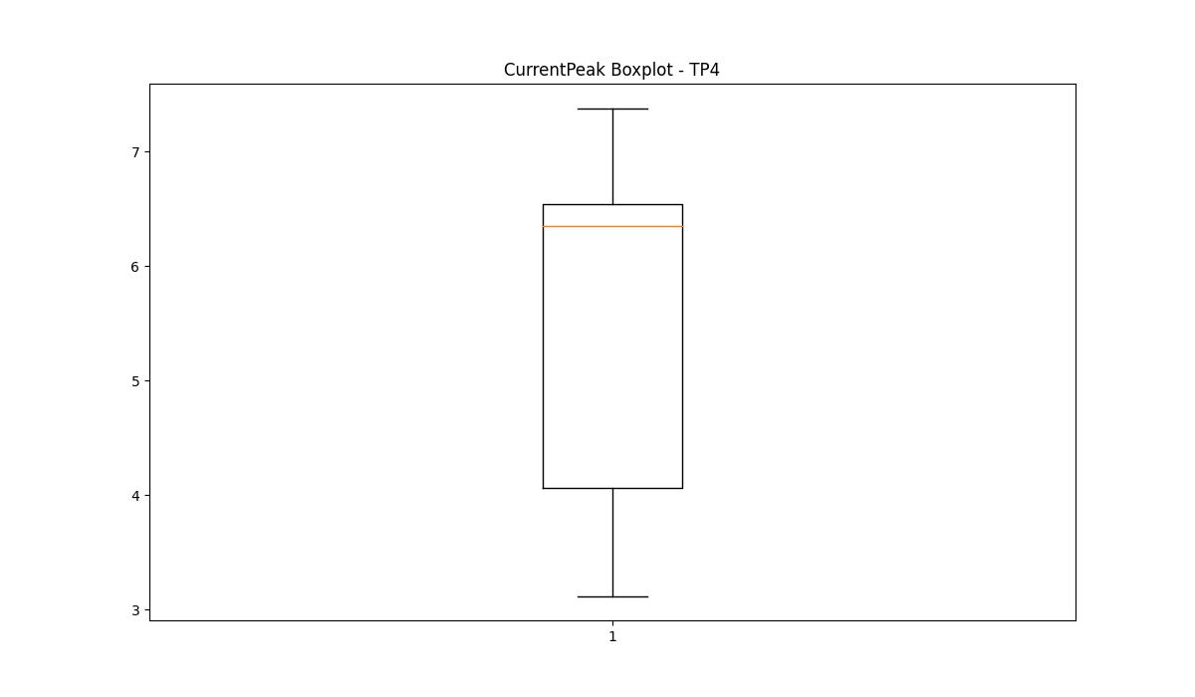
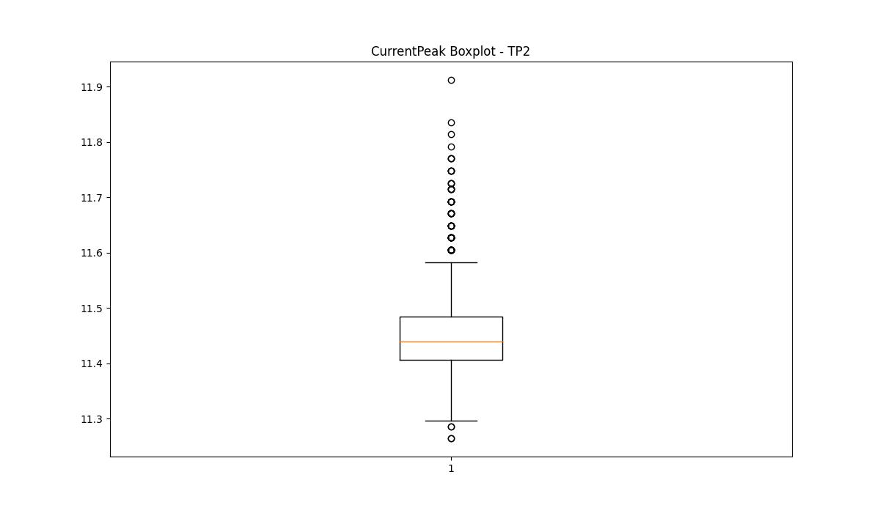

BOXPLOT SENZA OUTLIERS

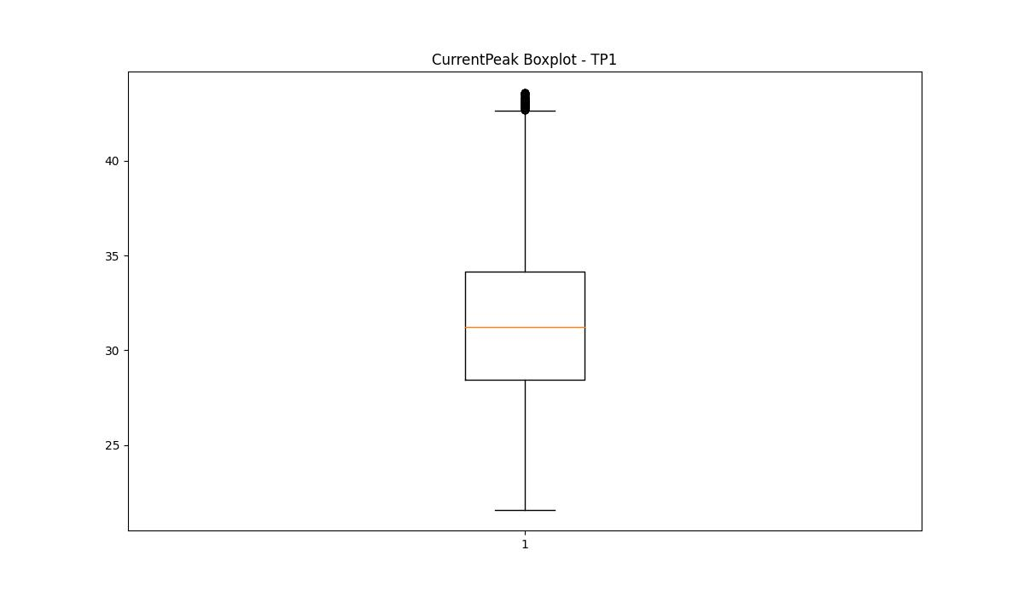
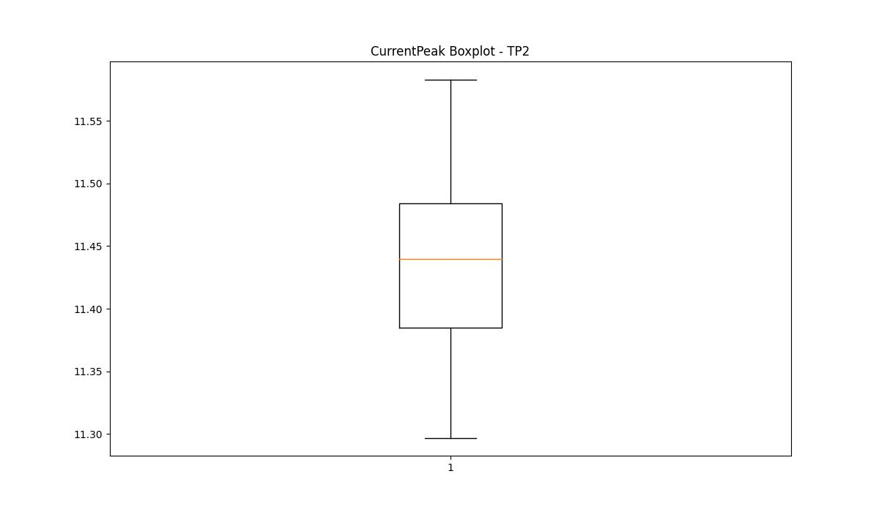

VibromPeak

numTP |  | 1 | 4 | 2
VibromPeak outliers |  | [ 1.4 2.4 1.9 1.6 1.5 1.7 4.5 2.9 1.8 2.7 2.1 2.3 2. 2.6 3. 3.1 2.2 7.4 3.5 2.5 4.2 13.8]
upper_bound |  | 1.35
lower_bound |  | 0.15

statistiche con outliers: |  |  |  |  | statistiche senza outliers:
numTP |  | 1 | 4 | 2 | numTP |  | 1 | 4 | 2
VibromPeak | max | 13.8 | nan | nan | VibromPeak | max | 1.3
 | min | 0.3 | nan | nan |  | min | 0.3
 | avg | 0.78306695828 | nan | nan |  | avg | 0.75353247433
 | median | 0.7 | nan | nan |  | median | 0.7

BOXPLOT CON OUTLIERS
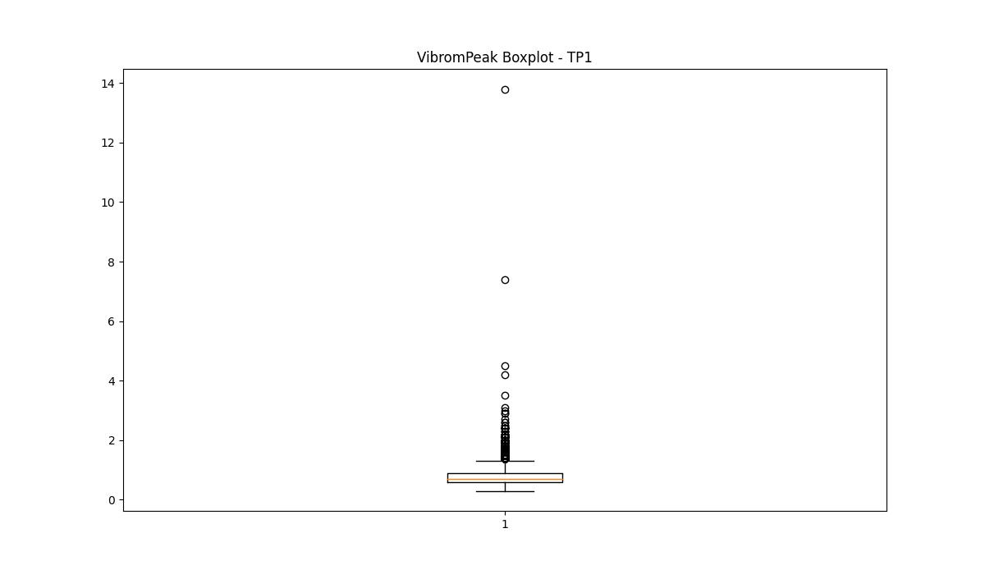
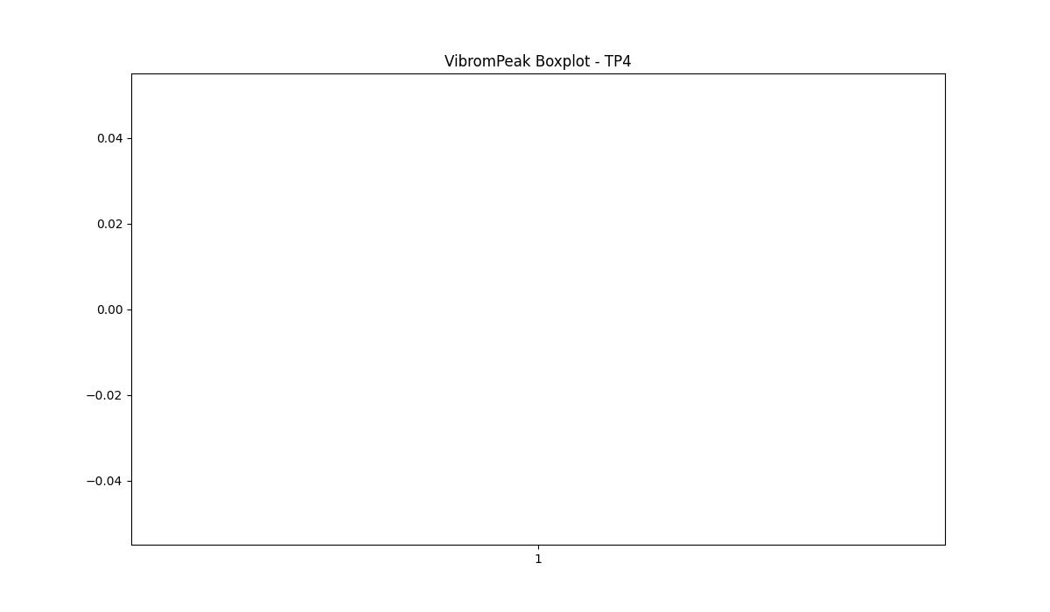
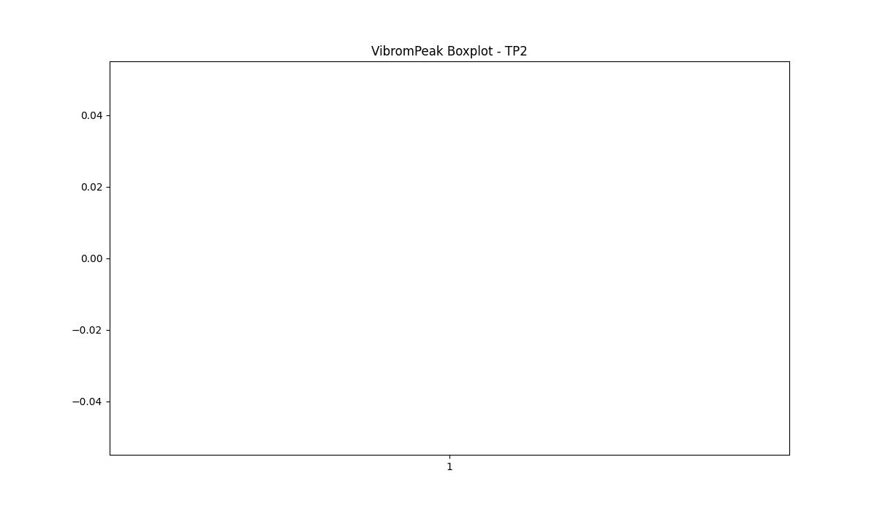

BOXPLOT SENZA OUTLIERS

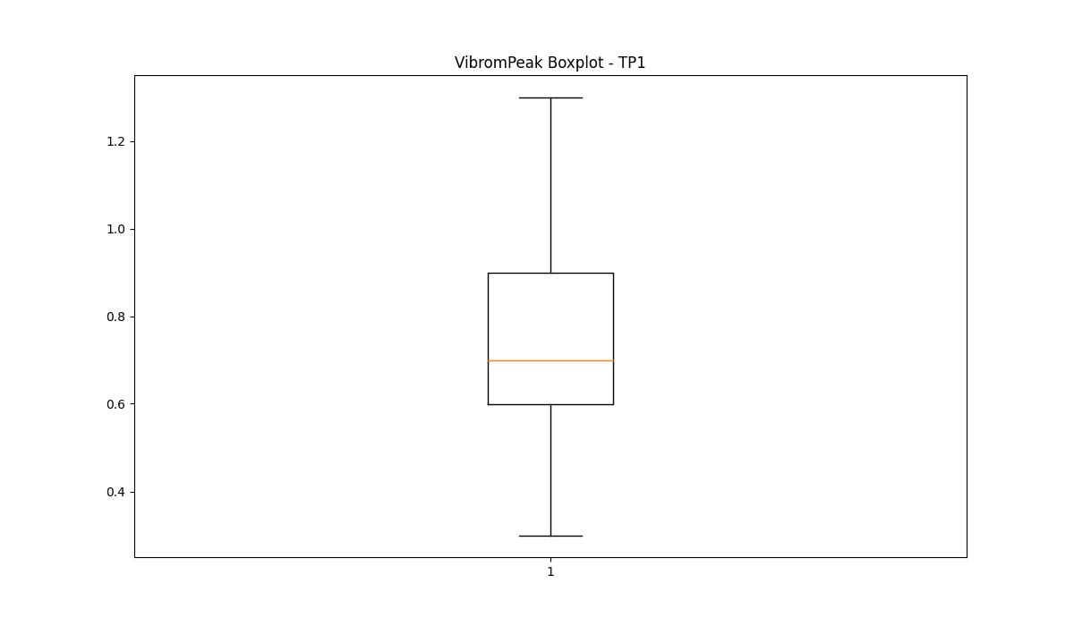

LUNG

numTP |  | 1 | 4 | 2
LUNG outliers |  | [180. 179.1 111.8 184.5 144. 190.5 161.5 112.199 165. 112.9 185. ] | [98.4 78.5 78.79 79.86] | []
upper_bound |  | 247 | 93.4 | 124.05
lower_bound |  | 191 | 93.4 | 57.25

statistiche con outliers: |  |  |  |  | statistiche senza outliers:
numTP |  | 1 | 4 | 2 | numTP |  | 1 | 4 | 2
LUNG | max | 226.5 | 98.4 | 99 | LUNG | max | 226.5 | 93.4 | 99
 | min | 111.8 | 78.5 | 82.3 |  | min | 191.5 | 93.4 | 82.3
 | avg | 214.39990408 | 90.712893983 | 89.009598366 |  | avg | 216.27693541 | 93.4 | 89.009598366
 | median | 212 | 93.4 | 82.3 |  | median | 212 | 93.4 | 82.3

BOXPLOT CON OUTLIERS
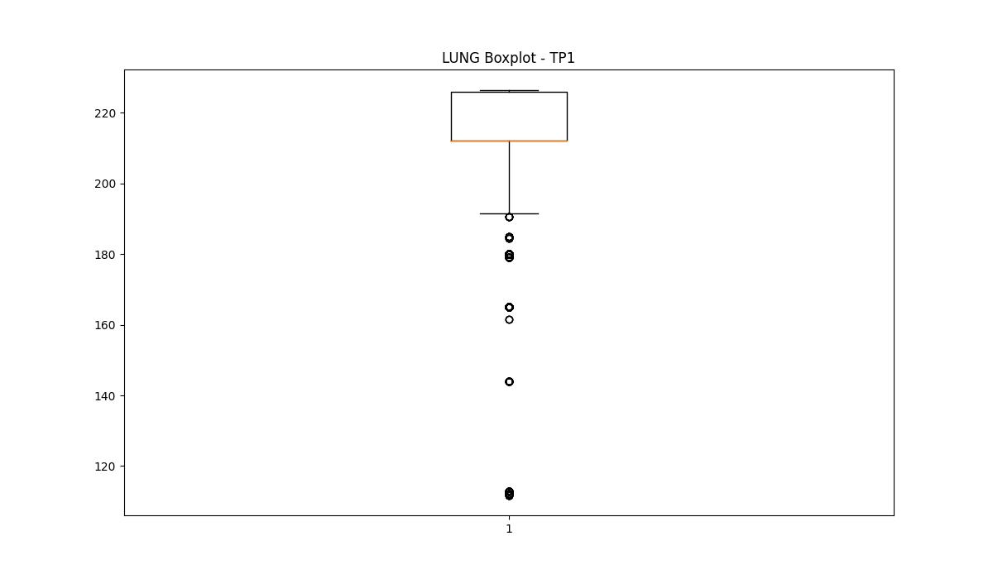
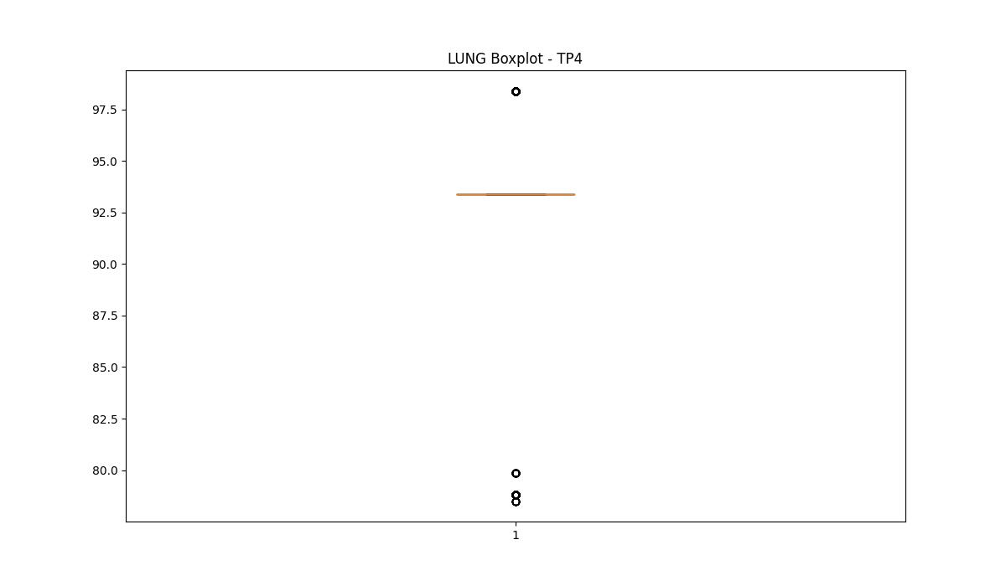
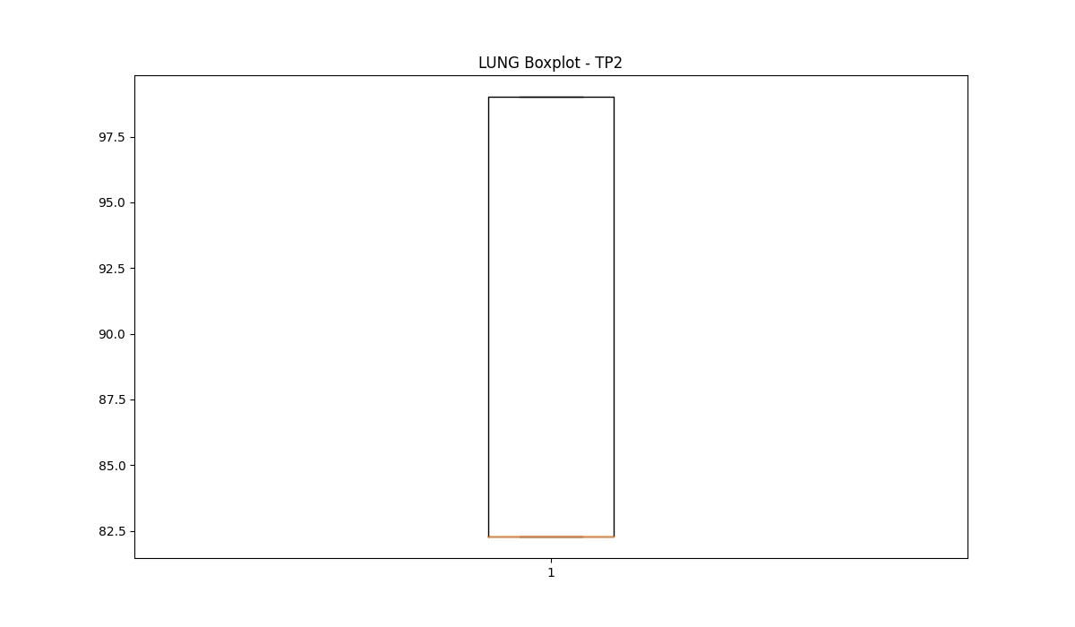

BOXPLOT SENZA OUTLIERS

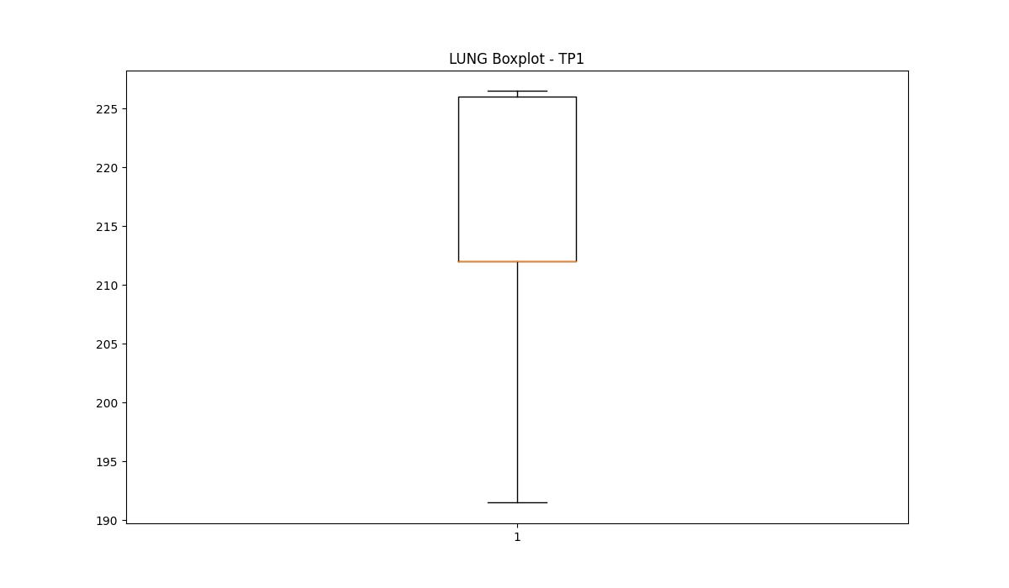
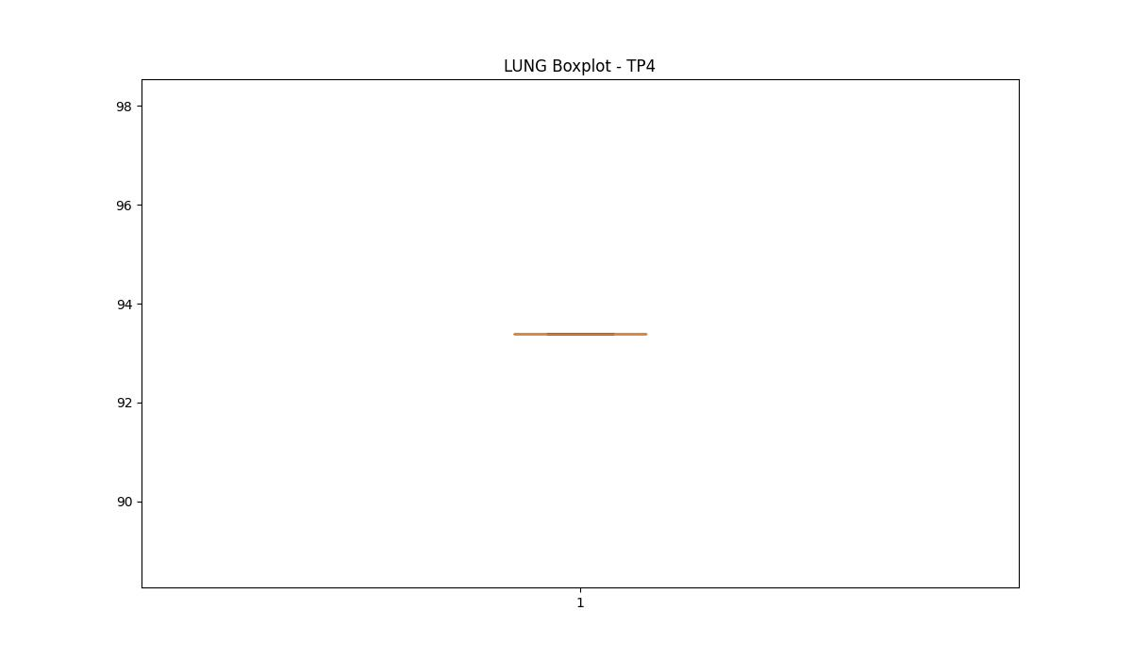

DIAM

numTP |  | 1 | 4 | 2
DIAM outliers |  | [12. 16.] | [8.] | []
upper_bound |  | 212.5 | 14 | 23
lower_bound |  | 56.5 | 14 | -1

statistiche con outliers: |  |  |  |  | statistiche senza outliers:
numTP |  | 1 | 4 | 2 | numTP |  | 1 | 4 | 2
DIAM | max | 170 | 14 | 14 | DIAM | max | 170 | 14 | 14
 | min | 12 | 8 | 8 |  | min | 105 | 14 | 8
 | avg | 135.07118133 | 12.852826257 | 11.590197413 |  | avg | 135.56425043 | 14 | 11.590197413
 | median | 142.699 | 14 | 14 |  | median | 142.699 | 14 | 14

BOXPLOT CON OUTLIERS
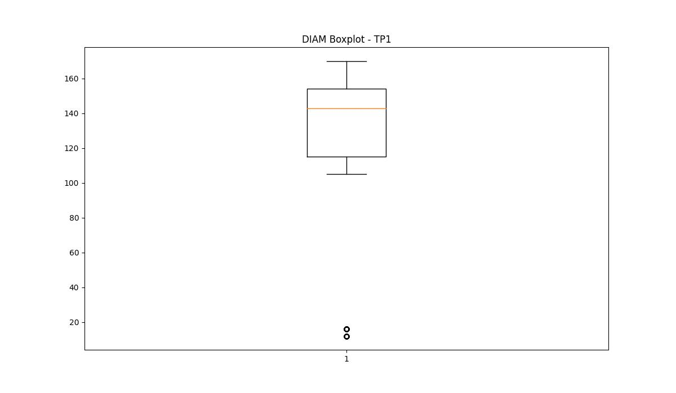
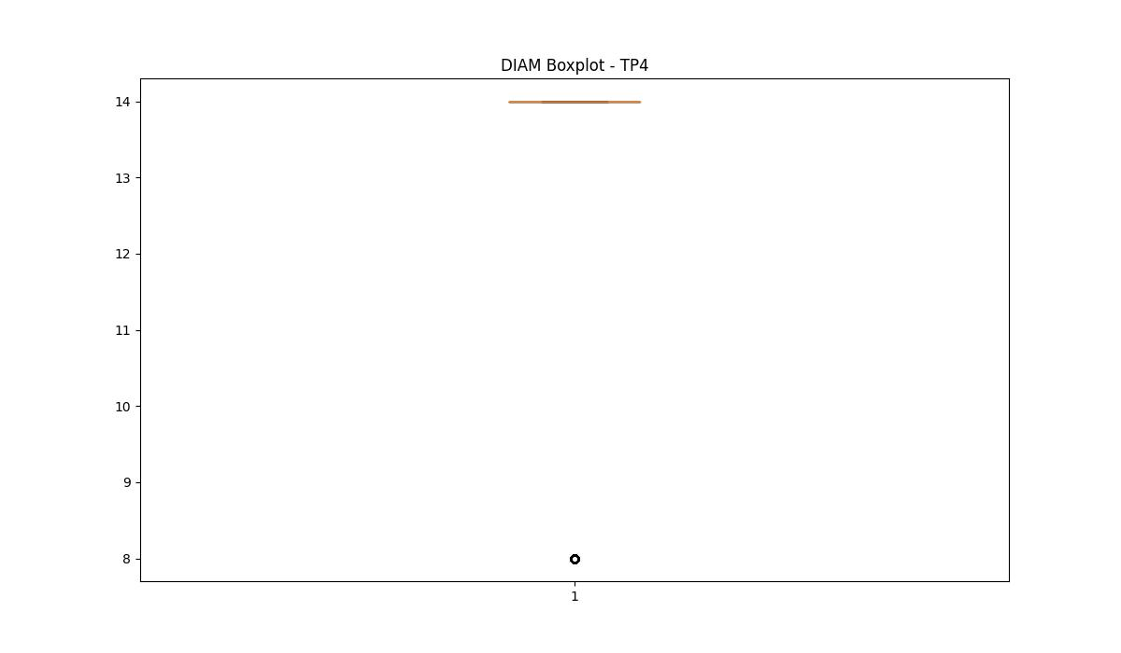
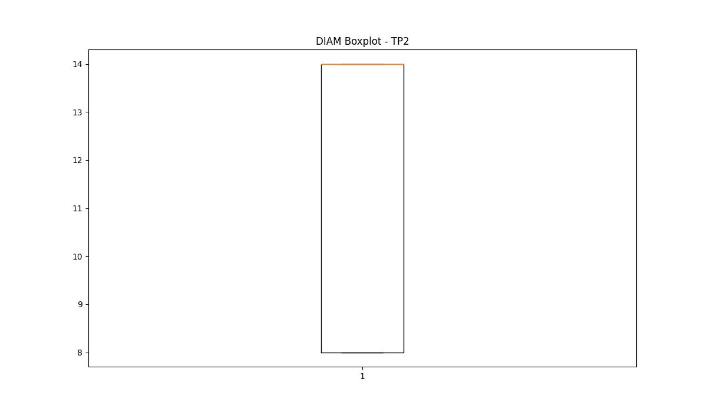

BOXPLOT SENZA OUTLIERS

