Sheet1
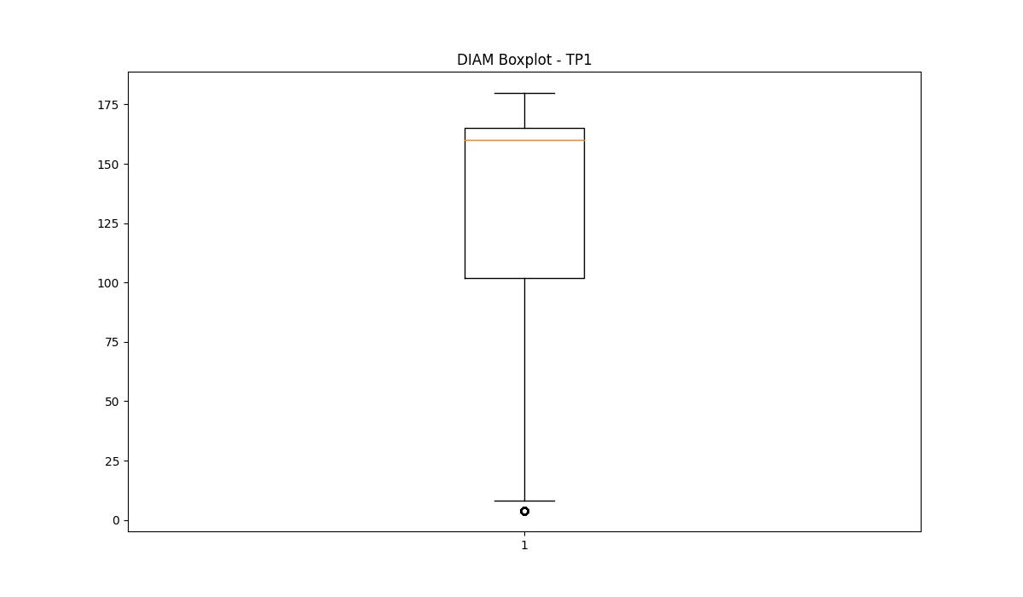
statorCelsius

numTP |  | 1 | 4 | 2
statorCelsius outliers |  | [18. 19. 21. 22. 20. 15. 16. 17. 12. 13. 14.] | [] | []
upper_bound |  | 42.5 | 0 | 0
lower_bound |  | 22.5 | 0 | 0

statistiche con outliers: |  |  |  |  | statistiche senza outliers:
numTP |  | 1 | 4 | 2 | numTP |  | 1 | 4 | 2
statorCelsius | max | 40 | 0 | 0 | statorCelsius | max | 40 | 0 | 0
 | min | 12 | 0 | 0 |  | min | 23 | 0 | 0
 | avg | 31.972650153 | 0 | 0 |  | avg | 32.186994679 | 0 | 0
 | median | 33 | 0 | 0 |  | median | 33 | 0 | 0

BOXPLOT CON OUTLIERS
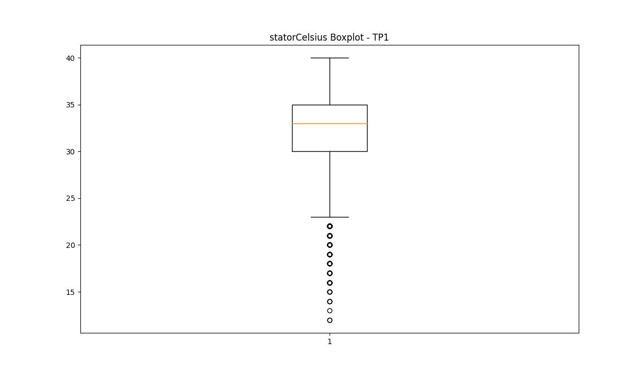
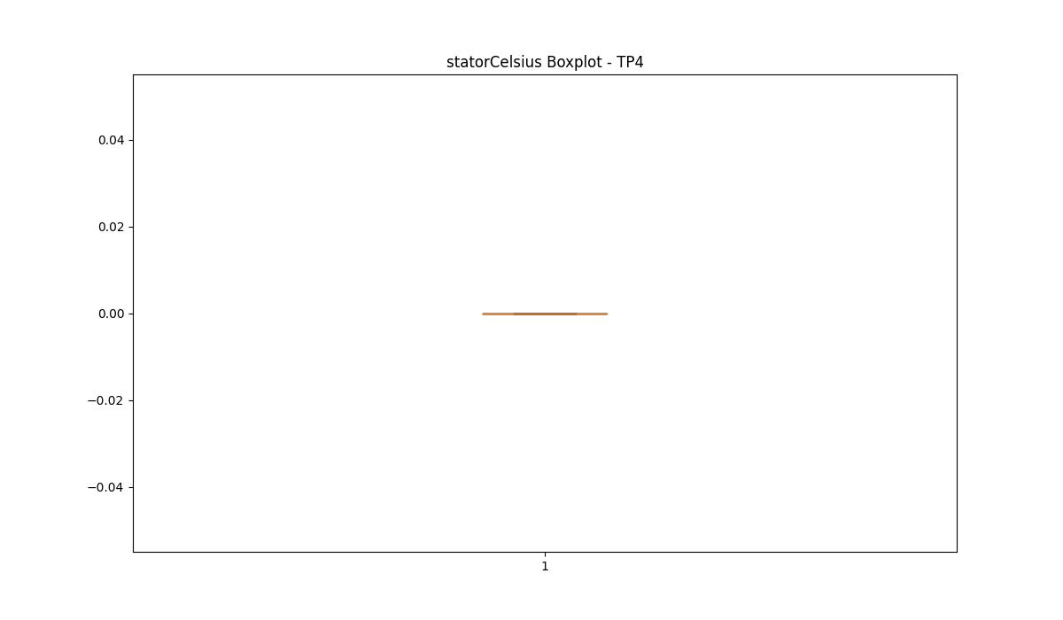
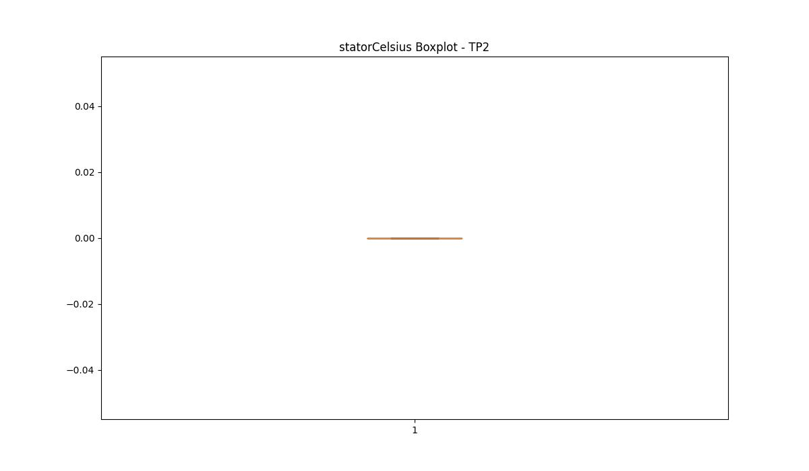

BOXPLOT SENZA OUTLIERS

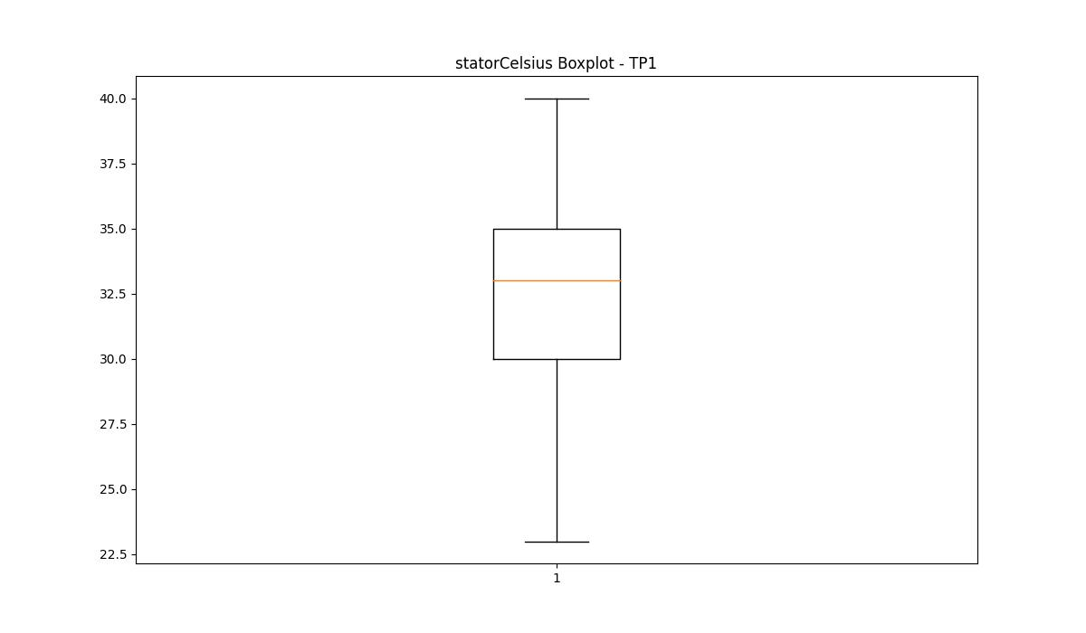

bearingsCelsius

numTP |  | 1 | 4 | 2
bearingsCelsius outliers |  | [17. 18. 16. 13. 14. 15. 11. 12.] | [] | []
upper_bound |  | 35 | 0 | 0
lower_bound |  | 19 | 0 | 0

statistiche con outliers: |  |  |  |  | statistiche senza outliers:
numTP |  | 1 | 4 | 2 | numTP |  | 1 | 4 | 2
bearingsCelsius | max | 33 | 0 | 0 | bearingsCelsius | max | 33 | 0 | 0
 | min | 11 | 0 | 0 |  | min | 19 | 0 | 0
 | avg | 26.631286054 | 0 | 0 |  | avg | 26.865625 | 0 | 0
 | median | 27 | 0 | 0 |  | median | 27 | 0 | 0

BOXPLOT CON OUTLIERS
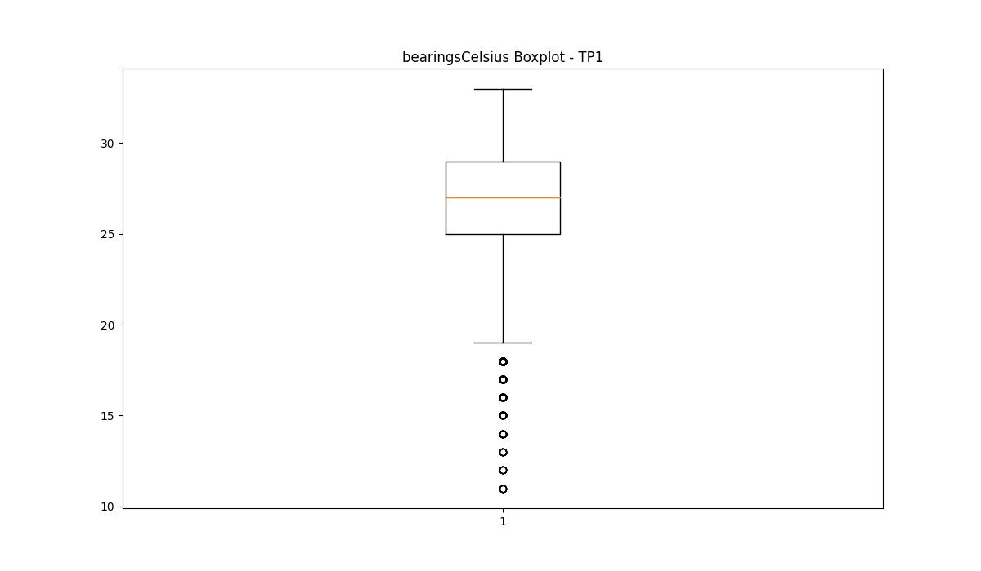



BOXPLOT SENZA OUTLIERS

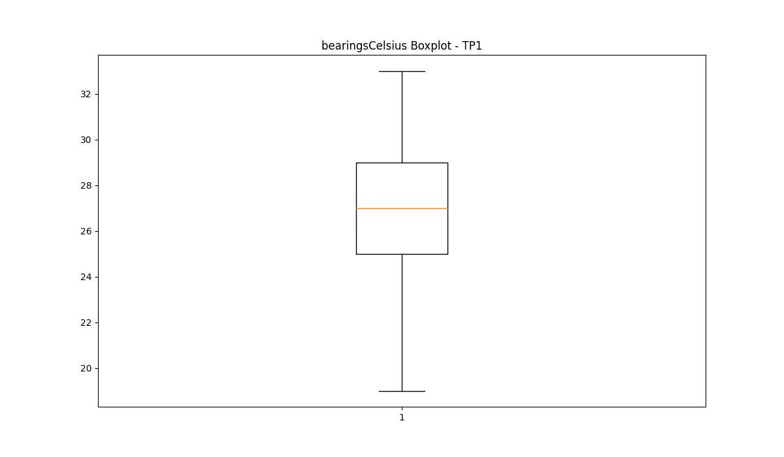

spindleRpm

numTP |  | 1 | 4 | 2
spindleRpm outliers |  | [ 4995.899 4991.699 10909.5 5000.799 10902. 4993.1 10866. 4978.399 10869. 4977. 14559. 16007. 15939. 5878. 6436. 4988.899 14611. 5891. 6499. 10894.5 4970. 2702.699 4921.699 4998.699 2724.149 4976.299 4974.199 2727.01 2751.319 4984.699 4979.1 2737.02 2745.599 2741.309 4975.6 2708.419 2739.879 4986.1 2701.27 2748.459 2711.279 4963. 4985.399 4974.899 2722.719 4979.799 5001.5 2714.139 4973.5 2738.449 2715.569 4981.199 4968.6 2729.869 4980.5 2757.039 2744.169 2728.439 4981.899 2742.739 2734.159 2705.559 2731.299 4958.799 2732.729 4970.699 4986.799 4988.199 4984. 2721.289 5002.199 4982.6 4993.799 4998. 4977.699 2717. 2752.75 4997.299 2719.859 14685. 5901. 6501. 14588. 5895. 14607. 5885. 6500. 14602. 5907. 6504. 14537. 6509. 14560. 5926. 14574. 5894. 6496. 4996.6 14444. 5910. 6493. 14589. 5905. 14544. 5921. 6498. 14551. 5883. 6503. 14531. 5941. 4964.399 14700. 5946. 14520. 5899. 6489. 14566. 14513. 5944. 6495. 4983.299 14604. 5924. 14492. 5927. 14509. 5896. 6502. 14522. 5942. 10864.5 14594. 10839. 14525. 5881. 6483. 4987.5 14652. 5898. 14499. 5908. 4994.5 14571. 10855.5 4989.6 14530. 6497. 10900.5 4972.1 9770. 9795. 9778. 9757. 9714. 9785. 9728. 9720. 4995.199 14573. 6488. 4967.199 14533. 5945. 6505. 14506. 4972.799 14554. 14577. 5938. 14622. 5886. 4991. 14543. 14549. 5936. 4969.299 14628. 14580. 14507. 5902. 6508. 5014.1 14517. 5889. 14489. 5890. 5005.699 5932. 14610. 5867. 5005. 14702. 5875. 5906. 6507. 14548. 5892. 14510. 14643. 6494. | [] | []
upper_bound |  | 9140.75 | 0 | 0
lower_bound |  | 7058.75 | 0 | 0

statistiche con outliers: |  |  |  |  | statistiche senza outliers:
numTP |  | 1 | 4 | 2 | numTP |  | 1 | 4 | 2
spindleRpm | max | 18006 | 0 | 0 | spindleRpm | max | 9134.839 | 0 | 0
 | min | 2701.27 | 0 | 0 |  | min | 7238 | 0 | 0
 | avg | 8223.2761672 | 0 | 0 |  | avg | 8242.9551016 | 0 | 0
 | median | 8088 | 0 | 0 |  | median | 8141 | 0 | 0

BOXPLOT CON OUTLIERS
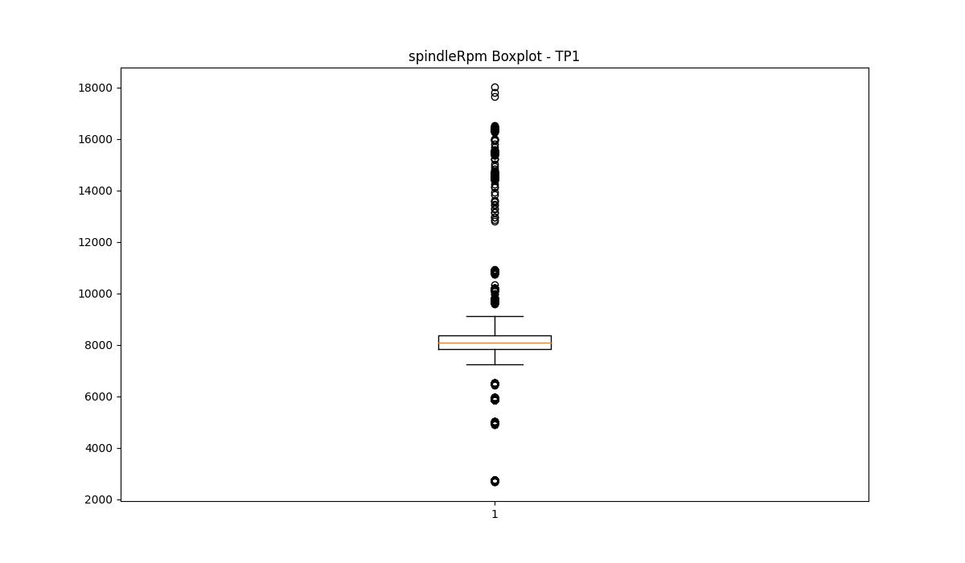
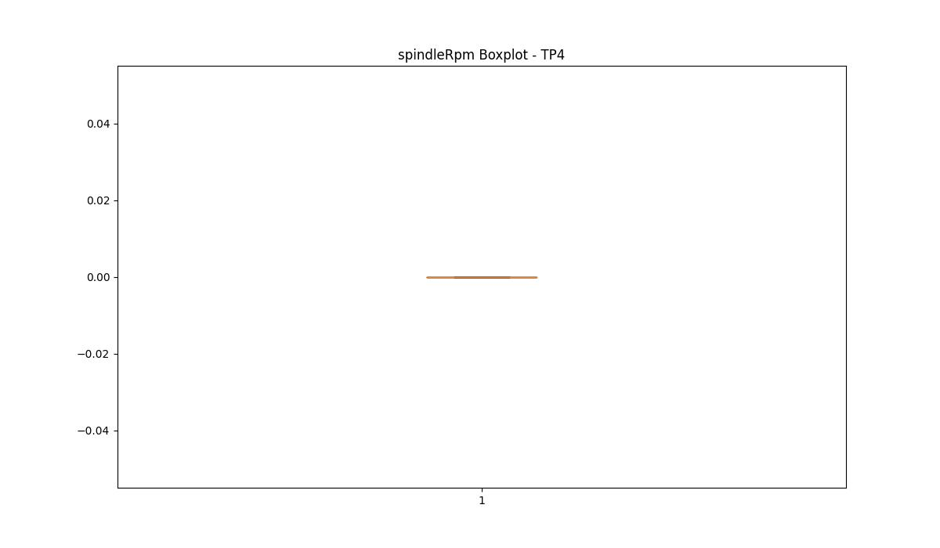


BOXPLOT SENZA OUTLIERS

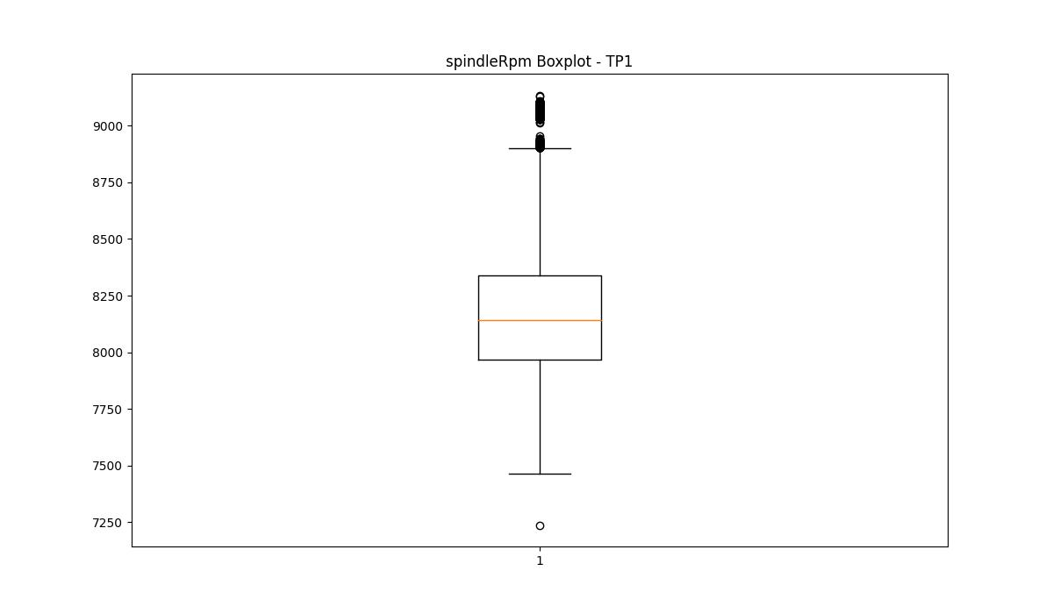

rpmSetPoint

numTP |  | 1 | 4 | 2
rpmSetPoint outliers |  | [ 5500. 10000. 12000. 16000. 6500. 3000. 10710. 17000. 18000. 11340. 11160.] | [] | [12000.]
upper_bound |  | 9925 | 4500 | 10000
lower_bound |  | 7805 | 4500 | 10000

statistiche con outliers: |  |  |  |  | statistiche senza outliers:
numTP |  | 1 | 4 | 2 | numTP |  | 1 | 4 | 2
rpmSetPoint | max | 18000 | 4500 | 12000 | rpmSetPoint | max | 9750 | 4500 | 10000
 | min | 3000 | 4500 | 10000 |  | min | 8600 | 4500 | 10000
 | avg | 8992.9548694 | 4500 | 10201.680672 |  | avg | 8995.3921239 | 4500 | 10000
 | median | 8870 | 4500 | 10000 |  | median | 8870 | 4500 | 10000

BOXPLOT CON OUTLIERS
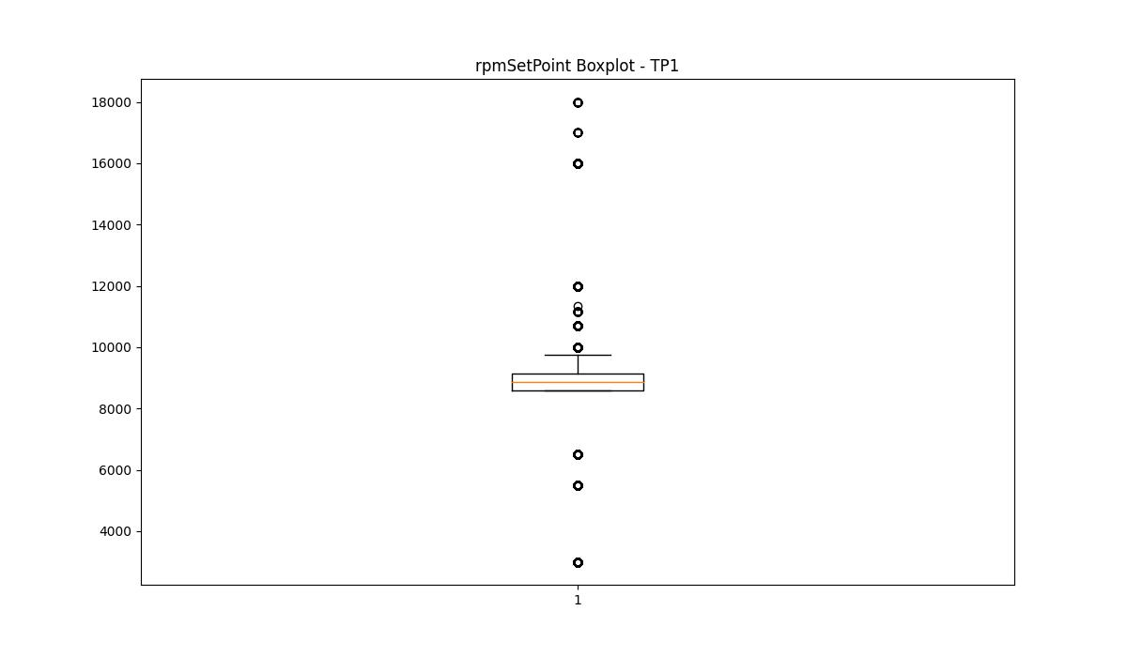
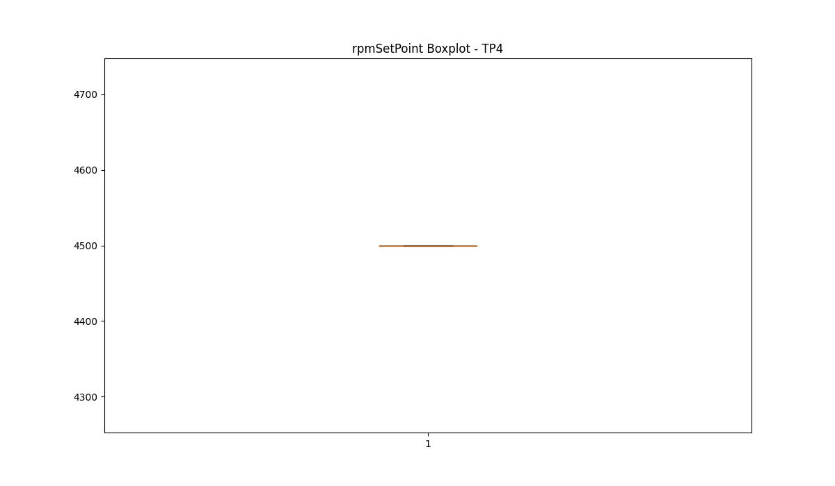
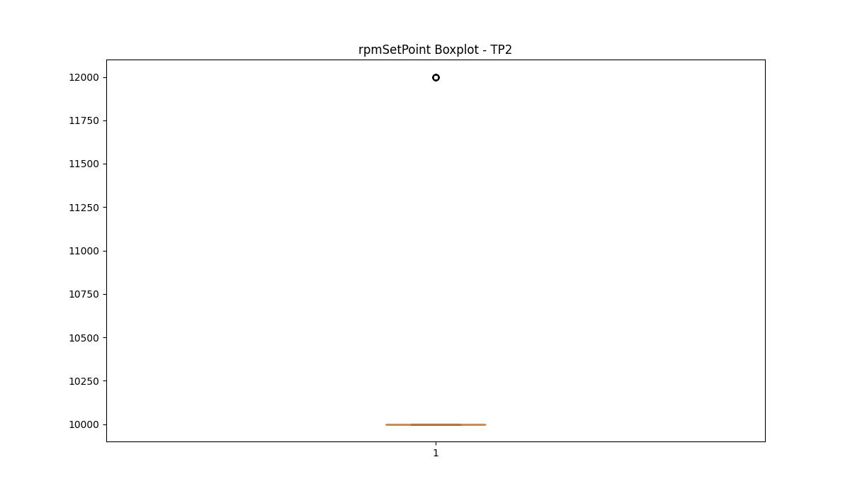

BOXPLOT SENZA OUTLIERS

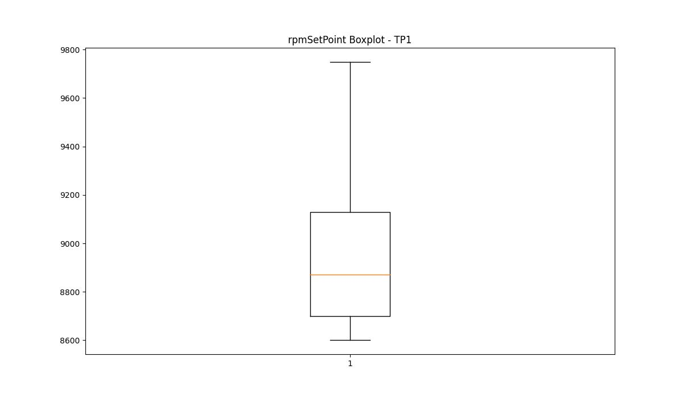
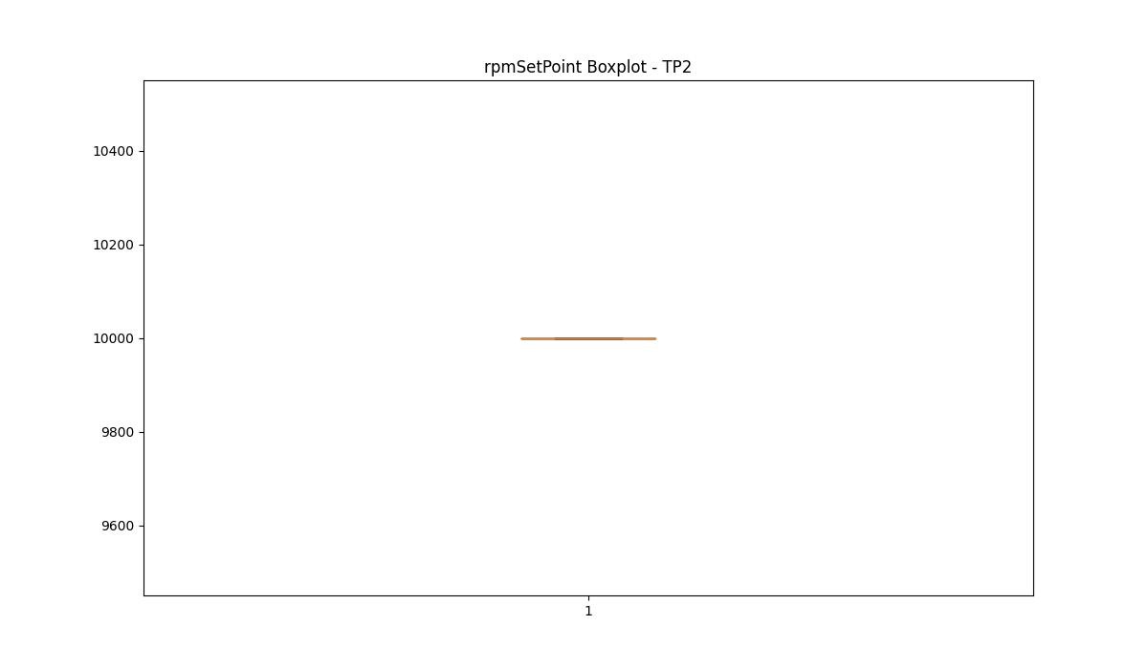

CurrentPeak

numTP |  | 1 | 4 | 2
CurrentPeak outliers |  | [20.148 20.059 5.015 5.87 7.581 7.817 21.092 20.266 20. 21.122 19.971 19.941 20.65 20.945 20.03 20.118 20.207 20.532 20.237 20.797 20.768 20.177 20.591 20.384 20.561 20.856 20.915 21.033 21.151 20.089 7.522 7.906 7.316 7.286 7.493 7.699 7.64 7.611 7.345 7.198 8.053 7.67 7.404 7.227 7.552 7.434 7.463 7.965 7.168 7.375 7.257 20.443 7.788 7.729 8.112 20.325 20.709 7.847 21.505 7.876 20.827 22.036 22.833 22.302 24.898 4.543 6.46 4.867 5.546 4.926 5.9 4.838 4.897 6.195 6.077 5.133 4.956 4.631 6.401 6.962 5.487 5.841 6.667 6.519 5.192 5.369 5.221 5.103 4.395 3.953 6.637 8.024 5.28 3.776 8.378 21.889 7.758 23.098 24.544 7.935 7.109 22.567 21.24 22.715 20.886 23.187 23.747 7.139 11.623 20.414 23.6 22.98 4.572 3.982 3.304 11.357 9.499 23.836 24.75 24.691 24.072 24.249 25.311 27.434 22.774 23.128 23.511 23.57 24.278 22.685 21.83 20.296 20.974 22.007 21.771 8.171 20.473 21.21 20.679 20.738 20.502 22.508 7.994 7.08 30.827 23.334 21.682 24.013] | [] | [ 2.86 2.981 1.342 2.574 2.937 2.596 12.716 2.629 2.739]
upper_bound |  | 19.926 | 7.86 | 12.71325
lower_bound |  | 12.494 | 1.06 | 11.28325

statistiche con outliers: |  |  |  |  | statistiche senza outliers:
numTP |  | 1 | 4 | 2 | numTP |  | 1 | 4 | 2
CurrentPeak | max | 30.827 | 5.88 | 12.716 | CurrentPeak | max | 19.912 | 5.88 | 12.694
 | min | 3.304 | 3.21 | 1.342 |  | min | 12.537 | 3.21 | 11.583
 | avg | 15.778143468 | 4.708297619 | 11.59612605 |  | avg | 16.315928347 | 4.708297619 | 12.02640708
 | median | 15.487 | 5.25 | 11.979 |  | median | 15.546 | 5.25 | 11.979

BOXPLOT CON OUTLIERS
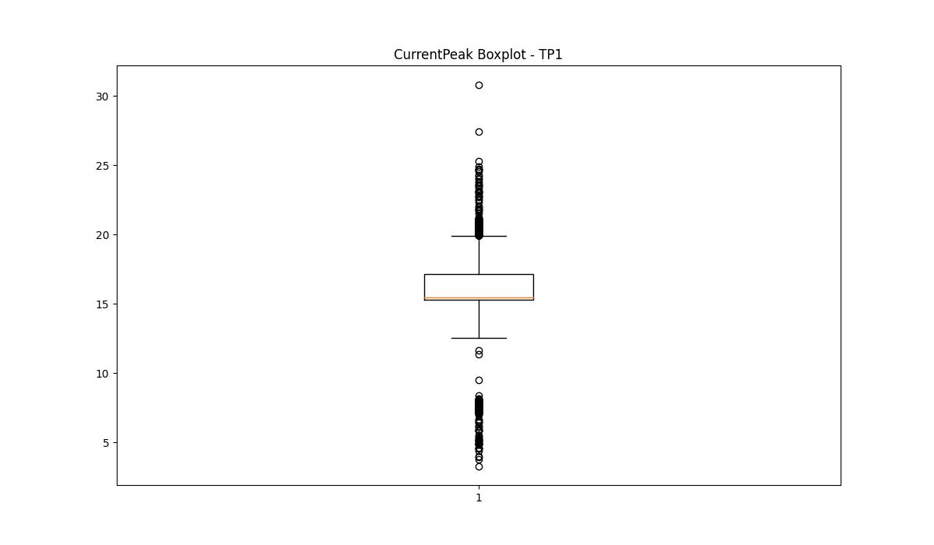
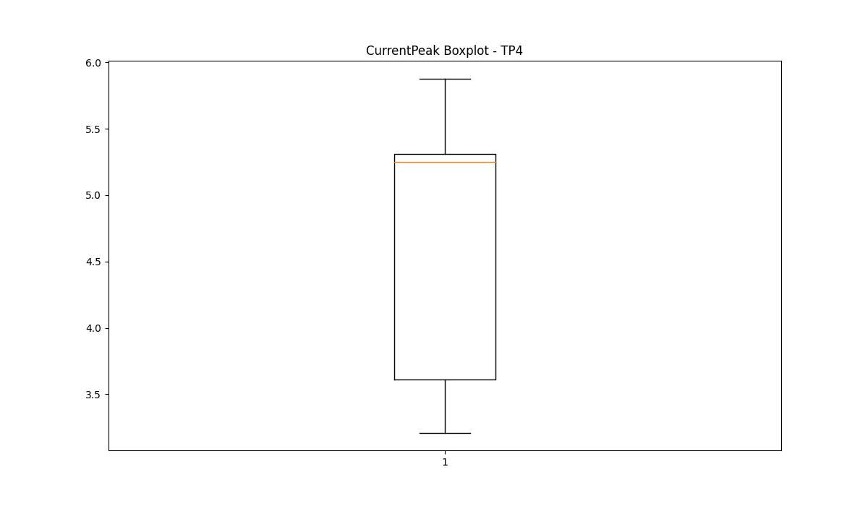
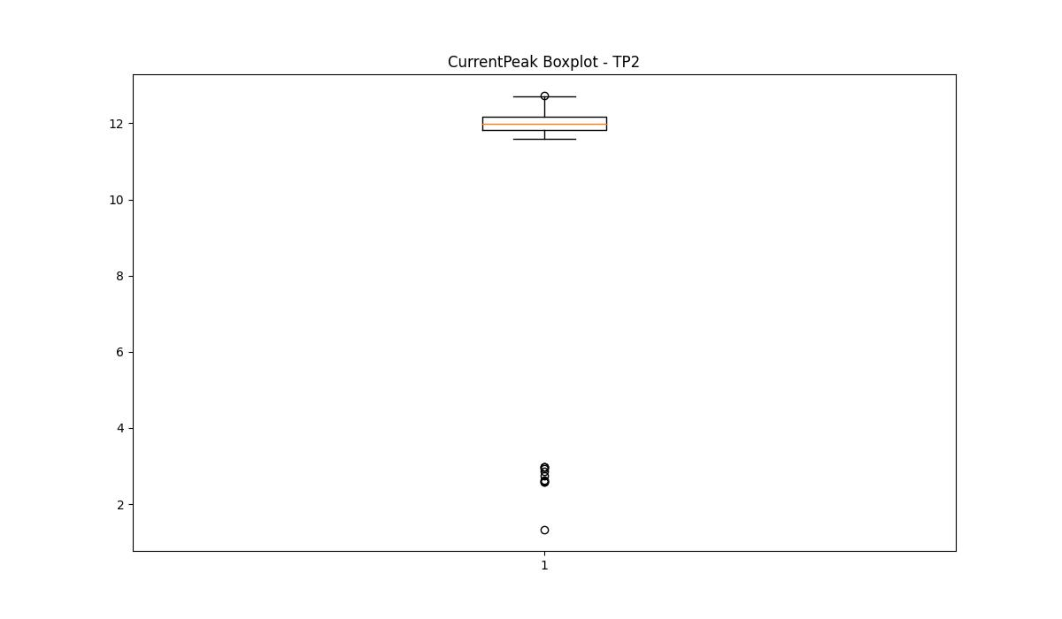

BOXPLOT SENZA OUTLIERS

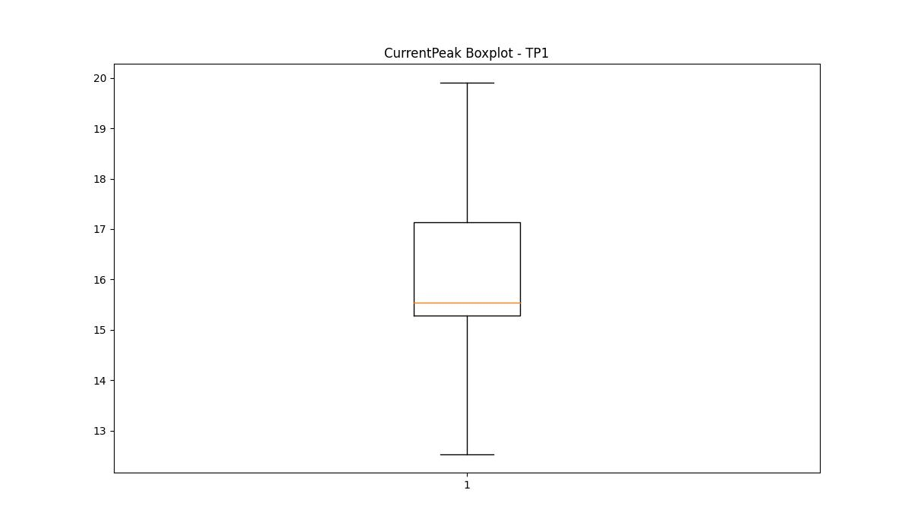
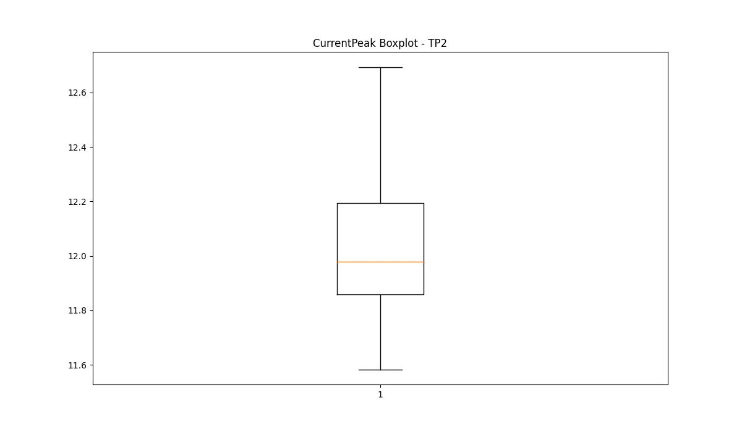

VibromPeak

numTP |  | 1 | 4 | 2
VibromPeak outliers |  | [1. 1.9 1.8 0.7 0.8 0.9 1.4 1.6 1.5 3.6 4. 3.5 3.8 3.9 1.7 1.2 4.2 4.1 4.3 2.1 0.2 1.1 2. 2.2 2.3 1.3 2.4 2.5 2.9 2.7 3. 3.3 4.5 3.7 3.4 3.2 4.4 4.6 3.1 2.6 2.8]
upper_bound |  | 0.65
lower_bound |  | 0.25

statistiche con outliers: |  |  |  |  | statistiche senza outliers:
numTP |  | 1 | 4 | 2 | numTP |  | 1 | 4 | 2
VibromPeak | max | 4.6 | nan | nan | VibromPeak | max | 0.6
 | min | 0.2 | nan | nan |  | min | 0.3
 | avg | 0.52960298609 | nan | nan |  | avg | 0.44276275353
 | median | 0.5 | nan | nan |  | median | 0.4

BOXPLOT CON OUTLIERS
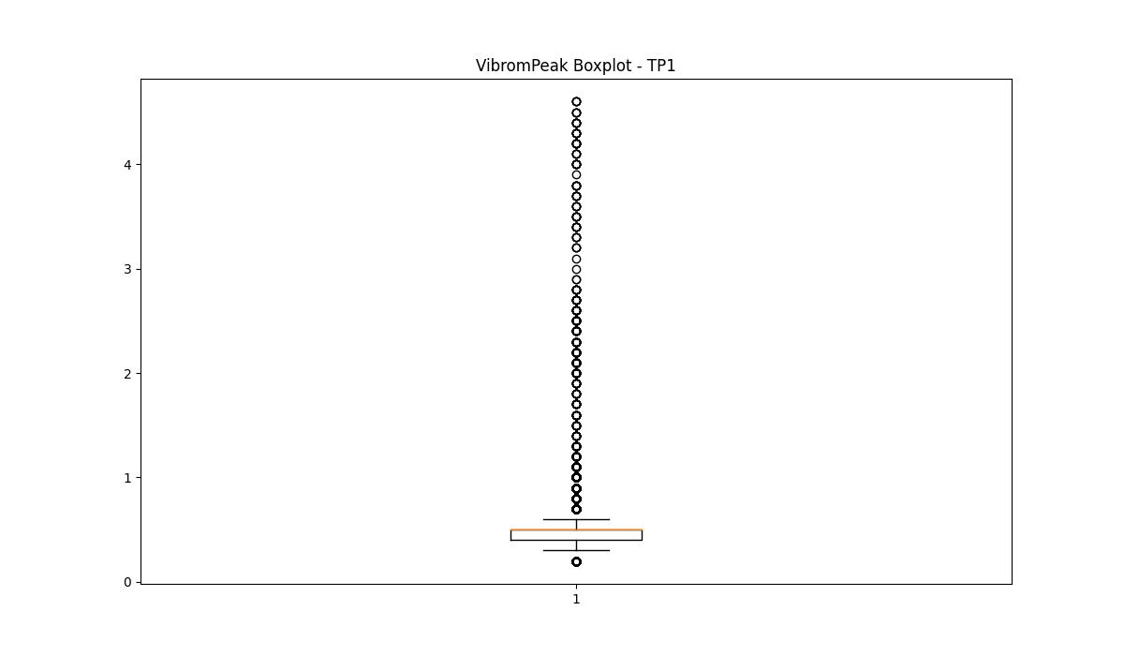
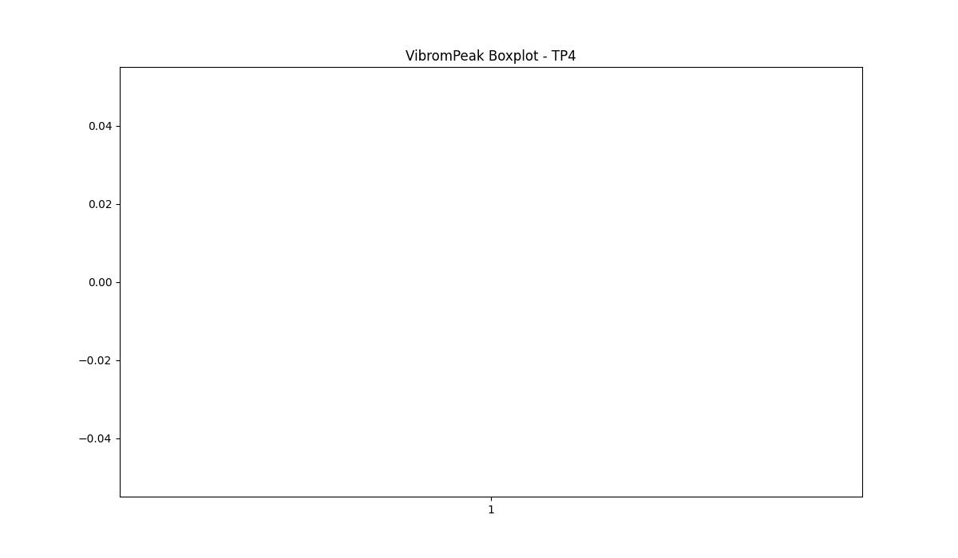
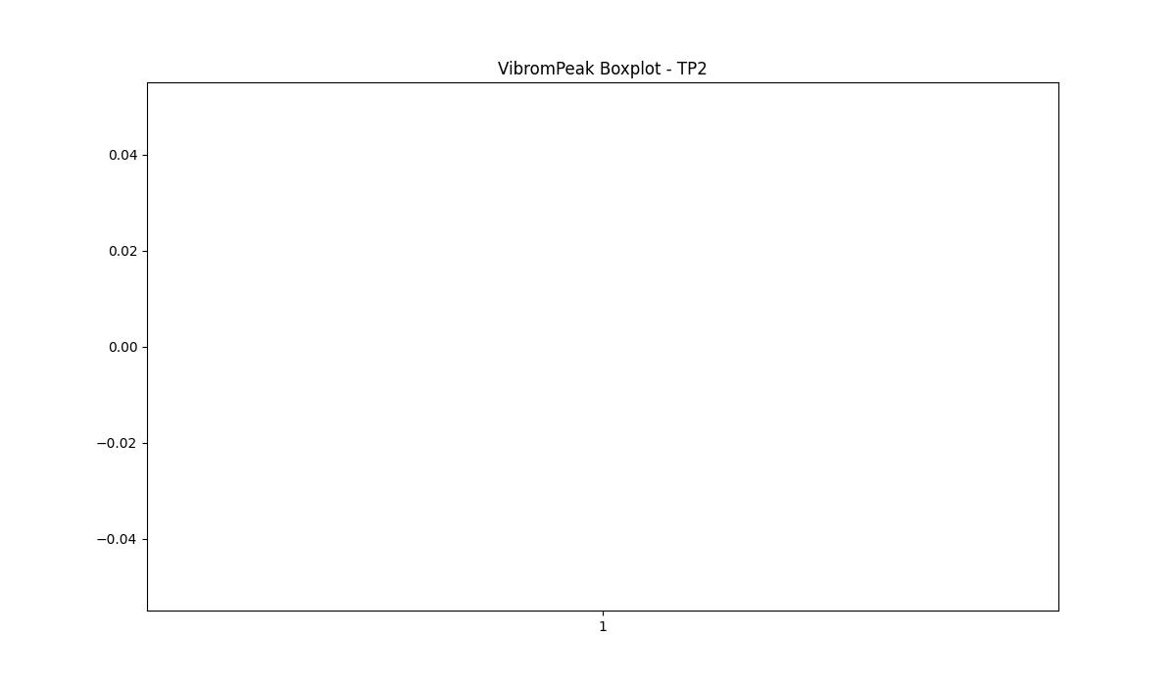

BOXPLOT SENZA OUTLIERS

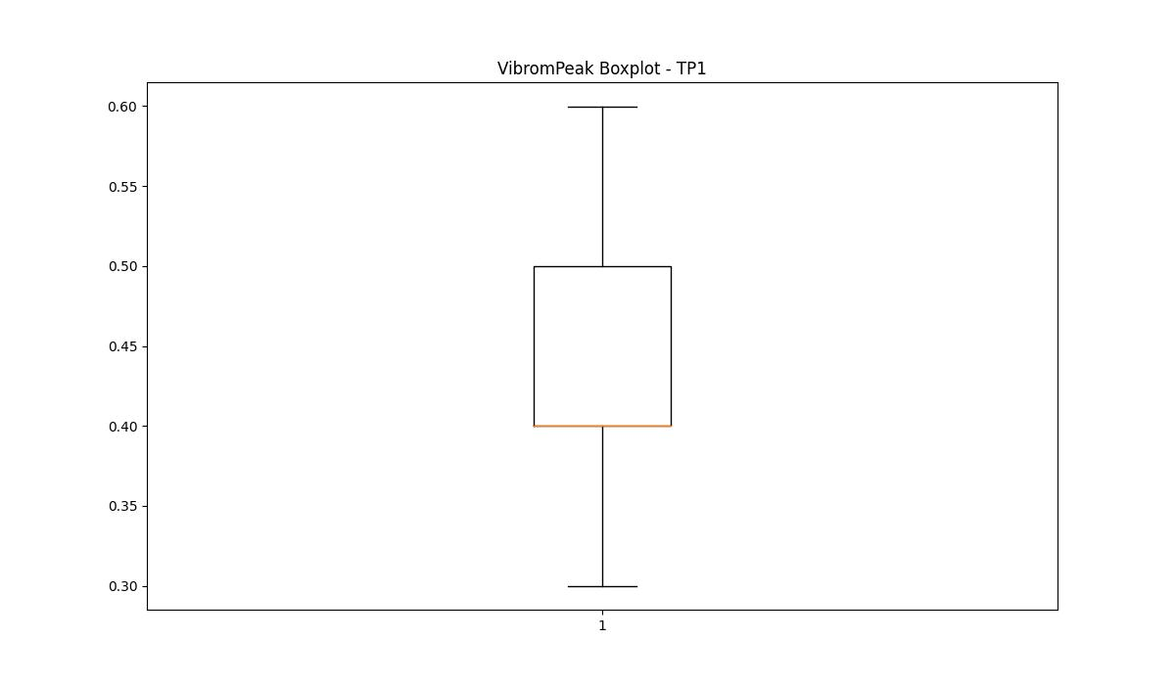

LUNG

numTP |  | 1 | 4 | 2
LUNG outliers |  | [] | [] | []
upper_bound |  | 454.25 | 83 | 76.5
lower_bound |  | -158.95 | 83 | 76.5

statistiche con outliers: |  |  |  |  | statistiche senza outliers:
numTP |  | 1 | 4 | 2 | numTP |  | 1 | 4 | 2
LUNG | max | 230.149 | 83 | 76.5 | LUNG | max | 230.149 | 83 | 76.5
 | min | 1.6 | 83 | 76.5 |  | min | 1.6 | 83 | 76.5
 | avg | 156.71901004 | 83 | 76.5 |  | avg | 156.71901004 | 83 | 76.5
 | median | 204 | 83 | 76.5 |  | median | 204 | 83 | 76.5

BOXPLOT CON OUTLIERS
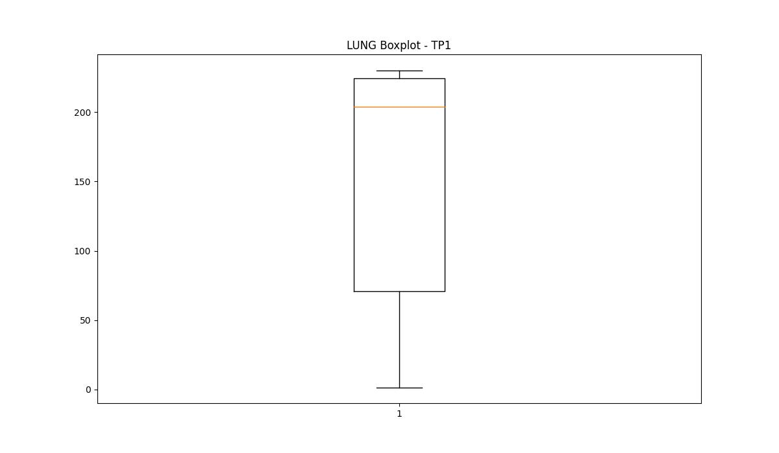
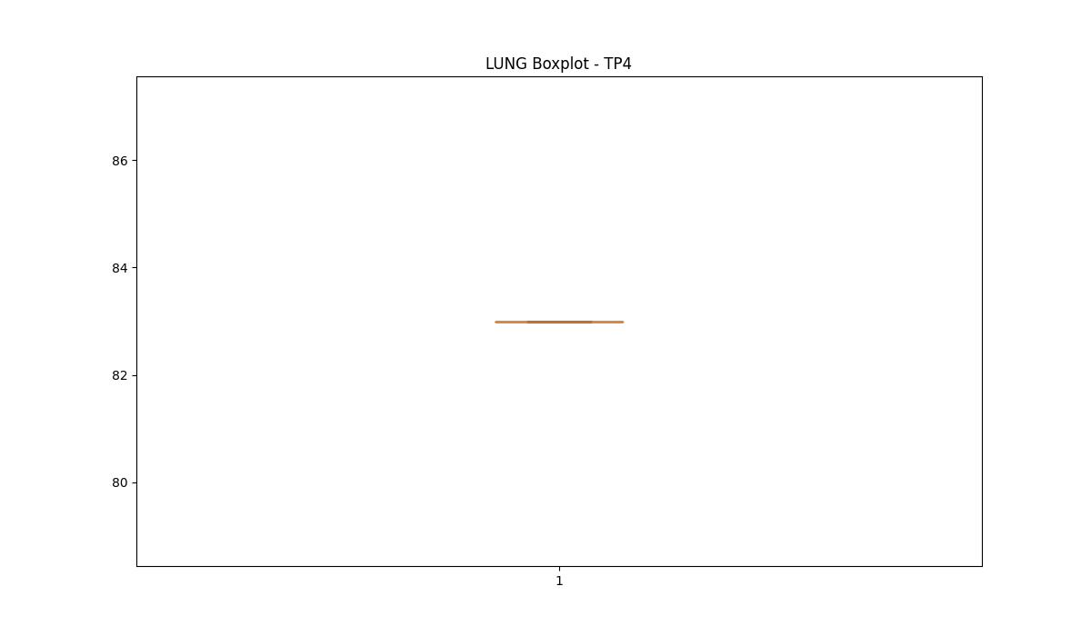
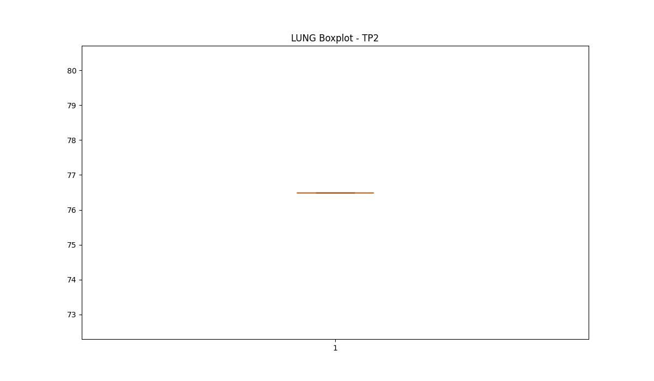

BOXPLOT SENZA OUTLIERS

DIAM

numTP |  | 1 | 4 | 2
DIAM outliers |  | [270.] | [] | []
upper_bound |  | 267 | 8 | 10
lower_bound |  | 3 | 8 | 10

statistiche con outliers: |  |  |  |  | statistiche senza outliers:
numTP |  | 1 | 4 | 2 | numTP |  | 1 | 4 | 2
DIAM | max | 270 | 8 | 10 | DIAM | max | 180 | 8 | 10
 | min | 4 | 8 | 10 |  | min | 4 | 8 | 10
 | avg | 138.94054971 | 8 | 10 |  | avg | 128.05505329 | 8 | 10
 | median | 160 | 8 | 10 |  | median | 160 | 8 | 10

BOXPLOT CON OUTLIERS
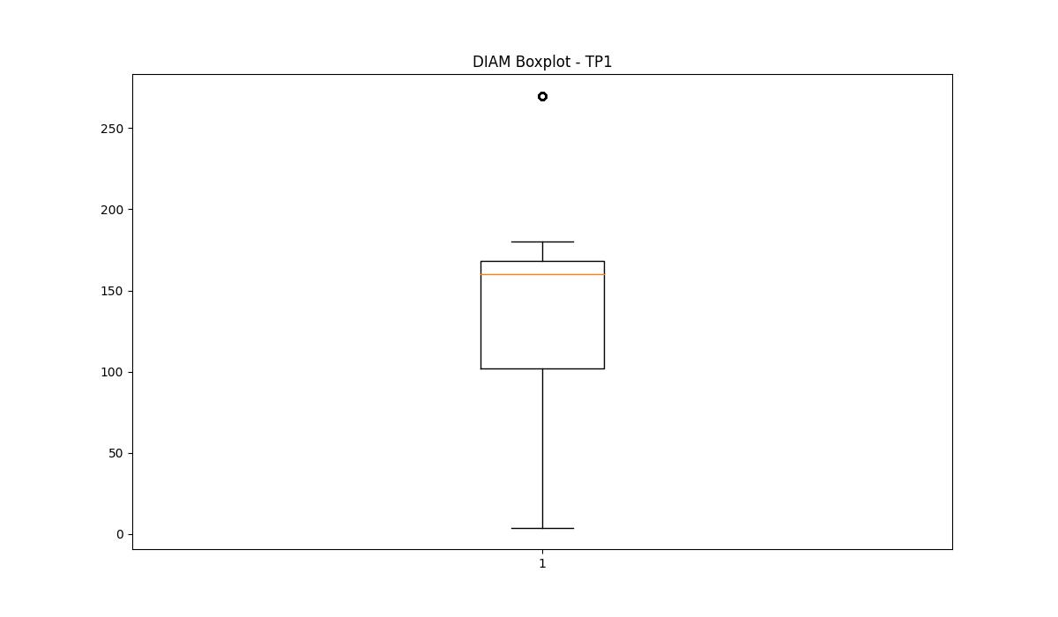
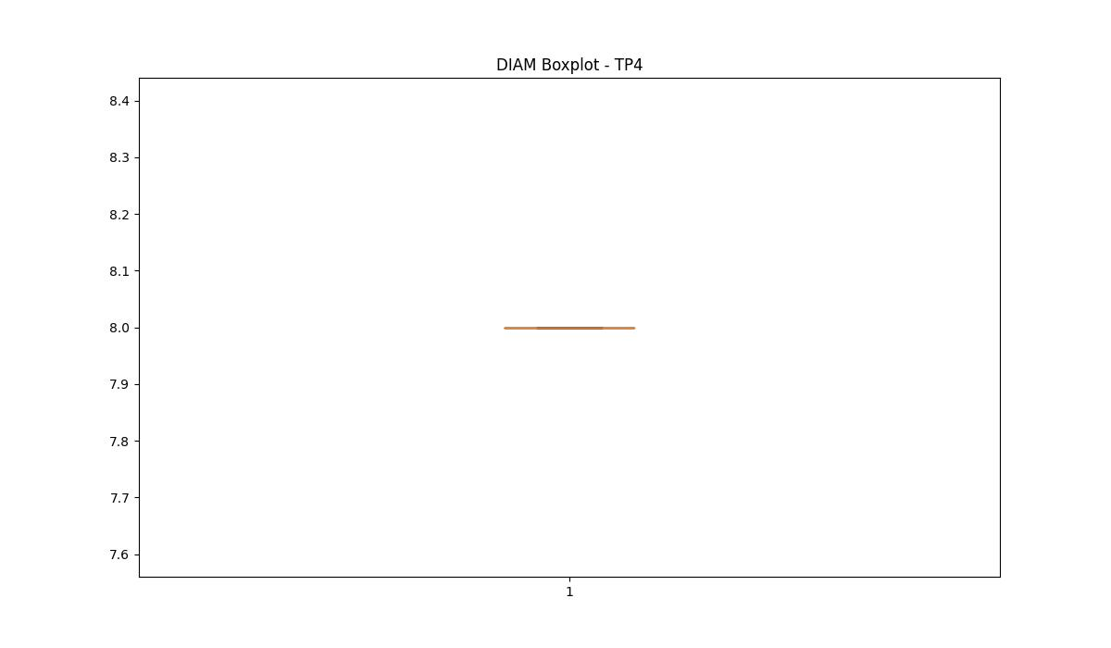
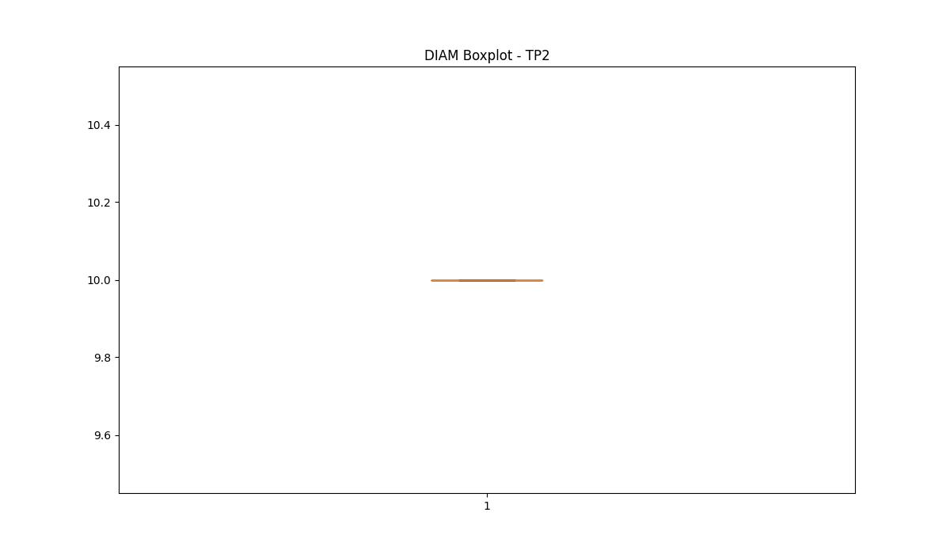

BOXPLOT SENZA OUTLIERS

