Sheet1
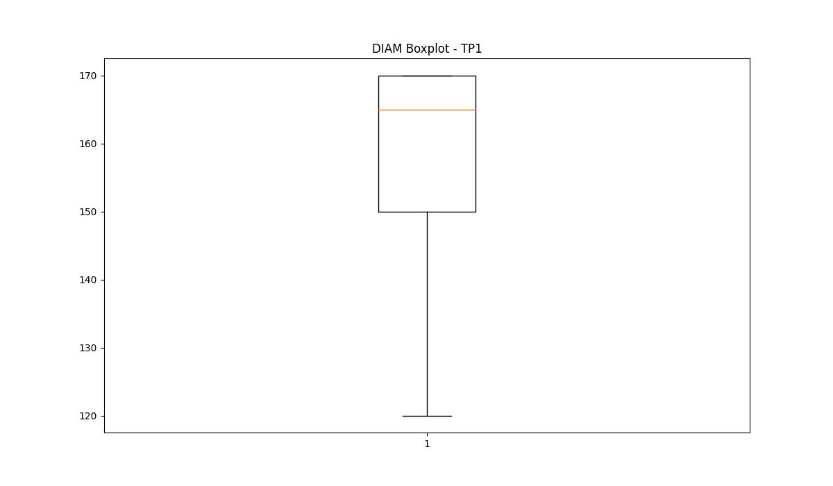
statorCelsius

numTP |  | 1 | 21
statorCelsius outliers |  | [17. 18. 19. 16. 15. 20. 14. 13. 30.] | [17. 15. 13. 14. 43.]
upper_bound |  | 29 | 42
lower_bound |  | 21 | 18

statistiche con outliers: |  |  |  | statistiche senza outliers:
numTP |  | 1 | 21 | numTP |  | 1 | 21
statorCelsius | max | 30 | 43 | statorCelsius | max | 29 | 42
 | min | 13 | 13 |  | min | 21 | 18
 | avg | 24.993648502 | 30.922997947 |  | avg | 25.161166198 | 30.957230293
 | median | 25 | 30 |  | median | 25 | 30

BOXPLOT CON OUTLIERS
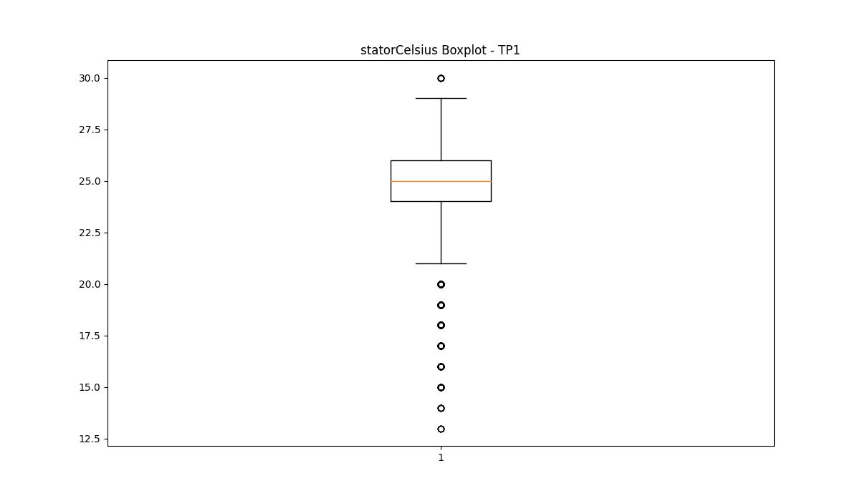
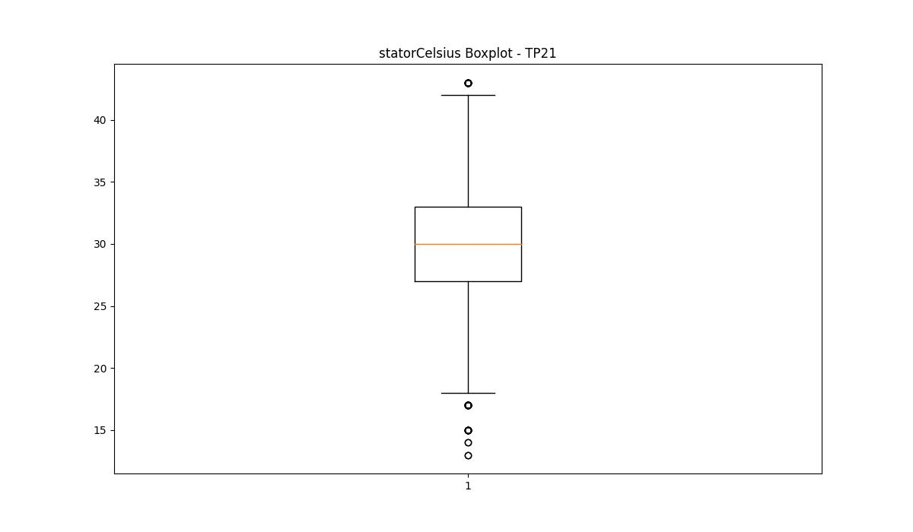

BOXPLOT SENZA OUTLIERS

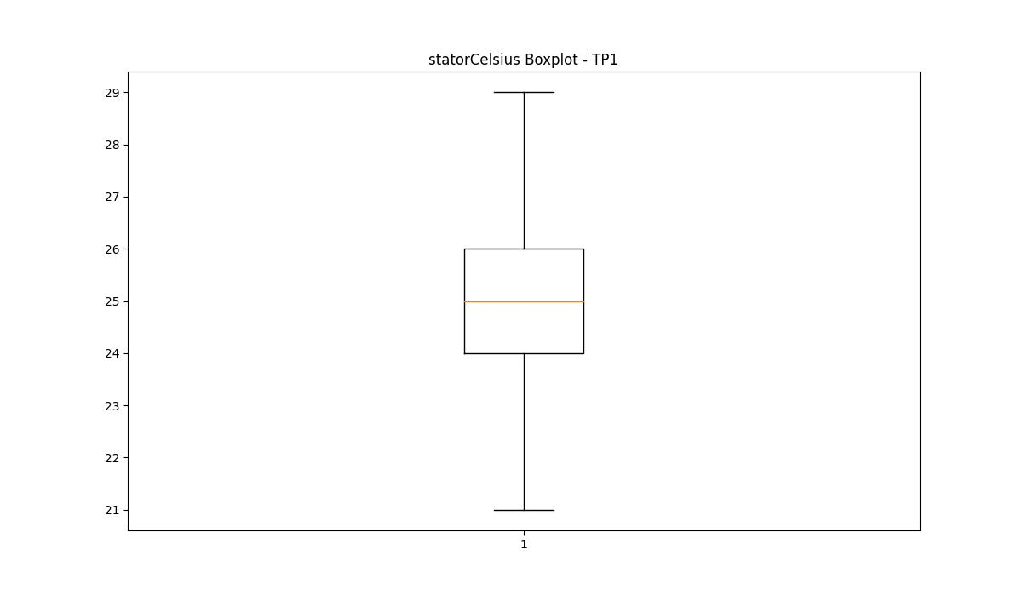
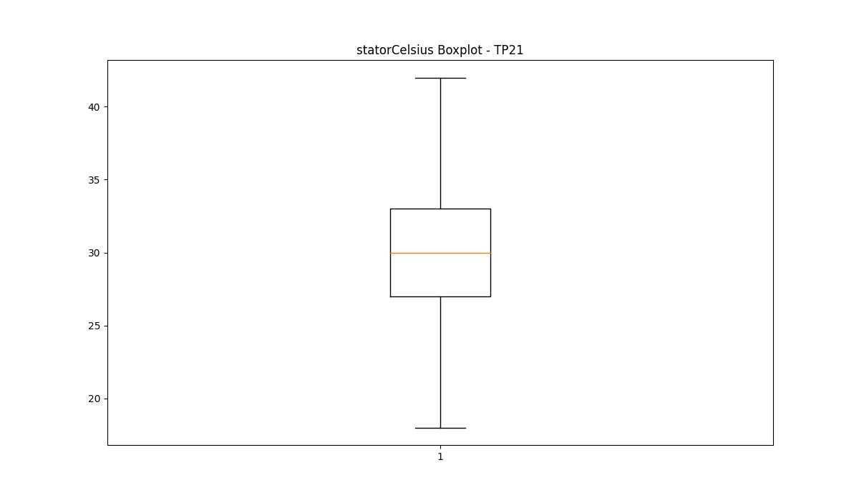

bearingsCelsius

numTP |  | 1 | 21
bearingsCelsius outliers |  | [16. 17. 15. 14. 18. 13. 12. 11.] | [18. 19. 17. 15. 14.]
upper_bound |  | 27 | 39.5
lower_bound |  | 19 | 19.5

statistiche con outliers: |  |  |  | statistiche senza outliers:
numTP |  | 1 | 21 | numTP |  | 1 | 21
bearingsCelsius | max | 27 | 38 | bearingsCelsius | max | 27 | 38
 | min | 11 | 14 |  | min | 19 | 20
 | avg | 22.83969686 | 29.1662511 |  | avg | 23.028219219 | 29.268141135
 | median | 23 | 29 |  | median | 23 | 29

BOXPLOT CON OUTLIERS
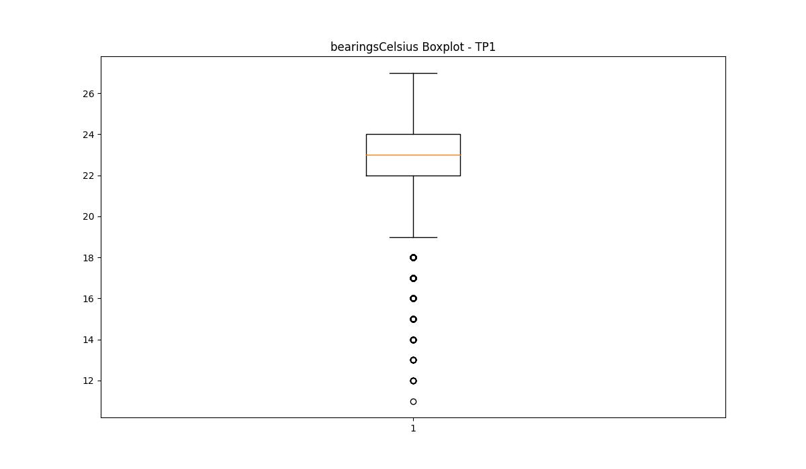
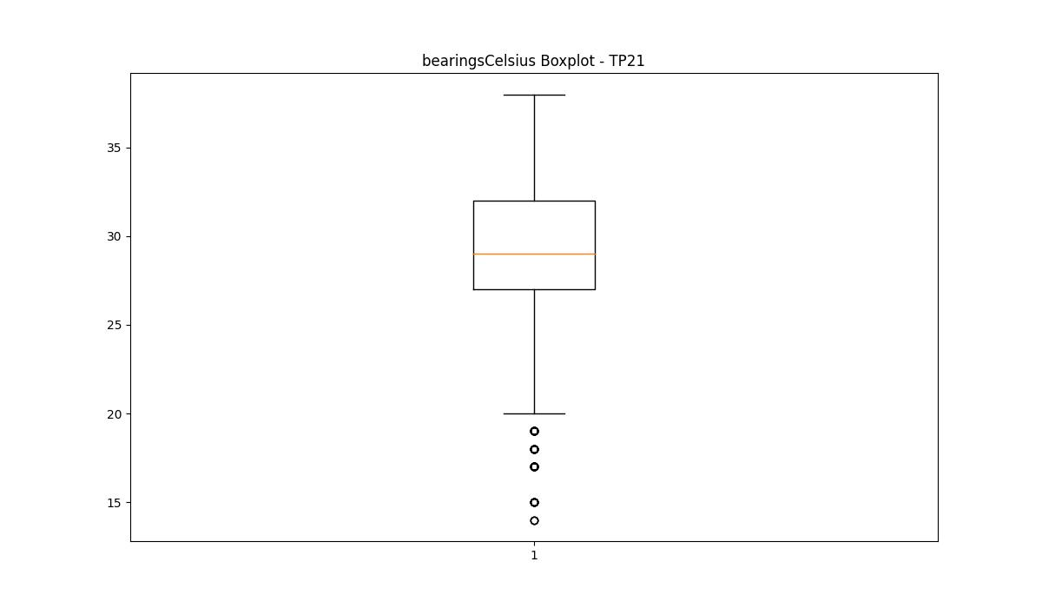

BOXPLOT SENZA OUTLIERS

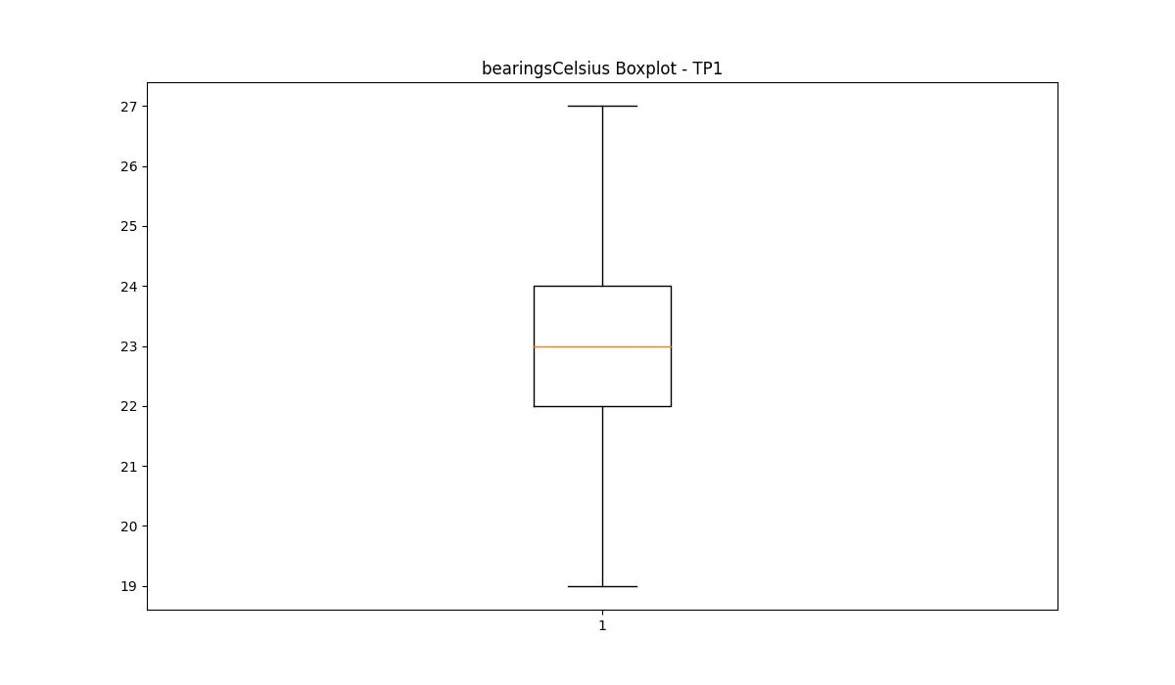
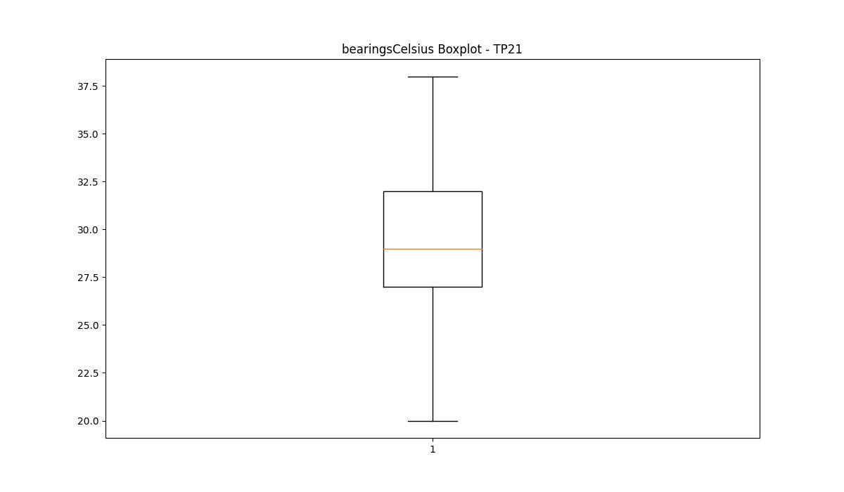

spindleRpm

numTP |  | 1 | 21
spindleRpm outliers |  | [ 4648. 4652.199 4594.799 4615.799 4616.5 4613.699 4621.399 4603.199 4555.6 4606.699 4645.199 4627.699 4622.1 4594.1 4591.299 4612.299 4554.199 4577.299 4653.6 4608.799 4548.6 4595.5 4648.699 4666.199 4568.199 4636.1 4596.199 4603.899 4623.5 4643.799 4579.399 4631.899 4574.5 4650.1 4659.199 4601.799 4627. 4645.899 4641.699 4592.699 4607.399 4584.299 4587.799 4589.199 4646.6 4605.299 4582.199 4573.799 4583.6 4624.899 4647.299 4599. 4600.399 4657.799 4642.399 4630.5 4554.899 4593.399 4585. 4628.399 4592. 4580.1 4609.5 4667.6 4618.6 4638.899 4651.5 4650.799 4597.6 4624.199 4557. 4580.799 4602.5 4655.699 4635.399 4644.5 4639.6 4582.899 4587.1 4598.299 4629.799 4631.199 4638.199 4578.699 4550. 4643.1 4589.899 4564. 4606. 4601.1 4636.799 4614.399 4610.199 4657.1 4596.899 4655. 4656.399 4566.1 4553.5 4599.699 4604.6 4658.5 4610.899 4578. 4620.699 4588.5 4573.1 4568.899 4590.6 4619.299 4561.199 4660.6 4567.5 4559.1 4625.6 4569.6 4652.899 4608.1 4615.1 4661.299 4659.899 4629.1 15513. 15706. 15627. 15582. 15579. ] | []
upper_bound |  | 12702.75 | 26098.5
lower_bound |  | 5688.75 | -2049.5

statistiche con outliers: |  |  |  | statistiche senza outliers:
numTP |  | 1 | 21 | numTP |  | 1 | 21
spindleRpm | max | 15706 | 16351 | spindleRpm | max | 12018 | 16351
 | min | 4548.6 | 1624 |  | min | 6467 | 1624
 | avg | 8869.9454881 | 11487.599946 |  | avg | 8955.2882093 | 11487.599946
 | median | 8534 | 11999 |  | median | 8562.5 | 11999

BOXPLOT CON OUTLIERS
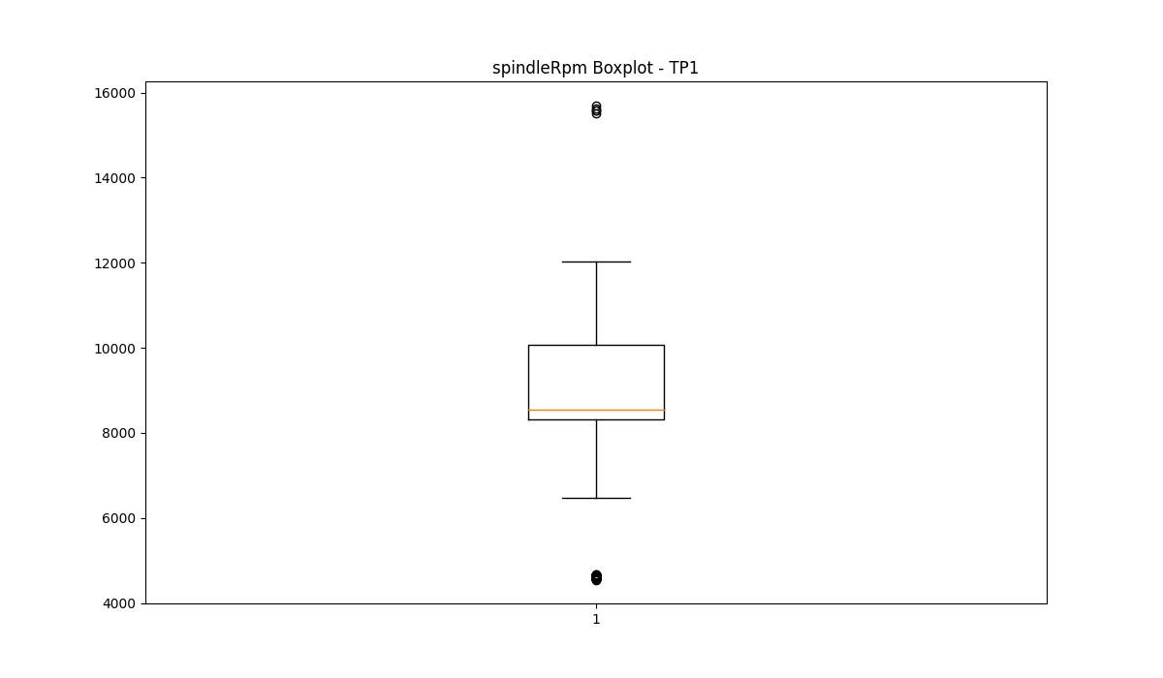
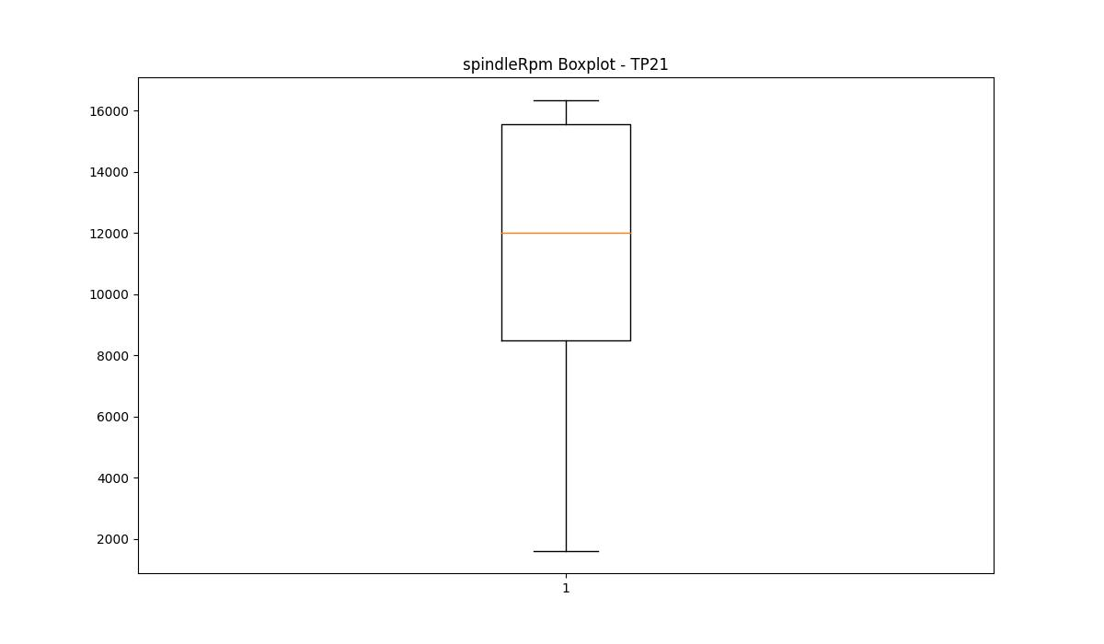

BOXPLOT SENZA OUTLIERS

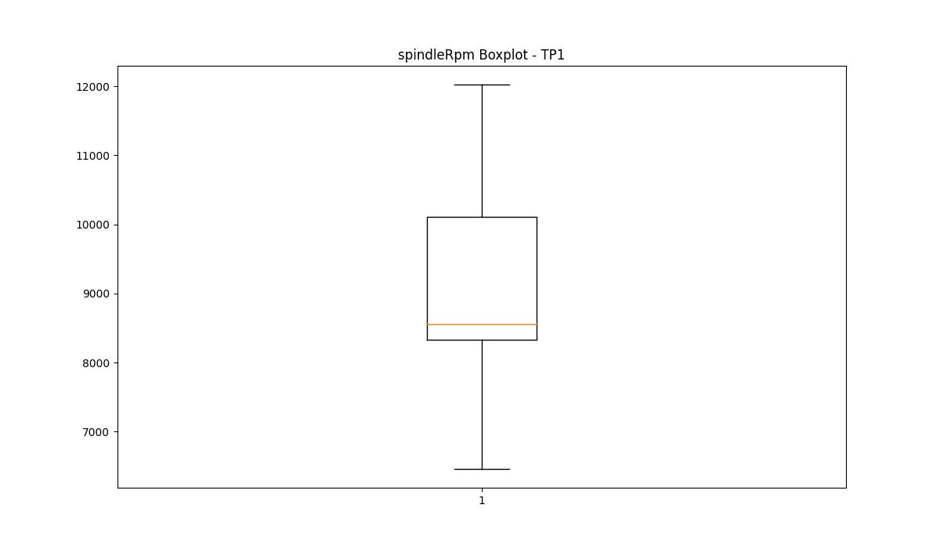

rpmSetPoint

numTP |  | 1 | 21
rpmSetPoint outliers |  | [ 5000. 17000.] | []
upper_bound |  | 13600 | 28700
lower_bound |  | 6400 | -2500

statistiche con outliers: |  |  |  | statistiche senza outliers:
numTP |  | 1 | 21 | numTP |  | 1 | 21
rpmSetPoint | max | 17000 | 17500 | rpmSetPoint | max | 12000 | 17500
 | min | 5000 | 5000 |  | min | 7100 | 5000
 | avg | 9532.876218 | 12539.25638 |  | avg | 9623.6551216 | 12539.25638
 | median | 9200 | 12000 |  | median | 9200 | 12000

BOXPLOT CON OUTLIERS
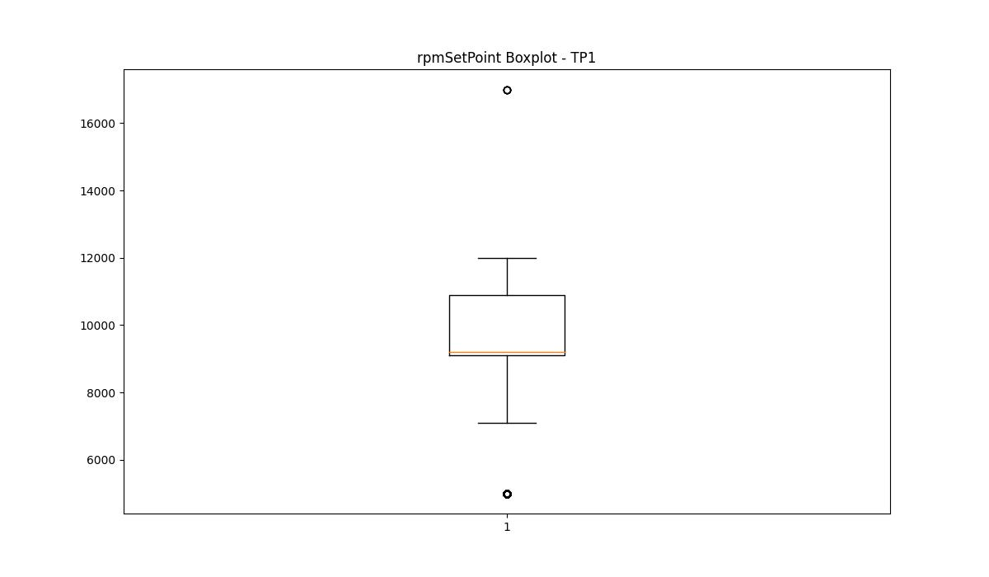
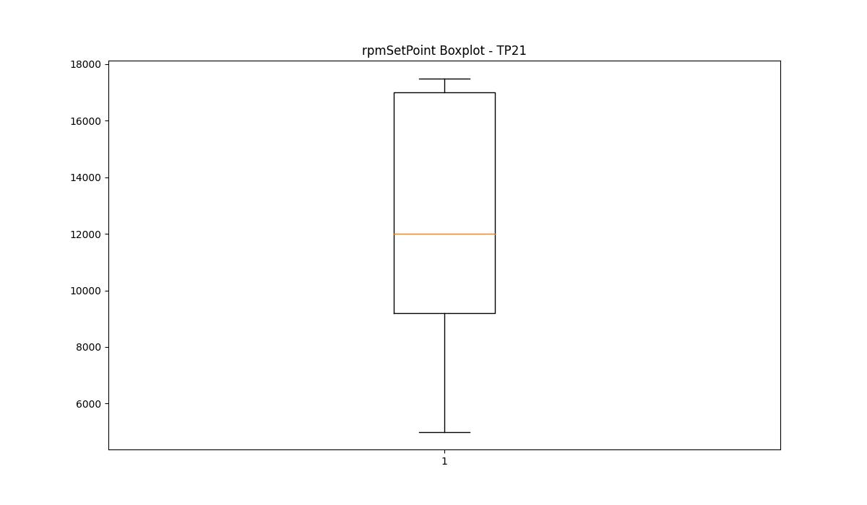

BOXPLOT SENZA OUTLIERS

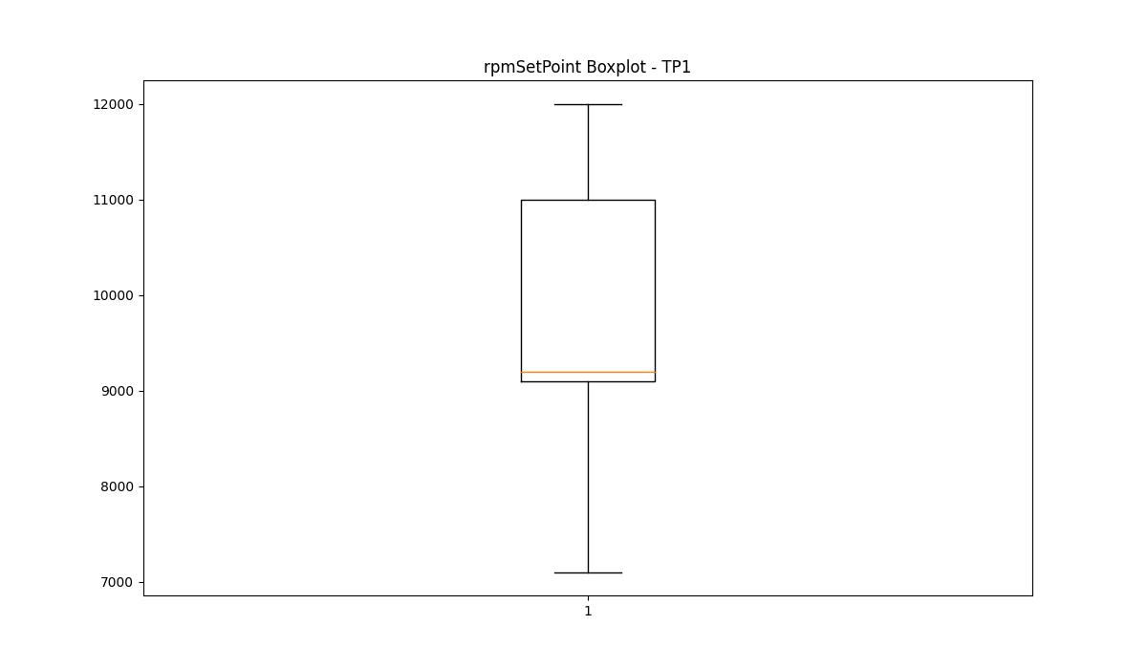

CurrentPeak

numTP |  | 1 | 21
CurrentPeak outliers |  | [17.641 17.523 17.67 17.464 17.611 17.936 16.992 16.962 16.844 16.874 17.405 16.815 16.785 17.582 16.726 17.788 8.23 8.201 7.847 9.587 9.794 7.758 11.269 11.947 8.702 15.723 17.759 17.995 17.877 17.198 17.316 15.576 17.493 17.375 17.847 17.434 17.287 17.169 17.228 17.729 15.664 18.024 17.965 18.113 17.7 18.054 17.257 17.552 17.906 18.231 15.9 17.139 15.871 17.818 17.346 17.08 17.051 15.812 18.083 6.342 6.283 6.106 6.224 6.903 6.962 5.9 6.785 5.752 6.254 5.841 6.49 6.195 6.018 5.929 5.693 5.87 5.575 6.401 6.136 15.605 17.021 18.201 18.26 16.667 6.077 6.165 5.988 6.313 5.959 5.664 5.605 5.782 6.549 16.697 16.549 16.756 16.461 16.903 16.579 16.608 18.29 16.638 16.402 16.933 16.343 16.52 16.431 15.753 16.372 16.136 15.694 16.254 16.284 16.077 16.166 15.989 16.018 16.225 16.048 16.195 15.841 6.372 6.519 5.811 6.047 5.634 18.142 15.93 15.959 16.49 15.635 16.107 15.782 16.313 17.11 6.608 4.779 6.431 6.637 5.546 5.221 5.723 6.814 5.369 5.487 5.015 5.103 5.428 5.339 6.46 5.251 5.192 5.457 5.162 4.543 5.31 5.133 4.867 5.516 4.897 6.667 6.755 5.044 7.021 6.696 5.398 5.074 4.926 4.808 7.05 7.109 6.578 4.72 4.661 7.965 7.699 8.289 8.82 7.552 8.997 7.64 8.466 7.375 5.28 6.932 6.844 6.873 4.631] | [7.285 4.681 6.696 3.999 3.875 3.813 3.72 4.092 4.309 4.185 4.061 4.123 3.751 3.906 4.03 3.937 0. ]
upper_bound |  | 15.562 | 38.3925
lower_bound |  | 14.97 | 21.4045

statistiche con outliers: |  |  |  | statistiche senza outliers:
numTP |  | 1 | 21 | numTP |  | 1 | 21
CurrentPeak | max | 18.29 | 33.696 | CurrentPeak | max | 15.546 | 33.696
 | min | 4.543 | 0 |  | min | 15.074 | 25.823
 | avg | 14.608128834 | 29.976787548 |  | avg | 15.263960469 | 30.041594839
 | median | 15.251 | 30.535 |  | median | 15.251 | 30.566

BOXPLOT CON OUTLIERS
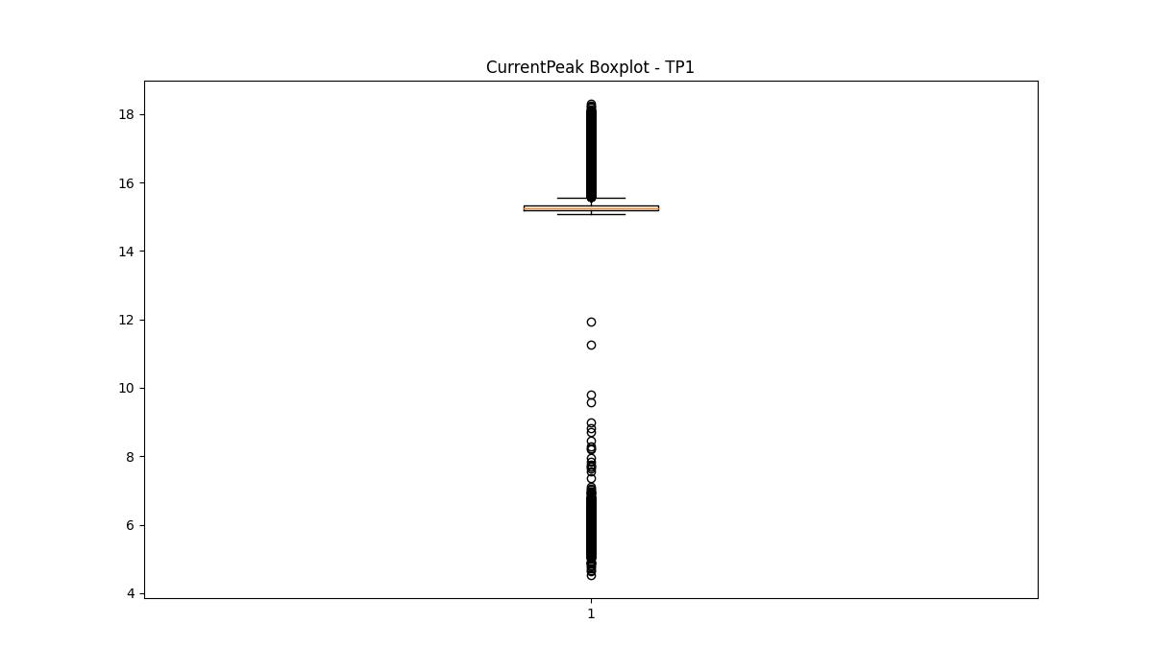
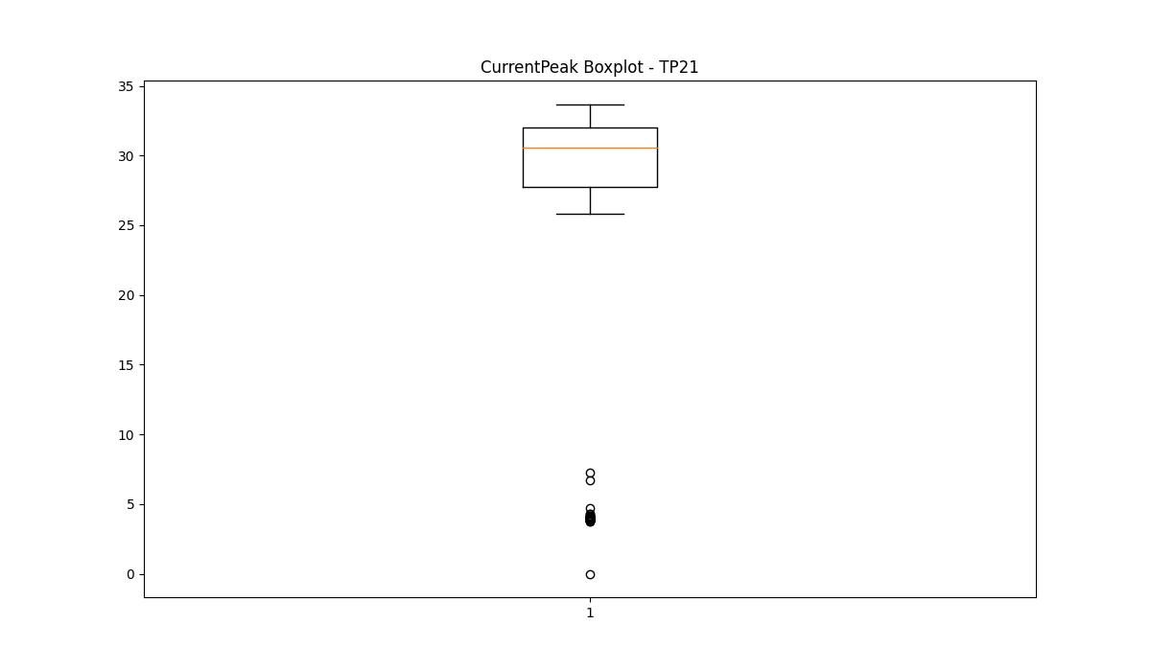

BOXPLOT SENZA OUTLIERS

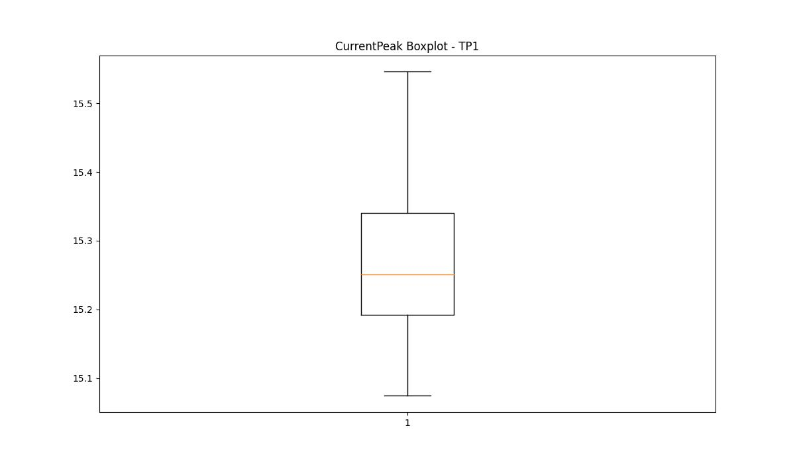
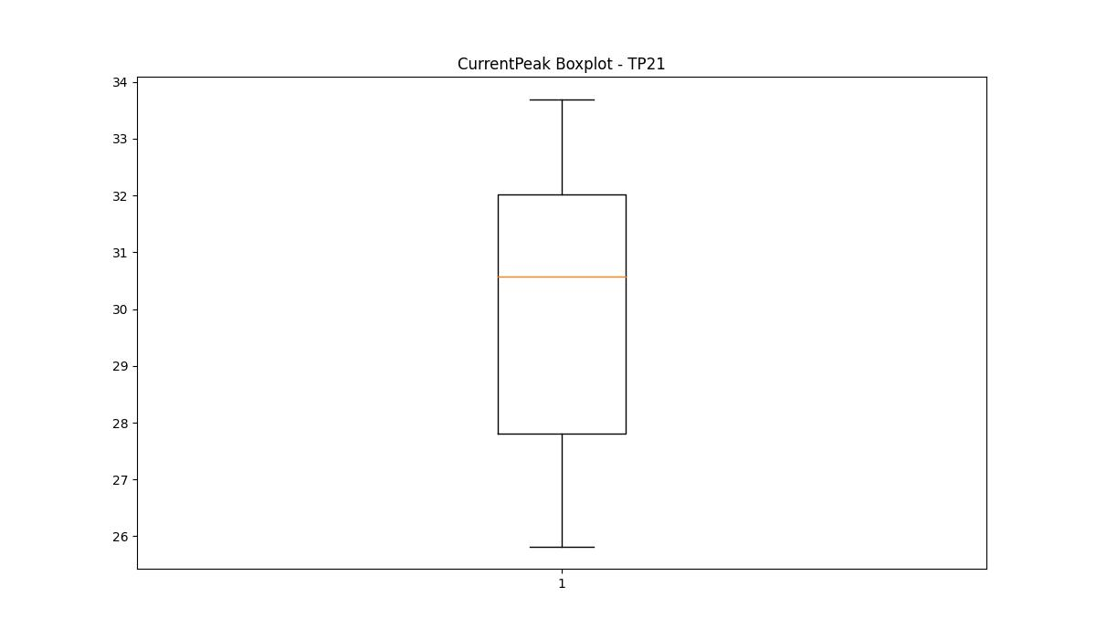

VibromPeak

numTP |  | 1 | 21
VibromPeak outliers |  | [2.1 2. 1.8 2.3 1.9 2.2 1.6 1.5 1.7 2.6 2.8 2.7 2.5 2.9 3. 2.4 3.2 3.1 3.3 3.4] | [ 2.6 2.5 3.4 3.5 2.8 2.9 3.2 3. 2.7 3.1 3.8 3.3 3.6 4. 4.2 4.1 3.7 5.2 4.5 8.2 3.9 10.2 5.5 5.8 5. 5.6 6.2 4.8 4.9 4.4 5.3 4.6 4.3 6.4 6.6 6.8 4.7 5.1 6. 6.5 6.1 5.9 7.2 7.3 6.7 6.3 7. 7.5 5.4 5.7 7.6 7.4 7.1 9. 8.4 8.6 8.7 9.1 7.8 7.7 8.3 6.9 7.9 8. 8.8 8.1 9.2 8.5 9.6 9.5 9.7 10.4 10. 11.6 10.7 10.3 10.9 10.5 11. 9.4 10.6 11.4 10.1 9.8 9.3 11.2 11.1 11.9 11.3 12.4 12.2 12.9 12.1 12.5 15.8 14.5 15. 15.4 12. 15.6 15.7 9.9]
upper_bound |  | 1.4 | 2.45
lower_bound |  | -0.2 | -0.35

statistiche con outliers: |  |  |  | statistiche senza outliers:
numTP |  | 1 | 21 | numTP |  | 1 | 21
VibromPeak | max | 3.4 | 15.8 | VibromPeak | max | 1.4 | 2.4
 | min | 0.2 | 0.2 |  | min | 0.2 | 0.2
 | avg | 0.69916275713 | 1.3558342501 |  | avg | 0.57208026336 | 1.1100518055
 | median | 0.6 | 1.2 |  | median | 0.5 | 1.2

BOXPLOT CON OUTLIERS
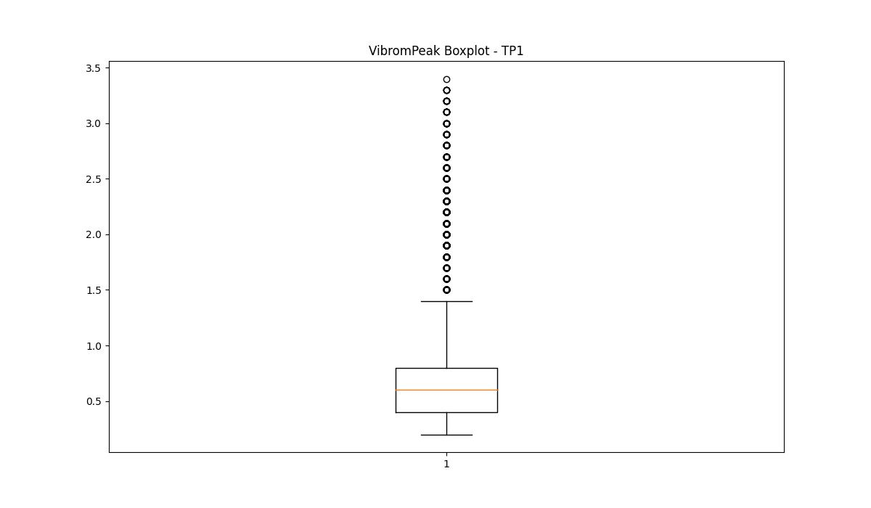
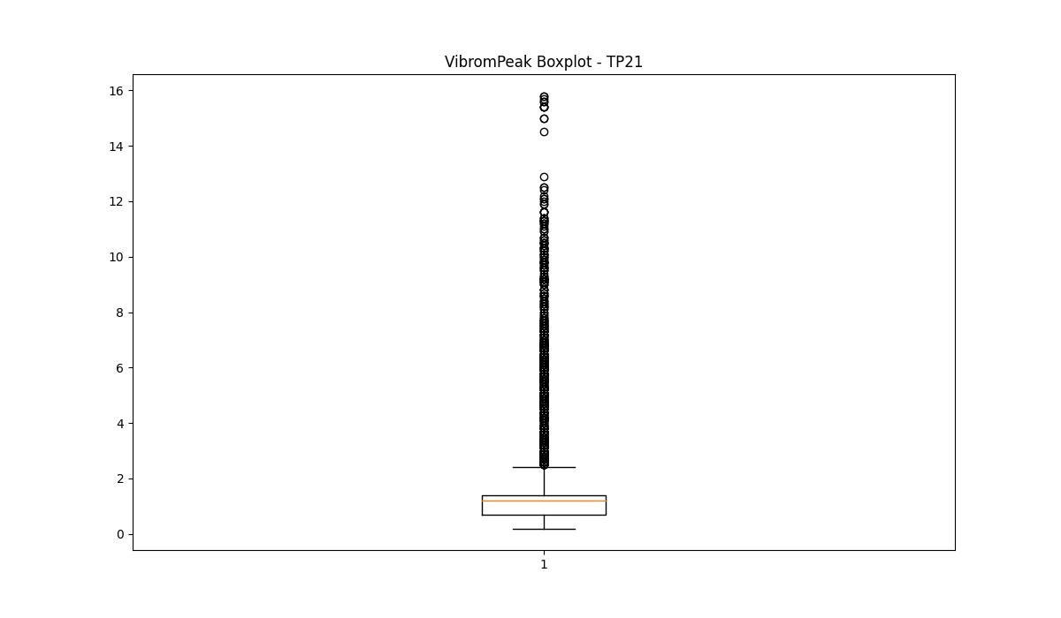

BOXPLOT SENZA OUTLIERS

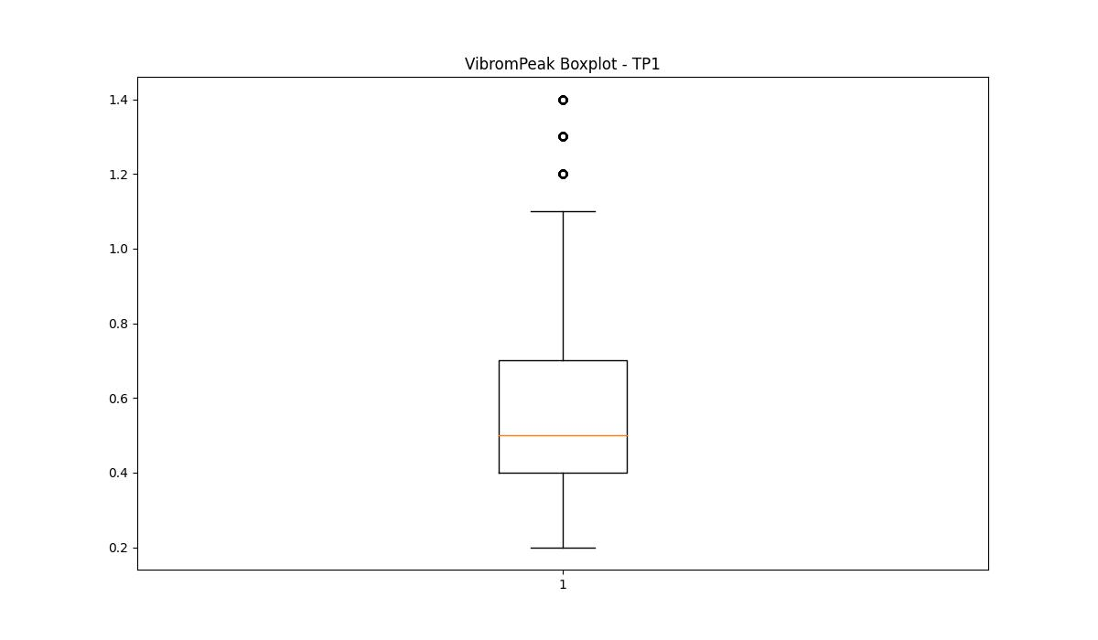
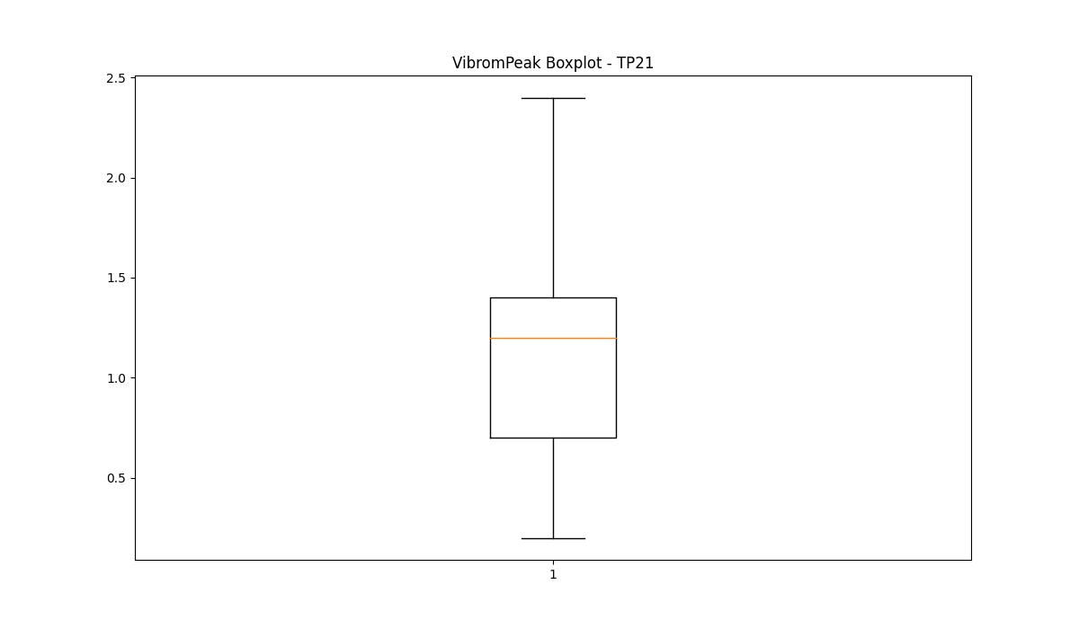

LUNG

numTP |  | 1 | 21
LUNG outliers |  | [] | []
upper_bound |  | 404.5 | 290.89
lower_bound |  | -127.5 | -60.294

statistiche con outliers: |  |  |  | statistiche senza outliers:
numTP |  | 1 | 21 | numTP |  | 1 | 21
LUNG | max | 218 | 219.996 | LUNG | max | 218 | 219.996
 | min | 1.6 | 1.6 |  | min | 1.6 | 1.6
 | avg | 170.65538766 | 114.82530471 |  | avg | 170.65538766 | 114.82530471
 | median | 204 | 126 |  | median | 204 | 126

BOXPLOT CON OUTLIERS
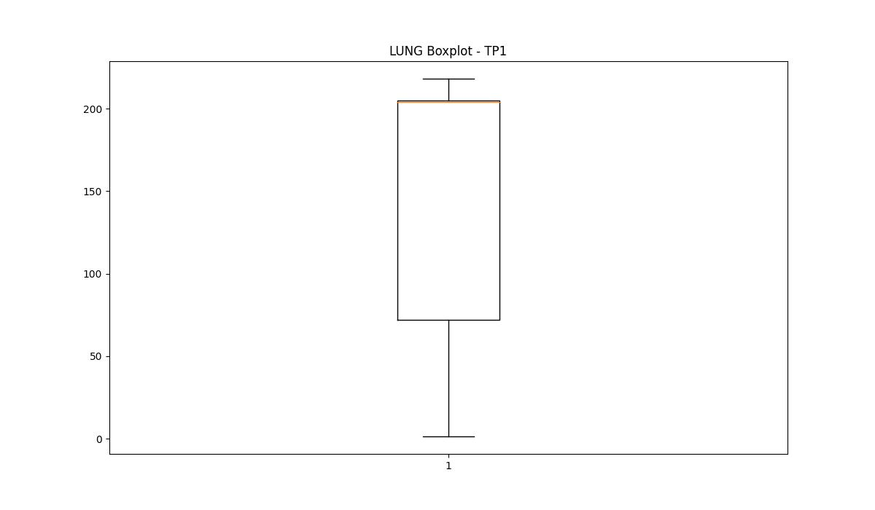
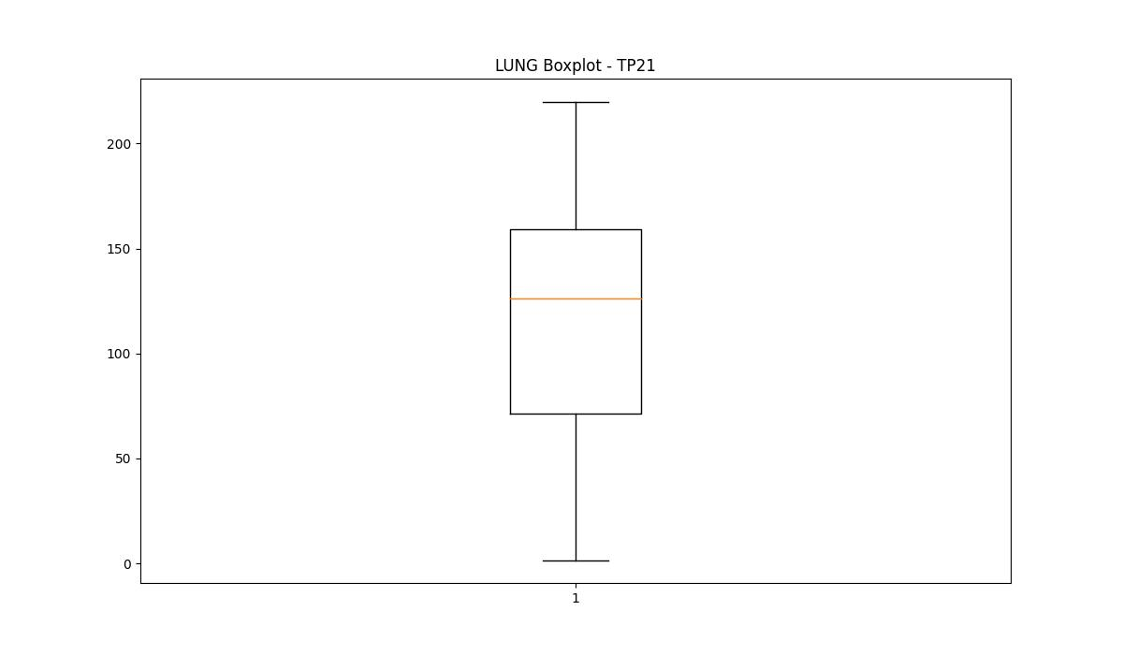

BOXPLOT SENZA OUTLIERS

DIAM

numTP |  | 1 | 21
DIAM outliers |  | [270. 16. 8. 10.] | []
upper_bound |  | 237.5 | 405
lower_bound |  | 57.5 | -227

statistiche con outliers: |  |  |  | statistiche senza outliers:
numTP |  | 1 | 21 | numTP |  | 1 | 21
DIAM | max | 270 | 270 | DIAM | max | 170 | 270
 | min | 8 | 7.2 |  | min | 120 | 7.2
 | avg | 127.32962829 | 95.489590276 |  | avg | 160.60469174 | 95.489590276
 | median | 160 | 60 |  | median | 165 | 60

BOXPLOT CON OUTLIERS
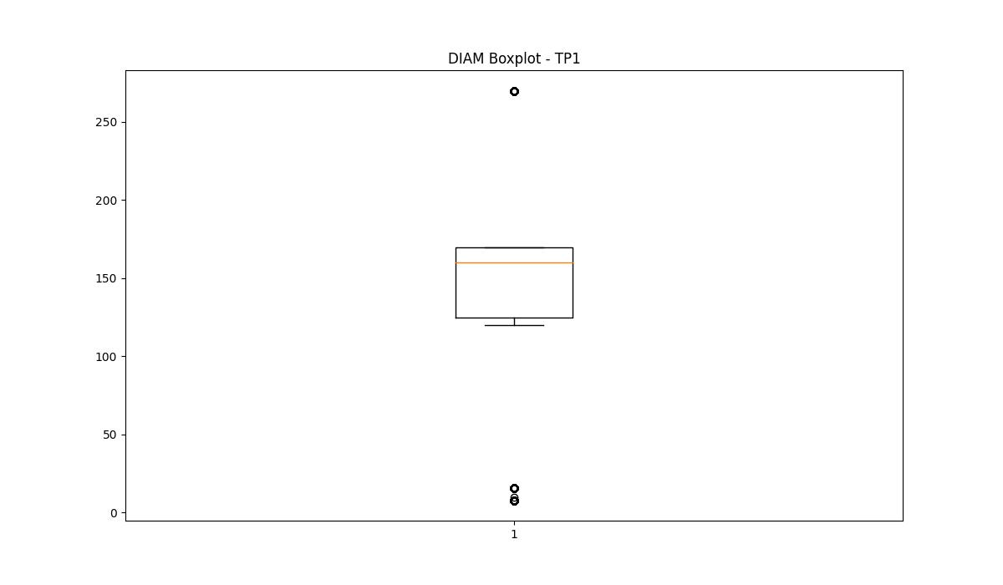
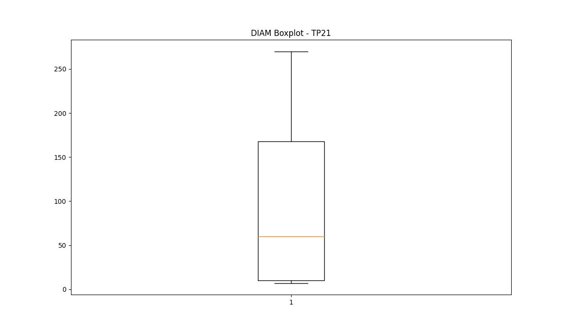

BOXPLOT SENZA OUTLIERS

