Foglio1
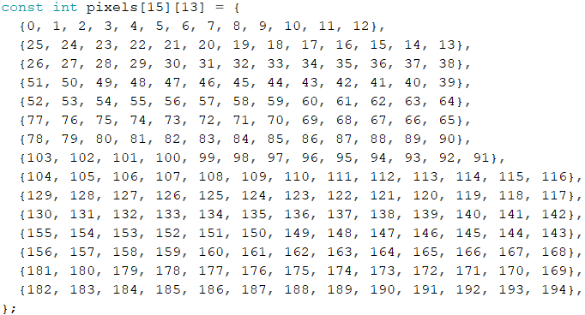
 | i
j | 0 | 1 | 2 | 3 | 4 | 5 | 6 | 7 | 8 | 9 | 10 | 11 | 12
 | 1 | 1/1 | 1/2 | 1/3 | 1/4 | 1/5 | 1/6 | 1/7 | 1/8 | 1/9 | 1/10 | 1/11 | 1/12
 | 2 | 2/1 | 2/2 | 2/3 | 2/4 | 2/5 | 2/6 | 2/7 | 2/8 | 2/9 | 2/10 | 2/11 | 2/12
 | 3 | 3/1 | 3/2 | 3/3 | 3/4 | 3/5 | 3/6 | 3/7 | 3/8 | 3/9 | 3/10 | 3/11 | 3/12
 | 4 | 4/1 | 4/2 | 4/3 | 4/4 | 4/5 | 4/6 | 4/7 | 4/8 | 4/9 | 4/10 | 4/11 | 4/12
 | 5 | 5/1 | 5/2 | 5/3 | 5/4 | 5/5 | 5/6 | 5/7 | 5/8 | 5/9 | 5/10 | 5/11 | 5/12
 | 6 | 6/1 | 6/2 | 6/3 | 6/4 | 6/5 | 6/6 | 6/7 | 6/8 | 6/9 | 6/10 | 6/11 | 6/12
 | 7 | 7/1 | 7/2 | 7/3 | 7/4 | 7/5 | 7/6 | 7/7 | 7/8 | 7/9 | 7/10 | 7/11 | 7/12
 | 8 | 8/1 | 8/2 | 8/3 | 8/4 | 8/5 | 8/6 | 8/7 | 8/8 | 8/9 | 8/10 | 8/11 | 8/12
 | 9 | 9/1 | 9/2 | 9/3 | 9/4 | 9/5 | 9/6 | 9/7 | 9/8 | 9/9 | 9/10 | 9/11 | 9/12
 | 10 | 10/1 | 10/2 | 10/3 | 10/4 | 10/5 | 10/6 | 10/7 | 10/8 | 10/9 | 10/10 | 10/11 | 10/12
 | 11 | 11/1 | 11/2 | 11/3 | 11/4 | 11/5 | 11/6 | 11/7 | 11/8 | 11/9 | 11/10 | 11/11 | 11/12
 | 12 | 12/1 | 12/2 | 12/3 | 12/4 | 12/5 | 12/6 | 12/7 | 12/8 | 12/9 | 12/10 | 12/11 | 12/12
 | 13 | 13/1 | 13/2 | 13/3 | 13/4 | 13/5 | 13/6 | 13/7 | 13/8 | 13/9 | 13/10 | 13/11 | 13/12
 | 14 | 14/1 | 14/2 | 14/3 | 14/4 | 14/5 | 14/6 | 14/7 | 14/8 | 14/9 | 14/10 | 14/11 | 14/12

