Bonjean Data
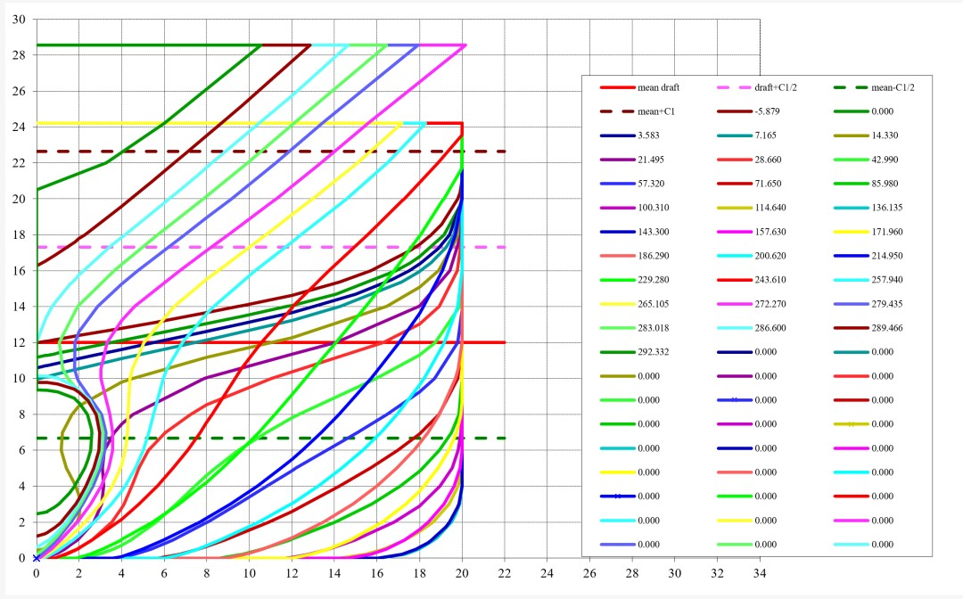
Index | Station position (m) | X/L (m) | Derived Half Beam (m) | Derived Half Section Area (m2) | Height of local underside of keel above baseline (m) | local VCB above baseline (m)
1 | -5.879 | -0.205 | 0.064 | 0 | 11.98 | 11.989
2 | 0 | 0 | 3.509 | 1.435 | 11.177 | 11.721
3 | 3.583 | 0.125 | 5.509 | 3.868 | 10.584 | 11.525
4 | 7.165 | 0.25 | 7.437 | 7.37 | 9.949 | 11.324
5 | 14.33 | 0.5 | 11.026 | 32.287 | 0.444 | 8.32
6 | 21.495 | 0.75 | 14.052 | 57.526 | 0 | 8.012
7 | 28.66 | 1 | 16.299 | 80.328 | 0 | 7.854
8 | 42.99 | 1.5 | 18.728 | 123.233 | 0 | 7.518
9 | 57.32 | 2 | 19.798 | 159.667 | 0 | 7.187
10 | 71.65 | 2.5 | 20 | 188.387 | 0 | 6.856
11 | 85.98 | 3 | 20 | 209.638 | 0 | 6.544
12 | 100.31 | 3.5 | 20 | 224.242 | 0 | 6.302
13 | 114.64 | 4 | 20 | 232.617 | 0 | 6.15
14 | 136.135 | 4.75 | 20 | 236.509 | 0 | 6.073
15 | 143.3 | 5 | 20 | 236.224 | 0 | 6.079
16 | 157.63 | 5.5 | 20 | 232.011 | 0 | 6.157
17 | 171.96 | 6 | 20 | 220.722 | 0 | 6.339
18 | 186.29 | 6.5 | 20 | 201.651 | 0 | 6.578
19 | 200.62 | 7 | 19.173 | 174.383 | 0 | 6.825
20 | 214.95 | 7.5 | 17.05 | 142.217 | 0 | 7.046
21 | 229.28 | 8 | 14.07 | 109.949 | 0 | 7.218
22 | 243.61 | 8.5 | 10.575 | 80.325 | 0 | 7.295
23 | 257.94 | 9 | 6.863 | 54.275 | 0 | 7.183
24 | 265.105 | 9.25 | 5.058 | 43.044 | 0 | 7.025
25 | 272.27 | 9.5 | 3.325 | 33.789 | 0 | 6.775
26 | 279.435 | 9.75 | 1.811 | 27.019 | 0 | 6.447
27 | 283.018 | 9.875 | 1.071 | 24.224 | 0.19 | 6.266
28 | 286.6 | 10 | 0.005 | 20.917 | 0.613 | 5.87
29 | 289.466 | 10.1 | 0 | 19.078 | 1.214 | 5.916
30 | 292.332 | 10.2 | 0 | 13.771 | 2.454 | 6.18
Notes | based on a water density of 1000 kg/m3

