Bug _001
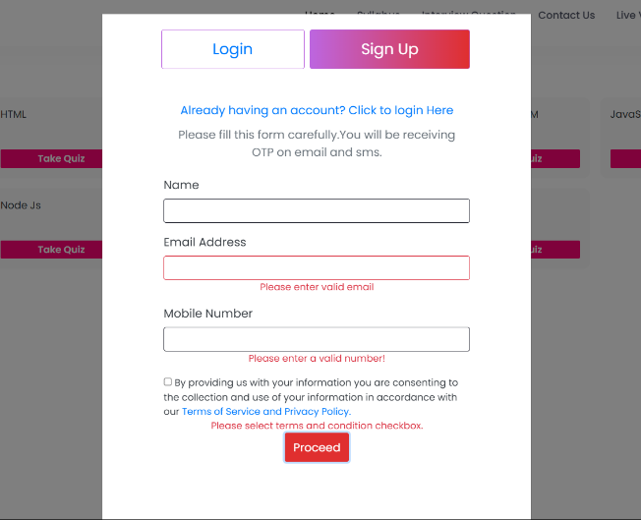
 | Bug Reporting
1 | Bug ID:- Bug_001
2 | Bug Name :- "Please enter the valid name" massege not diplay.
3 | Bug Description :- When user create account then the name field leave empty "Please enter valid name" messege not display.
4 | Step to Reproduce Bug :- 1./www.qa.jbktest.com 2. Click the testing tab 3.click any topic for test 4.Click the Sign up button 5. Leave the name field empty 6.Click the proceed button.
5 | Test case ID :- TC_06
6 | Status of Bug :- New
7 | Severity Of Bug :- minor
8 | Priority of Bug :- Low
9 | Reproducibality :- Always
10 | Screenshot :-

