Sheet1
POWER CURVE MEASUREMENTS (IEC 61400-12-1)
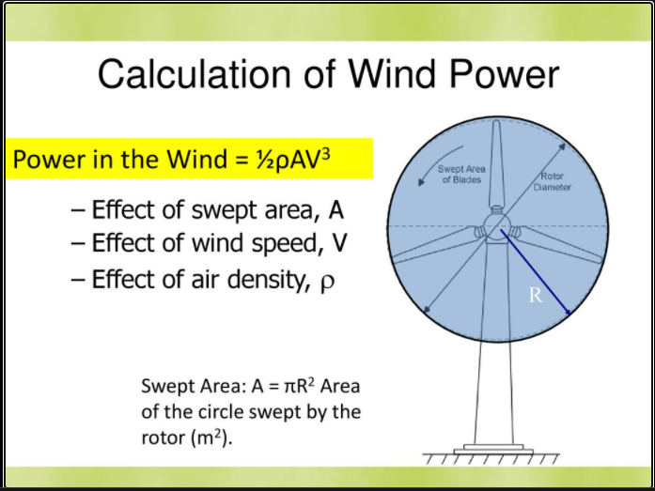
Parameter | Value | Units
Rho | 1.225 | kg/m^3 |  |  |  |  |  | Cp | 0.42
Rotor Dia | 90 | m |  |  |  |  |  | Ct | 0.836
Swept Area | 6361.7 | m^2 |  |  |  |  |  | Cg | 0.97
Cp | 0.42 | - |  |  |  |  |  | Overall efficiency | 0.341
Cut-in wind speed | 4 | m/s
Cut-out wind speed | 25 | m/s
Cal. Rated speed | 10.7 | m/s
Power Curve
windspeed (m/s) | Max. Power (W) | Cp*Power (W) | Operating Power Curve | P after trans. Losses | Operating Curve for P after T | P after generator losses | Operating Curve for P after T
4 | 249379.6 | 104739.4 | 104739.4 | 87562.173774 | 87562.173774 | 84935.308561 | 84935.308561
5 | 487069.6 | 204569.2 | 204569.2 | 171019.87065 | 171019.87065 | 165889.27453 | 165889.27453
6 | 841656.2 | 353495.6 | 353495.6 | 295522.33649 | 295522.33649 | 286656.66639 | 286656.66639
7 | 1336518.9 | 561337.9 | 561337.9 | 469278.52507 | 469278.52507 | 455200.16932 | 455200.16932
8 | 1995037.0 | 837915.5 | 837915.5 | 700497.3902 | 700497.3902 | 679482.46849 | 679482.46849
9 | 2840589.8 | 1193047.7 | 1193047.7 | 997387.88565 | 997387.88565 | 967466.24908 | 967466.24908
10 | 3896556.6 | 1636553.8 | 1636553.8 | 1368158.9652 | 1368158.9652 | 1327114.1963 | 1327114.1963
11 | 5186316.9 | 2178253.1 | 2000000.0 | 1821019.5827 | 1821019.5827 | 1766388.9952 | 1766388.9952
12 | 6733249.9 | 2827964.9 | 2000000.0 | 2364178.6919 | 2000000 | 2293253.3312 | 2000000
13 | 8560734.9 | 3595508.7 | 2000000.0 | 3005845.2466 | 2000000 | 2915669.8892 | 2000000
14 | 10692151.4 | 4490703.6 | 2000000.0 | 3754228.2006 | 2000000 | 3641601.3546 | 2000000
15 | 13150878.6 | 5523369.0 | 2000000.0 | 4617536.5076 | 2000000 | 4479010.4124 | 2000000
16 | 15960296.0 | 6703324.3 | 2000000.0 | 5603979.1216 | 2000000 | 5435859.7479 | 2000000
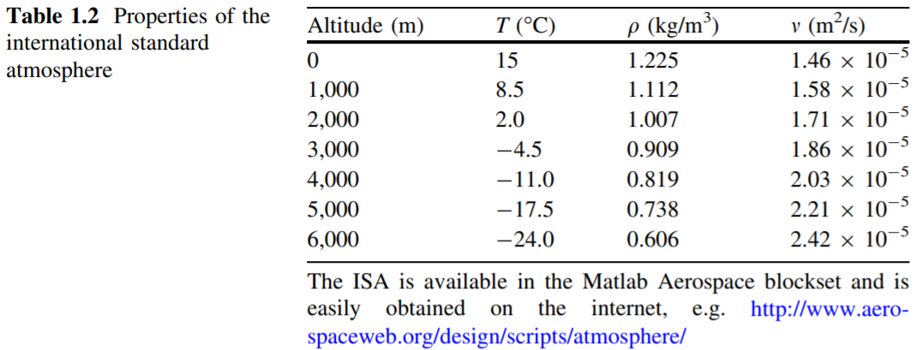
17 | 19143782.7 | 8040388.8 | 2000000.0 | 6721764.9962 | 2000000 | 6520112.0463 | 2000000
18 | 22724718.3 | 9544381.7 | 2000000.0 | 7979103.0852 | 2000000 | 7739729.9926 | 2000000
19 | 26726482.0 | 11225122.4 | 2000000.0 | 9384202.3425 | 2000000 | 9102676.2722 | 2000000
20 | 31172453.1 | 13092430.3 | 2000000.0 | 10945271.722 | 2000000 | 10616913.57 | 2000000
21 | 36086011.0 | 15156124.6 | 2000000.0 | 12670520.177 | 2000000 | 12290404.572 | 2000000
22 | 41490535.0 | 17426024.7 | 2000000.0 | 14568156.662 | 2000000 | 14131111.962 | 2000000
23 | 47409404.6 | 19911949.9 | 2000000.0 | 16646390.13 | 2000000 | 16146998.426 | 2000000
24 | 53865998.9 | 22623719.5 | 2000000.0 | 18913429.535 | 2000000 | 18346026.649 | 2000000
25 | 60883697.4 | 25571152.9 | 2000000.0 | 21377483.832 | 2000000 | 20736159.317 | 2000000

Sheet2
POWER CURVE FOR VESTAS V90-2MW WIND TURBINE

Power Curve - V90 2MW
Windspeed (m/s) | Power (KW) | Power (KW) | Power (KW) | Power (KW) | Ct | Ct | Ct | Ct |  | https://en.wind-turbine-models.com/turbines/16-vestas-v90#powercurve
 | Noise Mode 0 | Noise Mode 1 | Noise Mode 2 | Noise Mode 3 | Noise Mode 0 | Noise Mode 1 | Noise Mode 2 | Noise Mode 3
4 | 89 | 89 | 89 | 89 | 0.838 | 0.838 | 0.838 | 0.836
4.5 | 142 | 142 | 142 | 142 | 0.819 | 0.817 | 0.817 | 0.8
5 | 204 | 204 | 204 | 203 | 0.808 | 0.806 | 0.806 | 0.766
5.5 | 279 | 278 | 278 | 276 | 0.804 | 0.801 | 0.801 | 0.748
6 | 368 | 367 | 368 | 363 | 0.804 | 0.801 | 0.8 | 0.745
6.5 | 470 | 470 | 470 | 469 | 0.807 | 0.804 | 0.8 | 0.765
7 | 594 | 594 | 594 | 591 | 0.807 | 0.802 | 0.789 | 0.758
7.5 | 736 | 736 | 732 | 730 | 0.801 | 0.793 | 0.762 | 0.748
8 | 896 | 895 | 874 | 884 | 0.784 | 0.773 | 0.719 | 0.731
8.5 | 1069 | 1063 | 1014 | 1049 | 0.755 | 0.74 | 0.666 | 0.707
9 | 1247 | 1233 | 1150 | 1224 | 0.717 | 0.697 | 0.612 | 0.68
9.5 | 1428 | 1401 | 1284 | 1407 | 0.674 | 0.649 | 0.562 | 0.649
10 | 1599 | 1561 | 1413 | 1583 | 0.628 | 0.601 | 0.516 | 0.613
10.5 | 1753 | 1710 | 1539 | 1743 | 0.578 | 0.554 | 0.476 | 0.571
11 | 1881 | 1842 | 1662 | 1876 | 0.525 | 0.507 | 0.44 | 0.522
11.5 | 1951 | 1928 | 1768 | 1949 | 0.463 | 0.453 | 0.404 | 0.461
12 | 1981 | 1971 | 1849 | 1980 | 0.402 | 0.398 | 0.366 | 0.401
Ct vs Wind Speed
12.5 | 1994 | 1989 | 1899 | 1993 | 0.349 | 0.348 | 0.329 | 0.349
13 | 1998 | 1996 | 1927 | 1998 | 0.306 | 0.305 | 0.292 | 0.306
13.5 | 2000 | 1999 | 1944 | 2000 | 0.27 | 0.27 | 0.261 | 0.27
14 | 2000 | 2000 | 1955 | 2000 | 0.239 | 0.239 | 0.233 | 0.239
14.5 | 2000 | 2000 | 1963 | 2000 | 0.214 | 0.214 | 0.209 | 0.214
15 | 2000 | 2000 | 1973 | 2000 | 0.192 | 0.192 | 0.189 | 0.192
15.5 | 2000 | 2000 | 1980 | 2000 | 0.173 | 0.173 | 0.171 | 0.173
16 | 2000 | 2000 | 1987 | 2000 | 0.157 | 0.157 | 0.156 | 0.157
16.5 | 2000 | 2000 | 1992 | 2000 | 0.143 | 0.143 | 0.142 | 0.143
17 | 2000 | 2000 | 1995 | 2000 | 0.131 | 0.131 | 0.13 | 0.131
17.5 | 2000 | 2000 | 1998 | 2000 | 0.119 | 0.119 | 0.119 | 0.119
18 | 2000 | 2000 | 1999 | 2000 | 0.11 | 0.11 | 0.11 | 0.11
18.5 | 2000 | 2000 | 2000 | 2000 | 0.101 | 0.101 | 0.101 | 0.101
19 | 2000 | 2000 | 2000 | 2000 | 0.094 | 0.094 | 0.094 | 0.094
19.5 | 2000 | 2000 | 2000 | 2000 | 0.087 | 0.087 | 0.087 | 0.087
20 | 2000 | 2000 | 2000 | 2000 | 0.081 | 0.081 | 0.081 | 0.081
20.5 | 2000 | 2000 | 2000 | 2000 | 0.075 | 0.075 | 0.075 | 0.075
21 | 2000 | 2000 | 2000 | 2000 | 0.07 | 0.07 | 0.07 | 0.07
21.5 | 2000 | 2000 | 2000 | 2000 | 0.066 | 0.066 | 0.066 | 0.066
22 | 2000 | 2000 | 2000 | 2000 | 0.062 | 0.062 | 0.062 | 0.062
22.5 | 2000 | 2000 | 2000 | 2000 | 0.058 | 0.058 | 0.058 | 0.058
23 | 2000 | 2000 | 2000 | 2000 | 0.054 | 0.055 | 0.054 | 0.054
23.5 | 2000 | 2000 | 2000 | 2000 | 0.051 | 0.051 | 0.051 | 0.051
24 | 2000 | 2000 | 2000 | 2000 | 0.048 | 0.048 | 0.048 | 0.048
24.5 | 2000 | 2000 | 2000 | 2000 | 0.045 | 0.045 | 0.045 | 0.045
25 | 2000 | 2000 | 2000 | 2000 | 0.043 | 0.043 | 0.043 | 0.043

TIP SPEED RATIO |  |  |  |  | PITCH ANGLE VARIATION

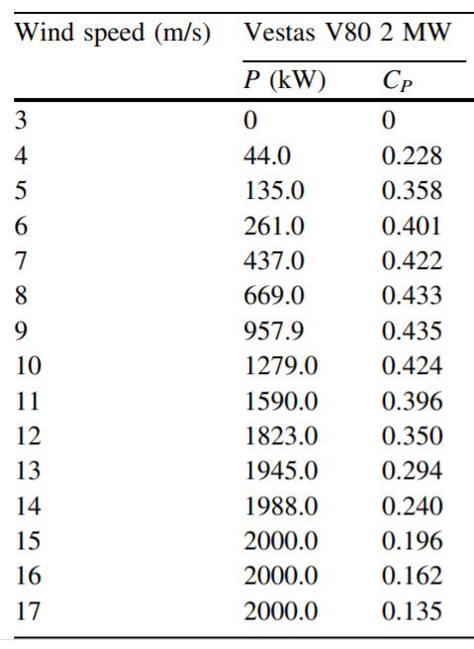
Rotor Radius | 45 | m
Rated Speed | 1.56 | rad/s |  | Req Rotor rpm (TSR=5.2)
 |  |  |  |  | c1 | 0.5
WindSpeed | Actual TSR | Limit/MaxTSR | Rotor Speed | in rpm | c2 | 116
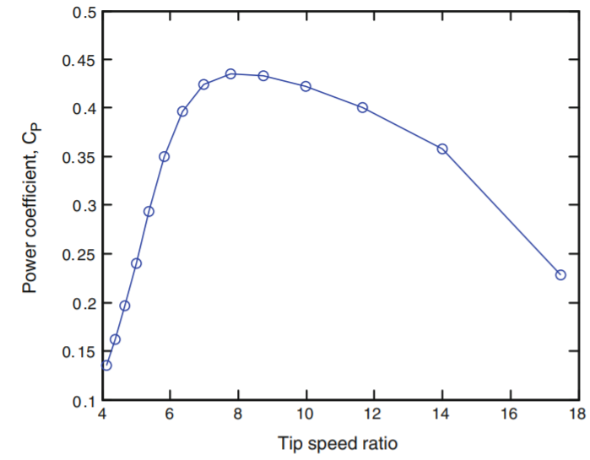
4 | 17.6 | 5.2 | 0.462 | 4.41 | c3 | 0.4
5 | 14.0 | 5.2 | 0.578 | 5.52 | c4 | 0
6 | 11.7 | 5.2 | 0.693 | 6.62 | c5 | 5
7 | 10.0 | 5.2 | 0.809 | 7.72 | c6 | 21
8 | 8.8 | 5.2 | 0.924 | 8.83 | TSR | 5.2
9 | 7.8 | 5.2 | 1.040 | 9.93 | Beta(Pitch) |  |  | 1/gamma |  |  | Cp
10 | 7.0 | 5.2 | 1.156 | 11.03 | 0 | 0.192 | 0.035 | 0.157 | 6.6238461538 | 0.036755715616 | 0.24346420551
11 | 6.4 | 5.2 | 1.271 | 12.14 | 1 | 0.189 | 0.0175 | 0.172 | 7.2698484848 | 0.027057995712 | 0.19670752913
12 | 5.9 | 5.2 | 1.387 | 13.24 | 2 | 0.187 | 0.0039 | 0.183 | 7.6953399668 | 0.021574487835 | 0.1660230185
13 | 5.4 | 5.2 | 1.502 | 14.35 | 4 | 0.181 | 0.0005 | 0.181 | 7.1760156076 | 0.022527012512 | 0.16165419338
13.5 | 5.2 | 5.2 | 1.560 | 14.90 | 6 | 0.176 | 0.0002 | 0.176 | 6.5019127669 | 0.024877387968 | 0.16175060644
14 | 5.0 |  |  |  | 8 | 0.171 | 0.0001 | 0.171 | 5.8275497343 | 0.027475580176 | 0.16011530995
15 | 4.7 |  |  |  | 10 | 0.167 | 0.0000 | 0.167 | 5.1646386946 | 0.030219564469 | 0.15607313199
16 | 4.4 |  |  |  | 12 | 0.162 | 0.0000 | 0.162 | 4.5144103265 | 0.033085313106 | 0.14936067914 | Figure 1.was generated from the power curve data by using the almost constant w of 16.9 rpm for the Vestas V80. The maximum CP is nearly 0.44.
17 | 4.1 |  |  |  | 14 | 0.158 | 0.0000 | 0.158 | 3.8764756635 | 0.036061947676 | 0.13979326254
18 | 3.9 |  |  |  | 16 | 0.154 | 0.0000 | 0.154 | 3.2501217994 | 0.039141916961 | 0.12721599759
19 | 3.7 |  |  |  | 18 | 0.151 | 0.0000 | 0.151 | 2.6345917391 | 0.042318768346 | 0.1114926775
20 | 3.5 |  |  |  | 20 | 0.147 | 0.0000 | 0.147 | 2.0291580464 | 0.045586510409 | 0.092502234404
21 | 3.3
22 | 3.2
23 | 3.1
24 | 2.9
25 | 2.8

r | LSR at 13.5 m/s
1.8 | 0.208
3.6 | 0.416
5.4 | 0.624
7.2 | 0.832
9 | 1.04
10.8 | 1.248
12.6 | 1.456
14.4 | 1.664
16.2 | 1.872
18 | 2.08
19.8 | 2.288
21.6 | 2.496
23.4 | 2.704
25.2 | 2.912
27 | 3.12
28.8 | 3.328
30.6 | 3.536
32.4 | 3.744
34.2 | 3.952
36 | 4.16
37.8 | 4.368
39.6 | 4.576
41.4 | 4.784
43.2 | 4.992
45 | 5.2

Sheet3
FLOW ANGLE CALCULATIONS AT RATED ROTOR SPEED (NEGLECTING AXIAL AND ROTATIONAL INDUCTION FACTORS)
Rated Rotor speed |  | 14.9 | rpm
 |  | 1.56 | rad/sec

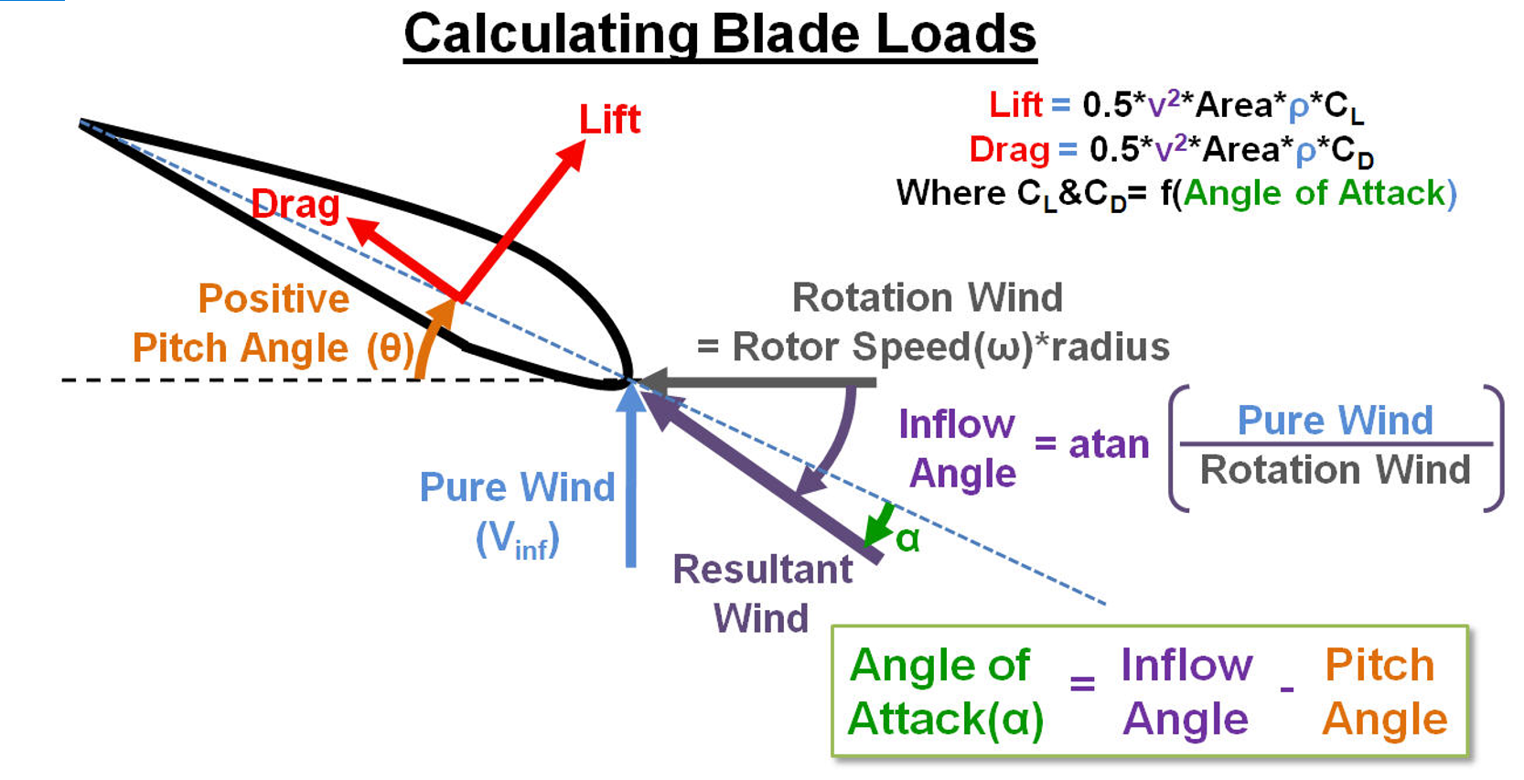
Windspeed (m/s) | 0.1R(4.5m) |  | 0.2R(9m) |  | 0.3R(13.5m) |  | 0.4R(18m) |  | 0.5R(22.5m) |  | 0.6R(27m) |  | 0.7R(31.5) |  | 0.8R(36m) |  | 0.9R(40.5) |  | R(45)
 | Flow angle in rad | Flow angle in deg | Flow angle in rad | Flow angle in deg | Flow angle in rad | Flow angle in deg | Flow angle in rad | Flow angle in deg | Flow angle in rad | Flow angle in deg | Flow angle in rad | Flow angle in deg | Flow angle in rad | Flow angle in deg | Flow angle in rad | Flow angle in deg | Flow angle in rad | Flow angle in deg | Flow angle in rad | Flow angle in deg
4 | 0.52 | 29.67 | 0.28 | 15.90 | 0.19 | 10.75 | 0.14 | 8.11 | 0.11 | 6.50 | 0.09 | 5.42 | 0.08 | 4.65 | 0.07 | 4.07 | 0.06 | 3.62 | 0.06 | 3.26 | 0.1 | 4.5
5 | 0.62 | 35.45 | 0.34 | 19.60 | 0.23 | 13.35 | 0.18 | 10.09 | 0.14 | 8.11 | 0.12 | 6.77 | 0.10 | 5.81 | 0.09 | 5.09 | 0.08 | 4.52 | 0.07 | 4.07 | 0.2 | 9
6 | 0.71 | 40.51 | 0.40 | 23.14 | 0.28 | 15.90 | 0.21 | 12.06 | 0.17 | 9.70 | 0.14 | 8.11 | 0.12 | 6.96 | 0.11 | 6.10 | 0.09 | 5.42 | 0.09 | 4.88 | 0.3 | 13.5
7 | 0.78 | 44.91 | 0.46 | 26.49 | 0.32 | 18.38 | 0.24 | 14.00 | 0.20 | 11.28 | 0.16 | 9.43 | 0.14 | 8.11 | 0.12 | 7.10 | 0.11 | 6.32 | 0.10 | 5.69 | 0.4 | 18
8 | 0.85 | 48.73 | 0.52 | 29.67 | 0.36 | 20.80 | 0.28 | 15.90 | 0.22 | 12.84 | 0.19 | 10.75 | 0.16 | 9.24 | 0.14 | 8.11 | 0.13 | 7.22 | 0.11 | 6.50 | 0.5 | 22.5
9 | 0.91 | 52.04 | 0.57 | 32.66 | 0.40 | 23.14 | 0.31 | 17.77 | 0.25 | 14.38 | 0.21 | 12.06 | 0.18 | 10.38 | 0.16 | 9.10 | 0.14 | 8.11 | 0.13 | 7.30 | 0.6 | 27
10 | 0.96 | 54.93 | 0.62 | 35.45 | 0.44 | 25.40 | 0.34 | 19.60 | 0.28 | 15.90 | 0.23 | 13.35 | 0.20 | 11.50 | 0.18 | 10.09 | 0.16 | 8.99 | 0.14 | 8.11 | 0.7 | 31.5
11 | 1.00 | 57.45 | 0.66 | 38.07 | 0.48 | 27.57 | 0.37 | 21.39 | 0.30 | 17.40 | 0.26 | 14.63 | 0.22 | 12.62 | 0.19 | 11.08 | 0.17 | 9.87 | 0.16 | 8.90 | 0.8 | 36
12 | 1.04 | 59.67 | 0.71 | 40.51 | 0.52 | 29.67 | 0.40 | 23.14 | 0.33 | 18.87 | 0.28 | 15.90 | 0.24 | 13.72 | 0.21 | 12.06 | 0.19 | 10.75 | 0.17 | 9.70 | 0.9 | 40.5
13 | 1.08 | 61.63 | 0.75 | 42.79 | 0.55 | 31.68 | 0.43 | 24.84 | 0.35 | 20.32 | 0.30 | 17.15 | 0.26 | 14.82 | 0.23 | 13.03 | 0.20 | 11.62 | 0.18 | 10.49 | 1 | 45
13.5 | 1.09 | 62.52 | 0.77 | 43.87 | 0.57 | 32.66 | 0.45 | 25.67 | 0.37 | 21.03 | 0.31 | 17.77 | 0.27 | 15.36 | 0.24 | 13.51 | 0.21 | 12.06 | 0.19 | 10.88
14 | 1.11 | 63.36 | 0.78 | 44.91 | 0.59 | 33.61 | 0.46 | 26.49 | 0.38 | 21.74 | 0.32 | 18.38 | 0.28 | 15.90 | 0.24 | 14.00 | 0.22 | 12.49 | 0.20 | 11.28
15 | 1.13 | 64.92 | 0.82 | 46.89 | 0.62 | 35.45 | 0.49 | 28.11 | 0.40 | 23.14 | 0.34 | 19.60 | 0.30 | 16.97 | 0.26 | 14.95 | 0.23 | 13.35 | 0.21 | 12.06
16 | 1.16 | 66.31 | 0.85 | 48.73 | 0.65 | 37.22 | 0.52 | 29.67 | 0.43 | 24.50 | 0.36 | 20.80 | 0.31 | 18.03 | 0.28 | 15.90 | 0.25 | 14.21 | 0.22 | 12.84
17 | 1.18 | 67.56 | 0.88 | 50.44 | 0.68 | 38.91 | 0.54 | 31.19 | 0.45 | 25.84 | 0.38 | 21.98 | 0.33 | 19.08 | 0.29 | 16.84 | 0.26 | 15.06 | 0.24 | 13.61
18 | 1.20 | 68.69 | 0.91 | 52.04 | 0.71 | 40.51 | 0.57 | 32.66 | 0.47 | 27.14 | 0.40 | 23.14 | 0.35 | 20.11 | 0.31 | 17.77 | 0.28 | 15.90 | 0.25 | 14.38
19 | 1.22 | 69.72 | 0.93 | 53.53 | 0.73 | 42.05 | 0.59 | 34.08 | 0.50 | 28.42 | 0.42 | 24.28 | 0.37 | 21.14 | 0.33 | 18.69 | 0.29 | 16.73 | 0.26 | 15.14
20 | 1.23 | 70.66 | 0.96 | 54.93 | 0.76 | 43.52 | 0.62 | 35.45 | 0.52 | 29.67 | 0.44 | 25.40 | 0.39 | 22.14 | 0.34 | 19.60 | 0.31 | 17.56 | 0.28 | 15.90
21 | 1.25 | 71.51 | 0.98 | 56.23 | 0.78 | 44.91 | 0.64 | 36.79 | 0.54 | 30.89 | 0.46 | 26.49 | 0.40 | 23.14 | 0.36 | 20.50 | 0.32 | 18.38 | 0.29 | 16.65
22 | 1.26 | 72.30 | 1.00 | 57.45 | 0.81 | 46.24 | 0.66 | 38.07 | 0.56 | 32.07 | 0.48 | 27.57 | 0.42 | 24.11 | 0.37 | 21.39 | 0.34 | 19.20 | 0.30 | 17.40
23 | 1.27 | 73.02 | 1.02 | 58.59 | 0.83 | 47.52 | 0.69 | 39.31 | 0.58 | 33.23 | 0.50 | 28.63 | 0.44 | 25.08 | 0.39 | 22.27 | 0.35 | 20.00 | 0.32 | 18.14
24 | 1.29 | 73.69 | 1.04 | 59.67 | 0.85 | 48.73 | 0.71 | 40.51 | 0.60 | 34.36 | 0.52 | 29.67 | 0.45 | 26.03 | 0.40 | 23.14 | 0.36 | 20.80 | 0.33 | 18.87
25 | 1.30 | 74.31 | 1.06 | 60.68 | 0.87 | 49.88 | 0.73 | 41.67 | 0.62 | 35.45 | 0.54 | 30.69 | 0.47 | 26.96 | 0.42 | 23.99 | 0.38 | 21.58 | 0.34 | 19.60

0.5*rho*v^2 | 109.35 | Initial conditions: Rated Speed = 13.5m/s
Cl | 1.20
Cd | 0.08
Req. Torque @ Rated Rotor Speed | 1281785.8593 | Nm (For 3 blades)

Req. Torque @ Rated Rotor Speed | 427261.95309 | Nm (For 1 blade)

25 blade sections
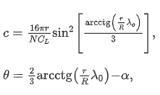
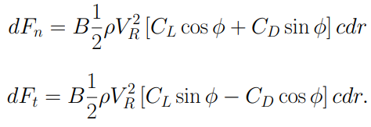
TSR | 5.20 | Constant | 12.89 | AOA | 0.17
alpha | 0.17
Rated wind speed | 13.50 | B | 3.00
Rated Rotor rpm | 1.56
0.5*rho | 0.6

Differential Torque
r | r/R | TSR*(r/R) | acot | sin | sin^2 | chord | Twist | Twist(deg) | Flow angle | FA deg | Cl | Cd | L*sin(phi) | D*cos(phi) | dT | dQ | AOA | Vb | VR | 0.5*rho*vr^2
1.8 | 0.04 | 0.208 | 1.3657204264 | 0.43967801146 | 0.19331675376 | 4.4848430283 | 0.73594735908 | 42.166677619 | 1.3656789734 | 52.165094229 | 1.3 | 0.01 | 1953.5813348 | 3.1263800296 | 1950.4549547 | 3510.8189185 | 9.9984 | 2.8085838323 | 13.78905882 | 114.08288589
3.6 | 0.08 | 0.416 | 1.1765733889 | 0.38221409648 | 0.14608761555 | 6.7783056709 | 0.60984933404 | 34.941792979 | 1.1764996575 | 44.938976648 | 1.3 | 0.01 | 3130.9579783 | 10.021148669 | 3120.9368296 | 11235.372587 | 9.9972 | 5.6171676646 | 14.621989351 | 128.28154354
5.4 | 0.12 | 0.624 | 1.0129164358 | 0.33126014351 | 0.10973328268 | 7.6372565475 | 0.50074469866 | 28.690557847 | 1.0128230608 | 38.686991185 | 1.3 | 0.01 | 3839.3347297 | 18.432638374 | 3820.9020913 | 20632.871293 | 9.9964 | 8.4257514969 | 15.913619585 | 151.94597297
7.2 | 0.16 | 0.832 | 0.87684545201 | 0.28813801626 | 0.083023516416 | 7.7044008147 | 0.41003070947 | 23.493029124 | 0.87674323585 | 33.489124754 | 1.2999 | 0.01 | 4274.1987929 | 27.362664651 | 4246.8361283 | 30577.220124 | 9.9961 | 11.234335329 | 17.563037616 | 185.07617417
9 | 0.2 | 1.04 | 0.76579283254 | 0.25250113147 | 0.063756821395 | 7.3956170478 | 0.33599562983 | 19.251131524 | 0.76568896492 | 29.247164073 | 1.2999 | 0.01 | 4550.6135821 | 36.415279049 | 4514.198303 | 40627.784727 | 9.9960 | 14.042919162 | 19.479568234 | 227.67214715
10.8 | 0.24 | 1.248 | 0.67552219206 | 0.22327603533 | 0.049852187954 | 6.9392610805 | 0.27581520284 | 15.803047048 | 0.67542074621 | 25.799172102 | 1.2999 | 0.01 | 4732.889484 | 45.448681984 | 4687.4408021 | 50624.360662 | 9.9961 | 16.851502994 | 21.592201211 | 279.73389189
12.6 | 0.28 | 1.456 | 0.60182081946 | 0.1992641356 | 0.039706195736 | 6.4481342753 | 0.22668095444 | 12.987861985 | 0.60172380301 | 22.98415623 | 1.2999 | 0.01 | 4857.5609004 | 54.420179937 | 4803.1407204 | 60519.573078 | 9.9963 | 19.660086826 | 23.848878674 | 341.26140841
14.4 | 0.32 | 1.664 | 0.54112621393 | 0.17939890029 | 0.032183965427 | 5.9732032599 | 0.18621788409 | 10.669498828 | 0.54103443059 | 20.665992963 | 1.2998 | 0.01 | 4945.3528122 | 63.323419345 | 4882.0293929 | 70301.223257 | 9.9965 | 22.468670658 | 26.212423794 | 412.2546967
16.2 | 0.36 | 1.872 | 0.49062251463 | 0.16281281267 | 0.026508011969 | 5.5347425056 | 0.15254875122 | 8.7403996148 | 0.49053611911 | 18.737099549 | 1.2997 | 0.01 | 5009.2018497 | 72.164157512 | 4937.0376922 | 79980.010613 | 9.9967 | 25.277254491 | 28.656405821 | 492.71375676
18 | 0.4 | 2.08 | 0.44814497508 | 0.14882670561 | 0.022149388304 | 5.1385370271 | 0.12423039152 | 7.1178771212 | 0.44806379541 | 17.114776287 | 1.2994 | 0.01 | 5056.0647095 | 80.951217361 | 4975.1134922 | 89552.042859 | 9.9969 | 28.085838323 | 31.161904857 | 582.63858859
19.8 | 0.44 | 2.288 | 0.41204353646 | 0.13691642113 | 0.018746106375 | 4.7838936428 | 0.10016276577 | 5.7389037432 | 0.41196725154 | 15.735989874 | 1.299 | 0.01 | 5091.2309377 | 89.693289927 | 5001.5376478 | 99030.445426 | 9.9971 | 30.894422155 | 33.715209036 | 682.02919219
21.6 | 0.48 | 2.496 | 0.38105886324 | 0.12667834108 | 0.016047402099 | 4.4674914944 | 0.079506316963 | 4.5553764066 | 0.38098709728 | 14.552635149 | 1.2983 | 0.01 | 5117.1278171 | 98.397955994 | 5018.7298611 | 108404.565 | 9.9973 | 33.703005988 | 36.306233798 | 790.88556756
23.4 | 0.52 | 2.704 | 0.35422377078 | 0.11780042316 | 0.013876939696 | 4.185186413 | 0.061616255323 | 3.5303513794 | 0.35415614181 | 13.527768143 | 1.2972 | 0.01 | 5135.5143984 | 107.07152455 | 5028.4428739 | 117665.56325 | 9.9974 | 36.51158982 | 38.927447787 | 909.20771471
25.2 | 0.56 | 2.912 | 0.33078892782 | 0.11003968358 | 0.012108731962 | 3.9328234875 | 0.045993026683 | 2.635206316 | 0.33072507134 | 12.632767178 | 1.2954 | 0.01 | 5146.6834782 | 115.71914758 | 5030.9643307 | 126780.30113 | 9.9976 | 39.320173652 | 41.573141041 | 1036.9956336
27 | 0.6 | 3.12 | 0.31016806079 | 0.10320525771 | 0.010651325218 | 3.7065738525 | 0.032245781993 | 1.8475472153 | 0.31010764006 | 11.845239313 | 1.2926 | 0.01 | 5150.4789579 | 124.34500601 | 5026.1339519 | 135705.6167 | 9.9977 | 42.128757485 | 44.238921858 | 1174.2493243
28.8 | 0.64 | 3.328 | 0.29189780878 | 0.097145817821 | 0.0094373099201 | 3.5030469137 | 0.020065613989 | 1.1496749949 | 0.29184051818 | 11.147486655 | 1.288 | 0.01 | 5144.4475395 | 132.95249308 | 5011.4950464 | 144331.05734 | 9.9978 | 44.937341317 | 46.921366611 | 1320.9687868
30.6 | 0.68 | 3.536 | 0.27560827794 | 0.091740250977 | 0.0084162736493 | 3.3193001276 | 0.009205926763 | 0.52746075003 | 0.27555384274 | 10.525381478 | 1.2806 | 0.01 | 5125.1143423 | 141.54437201 | 4983.5699703 | 152497.24109 | 9.9979 | 47.745925149 | 49.617772707 | 1477.154021
32.4 | 0.72 | 3.744 | 0.2610013279 | 0.086890731986 | 0.007549999305 | 3.1528054325 | -0.00053203993517 | -0.030483642818 | 0.26094950235 | 9.9675367671 | 1.2689 | 0.01 | 5086.8417554 | 150.12290447 | 4936.7188509 | 159949.69077 | 9.9980 | 50.554508982 | 52.325981867 | 1642.805027
34.2 | 0.76 | 3.952 | 0.24783443832 | 0.082517545671 | 0.0068091453436 | 3.0014005572 | -0.0093099663168 | -0.53342177736 | 0.24778500311 | 9.4646899366 | 1.25 | 0.01 | 5018.249149 | 158.68995265 | 4859.5591963 | 166196.92451 | 9.9981 | 53.363092814 | 55.044251968 | 1817.9218048
36 | 0.8 | 4.16 | 0.23590861707 | 0.078555187577 | 0.0061709174952 | 2.8632382625 | -0.01726051382 | -0.98895459414 | 0.23586137651 | 9.0092409494 | 1.21996 | 0.01 | 4903.6612755 | 167.24705944 | 4736.4142161 | 170510.91178 | 9.9982 | 56.171676646 | 57.771162852 | 2002.5043543 | Trapezoidal Rule
37.8 | 0.84 | 4.368 | 0.22505925393 | 0.074949403044 | 0.0056174130166 | 2.7367391466 | -0.024493422579 | -1.4033697396 | 0.2250140333 | 8.5949029595 | 1.171 | 0.01 | 4711.8532852 | 175.79551134 | 4536.0577738 | 171462.98385 | 9.9983 | 58.980260478 | 60.505546243 | 2196.5526757 | Sum(y) | 2440615.7284
39.6 | 0.88 | 4.576 | 0.21514913825 | 0.071654919478 | 0.0051344274853 | 2.6205500507 | -0.031100166364 | -1.7819082748 | 0.21510578131 | 8.2164356119 | 1.093 | 0.01 | 4402.0495942 | 184.33638781 | 4217.7132064 | 167021.44297 | 9.9983 | 61.788844311 | 63.246432953 | 2400.0667688 |  | 2443583.5643
41.4 | 0.92 | 4.784 | 0.20606307955 | 0.068633694509 | 0.004710584022 | 2.5135084182 | -0.037157538833 | -2.1289701522 | 0.2060214463 | 7.8694395747 | 0.965 | 0.01 | 3889.6621968 | 192.87060008 | 3696.7915967 | 153047.17211 | 9.9984 | 64.597428143 | 65.993012681 | 2613.0466336 | Torque/ blade | 4398450.4157 | Nm
43.2 | 0.96 | 4.992 | 0.19770372625 | 0.065853551214 | 0.0043366902074 | 2.4146122214 | -0.042730441033 | -2.4482739279 | 0.19766369098 | 7.5501968376 | 0.738 | 0.01 | 2976.7930191 | 201.3989219 | 2775.3940972 | 119897.025 | 9.9985 | 67.406011975 | 68.744603064 | 2835.4922703
45 | 1 | 5.2 | 0.18998828792 | 0.063287106117 | 0.0040052578007 | 2.3229947968 | -0.047874066587 | -2.7429819636 | 0.18994973748 | 7.2555455183 | 0 | 0.01 | 0 | 209.9220139 | -209.9220139 | -9446.4906254 | 9.9985 | 70.214595808 | 71.500625623 | 3067.4036787

Chord variation along Blade Length
Blade Twist variation along Blade Length

iTERATIONS
 |  | R | 45
 |  | TSR | 5.20 |  | Cl design | 1.3 |  |  |  |  |  |  | Note: | ri is considered as Mid section radius in these calculations
 |  | alpha | 0.17 |  | alpha | 0.20943951024
 |  | Rated wind speed | 13.50 |  | B | 3
 |  | Rated Rotor rpm | 1.56 |  | B/2 | 1.5
 |  | rho | 1.20
 |  | Constant | 12.89
 |  | AOA | 0.17

Sl.No | Midpoint ri | r | r/R | TSR | Flow angle | FA(deg) | chord |  | F |  |  | sigma | Cl |  |  | Vb | Vr | 0.5*rho*Vr^2 | L*sin(phi) | D*cos(phi) | dT | dQ
 |  | 0 |  |  |  |  | N/D | chord | N/D | exp() | F |  | N | D | Cl |  |  |  |  |  |  | 0
1 | 0.900 | 1.800 | 0.040 | 0.104 | 1.416 | 81.136 | 5.800 | 4.906 | 36.435 | 0.000 | 1.000 | 2.603 | 0.203 | 2.613 | 0.078 | 1.404 | 13.573 | 110.533 | 124.736 | 4.512 | 120.224 | 108.201
2 | 2.700 | 3.600 | 0.080 | 0.312 | 1.133 | 64.927 | 17.400 | 10.026 | 19.045 | 0.000 | 1.000 | 1.773 | 0.511 | 1.840 | 0.278 | 4.213 | 14.142 | 119.999 | 908.221 | 27.532 | 880.689 | 2377.862
3 | 4.500 | 5.400 | 0.120 | 0.520 | 0.909 | 52.054 | 28.999 | 11.167 | 13.949 | 0.000 | 1.000 | 1.185 | 0.646 | 1.313 | 0.492 | 7.021 | 15.217 | 138.931 | 1805.147 | 51.517 | 1753.630 | 7891.335
4 | 6.300 | 7.200 | 0.160 | 0.728 | 0.742 | 42.490 | 40.599 | 10.662 | 11.659 | 0.000 | 1.000 | 0.808 | 0.663 | 0.980 | 0.677 | 9.830 | 16.700 | 167.328 | 2448.214 | 71.037 | 2377.177 | 14976.213
5 | 8.100 | 9.000 | 0.200 | 0.936 | 0.619 | 35.468 | 52.199 | 9.686 | 10.340 | 0.000 | 1.000 | 0.571 | 0.629 | 0.767 | 0.821 | 12.639 | 18.493 | 205.191 | 2840.685 | 87.410 | 2753.275 | 22301.524
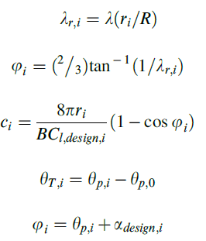
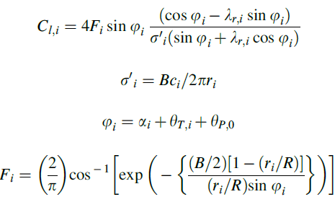
6 | 9.900 | 10.800 | 0.240 | 1.144 | 0.528 | 30.239 | 63.798 | 8.681 | 9.432 | 0.000 | 1.000 | 0.419 | 0.579 | 0.625 | 0.928 | 15.447 | 20.515 | 252.520 | 3072.137 | 102.266 | 2969.871 | 29401.722
7 | 11.700 | 12.600 | 0.280 | 1.352 | 0.458 | 26.254 | 75.398 | 7.778 | 8.720 | 0.000 | 1.000 | 0.317 | 0.528 | 0.525 | 1.006 | 18.256 | 22.705 | 309.314 | 3211.089 | 116.516 | 3094.573 | 36206.504
8 | 13.500 | 14.400 | 0.320 | 1.560 | 0.404 | 23.146 | 86.998 | 7.003 | 8.109 | 0.000 | 1.000 | 0.248 | 0.481 | 0.453 | 1.063 | 21.064 | 25.019 | 375.575 | 3297.562 | 130.587 | 3166.975 | 42754.168
9 | 15.300 | 16.200 | 0.360 | 1.768 | 0.361 | 20.666 | 98.598 | 6.344 | 7.556 | 0.001 | 1.000 | 0.198 | 0.440 | 0.397 | 1.106 | 23.873 | 27.426 | 451.301 | 3353.489 | 144.662 | 3208.828 | 49095.061
10 | 17.100 | 18.000 | 0.400 | 1.976 | 0.325 | 18.649 | 110.197 | 5.786 | 7.036 | 0.001 | 0.999 | 0.162 | 0.403 | 0.354 | 1.139 | 26.682 | 29.902 | 536.493 | 3390.875 | 158.812 | 3232.063 | 55268.280
11 | 18.900 | 19.800 | 0.440 | 2.184 | 0.296 | 16.979 | 121.797 | 5.309 | 6.537 | 0.001 | 0.999 | 0.134 | 0.372 | 0.319 | 1.164 | 29.490 | 32.433 | 631.151 | 3416.398 | 173.062 | 3243.336 | 61299.044
12 | 20.700 | 21.600 | 0.480 | 2.392 | 0.272 | 15.578 | 133.397 | 4.900 | 6.051 | 0.002 | 0.999 | 0.113 | 0.344 | 0.291 | 1.183 | 32.299 | 35.007 | 735.274 | 3433.787 | 187.412 | 3246.375 | 67199.967
13 | 22.500 | 23.400 | 0.520 | 2.601 | 0.251 | 14.385 | 144.997 | 4.546 | 5.573 | 0.004 | 0.998 | 0.096 | 0.320 | 0.267 | 1.198 | 35.107 | 37.613 | 848.863 | 3445.036 | 201.856 | 3243.180 | 72971.546
14 | 24.300 | 25.200 | 0.560 | 2.809 | 0.233 | 13.359 | 156.596 | 4.238 | 5.101 | 0.006 | 0.996 | 0.083 | 0.298 | 0.247 | 1.209 | 37.916 | 40.248 | 971.918 | 3450.970 | 216.384 | 3234.586 | 78600.438
15 | 26.100 | 27.000 | 0.600 | 3.017 | 0.218 | 12.468 | 168.196 | 3.967 | 4.632 | 0.010 | 0.994 | 0.073 | 0.279 | 0.229 | 1.216 | 40.724 | 42.904 | 1104.439 | 3451.468 | 230.987 | 3220.482 | 84054.569
16 | 27.900 | 28.800 | 0.640 | 3.225 | 0.204 | 11.686 | 179.796 | 3.727 | 4.166 | 0.016 | 0.990 | 0.064 | 0.262 | 0.214 | 1.221 | 43.533 | 45.578 | 1246.426 | 3445.425 | 245.654 | 3199.771 | 89273.621
17 | 29.700 | 30.600 | 0.680 | 3.433 | 0.192 | 10.996 | 191.395 | 3.514 | 3.701 | 0.025 | 0.984 | 0.056 | 0.245 | 0.201 | 1.220 | 46.342 | 48.268 | 1397.878 | 3430.490 | 260.378 | 3170.112 | 94152.329
18 | 31.500 | 32.400 | 0.720 | 3.641 | 0.181 | 10.382 | 202.995 | 3.323 | 3.237 | 0.039 | 0.975 | 0.050 | 0.230 | 0.189 | 1.215 | 49.150 | 50.971 | 1558.796 | 3402.522 | 275.151 | 3127.371 | 98512.178
19 | 33.300 | 34.200 | 0.760 | 3.849 | 0.172 | 9.832 | 214.595 | 3.152 | 2.774 | 0.062 | 0.960 | 0.045 | 0.215 | 0.179 | 1.202 | 51.959 | 53.684 | 1729.180 | 3354.646 | 289.967 | 3064.679 | 102053.823
20 | 35.100 | 36.000 | 0.800 | 4.057 | 0.163 | 9.337 | 226.195 | 2.997 | 2.311 | 0.099 | 0.937 | 0.041 | 0.200 | 0.170 | 1.176 | 54.767 | 56.407 | 1909.030 | 3275.659 | 304.821 | 2970.838 | 104276.428 | Trapezoidal Rule
21 | 36.900 | 37.800 | 0.840 | 4.265 | 0.155 | 8.889 | 237.794 | 2.856 | 1.849 | 0.157 | 0.899 | 0.037 | 0.183 | 0.161 | 1.133 | 57.576 | 59.137 | 2098.345 | 3147.244 | 319.708 | 2827.536 | 104336.078 | Sum(y) | 1460579.5995
22 | 38.700 | 39.600 | 0.880 | 4.473 | 0.148 | 8.481 | 249.394 | 2.727 | 1.387 | 0.250 | 0.839 | 0.034 | 0.163 | 0.154 | 1.060 | 60.385 | 61.875 | 2297.127 | 2938.618 | 334.624 | 2603.995 | 100774.592 |  | 1468893.8136
23 | 40.500 | 41.400 | 0.920 | 4.681 | 0.142 | 8.110 | 260.994 | 2.610 | 0.925 | 0.397 | 0.740 | 0.031 | 0.138 | 0.147 | 0.937 | 63.193 | 64.619 | 2505.373 | 2593.734 | 349.565 | 2244.168 | 90888.814 | Torque/ blade | 2644008.8645 | Nm
24 | 42.300 | 43.200 | 0.960 | 4.889 | 0.136 | 7.769 | 272.594 | 2.502 | 0.462 | 0.630 | 0.566 | 0.028 | 0.101 | 0.141 | 0.718 | 66.002 | 67.368 | 2723.086 | 1984.907 | 364.530 | 1620.377 | 68541.933
25 | 44.100 | 45.000 | 1.000 | 5.097 | 0.130 | 7.455 | 284.193 | 2.402 | 0.000 | 1.000 | 0.000 | 0.026 | 0.000 | 0.135 | 0.000 | 68.810 | 70.122 | 2950.265 | 0.000 | 379.515 | -379.515 | -16736.629

with corrections
 |  | R | 45
 |  | TSR | 5.20 |  | Cl design | 1.3
 |  | alpha | 0.17 |  | alpha | 0.20943951024 |  |  | Note: ri is not considered as mid section radius here. |  |  |  |  |  |  |  |  |  |  |  |  |  | A | 16
 |  | Rated wind speed | 13.50 |  | B | 3 |  |  |  |  |  |  |  |  |  |  |  |  |  |  |  |  | B | -24
 |  | Rated Rotor rpm | 1.56 |  | B/2 | 1.5 |  |  |  |  |  |  |  |  |  |  |  |  |  |  |  |  | C | 9-(3*x^2)
 |  | rho | 1.20 |  |  |  |  |  |  |  |  |  |  |  |  |  |  |  |  |  |  |  | D | x^2-1
 |  | Constant | 12.89
 |  | AOA | 0.17 |  |  |  |  |  |  |  |  |  |  |  |  |  |  |  |  |  |  |  | a and adash calculated using cubic equation from Momentum Theory

Sl.No | Midpoint ri | r | r/R | LSR | Flow angle | FA(deg) | chord |  | F |  |  | sigma | Cl |  |  | Vb | Vr | 0.5*rho*Vr^2 | L*sin(phi) | D*cos(phi) | dT | dQ | C | D | a |  |  | adash |  | dFt | dQ
 |  | 0 |  |  |  |  | N/D | chord | N/D | exp() | F |  | N | D | Cl |  |  |  |  |  |  | 0
1 | 0.9 | 1.8 | 0.04 | 0.21 | 0.91 | 52.17 | 11.60 | 4.48 | 45.58 | 0.00 | 1.00 | 1.19 | 1.42 | 1.09 | 1.30 | 1.40 | 13.57 | 110.53 | 1526.82 | 16.42 | 1510.40 | 1359.36 | 8.8701540223 | -0.95671800745 | 0.275 | 0.215 | 1.009 | 1.75 |  | 2718.7172729 | 4893.6910913
2 | 2.7 | 3.6 | 0.08 | 0.42 | 0.78 | 44.94 | 23.20 | 6.78 | 24.42 | 0.00 | 1.00 | 0.90 | 1.17 | 0.90 | 1.30 | 4.21 | 14.14 | 120.00 | 2240.44 | 31.09 | 2209.35 | 5965.26 | 8.4806160893 | -0.82687202978 | 0.29 | 0.17 | 1.036 | 0.8125 |  | 3976.8378281 | 14316.616181
3 | 4.5 | 5.4 | 0.12 | 0.62 | 0.68 | 38.69 | 34.80 | 7.64 | 17.60 | 0.00 | 1.00 | 0.68 | 0.98 | 0.75 | 1.30 | 7.02 | 15.22 | 138.93 | 2586.12 | 44.72 | 2541.40 | 11436.30 | 7.831386201 | -0.61046206701 | 0.304 | 0.116 | 1.079 | 0.40740740741 |  | 4574.5215075 | 24702.41614
4 | 6.3 | 7.2 | 0.16 | 0.83 | 0.58 | 33.49 | 46.40 | 7.70 | 14.27 | 0.00 | 1.00 | 0.51 | 0.83 | 0.64 | 1.30 | 9.83 | 16.70 | 167.33 | 2773.56 | 58.04 | 2715.52 | 17107.77 | 6.9224643574 | -0.30748811912 | 0.3125 | 0.054 | 1.133 | 0.25 |  | 4887.9334927 | 35193.121147
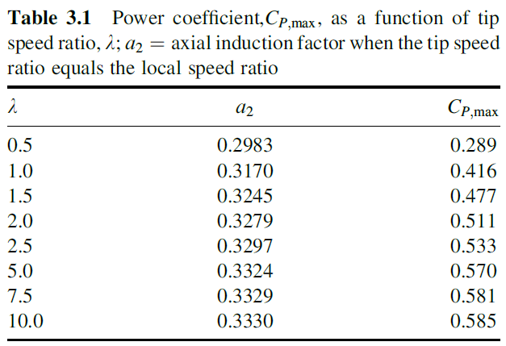
5 | 8.1 | 9 | 0.2 | 1.04 | 0.51 | 29.25 | 58.00 | 7.39 | 12.28 | 0.00 | 1.00 | 0.39 | 0.71 | 0.55 | 1.30 | 12.64 | 18.49 | 205.19 | 2890.78 | 71.48 | 2819.30 | 22836.30 | 5.7538505584 | 0.08204981387 | 0.317 | -0.013 | 1.195 | 0.1828358209 |  | 5074.7344216 | 45672.609795
6 | 9.9 | 10.8 | 0.24 | 1.25 | 0.45 | 25.80 | 69.60 | 6.94 | 10.91 | 0.00 | 1.00 | 0.31 | 0.62 | 0.48 | 1.30 | 15.45 | 20.52 | 252.52 | 2973.36 | 85.17 | 2888.19 | 28593.07 | 4.3255448041 | 0.55815173197 | 0.321 | -0.0858 | 1.264 | 0.13028169014 |  | 5198.7397643 | 56146.389454
7 | 11.7 | 12.6 | 0.28 | 1.46 | 0.40 | 22.98 | 81.20 | 6.45 | 9.88 | 0.00 | 1.00 | 0.24 | 0.55 | 0.42 | 1.30 | 18.26 | 22.71 | 309.31 | 3036.28 | 99.12 | 2937.16 | 34364.73 | 2.6375470944 | 1.1208176352 | 0.324 | -0.1616 | 1.337 | 0.094594594595 |  | 5286.8817981 | 66614.710657
8 | 13.5 | 14.4 | 0.32 | 1.66 | 0.36 | 20.67 | 92.80 | 5.97 | 9.03 | 0.00 | 1.00 | 0.20 | 0.49 | 0.38 | 1.30 | 21.06 | 25.02 | 375.57 | 3086.49 | 113.31 | 2973.18 | 40137.98 | 0.68985742948 | 1.7700475235 | 0.325 | -0.24 | 1.414 | 0.083333333333 |  | 5351.7303581 | 77064.917157
9 | 15.3 | 16.2 | 0.36 | 1.87 | 0.33 | 18.74 | 104.40 | 5.53 | 8.30 | 0.00 | 1.00 | 0.16 | 0.44 | 0.34 | 1.30 | 23.87 | 27.43 | 451.30 | 3127.66 | 127.69 | 2999.97 | 45899.50 | -1.5175241908 | 2.5058413969 | 0.327 | -0.327 | 1.493 | 0.061688311688 |  | 5399.9408884 | 87479.042392
10 | 17.1 | 18 | 0.4 | 2.08 | 0.30 | 17.11 | 116.00 | 5.14 | 7.65 | 0.00 | 1.00 | 0.14 | 0.40 | 0.31 | 1.30 | 26.68 | 29.90 | 536.49 | 3161.92 | 142.22 | 3019.69 | 51636.77 | -3.9845977664 | 3.3281992555 | 0.328 | -0.402 | 1.574 | 0.051282051282 |  | 5435.449457 | 97838.090227
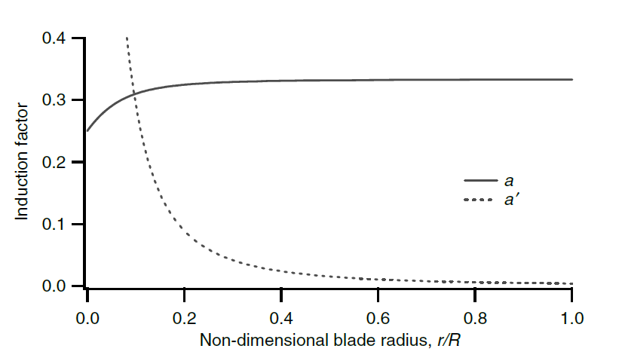
11 | 18.9 | 19.8 | 0.44 | 2.29 | 0.27 | 15.74 | 127.60 | 4.78 | 7.04 | 0.00 | 1.00 | 0.12 | 0.37 | 0.29 | 1.30 | 29.49 | 32.43 | 631.15 | 3190.62 | 156.88 | 3033.74 | 57337.70 | -6.7113632974 | 4.2371210991 | 0.329 | -0.485 | 1.656 | 0.041139240506 |  | 5460.7330168 | 108122.51373
12 | 20.7 | 21.6 | 0.48 | 2.50 | 0.25 | 14.55 | 139.20 | 4.47 | 6.47 | 0.00 | 1.00 | 0.10 | 0.34 | 0.26 | 1.30 | 32.30 | 35.01 | 735.27 | 3214.58 | 171.63 | 3042.96 | 62989.21 | -9.6978207837 | 5.2326069279 | 0.329 | -0.569 | 1.74 | 0.041139240506 |  | 5477.3223737 | 118310.16327
13 | 22.5 | 23.4 | 0.52 | 2.70 | 0.24 | 13.53 | 150.80 | 4.18 | 5.92 | 0.00 | 1.00 | 0.09 | 0.32 | 0.24 | 1.30 | 35.11 | 37.61 | 848.86 | 3234.22 | 186.45 | 3047.77 | 68574.83 | -12.943970225 | 6.3146567418 | 0.33 | -0.655 | 1.824 | 0.03125 |  | 5485.9866341 | 128372.08724
14 | 24.3 | 25.2 | 0.56 | 2.91 | 0.22 | 12.63 | 162.40 | 3.93 | 5.39 | 0.00 | 1.00 | 0.07 | 0.30 | 0.23 | 1.30 | 37.92 | 40.25 | 971.92 | 3249.52 | 201.33 | 3048.18 | 74070.84 | -16.449811622 | 7.4832705407 | 0.33 | -0.74 | 1.91 | 0.03125 |  | 5486.7288245 | 138265.56638
15 | 26.1 | 27 | 0.6 | 3.12 | 0.21 | 11.85 | 174.00 | 3.71 | 4.87 | 0.01 | 1.00 | 0.07 | 0.28 | 0.21 | 1.29 | 40.72 | 42.90 | 1104.44 | 3259.95 | 216.27 | 3043.68 | 79440.00 | -20.215344974 | 8.7384483248 | 0.33 | -0.826 | 1.995 | 0.03125 |  | 5478.6204209 | 147922.75136
16 | 27.9 | 28.8 | 0.64 | 3.33 | 0.19 | 11.15 | 185.60 | 3.50 | 4.36 | 0.01 | 0.99 | 0.06 | 0.26 | 0.20 | 1.29 | 43.53 | 45.58 | 1246.43 | 3264.26 | 231.24 | 3033.02 | 84621.36 | -24.240570282 | 10.080190094 | 0.331 | -0.913 | 2.082 | 0.021604938272 |  | 5459.4427161 | 157231.95022
17 | 29.7 | 30.6 | 0.68 | 3.54 | 0.18 | 10.53 | 197.20 | 3.32 | 3.86 | 0.02 | 0.99 | 0.05 | 0.24 | 0.19 | 1.28 | 46.34 | 48.27 | 1397.88 | 3260.16 | 246.25 | 3013.92 | 89513.34 | -28.525487545 | 11.508495848 | 0.331 | -1 | 2.169 | 0.021604938272 |  | 5425.0509965 | 166006.56049
18 | 31.5 | 32.4 | 0.72 | 3.74 | 0.17 | 9.97 | 208.80 | 3.15 | 3.37 | 0.03 | 0.98 | 0.05 | 0.23 | 0.18 | 1.27 | 49.15 | 50.97 | 1558.80 | 3243.67 | 261.28 | 2982.39 | 93945.42 | -33.070096763 | 13.023365588 | 0.331 | -1.087 | 2.256 | 0.021604938272 |  | 5368.3096364 | 173933.23222
19 | 33.3 | 34.2 | 0.76 | 3.95 | 0.17 | 9.46 | 220.39 | 3.00 | 2.88 | 0.06 | 0.96 | 0.04 | 0.21 | 0.17 | 1.25 | 51.96 | 53.68 | 1729.18 | 3208.19 | 276.33 | 2931.85 | 97630.72 | -37.874397937 | 14.624799312 | 0.331 | -1.175 | 2.343 | 0.021604938272 |  | 5277.3363341 | 180484.90263
20 | 35.1 | 36 | 0.8 | 4.16 | 0.16 | 9.01 | 231.99 | 2.86 | 2.39 | 0.09 | 0.94 | 0.04 | 0.20 | 0.16 | 1.22 | 54.77 | 56.41 | 1909.03 | 3142.84 | 291.41 | 2851.44 | 100085.41 | -42.938391066 | 16.312797022 | 0.331 | -1.263 | 2.4313 | 0.021604938272 |  | 5132.5850545 | 184773.06196
21 | 36.9 | 37.8 | 0.84 | 4.37 | 0.15 | 8.59 | 243.59 | 2.74 | 1.91 | 0.15 | 0.91 | 0.03 | 0.18 | 0.15 | 1.18 | 57.58 | 59.14 | 2098.35 | 3029.72 | 306.50 | 2723.23 | 100487.08 | -48.26207615 | 18.087358717 | 0.332 | -1.351 | 2.519 | 0.012195121951 |  | 4901.8087877 | 185288.37218
22 | 38.7 | 39.6 | 0.88 | 4.58 | 0.14 | 8.22 | 255.19 | 2.62 | 1.43 | 0.24 | 0.85 | 0.03 | 0.16 | 0.15 | 1.10 | 60.38 | 61.88 | 2297.13 | 2838.52 | 321.60 | 2516.92 | 97404.71 | -53.84545319 | 19.948484397 | 0.332 | -1.439 | 2.607 | 0.012195121951 |  | 4530.4514626 | 179405.87792
23 | 40.5 | 41.4 | 0.92 | 4.78 | 0.14 | 7.87 | 266.79 | 2.51 | 0.95 | 0.39 | 0.75 | 0.03 | 0.14 | 0.14 | 0.97 | 63.19 | 64.62 | 2505.37 | 2513.89 | 336.71 | 2177.18 | 88175.75 | -59.688522184 | 21.896174061 | 0.332 | -1.527 | 2.695 | 0.012195121951 |  | 3918.9223195 | 162243.38403
24 | 42.3 | 43.2 | 0.96 | 4.99 | 0.13 | 7.55 | 278.39 | 2.41 | 0.48 | 0.62 | 0.57 | 0.03 | 0.10 | 0.14 | 0.74 | 66.00 | 67.37 | 2723.09 | 1930.12 | 351.84 | 1578.28 | 66761.17 | -65.791283135 | 23.930427712 | 0.332 | -1.616 | 2.784 | 0.012195121951 |  | 2840.9008852 | 122726.91824
25 | 44.1 | 45 | 1 | 5.20 | 0.13 | 7.26 | 289.99 | 2.32 | 0.00 | 1.00 | 0.00 | 0.02 | 0.00 | 0.13 | 0.00 | 68.81 | 70.12 | 2950.26 | 0.00 | 366.97 | -366.97 | -16183.56 | -72.15373604 | 26.051245347 | 0.332 | -1.705 | 2.872 | 0.012195121951 |  | -660.55343468 | -29724.904561

 |  |  |  |  |  |  |  |  |  |  |  |  |  |  |  |  |  |  |  | Trapezoidal Rule |  |  |  | Trapezoidal Rule
 |  |  |  |  |  |  |  |  |  |  |  |  |  |  |  |  |  |  |  | Sum(y) | 1404191.0122 |  |  | Sum(y) | 2633284.0415
 |  |  |  |  |  |  |  |  |  |  |  |  |  |  |  |  |  |  |  |  | 1411603.1125 |  |  |  | 2645699.6483
 |  |  |  |  |  |  |  |  |  |  |  |  |  |  |  |  |  |  |  | Torque/ blade | 2540885.6025 | Nm |  | Torque/ blade | 2539871.6624 | Nm

LOAD CALCULATIONS WITH CORRECTIONS from BEM Theory
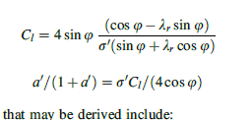
Sl.No | Midpoint ri | r | r/R | LSR | a | adash | V(1-a) | Vb(1+adash) | Flow angle | FA(deg) | chord |  | F |  |  | sigma | Cl |  |  | Vr | 0.5*rho*Vr^2 | L*sin(phi) | D*cos(phi) | dT | dQ |  | Corrected
 |  | 0 |  | 0 | 0.250000000000000 |  |  |  |  |  | N/D | chord | N/D | exp() | F |  | N | D | Cl |  |  |  |  |  | 0 |  | N | D | Cl | L*sin(phi) | dT | dQ
1 | 0.9 | 1.8 | 0.04 | 0.21 | 0.289798574824868 | 1.5152410862258940 | 9.588 | 3.532 | 0.816 | 46.750 | 11.60 | 3.65 | 49.43 | 3E-22 | 1 | 0.97 | 1.55 | 0.84 | 1.84 | 10.22 | 62.64 | 921.19146094 | 33.384522848 | 887.80693809 | 1598.0524886 |  | 4.15 | 2.44 | 1.70 | 851.97485386 | 851.97485386 | 1533.5547369
2 | 2.7 | 3.6 | 0.08 | 0.42 | 0.304596740084744 | 0.6371085124216057 | 9.388 | 6.897 | 0.628 | 35.977 | 23.20 | 4.43 | 29.36 | 0.00 | 1.00 | 0.59 | 1.33 | 0.54 | 2.45 | 11.65 | 81.42 | 1553.7694429 | 62.105793337 | 1491.6636496 | 5369.9891385 |  | 2.06 | 0.96 | 2.15 | 1362.9359823 | 1362.9359823 | 4906.5695362
3 | 4.5 | 5.4 | 0.12 | 0.62 | 0.314300855111436 | 0.3534153611214873 | 9.257 | 9.503 | 0.517 | 29.647 | 34.80 | 4.56 | 22.24 | 0.00 | 1.00 | 0.40 | 1.11 | 0.42 | 2.65 | 13.27 | 105.60 | 1894.7289191 | 89.050193687 | 1805.6787255 | 9750.6651175 |  | 1.23 | 0.55 | 2.25 | 1608.8213224 | 1608.8213224 | 8687.6351411
4 | 6.3 | 7.2 | 0.16 | 0.83 | 0.320590760730538 | 0.2223867546856920 | 9.172 | 12.016 | 0.437 | 25.028 | 46.40 | 4.36 | 18.61 | 0.00 | 1.00 | 0.29 | 0.94 | 0.34 | 2.76 | 15.12 | 137.11 | 2090.1075625 | 115.28672105 | 1974.8208415 | 14218.710058 |  | 0.81 | 0.35 | 2.28 | 1730.2612102 | 1730.2612102 | 12457.880713
5 | 8.1 | 9 | 0.2 | 1.04 | 0.324695185481975 | 0.1510829352067326 | 9.117 | 14.548 | 0.375 | 21.489 | 58.00 | 4.03 | 16.38 | 0.00 | 1.00 | 0.21 | 0.81 | 0.29 | 2.82 | 17.17 | 176.86 | 2210.6346612 | 141.31748191 | 2069.3171793 | 18623.854614 |  | 0.56 | 0.25 | 2.28 | 1789.7356145 | 1789.7356145 | 16107.620531
6 | 9.9 | 10.8 | 0.24 | 1.25 | 0.327419595116741 | 0.1082458079437724 | 9.080 | 17.119 | 0.327 | 18.720 | 69.60 | 3.68 | 14.80 | 0.00 | 1.00 | 0.16 | 0.70 | 0.24 | 2.87 | 19.38 | 225.31 | 2290.1861492 | 167.35414319 | 2122.8320061 | 22926.585665 |  | 0.41 | 0.18 | 2.27 | 1815.7123562 | 1815.7123562 | 19609.693447
7 | 11.7 | 12.6 | 0.28 | 1.46 | 0.329266981729021 | 0.0806833964684545 | 9.055 | 19.729 | 0.288 | 16.518 | 81.20 | 3.35 | 13.57 | 0.00 | 1.00 | 0.13 | 0.62 | 0.21 | 2.90 | 21.71 | 282.73 | 2345.7465968 | 193.47283825 | 2152.2737585 | 27118.649357 |  | 0.31 | 0.14 | 2.25 | 1822.0647234 | 1822.0647234 | 22958.015515
8 | 13.5 | 14.4 | 0.32 | 1.66 | 0.330547513652657 | 0.0620132879982050 | 9.038 | 22.371 | 0.257 | 14.739 | 92.80 | 3.05 | 12.53 | 0.00 | 1.00 | 0.10 | 0.55 | 0.19 | 2.93 | 24.13 | 349.27 | 2386.3659675 | 219.69205618 | 2166.6739113 | 31200.104323 |  | 0.24 | 0.11 | 2.23 | 1816.0861087 | 1816.0861087 | 26151.639965
9 | 15.3 | 16.2 | 0.36 | 1.87 | 0.331453786942071 | 0.0488452536385926 | 9.025 | 25.039 | 0.232 | 13.281 | 104.40 | 2.79 | 11.61 | 0.00 | 1.00 | 0.08 | 0.50 | 0.17 | 2.96 | 26.62 | 425.05 | 2417.1707842 | 246.00792751 | 2171.1628567 | 35172.838278 |  | 0.19 | 0.09 | 2.20 | 1801.893947 | 1801.893947 | 29190.681941
10 | 17.1 | 18 | 0.4 | 2.08 | 0.332107408602999 | 0.0392488586430106 | 9.017 | 27.729 | 0.211 | 12.069 | 116.00 | 2.56 | 10.76 | 0.00 | 1.00 | 0.07 | 0.45 | 0.15 | 2.98 | 29.16 | 510.11 | 2441.2298337 | 272.40922314 | 2168.8206106 | 39038.770991 |  | 0.15 | 0.07 | 2.17 | 1781.9578951 | 1781.9578951 | 32075.242112
11 | 18.9 | 19.8 | 0.44 | 2.29 | 0.332586800244577 | 0.0320631341622476 | 9.010 | 30.436 | 0.193 | 11.049 | 127.60 | 2.37 | 9.96 | 0.00 | 1.00 | 0.06 | 0.42 | 0.14 | 2.99 | 31.74 | 604.51 | 2460.4667537 | 298.88337428 | 2161.5833794 | 42799.350912 |  | 0.13 | 0.06 | 2.14 | 1757.8295281 | 1757.8295281 | 34805.024657
12 | 20.7 | 21.6 | 0.48 | 2.50 | 0.332943701677233 | 0.0265579860872900 | 9.005 | 33.157 | 0.178 | 10.181 | 139.20 | 2.19 | 9.19 | 0.00 | 1.00 | 0.05 | 0.38 | 0.13 | 3.01 | 34.36 | 708.27 | 2476.1280722 | 325.41866334 | 2150.7094089 | 46455.323232 |  | 0.10 | 0.05 | 2.10 | 1730.5097537 | 1730.5097537 | 37379.01068
13 | 22.5 | 23.4 | 0.52 | 2.70 | 0.333213066655905 | 0.0222567173262934 | 9.002 | 35.889 | 0.165 | 9.434 | 150.80 | 2.04 | 8.45 | 0.00 | 1.00 | 0.04 | 0.36 | 0.12 | 3.02 | 37.00 | 821.42 | 2489.0294344 | 352.00482169 | 2137.0246127 | 50006.375937 |  | 0.09 | 0.04 | 2.06 | 1700.638272 | 1700.638272 | 39794.935564
14 | 24.3 | 25.2 | 0.56 | 2.91 | 0.333419110683450 | 0.0188378142121263 | 8.999 | 38.630 | 0.153 | 8.786 | 162.40 | 1.91 | 7.72 | 0.00 | 1.00 | 0.04 | 0.33 | 0.11 | 3.03 | 39.66 | 943.96 | 2499.6785103 | 378.63297676 | 2121.0455335 | 53450.347445 |  | 0.07 | 0.04 | 2.02 | 1668.5852451 | 1668.5852451 | 42048.348177
15 | 26.1 | 27 | 0.6 | 3.12 | 0.333579107077289 | 0.0160780290780277 | 8.997 | 41.379 | 0.143 | 8.218 | 174.00 | 1.79 | 7.00 | 0.00 | 1.00 | 0.03 | 0.31 | 0.10 | 3.04 | 42.35 | 1075.91 | 2508.3130902 | 405.2953261 | 2103.0177641 | 56781.479632 |  | 0.06 | 0.03 | 1.98 | 1634.4781153 | 1634.4781153 | 44130.909114
16 | 27.9 | 28.8 | 0.64 | 3.33 | 0.333705863746830 | 0.0138179963378565 | 8.995 | 44.135 | 0.135 | 7.718 | 185.60 | 1.68 | 6.28 | 0.00 | 1.00 | 0.03 | 0.29 | 0.10 | 3.05 | 45.04 | 1217.26 | 2514.8553639 | 431.98466089 | 2082.870703 | 59986.676245 |  | 0.05 | 0.03 | 1.94 | 1598.1705989 | 1598.1705989 | 46027.313249
17 | 29.7 | 30.6 | 0.68 | 3.54 | 0.333809447509111 | 0.0119405780982014 | 8.994 | 46.895 | 0.127 | 7.274 | 197.20 | 1.59 | 5.58 | 0.00 | 1.00 | 0.02 | 0.27 | 0.09 | 3.05 | 47.75 | 1368.01 | 2518.746147 | 458.69372687 | 2060.0524202 | 63037.604057 |  | 0.05 | 0.03 | 1.89 | 1559.1398368 | 1559.1398368 | 47709.679007
18 | 31.5 | 32.4 | 0.72 | 3.74 | 0.333898539086595 | 0.0103565047055489 | 8.992 | 49.659 | 0.120 | 6.877 | 208.80 | 1.50 | 4.87 | 0.01 | 1.00 | 0.02 | 0.26 | 0.08 | 3.05 | 50.47 | 1528.14 | 2518.5664403 | 485.41429743 | 2033.1521429 | 65874.12943 |  | 0.04 | 0.02 | 1.84 | 1516.2689433 | 1516.2689433 | 49127.113764
19 | 33.3 | 34.2 | 0.76 | 3.95 | 0.333981755779870 | 0.0089939982366975 | 8.991 | 52.426 | 0.114 | 6.520 | 220.39 | 1.43 | 4.17 | 0.02 | 0.99 | 0.02 | 0.24 | 0.08 | 3.05 | 53.19 | 1697.60 | 2511.2497771 | 512.13565139 | 1999.1141257 | 68369.703099 |  | 0.04 | 0.02 | 1.78 | 1467.4147743 | 1467.4147743 | 50185.585281
20 | 35.1 | 36 | 0.8 | 4.16 | 0.334069414882174 | 0.0077898327122745 | 8.990 | 55.194 | 0.108 | 6.198 | 231.99 | 1.36 | 3.47 | 0.03 | 0.98 | 0.02 | 0.23 | 0.08 | 3.02 | 55.92 | 1876.32 | 2490.4835944 | 538.84170853 | 1951.6418859 | 70259.107893 |  | 0.03 | 0.02 | 1.71 | 1408.5172489 | 1408.5172489 | 50706.620961
21 | 36.9 | 37.8 | 0.84 | 4.37 | 0.334176808044884 | 0.0066785231307340 | 8.989 | 57.960 | 0.103 | 5.906 | 243.59 | 1.29 | 2.78 | 0.06 | 0.96 | 0.02 | 0.22 | 0.07 | 2.97 | 58.65 | 2064.13 | 2443.4727888 | 565.50475848 | 1877.9680304 | 70987.191548 |  | 0.03 | 0.02 | 1.62 | 1331.5777519 | 1331.5777519 | 50333.639023
22 | 38.7 | 39.6 | 0.88 | 4.58 | 0.334332409337535 | 0.0055713345417733 | 8.987 | 60.721 | 0.098 | 5.640 | 255.19 | 1.24 | 2.08 | 0.12 | 0.92 | 0.01 | 0.20 | 0.07 | 2.85 | 61.38 | 2260.68 | 2344.2497848 | 592.06885246 | 1752.1809324 | 69386.364921 |  | 0.02 | 0.01 | 1.48 | 1219.2604429 | 1219.2604429 | 48282.713538
23 | 40.5 | 41.4 | 0.92 | 4.78 | 0.334606221581826 | 0.0042902676827930 | 8.983 | 63.464 | 0.094 | 5.398 | 266.79 | 1.18 | 1.39 | 0.25 | 0.84 | 0.01 | 0.17 | 0.07 | 2.60 | 64.10 | 2465.04 | 2138.5461222 | 618.39186962 | 1520.1542525 | 62934.386055 |  | 0.02 | 0.01 | 1.25 | 1026.1237521 | 1026.1237521 | 42481.523335
24 | 42.3 | 43.2 | 0.96 | 4.99 | 0.335273105310369 | 0.0021963825275743 | 8.974 | 66.147 | 0.090 | 5.176 | 278.39 | 1.14 | 0.69 | 0.50 | 0.67 | 0.01 | 0.13 | 0.06 | 2.07 | 66.75 | 2673.55 | 1696.649299 | 643.91281032 | 1052.7364886 | 45478.216309 |  | 0.01 | 0.01 | 0.70 | 571.61199847 | 571.61199847 | 24693.638334
25 | 44.1 | 45 | 1 | 5.20 | 0.335273105310369 | 0.0024633299873436 | 8.974 | 68.980 | 0.087 | 4.966 | 289.99 | 1.09 | 0.35 | 0.70 | 0.50 | 0.01 | 0.10 | 0.06 | 0.50 | 69.56 | 2903.25 | 410.40230304 | 670.67335942 | -260.27105638 | -11712.197537 |  | 0.01 | 0.01 | 0.85 | 695.8418519 | 695.8418519 | 31312.883336

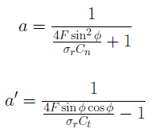
 |  |  |  |  |  |  |  |  |  |  |  |  |  |  |  |  |  |  |  |  |  | Trapezoidal Rule |  |  |  |  |  | Trapezoidal Rule
 |  |  |  |  |  |  |  |  |  |  |  |  |  |  |  |  |  |  |  |  |  | Sum(y) | 1019112.2792 |  |  |  |  | Sum | 812697.47166
 |  |  |  |  |  |  |  |  |  |  |  |  |  |  |  |  |  |  |  |  |  |  | 1024169.3517 |  |  |  |  |  | 796274.25262
 |  |  |  |  |  |  |  |  |  |  |  |  |  |  |  |  |  |  |  |  |  | Total Torque for 3 blades | 1843504.8331 | Nm |  |  |  | Total torque | 1433293.6547

 |  |  |  |  |  |  |  |  |  |  |  |  |  |  |  |  |  |  |  |  |  |  | 1281786 |  |  |  |  |  | 151.50765472
 |  |  |  |  |  |  |  |  |  |  |  |  |  |  |  |  |  |  |  |  |  |  |  |  |  |  |  |  | 561.71883312

 |  |  |  |  |  |  |  |  |  |  |  |  |  |  |  |  |  |  |  |  |  |  | 561718.83312

 |  |  |  |  |  |  |  |  |  |  |  |  |  |  |  |  |  |  |  |  |  |  | Cl | AOA
 |  |  |  |  |  |  |  |  |  |  |  |  |  |  |  |  |  |  |  |  |  | NACA 418 | 1.4 | 11 to 15 | 0.1
 |  |  |  |  |  |  |  |  |  |  |  |  |  |  |  |  |  |  |  |  |  | FFAW3 241 | 1.3 | 10 to 12 | 0.04
 |  |  |  |  |  |  |  |  |  |  |  |  |  |  |  |  |  |  |  |  |  | NACA 415 | 1.5 | 13 | 0.04
 |  |  |  |  |  |  |  |  |  |  |  |  |  |  |  |  |  |  |  |  |  | FFAW3 301 | 1.35 | 15 | 0.07

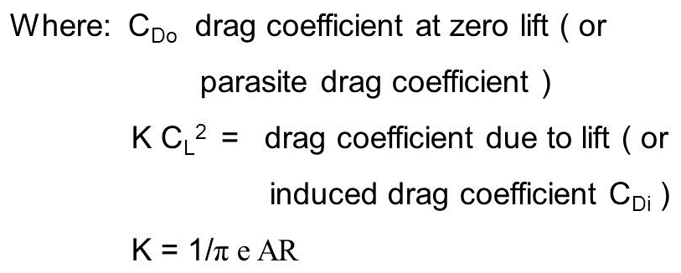
 |  |  |  |  |  |  |  |  |  |  |  | Blade Length | 45
 |  |  |  |  |  |  |  |  |  |  |  | Max. chord | 5.38
 |  |  |  |  |  |  |  |  |  |  |  | AR | R^2/S | 8.3643122677 |  |  | r | Flow Angles | chord | AOA
 |  |  |  |  |  |  |  |  |  |  |  | Cdo | 0.01 | assumed |  | Cylinder | 1.8 | 46.52 | 3.62
 |  |  |  |  |  |  |  |  |  |  |  | k | 0.038055715282 |  |  | Cylinder | 3.6 | 35.80 | 4.38
 |  |  |  |  |  |  |  |  |  |  |  |  |  |  |  | FFAW3 301 | 5.4 | 29.50 | 4.51 | 15 | 1.3 | 0.07
 |  |  |  |  |  |  |  |  |  |  |  | CD | 0.074314158826 |  |  | FFAW3 301 | 7.2 | 24.90 | 4.31 | 15 | 1.3 | 0.07
 |  |  |  |  |  |  |  |  |  |  |  |  |  |  |  | FFAW3 301 | 9 | 21.38 | 3.99 | 15 | 1.3 | 0.07
 |  |  |  |  |  |  |  |  |  |  |  |  |  |  |  | FFAW3 301 | 10.8 | 18.63 | 3.65 | 15 | 1.3 | 0.07
 |  |  |  |  |  |  |  |  |  |  |  |  |  |  |  | FFAW3 301 | 12.6 | 16.44 | 3.32 | 15 | 1.3 | 0.07
 |  |  |  |  |  |  |  |  |  |  |  |  |  |  |  | FFAW3 301 | 14.4 | 14.67 | 3.02 | 15 | 1.3 | 0.07
 |  |  |  |  |  |  |  |  |  |  |  |  |  |  |  | NACA 415 | 16.2 | 13.21 | 2.76 | 13 | 1.5 | 0.04
 |  |  |  |  |  |  |  |  |  |  |  |  |  |  |  | NACA 415 | 18 | 12.01 | 2.54 | 13 | 1.5 | 0.04
 |  |  |  |  |  |  |  |  |  |  |  |  |  |  |  | NACA 415 | 19.8 | 10.99 | 2.34 | 13 | 1.5 | 0.04
 |  |  |  |  |  |  |  |  |  |  |  |  |  |  |  | NACA 415 | 21.6 | 10.13 | 2.17 | 13 | 1.5 | 0.04
 |  |  |  |  |  |  |  |  |  |  |  |  |  |  |  | NACA 415 | 23.4 | 9.39 | 2.02 | 13 | 1.5 | 0.04
 |  |  |  |  |  |  |  |  |  |  |  |  |  |  |  | NACA 415 | 25.2 | 8.74 | 1.89 | 13 | 1.5 | 0.04
 |  |  |  |  |  |  |  |  |  |  |  |  |  |  |  | NACA 415 | 27 | 8.18 | 1.77 | 13 | 1.5 | 0.04
 |  |  |  |  |  |  |  |  |  |  |  |  |  |  |  | NACA 415 | 28.8 | 7.68 | 1.66 | 13 | 1.5 | 0.04
 |  |  |  |  |  |  |  |  |  |  |  |  |  |  |  | NACA 415 | 30.6 | 7.24 | 1.57 | 13 | 1.5 | 0.04
 |  |  |  |  |  |  |  |  |  |  |  |  |  |  |  | NACA 415 | 32.4 | 6.84 | 1.49 | 13 | 1.5 | 0.04
 |  |  |  |  |  |  |  |  |  |  |  |  |  |  |  | NACA 415 | 34.2 | 6.49 | 1.41 | 13 | 1.5 | 0.04
 |  |  |  |  |  |  |  |  |  |  |  |  |  |  |  | NACA 415 | 36 | 6.17 | 1.34 | 13 | 1.5 | 0.04
 |  |  |  |  |  |  |  |  |  |  |  |  |  |  |  | NACA 415 | 37.8 | 5.88 | 1.28 | 13 | 1.5 | 0.04
 |  |  |  |  |  |  |  |  |  |  |  |  |  |  |  | FFAW3 241 | 39.6 | 5.61 | 1.22 | 12 | 1.3 | 0.04
 |  |  |  |  |  |  |  |  |  |  |  |  |  |  |  | FFAW3 241 | 41.4 | 5.37 | 1.17 | 12 | 1.3 | 0.04
 |  |  |  |  |  |  |  |  |  |  |  |  |  |  |  | FFAW3 241 | 43.2 | 5.15 | 1.12 | 12 | 1.3 | 0.04
 |  |  |  |  |  |  |  |  |  |  |  |  |  |  |  | FFAW3 241 | 45 | 4.94 | 1.08 | 12 | 1.3 | 0.04

a,ad(BEM)
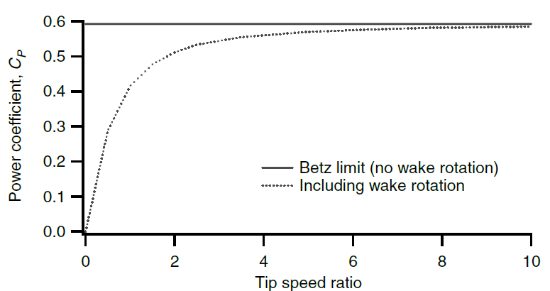
 |  | R | 45
 |  | TSR | 5.20 |  | Cl design | 1.3
 |  | alpha | 0.17 |  | alpha | 0.20943951024 |  |  | Note: ri is not considered as mid section radius here.
 |  | Rated wind speed | 13.50 |  | B | 3
 |  | Rated Rotor rpm | 1.56 |  | B/2 | 1.5
 |  | rho | 1.20
 |  | Constant | 12.89
 |  | AOA | 0.17

Sl.No | Midpoint ri | r | r/R | LSR | Flow angle | FA(deg) | chord |  | F |  |  | sigma | Cl |  |  |  |  | a |  |  |  |  |  | Vb(1+adash) | V(1-a) | Vr | 0.5*rho*Vr^2 | L*sin(phi) | D*cos(phi) | dT | dQ
 |  | 0 |  |  |  |  | N/D | chord | N/D | exp() | F |  | N | D | Cl | Cn | Ct | D | D+1 | a | D | D-1 | adash |  |  |  |  |  |  |  | 0
1 | 0.9 | 1.8 | 0.04 | 0.21 | 0.91 | 52.17 | 11.60 | 4.48 | 45.58 | 0.00 | 1.00 | 1.19 | 1.42 | 1.09 | 1.30 | 0.86 | 0.98 | 2.45 | 3.45 | 0.29 | 1.66 | 0.66 | 1.52 | 3.53 | 9.59 | 10.22 | 62.64 | 865.26 | 36.86 | 828.40 | 745.56
2 | 2.7 | 3.6 | 0.08 | 0.42 | 0.78 | 44.94 | 23.20 | 6.78 | 24.42 | 0.00 | 1.00 | 0.90 | 1.17 | 0.90 | 1.30 | 0.97 | 0.87 | 2.28 | 3.28 | 0.30 | 2.57 | 1.57 | 0.64 | 6.90 | 9.39 | 11.65 | 81.42 | 1520.17 | 83.55 | 1436.61 | 3878.86
3 | 4.5 | 5.4 | 0.12 | 0.62 | 0.68 | 38.69 | 34.80 | 7.64 | 17.60 | 0.00 | 1.00 | 0.68 | 0.98 | 0.75 | 1.30 | 1.06 | 0.75 | 2.18 | 3.18 | 0.31 | 3.83 | 2.83 | 0.35 | 9.50 | 9.26 | 13.27 | 105.60 | 1965.65 | 134.63 | 1831.02 | 8239.61
4 | 6.3 | 7.2 | 0.16 | 0.83 | 0.58 | 33.49 | 46.40 | 7.70 | 14.27 | 0.00 | 1.00 | 0.51 | 0.83 | 0.64 | 1.30 | 1.13 | 0.66 | 2.12 | 3.12 | 0.32 | 5.50 | 4.50 | 0.22 | 12.02 | 9.17 | 15.12 | 137.11 | 2272.65 | 188.40 | 2084.25 | 13130.78
5 | 8.1 | 9 | 0.2 | 1.04 | 0.51 | 29.25 | 58.00 | 7.39 | 12.28 | 0.00 | 1.00 | 0.39 | 0.71 | 0.55 | 1.30 | 1.17 | 0.57 | 2.08 | 3.08 | 0.32 | 7.62 | 6.62 | 0.15 | 14.55 | 9.12 | 17.17 | 176.86 | 2491.59 | 244.04 | 2247.55 | 18205.13
6 | 9.9 | 10.8 | 0.24 | 1.25 | 0.45 | 25.80 | 69.60 | 6.94 | 10.91 | 0.00 | 1.00 | 0.31 | 0.62 | 0.48 | 1.30 | 1.20 | 0.50 | 2.05 | 3.05 | 0.33 | 10.24 | 9.24 | 0.11 | 17.12 | 9.08 | 19.38 | 225.31 | 2652.95 | 301.00 | 2351.95 | 23284.26
7 | 11.7 | 12.6 | 0.28 | 1.46 | 0.40 | 22.98 | 81.20 | 6.45 | 9.88 | 0.00 | 1.00 | 0.24 | 0.55 | 0.42 | 1.30 | 1.23 | 0.44 | 2.04 | 3.04 | 0.33 | 13.39 | 12.39 | 0.08 | 19.73 | 9.05 | 21.71 | 282.73 | 2775.31 | 358.88 | 2416.42 | 28272.14
8 | 13.5 | 14.4 | 0.32 | 1.66 | 0.36 | 20.67 | 92.80 | 5.97 | 9.03 | 0.00 | 1.00 | 0.20 | 0.49 | 0.38 | 1.30 | 1.24 | 0.39 | 2.03 | 3.03 | 0.33 | 17.13 | 16.13 | 0.06 | 22.37 | 9.04 | 24.13 | 349.27 | 2870.36 | 417.40 | 2452.95 | 33114.89
9 | 15.3 | 16.2 | 0.36 | 1.87 | 0.33 | 18.74 | 104.40 | 5.53 | 8.30 | 0.00 | 1.00 | 0.16 | 0.44 | 0.34 | 1.30 | 1.25 | 0.35 | 2.02 | 3.02 | 0.33 | 21.47 | 20.47 | 0.05 | 25.04 | 9.03 | 26.62 | 425.05 | 2945.71 | 476.37 | 2469.34 | 37780.85
10 | 17.1 | 18 | 0.4 | 2.08 | 0.30 | 17.11 | 116.00 | 5.14 | 7.65 | 0.00 | 1.00 | 0.14 | 0.40 | 0.31 | 1.30 | 1.26 | 0.31 | 2.01 | 3.01 | 0.33 | 26.48 | 25.48 | 0.04 | 27.73 | 9.02 | 29.16 | 510.11 | 3006.42 | 535.66 | 2470.77 | 42250.08
11 | 18.9 | 19.8 | 0.44 | 2.29 | 0.27 | 15.74 | 127.60 | 4.78 | 7.04 | 0.00 | 1.00 | 0.12 | 0.37 | 0.29 | 1.30 | 1.27 | 0.28 | 2.01 | 3.01 | 0.33 | 32.19 | 31.19 | 0.03 | 30.44 | 9.01 | 31.74 | 604.51 | 3055.93 | 595.17 | 2460.75 | 46508.24
12 | 20.7 | 21.6 | 0.48 | 2.50 | 0.25 | 14.55 | 139.20 | 4.47 | 6.47 | 0.00 | 1.00 | 0.10 | 0.34 | 0.26 | 1.30 | 1.28 | 0.25 | 2.00 | 3.00 | 0.33 | 38.65 | 37.65 | 0.03 | 33.16 | 9.01 | 34.36 | 708.27 | 3096.52 | 654.86 | 2441.66 | 50542.32
13 | 22.5 | 23.4 | 0.52 | 2.70 | 0.24 | 13.53 | 150.80 | 4.18 | 5.92 | 0.00 | 1.00 | 0.09 | 0.32 | 0.24 | 1.30 | 1.28 | 0.23 | 2.00 | 3.00 | 0.33 | 45.93 | 44.93 | 0.02 | 35.89 | 9.00 | 37.00 | 821.42 | 3129.64 | 714.67 | 2414.97 | 54336.92
14 | 24.3 | 25.2 | 0.56 | 2.91 | 0.22 | 12.63 | 162.40 | 3.93 | 5.39 | 0.00 | 1.00 | 0.07 | 0.30 | 0.23 | 1.30 | 1.28 | 0.21 | 2.00 | 3.00 | 0.33 | 54.08 | 53.08 | 0.02 | 38.63 | 9.00 | 39.66 | 943.96 | 3156.04 | 774.57 | 2381.47 | 57869.80
15 | 26.1 | 27 | 0.6 | 3.12 | 0.21 | 11.85 | 174.00 | 3.71 | 4.87 | 0.01 | 1.00 | 0.07 | 0.28 | 0.21 | 1.29 | 1.28 | 0.19 | 2.00 | 3.00 | 0.33 | 63.20 | 62.20 | 0.02 | 41.38 | 9.00 | 42.35 | 1075.91 | 3175.73 | 834.53 | 2341.20 | 61105.38
16 | 27.9 | 28.8 | 0.64 | 3.33 | 0.19 | 11.15 | 185.60 | 3.50 | 4.36 | 0.01 | 0.99 | 0.06 | 0.26 | 0.20 | 1.29 | 1.28 | 0.18 | 2.00 | 3.00 | 0.33 | 73.37 | 72.37 | 0.01 | 44.13 | 8.99 | 45.04 | 1217.26 | 3187.89 | 894.54 | 2293.35 | 63984.50
17 | 29.7 | 30.6 | 0.68 | 3.54 | 0.18 | 10.53 | 197.20 | 3.32 | 3.86 | 0.02 | 0.99 | 0.05 | 0.24 | 0.19 | 1.28 | 1.27 | 0.16 | 2.00 | 3.00 | 0.33 | 84.75 | 83.75 | 0.01 | 46.89 | 8.99 | 47.75 | 1368.01 | 3190.51 | 954.57 | 2235.94 | 66407.55
18 | 31.5 | 32.4 | 0.72 | 3.74 | 0.17 | 9.97 | 208.80 | 3.15 | 3.37 | 0.03 | 0.98 | 0.05 | 0.23 | 0.18 | 1.27 | 1.27 | 0.15 | 1.99 | 2.99 | 0.33 | 97.56 | 96.56 | 0.01 | 49.66 | 8.99 | 50.47 | 1528.14 | 3179.88 | 1014.60 | 2165.29 | 68206.48
19 | 33.3 | 34.2 | 0.76 | 3.95 | 0.17 | 9.46 | 220.39 | 3.00 | 2.88 | 0.06 | 0.96 | 0.04 | 0.21 | 0.17 | 1.25 | 1.25 | 0.13 | 1.99 | 2.99 | 0.33 | 112.19 | 111.19 | 0.01 | 52.43 | 8.99 | 53.19 | 1697.60 | 3149.60 | 1074.60 | 2075.01 | 69097.68
20 | 35.1 | 36 | 0.8 | 4.16 | 0.16 | 9.01 | 231.99 | 2.86 | 2.39 | 0.09 | 0.94 | 0.04 | 0.20 | 0.16 | 1.22 | 1.22 | 0.12 | 1.99 | 2.99 | 0.33 | 129.37 | 128.37 | 0.01 | 55.19 | 8.99 | 55.92 | 1876.32 | 3088.99 | 1134.52 | 1954.48 | 68602.14
21 | 36.9 | 37.8 | 0.84 | 4.37 | 0.15 | 8.59 | 243.59 | 2.74 | 1.91 | 0.15 | 0.91 | 0.03 | 0.18 | 0.15 | 1.18 | 1.18 | 0.10 | 1.99 | 2.99 | 0.33 | 150.73 | 149.73 | 0.01 | 57.96 | 8.99 | 58.65 | 2064.13 | 2980.32 | 1194.27 | 1786.05 | 65905.26
22 | 38.7 | 39.6 | 0.88 | 4.58 | 0.14 | 8.22 | 255.19 | 2.62 | 1.43 | 0.24 | 0.85 | 0.03 | 0.16 | 0.15 | 1.10 | 1.10 | 0.08 | 1.99 | 2.99 | 0.33 | 180.49 | 179.49 | 0.01 | 60.72 | 8.99 | 61.38 | 2260.68 | 2793.48 | 1253.68 | 1539.80 | 59590.21
23 | 40.5 | 41.4 | 0.92 | 4.78 | 0.14 | 7.87 | 266.79 | 2.51 | 0.95 | 0.39 | 0.75 | 0.03 | 0.14 | 0.14 | 0.97 | 0.97 | 0.06 | 1.99 | 2.99 | 0.33 | 234.09 | 233.09 | 0.004 | 63.46 | 8.98 | 64.10 | 2465.04 | 2473.42 | 1312.29 | 1161.13 | 47025.82 |  |  | Trapezoidal Rule
24 | 42.3 | 43.2 | 0.96 | 4.99 | 0.13 | 7.55 | 278.39 | 2.41 | 0.48 | 0.62 | 0.57 | 0.03 | 0.10 | 0.14 | 0.74 | 0.75 | 0.02 | 1.98 | 2.98 | 0.34 | 456.29 | 455.29 | 0.002 | 66.15 | 8.97 | 66.75 | 2673.55 | 1895.01 | 1368.32 | 526.68 | 22278.65 |  |  | Sum(y) | 0
25 | 44.1 | 45 | 1 | 5.20 | 0.13 | 7.26 | 289.99 | 2.32 | 0.00 | 1.00 | 0.00 | 0.02 | 0.00 | 0.13 | 0.0 | 0.01 | -0.07 | 0.00 | 1.00 | 1.00 | 0.00 | -1.00 | -1.000 | 0.00 | 0.00 | 0.00 | 0.00 | 0.00 | 0.00 | 0.00 | 0.00 |  |  |  | 0
 |  |  |  |  |  |  |  |  |  |  |  |  |  |  |  |  |  |  |  |  |  |  |  |  |  |  |  |  |  |  |  |  |  | Torque/ blade | 0 | Nm
 |  |  |  |  |  |  |  |  |  |  |  |  |  |  |  |  |  |  |  |  |  |  |  |  |  |  |  |  | Trapezoidal Rule
 |  |  |  |  |  |  |  |  |  |  |  |  |  |  |  |  |  |  |  |  |  |  |  |  |  |  |  |  | Sum(y) | 1010363.1153
 |  |  |  |  |  |  |  |  |  |  |  |  |  |  |  |  |  |  |  |  |  |  |  |  |  |  |  |  |  | 1009990.3334
 |  |  |  |  |  |  |  |  |  |  |  |  |  |  |  |  |  |  |  |  |  |  |  |  |  |  |  |  | Torque/ blade | 1817982.6 | Nm

 |  |  |  |  |  |  |  |  |  |  |  |  |  |  |  |  |  |  |  |  |  |  |  |  |  |  |  |  |  |  | Trapezoidal Rule
 |  |  |  |  |  |  |  |  |  |  |  |  |  |  |  |  |  |  |  |  |  |  |  |  |  |  |  |  |  |  | Sum(y) | 0.000
 |  |  |  |  |  |  |  |  |  |  |  |  |  |  |  |  |  |  |  |  |  |  |  |  |  |  |  |  |  |  |  | 0.000
 |  |  |  |  |  |  |  |  |  |  |  |  |  |  |  |  |  |  |  |  |  |  |  |  |  |  |  |  |  |  | Torque/ blade | 0.000 | Nm

