UI Bugs
 | UI Bugs

1 | The username field doesn’t care about capital or small letters. Even if I type the username in all lowercase, it still logs me in without any issue

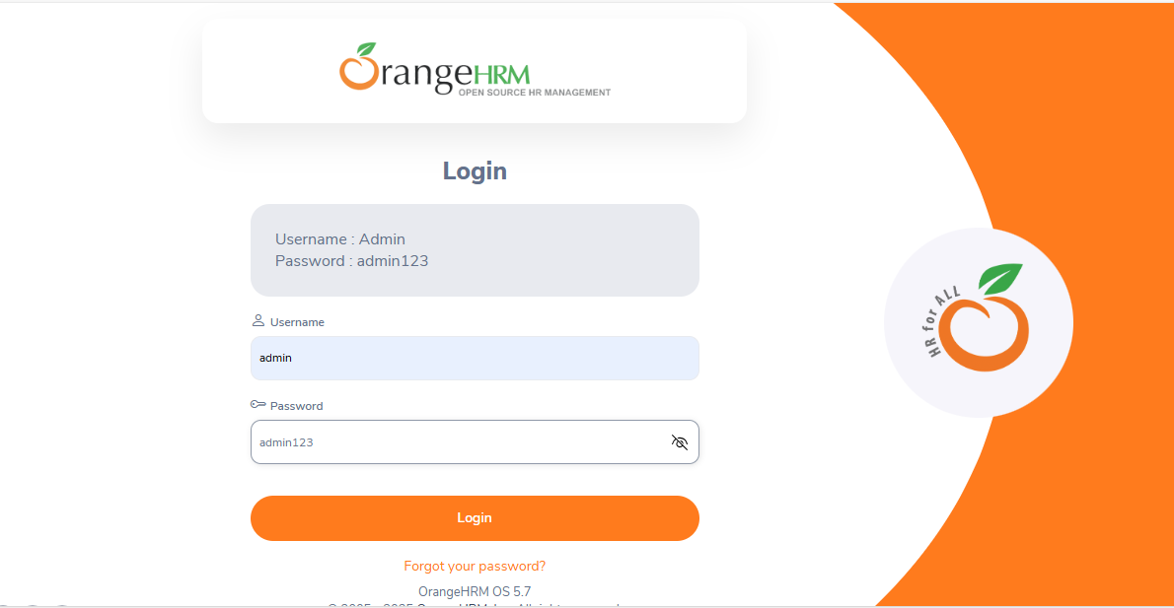

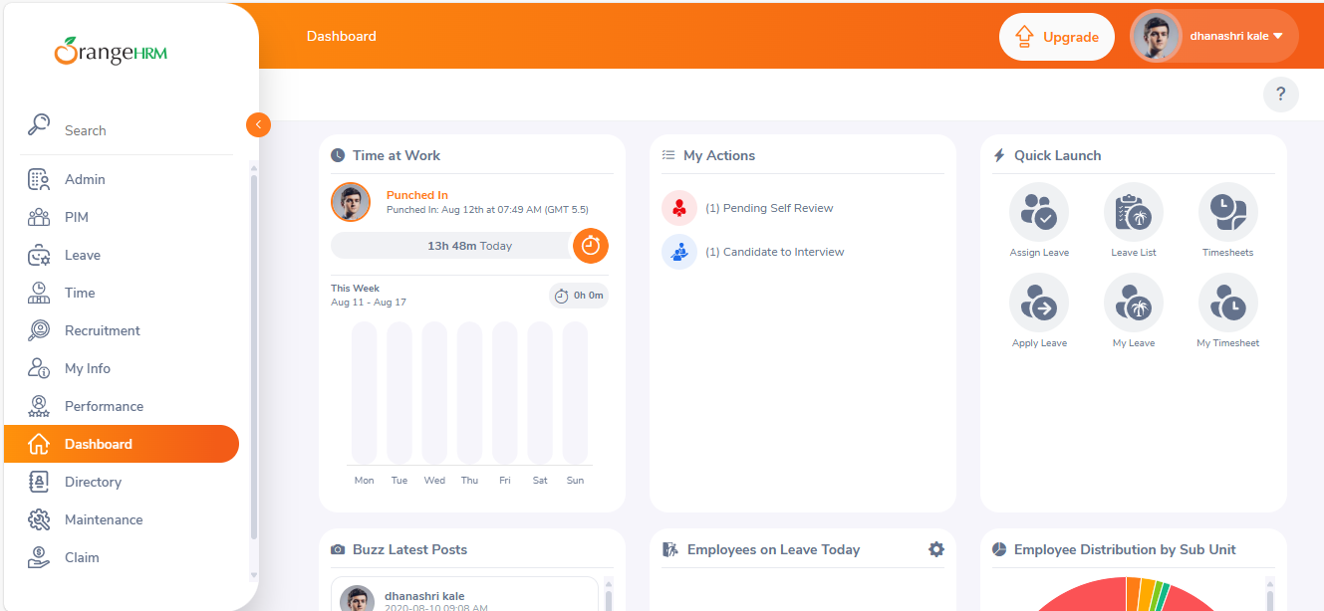

2 | When I enter the wrong username or password, the system just says 'Invalid credentials' without telling me which one is incorrect. It’s hard to know whether I typed the wrong username or the wrong password

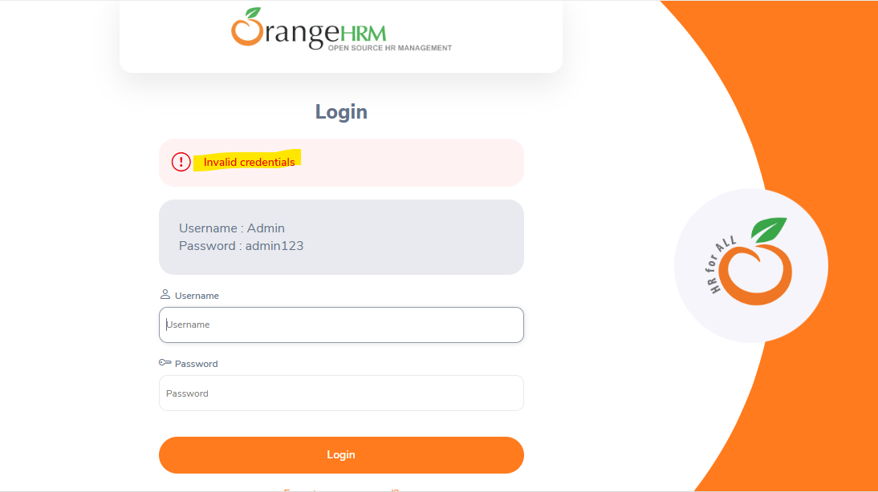

3 | When I click on the 'Forgot Password' link and enter a random or fake username, the system still accepts it and sends a reset link. It doesn’t check if the username actually exists, and there’s no error message to let me know it’s invalid

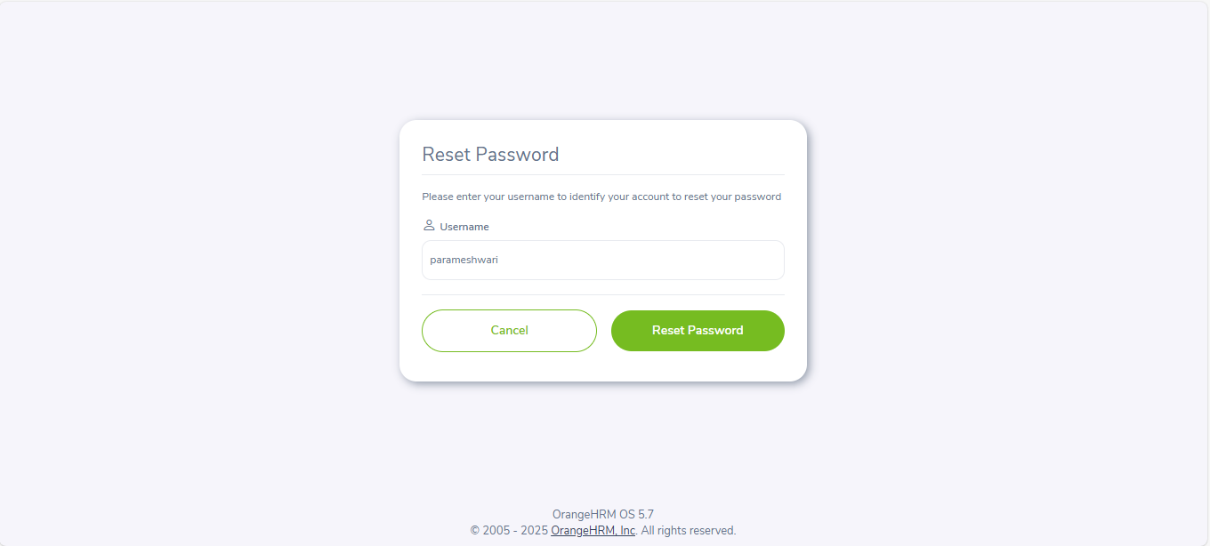

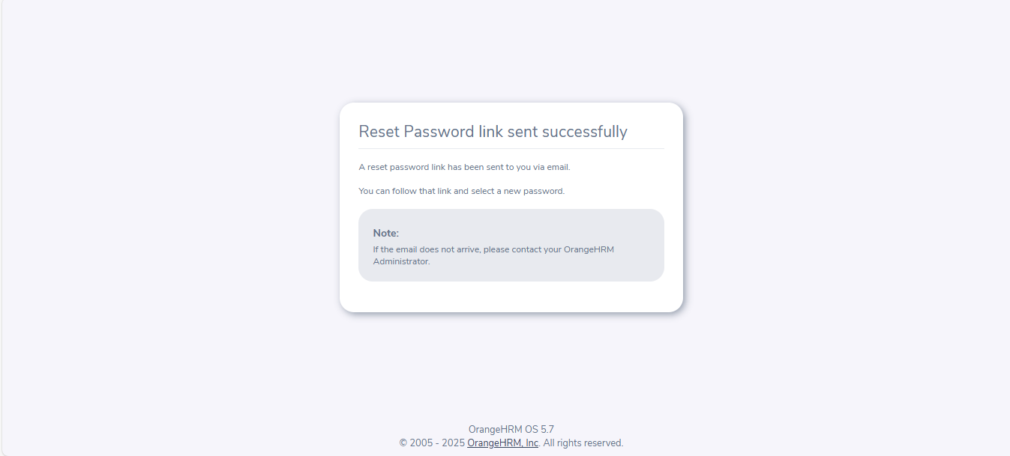

4 | After logging into the OrangeHRM application, if you click the browser's back button, it takes you back to the login page. But the username and password fields still show the previous values instead of clearing out. Also, the eye icon to show or hide the password doesn’t appear, even after typing something in the password field

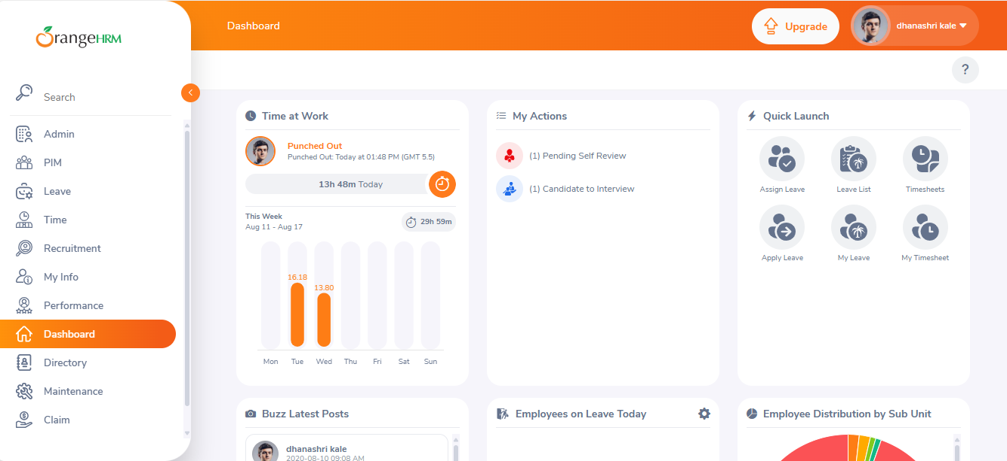

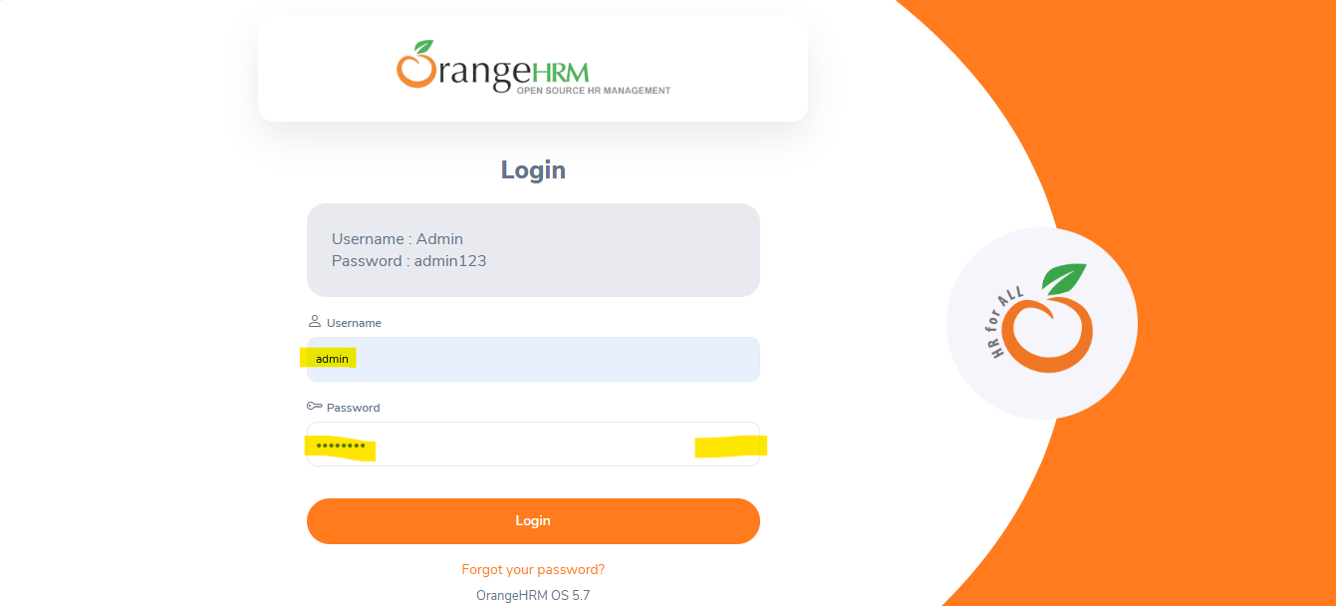

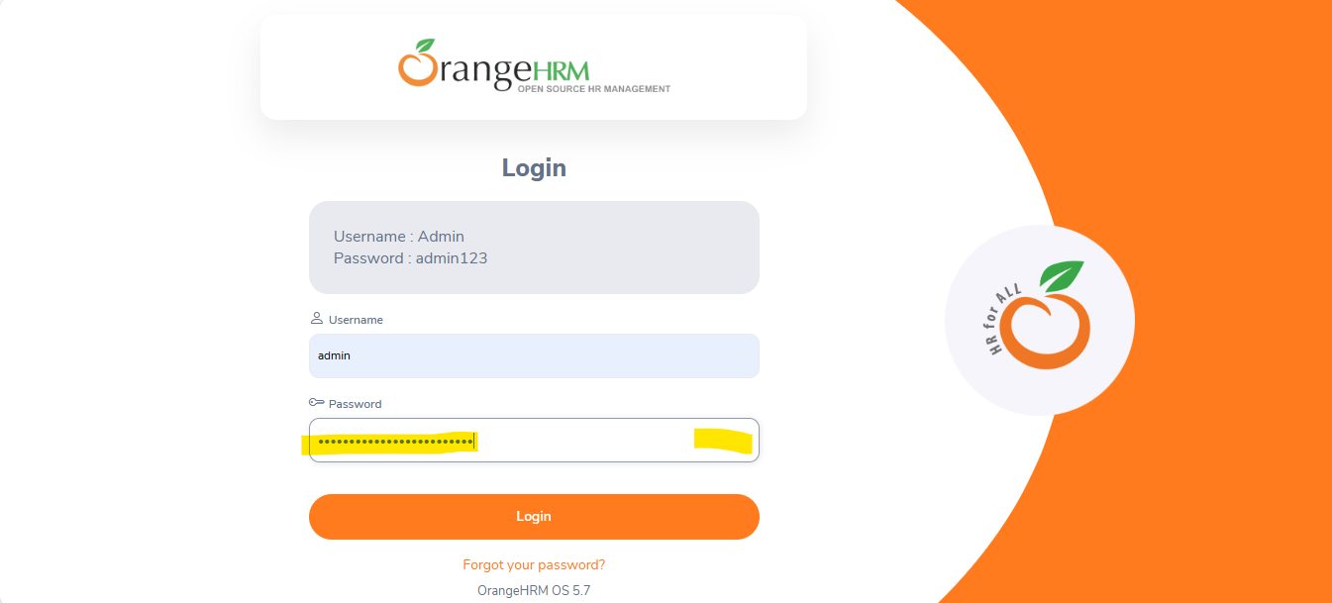

5 | The Reset Password page doesn’t have a logo or any proper UI design. It looks plain and unfinished, which can be confusing or unprofessional for users trying to recover their account

