required-result
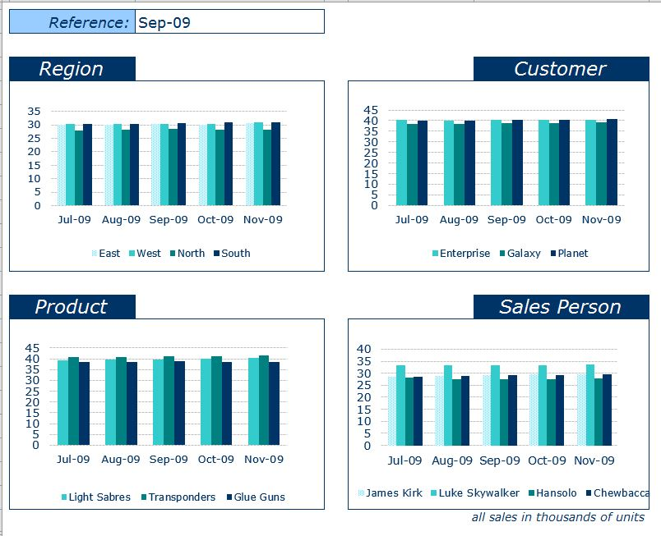

final-result
REFERENCE:-

REGION | CUSTOMERS
 | East | West | North | South
May-09 | 30640 | 29307 | 28232 | 30242
Jun-09 | 30218 | 29884 | 28210 | 30108
Jul-09 | 30054 | 30399 | 27829 | 30212
Aug-09 | 29990 | 30329 | 28101 | 30447
Sep-09 | 30288 | 30171 | 28634 | 30477
 | Enterprise | Galaxy | Planet
May-09 | 40334 | 37963 | 40124
Jun-09 | 40220 | 37935 | 40265
Jul-09 | 40290 | 38405 | 39799
Aug-09 | 40159 | 38558 | 40150
Sep-09 | 40396 | 38945 | 40229

PRODUCT | SALES-PERSON
 | Light Sabres | Transponders | Glue Guns
May-09 | 39119 | 40896 | 38406
Jun-09 | 39088 | 41146 | 38186
Jul-09 | 39304 | 40834 | 38356
Aug-09 | 39716 | 40787 | 38364
Sep-09 | 39797 | 40962 | 38811
 | James Kirk | Luke Skywalker | Hansolo | Chewbacca
May-09 | 28379 | 33275 | 28017 | 28750
Jun-09 | 28649 | 33187 | 28053 | 28531
Jul-09 | 28501 | 33297 | 28094 | 28602
Aug-09 | 28826 | 33424 | 27689 | 28928
Sep-09 | 29303 | 33423 | 27576 | 29268

