1- a
Time (hours) | BAC (mg/mL)
0 | 0
0.2 | 0.25
BAC as a Function of Time
0.5 | 0.41
0.75 | 0.4
1 | 0.33
1.25 | 0.29
1.5 | 0.24
1.75 | 0.22
2 | 0.18
2.25 | 0.15
2.5 | 0.12
3 | 0.07
3.5 | 0.03
4 | 0.01

2
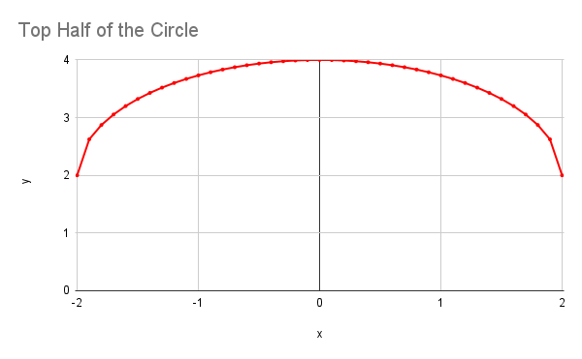
x | y
-2 | 2
-1.9 | 2.6244998
-1.8 | 2.871779789
-1.7 | 3.053565375
-1.6 | 3.2
-1.5 | 3.322875656
-1.4 | 3.428285686
-1.3 | 3.519868415
-1.2 | 3.6
-1.1 | 3.670329309
-1 | 3.732050808
-0.9 | 3.78605711
-0.8 | 3.833030278
-0.7 | 3.8734994
-0.6 | 3.907878403
-0.5 | 3.936491673
-0.4 | 3.959591794
-0.3 | 3.977371993
-0.2 | 3.989974874
-0.1 | 3.997498436
0 | 4
0.1 | 3.997498436
0.2 | 3.989974874
0.3 | 3.977371993
0.4 | 3.959591794
0.5 | 3.936491673
0.6 | 3.907878403
0.7 | 3.8734994
0.8 | 3.833030278
0.9 | 3.78605711
1 | 3.732050808
1.1 | 3.670329309
1.2 | 3.6
1.3 | 3.519868415
1.4 | 3.428285686
1.5 | 3.322875656
1.6 | 3.2
1.7 | 3.053565375
1.8 | 2.871779789
1.9 | 2.6244998
2 | 2

3 - a
Income ($) | Tax Rate (%)
0 | 0
10000 | 0
10000 | 10
20000 | 10
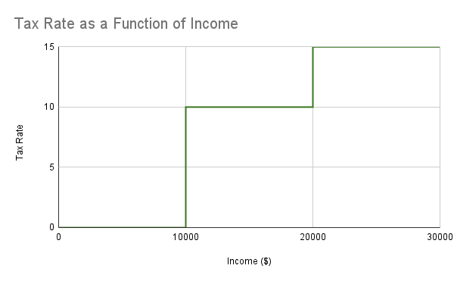
20000 | 15
30000 | 15

3 - c
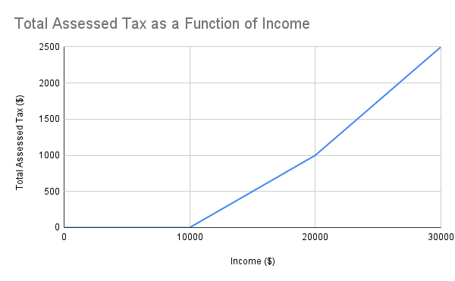
Income ($) | Total Assessed Tax ($)
0 | 0
10000 | 0
15000 | 500
20000 | 1000
25000 | 1750
30000 | 2500

4 - a
x | y
0 | 0.5
0.5 | 0.8
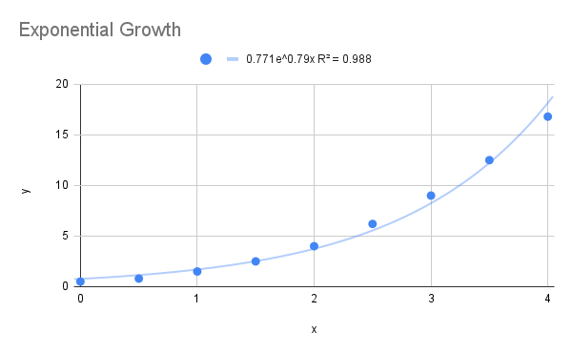
1 | 1.5
1.5 | 2.5
2 | 4
2.5 | 6.2
3 | 9
3.5 | 12.5
4 | 16.8

4 - b
x | y
0 | 16
0.5 | 12
1 | 9
1.5 | 6.5
2 | 4.5
2.5 | 3
3 | 2
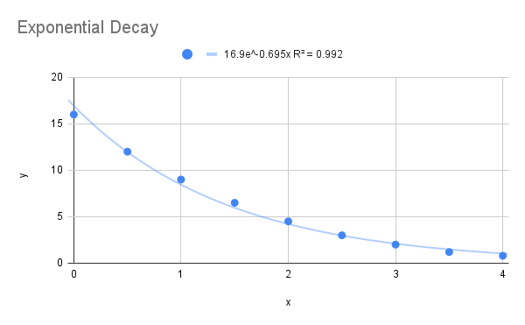
3.5 | 1.2
4 | 0.8

5 - a
Femur Length (cm) | Height (cm)
50.1 | 178.5
48.3 | 173.6
45.2 | 164.8
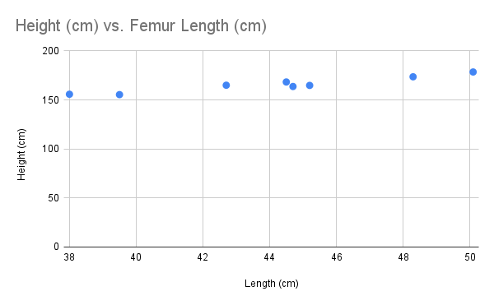
44.7 | 163.7
44.5 | 168.3
42.7 | 165
39.5 | 155.4
38 | 155.8

5 - b
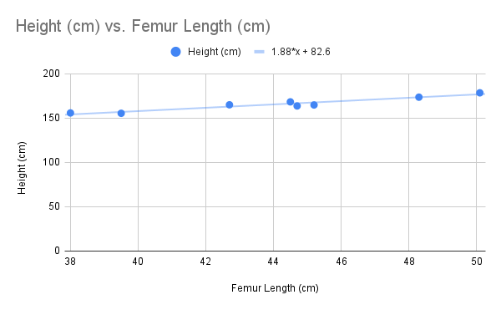
Femur Length (cm) | Height (cm)
50.1 | 178.5
48.3 | 173.6
45.2 | 164.8
44.7 | 163.7
44.5 | 168.3
42.7 | 165
39.5 | 155.4
38 | 155.8

6
Planet | d | T
Mercury | 0.387 | 0.241
Venus | 0.723 | 0.615
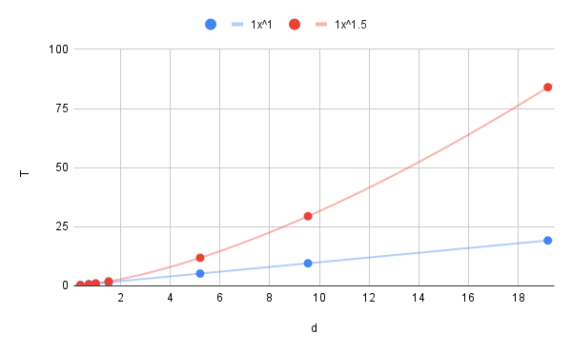
Earth | 1 | 1
Mars | 1.523 | 1.881
Jupiter | 5.203 | 11.861
Saturn | 9.541 | 29.457
Uranus | 19.19 | 84.008

7 - a
x | y = sin(sqrt(x))
0 | 0
0.1 | 0.310984
0.2 | 0.432455
0.3 | 0.520744
0.4 | 0.591127
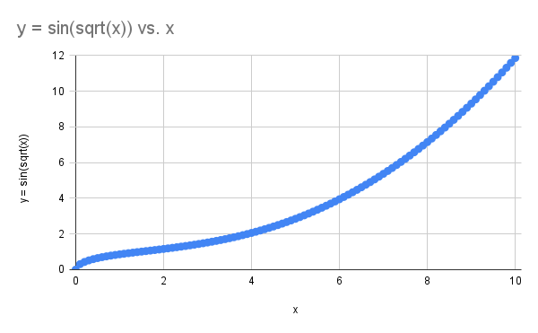
0.5 | 0.650287
0.6 | 0.701698
0.7 | 0.747272
0.8 | 0.788302
0.9 | 0.825665
1 | 0.860333
1.1 | 0.893016
1.2 | 0.924271
1.3 | 0.95453
1.4 | 0.984138
1.5 | 1.013385
1.6 | 1.042514
1.7 | 1.071734
1.8 | 1.101224
1.9 | 1.131145
2 | 1.16164
2.1 | 1.192836
2.2 | 1.224853
2.3 | 1.257803
2.4 | 1.291795
2.5 | 1.326935
2.6 | 1.363327
2.7 | 1.401074
2.8 | 1.440283
2.9 | 1.481056
3 | 1.523494
3.1 | 1.567695
3.2 | 1.613756
3.3 | 1.661769
3.4 | 1.711827
3.5 | 1.764016
3.6 | 1.818418
3.7 | 1.87511
3.8 | 1.934171
3.9 | 1.995676
4 | 2.059694
4.1 | 2.126294
4.2 | 2.195544
4.3 | 2.267504
4.4 | 2.342231
4.5 | 2.419781
4.6 | 2.500202
4.7 | 2.58354
4.8 | 2.669837
4.9 | 2.759136
5 | 2.851476
5.1 | 2.946898
5.2 | 3.045439
5.3 | 3.147133
5.4 | 3.251914
5.5 | 3.359819
5.6 | 3.470881
5.7 | 3.58513
5.8 | 3.702593
5.9 | 3.823298
6 | 3.947269
6.1 | 4.074533
6.2 | 4.205113
6.3 | 4.339035
6.4 | 4.476326
6.5 | 4.61701
6.6 | 4.761112
6.7 | 4.908655
6.8 | 5.059664
6.9 | 5.214162
7 | 5.372174
7.1 | 5.533724
7.2 | 5.698836
7.3 | 5.867533
7.4 | 6.03984
7.5 | 6.215779
7.6 | 6.395376
7.7 | 6.578654
7.8 | 6.765638
7.9 | 6.95635
8 | 7.150815
8.1 | 7.349056
8.2 | 7.551097
8.3 | 7.75696
8.4 | 7.966668
8.5 | 8.180244
8.6 | 8.397712
8.7 | 8.619094
8.8 | 8.844414
8.9 | 9.073695
9 | 9.306959
9.1 | 9.54423
9.2 | 9.78553
9.3 | 10.030883
9.4 | 10.28031
9.5 | 10.533835
9.6 | 10.79148
9.7 | 11.053267
9.8 | 11.319219
9.9 | 11.589358
10 | 11.863705

7 - b
x | y = sqrt(x * sqrt(x))
0 | 0
0.1 | 0.177828
0.2 | 0.29907
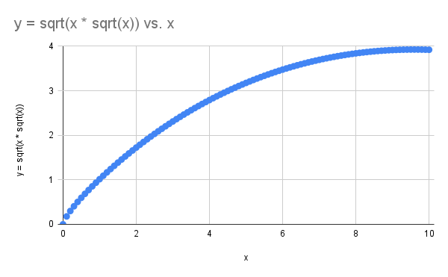
0.3 | 0.40536
0.4 | 0.502973
0.5 | 0.595662
0.6 | 0.684529
0.7 | 0.7703
0.8 | 0.853524
0.9 | 0.934619
1 | 1.013793
1.1 | 1.091226
1.2 | 1.167046
1.3 | 1.241349
1.4 | 1.314207
1.5 | 1.385676
1.6 | 1.455799
1.7 | 1.524609
1.8 | 1.592136
1.9 | 1.658408
2 | 1.723449
2.1 | 1.787282
2.2 | 1.849926
2.3 | 1.9114
2.4 | 1.971719
2.5 | 2.030899
2.6 | 2.088955
2.7 | 2.145901
2.8 | 2.201751
2.9 | 2.256517
3 | 2.310212
3.1 | 2.362847
3.2 | 2.414435
3.3 | 2.464986
3.4 | 2.514513
3.5 | 2.563027
3.6 | 2.610538
3.7 | 2.657057
3.8 | 2.702594
3.9 | 2.74716
4 | 2.790764
4.1 | 2.833417
4.2 | 2.875128
4.3 | 2.915906
4.4 | 2.955762
4.5 | 2.994704
4.6 | 3.032742
4.7 | 3.069885
4.8 | 3.106142
4.9 | 3.14152
5 | 3.17603
5.1 | 3.209678
5.2 | 3.242472
5.3 | 3.27442
5.4 | 3.30553
5.5 | 3.335809
5.6 | 3.365264
5.7 | 3.393902
5.8 | 3.42173
5.9 | 3.448754
6 | 3.474981
6.1 | 3.500417
6.2 | 3.525067
6.3 | 3.548937
6.4 | 3.572031
6.5 | 3.594355
6.6 | 3.615914
6.7 | 3.636713
6.8 | 3.656756
6.9 | 3.676048
7 | 3.694595
7.1 | 3.712399
7.2 | 3.729466
7.3 | 3.745798
7.4 | 3.7614
7.5 | 3.776274
7.6 | 3.790424
7.7 | 3.803854
7.8 | 3.816566
7.9 | 3.828564
8 | 3.83985
8.1 | 3.850427
8.2 | 3.860299
8.3 | 3.869468
8.4 | 3.877937
8.5 | 3.88571
8.6 | 3.892787
8.7 | 3.899173
8.8 | 3.904869
8.9 | 3.909878
9 | 3.914203
9.1 | 3.917845
9.2 | 3.920806
9.3 | 3.923089
9.4 | 3.924696
9.5 | 3.925628
9.6 | 3.925889
9.7 | 3.92548
9.8 | 3.924402
9.9 | 3.922658
10 | 3.920249

