Sheet1
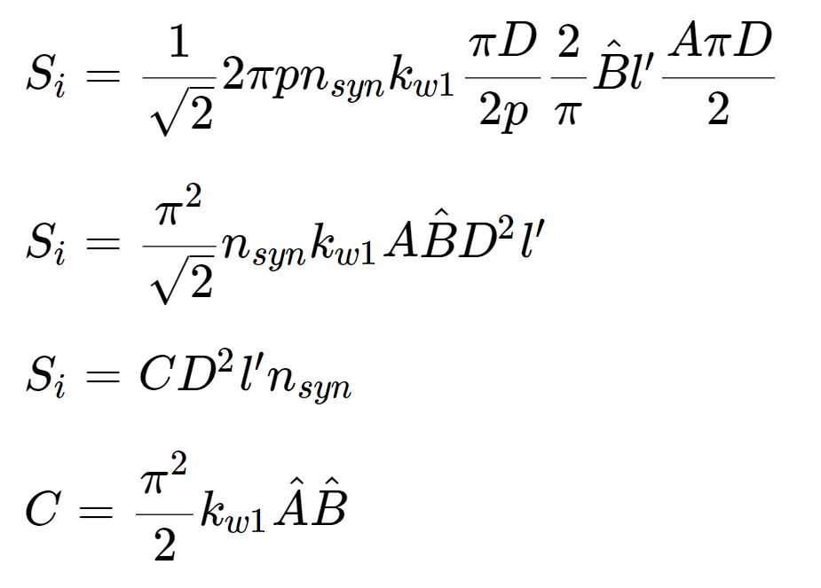
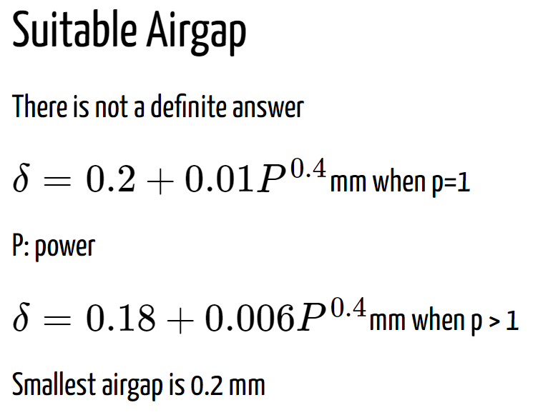
 |  |  | gama | 0.0000004
magnetic loading (avg) | 0.75 | T | airgap clearance (heavy duty) | 15.083683153 | mm
magnetic loading (peak) | 1.1780972451 | T | stator inner diameter Di | 5484.9756919 | mm
electrical loading (rms) | 55000 | A/m | axial length L' | 1076.9724587 | mm
electrical loading (peak) | 77781.745931 | A/m | rotor outer diameter do | 5454.8083256 | mm
current density (rms) | 3.5 | A/mm2 | Di/Do (564 datasheet) | 0.9
specific machine constant | 434.55889414 | kVAs/m3 | stator outer diameter Do | 6094.4174355 | mm

apparent power (S) | 44000000 | VA |  |  |  | slot dimensions
power factor (lagging) | 0.9
rated speed (rpm) | 187.5 | rpm
frequency (Hz) | 50 | Hz | tooth & slot dimensions
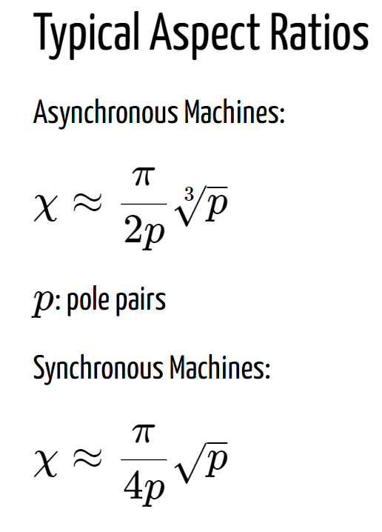
number of poles | 32 |  | slot height | 102.07795199 | mm
number of pole pairs | 16 |  | slot pitch | 68.379203726 | mm
mechanical frequency (Hz) | 3.125 | Hz | slot width | 22.632653934 | mm
Di2L' (m3) | 32.400671554 | m3 | tooth width | 45.746549792 | mm
X (L'/Di) | 0.19634954085 |  | slot area | 2310.2949617 | mm2
stator inner diameter Di (m) | 5.4849756919 | m
axial length L' (m) | 1.0769724587 | m
active power (P) | 39600000 | watts | stator back core thickness | 202.64291978 | mm
number of phases (m) | 3 |  | rotor back core thickness | 270.19055971 | mm
rated voltage | 13800 | volts | pole width | 360.25407961 | mm
phase voltage | 7967.4337148 | volts
pole area | 0.57993483838 | m2
flux per pole | 0.43495112878 | wb
turns per phase | 85.862782193
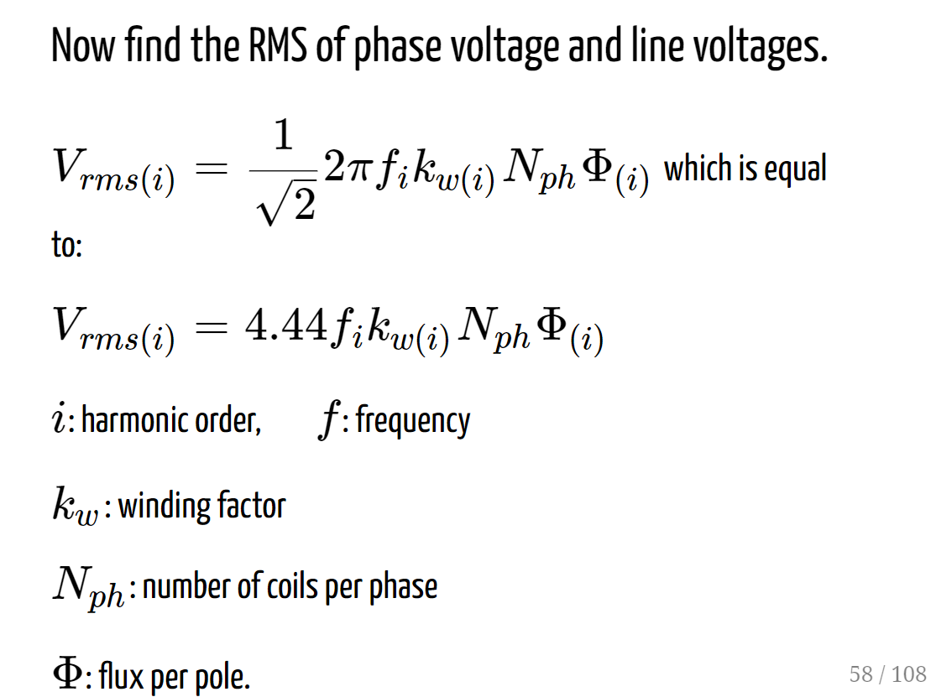
We can choose Nph=84, to get an integer for conducter per slot. By increasing Nph, we will have less flux.

new turn per phase | 84
new flux per pole | 0.44459659566 | wb
new magnetic loading (avg) | 0.76663198386 | T | electrical loading from equation | 53841.719264
total turns | 252
total conductors | 504
conductors per slot | 2
phase current (rms) | 1840.8269452 | A
area of conductor | 525.95055578 | mm2
total conductor area per slot | 1051.9011116 | mm2
fill factor | 0.45531030842

number of slots | 252

 |  | mm

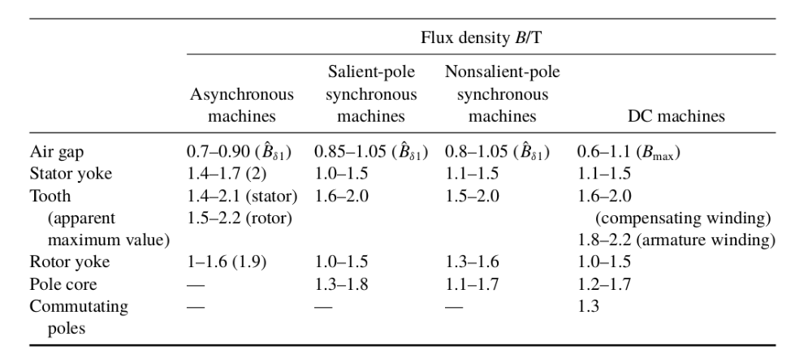
q | 2.625
kd1 | 0.96129143571
kp1 | 0.999689182
slot pitch angle (elec) | 22.857142857 | deg
coil span (elec) (full-pitch) | 182.85714286 | deg | flux densities
winding factor (kw1) | 0.96099264903 |  | tooth flux density (peak) | 1.8
pole pitch | 538.48622934 | mm | tooth flux density (avg) | 1.1459155903
number of teeth per pole | 7.875 |  | stator back-core flux density (peak) | 1.6
coil throw | 8 |  | stator back-core flux density (avg) | 1.0185916358
 |  |  | rotor back-core flux density (peak) | 1.2
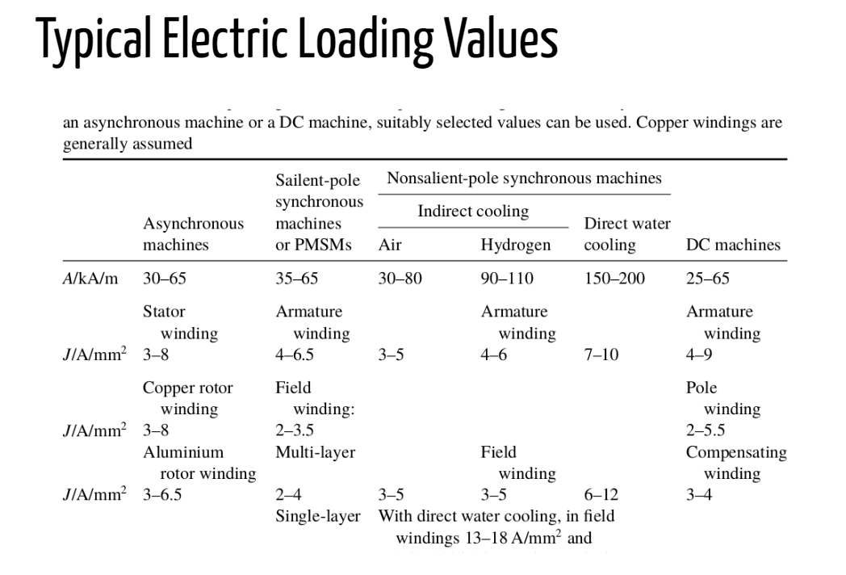
 |  |  | rotor back-core flux density (avg) | 0.76394372684
 |  |  | pole core flux density (peak) | 1.8
Base Values |  |  | pole core flux density (avg) | 1.1459155903
base voltage (L-L) | 13800
base power | 44000000
base impedance | 4.3281818182

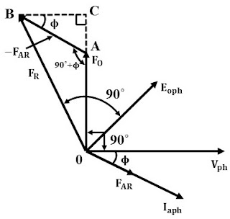
mu0 | 1.2566370614E-06
resistivity | 1.68E-08

Armature MMF per pole (ATa)(F1) | 12537.937489
SCR | 1.3
No-load field MMF per pole (ATfo) | 16299.318736
full-load field MMF per pole (ATfl) | 24515.799913
cos(fi) (power factor) | 0.9
sin(fi) | 0.43588989435
NfIf (ATfl) | 24515.799913

current density for field winding | 4 | A/mm2
fill factor for field winding | 0.4
area for field winding (one side) | 6128.9499783 | mm2
area for field winding | 12257.899957 | mm2
area of empty space between poles | 30644.749892 | mm2
shaft diameter | 4000 | mm
width of empty part next to pole | 85.496794427 | mm
total pole height | 457.21360311 | mm | Inductance Calculation
pole body height | 358.43156573 | mm | Xd (1/scr) | 0.76923076923
pole tip height | 98.782037375 | mm | length of ait in q-dir | 0.47229728626 | m
 |  |  | Area in q-dir | 0.092077692903 | mm2
 |  |  | Rq | 4081794.6968
 |  |  | Lq | 0.0017286513713 | Henries
cross section of field winding | 85 | mm2 | rated speed in rad/sec (elec) | 314.15926536 | rad/sec
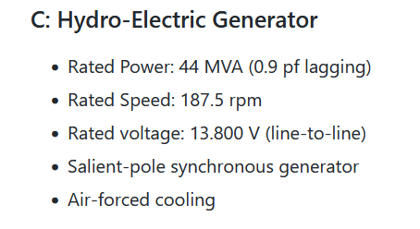
turn number for field winding (Nf) | 72.105293862 |  | Xq | 0.54307184487
chosen Nf | 72 |  | Ld | 0.002448537586 | Henries
Field current (If) | 340.49722102 |  | Xs | 3.1677879307
 |  |  | Ls | 0.010083382157
 |  |  | Induced Voltage Calculation |  |  |  | Input Data
 |  |  | induced voltage | 7794.5812487 | volts |  | Rated apparent power (MVA) | 44
Material Selection ??? |  |  |  |  |  |  | Power factor (lagging) | 0.9
 |  |  | Armature Resistance Calculation |  |  |  | Rated speed (rpm) | 187.5
 |  |  | mean length per turn | 3410.4127858 | mm |  | Rated voltage (line-line) (KV) | 13.8
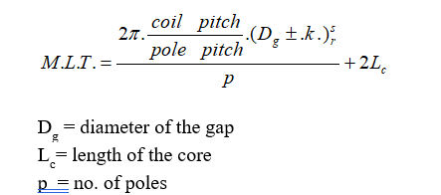
 |  |  | Ra | 0.0091506216134 | ohms |  | Machine type | Salient-pole synchrnous generator
 |  |  |  |  |  |  | Cooling method | Air-forced
 |  |  | Field Resistance Calculation
Material Mass (Kg) |  |  | mean length per turn | 3449.3436919 | mm
Armature copper mass | 4142.31 |  | Rf (one pole) | 0.049086189762 | ohms
Field copper mass | 5251.94 |  | Rf total | 1.5707580724 | ohms
Armature core steel mass | 39957.9
Rotor pole steel mass | 45318.7
Rotor yoke steel mass | 30194.9
Total net mass | 124866

 |  |  |  |  |  |  |  |  |  |  | Rated Values
 |  |  |  |  |  |  |  |  | Losses |  | Input Power (kW) | 40285.6
Torque & Power Density |  |  |  |  |  |  |  |  | Iron-Core Loss (W) | 148511 | Output Power (kW) | 39563.3
Shaft torque (KNm) | 2051.73 |  |  |  |  |  |  |  | - Stator-Tooth Core Loss (W) | 66375 | Efficiency (%) | 98.2072
Rotor volume (m3) | 100.67310404 |  |  |  |  |  |  |  | - Stator-Yoke Core Loss (W) | 76103.6 | Shaft Torque (N.m) | 2051730
Torque density (KNm/m3) | 20.380120586 |  |  |  |  |  |  |  | - Stator Surface Excess Loss (W) | 0 | Apparent Power (kVA) | 44000
Output power (KW) | 39563.3 |  |  |  |  |  |  |  | - Rotor Surface Excess Loss (W) | 6032.88 | Power Factor | 0.899167
Power density (KW/m3) | 392.98778337 |  |  |  |  |  |  |  | Mechanical Loss (W) | 200
 |  |  |  |  |  |  |  |  | - Friction Loss (W) | 100
 |  |  |  |  |  |  |  |  | - Windage Loss (W) | 100 | Armature Resitance (ohms)
Dimensions |  |  |  |  |  |  |  |  | Additional Loss (W) | 220000 | FEA result | 0.0122885
Outer diameter (mm) | 6094.4174355 |  |  |  |  |  |  |  | Copper Loss (W) | 353535 | Analytical result | 0.0091506216134
Axial length (mm) | 1076.9724587 |  |  |  |  |  |  |  | - Armature Copper Loss (W) | 124924
Aspect ratio | 0.19634954085 |  |  |  |  |  |  |  | - Field Copper Loss (W) | 228611
 |  |  |  |  |  |  |  |  | - Exciter Loss (W) | 0 | Field Resitance (ohms)
 |  |  |  |  |  |  |  |  | Total Loss (W) | 722247 | FEA result | 1.74048
 |  |  |  |  |  |  |  |  |  |  | Analytical result | 1.5707580724

 |  |  |  |  |  |  |  |  | Max Flux Densities at No-Load (T)
 |  |  |  |  |  |  |  |  | Stator Teeth | 1.52714
 |  |  |  |  |  |  |  |  | Stator Yoke | 1.07757
 |  |  |  |  |  |  |  |  | Pole Shoe | 1.43281
 |  |  |  |  |  |  |  |  | Pole Body | 1.65679
 |  |  |  |  |  |  |  |  | Rotor Yoke | 0.942378
 |  |  |  |  |  |  |  |  | Air Gap | 1.00209

