Sheet1
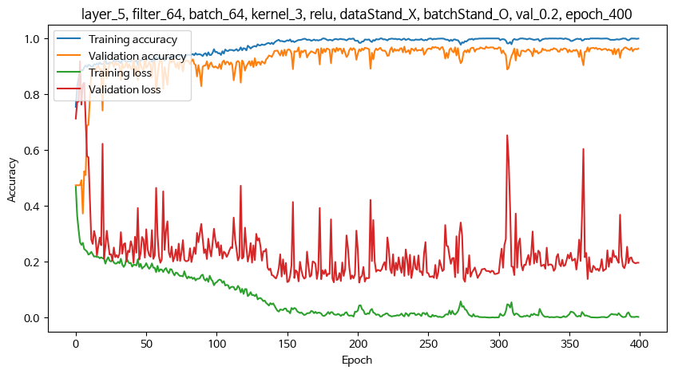
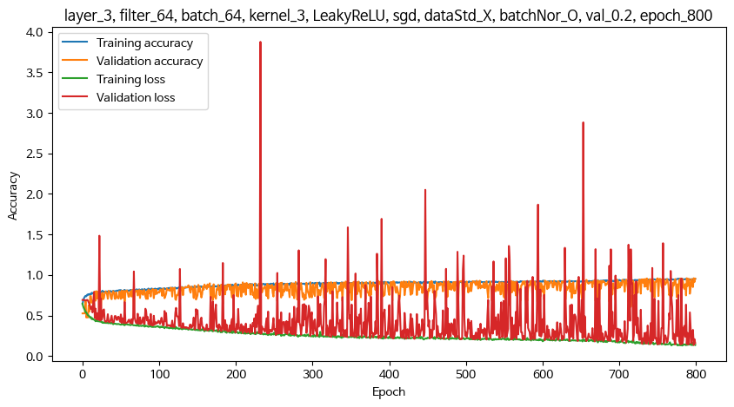
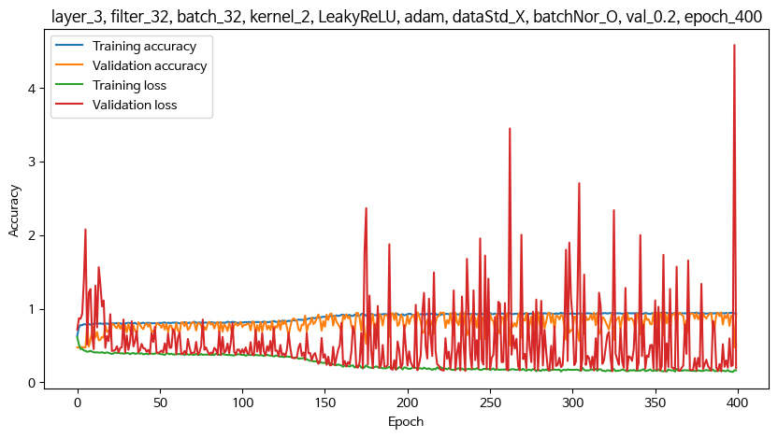
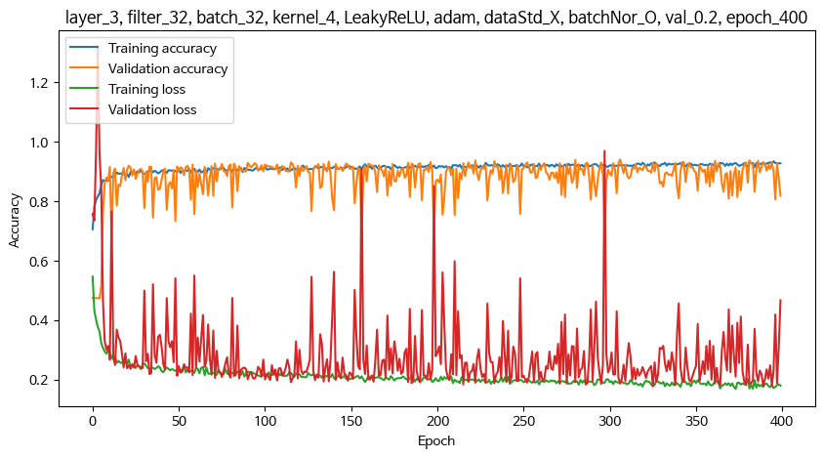
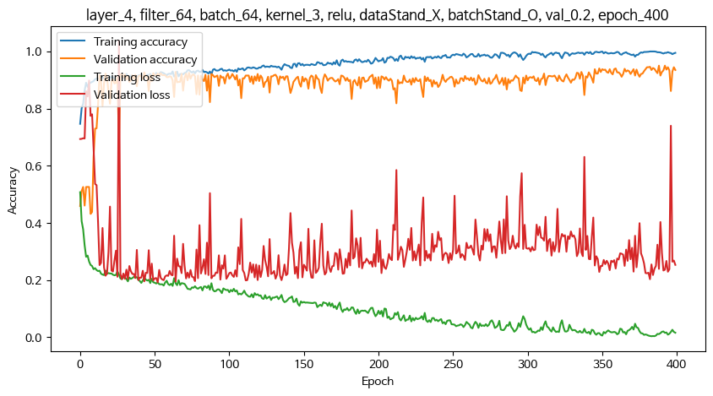
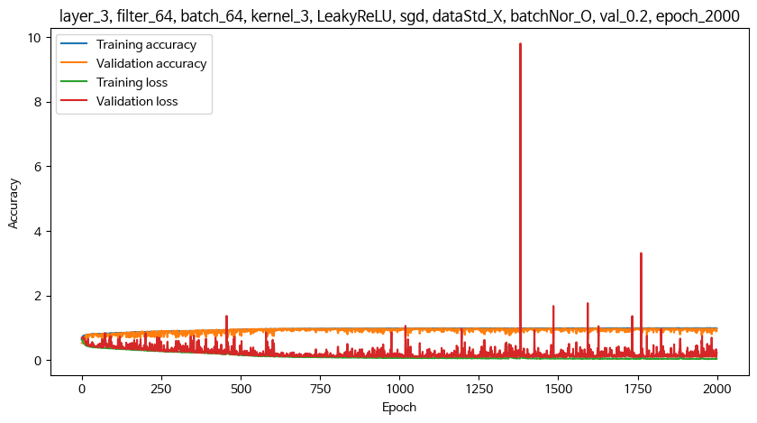
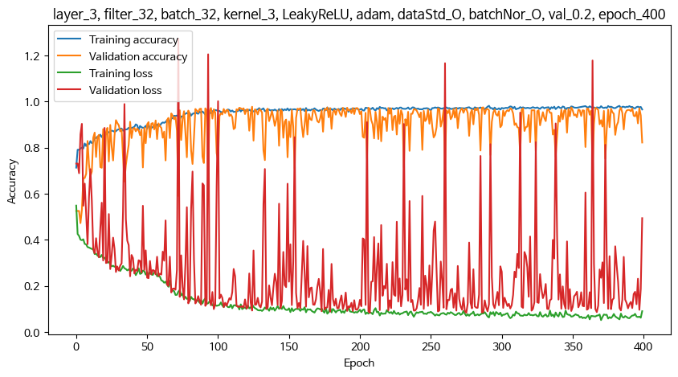
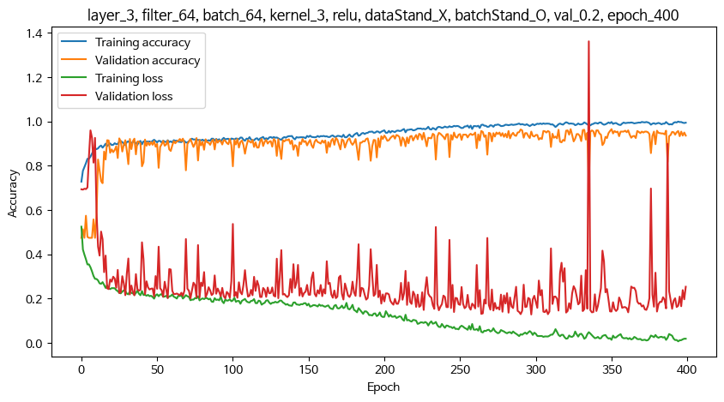
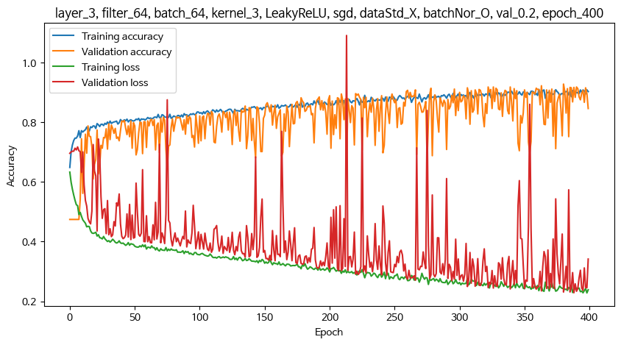
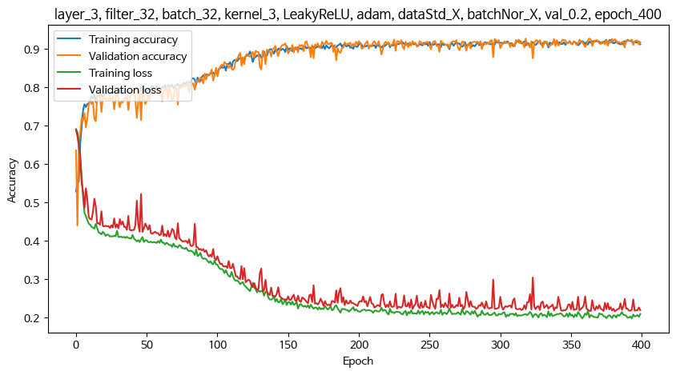
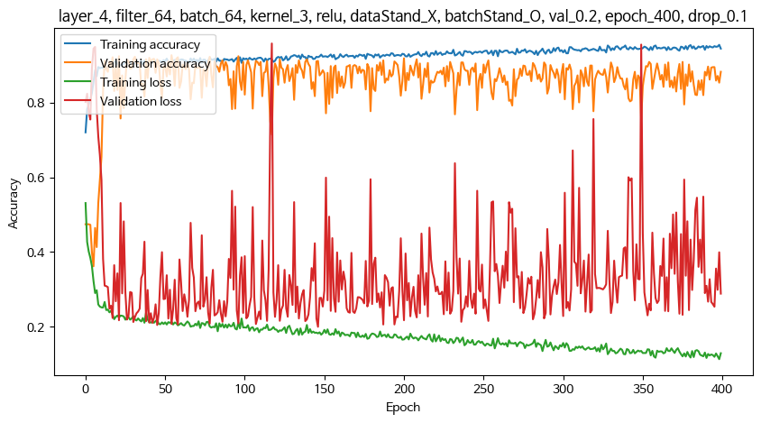
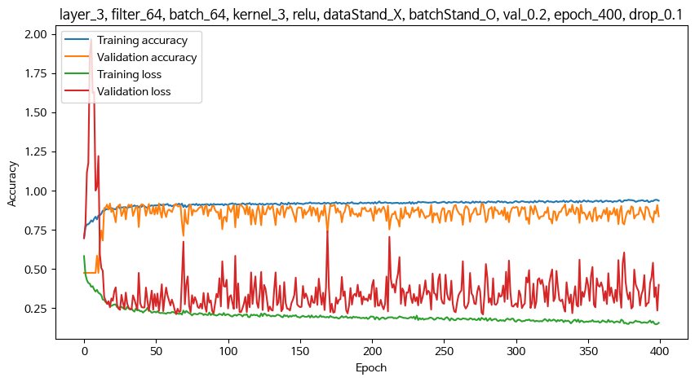
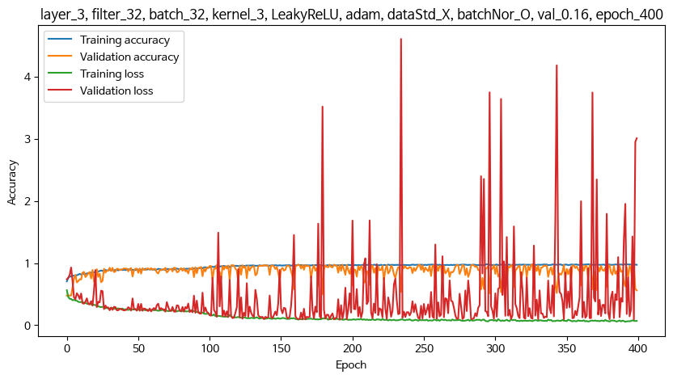
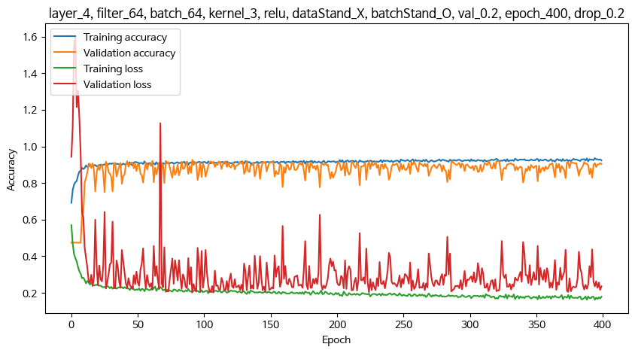
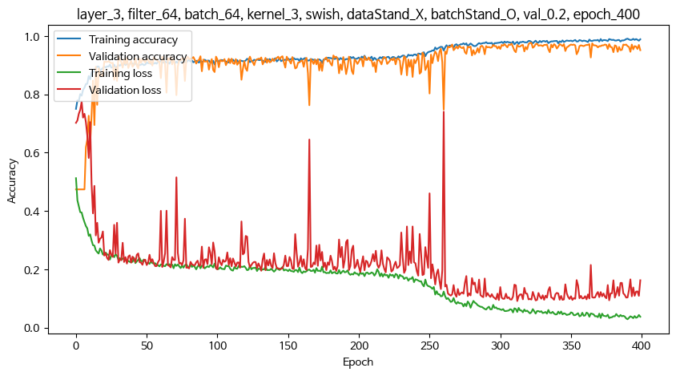
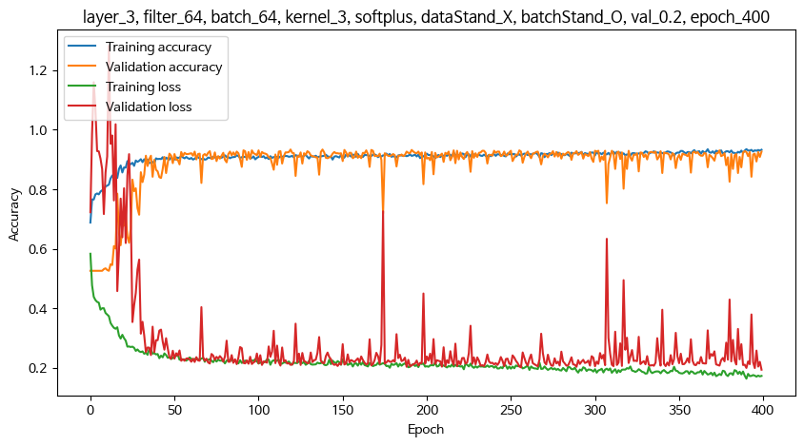
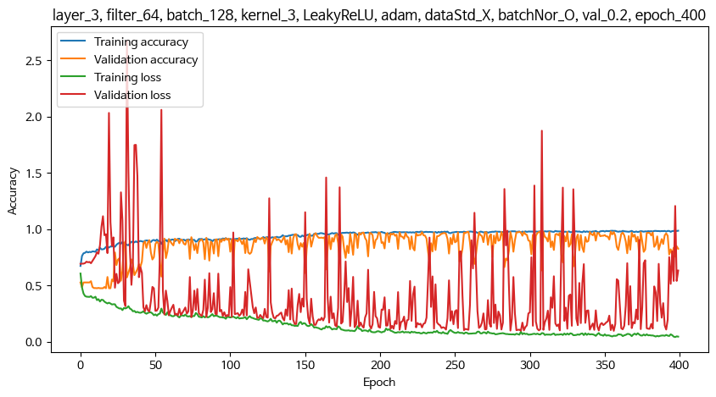
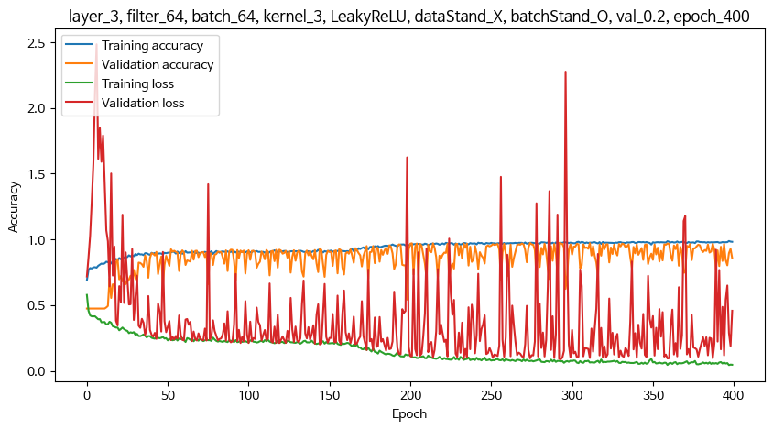
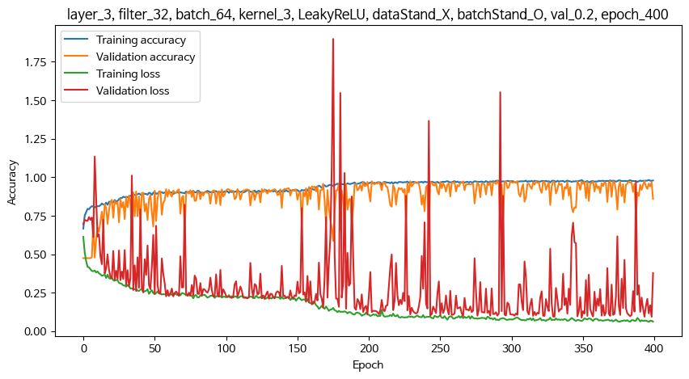
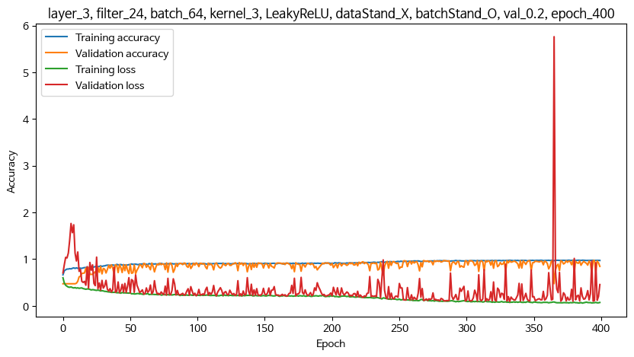
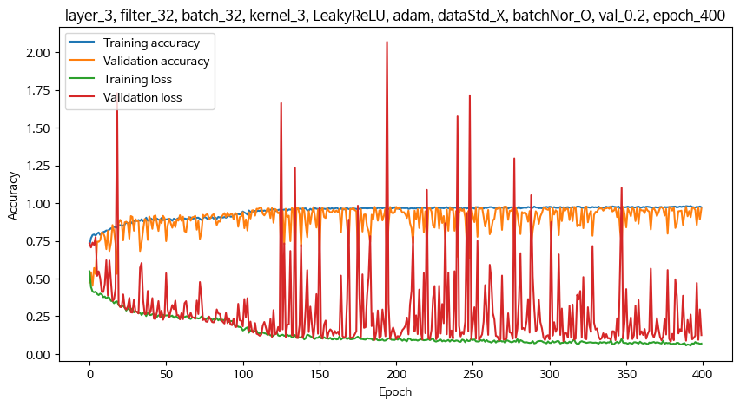
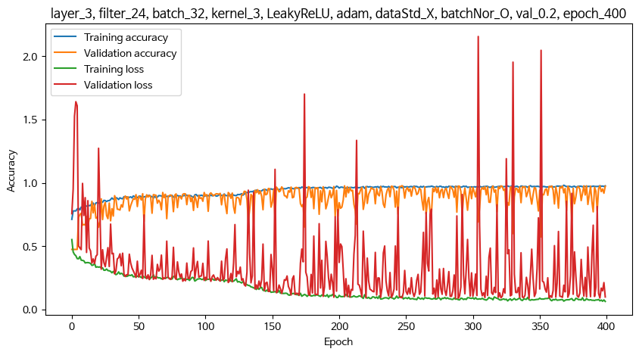
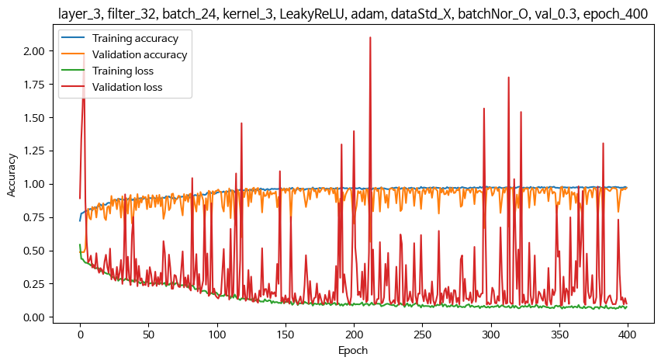
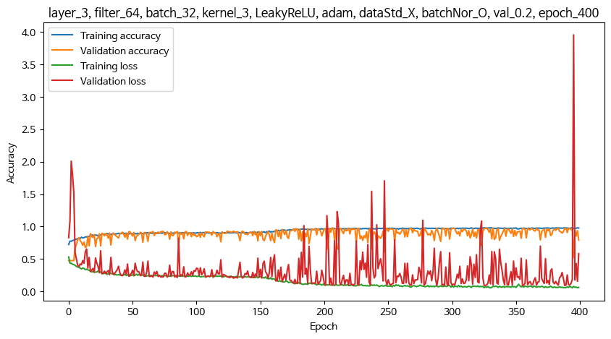
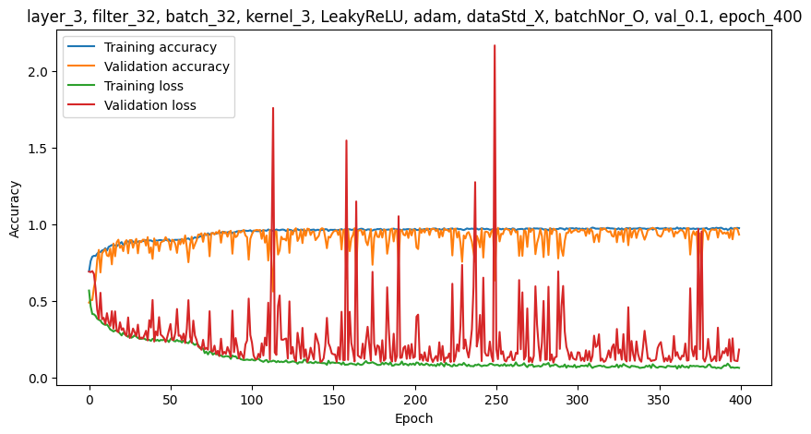
 | 1. 기본 설정
 | optimizer |  |  | adam
 | epoch |  |  | 400
 | Conv 다음 레이어 |  |  | GlobalAveragePooling1D() 사용
 |  |  |  | Flatten() 사용시 지역적 특징을 추출하지 못하여 학습 안됨. 과적합
 | 마지막 Dens2 레이어의 활성함수 : softmax
 | ** 레이어층, 필터수, 배치수는 교차 조합으로 여러가지 테스트를 해봤으나, 특별히 좋아지는 조건이 없어서 아래 조건 이외의 기록은 생략함

 | 2. 조건 확정 후 추가 테스트 내용
 | - 튀는 샘플 상위 20개, 10개, 5개 제거 후
 | - s403열 이후만 학습
 | - crr_490, 470, 495

 | 3. 조건 테스트

 | Conv레이어층 | 활성함수 | optimizer | 필터수 | 배치수 | 베스트기준 | val 비율 | 커널 | 데이터정규화 | 배치정규화 | raw | Max val acc | Min val loss | test acrr | test loss | 과적합 | 과소적합
400 | 5 | relu | adam | 64 | 64 | acc | 0.2 | 3 | X | O | Max train acc : 177_epoch_1.0 Max val acc: 177_epoch_0.9708737730979919 Min train loss : 294_epoch_0.0005741274799220264 Min val loss: 202_epoch_0.12598660588264465 42/42 [==============================] - 0s 4ms/step - loss: 0.1487 - sparse_categorical_accuracy: 0.9652 test acrr 0.9651514887809753 test loss 0.1486615687608719 | 0.9708737731 | 0.12598660588 | 0.96515148878 | 0.14866156876
400 | 4 | relu | adam | 64 | 64 | acc | 0.2 | 3 | X | O | Max train acc : 383_epoch_0.9996528029441833 Max val acc: 383_epoch_0.9500693678855896 Min train loss : 384_epoch_0.0034660769160836935 Min val loss: 53_epoch_0.19185836613178253 42/42 [==============================] - 0s 4ms/step - loss: 0.2342 - sparse_categorical_accuracy: 0.9402 test acrr 0.9401515126228333 test loss 0.23422053456306458 | 0.95006936789 | 0.19185836613 | 0.9401 | 0.2342
400 | 3 | relu | adam | 64 | 64 | acc | 0.2 | 3 | X | O | Max train acc : 395_epoch_0.9996528029441833 Max val acc: 395_epoch_0.9653259515762329 Min train loss : 395_epoch_0.006811418570578098 Min val loss: 298_epoch_0.12815922498703003 42/42 [==============================] - 0s 3ms/step - loss: 0.1515 - sparse_categorical_accuracy: 0.9523 test acrr 0.9522727131843567 test loss 0.15152209997177124 | 0.9653 | 0.1281 | 0.9522 | 0.1515
400 | 4 (drop0.1) | relu | adam | 64 | 64 | acc | 0.2 | 3 | X | O | Max train acc : 399_epoch_0.9541666507720947 Max val acc: 399_epoch_0.9264909625053406 Min train loss : 399_epoch_0.11360393464565277 Min val loss: 147_epoch_0.20018517971038818 42/42 [==============================] - 0s 4ms/step - loss: 0.2161 - sparse_categorical_accuracy: 0.9083 test acrr 0.9083333611488342 test loss 0.21606984734535217 | 0.9264 | 0.2001 | 0.9083 | 0.216
400 | 3 (drop0.1) | relu | adam | 64 | 64 | acc | 0.2 | 3 | X | O | Max train acc : 379_epoch_0.941319465637207 Max val acc: 379_epoch_0.9167822599411011 Min train loss : 398_epoch_0.14585886895656586 Min val loss: 278_epoch_0.20924004912376404 42/42 [==============================] - 0s 3ms/step - loss: 0.2485 - sparse_categorical_accuracy: 0.9068 test acrr 0.9068182110786438 test loss 0.2484739124774933 | 0.9167 | 0.2092 | 0.9068 | 0.2484
400 | 4 (drop0.2) | relu | adam | 64 | 64 | acc | 0.2 | 3 | X | O | Max train acc : 395_epoch_0.9357638955116272 Max val acc: 395_epoch_0.9264909625053406 Min train loss : 389_epoch_0.1625823676586151 Min val loss: 92_epoch_0.2020418792963028 42/42 [==============================] - 0s 3ms/step - loss: 0.2153 - sparse_categorical_accuracy: 0.9083 test acrr 0.9083333611488342 test loss 0.21532967686653137 | 0.9264 | 0.202 | 0.9083 | 0.2153
400 | 3 | swish | adam | 64 | 64 | acc | 0.2 | 3 | X | O | Max train acc : 391_epoch_0.9909722208976746 Max val acc: 391_epoch_0.9764216542243958 Min train loss : 391_epoch_0.02917112596333027 Min val loss: 313_epoch_0.0915837362408638 42/42 [==============================] - 0s 3ms/step - loss: 0.1054 - sparse_categorical_accuracy: 0.9667 test acrr 0.9666666388511658 test loss 0.10542181879281998 | 0.9764 | 0.9158 | 0.9666 | 0.1054
400 | 3 | softplus | adam | 64 | 64 | acc | 0.2 | 3 | X | O | Max train acc : 391_epoch_0.9347222447395325 Max val acc: 391_epoch_0.933425784111023 Min train loss : 391_epoch_0.16285397112369537 Min val loss: 400_epoch_0.19308964908123016 42/42 [==============================] - 0s 3ms/step - loss: 0.2140 - sparse_categorical_accuracy: 0.9098 test acrr 0.9098485112190247 test loss 0.21397000551223755 | 0.9334 | 0.193 | 0.9098 | 0.2139
400 | 3 | LeakyReLU | adam | 64 | 64 | acc | 0.2 | 3 | X | O | Max train acc : 398_epoch_0.988194465637207 Max val acc: 398_epoch_0.9736477136611938 Min train loss : 398_epoch_0.04424625262618065 Min val loss: 294_epoch_0.08816120028495789 42/42 [==============================] - 0s 3ms/step - loss: 0.0962 - sparse_categorical_accuracy: 0.9720 test acrr 0.971969723701477 test loss 0.0962466150522232 | 0.9736 | 0.0881 | 0.9719 | 0.0962
400 | 3 | LeakyReLU | SGD | 64 | 64 | acc | 0.2 | 3 | X | O | Max train acc : 362_epoch_0.910069465637207 Max val acc: 362_epoch_0.9278779625892639 Min train loss : 399_epoch_0.22812311351299286 Min val loss: 389_epoch_0.22886265814304352 42/42 [==============================] - 0s 3ms/step - loss: 0.2287 - sparse_categorical_accuracy: 0.9159 test acrr 0.9159091114997864 test loss 0.22870060801506042 | 0.9278 | 0.2288 | 0.9159 | 0.2287
800 | 3 | LeakyReLU | SGD | 64 | 64 | acc | 0.2 | 3 | X | O | Max train acc : 781_epoch_0.956250011920929 Max val acc: 781_epoch_0.9597780704498291 Min train loss : 783_epoch_0.12878453731536865 Min val loss: 798_epoch_0.13660308718681335 42/42 [==============================] - 0s 3ms/step - loss: 0.1291 - sparse_categorical_accuracy: 0.9583 test acrr 0.9583333134651184 test loss 0.1291147917509079 | 0.9597 | 0.1366 | 0.9583 | 0.1291
2000 | 3 | LeakyReLU | SGD | 64 | 64 | acc | 0.2 | 3 | X | O | Max train acc : 1973_epoch_0.9940972328186035 Max val acc: 1973_epoch_0.9805825352668762 Min train loss : 1973_epoch_0.028528738766908646 Min val loss: 1476_epoch_0.0904889777302742 42/42 [==============================] - 0s 3ms/step - loss: 0.0960 - sparse_categorical_accuracy: 0.9667 test acrr 0.9666666388511658 test loss 0.09599888324737549 | 0.9805 | 0.9048 | 0.9666 | 0.0959
400 | 3 | LeakyReLU | adam | 64 | 128 | acc | 0.2 | 3 | X | O | Max train acc : 398_epoch_0.9854166507720947 Max val acc: 398_epoch_0.9778085947036743 Min train loss : 398_epoch_0.04052061587572098 Min val loss: 357_epoch_0.0958586111664772 42/42 [==============================] - 0s 3ms/step - loss: 0.1105 - sparse_categorical_accuracy: 0.9674 test acrr 0.967424213886261 test loss 0.1105249673128128 | 0.9778 | 0.0958 | 0.9674 | 0.1105
400 | 3 | LeakyReLU | adam | 32 | 64 | acc | 0.2 | 3 | X | O | Max train acc : 397_epoch_0.9822916388511658 Max val acc: 397_epoch_0.9750346541404724 Min train loss : 397_epoch_0.0611482709646225 Min val loss: 350_epoch_0.08794444799423218 42/42 [==============================] - 0s 3ms/step - loss: 0.1018 - sparse_categorical_accuracy: 0.9727 test acrr 0.9727272987365723 test loss 0.10184667259454727 | 0.975 | 0.0879 | 0.9727 | 0.1018
400 | 3 | LeakyReLU | adam | 24 | 64 | acc | 0.2 | 3 | X | O | Max train acc : 377_epoch_0.9784722328186035 Max val acc: 377_epoch_0.9722607731819153 Min train loss : 387_epoch_0.059754714369773865 Min val loss: 333_epoch_0.09296498447656631 42/42 [==============================] - 0s 3ms/step - loss: 0.0934 - sparse_categorical_accuracy: 0.9697 test acrr 0.9696969985961914 test loss 0.09339591860771179 | 0.9722 | 0.0929 | 0.9696 | 0.0933
400 | 3 | LeakyReLU | adam | 64 | 32 | acc | 0.2 | 3 | X | O | Max train acc : 326_epoch_0.9819444417953491 Max val acc: 326_epoch_0.9791955351829529 Min train loss : 331_epoch_0.05464017763733864 Min val loss: 356_epoch_0.08741684257984161 42/42 [==============================] - 0s 3ms/step - loss: 0.1006 - sparse_categorical_accuracy: 0.9705 test acrr 0.9704545736312866 test loss 0.10064556449651718 0.9791955351829529 0.08741684257984161 0.9704545736312866 0.10064556449651718 | 0.9791 | 0.0874 | 0.9704 | 0.1006
400 | 3 | LeakyReLU | adam | 32 | 32 | acc | 0.2 | 3 | X | O | Max train acc : 393_epoch_0.980555534362793 Max val acc: 393_epoch_0.9791955351829529 Min train loss : 393_epoch_0.05602329969406128 Min val loss: 380_epoch_0.08161262422800064 42/42 [==============================] - 0s 3ms/step - loss: 0.0911 - sparse_categorical_accuracy: 0.9720 test acrr 0.971969723701477 test loss 0.0910976380109787 0.9791955351829529 0.08161262422800064 0.971969723701477 0.0910976380109787
400 | 3 | LeakyReLU | adam | 32 | 24 | acc | 0.2 | 3 | X | O | Max train acc : 298_epoch_0.9785714149475098 Max val acc: 298_epoch_0.977798342704773 Min train loss : 376_epoch_0.05894450098276138 Min val loss: 342_epoch_0.08513534814119339 42/42 [==============================] - 0s 3ms/step - loss: 0.0956 - sparse_categorical_accuracy: 0.9682 test acrr 0.9681817889213562 test loss 0.09561493992805481 0.977798342704773 0.08513534814119339 0.9681817889213562 0.09561493992805481 | 97.77 | 0.085 | 0.9681 | 0.0956
400 | 3 | LeakyReLU | adam | 24 | 32 | acc | 0.2 | 3 | X | O | Max train acc : 369_epoch_0.981249988079071 Max val acc: 369_epoch_0.9778085947036743 Min train loss : 400_epoch_0.06373926252126694 Min val loss: 288_epoch_0.08642600476741791 42/42 [==============================] - 0s 3ms/step - loss: 0.0943 - sparse_categorical_accuracy: 0.9742 test acrr 0.9742424488067627 test loss 0.09426118433475494 0.9778085947036743 0.08642600476741791 0.9742424488067627 0.09426118433475494 | 0.9778 | 0.0864 | 0.9742 | 0.0942
400 | 3 | LeakyReLU | adam | 32 | 32 | loss | 0.2 | 3 | X | O | Max train acc : 389_epoch_0.9809027910232544 Max val acc: 389_epoch_0.9778085947036743 Min train loss : 389_epoch_0.05585978925228119 Min val loss: 305_epoch_0.08543970435857773 42/42 [==============================] - 0s 3ms/step - loss: 0.0908 - sparse_categorical_accuracy: 0.9705 test acrr 0.9704545736312866 test loss 0.09081384539604187 0.9778085947036743 0.08543970435857773 0.9704545736312866 0.09081384539604187
400 | 3 | LeakyReLU | adam | 32 | 32 | acc | 0.1 | 3 | X | O | Max train acc : 362_epoch_0.979938268661499 Max val acc: 362_epoch_0.9778393507003784 Min train loss : 362_epoch_0.059876974672079086 Min val loss: 286_epoch_0.09904546290636063 test acrr 0.9712121486663818 test loss 0.09550454467535019
400 | 3 | LeakyReLU | adam | 32 | 32 | acc | 0.2 | 2 | X | O | Max train acc : 376_epoch_0.9489583373069763 Max val acc: 376_epoch_0.9542302489280701 Min train loss : 398_epoch_0.14183901250362396 Min val loss: 391_epoch_0.149362251162529 42/42 [==============================] - 0s 3ms/step - loss: 0.1642 - sparse_categorical_accuracy: 0.9356 test acrr 0.935606062412262 test loss 0.16418565809726715 0.9542302489280701 0.149362251162529 0.935606062412262 0.16418565809726715
400 | 3 | LeakyReLU | adam | 32 | 32 | acc | 0.2 | 4 | X | O | Max train acc : 396_epoch_0.934374988079071 Max val acc: 396_epoch_0.9403606057167053 Min train loss : 374_epoch_0.1688062846660614 Min val loss: 326_epoch_0.1771385669708252 42/42 [==============================] - 0s 4ms/step - loss: 0.2001 - sparse_categorical_accuracy: 0.9121 test acrr 0.9121212363243103 test loss 0.20008480548858643 0.9403606057167053 0.1771385669708252 0.9121212363243103 0.20008480548858643
400 | 3 | LeakyReLU | adam | 32 | 32 | acc | 0.2 | 3 | O | O | Max train acc : 292_epoch_0.9819444417953491 Max val acc: 292_epoch_0.9778085947036743 Min train loss : 371_epoch_0.05205930024385452 Min val loss: 276_epoch_0.08357030153274536 42/42 [==============================] - 0s 3ms/step - loss: 0.0960 - sparse_categorical_accuracy: 0.9720 test acrr 0.971969723701477 test loss 0.09599041193723679 0.9778085947036743 0.08357030153274536 0.971969723701477 0.09599041193723679
400 | 3 | LeakyReLU | adam | 32 | 32 | acc | 0.2 | 3 | X | X | Max train acc : 376_epoch_0.9232639074325562 Max val acc: 376_epoch_0.9264909625053406 Min train loss : 359_epoch_0.19783326983451843 Min val loss: 382_epoch_0.21606189012527466 42/42 [==============================] - 0s 2ms/step - loss: 0.2180 - sparse_categorical_accuracy: 0.9121 test acrr 0.9121212363243103 test loss 0.21804247796535492 0.9264909625053406 0.21606189012527466 0.9121212363243103 0.21804247796535492
400 | 3 | LeakyReLU | adam | 32 | 32 | acc | 0.2 | 3 | X | O | 조건 확정
400 | 3 | LeakyReLU | adam | 32 | 32 | acc | 0.16 | 3 | X | O | Max train acc : 295_epoch_0.9808201193809509 Max val acc: 295_epoch_0.9757365584373474 Min train loss : 392_epoch_0.05439112335443497 Min val loss: 192_epoch_0.0875762403011322 42/42 [==============================] - 0s 2ms/step - loss: 0.0894 - sparse_categorical_accuracy: 0.9758 test acrr 0.9757575988769531 test loss 0.089350625872612 0.9757365584373474 0.0875762403011322 0.9757575988769531 0.089350625872612

Sheet3
