Sheet1
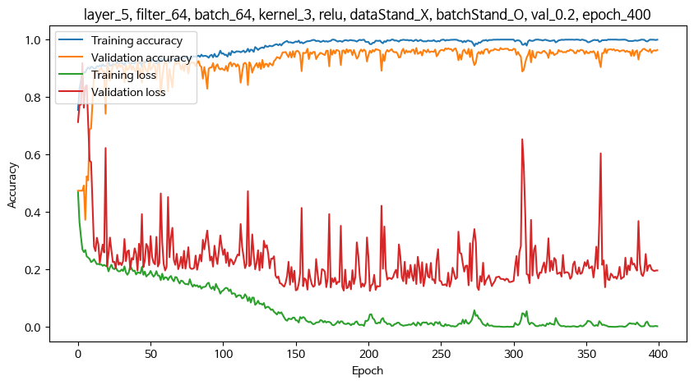
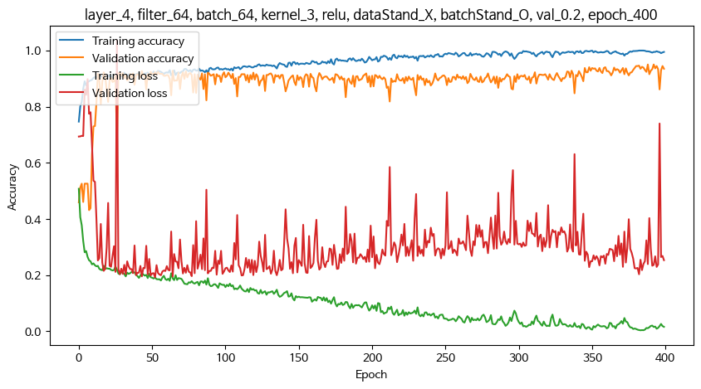
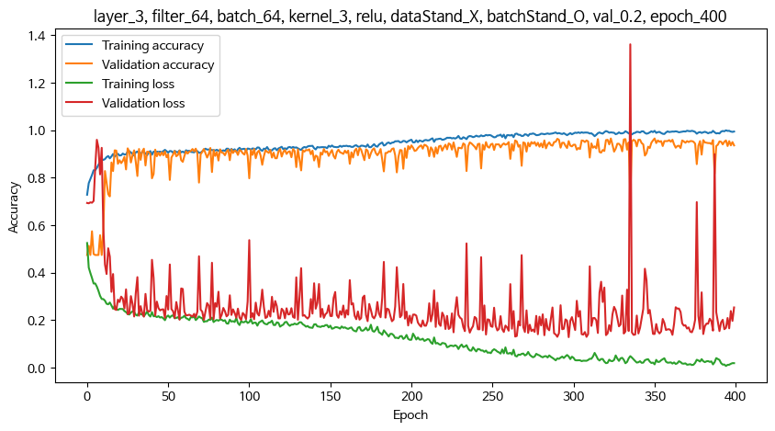
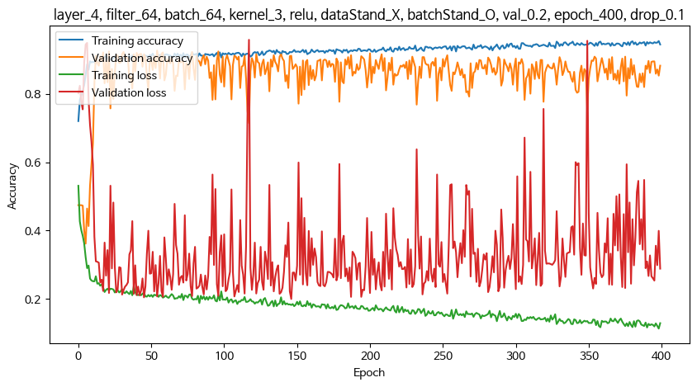
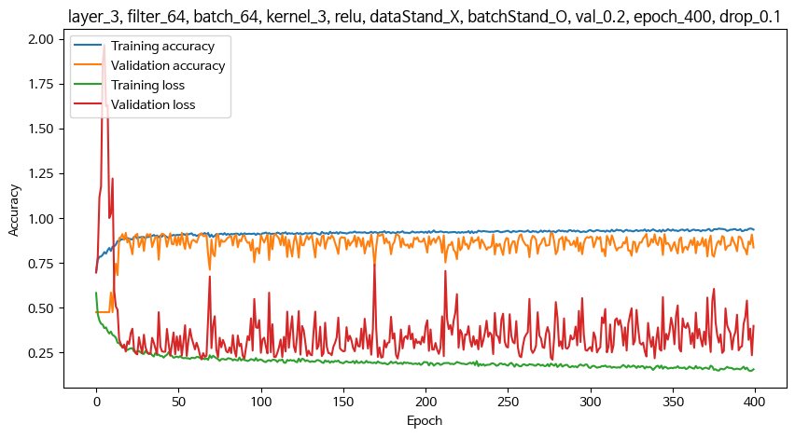
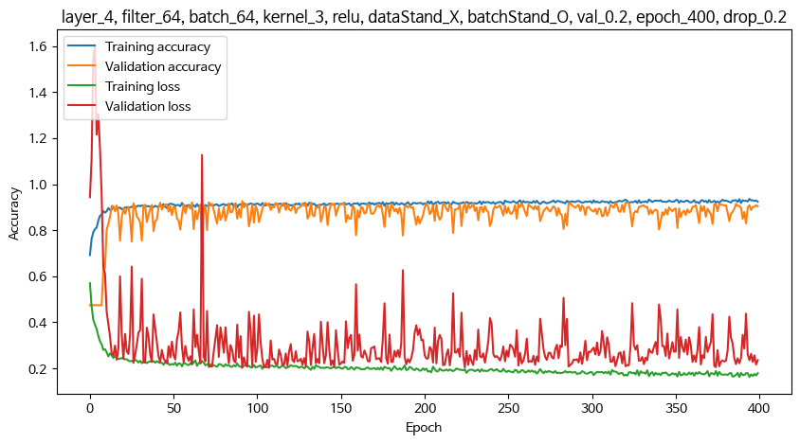
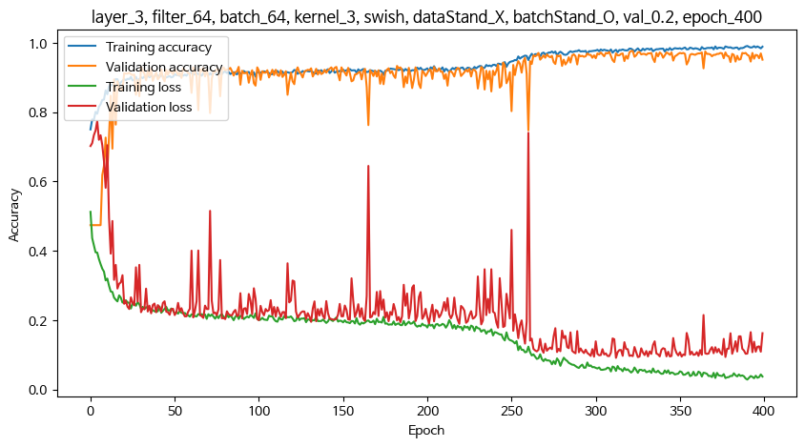
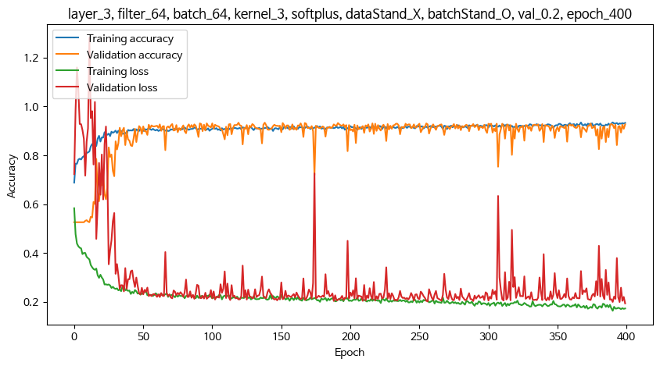
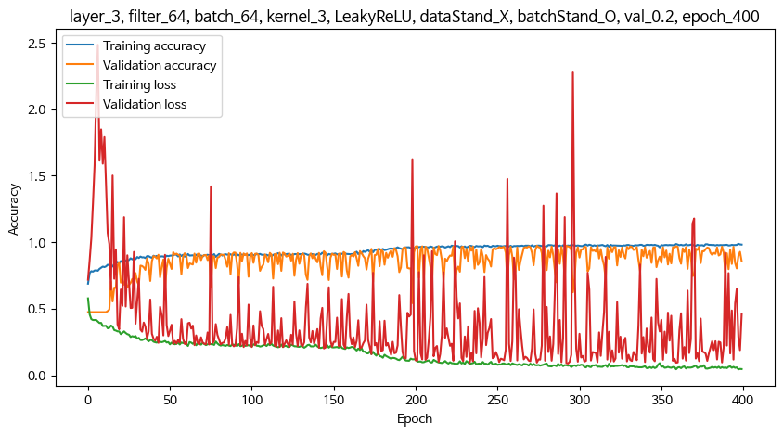
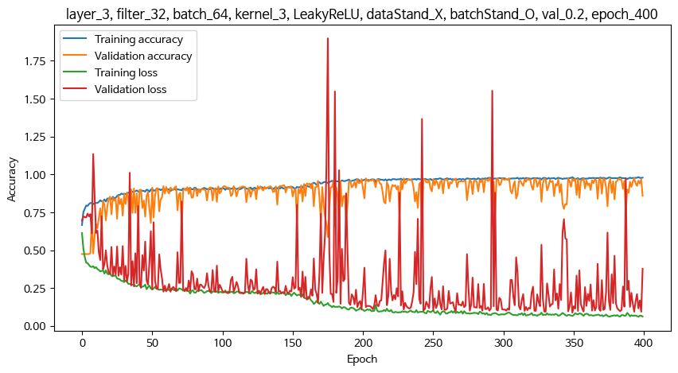
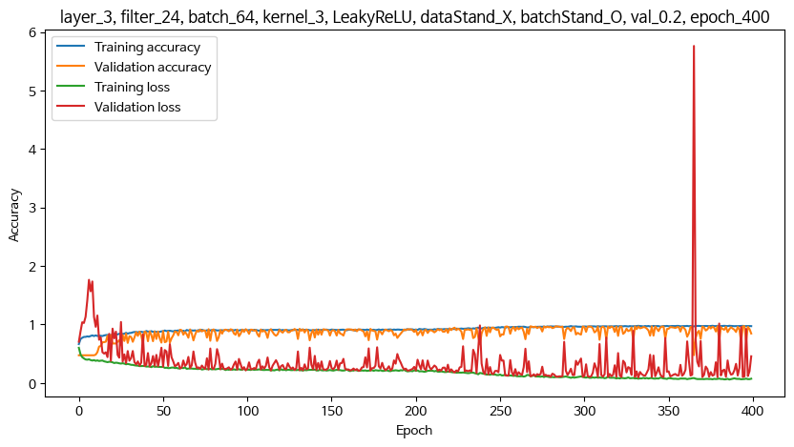
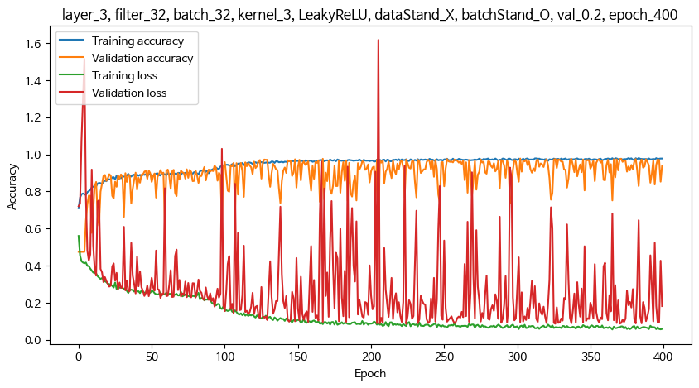
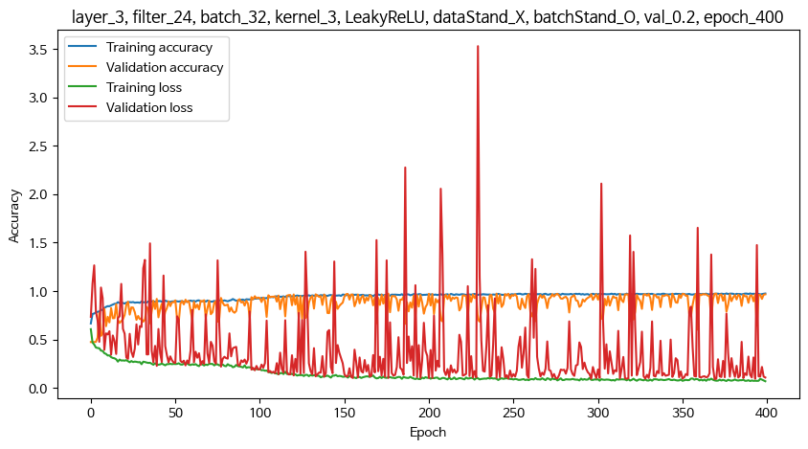
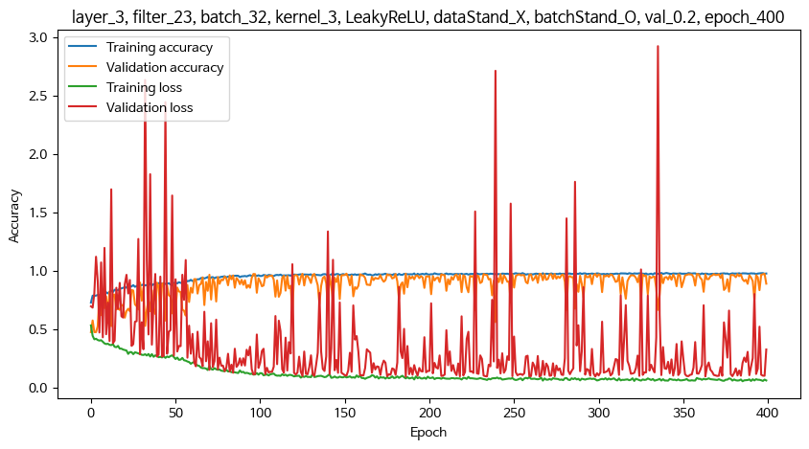
1. 기본 설정
optimizer |  | adam
epoch |  | 400
Conv 다음 레이어 |  | GlobalAveragePooling1D() 사용
 |  | Flatten() 사용시 지역적 특징을 추출하지 못하여 학습 안됨. 과적합
마지막 Dens2 레이어의 활성함수 : softmax
** 레이어층, 필터수, 배치수는 교차 조합으로 여러가지 테스트를 해봤으나, 특별히 좋아지는 조건이 없어서 아래 조건 이외의 기록은 생략함

2. 조건 확정 후 추가 테스트 내용
- 튀는 샘플 상위 20개, 10개, 5개 제거 후
- s403열 이후만 학습
- crr_490, 470, 495

3. 조건 테스트

Conv레이어층 | 활성함수 | 필터수 | 배치수 | 커널 | 데이터정규화 | 배치정규화 | 평가기준 | val 비율 | raw | Max val acc | Min val loss | test acrr | test loss | 과적합 | 과소적합
5 | relu | 64 | 64 | 3 | X | O | val | 0.2 | Max train acc : 177_epoch_1.0 Max val acc: 177_epoch_0.9708737730979919 Min train loss : 294_epoch_0.0005741274799220264 Min val loss: 202_epoch_0.12598660588264465 42/42 [==============================] - 0s 4ms/step - loss: 0.1487 - sparse_categorical_accuracy: 0.9652 test acrr 0.9651514887809753 test loss 0.1486615687608719
4 | relu | 64 | 64 | 3 | X | O | val | 0.2 | Max train acc : 383_epoch_0.9996528029441833 Max val acc: 383_epoch_0.9500693678855896 Min train loss : 384_epoch_0.0034660769160836935 Min val loss: 53_epoch_0.19185836613178253 42/42 [==============================] - 0s 4ms/step - loss: 0.2342 - sparse_categorical_accuracy: 0.9402 test acrr 0.9401515126228333 test loss 0.23422053456306458
3 | relu | 64 | 64 | 3 | X | O | val | 0.2 | Max train acc : 395_epoch_0.9996528029441833 Max val acc: 395_epoch_0.9653259515762329 Min train loss : 395_epoch_0.006811418570578098 Min val loss: 298_epoch_0.12815922498703003 42/42 [==============================] - 0s 3ms/step - loss: 0.1515 - sparse_categorical_accuracy: 0.9523 test acrr 0.9522727131843567 test loss 0.15152209997177124
4 (drop0.1) | relu | 64 | 64 | 3 | X | O | val | 0.2 | Max train acc : 399_epoch_0.9541666507720947 Max val acc: 399_epoch_0.9264909625053406 Min train loss : 399_epoch_0.11360393464565277 Min val loss: 147_epoch_0.20018517971038818 42/42 [==============================] - 0s 4ms/step - loss: 0.2161 - sparse_categorical_accuracy: 0.9083 test acrr 0.9083333611488342 test loss 0.21606984734535217
3 (drop0.1) | relu | 64 | 64 | 3 | X | O | val | 0.2 | Max train acc : 379_epoch_0.941319465637207 Max val acc: 379_epoch_0.9167822599411011 Min train loss : 398_epoch_0.14585886895656586 Min val loss: 278_epoch_0.20924004912376404 42/42 [==============================] - 0s 3ms/step - loss: 0.2485 - sparse_categorical_accuracy: 0.9068 test acrr 0.9068182110786438 test loss 0.2484739124774933
4 (drop0.2) | relu | 64 | 64 | 3 | X | O | val | 0.2 | Max train acc : 395_epoch_0.9357638955116272 Max val acc: 395_epoch_0.9264909625053406 Min train loss : 389_epoch_0.1625823676586151 Min val loss: 92_epoch_0.2020418792963028 42/42 [==============================] - 0s 3ms/step - loss: 0.2153 - sparse_categorical_accuracy: 0.9083 test acrr 0.9083333611488342 test loss 0.21532967686653137
3 | swish | 64 | 64 | 3 | X | O | val | 0.2 | Max train acc : 391_epoch_0.9909722208976746 Max val acc: 391_epoch_0.9764216542243958 Min train loss : 391_epoch_0.02917112596333027 Min val loss: 313_epoch_0.0915837362408638 42/42 [==============================] - 0s 3ms/step - loss: 0.1054 - sparse_categorical_accuracy: 0.9667 test acrr 0.9666666388511658 test loss 0.10542181879281998
3 | softplus | 64 | 64 | 3 | X | O | val | 0.2 | Max train acc : 391_epoch_0.9347222447395325 Max val acc: 391_epoch_0.933425784111023 Min train loss : 391_epoch_0.16285397112369537 Min val loss: 400_epoch_0.19308964908123016 42/42 [==============================] - 0s 3ms/step - loss: 0.2140 - sparse_categorical_accuracy: 0.9098 test acrr 0.9098485112190247 test loss 0.21397000551223755
3 | LeakyReLU | 64 | 64 | 3 | X | O | val | 0.2 | Max train acc : 398_epoch_0.988194465637207 Max val acc: 398_epoch_0.9736477136611938 Min train loss : 398_epoch_0.04424625262618065 Min val loss: 294_epoch_0.08816120028495789 42/42 [==============================] - 0s 3ms/step - loss: 0.0962 - sparse_categorical_accuracy: 0.9720 test acrr 0.971969723701477 test loss 0.0962466150522232
3 | LeakyReLU | 32 | 64 | 3 | X | O | val | 0.2 | Max train acc : 397_epoch_0.9822916388511658 Max val acc: 397_epoch_0.9750346541404724 Min train loss : 397_epoch_0.0611482709646225 Min val loss: 350_epoch_0.08794444799423218 42/42 [==============================] - 0s 3ms/step - loss: 0.1018 - sparse_categorical_accuracy: 0.9727 test acrr 0.9727272987365723 test loss 0.10184667259454727
3 | LeakyReLU | 24 | 64 | 3 | X | O | val | 0.2 | Max train acc : 377_epoch_0.9784722328186035 Max val acc: 377_epoch_0.9722607731819153 Min train loss : 387_epoch_0.059754714369773865 Min val loss: 333_epoch_0.09296498447656631 42/42 [==============================] - 0s 3ms/step - loss: 0.0934 - sparse_categorical_accuracy: 0.9697 test acrr 0.9696969985961914 test loss 0.09339591860771179
3 | LeakyReLU | 32 | 32 | 3 | X | O | val | 0.2 | Max train acc : 384_epoch_0.980555534362793 Max val acc: 384_epoch_0.9778085947036743 Min train loss : 366_epoch_0.055750180035829544 Min val loss: 225_epoch_0.08629283308982849 42/42 [==============================] - 0s 3ms/step - loss: 0.0898 - sparse_categorical_accuracy: 0.9689 test acrr 0.9689394235610962 test loss 0.08976868540048599
3 | LeakyReLU | 24 | 32 | 3 | X | O | val | 0.2 | Max train acc : 377_epoch_0.9760416746139526 Max val acc: 377_epoch_0.9736477136611938 Min train loss : 400_epoch_0.06963152438402176 Min val loss: 370_epoch_0.09127344936132431 42/42 [==============================] - 0s 3ms/step - loss: 0.1000 - sparse_categorical_accuracy: 0.9727 test acrr 0.9727272987365723 test loss 0.09999120235443115 | 데이터가 간단해서 필터수가 많을 필요없다? 복잡해지기만 할뿐이다?
3 | LeakyReLU | 23 | 32 | 3 | X | O | val | 0.2 | Max train acc : 338_epoch_0.9809027910232544 Max val acc: 338_epoch_0.9750346541404724 Min train loss : 386_epoch_0.054084662348032 Min val loss: 187_epoch_0.09361780434846878 42/42 [==============================] - 0s 3ms/step - loss: 0.0909 - sparse_categorical_accuracy: 0.9720 test acrr 0.971969723701477 test loss 0.09090323746204376
3 | LeakyReLU | 22 | 32 | 3 | X | O | val | 0.2
3 | LeakyReLU |  |  | 3 | X | O | val | 0.2
3 | LeakyReLU | 확정 | 확정 | 2 | X | O | val | 0.2
3 | LeakyReLU | 확정 | 확정 | 4 | X | O | val | 0.2
3 | LeakyReLU | 확정 | 확정 | 확정 | O | O | val | 0.2
3 | LeakyReLU | 확정 | 확정 | 확정 | 확정 | O | val | 0.2
3 | LeakyReLU | 확정 | 확정 | 확정 | 확정 | X | val | 0.2
3 | LeakyReLU | 확정 | 확정 | 확정 | 확정 | 확정 | val | 0.2
3 | LeakyReLU | 확정 | 확정 | 확정 | 확정 | 확정 | loss | 0.2
3 | LeakyReLU | 확정 | 확정 | 확정 | 확정 | 확정 | 확정 | 0.2
3 | LeakyReLU | 확정 | 확정 | 확정 | 확정 | 확정 | 확정 | 0.1
3 | LeakyReLU | 확정 | 확정 | 확정 | 확정 | 확정 | 확정 | 확정

Sheet3
