Cover page


OPEN US
Rating | Buy
Target Price/ Target price period :
Base | $9.08 / 12 Month
Bull | $11.33 / 12 Month
Bear | $7.04 / 12 Month
Currency: | USD
Current Publication Date: | 4-Aug-22

Assumption
?

Remarks
Manual Input in blue
Formula in Black

Risk
OPENDOOR TECHNOLOGIES INC. (OPEN US)
Company Name | OPENDOOR TECHNOLOGIES INC.
Start Date
End Date
Periodicity | Annual
Currency | USD
Filing Status | Most Recent

 |  | FY19 | FY20 | FY21 | FY22F | FY23F | FY24F

DuPont Analysis
Net Profit Margin |  | (7.05%) | (9.91%) | (8.38%) | (2.83%) | (3.52%) | (0.11%)
Total Asset Turnover |  | 212% | 119% | 84% | 178% | 166% | 168%
Equity Multiplier |  | -304% | 140% | 423% | 350% | 316% | 262%
Return on Equity |  | 0.46 | -0.16 | -0.30 | -0.18 | -0.18 | 0.00

 | Total Asset Turnover | Equity Multiplier | Net Profit Margin | Return on Equity
 | 212% | -304% | (7.05%) | 0.46
 | 119% | 140% | (9.91%) | -0.16
 | 84% | 423% | (8.38%) | -0.30
 | 178% | 350% | (2.83%) | -0.18
 | 166% | 316% | (3.52%) | -0.18
 | 168% | 262% | (0.11%) | 0.00

 |  |  |  |  |  |  |  |  | FY19 | FY20 | FY21 | FY22F | FY23F | FY24F
 |  |  |  |  |  |  |  | Current Ratio | 1.85 | 5.22 | 2.12 | 1.84 | 2.06 | 2.50
 |  |  |  |  |  |  |  | Quick Ratio | 0.41 | 3.72 | 0.52 | 0.75 | 0.75 | 0.76

Credit Risk
Current Ratio |  | 1.85 | 5.22 | 2.12 | 2.51 | 2.52 | 2.52
Quick Ratio |  | 0.41 | 3.72 | 0.52 | 1.293 | 1.206 | 1.218

Total Debt
ST Debt |  | 1,088 | 367 | 4,244 | 4,244 | 4,244 | 4,244
LT Debt |  | 411 | 182 | 2,858 | 2,858 | 2,858 | 2,858

Total Line of Credit |  |  | 2905 | 5800
Total Available Line Of Credit |  |  | 2565.827 | 1560
Total Credit Lines Drawn |  | 1073.695 | 339.173 | 4240
 |  |  |  |  |  |  |  |  | FY19 | FY20 | FY21
 |  |  |  |  |  |  |  | Total Available Line Of Credit |  | 2565.827 | 1560
 |  |  |  |  |  |  |  | Total Credit Lines Drawn | 1073.695 | 339.173 | 4240

Total Line of Credit
 | Total Available Line Of Credit | Total Credit Lines Drawn
FY19 |  | 1073.695
FY20 | 2565.827 | 339.173
FY21 | 1560 | 4240

Presentation Idea
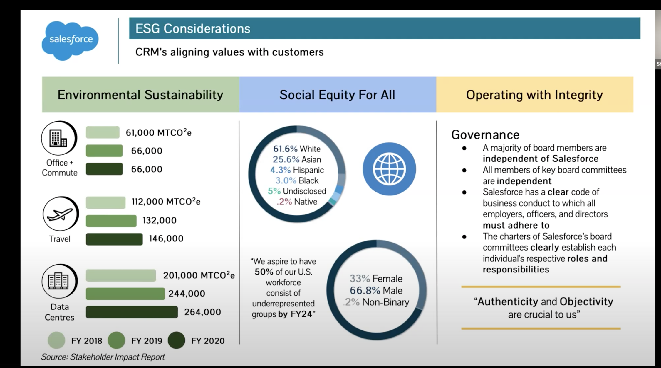
Slide 3 DCF Overview |  |  |  |  |  |  |  |  |  |  |  | Slide 2 DCF Assumption |  |  |  |  |  |  |  |  |  | Last Page of PPT (ESG Consideration) (NO NEED cuz can't find ESG report)
Through DCF model, OPEN's implied share price resulted at $9.08 over 12-month investment horizon, representing a 61% upside from the closing price of $6.01 as at 15 Aug, 2022
In Base Case, we forecasted the OPEN's target price at $9.82 with a 61% upside potential; In Bull Case, we forecasted the OPEN's target price at $11.98 with a 99% upside potential; In Bear Case we forecasted the OPEN's target price at $7.04 with a 99% upside potential; |  |  |  |  |  |  |  |  |  |  |  |  |  |  |  |  |  |  |  |  |  |  | Topic Sentence (Summarise OPEN's ESG performance and ESG rewards obtained)

 | Key Formula: FCF = Adj. EBITDA - Tax - Net Capex - Increase in Working Capital |  |  |  |  |  |  |  |  |  |  |  | Key DCF Assumption |  | WACC Assumption |  |  |  |  |  |  |  | Environmental |  |  | Social | Governance
 | DCF Summary |  |  |  |  |  |  |  | Scenario Summary

 |  |  |  | FY22F | FY23F | FY25F | FY26F | FY27F |  |  |  |  | Stock-based Compensation | Included stock-based compensation in DCF | Cost of Debt |  |  |  |  | OPEN's publicly traded debt
 |  |  |  |  |  |  |  |  | Bull Case | Base Case | Bear Case |  |  | Modelled as a function of the percentage of revenue | Tax Rate |  |  |  |  | Company's Annual report |  |  | Total Energy Consumption |  |  | Employee Diversity
 | Total Operating Profit (Loss) |  |  | (188) | (201) | 209 | 691 | 1,076 | Revenue growth scales at 44% 5-year CAGR | Revenue growth scales at 32% 5-year CAGR | Revenue growth scales at 21% 5-year CAGR |  |  | Forecasted as a 4-year average of the percentage of revenue to avoid volatility issue | After-tax cost of debt |  |  |  |  | Formula |  |  |  | 2020 result | And mention its YoY change |  | ESG Committee Structure
 | (+) Depreciation & Amortization |  |  | 52 | 54 | 70 | 92 | 120 | 3 Successful M&A per year | 2 Successful M&A per year | 1 Successful M&A per year |  |  | SBC of 2% adopted as a conservativ estimate |  |  |  |  |  |  |  |  |  | 2021 result
 | (+) Stock-based compensation |  |  | 347 | 358 | 465 | 614 | 796 | Recession effect lasts for at | Recession effect lasts for at | Recession effect lasts for at |  |  |  | Risk-free rate |  |  | 2.79% |  | 10-year US Treasury Yield Bond |  |  |  |  |  |  | Highlighted ESG concern
 |  |  |  | ---------- | ---------- | ---------- | ---------- | ---------- | most a year to 2023 | most a year to 2023 | most a year to 2024 |  |  |  | Equity Risk Premium |  |  | 6.55% |  | CAPM Formula
 | Adj. EBITDA |  |  | 212 | 210 | 744 | 1,397 | 1,991 | The company can withstand the | The company is reluctant to withstand the | The company is reluctant to withstand the |  | Capital Expenditure | Modelled as an function of the percentage of revenue | Beta |  |  | 1.833 |  | Bloomberg estimate on Adjusted Beta |  |  | Total Water Consumption
 | (-) Tax |  |  | (0) | (0) | 0 | (1) | (1) | recession by maintaining positive | recession and record an negative revenue | recession and record an negative revenue |  |  | Forecasted as a 4-year average of the percentage of revenue due to its consistency | Cost of Equity |  |  | 14.80% |  | Bloomberg estimate on Cost of Equity
 | (-) Capex |  |  | (108) | (111) | (145) | (191) | (248) | growth of 5% in revenue in 2023 | growth of 10% in revenue in 2023 | growth of 20% in revenue in 2023 |  |  | Capital Expenditure of 0.69% adopted as a consistent estimate
 | (-) Change in NWC |  |  | 807 | (321) | (644) | (628) | (1,120) | GPM scales slightly to 12% by 2025F | GPM scales slightly to 11% by 2025F | GPM scales slightly to 10% by 2025F |  |  |  | Debt Weight |  |  |  |  | Calculation on Company's Annual Report
 |  |  |  | ---------- | ---------- | ---------- | ---------- | ---------- |  |  |  |  |  |  | Equity Weight |  |  |  |  | Calculation on Company's Annual Report
 | Unlevered FCF |  |  | 910 | (222) | (45) | 577 | 622 |  |  |  |  |  |  |  |  |  |  |  |  |  |  | Greenhouse Gas Emission
 | Terminal Value |  |  |  |  |  |  | 8,189 |  |  |  |  | Depreciation & Amortization | Modelled as an function of the percentage of PP&E | WACC = (Cost of Debt) x (Debt Weight) + (Cost of Equity) x (Equity Weight)
 |  |  |  | ---------- | ---------- | ---------- | ---------- | ---------- |  |  |  |  |  | Forecasted as a 4-year average of the percentage of PP&E due to its consistency
 | FCF to DCF |  |  | 910 | (222) | (45) | 577 | 8,811 |  |  |  |  |  | D&A of 59.5% adopted as a consistent estimate

 | Discount Rate | 8.89% |  |  |  |  |  |  | Share Price Projection |  |  |  |  |  | Sensitivity Analysis |  |  |  |  |  |  |  | Hazardous Waste
 | Perpetuity Growth Rate | 1.20%
 | Discount Period |  |  | 1 | 2 | 3 | 4 | 5 |  |  |  |  | Net Working Capital | Modelled as an function of the percentage of revenue
 | Discount Factor |  |  | 0.92 | 0.84 | 0.77 | 0.71 | 0.65 |  |  |  |  |  | Forecasted as a decreasing percentage of revenue to align with the recession effect |  | WACC
 |  |  |  |  |  |  |  |  |  |  |  |  |  | NWC forecasted in a dercreasing trend, driven by the expected decrease of inventory, mentioned by the management | Terminal Growth Rate | 6.020 | 8.50% | 8.70% | 8.90% | 9.10% | 9.30%
 | PV of Unleveled FCF |  |  | 836 | (187) | (35) | 411 | 5,755 |  |  |  |  |  | We expect the company can maintain flat performance during the recession period, and boom its business starting from 2024 |  | 1.00% |  |  | 5.78
 | Enterprise Value |  | 6,780 |  |  |  |  |  |  |  |  |  |  |  |  | 1.20% |  |  | 6.02 |  |  |  | Non-hazardous Wast
 | (-) Debt |  | (6,109) |  |  |  |  |  |  |  |  |  |  |  |  | 1.40%
 | (+) Cash |  | 3,062 |  |  |  |  |  |  |  |  |  | Terminal Growth Rate | US real estate market recorded 3-year CAGR of XX% |  | 1.60%
 | Equity Value |  | 3,733 |  |  |  |  |  |  |  |  |  |  | US median housing price increased XX% yoy to YY level |  | 1.80%
 | Shares Outstanding |  | 620 |  |  |  |  |  |  |  |  |  |  | US mortgage rate increased XX% yoy as at XX Aug, 2022 |  | 2.00%
 | Fair Value of Stock |  | 6.02 |  |  |  |  |  |  |  |  |  |  | Terminal Value of 2.0% adopted as a conservative estimate |  | 2.20%
 |  |  |  |  |  |  |  |  |  |  |  |  |  |  |  | 2.40%
 |  |  |  |  |  |  |  |  |  |  |  |  |  |  |  | 2.60%
 | Bull Case: | $11.98 |  | Base Case: | $9.82 |  | Bear Case: | $7.04 |  |  |  |  |  |  |  | 2.80%
 |  |  |  |  |  |  |  |  |  |  |  |  |  |  |  | 3.00%
 | Upside: | 99% |  | Upside: | 61% |  | Upside: | 17%
 |  |  |  |  |  |  |  |  |  |  |  |  |  |  |  | 8.89%
 |  |  |  |  |  |  |  |  |  |  |  |  |  |  |  | 2.00%

Help me jup leng d these three boxes lol. This part ngo only shg show mm tung case geh target price and its corresponding geh upside potential. Nei de lum lum put these three boxes above gor DCF summary or below. see see which leng d and make sense. :)
 |  |  |  |  |  |  |  |  | For DCF assumption |  |  |  |  |  | For DCF assumption |  |  |  |  |  |  |  | So the environmental category is about the performane of these 5 metrics and their corresponding YoY change
 |  |  |  |  |  |  |  |  | Senitivity Analysis produced a range of $XX - $YY per share, representing a range of upside between XX% and YY% |  |  |  |  |  | Senitivity Analysis produced a range of $XX - $YY per share, representing a range of upside between XX% and YY%

 |  |  |  |  |  |  |  |  |  |  |  |  |  |  |  |  |  |  |  |  |  | Example:
is ok, u make v leng alr
we will jup leng kui
thanku

