Macros
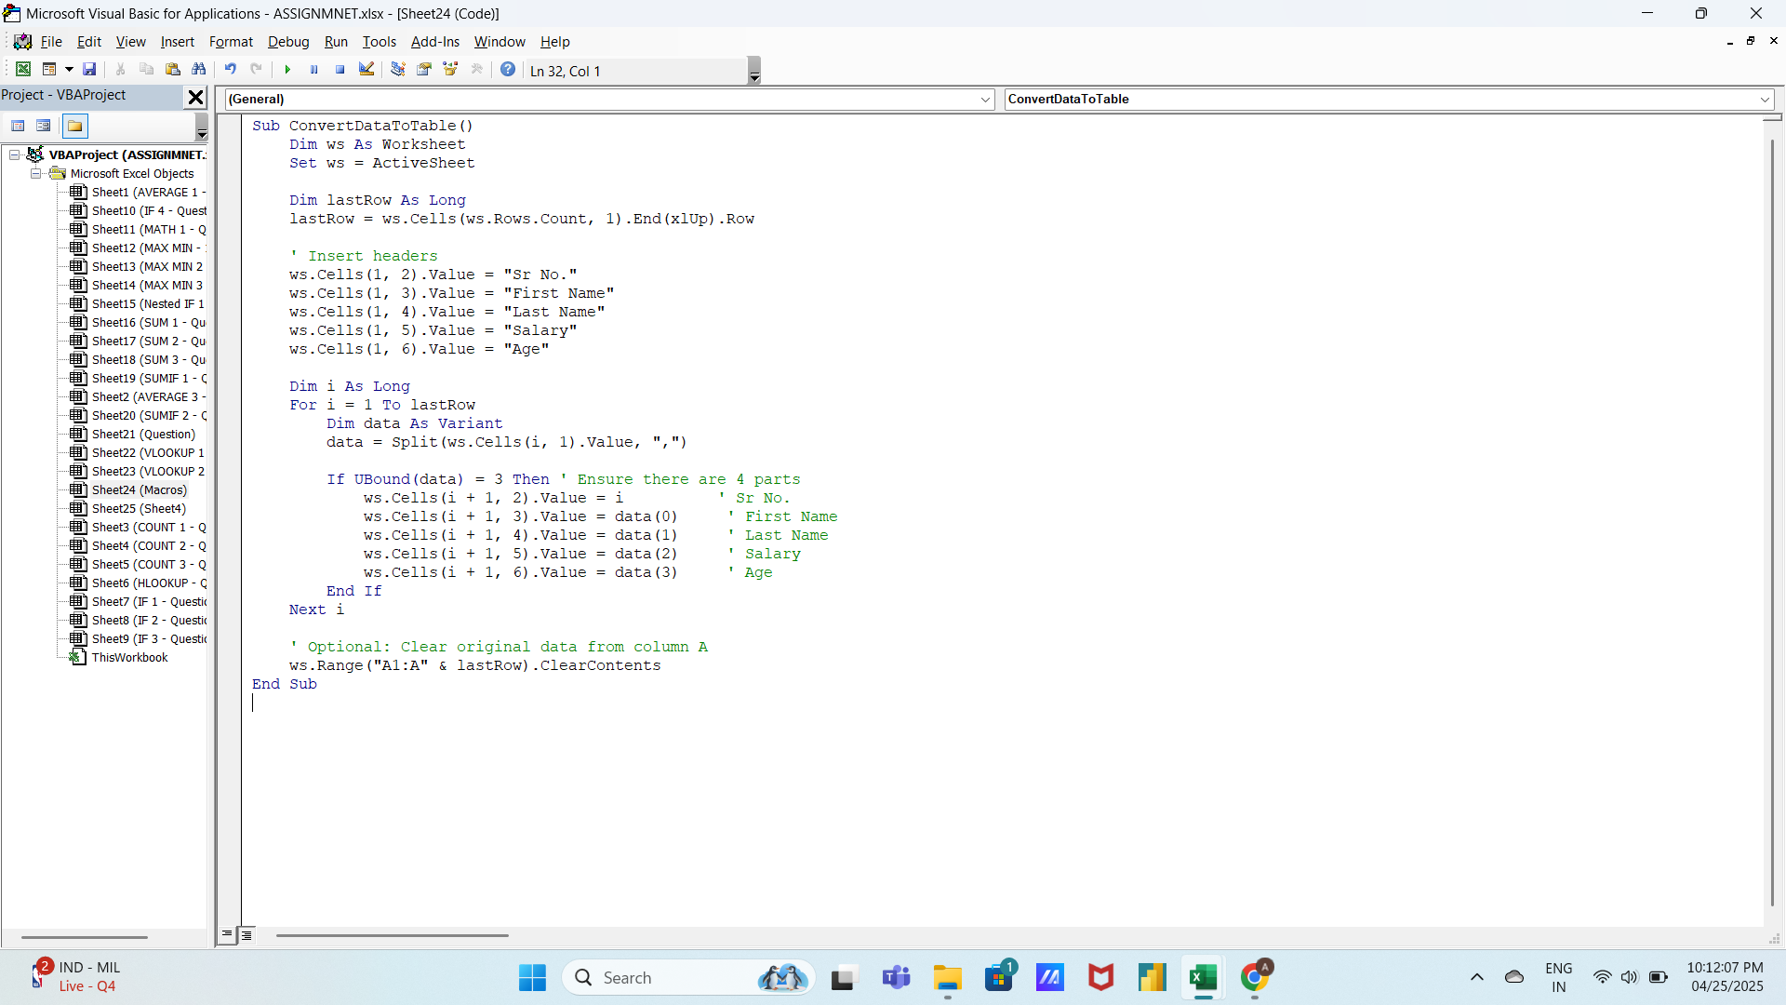
Sr No. | First Name | Last Name | Salary | Age
1 | Aaradhya | Gupta | 50000 | 30
2 | Advik | Patil | 60000 | 35
3 | Anika | Sharma | 75000 | 40
4 | Aryan | Desai | 55000 | 28
5 | Dia | Patel | 80000 | 45
6 | Ishan | Singh | 65000 | 33
7 | Kavya | Chatterjee | 70000 | 38
8 | Mihir | Mishra | 60000 | 32
9 | Myra | Chopra | 85000 | 42
10 | Navya | Rao | 70000 | 36
11 | Parth | Shah | 60000 | 31
12 | Prisha | Verma | 55000 | 29
13 | Reyansh | Kumar | 90000 | 48
14 | Saisha | Reddy | 65000 | 34
15 | Shaurya | Gupta | 75000 | 39
16 | Shreya | Sharma | 70000 | 37
17 | Vihaan | Khan | 80000 | 41
18 | Zara | Jha | 60000 | 33
19 | Aahana | Banerjee | 70000 | 38
20 | Advait | Chopra | 65000 | 35

