HS_MeansVar_CHOCOLATE
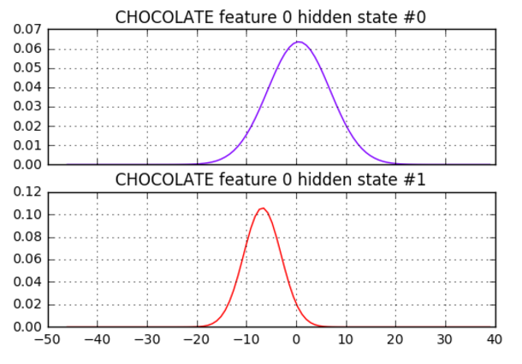
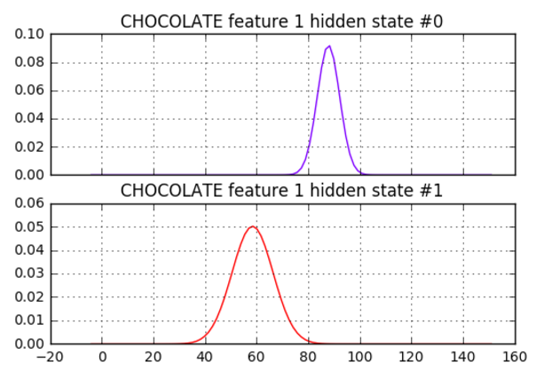
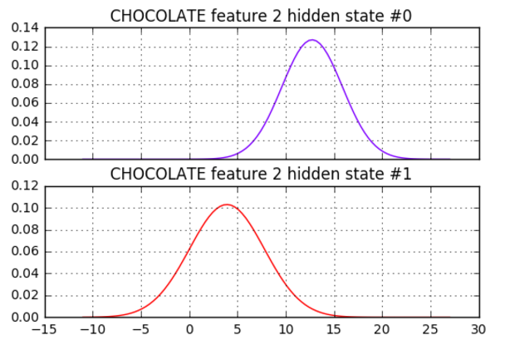
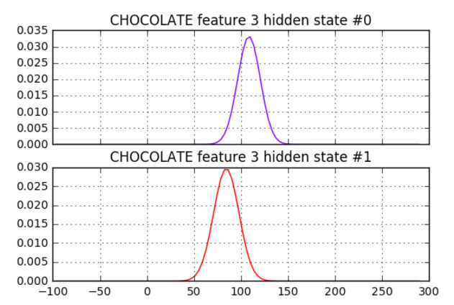
Baseline 2 hidden states |  | 'grnd-rx' |  | 'grnd-ry' |  | 'grnd-lx' |  | 'grnd-ly'
Number of states trained in model for CHOCOLATE is 2
hidden state #0
mean = [ -6.75675675 58.48648648 3.91891892 84.35135135]
variance = [ 14.23840026 63.33116867 15.04775016 181.36330904]

hidden state #1
mean = [ 0.58333332 87.91666665 12.75 108.49999997]
variance = [ 39.41055582 18.74388903 9.85499999 144.41750059]

logL = -635.4602441290585

Norm, 2 hidden states
Number of states trained in model for CHOCOLATE is 2
hidden state #0
mean = [ 0.4934617 -0.03550507 0.03512449 -0.68898735]
variance = [ 0.04715161 0.05094955 0.03096788 0.17009248]

hidden state #1
mean = [ 0.74117832 -0.206189 -0.8346696 -1.62824213]
variance = [ 0.14135533 0.00708185 0.26312947 0.06095532]

logL = -12.241480777283481

Polar, 2 hidden states
Number of states trained in model for CHOCOLATE is 2
hidden state #0
mean = [ 5.90048806e+01 -1.17590064e-01 8.45377889e+01 5.00696144e-02]
variance = [ 6.23162308e+01 4.64589824e-03 1.80281429e+02 2.44235072e-03]

hidden state #1
mean = [ 8.81313612e+01 8.31771967e-03 1.09304329e+02 1.18434797e-01]
variance = [ 2.06973439e+01 5.41190376e-03 1.41647879e+02 1.92144403e-03]

logL = -214.32194685726142

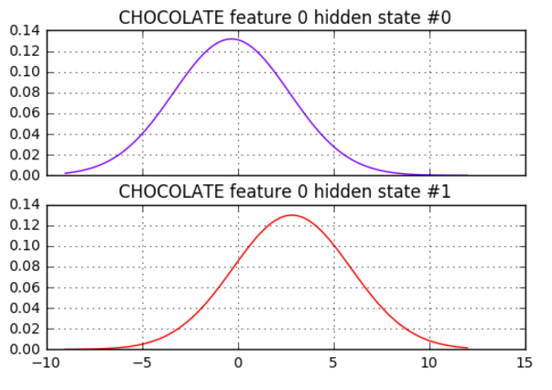
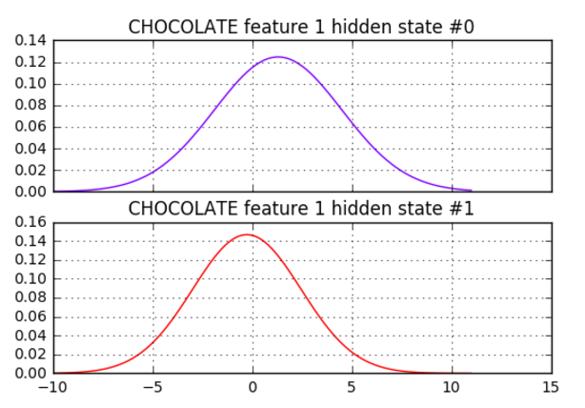
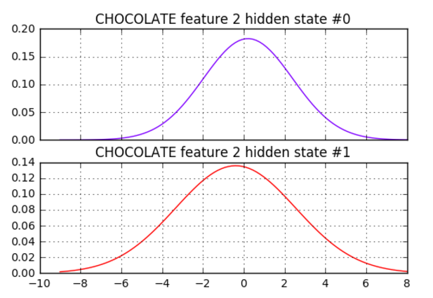
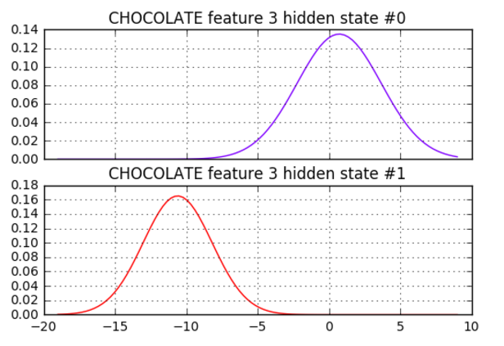
 |  |  | 'delta-rx' |  | 'delta-ry' |  | 'delta-lx' |  | 'delta-ly'
Delta, 2 hidden states
Number of states trained in model for CHOCOLATE is 2
hidden state #0
mean = [-0.31824505 1.30935633 0.21198476 0.72249692]
variance = [ 9.16494081 10.2428592 4.77700444 8.7055979 ]

hidden state #1
mean = [ 2.8406203 -0.25873675 -0.39265154 -10.6055411 ]
variance = [ 9.4617742 7.39795476 8.65746376 5.84344133]

logL = -495.8558210504054

GRND_SCALED
Custom, 2 hidden states
Number of states trained in model for CHOCOLATE is 2
hidden state #0
mean = [ 0.62698766 0.90709433 0.33749659 1.18730893]
variance = [ 0.00065463 0.00623755 0.00152387 0.02178512]

hidden state #1
mean = [ 0.65244321 1.0815909 0.39754582 1.66028029]
variance = [ 0.00166558 0.03267816 0.00448522 0.03245849]

logL = 256.3276388150043

POLAR_NORM
Custom, 2 hidden states
Number of states trained in model for CHOCOLATE is 2
hidden state #0
mean = [-0.28836013 -1.77499983 0.51105036 -0.36220336]
variance = [ 0.01644149 0.02028006 0.12903935 0.04435363]

hidden state #1
mean = [-0.12117898 -0.73183347 0.49459277 -0.25704058]
variance = [ 0.06305332 0.16733782 0.03911197 0.0399023 ]

logL = 5.0735491819511225

GRND_DELTA_DELTA2
Custom, 2 hidden states
Number of states trained in model for CHOCOLATE is 2
hidden state #0
mean = [ -6.75675676 58.48648649 3.91891892 84.35135135 -0.10810811
1.59459459 0.10810811 -1.86486486 -0.2972973 2.59459459
0.35135135 -4.54054054]
variance = [ 14.23840029 63.33116874 15.04775018 181.36330898 6.09669102
7.8088897 5.33993426 28.1171439 13.39837107 17.37645727
7.74168736 90.14051863]

hidden state #1
mean = [ 5.83333333e-01 8.79166667e+01 1.27500000e+01 1.08500000e+02
2.25000000e+00 -1.16666667e+00 -8.33333333e-02 -2.83333333e+00
4.58333333e+00 -2.66666667e+00 -5.83333333e-01 -8.00000000e+00]
variance = [ 39.41055556 18.74388889 9.855 144.4175 22.355
10.97305556 7.24388889 43.30638889 49.74388889 25.05638889
23.24388889 112.00083333]

logL = -1735.2868162298937

GRND_DELTA_DELTA3
Custom, 2 hidden states
Number of states trained in model for CHOCOLATE is 2
hidden state #0
mean = [ 5.83333333e-01 8.79166667e+01 1.27500000e+01 1.08500000e+02
2.25000000e+00 -1.16666667e+00 -8.33333333e-02 -2.83333333e+00
6.83333333e+00 -4.25000000e+00 -1.25000000e+00 -1.38333333e+01]
variance = [ 39.41055556 18.74388889 9.855 144.4175 22.355
10.97305556 7.24388889 43.30638889 73.47305556 34.68833333
37.02166667 223.63972222]

hidden state #1
mean = [ -6.75675676 58.48648649 3.91891892 84.35135135 -0.10810811
1.59459459 0.10810811 -1.86486486 -0.40540541 3.37837838
0.51351351 -7.64864865]
variance = [ 14.23840029 63.33116874 15.04775018 181.36330898 6.09669102
7.8088897 5.33993426 28.1171439 17.59267348 28.50574872
9.92576333 166.66060628]

logL = -1776.6843454878965

GRND_DELTA_DELTA5
Custom, 2 hidden states
Number of states trained in model for CHOCOLATE is 2
hidden state #0
mean = [ -3.92398779 71.5739158 9.37673397 104.45614171 2.53212391
-0.76749371 -0.53595682 -8.65698915 8.84110073 -6.27921798
-7.29763199 -43.5864802 ]
variance = [ 40.28135721 394.34826822 7.63126209 334.71706009 9.17320312
7.23993555 8.38057313 15.11326692 107.13134953 72.55193718
38.9341395 105.03268325]

hidden state #1
mean = [ -5.3341679 63.56392166 4.8880315 85.12488824 -0.27780756
1.52904529 0.27754449 0.27239115 -1.00629998 4.41520784
1.83723727 -7.86985817]
variance = [ 26.24563632 129.67645699 30.29003552 161.01932224 9.70739543
9.58882455 4.70693972 16.92893308 17.187458 39.83119859
14.57874268 173.56216915]

logL = -1844.6638565470423

GRND_DELTA5
Custom, 2 hidden states
Number of states trained in model for CHOCOLATE is 2
hidden state #0
mean = [ 0.58333333 87.91666667 12.75 108.5 8.25 -8.5
-4. -27.83333333]
variance = [ 39.41055556 18.74388889 9.855 144.4175 129.355
51.25083333 88.6675 419.30638889]

hidden state #1
mean = [ -6.75675676 58.48648649 3.91891892 84.35135135 -0.54054054
4.83783784 0.51351351 -13.97297297]
variance = [ 14.23840029 63.33116874 15.04775018 181.36330898 18.62700511
33.64964938 15.70954711 352.45899927]

logL = -1308.114601699734

GRND_DELTA3_DELTA5
Custom, 2 hidden states
Number of states trained in model for CHOCOLATE is 2
hidden state #0
mean = [ -5.10917845 64.30589417 5.08444032 85.77072828 -0.70863095
3.15638585 1.55346917 -2.58092604 -0.84229754 4.08930282
1.8748652 -7.88754159]
variance = [ 28.18302638 139.57628569 31.64543023 160.63084012 22.34189044
31.14980072 9.77262689 70.94002176 19.16048083 42.69777206
14.21351386 165.59790832]

hidden state #1
mean = [ -4.527859 69.68515979 8.94915693 103.18990523 7.33702482
-3.22355293 -4.15077749 -28.09142698 8.67052225 -5.6689656
-7.6850799 -44.62745631]
variance = [ 36.3929626 401.03981379 7.20173307 398.72066059 46.49731268
38.27505308 14.16972047 40.54151594 110.42463423 81.18004554
36.04702271 89.39133261]

logL = -1954.4884389434178

Ground, 3 hidden states
Number of states trained in model for CHOCOLATE is 3
hidden state #0
mean = [ -5.40587658 60.1652424 2.32479599 91.3095432 ]
variance = [ 7.95073876 64.13103127 13.68077479 129.5912395 ]

hidden state #1
mean = [ -9.30211403 55.32333876 6.92259936 71.24057775]
variance = [ 16.16920957 46.50917372 3.81388185 15.79446427]

hidden state #2
mean = [ 0.58333333 87.91666667 12.75 108.5 ]
variance = [ 39.41055556 18.74388889 9.855 144.4175 ]

logL = -601.3291470028637
Norm, 3 hidden states
Number of states trained in model for CHOCOLATE is 3
hidden state #0
mean = [ 0.53813142 -0.04704542 0.04545 -0.61902479]
variance = [ 0.02432711 0.04933945 0.03044391 0.13395751]

hidden state #1
mean = [ 1.0625066 -0.1740204 -1.31812255 -1.61791893]
variance = [ 0.05296979 0.00373254 0.03820247 0.05531266]

hidden state #2
mean = [ 0.38934967 -0.18383814 -0.34623283 -1.59201968]
variance = [ 0.0697732 0.02960059 0.07727065 0.06911305]

logL = 22.65197722447521
Polar, 3 hidden states
Number of states trained in model for CHOCOLATE is 3
hidden state #0
mean = [ 56.19235087 -0.16348589 71.60640024 0.0958256 ]
variance = [ 5.16348282e+01 4.22849414e-03 1.74535632e+01 1.18341913e-03]

hidden state #1
mean = [ 8.81313612e+01 8.31771967e-03 1.09304329e+02 1.18434797e-01]
variance = [ 2.06973439e+01 5.41190376e-03 1.41647879e+02 1.92144403e-03]

hidden state #2
mean = [ 6.05010053e+01 -9.31757873e-02 9.14166393e+01 2.57297227e-02]
variance = [ 6.15523307e+01 3.56540651e-03 1.30626433e+02 1.81995354e-03]

logL = -179.21522065553407
Delta, 3 hidden states
Number of states trained in model for CHOCOLATE is 3
hidden state #0
mean = [ 0.07434035 4.32590509 1.08475329 2.81908645]
variance = [ 14.12290048 15.39826602 12.40214192 17.46963045]

hidden state #1
mean = [-0.54151701 -0.13549492 0. 0. ]
variance = [ 7.40033314e+00 2.07610444e-01 4.54757788e-04 4.54757788e-04]

hidden state #2
mean = [ 2.26955318 -0.2690072 -0.67005544 -9.1341518 ]
variance = [ 9.26031519 7.66293533 7.67530134 15.28076516]

logL = -256.5615183267534
Custom, 3 hidden states | GRND_SCALED
Number of states trained in model for CHOCOLATE is 3
hidden state #0
mean = [ 0.62656446 0.910218 0.33733246 1.1720603 ]
variance = [ 0.00068155 0.00632313 0.00152052 0.01826647]

hidden state #1
mean = [ 0.66297209 1.19107744 0.42602041 1.64754098]
variance = [ 0.00178967 0.00274569 0.00185938 0.03964458]

hidden state #2
mean = [ 0.62801638 0.81471 0.32904065 1.63520391]
variance = [ 0.00186964 0.00272027 0.00487782 0.02108272]

logL = 290.86448022984933

POLAR_NORM
Custom, 3 hidden states
Number of states trained in model for CHOCOLATE is 3
hidden state #0
mean = [-0.43567333 -0.32965362 0.37225216 -0.29811062]
variance = [ 0.01187406 0.25105733 0.05490274 0.01524059]

hidden state #1
mean = [-0.00892579 -0.85620942 0.57001662 -0.25997993]
variance = [ 0.02685728 0.02703956 0.0121504 0.04334482]

hidden state #2
mean = [-0.26057161 -1.754827 0.48991141 -0.33867755]
variance = [ 0.02935861 0.02613229 0.13162366 0.05371838]

logL = 38.85569423161941

GRND_DELTA3_DELTA5
Custom, 3 hidden states
Number of states trained in model for CHOCOLATE is 3
hidden state #0
mean = [ -1.66636986 90.33310637 10.50013094 116.49913578 12.66595085
-8.66642224 -6.66616036 -26.49903103 15.16639605 -14.1662913
-12.49929291 -45.49908341]
variance = [ 50.88957186 17.5572861 7.58493006 135.59215734 32.5652993
11.22444161 11.22819509 49.9336438 134.46824367 16.14240016
20.593467 53.93154883]

hidden state #1
mean = [ -5.53656517 66.96396316 6.47433127 83.74379063 -0.78402946
2.97233703 1.42322486 0.92679237 -0.98185397 2.99181754
1.47338873 -3.08228482]
variance = [ 32.21036871 146.59116848 29.4803048 127.47877813 25.26369612
36.21452441 8.57039268 32.36000082 21.74788962 48.42892994
11.89770575 95.42219816]

hidden state #2
mean = [ -5.1963642 53.37711836 3.56187255 91.99911633 0.87448193
2.85098199 0.26898928 -21.20938519 1.04595926 5.23026996
0.308657 -32.97668845]
variance = [ 13.57356168 16.34016624 19.5789552 265.93336792 13.5879897
13.76214483 13.9055568 77.95434205 15.26814146 18.25891571
26.12526145 180.88812503]

logL = -1872.1362534115292

Ground, 4 hidden states
Number of states trained in model for CHOCOLATE is 4
hidden state #0
mean = [ -4.93681705 64.73171915 1.62598519 84.91459657]
variance = [ 6.1617479 28.36616959 5.47102461 13.11696032]

hidden state #1
mean = [ 0.58333258 87.91666611 12.75000001 108.49999882]
variance = [ 39.4105671 18.74389523 9.85499958 144.41752618]

hidden state #2
mean = [ -6.37712306 51.09867416 3.64009161 104.46268173]
variance = [ 10.28220014 12.44316166 27.33390004 106.91029392]

hidden state #3
mean = [ -9.23835975 55.307463 6.92298661 71.30538347]
variance = [ 16.30887738 45.97071639 3.76856896 15.98215464]

logL = -565.1243334331176
Norm, 4 hidden states
Number of states trained in model for CHOCOLATE is 4
hidden state #0
mean = [ 0.494375 0.05588065 0.10128493 -0.81554085]
variance = [ 0.05344461 0.02787475 0.01792018 0.07558914]

hidden state #1
mean = [ 0.9894402 -0.16006052 -1.31412901 -1.55560526]
variance = [ 0.10711401 0.00555855 0.03518414 0.09325342]

hidden state #2
mean = [ 0.47581504 -0.25534057 -0.32768595 -1.7243523 ]
variance = [ 0.042362 0.00442977 0.00152113 0.0066983 ]

hidden state #3
mean = [ 0.49163141 -0.34766944 -0.19907141 -0.31200148]
variance = [ 0.02973162 0.00401851 0.00934483 0.2921408 ]

logL = 85.72111948347688
Polar, 4 hidden states
Number of states trained in model for CHOCOLATE is 4
hidden state #0
mean = [ 6.49632044e+01 -7.66403980e-02 8.49757244e+01 1.96185603e-02]
variance = [ 2.79180069e+01 2.22699762e-03 1.33802459e+01 1.33728783e-03]

hidden state #1
mean = [ 5.16001808e+01 -1.26933047e-01 1.04679618e+02 3.69311588e-02]
variance = [ 1.04391476e+01 5.89039623e-03 1.06209410e+02 3.80882831e-03]

hidden state #2
mean = [ 8.81313612e+01 8.31771967e-03 1.09304329e+02 1.18434797e-01]
variance = [ 2.06973439e+01 5.41190376e-03 1.41647879e+02 1.92144403e-03]

hidden state #3
mean = [ 56.17154551 -0.16250677 71.66108632 0.09577166]
variance = [ 5.11173643e+01 4.27038136e-03 1.75371308e+01 1.17098119e-03]

logL = -142.95304877220477
Custom, 4 hidden states | GRND_SCALED
Number of states trained in model for CHOCOLATE is 4
hidden state #0
mean = [ 0.66297209 1.19107744 0.42602041 1.64754098]
variance = [ 0.00178967 0.00274569 0.00185938 0.03964458]

hidden state #1
mean = [ 0.62052863 0.83582424 0.35902803 1.01468085]
variance = [ 0.00113763 0.00149897 0.00092818 0.00232794]

hidden state #2
mean = [ 0.62896027 0.82009053 0.3330066 1.57744795]
variance = [ 0.00148799 0.0025529 0.00404822 0.03076278]

hidden state #3
mean = [ 0.62969293 0.96255374 0.32306368 1.24971697]
variance = [ 0.00098355 0.00370009 0.00201502 0.0046631 ]

logL = 328.69786658527676

POLAR_NORM
Custom, 4 hidden states
Number of states trained in model for CHOCOLATE is 4
hidden state #0
mean = [-0.43791551 -0.32395738 0.37019543 -0.29951992]
variance = [ 0.01163532 0.246429 0.05530695 0.01530333]

hidden state #1
mean = [-0.18247142 -1.65547686 0.88539844 -0.53331986]
variance = [ 0.00415156 0.03618788 0.01355824 0.04594355]

hidden state #2
mean = [-0.36157468 -1.83121409 0.21408253 -0.23294201]
variance = [ 0.013802 0.01294345 0.01633028 0.00299208]

hidden state #3
mean = [ 0.00974695 -0.86796829 0.53680643 -0.22587588]
variance = [ 0.02971898 0.03837911 0.02253365 0.04629625]

logL = 87.44086357410345

GRND_DELTA3_DELTA5
Custom, 4 hidden states
Number of states trained in model for CHOCOLATE is 4
hidden state #0
mean = [ -4.72259568 53.42776999 3.43082598 93.40392915 1.48917901
3.13785165 0.35559648 -22.05649197 1.42195878 5.35499044
0.63706435 -33.28026507]
variance = [ 10.54736488 16.94997124 20.37485184 248.86358196 8.068694
13.13547738 14.64604351 70.77780834 13.84447411 19.07337364
25.94958254 190.04747802]

hidden state #1
mean = [ -1.66666667 90.33333333 10.5 116.5 12.66666666
-8.66666667 -6.66666666 -26.49999999 15.16666667 -14.16666666
-12.5 -45.5 ]
variance = [ 50.89055555 17.55722222 7.585 135.58500004 32.55722227
11.22388889 11.22388891 49.91833342 134.47388886 16.14055557
20.58500005 53.9183334 ]

hidden state #2
mean = [ -7.99703113 61.57090125 4.21652031 78.83178831 -1.56057671
3.52503301 0.60979913 1.13614186 -1.73712111 4.52251811
0.43818175 -2.20087685]
variance = [ 12.4281454 66.49448291 11.5663062 59.77543879 19.87710565
37.82100666 7.02365991 21.38053943 17.76336472 42.27507709
9.45141697 85.6158957 ]

hidden state #3
mean = [ 2.83333333 85.5 15. 100.5 1.
0.16666667 4.16666667 -1.16666666 1.33333333 -2.83333333
4.5 -10.16666666]
variance = [ 17.80722223 8.25166667 2.00166667 25.25166667 46.33500001
19.14055556 4.14055556 76.4738889 28.55722221 22.14055556
12.25166667 160.47388884]

logL = -1788.257780827357

