Historical DAta
Historical data - Cash Coverage
Year | CFO Pre-WC + int exp. | Interest Expense | Cash Coverage
2013 | 255 | 72 | 4.5x
2014 | 535 | 222 | 3.4x
2015 | 593 | 267 | 3.2x
2016 | 850 | 284 | 4.0x
2017 | 832 | 310 | 3.7x
2018 | 843 | 315 | 3.7x
2019 | 489 | 414 | 2.2x
2020 | 595 | 430 | 2.4x
2021 | 717 | 332 | 3.2x
2022 | 782 | 255 | 4.1x
2023 (LTM) | 752 | 314 | 3.4x
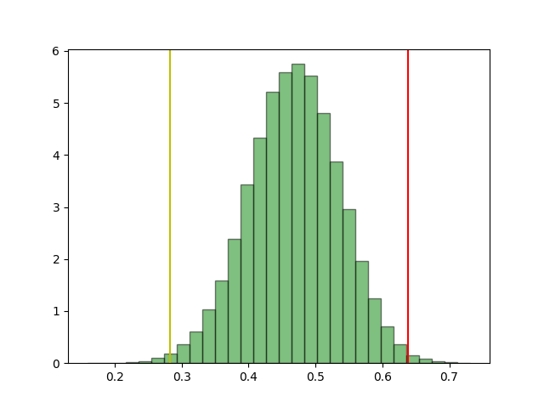
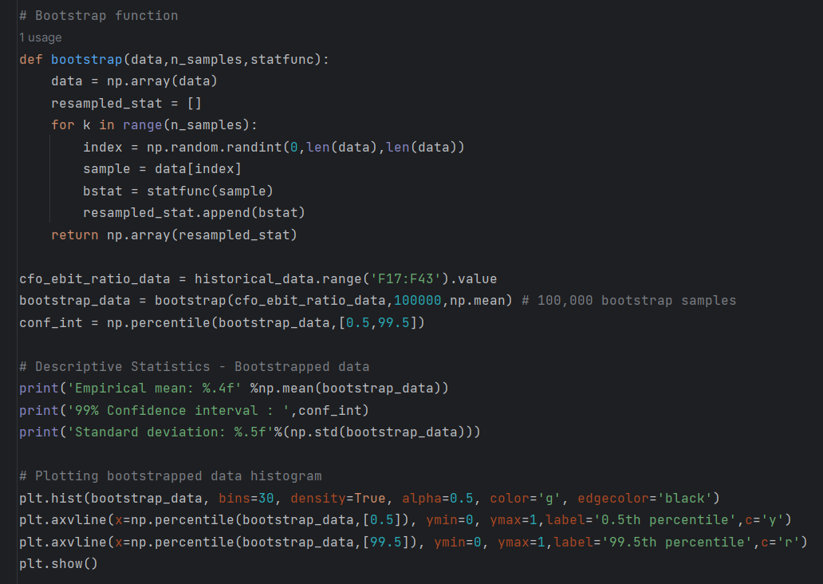
Qs | EBIT | CFO Pre-WC | EBIT/CFO Pre-WC
2023 - Q3 | 94 | 254 | 0.4x | 702
2023 - Q2 | 149 | 217 | 0.7x
2023 - Q1 | 42 | 104 | 0.4x
2022-Q4 | 11 | 127 | 0.1x | 779
2022-Q3 | 105 | 325 | 0.3x
2022-Q2 | 115 | 204 | 0.6x
2022-Q1 | -53 | 123 | -0.4x
2021-Q4 | 59 | 129 | 0.5x | 715
2021-Q3 | 89 | 315 | 0.3x
2021-Q2 | 133 | 221 | 0.6x
2021-Q1 | -14 | 50 | -0.3x
2020-Q4 | 28 | 120 | 0.2x | 590
2020-Q3 | 123 | 260 | 0.5x
2020-Q2 | 130 | 148 | 0.9x
2020-Q1 | 52 | 62 | 0.8x
2019-Q4 | 6 | 70 | 0.1x | 482
2019-Q3 | 90 | 235 | 0.4x
2019-Q2 | 87 | 123 | 0.7x
2019-Q1 | 41 | 54 | 0.8x
2018-Q4 | 54 | 88 | 0.6x | 528
2018-Q3 | 100 | 223 | 0.4x
2018-Q2 | 144 | 161 | 0.9x
2018-Q1 | 49 | 56 | 0.9x |  | Mean | 0.4678
2017-Q4 | 12 | 115 | 0.1x | 526 | STD | 0.06866
2017-Q3 | 95 | 224 | 0.4x |  | Conf int 99% | 0.28598 | 0.63950403
2017-Q2 | 122 | 98 | 1.2x
2017-Q1 | 54 | 89 | 0.6x |  | EBIT/CFO Pre-WC

