Sheet1
 |  |  |  |  |  |  |  | 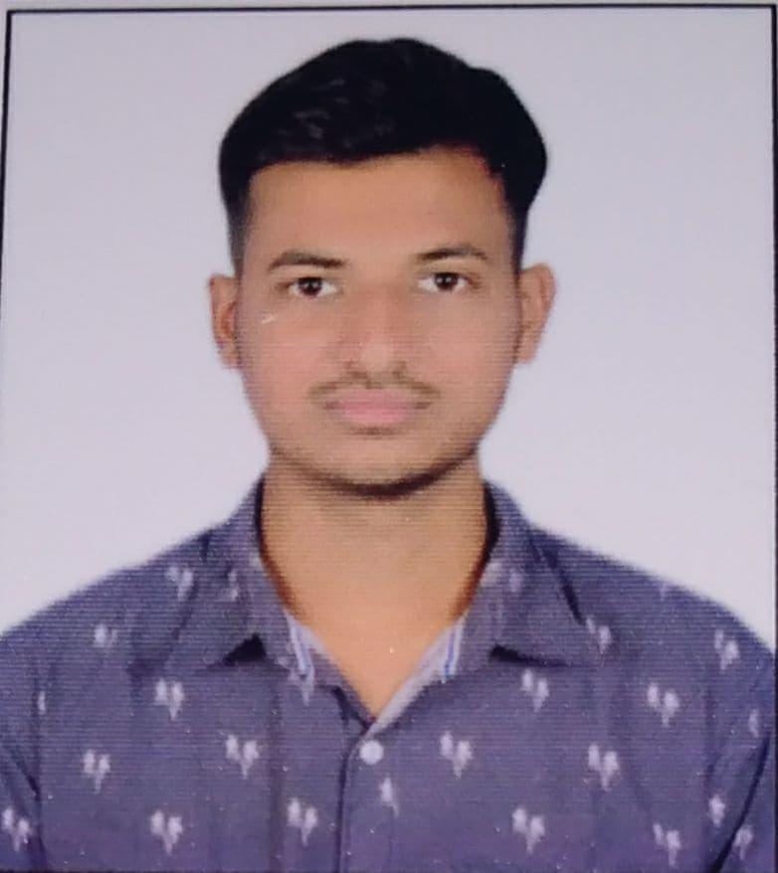

Details required for PF & ESIC Addition
S.No | Employee No | Name of the Employee | Previous Company PF Account No. | Previous Company PF UAN NO (12 digit) | ESIC NO (10Digit) | PAN NO | Bank Account No. | Bank Name | Bank ifsc Code No
1 |  | Parth Ravindra Patil | - |  | - | FHDPP9542P | - | - | -

Details required for GHI Addition
SNo | Employee No (Official Use) | Name of Insured | Date of Birth (DD/MM/YYYY) | Aadhar No. | Age | Gender | Relation | Sum Insured (Official Use) | Date of Joining (Official Use) (DD/MM/YYYY)
1 |  | Parth Ravindra Patil | 01-Aug-1999 | 582744813954 | 23 | Male | Self |  | 1-Jun-22
2 |  |  |  |  |  | Female / Male | Spouse / Husband
3 |  |  |  |  |  | Male | Son
 |  |  |  |  |  | Female | Daughter
4 |  | Ravindra Sakharam Patil | 02-Aug-1967 | 212111394735 | 55 | Male | Father
5 |  | Sangita Ravindra Patil | 09-Jan-1974 | 751196071089 | 48 | Female | Mother
***Kindly fill family member's name as per Aadhar card including father and mother

Details required for GPA Addition

SNo | Employee No (Official Use) | Name of Insured | Date of Birth | Gender | Designation |  | Category 1/2 (Official Use) | Monthly Salary | Date of Joining
1 |  | Parth Ravindra Patil | 01-Aug-1999 | Male | Trainee – Software Development – MDA |  |  | 29492.00 | 1-Jun-22

Details required for Addition in Co. D.O.B and D.O.M Records

SNo | Employee No (Official Use) | Name | Location | Dept | Date of Birth | Date of Marriage | Spouse name | Fathers Name
1 |  | Parth Ravindra Patil | Pune | MDA | 01-Aug-1999 | - | - | Ravindra Sakharam Patil

Details required for Visiting Cards/ ID CARD

SNo | Employee No (Official Use) | Name | Mobile No. | Alternate No. if any | Emergency Contact No. | Blood Group
1 |  | Parth Ravindra Patil | 9096106686 | 9021448027 | 8007122490 | B+ve

