Sheet1
Description | Screenshot
The UI can be more attractive, looks dull at present | 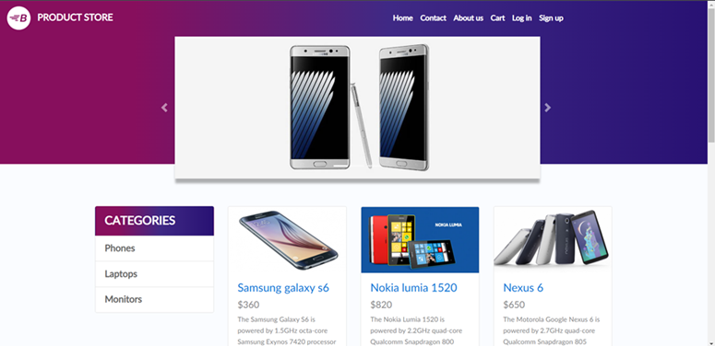
The image gallery can be made edge to edge, the blank space at both ends looks bad
The category section can be moved to extreme left because there's a lot a space wasted | 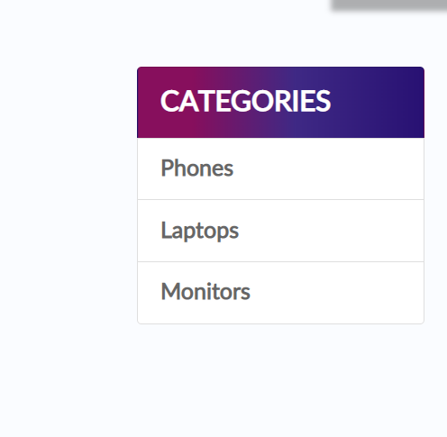
The UiI for the login page can be made more better and good looking, it looks way to simple | 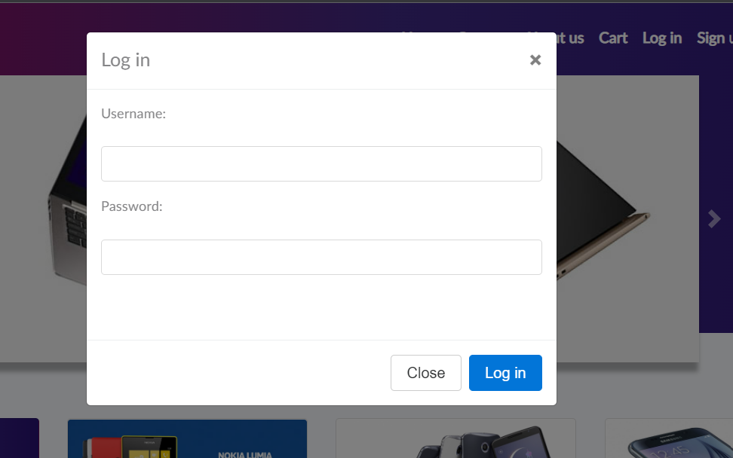
Can add validations in the fields, example: username should be alleast 5 characters and password should include special characters with a minimun length of 8.
can add some effects like poping up of image when we put the pointer on the product. | 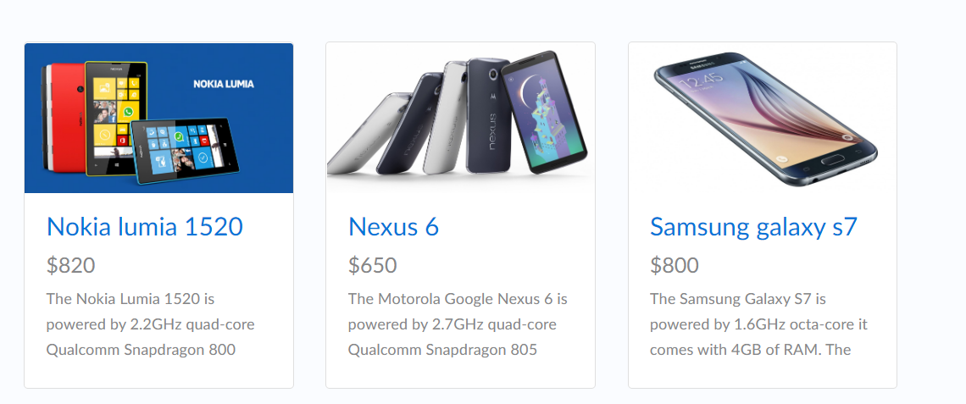
Very little information is provided. Reviews, comments, number of items in stock, more images, offers can be added to improve UI. Also can show related items below. | 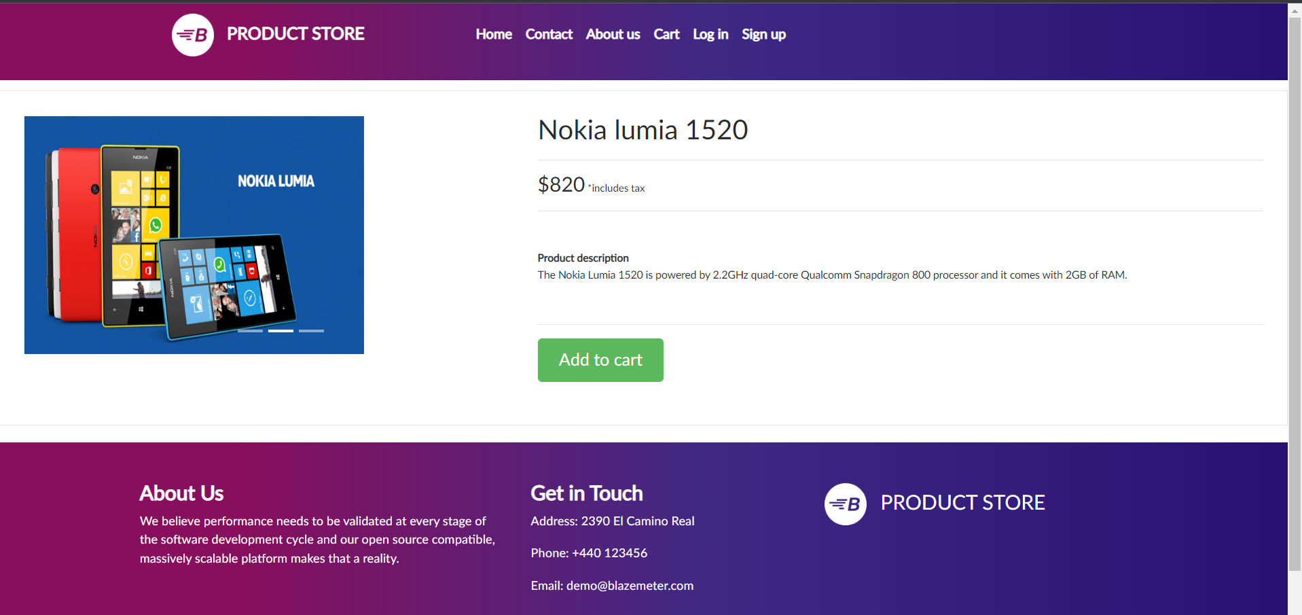
can improve the cart UI and add suggestions for the user below like "Items bought together - Earphones/Charger with a new Iphone"
Payment details can be made better and can add option to save the details for next buy. Also was able to do payment just by adding random name and card number, necessary to add validations in payment details. | 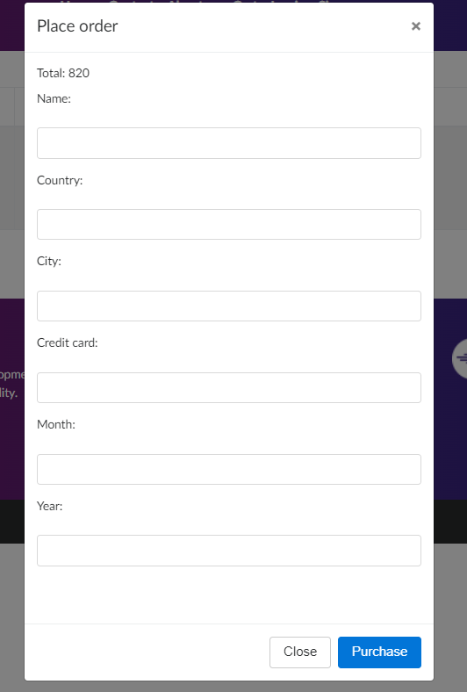
No option for user to see his/her previous orders and track them.
No validation in contact us page, can send blank details as well. | 