Notes
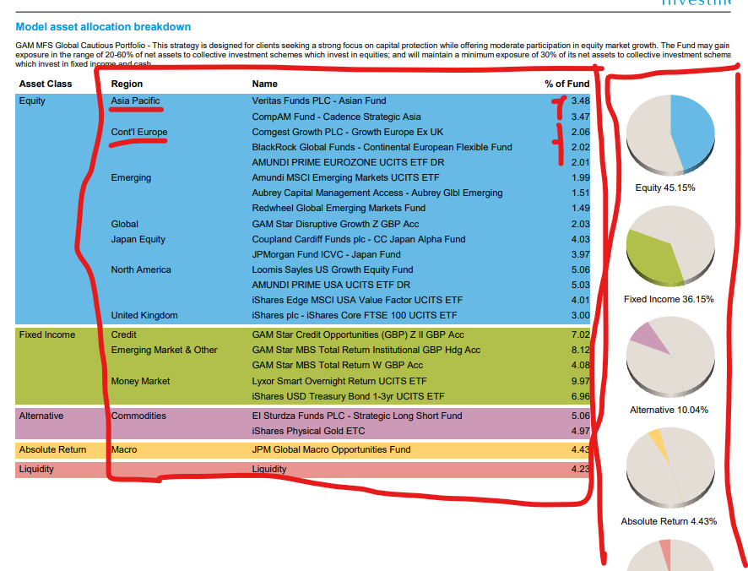
Additional information | Asset allocation

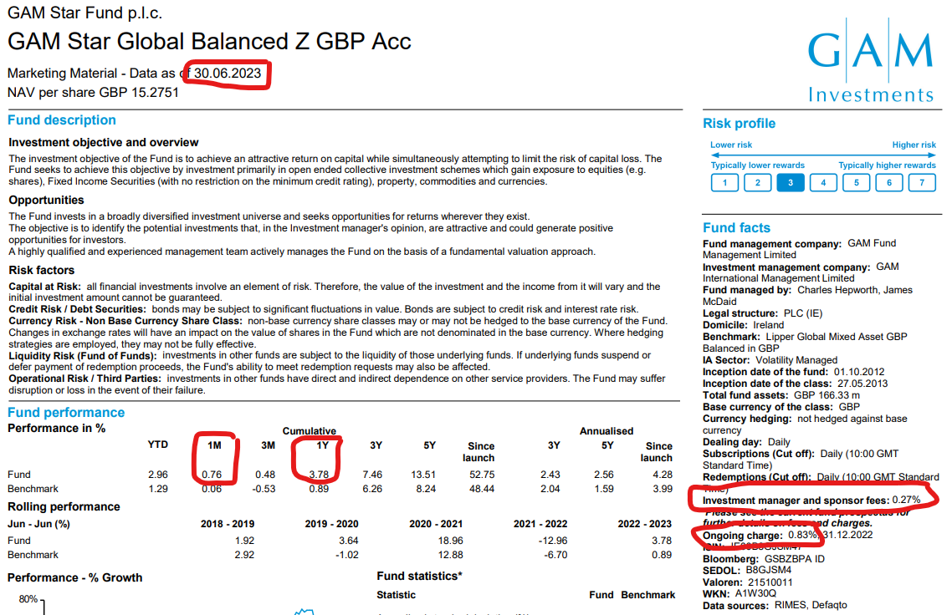
 | For the asset allocation - add up the holdings for a region

