Set based Dijkstra
Vertices number | Complete Graph edges number | Connected Graph edges number | Sparse Graph edges number | Set based dijkstra's algorithm Complete Graph | Set based dijkstra's algorithm Connected Graph | Set based dijkstra's algorithm Sparse Graph
10 | 45 | 20 | 9 | 28518 | 13516 | 8192
60 | 1770 | 796 | 59 | 299468 | 256614 | 67840
110 | 5995 | 2697 | 109 | 834969 | 605849 | 145664
160 | 12720 | 5724 | 159 | 1650585 | 1079705 | 241151
210 | 21945 | 9875 | 209 | 2477465 | 1735219 | 330752
260 | 33670 | 15151 | 259 | 3903590 | 2437990 | 495615
310 | 47895 | 21552 | 309 | 5321113 | 3546009 | 611072
360 | 64620 | 29079 | 359 | 6941183 | 4581068 | 755712
410 | 83845 | 37730 | 409 | 8958515 | 5581312 | 911001
460 | 105570 | 47506 | 459 | 10760499 | 6878668 | 1083801
510 | 129795 | 58407 | 509 | 12937830 | 8397875 | 1283584
560 | 156520 | 70434 | 559 | 16274534 | 10212249 | 1542553
610 | 185745 | 83585 | 609 | 19097446 | 13079961 | 1774489
660 | 217470 | 97861 | 659 | 22768640 | 13913241 | 1979750
710 | 251695 | 113262 | 709 | 24442368 | 15829247 | 2271948
760 | 288420 | 129789 | 759 | 27971379 | 17812019 | 2746572
810 | 327645 | 147440 | 809 | 31569868 | 19801139 | 2829158
860 | 369370 | 166216 | 859 | 36036249 | 22300979 | 3160729
910 | 413595 | 186117 | 909 | 39117670 | 24101580 | 3450521
960 | 460320 | 207144 | 959 | 43323187 | 26823577 | 3754700
1010 | 509545 | 229295 | 1009 | 46834124 | 28840704 | 4106086

Дейкстра на множестве (количество вершин)
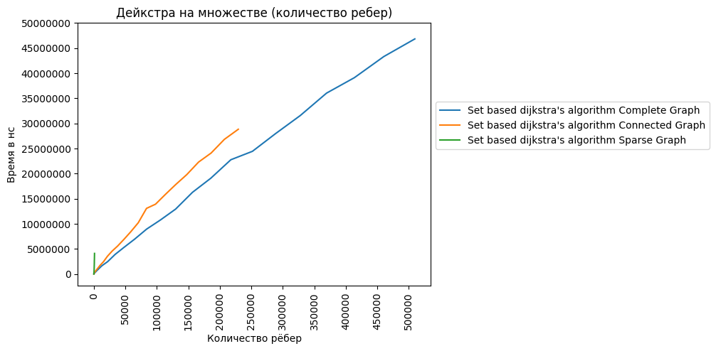

Дейкстра на множестве (полный граф)
Дейкстра на множестве (связный граф)

Дейкстра на множестве (разреженный граф)

Priority queue based Dijkstra
Vertices number | Complete Graph edges number | Connected Graph edges number | Sparse Graph edges number | Queue based dijkstra's algorithm Complete Graph | Queue based dijkstra's algorithm Connected Graph | Queue based dijkstra's algorithm Sparse Graph
10 | 45 | 20 | 9 | 22476 | 12543 | 6963
60 | 1770 | 796 | 59 | 269056 | 196096 | 74188
110 | 5995 | 2697 | 109 | 774963 | 524697 | 119705
160 | 12720 | 5724 | 159 | 1590169 | 1014886 | 198911
210 | 21945 | 9875 | 209 | 2489907 | 1573580 | 293939
260 | 33670 | 15151 | 259 | 3881574 | 2304819 | 412108
310 | 47895 | 21552 | 309 | 5295001 | 3356057 | 547174
360 | 64620 | 29079 | 359 | 6931251 | 4503859 | 696985
410 | 83845 | 37730 | 409 | 8661299 | 5529856 | 867430
460 | 105570 | 47506 | 459 | 10633113 | 6774476 | 1012223
510 | 129795 | 58407 | 509 | 12781312 | 8240486 | 1238579
560 | 156520 | 70434 | 559 | 16024729 | 9755238 | 1427609
610 | 185745 | 83585 | 609 | 18805145 | 12408576 | 1673932
660 | 217470 | 97861 | 659 | 22235238 | 13795584 | 1894297
710 | 251695 | 113262 | 709 | 24444774 | 15564339 | 2115174
760 | 288420 | 129789 | 759 | 28430182 | 17603840 | 2401484
810 | 327645 | 147440 | 809 | 31560192 | 19670732 | 2657024
860 | 369370 | 166216 | 859 | 34905088 | 22085171 | 2896844
910 | 413595 | 186117 | 909 | 38904422 | 23907993 | 3257856
960 | 460320 | 207144 | 959 | 43155711 | 26086860 | 3646873
1010 | 509545 | 229295 | 1009 | 46838323 | 28214169 | 3917312

Дейкстра на очереди приоритетов (количество вершин)
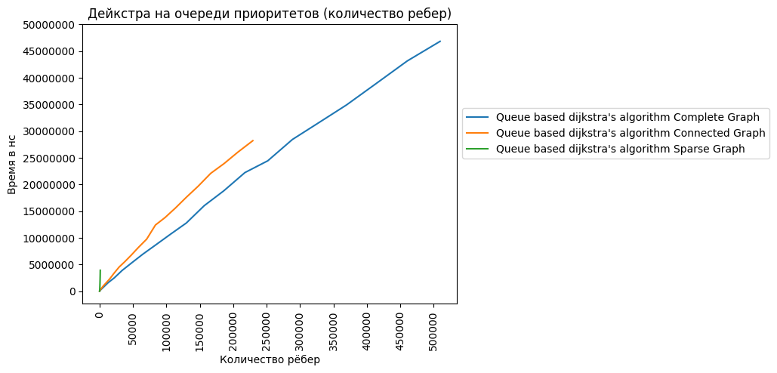

Дейкстра на очереди приоритетов (полный граф)
Дейкстра на очереди приоритетов (связный граф)

Дейкстра на очереди приоритетов (разреженный граф)

Bellman-Ford
Vertices number | Complete Graph edges number | Connected Graph edges number | Sparse Graph edges number | Bellman-Ford algorithm Complete Graph | Bellman-Ford algorithm Connected Graph | Bellman-Ford algorithm Sparse Graph
10 | 45 | 20 | 9 | 13772 | 7577 | 7731
60 | 1770 | 796 | 59 | 2287411 | 1059993 | 93388
110 | 5995 | 2697 | 109 | 13939660 | 6349772 | 292096
160 | 12720 | 5724 | 159 | 43079116 | 19457075 | 611942
210 | 21945 | 9875 | 209 | 96418560 | 43545753 | 1055795
260 | 33670 | 15151 | 259 | 180518348 | 82481715 | 1629849
310 | 47895 | 21552 | 309 | 306481868 | 139613798 | 2227711
360 | 64620 | 29079 | 359 | 479834368 | 216867123 | 3125504
410 | 83845 | 37730 | 409 | 709727999 | 319511500 | 3873433
460 | 105570 | 47506 | 459 | 1000191948 | 451936409 | 4917555
510 | 129795 | 58407 | 509 | 1362149017 | 611819110 | 6053375
560 | 156520 | 70434 | 559 | 1806451148 | 811246080 | 7208755
610 | 185745 | 83585 | 609 | 2341221785 | 1108456806 | 8939366
660 | 217470 | 97861 | 659 | 3076896051 | 1317787596 | 10222233
710 | 251695 | 113262 | 709 | 3663046348 | 1640457625 | 11842969
760 | 288420 | 129789 | 759 | 4503598745 | 2021721548 | 13490073
810 | 327645 | 147440 | 809 | 5482813235 | 2446735206 | 15466496
860 | 369370 | 166216 | 859 | 6548323481 | 2933129984 | 17467494
910 | 413595 | 186117 | 909 | 7786504960 | 3507847680 | 19622809
960 | 460320 | 207144 | 959 | 9165910067 | 4102807654 | 21952665
1010 | 509545 | 229295 | 1009 | 10651063500 | 4753237503 | 24183449

Беллман-Форд (количество вершин)
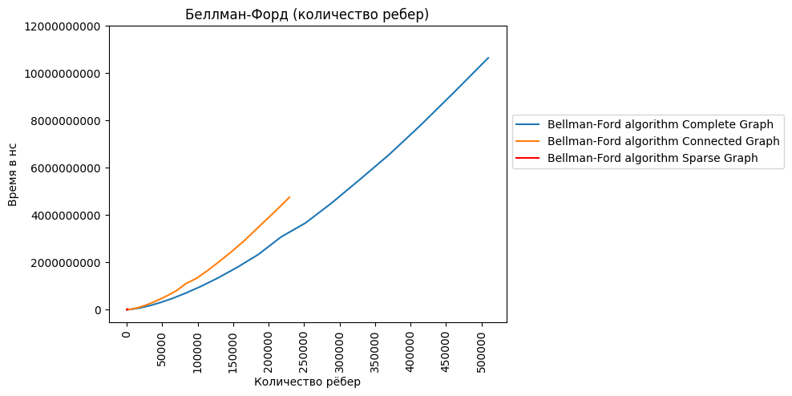

Беллман-Форд (полный граф)
Беллман-Форд (связный граф)

Беллман-Форд (разреженный граф)

FloydWarshall
Vertices number | Complete Graph edges number | Connected Graph edges number | Sparse Graph edges number | Floyd-Warshall algorithm Complete Graph | Floyd-Warshall algorithm Connected Graph | Floyd-Warshall algorithm Sparse Graph
10 | 45 | 20 | 9 | 42239 | 27750 | 28723
60 | 1770 | 796 | 59 | 4262604 | 4205619 | 3317913
110 | 5995 | 2697 | 109 | 25636710 | 25444505 | 20476876
160 | 12720 | 5724 | 159 | 78405478 | 78091110 | 60096512
210 | 21945 | 9875 | 209 | 174314752 | 175979212 | 138578892
260 | 33670 | 15151 | 259 | 330213939 | 329598771 | 262540134
310 | 47895 | 21552 | 309 | 554795622 | 556534886 | 436833484
360 | 64620 | 29079 | 359 | 872502630 | 873653452 | 685281536
410 | 83845 | 37730 | 409 | 1282207539 | 1281541376 | 1026531891
460 | 105570 | 47506 | 459 | 1807788339 | 1813476812 | 1436385740
510 | 129795 | 58407 | 509 | 2467593420 | 2468734924 | 1923529011
560 | 156520 | 70434 | 559 | 3266139084 | 3270067302 | 2582006067
610 | 185745 | 83585 | 609 | 4465956659 | 4471291647 | 3552575590
660 | 217470 | 97861 | 659 | 5467520716 | 5300797695 | 4136557568
710 | 251695 | 113262 | 709 | 6601257369 | 6607394611 | 5335222118
760 | 288420 | 129789 | 759 | 8137197312 | 8158174105 | 6511883110
810 | 327645 | 147440 | 809 | 9860606719 | 9881244416 | 7774059059
860 | 369370 | 166216 | 859 | 11814562662 | 11822351923 | 9421205555
910 | 413595 | 186117 | 909 | 14013574348 | 13978212300 | 11193399756
960 | 460320 | 207144 | 959 | 16429871411 | 16406247577 | 13032859033
1010 | 509545 | 229295 | 1009 | 19145703168 | 19155473152 | 15245337139

Флойд-Уоршелл (количество вершин)
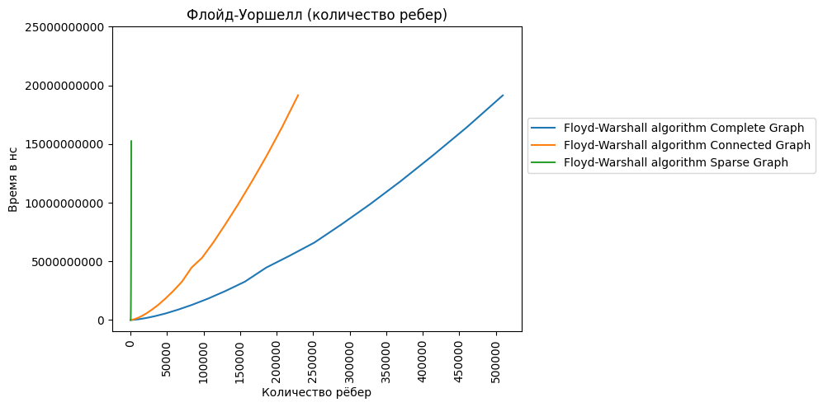

Флойд-Уоршелл (полный граф)
Флойд-Уоршелл (связный граф)

Флойд-Уоршелл (разреженный граф)

Algorithms graphs (vertices)
Полный граф (количество вершин)
 | Set based dijkstra's algorithm Complete Graph | Queue based dijkstra's algorithm Complete Graph | Bellman-Ford algorithm Complete Graph | Floyd-Warshall algorithm Complete Graph
10 | 28518 | 22476 | 13772 | 42239
60 | 299468 | 269056 | 2287411 | 4262604
110 | 834969 | 774963 | 13939660 | 25636710
160 | 1650585 | 1590169 | 43079116 | 78405478
210 | 2477465 | 2489907 | 96418560 | 174314752
260 | 3903590 | 3881574 | 180518348 | 330213939
310 | 5321113 | 5295001 | 306481868 | 554795622
360 | 6941183 | 6931251 | 479834368 | 872502630
410 | 8958515 | 8661299 | 709727999 | 1282207539
460 | 10760499 | 10633113 | 1000191948 | 1807788339
510 | 12937830 | 12781312 | 1362149017 | 2467593420
560 | 16274534 | 16024729 | 1806451148 | 3266139084
610 | 19097446 | 18805145 | 2341221785 | 4465956659
660 | 22768640 | 22235238 | 3076896051 | 5467520716
710 | 24442368 | 24444774 | 3663046348 | 6601257369
760 | 27971379 | 28430182 | 4503598745 | 8137197312
810 | 31569868 | 31560192 | 5482813235 | 9860606719
860 | 36036249 | 34905088 | 6548323481 | 11814562662
910 | 39117670 | 38904422 | 7786504960 | 14013574348
960 | 43323187 | 43155711 | 9165910067 | 16429871411
1010 | 46834124 | 46838323 | 10651063500 | 19145703168
Полный граф (количество вершин)
 | Set based dijkstra's algorithm Complete Graph | Queue based dijkstra's algorithm Complete Graph
10 | 28518 | 22476
60 | 299468 | 269056
110 | 834969 | 774963
160 | 1650585 | 1590169
210 | 2477465 | 2489907
260 | 3903590 | 3881574
310 | 5321113 | 5295001
360 | 6941183 | 6931251
410 | 8958515 | 8661299
460 | 10760499 | 10633113
510 | 12937830 | 12781312
560 | 16274534 | 16024729
610 | 19097446 | 18805145
660 | 22768640 | 22235238
710 | 24442368 | 24444774
760 | 27971379 | 28430182
810 | 31569868 | 31560192
860 | 36036249 | 34905088
910 | 39117670 | 38904422
960 | 43323187 | 43155711
1010 | 46834124 | 46838323

Связный граф (количество вершин)
 | Set based dijkstra's algorithm Connected Graph | Queue based dijkstra's algorithm Connected Graph | Bellman-Ford algorithm Connected Graph | Floyd-Warshall algorithm Connected Graph
10 | 13516 | 12543 | 7577 | 27750
60 | 256614 | 196096 | 1059993 | 4205619
110 | 605849 | 524697 | 6349772 | 25444505
160 | 1079705 | 1014886 | 19457075 | 78091110
210 | 1735219 | 1573580 | 43545753 | 175979212
260 | 2437990 | 2304819 | 82481715 | 329598771
310 | 3546009 | 3356057 | 139613798 | 556534886
360 | 4581068 | 4503859 | 216867123 | 873653452
410 | 5581312 | 5529856 | 319511500 | 1281541376
460 | 6878668 | 6774476 | 451936409 | 1813476812
510 | 8397875 | 8240486 | 611819110 | 2468734924
560 | 10212249 | 9755238 | 811246080 | 3270067302
610 | 13079961 | 12408576 | 1108456806 | 4471291647
660 | 13913241 | 13795584 | 1317787596 | 5300797695
710 | 15829247 | 15564339 | 1640457625 | 6607394611
760 | 17812019 | 17603840 | 2021721548 | 8158174105
810 | 19801139 | 19670732 | 2446735206 | 9881244416
860 | 22300979 | 22085171 | 2933129984 | 11822351923
910 | 24101580 | 23907993 | 3507847680 | 13978212300
960 | 26823577 | 26086860 | 4102807654 | 16406247577
1010 | 28840704 | 28214169 | 4753237503 | 19155473152
Связный граф (количество вершин)
 | Set based dijkstra's algorithm Connected Graph | Queue based dijkstra's algorithm Connected Graph
10 | 13516 | 12543
60 | 256614 | 196096
110 | 605849 | 524697
160 | 1079705 | 1014886
210 | 1735219 | 1573580
260 | 2437990 | 2304819
310 | 3546009 | 3356057
360 | 4581068 | 4503859
410 | 5581312 | 5529856
460 | 6878668 | 6774476
510 | 8397875 | 8240486
560 | 10212249 | 9755238
610 | 13079961 | 12408576
660 | 13913241 | 13795584
710 | 15829247 | 15564339
760 | 17812019 | 17603840
810 | 19801139 | 19670732
860 | 22300979 | 22085171
910 | 24101580 | 23907993
960 | 26823577 | 26086860
1010 | 28840704 | 28214169

Разреженный граф (количество вершин)
 | Set based dijkstra's algorithm Sparse Graph | Queue based dijkstra's algorithm Sparse Graph | Bellman-Ford algorithm Sparse Graph | Floyd-Warshall algorithm Sparse Graph
10 | 8192 | 6963 | 7731 | 28723
60 | 67840 | 74188 | 93388 | 3317913
110 | 145664 | 119705 | 292096 | 20476876
160 | 241151 | 198911 | 611942 | 60096512
210 | 330752 | 293939 | 1055795 | 138578892
260 | 495615 | 412108 | 1629849 | 262540134
310 | 611072 | 547174 | 2227711 | 436833484
360 | 755712 | 696985 | 3125504 | 685281536
410 | 911001 | 867430 | 3873433 | 1026531891
460 | 1083801 | 1012223 | 4917555 | 1436385740
510 | 1283584 | 1238579 | 6053375 | 1923529011
560 | 1542553 | 1427609 | 7208755 | 2582006067
610 | 1774489 | 1673932 | 8939366 | 3552575590
660 | 1979750 | 1894297 | 10222233 | 4136557568
710 | 2271948 | 2115174 | 11842969 | 5335222118
760 | 2746572 | 2401484 | 13490073 | 6511883110
810 | 2829158 | 2657024 | 15466496 | 7774059059
860 | 3160729 | 2896844 | 17467494 | 9421205555
910 | 3450521 | 3257856 | 19622809 | 11193399756
960 | 3754700 | 3646873 | 21952665 | 13032859033
1010 | 4106086 | 3917312 | 24183449 | 15245337139
Разреженный граф (количество вершин)
 | Set based dijkstra's algorithm Sparse Graph | Queue based dijkstra's algorithm Sparse Graph
10 | 8192 | 6963
60 | 67840 | 74188
110 | 145664 | 119705
160 | 241151 | 198911
210 | 330752 | 293939
260 | 495615 | 412108
310 | 611072 | 547174
360 | 755712 | 696985
410 | 911001 | 867430
460 | 1083801 | 1012223
510 | 1283584 | 1238579
560 | 1542553 | 1427609
610 | 1774489 | 1673932
660 | 1979750 | 1894297
710 | 2271948 | 2115174
760 | 2746572 | 2401484
810 | 2829158 | 2657024
860 | 3160729 | 2896844
910 | 3450521 | 3257856
960 | 3754700 | 3646873
1010 | 4106086 | 3917312

Разреженный граф (количество вершин)
 | Set based dijkstra's algorithm Sparse Graph | Queue based dijkstra's algorithm Sparse Graph | Bellman-Ford algorithm Sparse Graph
10 | 8192 | 6963 | 7731
60 | 67840 | 74188 | 93388
110 | 145664 | 119705 | 292096
160 | 241151 | 198911 | 611942
210 | 330752 | 293939 | 1055795
260 | 495615 | 412108 | 1629849
310 | 611072 | 547174 | 2227711
360 | 755712 | 696985 | 3125504
410 | 911001 | 867430 | 3873433
460 | 1083801 | 1012223 | 4917555
510 | 1283584 | 1238579 | 6053375
560 | 1542553 | 1427609 | 7208755
610 | 1774489 | 1673932 | 8939366
660 | 1979750 | 1894297 | 10222233
710 | 2271948 | 2115174 | 11842969
760 | 2746572 | 2401484 | 13490073
810 | 2829158 | 2657024 | 15466496
860 | 3160729 | 2896844 | 17467494
910 | 3450521 | 3257856 | 19622809
960 | 3754700 | 3646873 | 21952665
1010 | 4106086 | 3917312 | 24183449

Algorithms graphs (edges)
Полный граф (количество ребер)
 | Set based dijkstra's algorithm Complete Graph | Queue based dijkstra's algorithm Complete Graph | Bellman-Ford algorithm Complete Graph | Floyd-Warshall algorithm Complete Graph
45 | 28518 | 22476 | 13772 | 42239
1770 | 299468 | 269056 | 2287411 | 4262604
5995 | 834969 | 774963 | 13939660 | 25636710
12720 | 1650585 | 1590169 | 43079116 | 78405478
21945 | 2477465 | 2489907 | 96418560 | 174314752
33670 | 3903590 | 3881574 | 180518348 | 330213939
47895 | 5321113 | 5295001 | 306481868 | 554795622
64620 | 6941183 | 6931251 | 479834368 | 872502630
83845 | 8958515 | 8661299 | 709727999 | 1282207539
105570 | 10760499 | 10633113 | 1000191948 | 1807788339
129795 | 12937830 | 12781312 | 1362149017 | 2467593420
156520 | 16274534 | 16024729 | 1806451148 | 3266139084
185745 | 19097446 | 18805145 | 2341221785 | 4465956659
217470 | 22768640 | 22235238 | 3076896051 | 5467520716
251695 | 24442368 | 24444774 | 3663046348 | 6601257369
288420 | 27971379 | 28430182 | 4503598745 | 8137197312
327645 | 31569868 | 31560192 | 5482813235 | 9860606719
369370 | 36036249 | 34905088 | 6548323481 | 11814562662
413595 | 39117670 | 38904422 | 7786504960 | 14013574348
460320 | 43323187 | 43155711 | 9165910067 | 16429871411
509545 | 46834124 | 46838323 | 10651063500 | 19145703168
Полный граф (количество ребер)
 | Set based dijkstra's algorithm Complete Graph | Queue based dijkstra's algorithm Complete Graph
45 | 28518 | 22476
1770 | 299468 | 269056
5995 | 834969 | 774963
12720 | 1650585 | 1590169
21945 | 2477465 | 2489907
33670 | 3903590 | 3881574
47895 | 5321113 | 5295001
64620 | 6941183 | 6931251
83845 | 8958515 | 8661299
105570 | 10760499 | 10633113
129795 | 12937830 | 12781312
156520 | 16274534 | 16024729
185745 | 19097446 | 18805145
217470 | 22768640 | 22235238
251695 | 24442368 | 24444774
288420 | 27971379 | 28430182
327645 | 31569868 | 31560192
369370 | 36036249 | 34905088
413595 | 39117670 | 38904422
460320 | 43323187 | 43155711
509545 | 46834124 | 46838323

Связный граф (количество ребер)
 | Set based dijkstra's algorithm Connected Graph | Queue based dijkstra's algorithm Connected Graph | Bellman-Ford algorithm Connected Graph | Floyd-Warshall algorithm Connected Graph
20 | 13516 | 12543 | 7577 | 27750
796 | 256614 | 196096 | 1059993 | 4205619
2697 | 605849 | 524697 | 6349772 | 25444505
5724 | 1079705 | 1014886 | 19457075 | 78091110
9875 | 1735219 | 1573580 | 43545753 | 175979212
15151 | 2437990 | 2304819 | 82481715 | 329598771
21552 | 3546009 | 3356057 | 139613798 | 556534886
29079 | 4581068 | 4503859 | 216867123 | 873653452
37730 | 5581312 | 5529856 | 319511500 | 1281541376
47506 | 6878668 | 6774476 | 451936409 | 1813476812
58407 | 8397875 | 8240486 | 611819110 | 2468734924
70434 | 10212249 | 9755238 | 811246080 | 3270067302
83585 | 13079961 | 12408576 | 1108456806 | 4471291647
97861 | 13913241 | 13795584 | 1317787596 | 5300797695
113262 | 15829247 | 15564339 | 1640457625 | 6607394611
129789 | 17812019 | 17603840 | 2021721548 | 8158174105
147440 | 19801139 | 19670732 | 2446735206 | 9881244416
166216 | 22300979 | 22085171 | 2933129984 | 11822351923
186117 | 24101580 | 23907993 | 3507847680 | 13978212300
207144 | 26823577 | 26086860 | 4102807654 | 16406247577
229295 | 28840704 | 28214169 | 4753237503 | 19155473152
Связный граф (количество ребер)
 | Set based dijkstra's algorithm Connected Graph | Queue based dijkstra's algorithm Connected Graph
20 | 13516 | 12543
796 | 256614 | 196096
2697 | 605849 | 524697
5724 | 1079705 | 1014886
9875 | 1735219 | 1573580
15151 | 2437990 | 2304819
21552 | 3546009 | 3356057
29079 | 4581068 | 4503859
37730 | 5581312 | 5529856
47506 | 6878668 | 6774476
58407 | 8397875 | 8240486
70434 | 10212249 | 9755238
83585 | 13079961 | 12408576
97861 | 13913241 | 13795584
113262 | 15829247 | 15564339
129789 | 17812019 | 17603840
147440 | 19801139 | 19670732
166216 | 22300979 | 22085171
186117 | 24101580 | 23907993
207144 | 26823577 | 26086860
229295 | 28840704 | 28214169

Разреженный граф (количество ребер)
 | Set based dijkstra's algorithm Sparse Graph | Queue based dijkstra's algorithm Sparse Graph | Bellman-Ford algorithm Sparse Graph | Floyd-Warshall algorithm Sparse Graph
9 | 8192 | 6963 | 7731 | 28723
59 | 67840 | 74188 | 93388 | 3317913
109 | 145664 | 119705 | 292096 | 20476876
159 | 241151 | 198911 | 611942 | 60096512
209 | 330752 | 293939 | 1055795 | 138578892
259 | 495615 | 412108 | 1629849 | 262540134
309 | 611072 | 547174 | 2227711 | 436833484
359 | 755712 | 696985 | 3125504 | 685281536
409 | 911001 | 867430 | 3873433 | 1026531891
459 | 1083801 | 1012223 | 4917555 | 1436385740
509 | 1283584 | 1238579 | 6053375 | 1923529011
559 | 1542553 | 1427609 | 7208755 | 2582006067
609 | 1774489 | 1673932 | 8939366 | 3552575590
659 | 1979750 | 1894297 | 10222233 | 4136557568
709 | 2271948 | 2115174 | 11842969 | 5335222118
759 | 2746572 | 2401484 | 13490073 | 6511883110
809 | 2829158 | 2657024 | 15466496 | 7774059059
859 | 3160729 | 2896844 | 17467494 | 9421205555
909 | 3450521 | 3257856 | 19622809 | 11193399756
959 | 3754700 | 3646873 | 21952665 | 13032859033
1009 | 4106086 | 3917312 | 24183449 | 15245337139
Разреженный граф (количество ребер)
 | Set based dijkstra's algorithm Sparse Graph | Queue based dijkstra's algorithm Sparse Graph
9 | 8192 | 6963
59 | 67840 | 74188
109 | 145664 | 119705
159 | 241151 | 198911
209 | 330752 | 293939
259 | 495615 | 412108
309 | 611072 | 547174
359 | 755712 | 696985
409 | 911001 | 867430
459 | 1083801 | 1012223
509 | 1283584 | 1238579
559 | 1542553 | 1427609
609 | 1774489 | 1673932
659 | 1979750 | 1894297
709 | 2271948 | 2115174
759 | 2746572 | 2401484
809 | 2829158 | 2657024
859 | 3160729 | 2896844
909 | 3450521 | 3257856
959 | 3754700 | 3646873
1009 | 4106086 | 3917312

Разреженный граф (количество ребер)
 | Set based dijkstra's algorithm Sparse Graph | Queue based dijkstra's algorithm Sparse Graph | Bellman-Ford algorithm Sparse Graph
9 | 8192 | 6963 | 7731
59 | 67840 | 74188 | 93388
109 | 145664 | 119705 | 292096
159 | 241151 | 198911 | 611942
209 | 330752 | 293939 | 1055795
259 | 495615 | 412108 | 1629849
309 | 611072 | 547174 | 2227711
359 | 755712 | 696985 | 3125504
409 | 911001 | 867430 | 3873433
459 | 1083801 | 1012223 | 4917555
509 | 1283584 | 1238579 | 6053375
559 | 1542553 | 1427609 | 7208755
609 | 1774489 | 1673932 | 8939366
659 | 1979750 | 1894297 | 10222233
709 | 2271948 | 2115174 | 11842969
759 | 2746572 | 2401484 | 13490073
809 | 2829158 | 2657024 | 15466496
859 | 3160729 | 2896844 | 17467494
909 | 3450521 | 3257856 | 19622809
959 | 3754700 | 3646873 | 21952665
1009 | 4106086 | 3917312 | 24183449

