Groupes de seuils
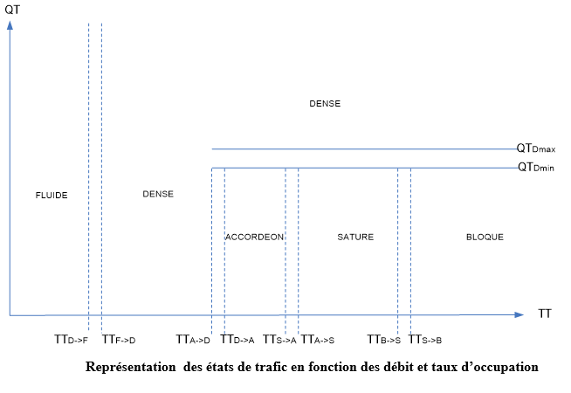
Code | Libellé | Type | seuilVitesseFluideToDense | seuilVitesseDenseToAccordeon | seuilVitesseDenseToFluide | seuilVitesseAccordeonToSature | seuilVitesseAccordeonToDense | seuilVitesseSatureToBloque | seuilVitesseSatureToAccordeon | seuilVitesseBloqueToSature | seuilTxOcupationFluideToDense | seuilTxOcupationDenseToFluide | seuilTxOcupationDenseToAccordeon | seuilTxOcupationAccordeonToSature | seuilTxOcupationAccordeonToDense | seuilTxOcupationSatureToBloque | seuilTxOcupationSatureToAccordeon | seuilTxOcupationBloqueToSature | seuilDebitInferieur | seuilDebitSuperieur
SEUIL_01 | SEUIL 01 | VITESSE | 60 | 50 | 70 | 40 | 60 | 20 | 50 | 40

