Rules
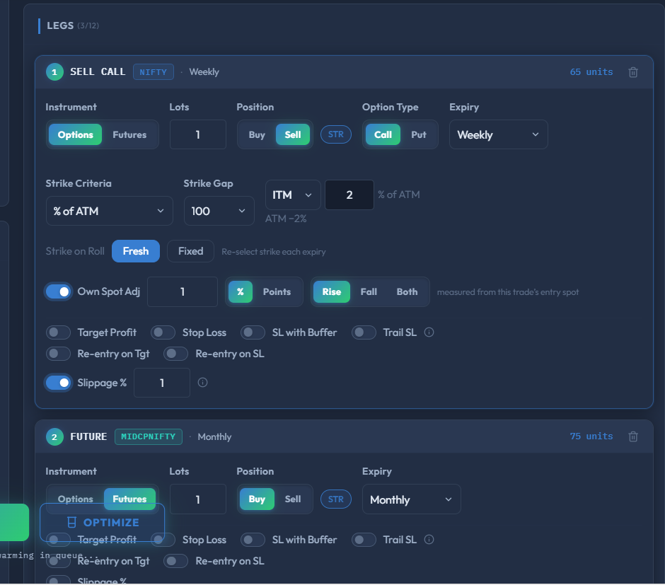
STRATEGY RULES
Strategy
Index | NIFTY
Backtest Date Range | 2023-06-01 → 2026-06-30
Expiry | Yearly (December)
Entry / Exit DTE | T-1 to T-1
Square-off Mode | partial
Roll Cadence | Monthly
Yearly Exit | T-1 (1 month before the long-dated expiry)
Roll Through | December only
Rollover | Yes (roll monthly within the December contract)
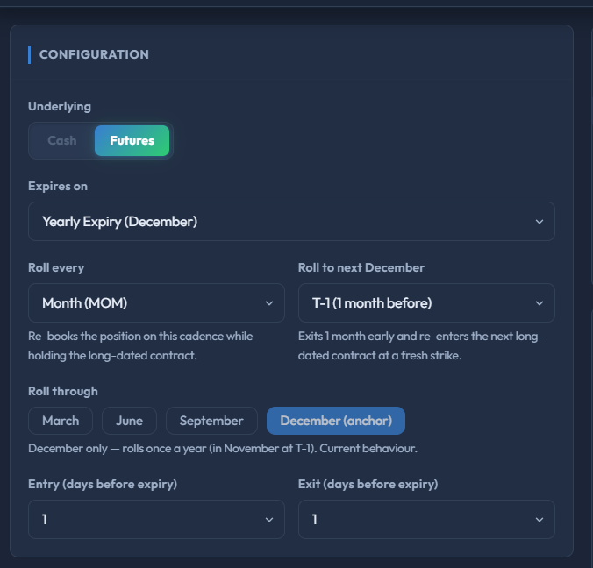
Spot Adjustment | No
Strike Shift Fallback | 1 step(s)
Cost / Charges | Disabled
Filter | Base 2.1 Bull With MFI_Ex TROC_Ex 1st Month M5DP Added of Bull End

Leg 1 — CE Sell (Options)
Position | Sell
Lots | 1
Index | NIFTY
Expiry | Weekly
Option Type | CE
Strike Selection | % of ATM: -2%
Strike Gap | 100
Rollover Strike Mode | Fresh
Spot Adjustment | Yes (Rise 1%)
Slippage | Yes (1%)
Leg 2 — FUT Buy (Futures)
Position | Buy
Lots | 1
Index | MIDCPNIFTY
Expiry | Monthly
Exit Mode | ON_EXPIRY
Exit After N Days | 5
Apply Filter | Yes
Apply Overall SL | Yes
Apply Overall Target | Yes
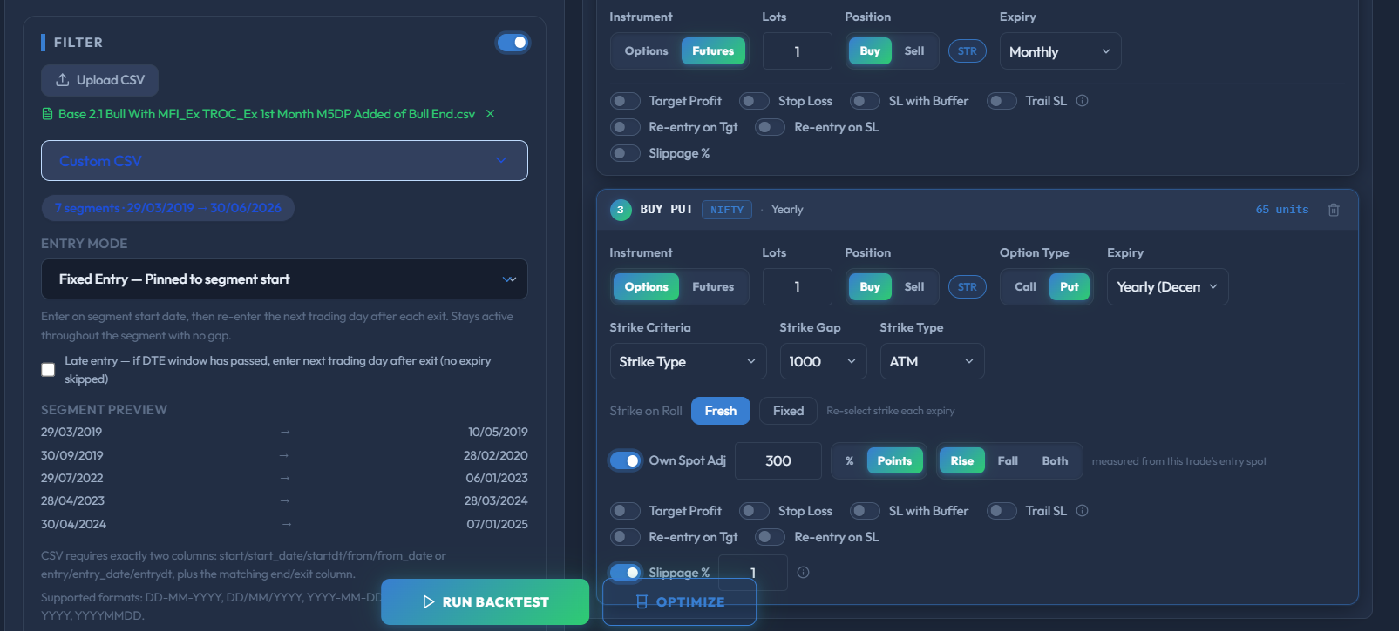
Apply Spot Adjustment | Yes
Spot Adjustment | Uses strategy-level setting
Slippage | No
Leg 3 — PE Buy (Options)
Position | Buy
Lots | 1
Index | NIFTY
Expiry | Yearly (December)
Option Type | PE
Strike Selection | ATM
Strike Gap | 1000
Rollover Strike Mode | Fresh
Spot Adjustment | Yes (Rise 300 pts)
Slippage | Yes (1%)

