Sheet1
Module 1. Introduction to Statistics

Question 1. There is an assumption that there is no significant difference between boys and girls with respect to intelligence. Tests are conducted on two groups and the following are the observations

 | Mean | Standard Deviation |  | Size | Variance
Girls | 89 | 4 |  | 50 | 16
Boys | 82 | 9 |  | 120 | 81

Validate the claim with 5% LoS (Level of Significance).

Ho: | There is no significant difference between boys and girls intelligence.
Ha: | There is a significant difference between boys and girls intelligence.
 |  |  |  |  | t-Test: Two-Sample Assuming Unequal Variances |  |  | t-Test: Two-Sample Assuming Unequal Variances
Let Array for: |  | Girls | Boys
 |  | 90 | 82 |  |  | Variable 1 | Variable 2 |  | Girls | Boys
 |  | 88 | 84 |  | Mean | 89 | 82 | Mean | 89 | 82
 |  | 90 | 85 |  | Variance | 5.6470588235 | 4.756302521 | Variance | 5.6470588235 | 4.756302521
 |  | 89 | 80 |  | Observations | 52 | 120 | Observations | 52 | 120
 |  | 88 | 84 |  | Hypothesized Mean Difference | 0 |  | Hypothesized Mean Difference | 0
 |  | 92 | 83 |  | df | 90 |  | df | 90
 |  | 89 | 82 |  | t Stat | 18.181318998 |  | t Stat | 18.181318998
 |  | 91 | 85 |  | P(T<=t) one-tail | 3.4852418795E-32 |  | P(T<=t) one-tail | 3.4852418795E-32
 |  | 89 | 85 |  | t Critical one-tail | 1.661961084 |  | t Critical one-tail | 1.661961084
 |  | 92 | 84 |  | P(T<=t) two-tail | 6.970483759E-32 |  | P(T<=t) two-tail | 6.970483759E-32
 |  | 90 | 82 |  | t Critical two-tail | 1.9866745407 |  | t Critical two-tail | 1.9866745407
 |  | 88 | 85
 |  | 87 | 82
 |  | 88 | 80
 |  | 89 | 82
 |  | 91 | 79
 |  | 88 | 81
 |  | 87 | 83
 |  | 89 | 81
 |  | 92 | 85
 |  | 92 | 84
 |  | 90 | 82
 |  | 89 | 80
 |  | 92 | 82
 |  | 86 | 80
 |  | 88 | 82
 |  | 92 | 79
 |  | 89 | 80
 |  | 88 | 82
 |  | 90 | 81
 |  | 87 | 81
 |  | 86 | 85
 |  | 90 | 81
 |  | 92 | 83
 |  | 92 | 79
 |  | 88 | 80
 |  | 92 | 84
 |  | 90 | 80
 |  | 80 | 84
 |  | 89 | 81
 |  | 90 | 84
 |  | 87 | 84
 |  | 92 | 81
 |  | 91 | 83
 |  | 87 | 79
 |  | 90 | 80
 |  | 85 | 82
 |  | 90 | 79
 |  | 87 | 81
 |  | 84 | 81
 |  | 87 | 85
 |  | 89 | 79
 |  |  | 84
 |  |  | 84
 |  |  | 83
 |  |  | 80
 |  |  | 81
 |  |  | 84
 |  |  | 81
 |  |  | 85
 |  |  | 82
 |  |  | 82
 |  |  | 80
 |  |  | 76
 |  |  | 81
 |  |  | 84
 |  |  | 84
 |  |  | 82
 |  |  | 85
 |  |  | 82
 |  |  | 80
 |  |  | 82
 |  |  | 82
 |  |  | 85
 |  |  | 81
 |  |  | 80
 |  |  | 82
 |  |  | 81
 |  |  | 83
 |  |  | 80
 |  |  | 79
 |  |  | 82
 |  |  | 80
 |  |  | 80
 |  |  | 82
 |  |  | 85
 |  |  | 88
 |  |  | 84
 |  |  | 85
 |  |  | 82
 |  |  | 85
 |  |  | 80
 |  |  | 80
 |  |  | 83
 |  |  | 82
 |  |  | 79
 |  |  | 84
 |  |  | 81
 |  |  | 82
 |  |  | 80
 |  |  | 79
 |  |  | 79
 |  |  | 83
 |  |  | 80
 |  |  | 79
 |  |  | 80
 |  |  | 80
 |  |  | 84
 |  |  | 85
 |  |  | 80
 |  |  | 85
 |  |  | 82
 |  |  | 79
 |  |  | 82
 |  |  | 80
 |  |  | 85
 |  |  | 89
 |  |  | 80
 |  |  | 83
 |  |  | 85

Interpretation: | Here the p value is greater than α ,i.e p > 0.05 therefore the null hypothesis is accepted.

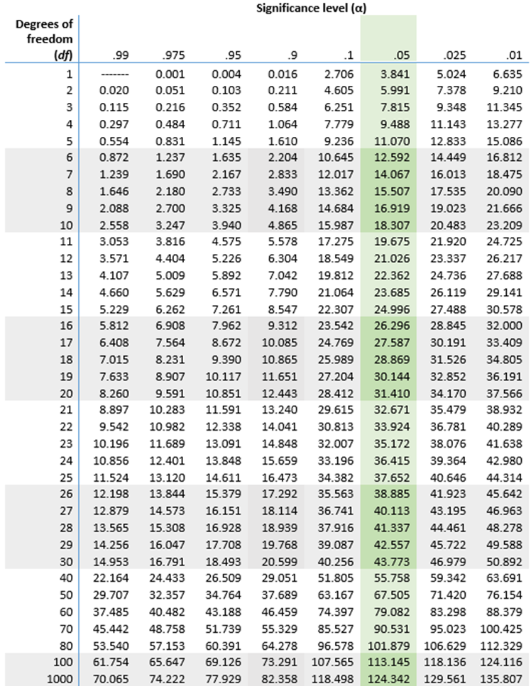
Question 2. Analyze the below data and tell whether you can conclude that smoking causes cancer or not?

Category | Diagnosed as Cancer | Without Cancer | Total
Smokers | 220 | 230 | 450
Non-Smokers | 350 | 640 | 990
Total | 570 | 870 | 1440

Ho: There is no relation between smoking and cancer
Ha: There is a relation between smoking and cancer

Observed Value | Category | Diagnosed as Cancer | Without Cancer | Total
 | Smokers | 220 | 230 | 450
 | Non-Smokers | 350 | 640 | 990
 | Total | 570 | 870 | 1440

Expected Value | Category | Diagnosed as Cancer | Without Cancer | Total
 | Smokers | 178.125 | 271.875 | 450
 | Non-Smokers | 391.875 | 598.125 | 990
 | Total | 570 | 870 | 1440

 | Chi-Square = | Σ(O-E)2/E

Chi-Square Table | Category | Diagnosed as Cancer | Without Cancer | Total
 | Smokers | 9.8442982456 | 6.4497126437 | 16.294010889
 | Non-Smokers | 4.4746810207 | 2.9316875653 | 7.406368586
 | Total | 14.318979266 | 9.381400209 | 23.700379475

 | Chi-square calculated = 23.7003795
 | Degree of Freedom | (r-1)(c-1)
 |  | (2-1)(2-1) | 1

 | Let us assume 95% Level of Confidence
 | Therefore Level of Significance = 1 - Level of Confidence
 |  | 5.00% | 0.05

 | Thus, Chi-square critical = 3.841

 | Reject Null Hypothesis, so there is a relation between smoking and causing cancer

