Wireframe
Total Sales
Europe
Japan
North America
Others

Timeline of total sales for all regions over the years from 1980 - 2020 (see below)

Sales By Region
Donuts chart of Regions
bar chart of genre sales

Rip It
 | Don't forget a headline on top of each dashboard
 | Make some annotations
 | google search - video game sales dashboard


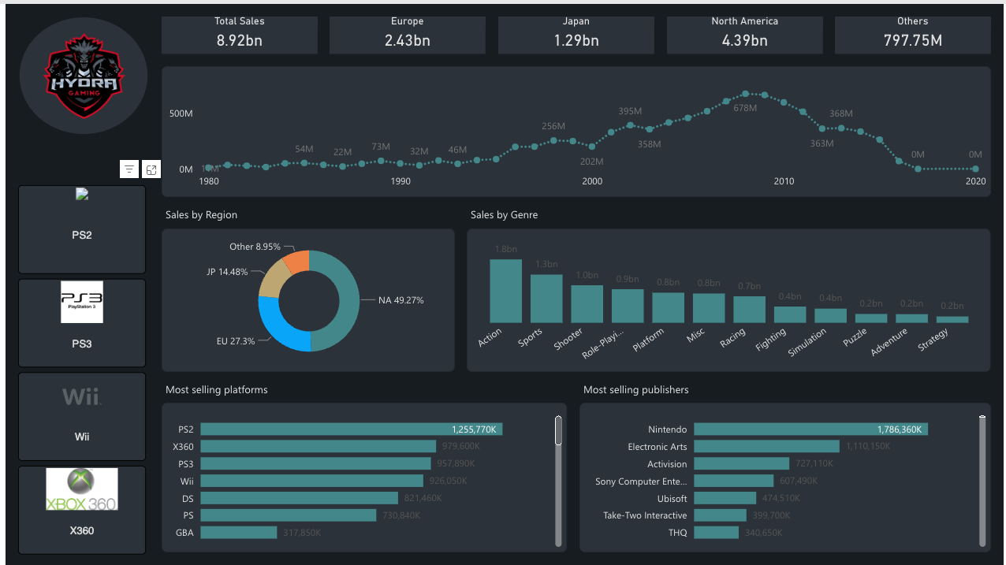
2 |  | 1

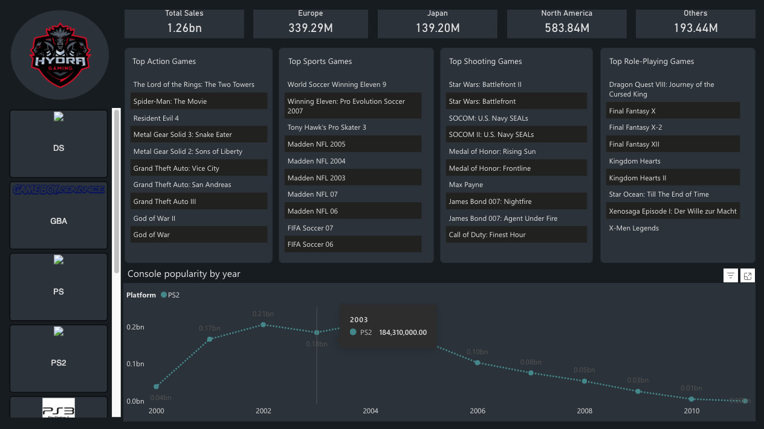

 |  | 4
3

