Sheet1
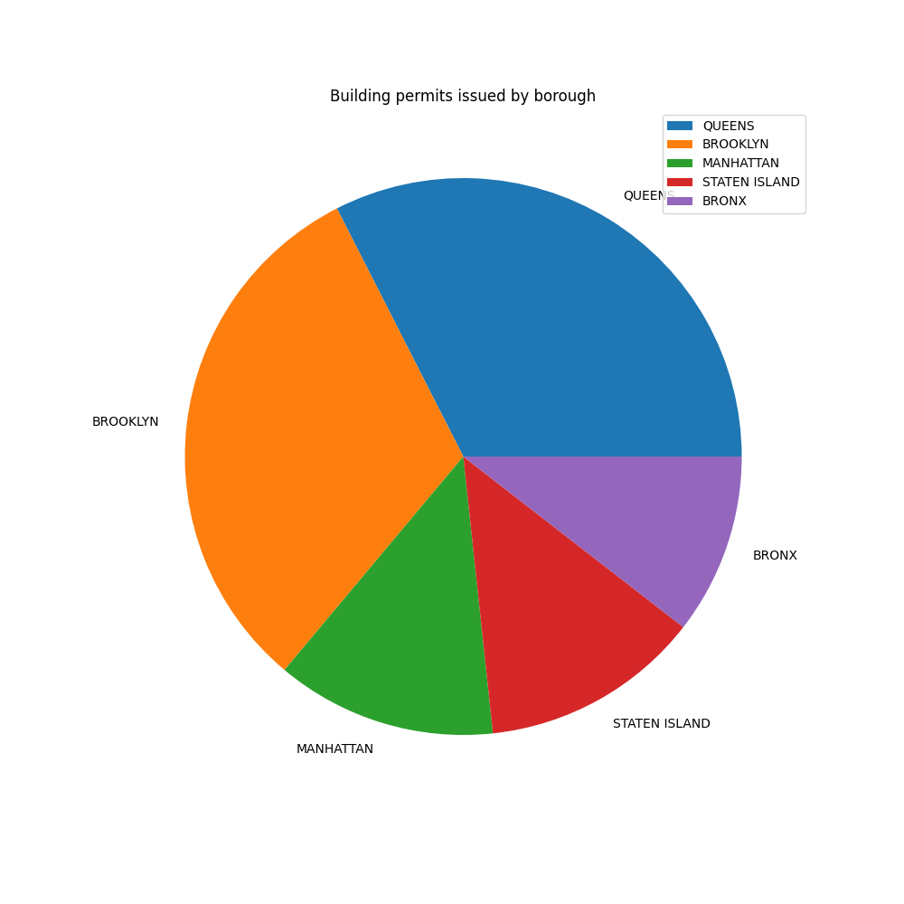
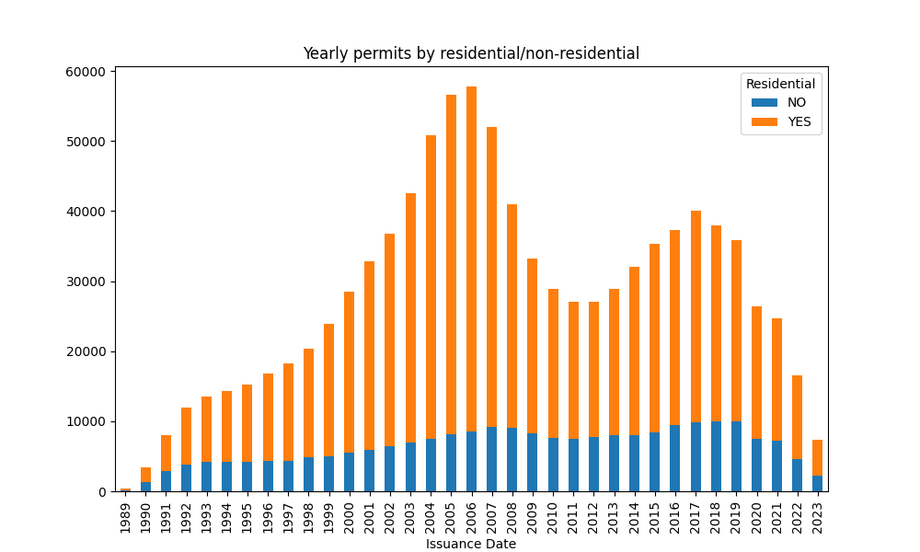
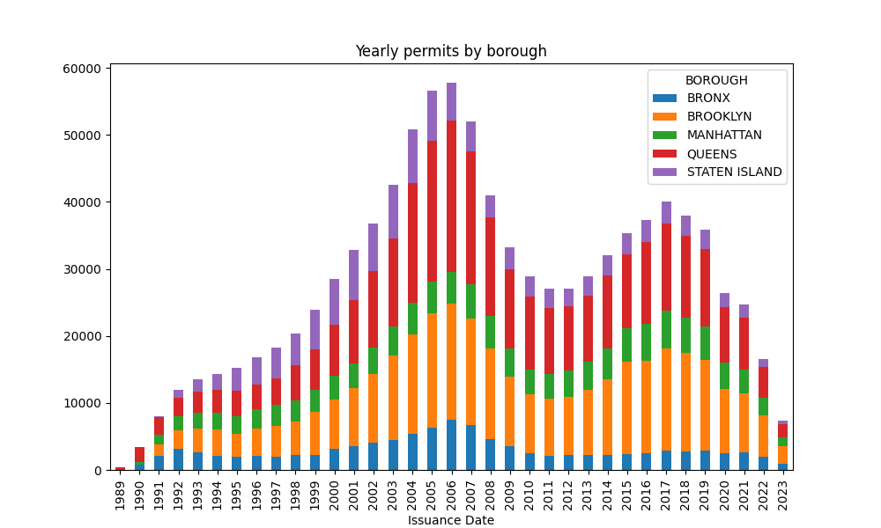
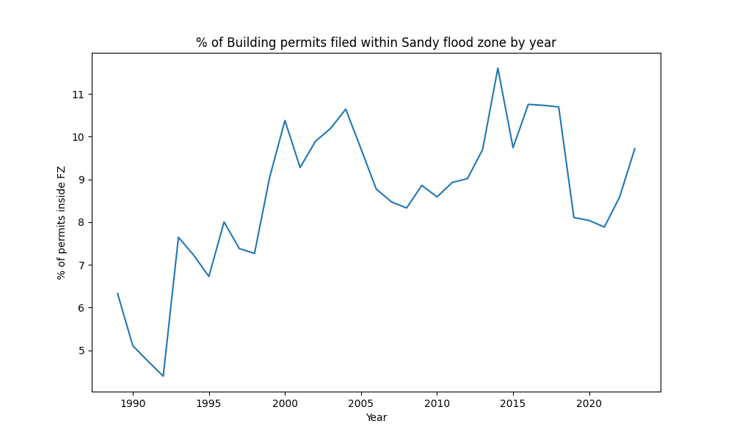
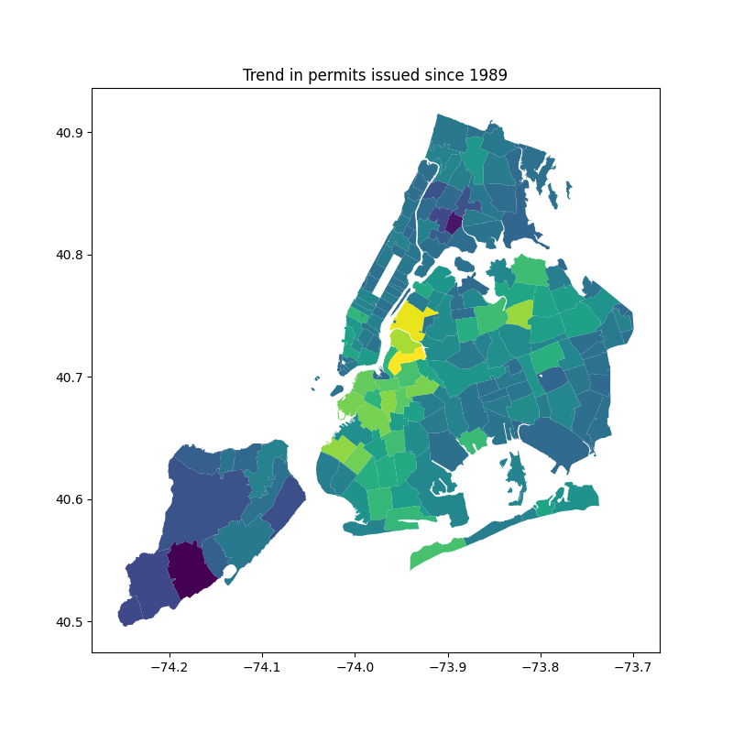
Summary Table
Permits issued (yearly median): | 28,683
2022 permits issued: | 16,493
2022 permits (% of yearly median) | 57.50%
Pct. of permits for residency (yearly median) | 74.30%
2022 pct. of permits for residency | 72.00%

