set_transformer
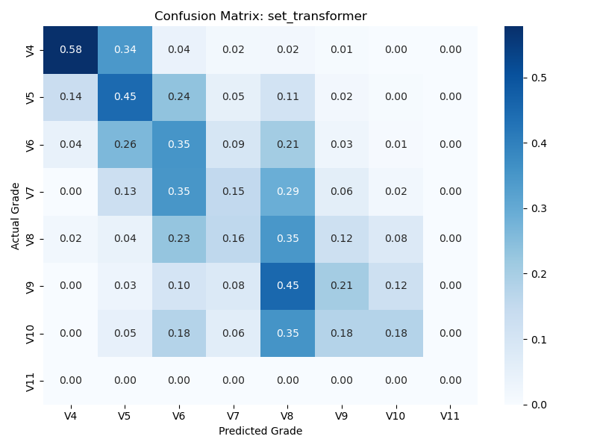

deepset
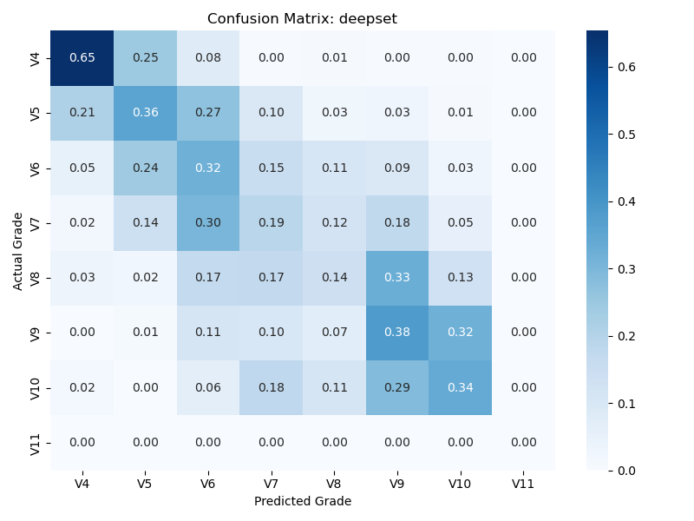

set_transformer_xy
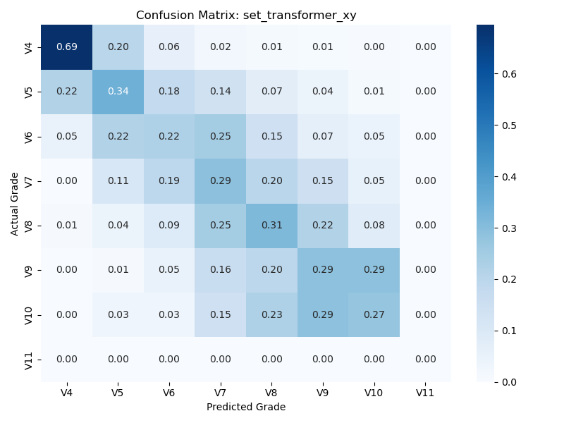

deepset_xy
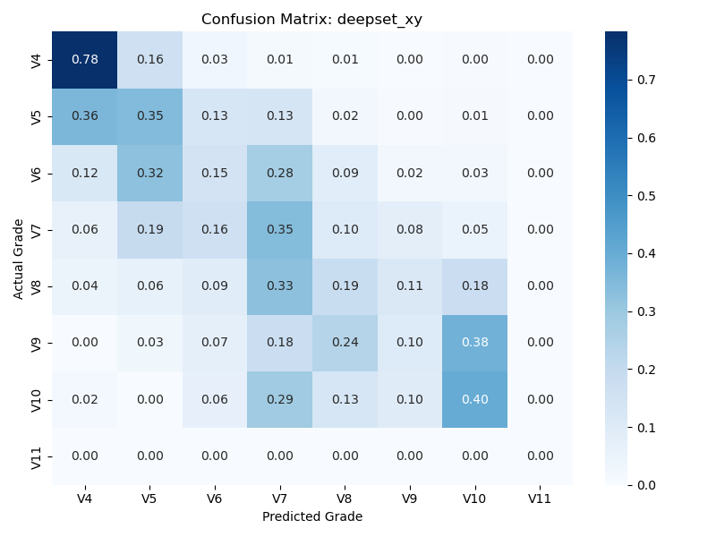

set_transformer_additive
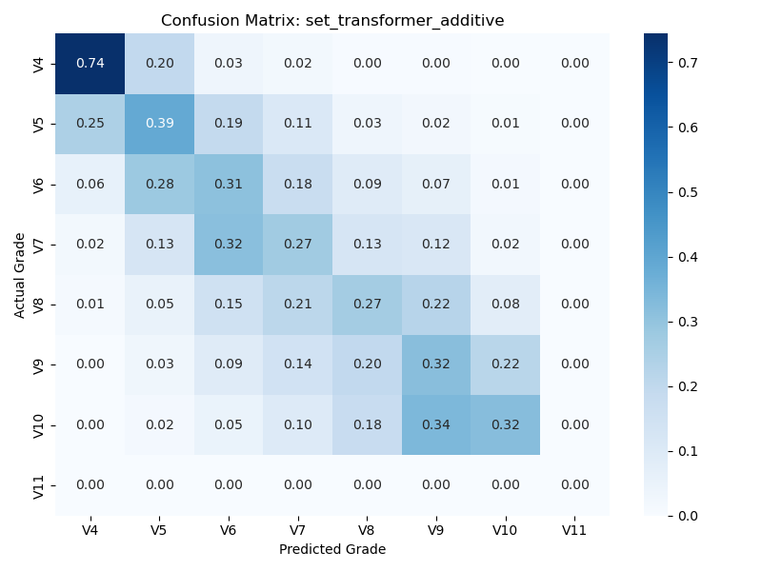

deepset_xy_additive
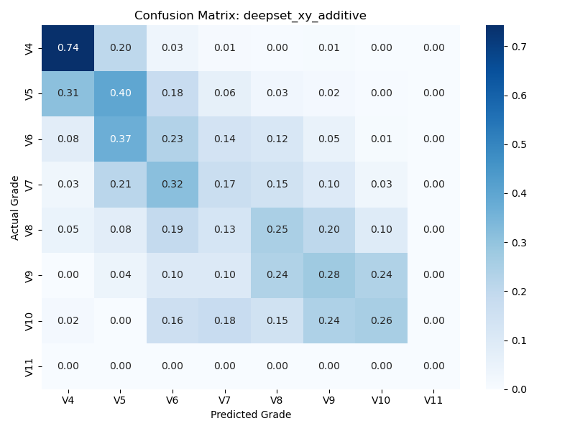

adaboost_deepset
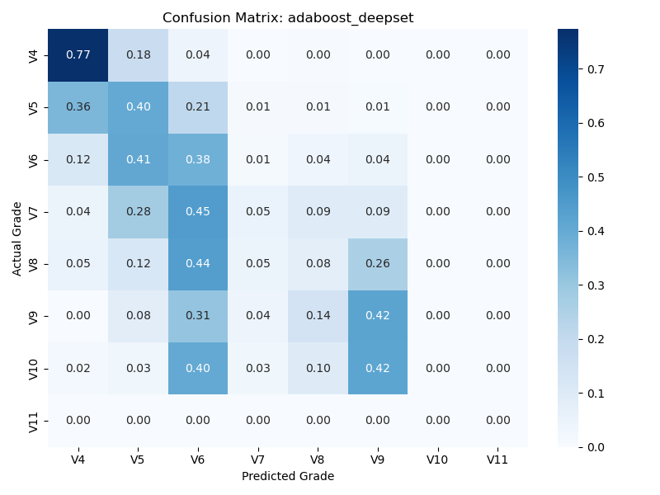

adaboost_deepset_xy_additive
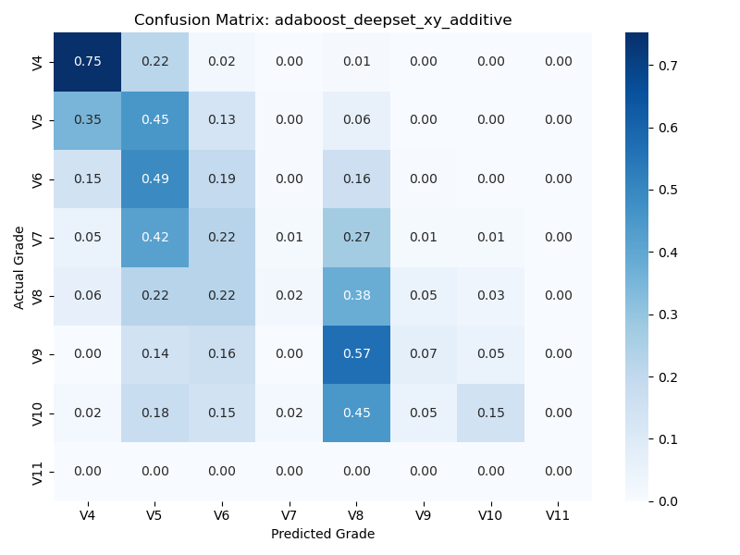

adaboost_deepset_xy
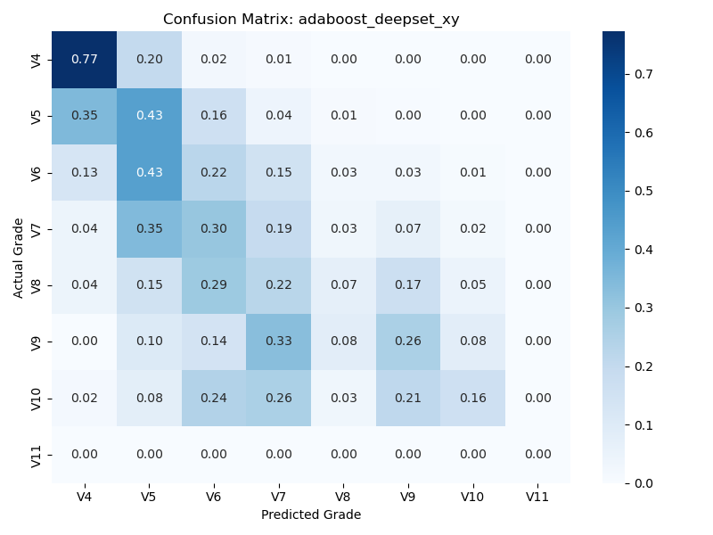

adaboost_set_transformer
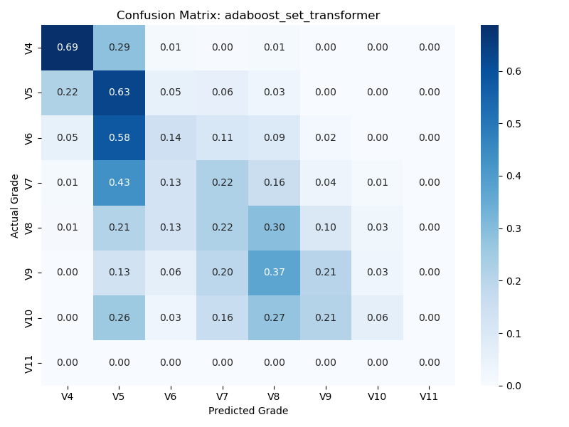

adaboost_set_transformer_additive
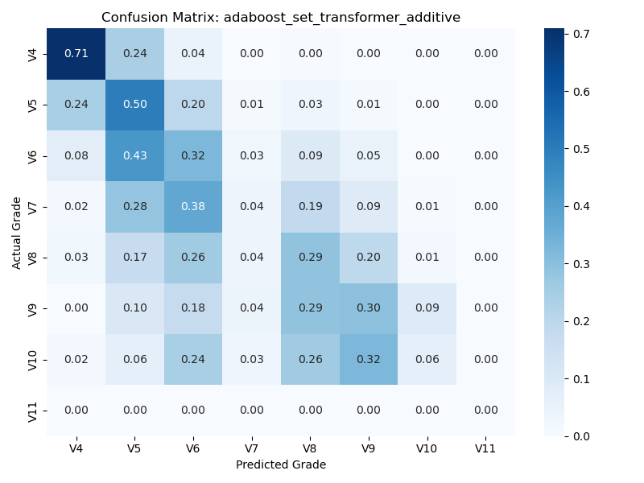

adaboost_set_transformer_xy
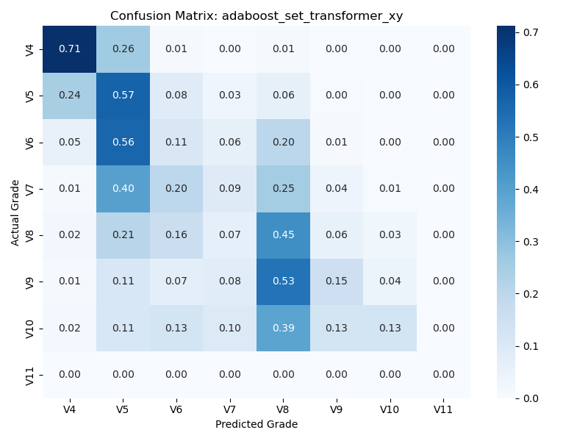

soft_voting_ensemble_all
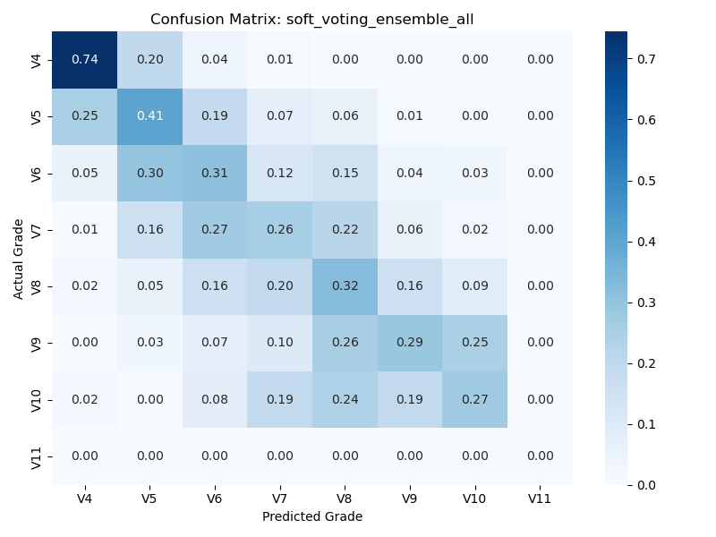

geometric_mean_ensemble_all
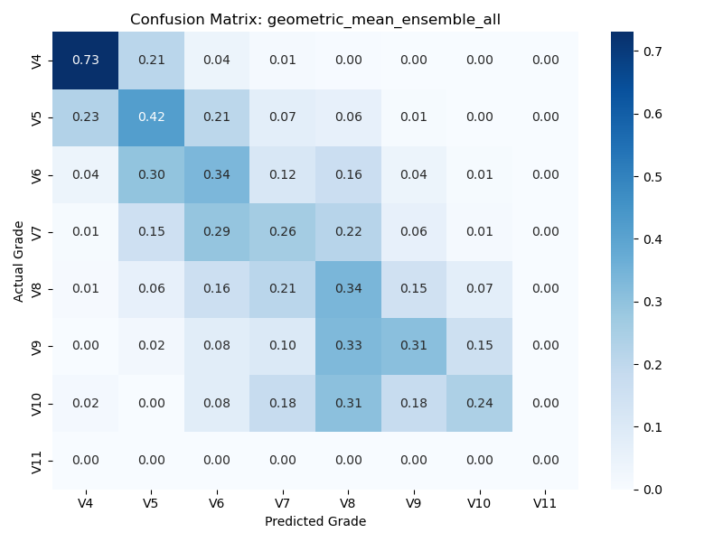

median_ensemble_all
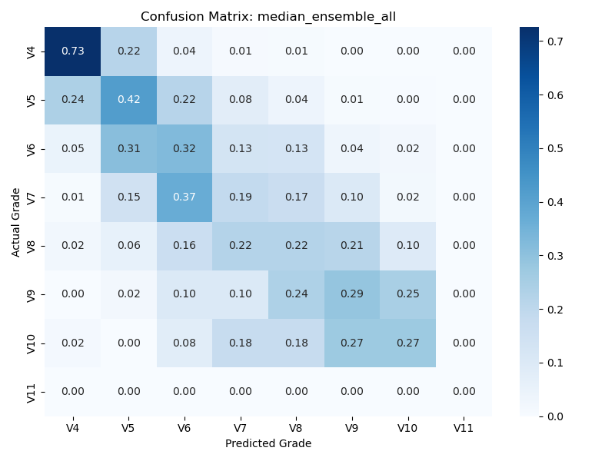

trimmed_mean_ensemble_all
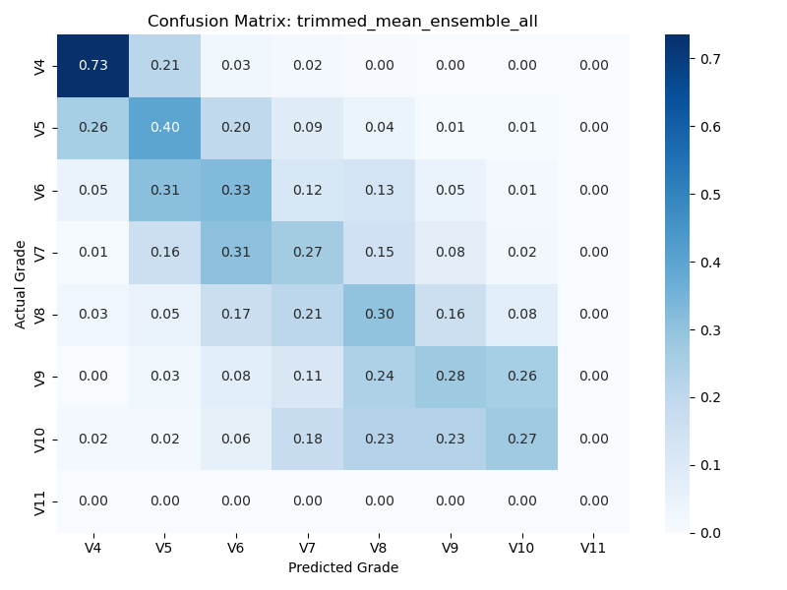

stacking_ensemble_all
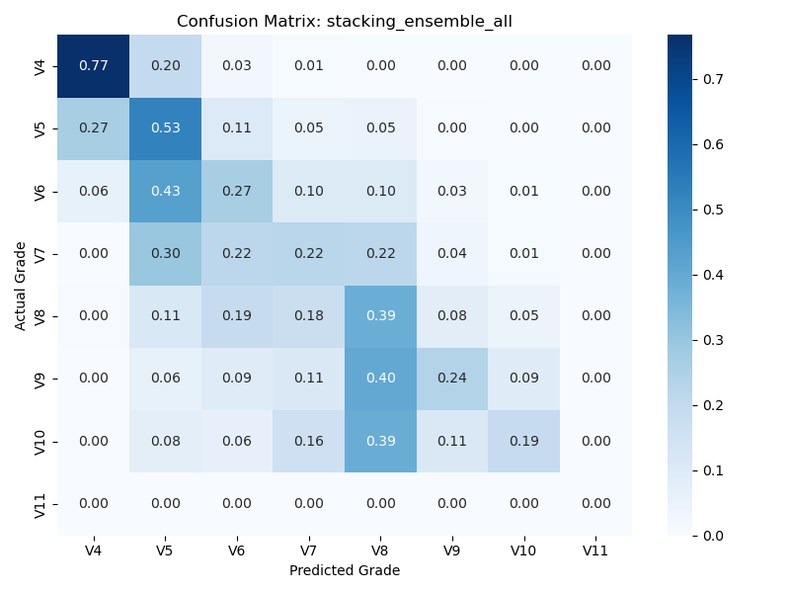

gbm_ensemble_all
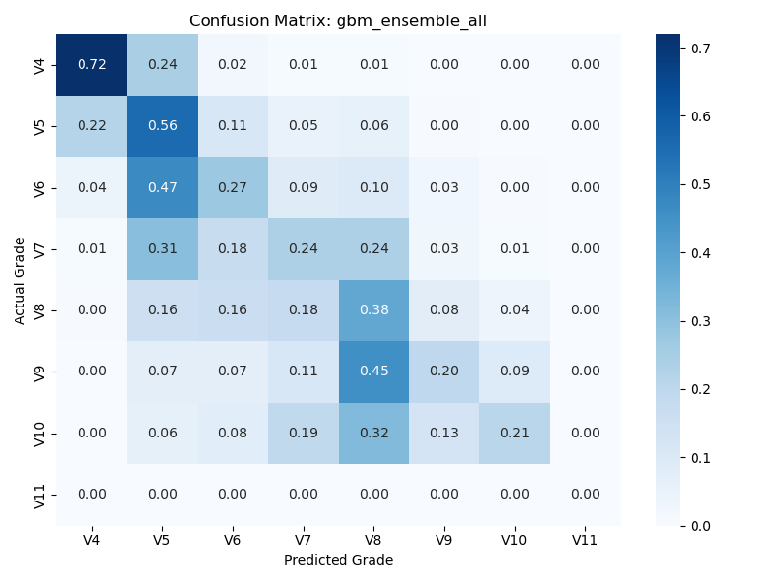

soft_voting_ensemble_set_transformer
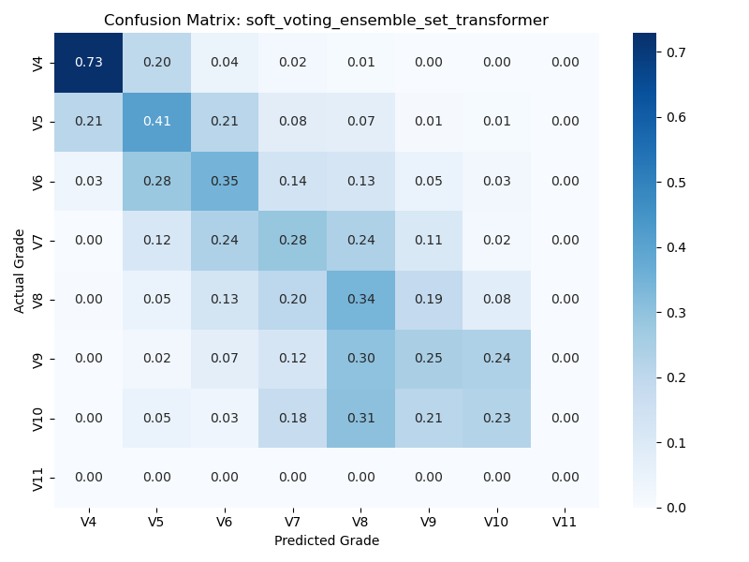

geometric_mean_ensemble_set_transformer
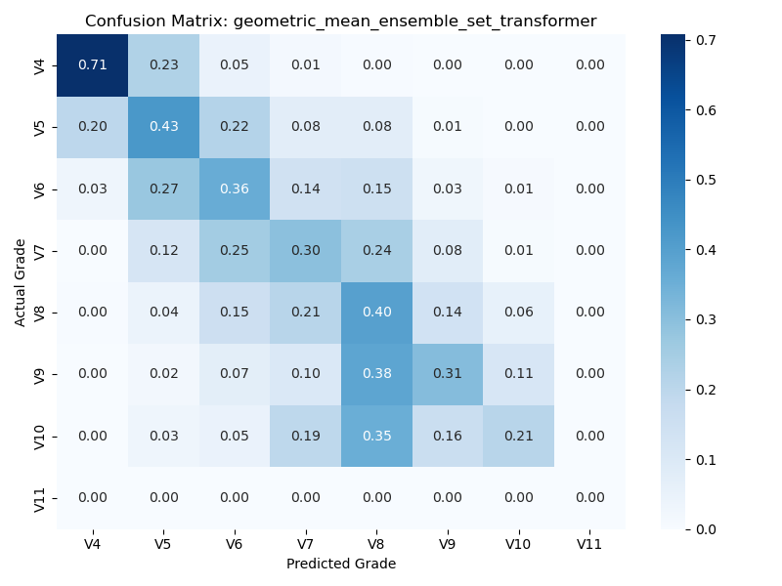

median_ensemble_set_transformer
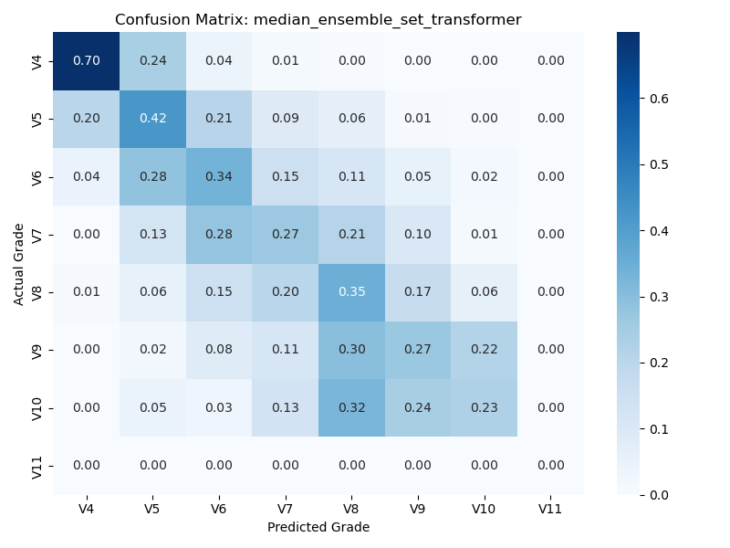

trimmed_mean_ensemble_set_transformer


stacking_ensemble_set_transformer


gbm_ensemble_set_transformer


soft_voting_ensemble_deepset
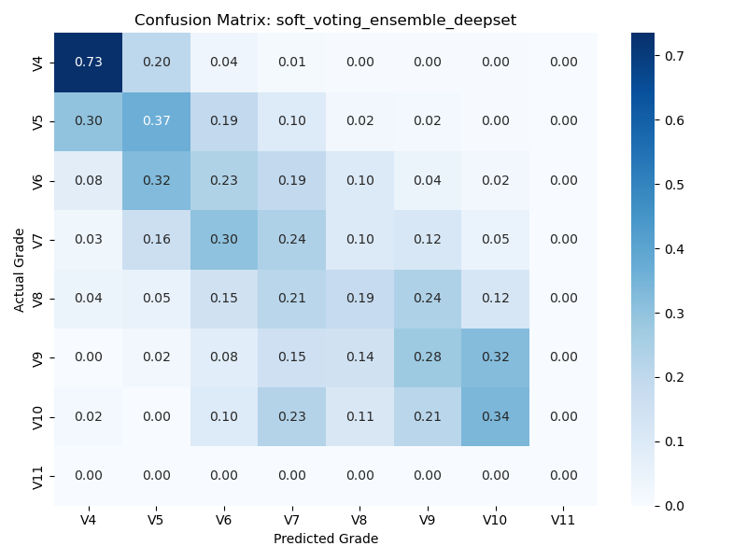

geometric_mean_ensemble_deepset


median_ensemble_deepset


trimmed_mean_ensemble_deepset


stacking_ensemble_deepset
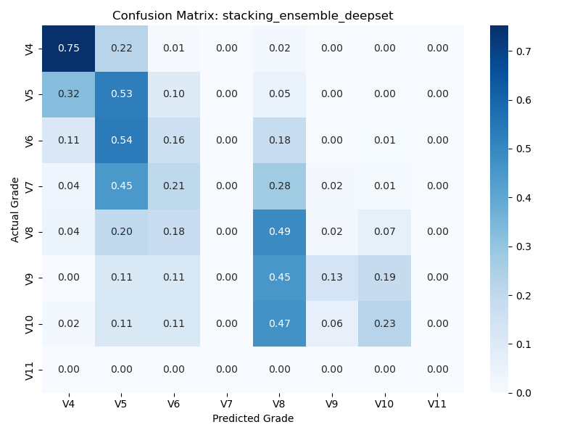

gbm_ensemble_deepset
