Sheet1
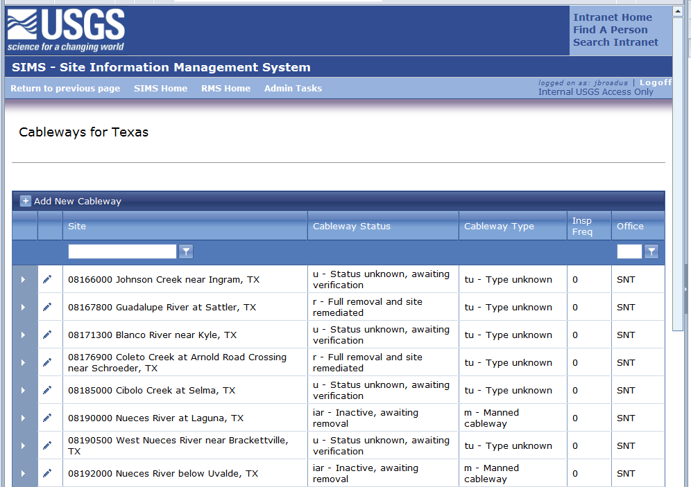
 |  | SIMS - Cableway Simple Update

Select Site to update

Use the pen to update cableway status, type, or frequency

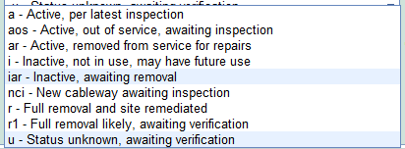
 | Status |  | Type

 |  |  |  | Insert a 1

