Misha
 |  | switch | sprites/misha/misha_arms_base.png | 0 0 | 0.5 |  | 32x32 | switch | sprites/misha/face/misha_arms_grin.png | 3 30 | 0.5 | switch | sprites/misha/misha_arms_base_head.png | 0 0 | 0.5 |  | 256x256 | switch | sprites/misha/misha_arms_base_hips.png | 0 0 | 0.5

 |  | switch | sprites/misha/misha_perky_base.png | -80 0 | 0.5 |  | 32x32 | switch | sprites/misha/face/misha_perky_smile.png | -77 30 0 | 0.5 | fadeOut |  |  | 0.5 |  | 128x128 | switch | sprites/misha/misha_perky_sign_arm.png | -42 -23 | 0.5

 |  | switch | sprites/misha/misha_perky_base.png | -80 0 | 0.5 |  | 32x32 | switch | sprites/misha/face/misha_perky_smile.png | -77 30 0 | 0.5 | fadeOut |  |  | 0.5 |  | 128x128 | switch | sprites/misha/misha_perky_base_arm.png | -42 -59 | 0.5
 | sprites/misha/misha_perky_base.png | fadeIn |  | -80 0 | 0.5 | sprites/misha/face/misha_perky_smile.png | 32x32 | fadeIn |  | -77 30 0 | 0.5 |  |  |  |  | sprites/misha/misha_perky_base_arm.png | 128x128 | fadeIn |  | -42 -59 | 0.5

 |  | switch | sprites/misha/misha_arms_base.png | -80 0 | 0.5 |  | 64x64 | switch | sprites/misha/face/misha_arms_laugh.png | -77 29 0 | 0.5 | switch | sprites/misha/misha_arms_base_head.png | -80 -1 | 0.5 |  | 256x256 | switch | sprites/misha/misha_arms_base_cross.png | -80 0 | 0.5

Shizune
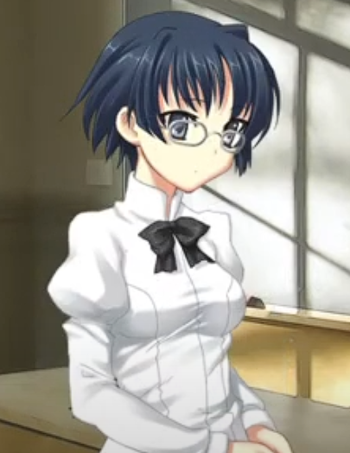
 |  | switch | sprites/shizu/shizu_base_normal.png | 80 0 0 | 0.5 |  | 64x64 | switch | sprites/shizu/face/shizu_base_normal_normal.png | 90 20 0 | 0.5 |  |  | fadeOut |  | 0.5 |  |  | fadeOut |  | 0.5

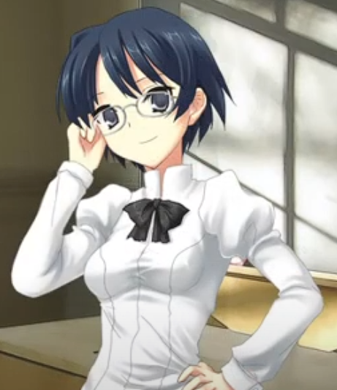 |  | switch | sprites/shizu/shizu_base.png | 80 0 0 | 0.5 |  | 64x64 | switch | sprites/shizu/face/shizu_base_adjust_happy.png | 70 30 | 0.5 | sprites/shizu/shizu_base_adjust_head.png | 256x256 | fadeIn | 80 0 0 | 0.5 | sprites/shizu/shizu_base_adjust_arms.png | 128x128 | fadeIn | 80 -27 0 | 0.5

 |  | switch | sprites/shizu/shizu_base.png | 80 0 0 | 0.5 |  | 64x64 | switch | sprites/shizu/face/shizu_base_behind_frown.png | 70 25 | 0.5 | sprites/shizu/shizu_base_behind_head.png | 256x256 | fadeIn | 80 0 0 | 0.5 | sprites/shizu/shizu_base_behind_arms.png | 128x128 | fadeIn | 80 -27 0 | 0.5
 | sprites/shizu/shizu_base.png | fadeIn |  | 80 0 0 | 0.5 | sprites/shizu/face/shizu_base_behind_smile.png | 64x64 | fadeIn |  | 70 25 | 0.5 | sprites/shizu/shizu_base_behind_head.png | 256x256 | fadeIn | 80 0 0 | 0.5 | sprites/shizu/shizu_base_behind_arms.png | 128x128 | fadeIn | 80 -27 0 | 0.5

Hanako
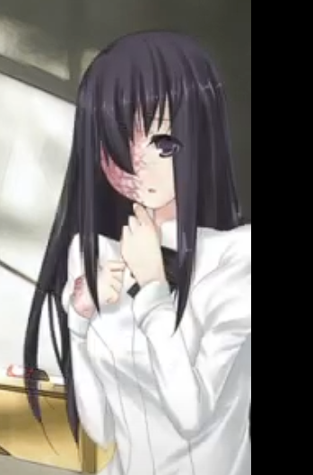 | sprites/hanako/hanako_emb_base.png | fadeIn |  | 170 0 | 0.5 | sprites/hanako/face/hanako_emb_downtimid.png | 32x32 | fadeIn |  | 170 42 | 0.5

 |  | switch | sprites/hanako/hanako_def_base.png | 170 0 | 0.5 |  |  | switch | sprites/hanako/face/hanako_def_shock.png | 170 43 | 0.5 | sprites/misha/hanako_def_base_arm2.png | 128x128 | fadeIn | 170 -45 | 0.5

