Technical Indicators
 |  | Stock Analyzer: TLRY
 |  |  |  |  |  |  | Moving Average Convergence Divergence:
 |  |  |  |  |  |  | Sell Signal: When the Signal Line Crosses Below The MACD Line, Indicating a Downward Momentum Trend
TICKER: | TLRY | START DATE: | 2021-04-25 | END DATE: | 2021-08-31 |  | Buy Signal: When the Signal Line Crosses Above The MACD Line, Indicating an Upward Momentum Trend
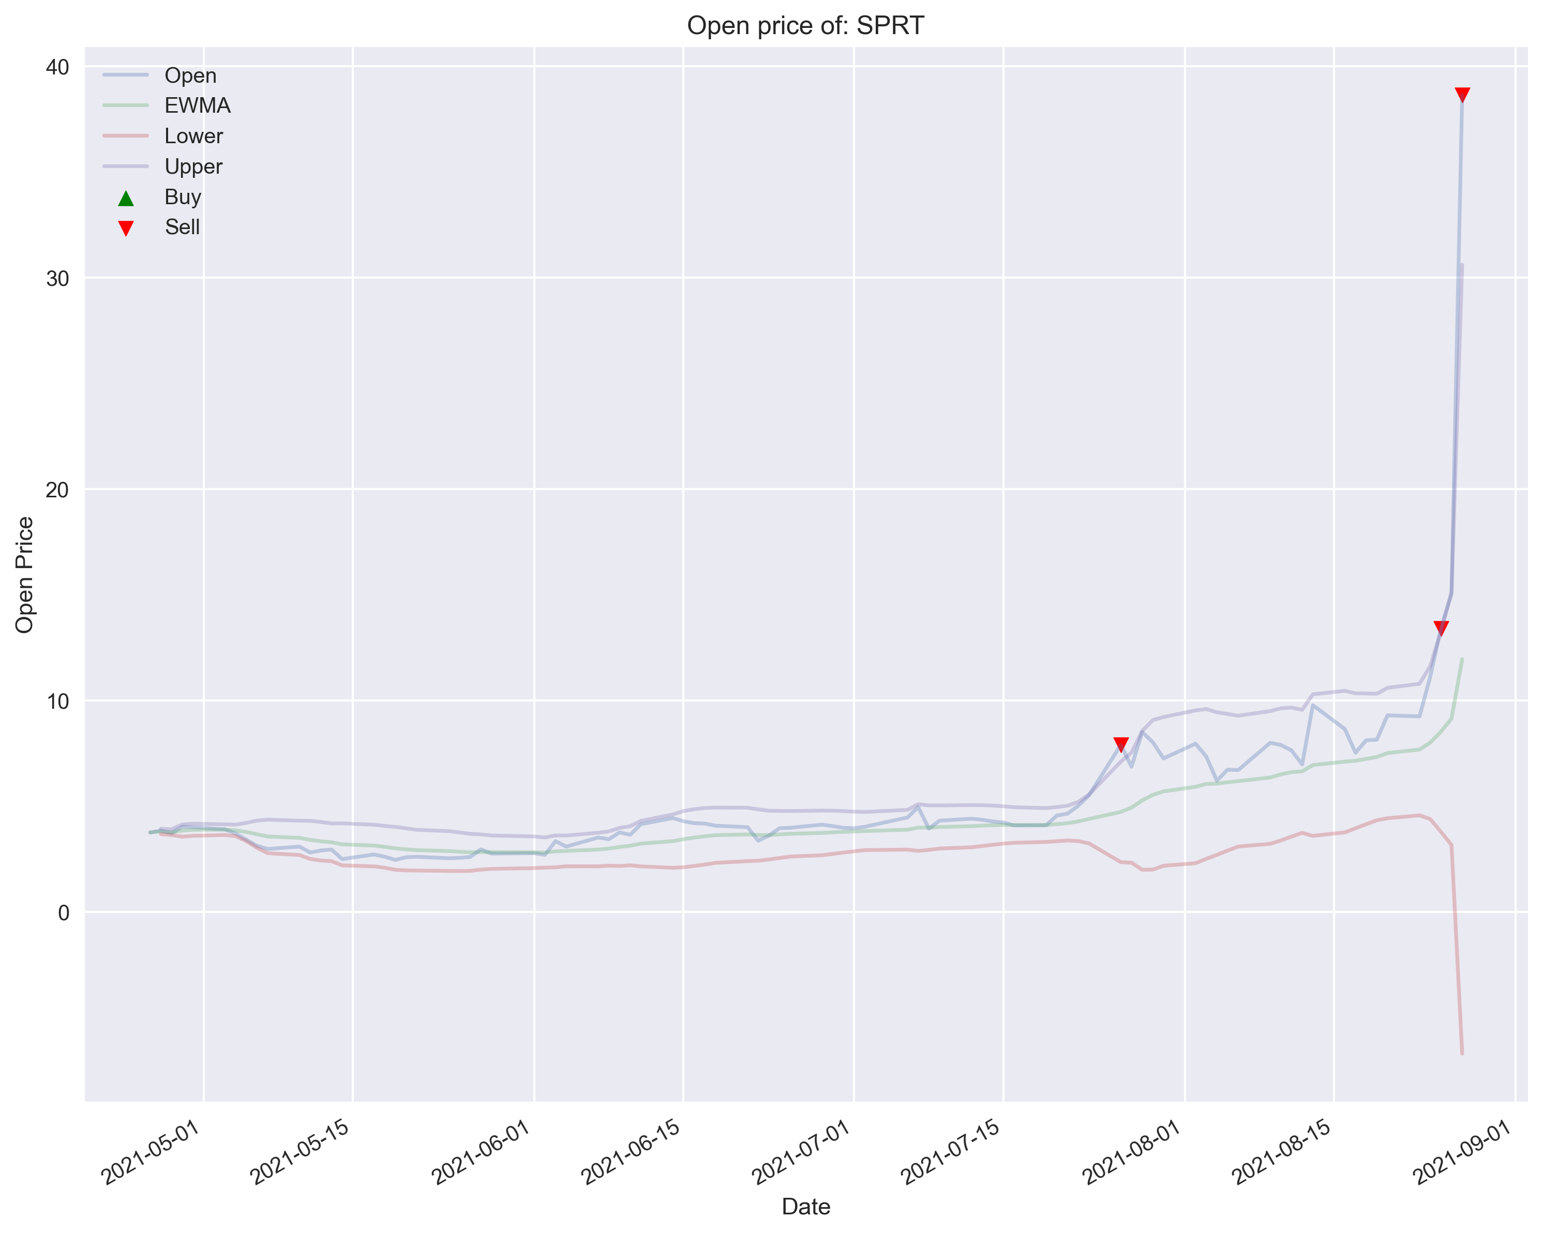
 |  |  |  |  |  |  | NOTE: Many False Signals

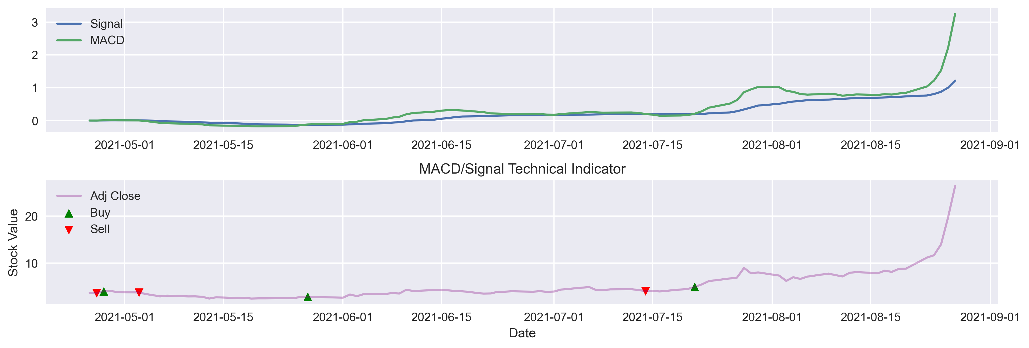

Bollinger Bands:
Sell Signal: When Price is Above 2 Standard Deviations from the 20 Day EWMA of the Open Price
Buy Signal: When Price is Below 2 Standard Deviations from the 20 Day EWMA of the Open Price

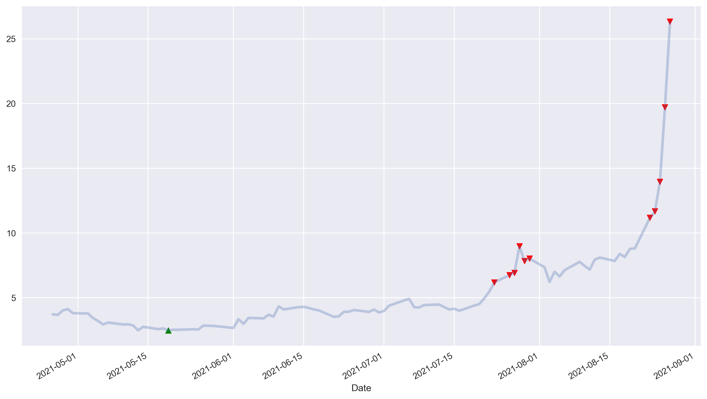
 |  |  |  |  |  | Relative Strength Index:
 |  |  |  |  |  | Sell Signal: When RSI Index is Above 70, Indicating The Stock is Overbought
 |  |  |  |  |  | Buy Signal: When RSI Index is Below 30, Indicating The Stock is Oversold

Asset Dashboard
 |  |  |  |  |  |  |  |  | 2021-08-30 |  | 0 | 1 | 2
 |  |  |  |  |  |  |  |  |  | 0 | Fiscal Year Ends |  | 30-May-21
 | Stock Analyzer: TLRY |  |  |  |  |  |  |  |  | 1 | Most Recent Quarter | (mrq) | 30-May-21

Ticker: | TLRY |  | Start Date: | 2020-04-01 |  | End Date: | 2021-08-31
Chart |  |  | 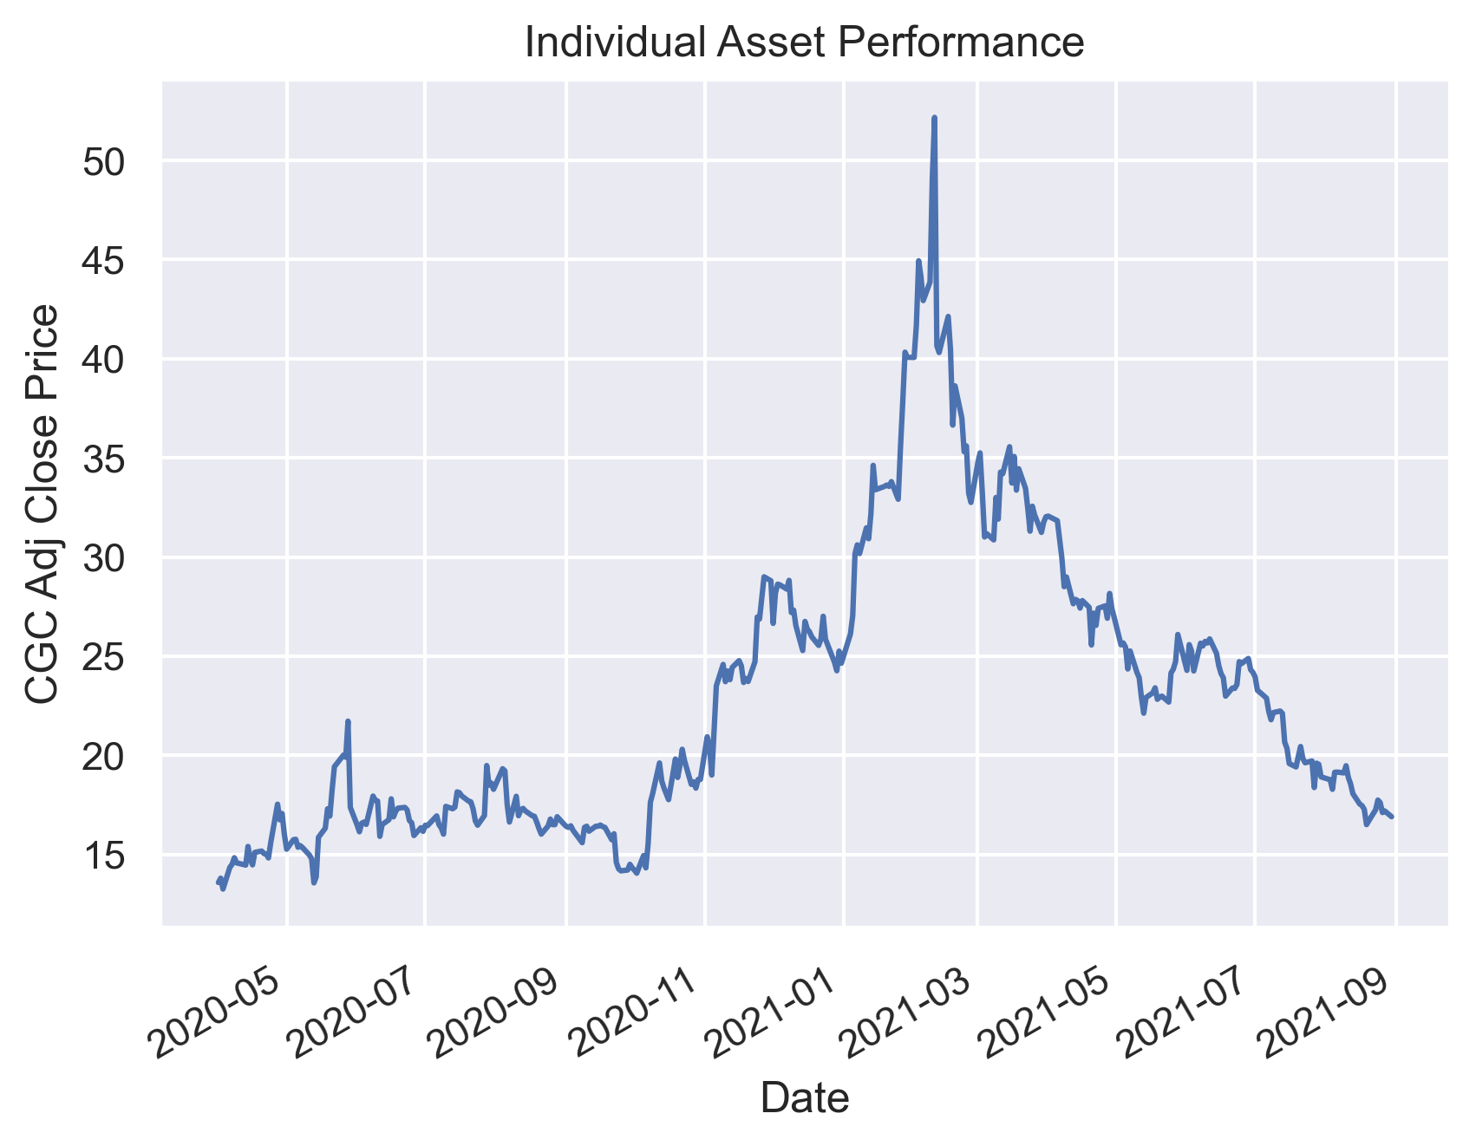 |  |  |  |  |  |  | Top 10 Stocks Mentioned on r/wallstreetbets, Within the Last 3 Days (Out of 2,000 Observations Accepted).
 |  |  |  |  |  |  |  |  |  |  |  |  | Ticker
 |  |  |  |  | First Price |  | 14.05 |  |  |  |  |  | BBIG | 33
 |  |  |  |  | High Price |  | 52.17 |  |  |  |  |  | ATER | 15
Returns |  |  |  |  | Low Price |  | 13.25 |  |  |  |  |  | ROOT | 14
 |  |  |  |  | Last Price |  | 16.90 |  |  |  |  |  | SPRT | 12
 |  |  |  |  | Total Price Change (%) |  |  | 20.28% |  |  |  |  | ASTS | 10
 |  |  |  |  |  |  |  |  |  |  |  |  | AMC | 9
 |  |  |  |  |  |  |  |  |  |  |  |  | BABA | 9
Market |  | 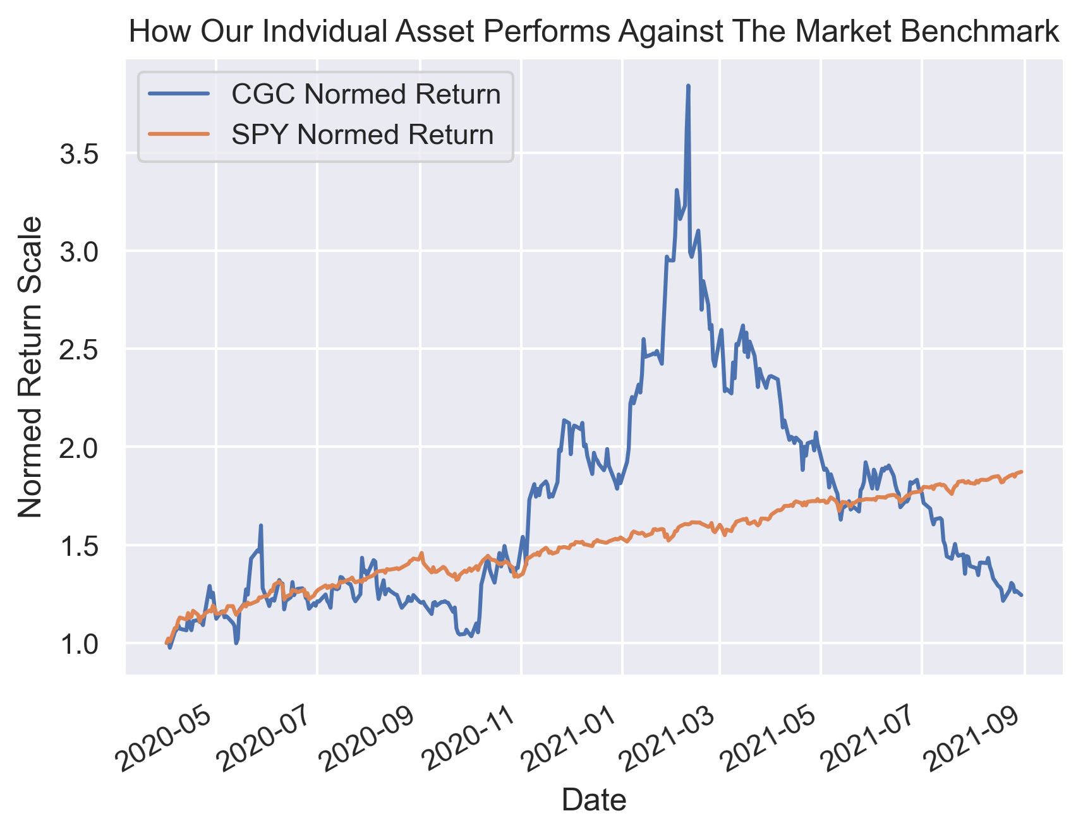 |  |  |  |  |  | Index: | SPY |  |  |  | WISH | 8
 |  |  |  |  |  |  |  |  |  |  |  |  | SAVA | 7
 |  |  |  |  |  |  |  |  |  |  |  |  | NAKD | 6

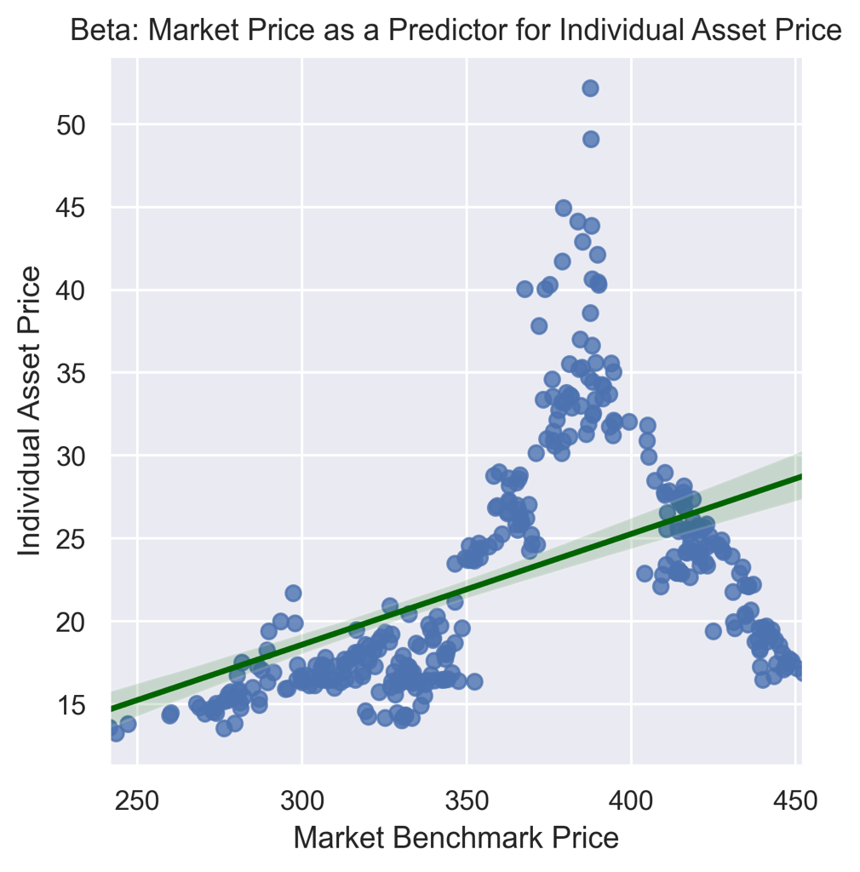
Beta

 |  |  |  |  |  |  | Obervations | 357
 |  |  |  |  |  |  | Corr Coef | 0.47095754435
 |  |  |  |  |  |  | Beta | 0.066806047295
 |  |  |  |  |  |  | R-Squared | 0.22180100858
 |  |  |  |  |  |  | t-statistic | 10.058902603
 |  |  |  |  |  |  | p-value | 4.1491810496E-21
 |  |  |  |  |  |  | Conf 0.025 | 0.053744446023
 |  |  |  |  |  |  | Conf 0.975 | 0.079867648566
 |  |  |  |  |  |  | Intercept | -1.4503899719

