Figure 1
This file presents the data from the figures in CBO’s January 2026 report The Distribution of Household Income, 2022.
www.cbo.gov/publication/61911

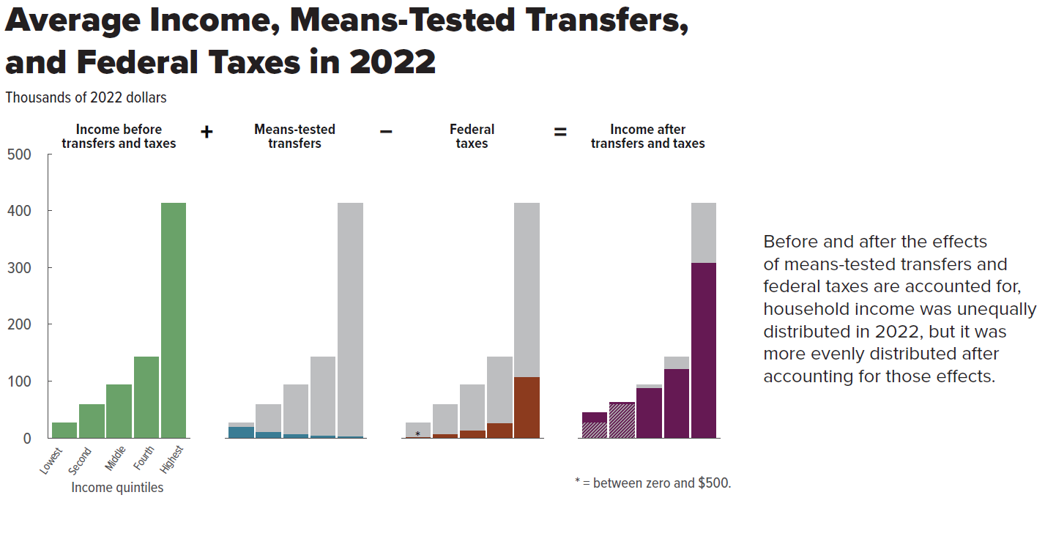
Figure 1. Average Income, Means-Tested Transfers, and Federal Taxes in 2022
Thousands of 2022 dollars

 | Income before transfers and taxes | Means-tested transfers | Federal taxes | Income after transfers and taxes
Lowest quintile | 26.2 | 19.0 | 0.4 | 44.8
Second quintile | 59.1 | 9.6 | 5.6 | 63.1
Third quintile | 94.0 | 5.6 | 12.6 | 87.0
Fourth quintile | 143.1 | 3.0 | 25.1 | 121.1
Highest quintile | 412.6 | 1.7 | 106.7 | 307.6

Back to Table of Contents

Figure 2
This file presents the data from the figures in CBO’s January 2026 report The Distribution of Household Income, 2022.
www.cbo.gov/publication/61911

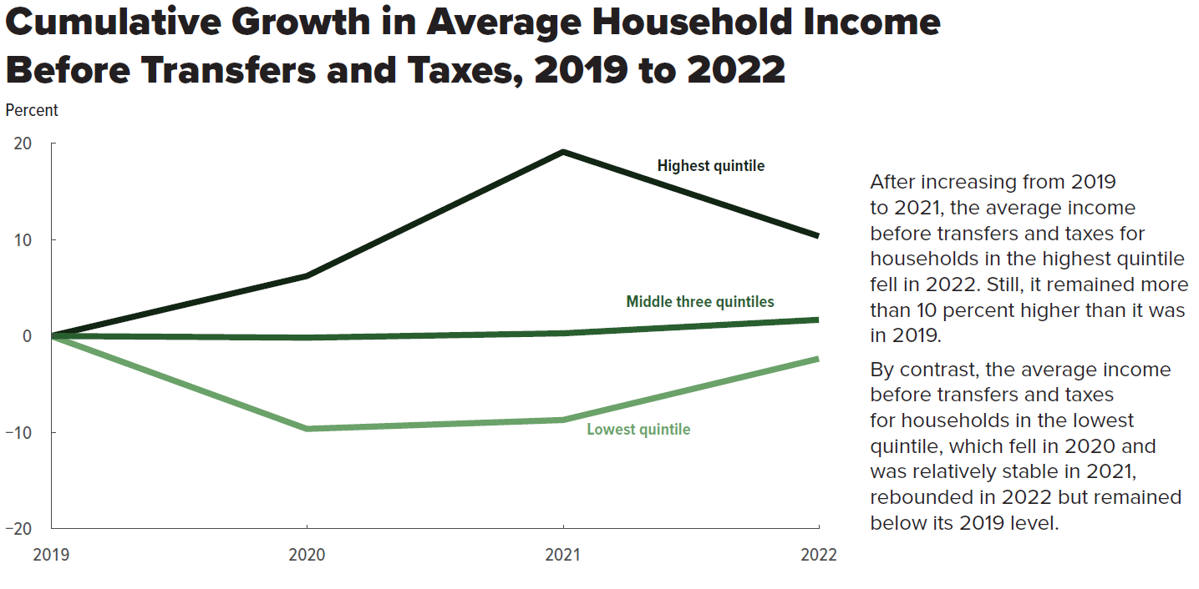
Figure 2. Cumulative Growth in Average Household Income Before Transfers and Taxes, 2019 to 2022
Percent

 | 2020 | 2021 | 2022
Lowest quintile | -9.6 | -8.7 | -2.3
Middle three quintiles | -0.2 | 0.3 | 1.7
Highest quintile | 6.2 | 19.1 | 10.3

Back to Table of Contents

Figure 3
This file presents the data from the figures in CBO’s January 2026 report The Distribution of Household Income, 2022.
www.cbo.gov/publication/61911

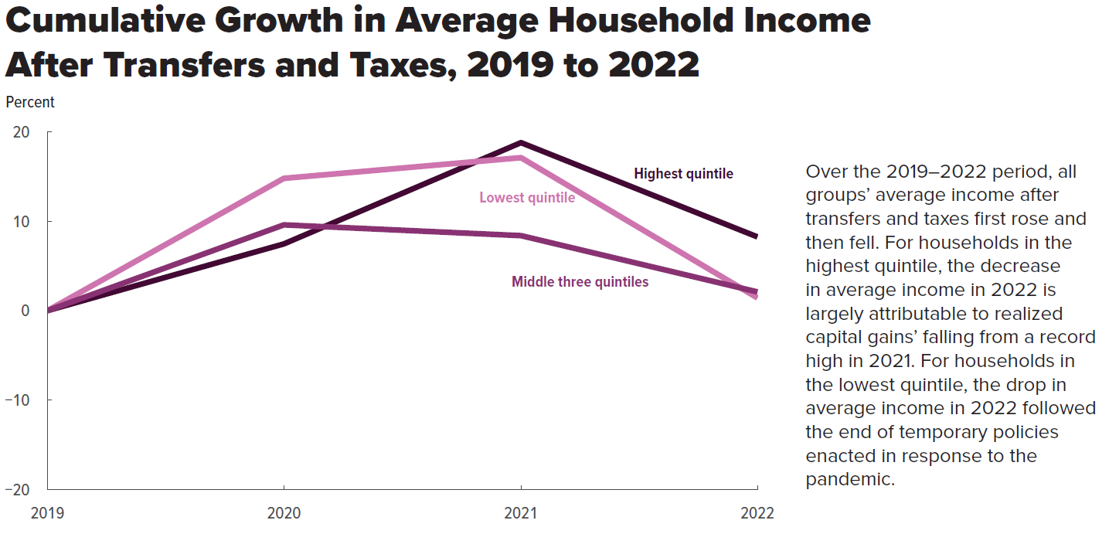
Figure 3. Cumulative Growth in Average Household Income After Transfers and Taxes, 2019 to 2022
Percent

 | 2019 | 2020 | 2021 | 2022
Lowest quintile | 0 | 14.9 | 17.2 | 1.6
Middle three quintiles | 0 | 9.6 | 8.4 | 2.2
Highest quintile | 0 | 7.5 | 18.8 | 8.2

Back to Table of Contents

Figure 4
This file presents the data from the figures in CBO’s January 2026 report The Distribution of Household Income, 2022.
www.cbo.gov/publication/61911

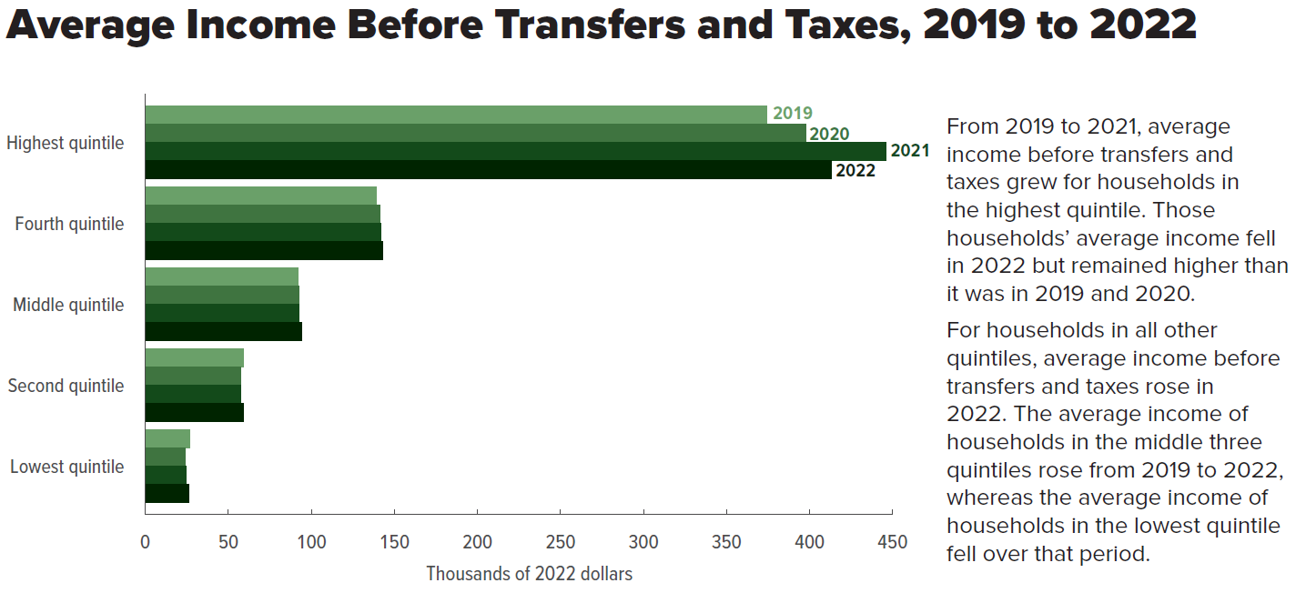
Figure 4. Average Income Before Transfers and Taxes, 2019 to 2022
Thousands of 2022 dollars

 | 2019 | 2020 | 2021 | 2022
Lowest quintile | 26.8 | 24.3 | 24.5 | 26.2
Second quintile | 59.2 | 57.4 | 57.7 | 59.1
Middle quintile | 92.2 | 92.5 | 92.6 | 94.0
Fourth quintile | 138.8 | 141.1 | 141.6 | 143.1
Highest quintile | 374.2 | 397.5 | 445.5 | 412.6

Back to Table of Contents

Figure 5
This file presents the data from the figures in CBO’s January 2026 report The Distribution of Household Income, 2022.
www.cbo.gov/publication/61911

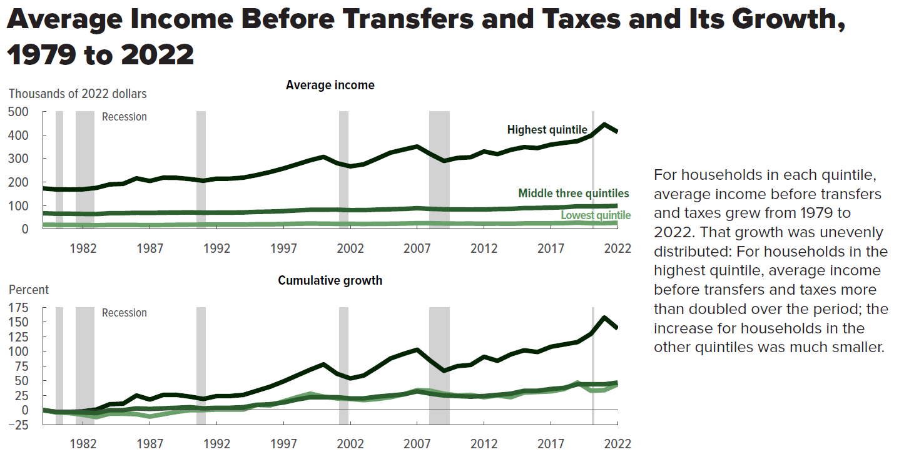
Figure 5. Average Income Before Transfers and Taxes and Its Growth, 1979 to 2022

 | Average income (thousands of 2022 dollars) |  |  | Cumulative growth (percent)
 | Lowest quintile | Middle three quintiles | Highest quintile | Lowest quintile | Middle three quintiles | Highest quintile
1979 | 18.2 | 67.0 | 173.0 | 0 | 0 | 0
1980 | 17.5 | 64.9 | 168.4 | -4 | -3 | -3
1981 | 17.3 | 64.9 | 167.8 | -5 | -3 | -3
1982 | 16.7 | 64.1 | 169.0 | -8 | -4 | -2
1983 | 16.0 | 63.4 | 175.1 | -12 | -5 | 1
1984 | 17.2 | 67.0 | 189.9 | -6 | 0 | 10
1985 | 17.1 | 67.2 | 192.2 | -6 | 0 | 11
1986 | 17.0 | 68.8 | 215.8 | -7 | 3 | 25
1987 | 16.3 | 68.3 | 204.3 | -11 | 2 | 18
1988 | 16.9 | 69.2 | 218.6 | -7 | 3 | 26
1989 | 17.6 | 69.9 | 217.9 | -3 | 4 | 26
1990 | 18.2 | 70.5 | 212.6 | 0 | 5 | 23
1991 | 18.3 | 69.3 | 205.4 | 0 | 3 | 19
1992 | 18.4 | 69.5 | 214.2 | 1 | 4 | 24
1993 | 18.4 | 69.8 | 214.4 | 1 | 4 | 24
1994 | 18.4 | 70.5 | 218.8 | 1 | 5 | 26
1995 | 19.8 | 72.9 | 229.7 | 9 | 9 | 33
1996 | 19.7 | 73.9 | 242.6 | 8 | 10 | 40
1997 | 20.9 | 75.9 | 257.8 | 15 | 13 | 49
1998 | 22.3 | 79.0 | 275.2 | 22 | 18 | 59
1999 | 23.3 | 81.7 | 292.8 | 28 | 22 | 69
2000 | 22.5 | 81.9 | 307.3 | 23 | 22 | 78
2001 | 22.0 | 82.1 | 280.2 | 20 | 22 | 62
2002 | 21.7 | 80.1 | 266.7 | 19 | 20 | 54
2003 | 21.4 | 80.2 | 275.4 | 17 | 20 | 59
2004 | 21.7 | 82.3 | 299.8 | 19 | 23 | 73
2005 | 22.3 | 83.9 | 325.1 | 22 | 25 | 88
2006 | 23.2 | 85.4 | 338.5 | 27 | 27 | 96
2007 | 24.5 | 88.4 | 351.4 | 34 | 32 | 103
2008 | 24.3 | 85.6 | 318.7 | 33 | 28 | 84
2009 | 23.4 | 83.8 | 289.6 | 28 | 25 | 67
2010 | 22.8 | 82.9 | 302.5 | 25 | 24 | 75
2011 | 23.0 | 82.7 | 305.7 | 26 | 23 | 77
2012 | 22.3 | 83.0 | 330.3 | 22 | 24 | 91
2013 | 22.9 | 84.7 | 318.7 | 25 | 26 | 84
2014 | 22.3 | 85.7 | 337.1 | 22 | 28 | 95
2015 | 23.6 | 88.9 | 348.8 | 30 | 33 | 102
2016 | 23.8 | 89.5 | 344.6 | 31 | 33 | 99
2017 | 24.1 | 91.0 | 359.3 | 32 | 36 | 108
2018 | 24.8 | 92.6 | 367.1 | 36 | 38 | 112
2019 | 26.8 | 96.6 | 374.2 | 47 | 44 | 116
2020 | 24.3 | 96.4 | 397.5 | 33 | 44 | 130
2021 | 24.5 | 96.8 | 445.5 | 34 | 44 | 158
2022 | 26.2 | 98.3 | 412.6 | 44 | 47 | 138

Back to Table of Contents

Figure 6
This file presents the data from the figures in CBO’s January 2026 report The Distribution of Household Income, 2022.
www.cbo.gov/publication/61911

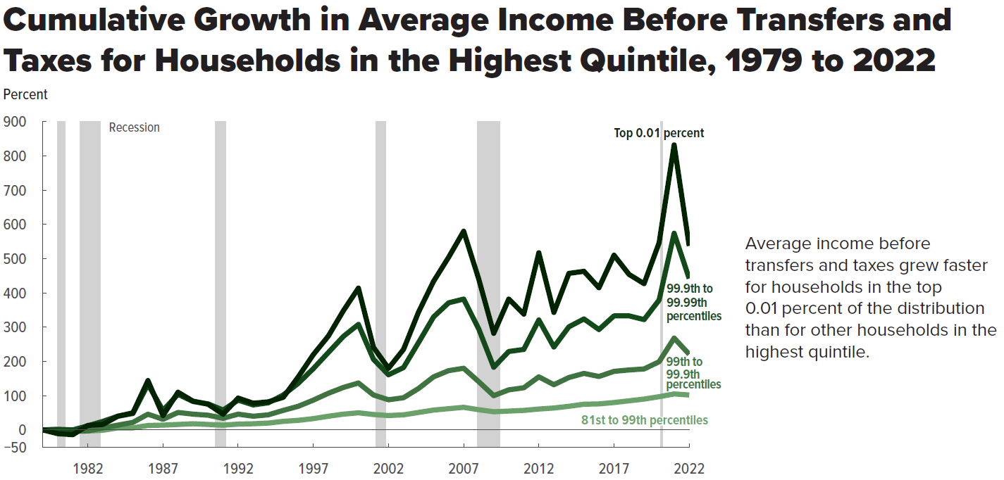
Exhibit 6. Cumulative Growth in Average Income Before Transfers and Taxes for Households in the Highest Quintile, 1979 to 2022
Percent

 | 81st to 99th percentiles | 99th to 99.9th percentiles | 99.9th to 99.99th percentiles | Top 0.01 percent
1979 | 0 | 0 | 0 | 0
1980 | -2 | -2 | 2 | -11
1981 | -3 | -4 | 0 | -14
1982 | -3 | -3 | 12 | 13
1983 | -1 | 6 | 25 | 16
1984 | 6 | 14 | 40 | 40
1985 | 6 | 22 | 48 | 50
1986 | 13 | 46 | 133 | 144
1987 | 14 | 31 | 57 | 42
1988 | 16 | 51 | 104 | 110
1989 | 18 | 46 | 83 | 84
1990 | 16 | 43 | 76 | 75
1991 | 14 | 34 | 58 | 46
1992 | 17 | 46 | 87 | 93
1993 | 18 | 40 | 73 | 78
1994 | 20 | 44 | 79 | 82
1995 | 25 | 57 | 102 | 95
1996 | 28 | 69 | 136 | 155
1997 | 33 | 87 | 179 | 220
1998 | 40 | 107 | 226 | 274
1999 | 46 | 124 | 273 | 348
2000 | 50 | 137 | 308 | 414
2001 | 45 | 102 | 206 | 241
2002 | 42 | 88 | 161 | 180
2003 | 44 | 94 | 182 | 235
2004 | 51 | 121 | 255 | 344
2005 | 58 | 155 | 330 | 434
2006 | 62 | 173 | 371 | 504
2007 | 66 | 180 | 382 | 580
2008 | 59 | 141 | 295 | 441
2009 | 53 | 100 | 183 | 282
2010 | 55 | 117 | 229 | 382
2011 | 57 | 123 | 235 | 338
2012 | 61 | 155 | 321 | 517
2013 | 64 | 132 | 242 | 343
2014 | 69 | 153 | 301 | 457
2015 | 75 | 165 | 324 | 463
2016 | 76 | 156 | 293 | 415
2017 | 80 | 171 | 333 | 510
2018 | 85 | 175 | 333 | 454
2019 | 90 | 178 | 322 | 427
2020 | 97 | 199 | 379 | 546
2021 | 105 | 268 | 574 | 832
2022 | 102 | 221 | 442 | 537

Back to Table of Contents

Figure 7
This file presents the data from the figures in CBO’s January 2026 report The Distribution of Household Income, 2022.
www.cbo.gov/publication/61911

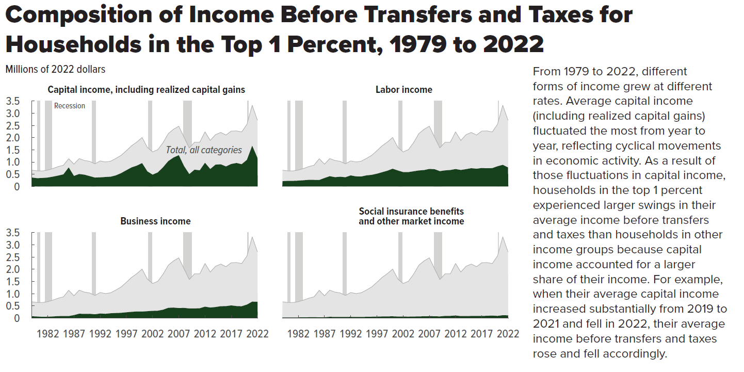
Figure 7. Composition of Income Before Transfers and Taxes for Households in the Top 1 Percent, 1979 to 2022
Millions of 2022 dollars

Year | Capital income, including capital gains | Labor income | Business income | Social insurance benefits and other market income | Total
1979 | 0.36 | 0.21 | 0.07 | 0.02 | 0.67
1980 | 0.34 | 0.23 | 0.06 | 0.02 | 0.64
1981 | 0.35 | 0.23 | 0.04 | 0.02 | 0.64
1982 | 0.36 | 0.24 | 0.05 | 0.02 | 0.67
1983 | 0.40 | 0.25 | 0.06 | 0.03 | 0.73
1984 | 0.44 | 0.27 | 0.08 | 0.03 | 0.81
1985 | 0.49 | 0.27 | 0.08 | 0.03 | 0.87
1986 | 0.78 | 0.26 | 0.08 | 0.03 | 1.14
1987 | 0.43 | 0.34 | 0.12 | 0.03 | 0.91
1988 | 0.51 | 0.42 | 0.17 | 0.05 | 1.14
1989 | 0.48 | 0.38 | 0.17 | 0.04 | 1.06
1990 | 0.42 | 0.39 | 0.17 | 0.04 | 1.03
1991 | 0.36 | 0.37 | 0.15 | 0.04 | 0.93
1992 | 0.37 | 0.45 | 0.18 | 0.05 | 1.05
1993 | 0.38 | 0.41 | 0.17 | 0.04 | 1.00
1994 | 0.40 | 0.40 | 0.19 | 0.04 | 1.03
1995 | 0.45 | 0.45 | 0.20 | 0.05 | 1.15
1996 | 0.54 | 0.47 | 0.21 | 0.05 | 1.27
1997 | 0.66 | 0.52 | 0.23 | 0.05 | 1.47
1998 | 0.78 | 0.58 | 0.25 | 0.06 | 1.67
1999 | 0.85 | 0.64 | 0.26 | 0.06 | 1.82
2000 | 0.95 | 0.72 | 0.26 | 0.07 | 2.01
2001 | 0.61 | 0.65 | 0.28 | 0.06 | 1.60
2002 | 0.48 | 0.59 | 0.29 | 0.06 | 1.41
2003 | 0.57 | 0.58 | 0.30 | 0.05 | 1.51
2004 | 0.78 | 0.62 | 0.34 | 0.06 | 1.80
2005 | 1.04 | 0.65 | 0.42 | 0.06 | 2.17
2006 | 1.18 | 0.67 | 0.43 | 0.07 | 2.34
2007 | 1.28 | 0.71 | 0.41 | 0.07 | 2.47
2008 | 0.83 | 0.70 | 0.41 | 0.07 | 2.02
2009 | 0.50 | 0.62 | 0.39 | 0.06 | 1.58
2010 | 0.68 | 0.66 | 0.39 | 0.08 | 1.81
2011 | 0.66 | 0.67 | 0.40 | 0.09 | 1.81
2012 | 0.97 | 0.71 | 0.46 | 0.10 | 2.24
2013 | 0.71 | 0.67 | 0.43 | 0.08 | 1.89
2014 | 0.89 | 0.71 | 0.45 | 0.08 | 2.12
2015 | 0.91 | 0.74 | 0.48 | 0.08 | 2.21
2016 | 0.82 | 0.72 | 0.49 | 0.08 | 2.11
2017 | 0.92 | 0.75 | 0.52 | 0.08 | 2.27
2018 | 0.96 | 0.74 | 0.49 | 0.09 | 2.28
2019 | 0.91 | 0.75 | 0.48 | 0.10 | 2.23
2020 | 1.09 | 0.82 | 0.55 | 0.08 | 2.55
2021 | 1.66 | 0.88 | 0.67 | 0.11 | 3.33
2022 | 1.16 | 0.78 | 0.66 | 0.10 | 2.70

Back to Table of Contents

Figure 8
This file presents the data from the figures in CBO’s January 2026 report The Distribution of Household Income, 2022.
www.cbo.gov/publication/61911

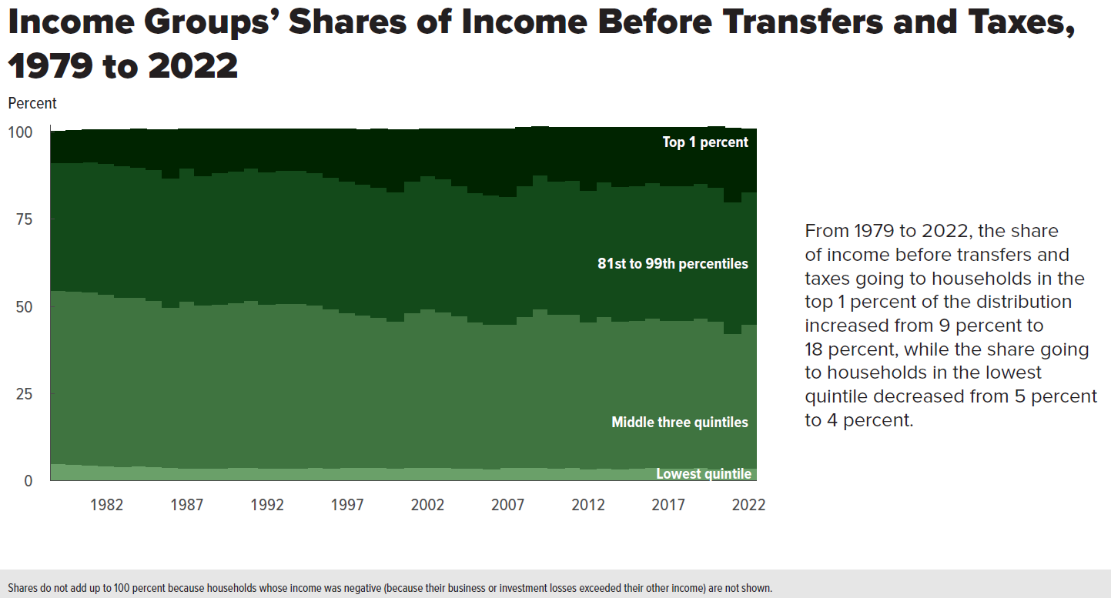
Figure 8. Income Groups’ Shares of Income Before Transfers and Taxes, 1979 to 2022
Percent

 | Lowest quintile | Middle three quintiles | 81st to 99th percentiles | Top 1 percent
1979 | 5.0 | 49.6 | 36.6 | 9.0
1980 | 4.9 | 49.5 | 37.0 | 9.0
1981 | 4.7 | 49.5 | 37.3 | 9.0
1982 | 4.4 | 49.2 | 37.5 | 9.5
1983 | 4.1 | 48.6 | 37.7 | 10.2
1984 | 4.3 | 48.4 | 37.3 | 10.7
1985 | 4.1 | 47.8 | 37.4 | 11.3
1986 | 3.9 | 46.0 | 36.9 | 13.8
1987 | 3.7 | 48.0 | 38.0 | 11.1
1988 | 3.7 | 46.7 | 37.2 | 13.2
1989 | 3.8 | 47.0 | 37.7 | 12.3
1990 | 3.9 | 47.3 | 37.6 | 12.0
1991 | 4.0 | 47.8 | 38.0 | 11.1
1992 | 3.8 | 47.0 | 37.9 | 12.1
1993 | 3.8 | 47.2 | 38.1 | 11.8
1994 | 3.7 | 47.3 | 38.0 | 11.8
1995 | 4.0 | 46.5 | 37.9 | 12.3
1996 | 3.8 | 45.5 | 37.8 | 13.6
1997 | 3.9 | 44.3 | 37.8 | 14.7
1998 | 4.0 | 43.7 | 37.4 | 15.5
1999 | 4.0 | 42.9 | 37.3 | 16.5
2000 | 3.8 | 42.0 | 37.2 | 17.6
2001 | 3.9 | 44.4 | 37.7 | 14.6
2002 | 4.0 | 45.3 | 38.2 | 13.3
2003 | 3.9 | 44.7 | 38.1 | 14.1
2004 | 3.8 | 43.5 | 37.5 | 16.1
2005 | 3.7 | 41.9 | 37.2 | 17.9
2006 | 3.6 | 41.4 | 37.1 | 18.6
2007 | 3.9 | 41.1 | 36.7 | 19.2
2008 | 4.0 | 43.2 | 37.6 | 16.4
2009 | 4.0 | 45.3 | 38.5 | 13.7
2010 | 3.8 | 44.0 | 38.2 | 15.3
2011 | 3.9 | 43.9 | 38.4 | 15.1
2012 | 3.6 | 42.0 | 37.8 | 17.8
2013 | 3.8 | 43.3 | 38.8 | 15.4
2014 | 3.6 | 42.3 | 38.6 | 16.8
2015 | 3.7 | 42.4 | 38.5 | 16.6
2016 | 3.9 | 42.9 | 38.7 | 15.8
2017 | 3.7 | 42.4 | 38.6 | 16.6
2018 | 3.8 | 42.2 | 38.7 | 16.6
2019 | 4.0 | 42.8 | 38.6 | 15.9
2020 | 3.6 | 42.3 | 38.3 | 17.2
2021 | 3.3 | 39.0 | 37.7 | 21.0
2022 | 3.7 | 41.4 | 38.0 | 17.8

Back to Table of Contents

Figure 9
This file presents the data from the figures in CBO’s January 2026 report The Distribution of Household Income, 2022.
www.cbo.gov/publication/61911

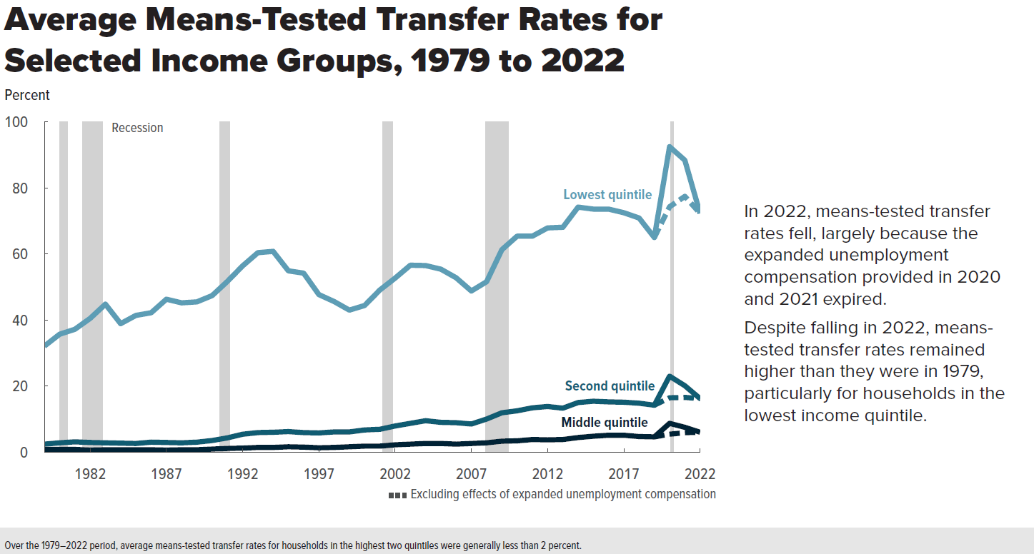
Figure 9. Average Means-Tested Transfer Rates for Selected Income Groups, 1979 to 2022
Percent

 |  |  |  | Excluding effects of expanded unemployment compensation
 | Lowest quintile | Second quintile | Middle quintile | Lowest quintile | Second quintile | Middle quintile
1979 | 32.1 | 2.4 | 0.8
1980 | 35.7 | 2.8 | 0.8
1981 | 37.2 | 3.1 | 0.8
1982 | 40.5 | 2.9 | 0.6
1983 | 44.8 | 2.8 | 0.7
1984 | 38.9 | 2.7 | 0.7
1985 | 41.4 | 2.6 | 0.7
1986 | 42.2 | 3.0 | 0.7
1987 | 46.3 | 2.9 | 0.6
1988 | 45.2 | 2.8 | 0.7
1989 | 45.5 | 3.0 | 0.7
1990 | 47.4 | 3.5 | 0.9
1991 | 51.7 | 4.3 | 1.1
1992 | 56.4 | 5.4 | 1.2
1993 | 60.4 | 5.9 | 1.4
1994 | 60.8 | 6.0 | 1.4
1995 | 54.9 | 6.2 | 1.6
1996 | 54.2 | 5.9 | 1.5
1997 | 47.7 | 5.8 | 1.3
1998 | 45.6 | 6.1 | 1.4
1999 | 43.0 | 6.1 | 1.6
2000 | 44.4 | 6.7 | 1.8
2001 | 49.1 | 6.9 | 1.8
2002 | 52.7 | 7.9 | 2.2
2003 | 56.6 | 8.7 | 2.4
2004 | 56.5 | 9.5 | 2.6
2005 | 55.4 | 9.0 | 2.6
2006 | 52.8 | 8.9 | 2.4
2007 | 48.8 | 8.5 | 2.6
2008 | 51.6 | 10.0 | 2.8
2009 | 61.3 | 11.9 | 3.3
2010 | 65.4 | 12.5 | 3.4
2011 | 65.4 | 13.4 | 3.8
2012 | 67.9 | 13.8 | 3.7
2013 | 68.1 | 13.3 | 3.8
2014 | 74.2 | 15.0 | 4.4
2015 | 73.6 | 15.4 | 4.8
2016 | 73.6 | 15.2 | 5.1
2017 | 72.5 | 15.1 | 5.1
2018 | 70.9 | 14.8 | 4.7
2019 | 65.0 | 14.2 | 4.6 | 65.0 | 14.2 | 4.6
2020 | 92.5 | 23.0 | 8.7 | 74.3 | 16.4 | 5.4
2021 | 88.4 | 20.1 | 7.5 | 77.5 | 16.6 | 5.9
2022 | 72.3 | 16.2 | 6.0 | 72.3 | 16.2 | 6.0

Back to Table of Contents

Figure 10
This file presents the data from the figures in CBO’s January 2026 report The Distribution of Household Income, 2022.
www.cbo.gov/publication/61911

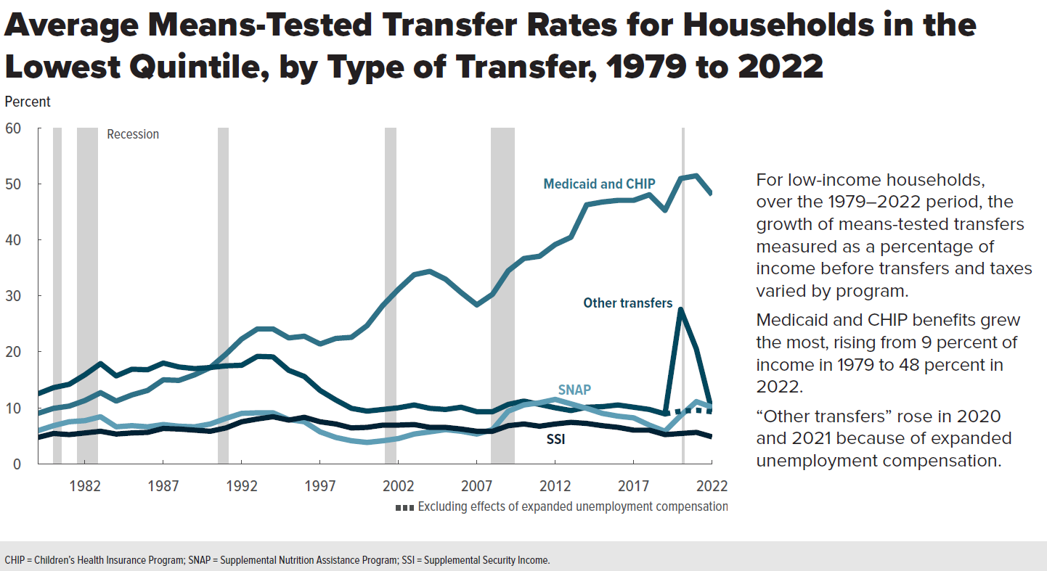
Figure 10. Average Means-Tested Transfer Rates for Households in the Lowest Quintile, by Type of Transfer, 1979 to 2022
Percent

 | Medicaid and CHIP | SNAP | SSI | Other transfers | Other transfers, excluding effects of expanded unemployment compensation
1979 | 9.0 | 5.9 | 4.7 | 12.5
1980 | 9.9 | 6.8 | 5.4 | 13.6
1981 | 10.3 | 7.5 | 5.2 | 14.2
1982 | 11.3 | 7.7 | 5.5 | 15.9
1983 | 12.7 | 8.4 | 5.8 | 17.9
1984 | 11.2 | 6.6 | 5.3 | 15.7
1985 | 12.3 | 6.8 | 5.5 | 16.9
1986 | 13.1 | 6.6 | 5.6 | 16.8
1987 | 15.0 | 7.0 | 6.3 | 18.0
1988 | 14.9 | 6.7 | 6.2 | 17.3
1989 | 15.9 | 6.6 | 6.0 | 17.0
1990 | 17.2 | 7.1 | 5.8 | 17.2
1991 | 19.6 | 8.1 | 6.4 | 17.5
1992 | 22.3 | 9.0 | 7.5 | 17.6
1993 | 24.1 | 9.1 | 8.0 | 19.2
1994 | 24.1 | 9.1 | 8.4 | 19.1
1995 | 22.5 | 7.9 | 7.8 | 16.7
1996 | 22.8 | 7.5 | 8.3 | 15.6
1997 | 21.4 | 5.7 | 7.5 | 13.1
1998 | 22.4 | 4.7 | 7.1 | 11.4
1999 | 22.6 | 4.1 | 6.4 | 9.9
2000 | 24.7 | 3.8 | 6.5 | 9.4
2001 | 28.3 | 4.1 | 6.9 | 9.7
2002 | 31.2 | 4.5 | 6.9 | 10.0
2003 | 33.8 | 5.3 | 7.0 | 10.5
2004 | 34.4 | 5.7 | 6.5 | 9.9
2005 | 33.0 | 6.1 | 6.5 | 9.7
2006 | 30.6 | 5.8 | 6.2 | 10.1
2007 | 28.4 | 5.3 | 5.8 | 9.2
2008 | 30.3 | 6.1 | 5.8 | 9.3
2009 | 34.5 | 9.4 | 6.8 | 10.6
2010 | 36.7 | 10.5 | 7.1 | 11.2
2011 | 37.1 | 10.9 | 6.7 | 10.6
2012 | 39.2 | 11.5 | 7.1 | 10.0
2013 | 40.5 | 10.7 | 7.4 | 9.5
2014 | 46.8 | 9.9 | 7.2 | 10.4
2015 | 47.6 | 9.0 | 6.8 | 10.2
2016 | 48.1 | 8.5 | 6.5 | 10.5
2017 | 48.2 | 8.2 | 6.0 | 10.1
2018 | 48.4 | 6.9 | 6.0 | 9.6
2019 | 45.0 | 5.8 | 5.2 | 9.0 | 9.0
2020 | 50.8 | 8.6 | 5.4 | 27.7 | 9.5
2021 | 51.3 | 11.1 | 5.6 | 20.5 | 9.6
2022 | 48.0 | 10.1 | 4.8 | 9.4 | 9.4

Back to Table of Contents

Figure 11
This file presents the data from the figures in CBO’s January 2026 report The Distribution of Household Income, 2022.
www.cbo.gov/publication/61911

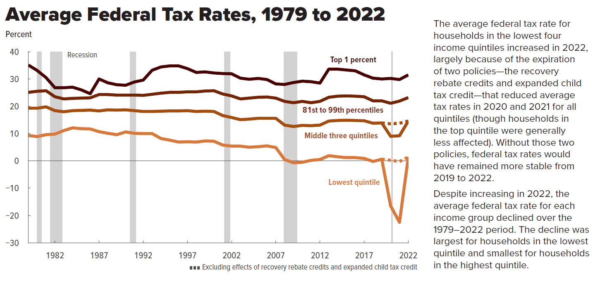
Figure 11. Average Federal Tax Rates, 1979 to 2022
Percent

 |  |  |  |  | Excluding effects of recovery rebate credits and expanded child tax credit
 | Lowest quintile | Middle three quintiles | 81st to 99th percentiles | Top 1 percent | Lowest quintile | Middle three quintiles | 81st to 99th percentiles | Top 1 percent
1979 | 9.3 | 19.3 | 25.1 | 35.1
1980 | 8.9 | 19.3 | 25.5 | 33.1
1981 | 9.6 | 19.8 | 25.7 | 30.5
1982 | 9.8 | 18.4 | 23.5 | 26.8
1983 | 11.1 | 18.0 | 22.7 | 26.8
1984 | 12.1 | 18.4 | 22.9 | 27.0
1985 | 11.8 | 18.5 | 23.0 | 26.0
1986 | 11.7 | 18.6 | 23.1 | 24.6
1987 | 10.7 | 18.3 | 24.3 | 30.0
1988 | 10.1 | 18.7 | 24.3 | 28.6
1989 | 9.6 | 18.6 | 24.1 | 27.9
1990 | 10.6 | 18.7 | 24.1 | 27.7
1991 | 10.1 | 18.4 | 24.1 | 28.9
1992 | 10.0 | 18.1 | 24.0 | 29.6
1993 | 10.0 | 18.1 | 24.4 | 33.2
1994 | 8.2 | 18.2 | 24.8 | 34.4
1995 | 7.6 | 18.3 | 25.1 | 34.8
1996 | 6.9 | 18.3 | 25.1 | 34.8
1997 | 7.0 | 18.4 | 25.3 | 33.8
1998 | 6.9 | 18.1 | 25.3 | 32.4
1999 | 7.3 | 18.2 | 25.6 | 32.6
2000 | 7.2 | 18.1 | 25.7 | 32.2
2001 | 5.8 | 16.6 | 24.5 | 32.0
2002 | 5.4 | 15.9 | 23.8 | 31.9
2003 | 5.4 | 15.1 | 22.7 | 30.3
2004 | 5.0 | 15.3 | 23.0 | 29.9
2005 | 5.2 | 15.6 | 23.3 | 30.2
2006 | 5.5 | 15.6 | 23.4 | 29.8
2007 | 4.9 | 15.6 | 23.0 | 28.2
2008 | 0.5 | 13.1 | 21.8 | 28.0
2009 | -0.7 | 12.6 | 21.3 | 28.7
2010 | -0.5 | 13.0 | 21.8 | 29.2
2011 | 0.2 | 12.9 | 21.3 | 29.0
2012 | 0.5 | 13.1 | 21.8 | 28.5
2013 | 1.9 | 14.6 | 23.3 | 33.6
2014 | 1.5 | 14.8 | 23.7 | 33.6
2015 | 1.2 | 14.9 | 23.8 | 33.3
2016 | 1.2 | 14.8 | 23.7 | 33.0
2017 | 0.9 | 14.7 | 23.5 | 31.5
2018 | -0.2 | 13.8 | 22.0 | 30.3
2019 | 0.6 | 13.9 | 22.0 | 30.0 | 0.6 | 13.9 | 22.0 | 30.0
2020 | -16.5 | 9.0 | 21.1 | 30.2 | 0.2 | 13.6 | 22.1 | 30.3
2021 | -22.5 | 9.2 | 21.9 | 29.8 | -0.2 | 13.8 | 22.6 | 29.9
2022 | 1.4 | 14.6 | 23.2 | 31.5 | 1.4 | 14.6 | 23.2 | 31.5

Back to Table of Contents

Figure 12
This file presents the data from the figures in CBO’s January 2026 report The Distribution of Household Income, 2022.
www.cbo.gov/publication/61911

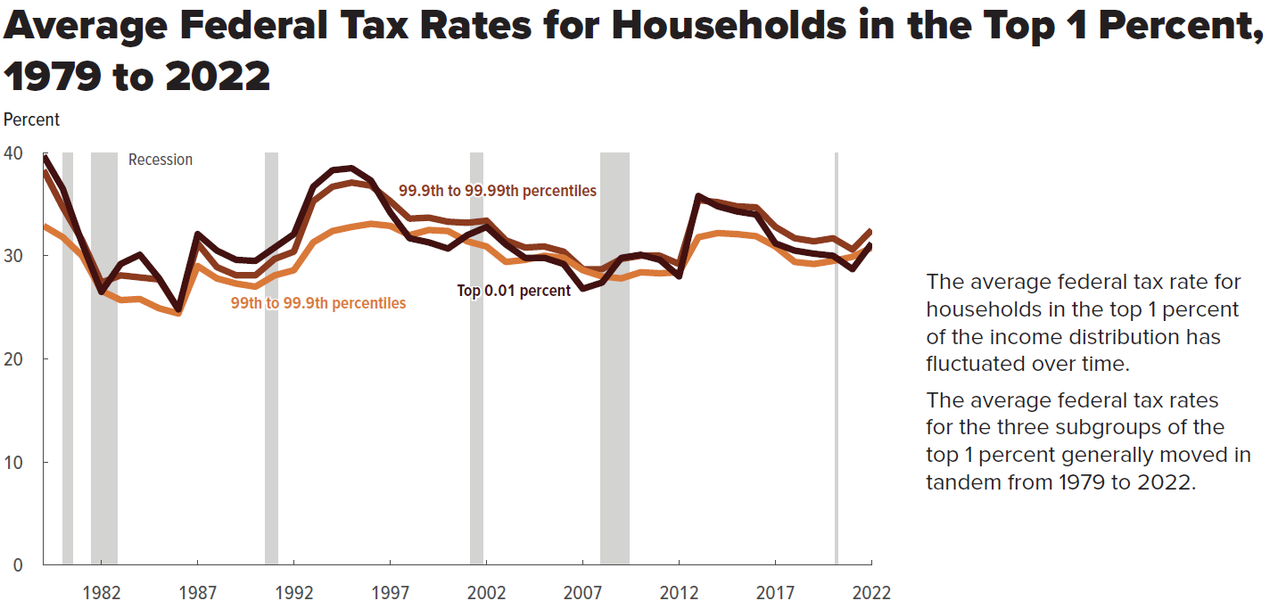
Figure 12. Average Federal Tax Rates for Households in the Top 1 Percent, 1979 to 2022
Percent

 | 99th to 99.9th percentiles | 99.9th to 99.99th percentiles | Top 0.01 percent
1979 | 32.9 | 38.3 | 39.7
1980 | 31.8 | 34.7 | 36.5
1981 | 30.0 | 31.5 | 31.2
1982 | 26.6 | 27.4 | 26.5
1983 | 25.7 | 28.1 | 29.2
1984 | 25.8 | 27.9 | 30.1
1985 | 24.9 | 27.7 | 27.8
1986 | 24.4 | 24.8 | 24.8
1987 | 29.0 | 31.2 | 32.1
1988 | 27.8 | 28.9 | 30.5
1989 | 27.3 | 28.1 | 29.6
1990 | 27.0 | 28.1 | 29.5
1991 | 28.1 | 29.7 | 30.8
1992 | 28.6 | 30.4 | 32.1
1993 | 31.3 | 35.3 | 36.7
1994 | 32.4 | 36.7 | 38.3
1995 | 32.8 | 37.1 | 38.5
1996 | 33.1 | 36.8 | 37.3
1997 | 32.9 | 35.3 | 34.2
1998 | 32.0 | 33.6 | 31.7
1999 | 32.5 | 33.7 | 31.3
2000 | 32.4 | 33.3 | 30.7
2001 | 31.4 | 33.2 | 32.0
2002 | 30.9 | 33.4 | 32.8
2003 | 29.4 | 31.5 | 31.1
2004 | 29.6 | 30.8 | 29.8
2005 | 30.0 | 30.9 | 29.8
2006 | 29.8 | 30.4 | 29.2
2007 | 28.6 | 28.7 | 26.8
2008 | 28.0 | 28.7 | 27.4
2009 | 27.8 | 29.7 | 29.8
2010 | 28.4 | 30.0 | 30.1
2011 | 28.3 | 30.0 | 29.6
2012 | 28.4 | 29.2 | 28.0
2013 | 31.8 | 35.4 | 35.8
2014 | 32.2 | 35.2 | 34.8
2015 | 32.1 | 34.8 | 34.3
2016 | 31.9 | 34.7 | 34.0
2017 | 30.9 | 32.8 | 31.2
2018 | 29.4 | 31.7 | 30.5
2019 | 29.2 | 31.4 | 30.2
2020 | 29.5 | 31.7 | 30.0
2021 | 29.9 | 30.6 | 28.7
2022 | 31.0 | 32.6 | 31.2

Back to Table of Contents

Figure 13
This file presents the data from the figures in CBO’s January 2026 report The Distribution of Household Income, 2022.
www.cbo.gov/publication/61911

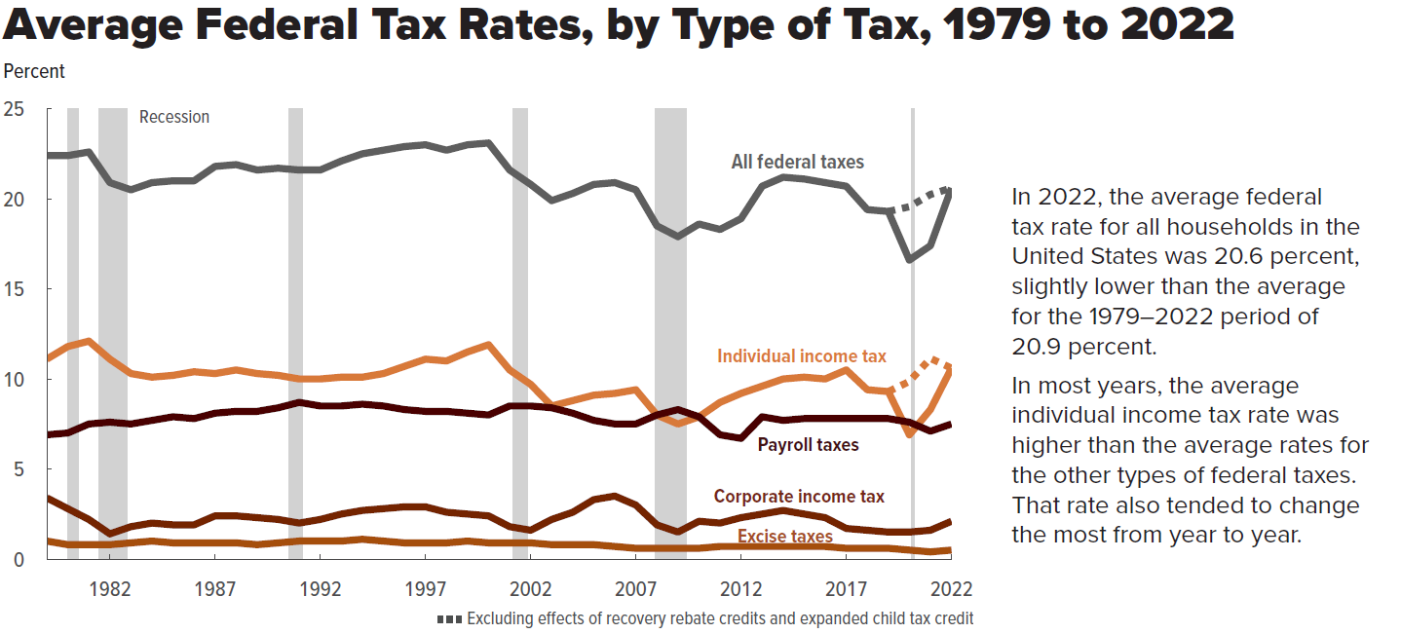
Figure 13. Average Federal Tax Rates, by Type of Tax, 1979 to 2022
Percent

 |  |  |  |  |  | Excluding effects of recovery rebate credits and expanded child tax credit
 | All federal taxes | Individual income tax | Payroll taxes | Corporate income tax | Excise taxes | All federal taxes | Individual income tax
1979 | 22.4 | 11.1 | 6.9 | 3.4 | 1.0
1980 | 22.4 | 11.8 | 7.0 | 2.8 | 0.8
1981 | 22.6 | 12.1 | 7.5 | 2.2 | 0.8
1982 | 20.9 | 11.1 | 7.6 | 1.4 | 0.8
1983 | 20.5 | 10.3 | 7.5 | 1.8 | 0.9
1984 | 20.9 | 10.1 | 7.7 | 2.0 | 1.0
1985 | 21.0 | 10.2 | 7.9 | 1.9 | 0.9
1986 | 21.0 | 10.4 | 7.8 | 1.9 | 0.9
1987 | 21.8 | 10.3 | 8.1 | 2.4 | 0.9
1988 | 21.9 | 10.5 | 8.2 | 2.4 | 0.9
1989 | 21.6 | 10.3 | 8.2 | 2.3 | 0.8
1990 | 21.7 | 10.2 | 8.4 | 2.2 | 0.9
1991 | 21.6 | 10.0 | 8.7 | 2.0 | 1.0
1992 | 21.6 | 10.0 | 8.5 | 2.2 | 1.0
1993 | 22.1 | 10.1 | 8.5 | 2.5 | 1.0
1994 | 22.5 | 10.1 | 8.6 | 2.7 | 1.1
1995 | 22.7 | 10.3 | 8.5 | 2.8 | 1.0
1996 | 22.9 | 10.7 | 8.3 | 2.9 | 0.9
1997 | 23.0 | 11.1 | 8.2 | 2.9 | 0.9
1998 | 22.7 | 11.0 | 8.2 | 2.6 | 0.9
1999 | 23.0 | 11.5 | 8.1 | 2.5 | 1.0
2000 | 23.1 | 11.9 | 8.0 | 2.4 | 0.9
2001 | 21.6 | 10.5 | 8.5 | 1.8 | 0.9
2002 | 20.8 | 9.7 | 8.5 | 1.6 | 0.9
2003 | 19.9 | 8.5 | 8.4 | 2.2 | 0.8
2004 | 20.3 | 8.8 | 8.1 | 2.6 | 0.8
2005 | 20.8 | 9.1 | 7.7 | 3.3 | 0.8
2006 | 20.9 | 9.2 | 7.5 | 3.5 | 0.7
2007 | 20.5 | 9.4 | 7.5 | 3.0 | 0.6
2008 | 18.5 | 8.0 | 8.0 | 1.9 | 0.6
2009 | 17.9 | 7.5 | 8.3 | 1.5 | 0.6
2010 | 18.6 | 7.9 | 7.9 | 2.1 | 0.6
2011 | 18.3 | 8.7 | 6.9 | 2.0 | 0.7
2012 | 18.9 | 9.2 | 6.7 | 2.3 | 0.7
2013 | 20.7 | 9.6 | 7.9 | 2.5 | 0.7
2014 | 21.2 | 10.0 | 7.7 | 2.7 | 0.7
2015 | 21.1 | 10.1 | 7.8 | 2.5 | 0.7
2016 | 20.9 | 10.0 | 7.8 | 2.3 | 0.7
2017 | 20.7 | 10.5 | 7.8 | 1.7 | 0.6
2018 | 19.4 | 9.4 | 7.8 | 1.6 | 0.6
2019 | 19.3 | 9.3 | 7.8 | 1.5 | 0.6 | 19.3 | 9.3
2020 | 16.6 | 6.9 | 7.6 | 1.5 | 0.5 | 19.5 | 9.8
2021 | 17.4 | 8.3 | 7.1 | 1.6 | 0.4 | 20.2 | 11.1
2022 | 20.6 | 10.6 | 7.5 | 2.1 | 0.4 | 20.6 | 10.6

Back to Table of Contents

Figure 14
This file presents the data from the figures in CBO’s January 2026 report The Distribution of Household Income, 2022.
www.cbo.gov/publication/61911

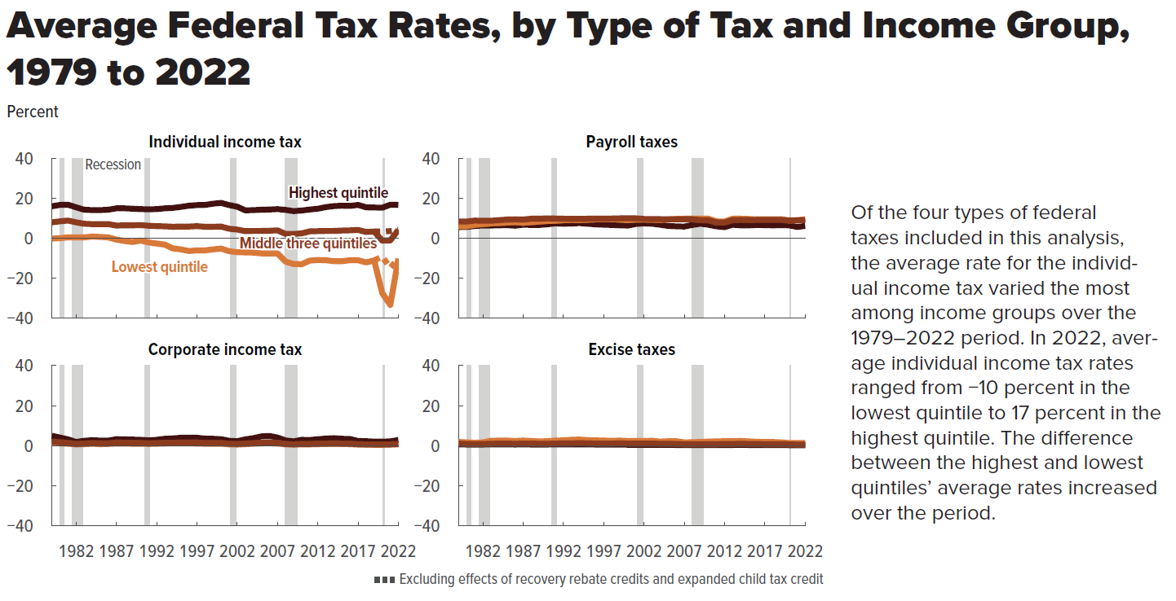
Figure 14. Average Federal Tax Rates, by Type of Tax and Income Group, 1979 to 2022
Percent

 | Individual income tax |  |  |  |  | Payroll taxes |  |  | Corporate income tax |  |  | Excise taxes
 |  |  |  | Excluding effects of recovery rebate credits and expanded child tax credit
 | Lowest quintile | Middle three quintiles | Highest quintile | Lowest quintile | Middle three quintiles | Lowest quintile | Middle three quintiles | Highest quintile | Lowest quintile | Middle three quintiles | Highest quintile | Lowest quintile | Middle three quintiles | Highest quintile
1979 | -0.2 | 7.9 | 15.9 |  |  | 6.0 | 8.3 | 5.5 | 1.5 | 2.1 | 5.0 | 1.9 | 1.1 | 0.7
1980 | 0.0 | 8.4 | 16.6 |  |  | 6.0 | 8.3 | 5.6 | 1.2 | 1.7 | 4.1 | 1.7 | 0.9 | 0.6
1981 | 0.4 | 8.8 | 16.7 |  |  | 6.7 | 8.8 | 6.1 | 1.0 | 1.4 | 3.2 | 1.5 | 0.8 | 0.6
1982 | 0.4 | 7.9 | 15.4 |  |  | 7.0 | 8.7 | 6.3 | 0.7 | 0.9 | 1.9 | 1.7 | 0.9 | 0.6
1983 | 0.4 | 7.2 | 14.2 |  |  | 7.4 | 8.7 | 6.3 | 0.8 | 1.1 | 2.5 | 2.5 | 1.0 | 0.7
1984 | 0.8 | 7.0 | 14.0 |  |  | 7.6 | 9.0 | 6.4 | 1.0 | 1.3 | 2.8 | 2.6 | 1.1 | 0.7
1985 | 0.6 | 7.0 | 14.0 |  |  | 7.8 | 9.3 | 6.5 | 0.8 | 1.2 | 2.6 | 2.6 | 1.1 | 0.7
1986 | 0.4 | 7.0 | 14.2 |  |  | 8.0 | 9.4 | 6.2 | 0.9 | 1.2 | 2.6 | 2.4 | 1.0 | 0.6
1987 | -0.7 | 6.3 | 14.9 |  |  | 7.7 | 9.3 | 6.7 | 1.1 | 1.6 | 3.3 | 2.6 | 1.1 | 0.7
1988 | -1.4 | 6.4 | 14.9 |  |  | 8.0 | 9.7 | 6.6 | 1.1 | 1.5 | 3.2 | 2.4 | 1.1 | 0.6
1989 | -1.9 | 6.4 | 14.7 |  |  | 8.3 | 9.7 | 6.6 | 1.0 | 1.5 | 3.1 | 2.2 | 1.0 | 0.6
1990 | -1.2 | 6.5 | 14.5 |  |  | 8.6 | 9.9 | 6.9 | 1.0 | 1.4 | 3.0 | 2.3 | 1.0 | 0.6
1991 | -2.1 | 6.2 | 14.4 |  |  | 8.7 | 9.8 | 7.4 | 0.9 | 1.2 | 2.7 | 2.6 | 1.1 | 0.7
1992 | -2.7 | 6.0 | 14.5 |  |  | 9.0 | 9.7 | 7.2 | 1.0 | 1.3 | 3.0 | 2.7 | 1.2 | 0.7
1993 | -3.2 | 5.9 | 14.9 |  |  | 9.1 | 9.6 | 7.3 | 1.1 | 1.5 | 3.5 | 3.0 | 1.2 | 0.7
1994 | -5.1 | 5.7 | 15.1 |  |  | 9.0 | 9.6 | 7.5 | 1.2 | 1.5 | 3.7 | 3.1 | 1.3 | 0.7
1995 | -5.6 | 5.8 | 15.6 |  |  | 9.2 | 9.7 | 7.2 | 1.2 | 1.6 | 4.0 | 2.8 | 1.2 | 0.7
1996 | -6.4 | 5.8 | 16.2 |  |  | 9.4 | 9.7 | 6.9 | 1.2 | 1.6 | 4.0 | 2.7 | 1.1 | 0.6
1997 | -6.1 | 6.0 | 16.5 |  |  | 9.4 | 9.7 | 6.7 | 1.1 | 1.6 | 4.0 | 2.6 | 1.1 | 0.6
1998 | -6.1 | 5.7 | 16.6 |  |  | 9.5 | 9.8 | 6.6 | 1.0 | 1.4 | 3.6 | 2.5 | 1.1 | 0.6
1999 | -5.6 | 5.7 | 17.2 |  |  | 9.3 | 9.9 | 6.4 | 1.0 | 1.4 | 3.5 | 2.6 | 1.2 | 0.6
2000 | -5.2 | 5.8 | 17.6 |  |  | 9.0 | 9.9 | 6.3 | 1.0 | 1.4 | 3.3 | 2.4 | 1.1 | 0.5
2001 | -6.5 | 4.7 | 16.5 |  |  | 9.3 | 9.9 | 7.1 | 0.7 | 1.0 | 2.5 | 2.4 | 1.1 | 0.5
2002 | -7.0 | 4.3 | 15.7 |  |  | 9.3 | 9.6 | 7.4 | 0.6 | 0.9 | 2.3 | 2.4 | 1.1 | 0.5
2003 | -7.1 | 3.5 | 13.9 |  |  | 9.2 | 9.5 | 7.2 | 0.8 | 1.1 | 3.2 | 2.5 | 1.1 | 0.5
2004 | -7.2 | 3.6 | 14.0 |  |  | 9.1 | 9.5 | 6.7 | 1.0 | 1.3 | 3.8 | 2.1 | 1.0 | 0.5
2005 | -7.6 | 3.6 | 14.2 |  |  | 9.3 | 9.4 | 6.1 | 1.2 | 1.6 | 4.7 | 2.3 | 1.0 | 0.5
2006 | -7.6 | 3.7 | 14.3 |  |  | 9.6 | 9.4 | 5.9 | 1.3 | 1.7 | 4.9 | 2.3 | 0.9 | 0.4
2007 | -7.6 | 3.9 | 14.5 |  |  | 9.7 | 9.4 | 5.8 | 1.1 | 1.5 | 4.1 | 1.7 | 0.8 | 0.4
2008 | -11.7 | 2.1 | 14.1 |  |  | 9.7 | 9.4 | 6.6 | 0.7 | 0.9 | 2.7 | 1.8 | 0.8 | 0.4
2009 | -12.9 | 2.1 | 13.5 |  |  | 9.7 | 9.0 | 7.2 | 0.6 | 0.7 | 2.2 | 1.9 | 0.8 | 0.4
2010 | -13.0 | 2.4 | 13.8 |  |  | 9.7 | 8.9 | 6.7 | 0.7 | 0.9 | 3.0 | 2.1 | 0.8 | 0.4
2011 | -11.2 | 3.4 | 14.3 |  |  | 8.4 | 7.8 | 5.9 | 0.7 | 0.9 | 2.9 | 2.2 | 0.8 | 0.4
2012 | -10.9 | 3.5 | 14.7 |  |  | 8.3 | 7.8 | 5.5 | 0.8 | 1.0 | 3.3 | 2.3 | 0.9 | 0.4
2013 | -11.0 | 3.6 | 15.5 |  |  | 9.7 | 9.0 | 6.7 | 0.9 | 1.1 | 3.6 | 2.3 | 0.9 | 0.4
2014 | -11.5 | 3.6 | 16.0 |  |  | 9.7 | 9.1 | 6.4 | 0.9 | 1.2 | 3.8 | 2.4 | 1.0 | 0.5
2015 | -11.5 | 3.8 | 16.2 |  |  | 9.6 | 9.0 | 6.4 | 0.9 | 1.1 | 3.5 | 2.2 | 0.9 | 0.4
2016 | -11.0 | 3.9 | 16.1 |  |  | 9.4 | 9.1 | 6.6 | 0.8 | 1.0 | 3.4 | 2.0 | 0.9 | 0.4
2017 | -11.0 | 4.1 | 16.6 |  |  | 9.4 | 9.1 | 6.5 | 0.6 | 0.8 | 2.4 | 1.9 | 0.8 | 0.4
2018 | -12.1 | 3.1 | 15.4 |  |  | 9.4 | 9.1 | 6.4 | 0.6 | 0.7 | 2.3 | 1.9 | 0.8 | 0.4
2019 | -11.1 | 3.3 | 15.3 | -11.1 | 3.3 | 9.5 | 9.1 | 6.5 | 0.5 | 0.7 | 2.1 | 1.7 | 0.8 | 0.4
2020 | -27.4 | -1.2 | 15.2 | -9.2 | 3.4 | 8.9 | 8.8 | 6.4 | 0.5 | 0.7 | 2.1 | 1.4 | 0.7 | 0.3
2021 | -33.3 | -1.1 | 16.7 | -14.8 | 3.5 | 8.9 | 8.9 | 5.6 | 0.6 | 0.7 | 2.2 | 1.4 | 0.6 | 0.3
2022 | -10.1 | 4.0 | 16.6 | -10.2 | 4.1 | 9.5 | 9.0 | 6.1 | 0.8 | 0.9 | 2.9 | 1.4 | 0.6 | 0.3

Back to Table of Contents

Figure 15
This file presents the data from the figures in CBO’s January 2026 report The Distribution of Household Income, 2022.
www.cbo.gov/publication/61911

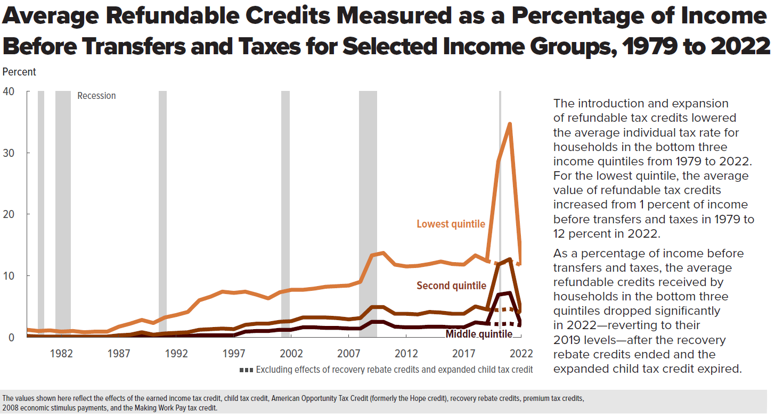
Figure 15. Average Refundable Credits Measured as a Percentage of Income Before Transfers and Taxes for Selected Income Groups, 1979 to 2022
Percent

 |  |  |  | Excluding effects of recovery rebate credits and expanded child tax credit
 | Lowest quintile | Second quintile | Middle quintile | Lowest quintile | Second quintile | Middle quintile
1979 | 1.2 | 0.2 | 0.1
1980 | 1.0 | 0.1 | 0.0
1981 | 1.1 | 0.1 | 0.0
1982 | 0.9 | 0.1 | 0.0
1983 | 1.0 | 0.1 | 0.0
1984 | 0.8 | 0.1 | 0.0
1985 | 0.9 | 0.1 | 0.0
1986 | 0.9 | 0.1 | 0.0
1987 | 1.7 | 0.3 | 0.1
1988 | 2.2 | 0.4 | 0.1
1989 | 2.8 | 0.8 | 0.2
1990 | 2.3 | 0.4 | 0.1
1991 | 3.2 | 0.6 | 0.2
1992 | 3.6 | 0.7 | 0.2
1993 | 4.1 | 0.8 | 0.2
1994 | 6.0 | 1.2 | 0.3
1995 | 6.6 | 1.3 | 0.3
1996 | 7.4 | 1.4 | 0.3
1997 | 7.2 | 1.3 | 0.3
1998 | 7.4 | 2.0 | 0.9
1999 | 6.9 | 2.2 | 1.0
2000 | 6.3 | 2.2 | 1.0
2001 | 7.3 | 2.5 | 1.2
2002 | 7.7 | 2.6 | 1.2
2003 | 7.7 | 3.2 | 1.6
2004 | 7.9 | 3.2 | 1.6
2005 | 8.2 | 3.2 | 1.5
2006 | 8.3 | 3.1 | 1.5
2007 | 8.4 | 2.9 | 1.4
2008 | 9.0 | 3.1 | 1.4
2009 | 13.3 | 4.9 | 2.5
2010 | 13.7 | 4.9 | 2.5
2011 | 11.8 | 3.8 | 1.7
2012 | 11.5 | 3.8 | 1.6
2013 | 11.6 | 3.7 | 1.6
2014 | 12.2 | 4.1 | 1.7
2015 | 12.3 | 4.0 | 1.7
2016 | 11.9 | 3.8 | 1.6
2017 | 11.8 | 3.8 | 1.6
2018 | 13.3 | 5.0 | 2.4
2019 | 12.4 | 4.5 | 2.2 | 12.4 | 4.5 | 2.2
2020 | 28.6 | 11.8 | 6.9 | 12.0 | 4.4 | 2.1
2021 | 34.7 | 12.7 | 7.2 | 12.4 | 4.6 | 2.3
2022 | 11.7 | 4.0 | 1.9 | 11.7 | 4.0 | 1.9

Back to Table of Contents

Figure 16
This file presents the data from the figures in CBO’s January 2026 report The Distribution of Household Income, 2022.
www.cbo.gov/publication/61911

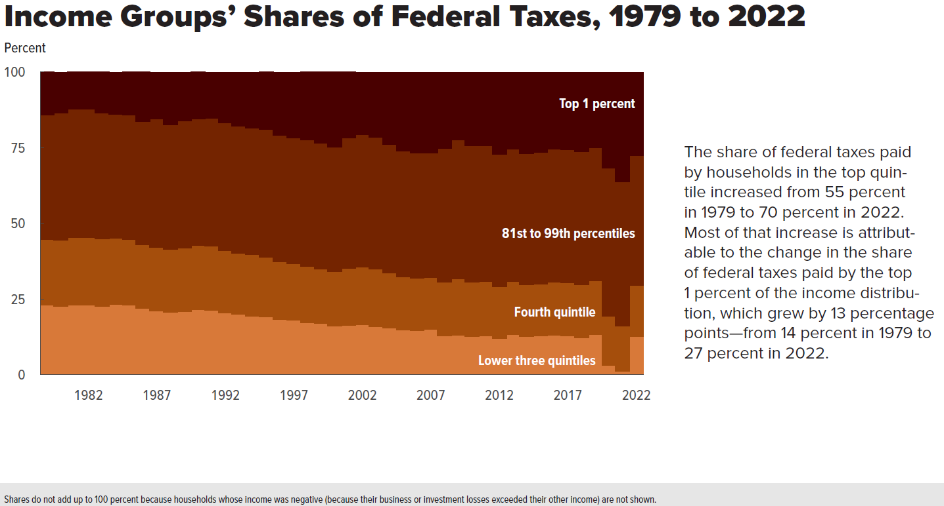
Figure 16. Income Groups’ Shares of Federal Taxes, 1979 to 2022
Percent

 | Lower three quintiles | Fourth quintile | 81st to 99th percentiles | Top 1 percent
1979 | 23.2 | 21.6 | 41.0 | 14.1
1980 | 22.8 | 21.8 | 42.0 | 13.2
1981 | 23.2 | 22.2 | 42.4 | 12.1
1982 | 23.1 | 22.3 | 42.3 | 12.2
1983 | 22.8 | 22.1 | 41.7 | 13.3
1984 | 23.4 | 21.8 | 40.8 | 13.8
1985 | 23.1 | 21.6 | 41.1 | 14.1
1986 | 22.0 | 21.0 | 40.7 | 16.2
1987 | 21.1 | 21.0 | 42.4 | 15.3
1988 | 20.8 | 20.7 | 41.1 | 17.2
1989 | 20.9 | 21.0 | 42.0 | 15.9
1990 | 21.7 | 21.1 | 41.7 | 15.4
1991 | 21.5 | 21.0 | 42.3 | 14.9
1992 | 20.6 | 20.5 | 42.1 | 16.6
1993 | 20.1 | 20.2 | 41.9 | 17.6
1994 | 19.5 | 20.2 | 41.9 | 18.1
1995 | 19.2 | 19.8 | 42.0 | 18.9
1996 | 18.3 | 19.2 | 41.6 | 20.7
1997 | 18.1 | 18.6 | 41.6 | 21.5
1998 | 17.4 | 18.6 | 41.7 | 22.2
1999 | 17.0 | 18.1 | 41.5 | 23.3
2000 | 16.2 | 17.9 | 41.2 | 24.6
2001 | 16.5 | 18.8 | 42.9 | 21.7
2002 | 16.6 | 19.0 | 43.7 | 20.5
2003 | 16.1 | 18.9 | 43.4 | 21.4
2004 | 15.5 | 18.2 | 42.4 | 23.7
2005 | 14.9 | 17.5 | 41.5 | 25.9
2006 | 14.7 | 17.2 | 41.4 | 26.5
2007 | 15.1 | 17.1 | 41.2 | 26.4
2008 | 13.0 | 17.6 | 44.2 | 24.8
2009 | 13.2 | 18.6 | 45.9 | 22.1
2010 | 12.8 | 17.9 | 44.9 | 24.1
2011 | 13.0 | 17.9 | 44.8 | 24.0
2012 | 12.2 | 17.0 | 43.6 | 26.9
2013 | 13.4 | 17.5 | 43.8 | 25.1
2014 | 12.8 | 17.1 | 43.3 | 26.6
2015 | 12.9 | 17.2 | 43.4 | 26.2
2016 | 13.2 | 17.5 | 43.9 | 25.0
2017 | 12.9 | 17.5 | 44.0 | 25.3
2018 | 12.4 | 17.5 | 43.9 | 25.9
2019 | 13.4 | 17.7 | 44.0 | 24.7
2020 | 3.3 | 16.2 | 48.9 | 31.4
2021 | 1.3 | 14.9 | 47.5 | 36.0
2022 | 12.8 | 16.8 | 42.9 | 27.3

Back to Table of Contents

Figure 17
This file presents the data from the figures in CBO’s January 2026 report The Distribution of Household Income, 2022.
www.cbo.gov/publication/61911

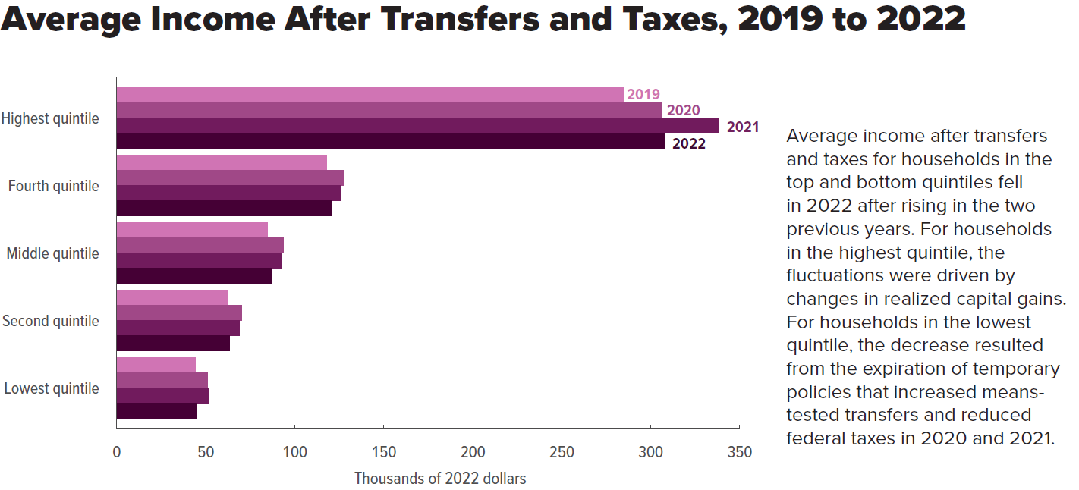
Figure 17. Average Income After Transfers and Taxes, 2019 to 2022
Thousands of 2022 dollars

 | 2019 | 2020 | 2021 | 2022
Lowest quintile | 44 | 51 | 52 | 45
Second quintile | 62 | 70 | 69 | 63
Middle quintile | 85 | 93 | 92 | 87
Fourth quintile | 118 | 128 | 126 | 121
Highest quintile | 284 | 306 | 338 | 308

Back to Table of Contents

Figure 18
This file presents the data from the figures in CBO’s January 2026 report The Distribution of Household Income, 2022.
www.cbo.gov/publication/61911

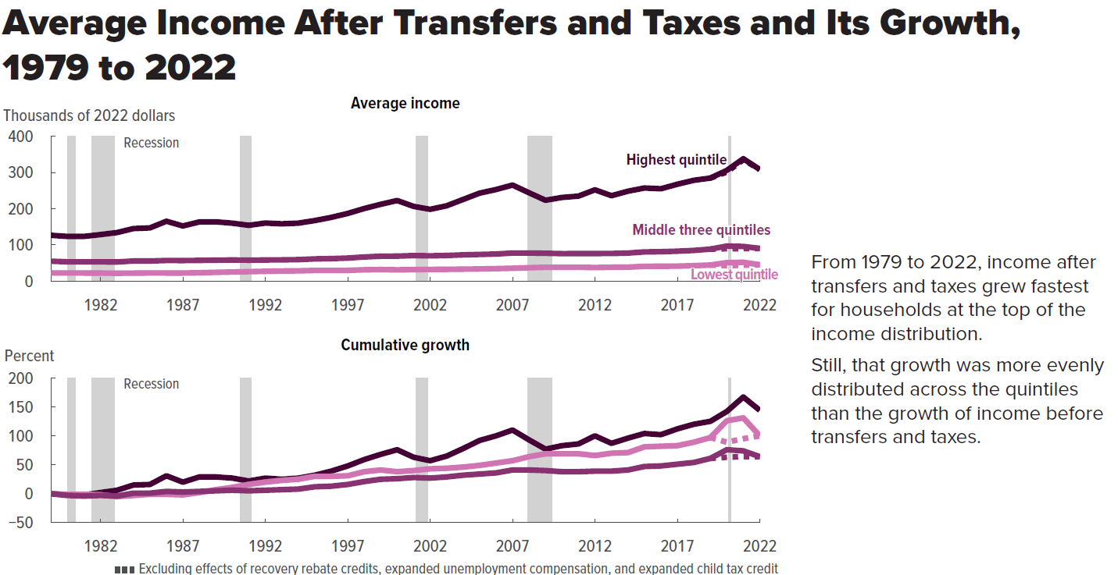
Figure 18. Average Income After Transfers and Taxes and Its Growth, 1979 to 2022

 | Average income (thousands of 2022 dollars) |  |  |  |  |  | Cumulative growth (percent)
 |  |  |  | Excluding effects of recovery rebate credits, expanded unemployment compensation, and expanded child tax credit |  |  |  |  |  | Excluding effects of recovery rebate credits, expanded unemployment compensation, and expanded child tax credit
 | Lowest quintile | Middle three quintiles | Highest quintile | Lowest quintile | Middle three quintiles | Highest quintile | Lowest quintile | Middle three quintiles | Highest quintile | Lowest quintile | Middle three quintiles
1979 | 22.4 | 54.7 | 126.3 |  |  |  | 0 | 0 | 0
1980 | 22.2 | 53.0 | 123.2 |  |  |  | -1 | -3 | -2
1981 | 22.1 | 52.8 | 123.3 |  |  |  | -1 | -4 | -2
1982 | 21.9 | 52.9 | 128.3 |  |  |  | -2 | -3 | 2
1983 | 21.4 | 52.6 | 133.9 |  |  |  | -5 | -4 | 6
1984 | 21.8 | 55.3 | 144.9 |  |  |  | -3 | 1 | 15
1985 | 22.2 | 55.3 | 146.8 |  |  |  | -1 | 1 | 16
1986 | 22.1 | 56.7 | 165.2 |  |  |  | -1 | 4 | 31
1987 | 22.1 | 56.5 | 152.1 |  |  |  | -2 | 3 | 20
1988 | 22.8 | 57.0 | 163.3 |  |  |  | 2 | 4 | 29
1989 | 24.0 | 57.6 | 163.5 |  |  |  | 7 | 5 | 29
1990 | 24.9 | 58.1 | 159.8 |  |  |  | 11 | 6 | 27
1991 | 25.9 | 57.6 | 153.9 |  |  |  | 16 | 5 | 22
1992 | 26.9 | 58.1 | 160.2 |  |  |  | 20 | 6 | 27
1993 | 27.7 | 58.5 | 158.0 |  |  |  | 23 | 7 | 25
1994 | 28.1 | 59.1 | 159.9 |  |  |  | 25 | 8 | 27
1995 | 29.2 | 61.1 | 167.0 |  |  |  | 30 | 12 | 32
1996 | 29.1 | 61.9 | 175.8 |  |  |  | 30 | 13 | 39
1997 | 29.4 | 63.4 | 186.7 |  |  |  | 31 | 16 | 48
1998 | 31.0 | 66.4 | 200.3 |  |  |  | 38 | 21 | 59
1999 | 31.6 | 68.5 | 211.9 |  |  |  | 41 | 25 | 68
2000 | 30.9 | 68.8 | 222.4 |  |  |  | 38 | 26 | 76
2001 | 31.5 | 70.3 | 206.1 |  |  |  | 40 | 28 | 63
2002 | 32.0 | 69.6 | 198.1 |  |  |  | 43 | 27 | 57
2003 | 32.3 | 70.5 | 207.8 |  |  |  | 44 | 29 | 65
2004 | 32.8 | 72.3 | 225.3 |  |  |  | 46 | 32 | 78
2005 | 33.4 | 73.4 | 242.8 |  |  |  | 49 | 34 | 92
2006 | 34.2 | 74.6 | 252.8 |  |  |  | 53 | 36 | 100
2007 | 35.3 | 77.3 | 265.1 |  |  |  | 57 | 41 | 110
2008 | 36.7 | 77.3 | 243.8 |  |  |  | 64 | 41 | 93
2009 | 37.9 | 76.7 | 223.1 |  |  |  | 69 | 40 | 77
2010 | 37.8 | 75.7 | 230.9 |  |  |  | 69 | 38 | 83
2011 | 38.0 | 75.8 | 234.6 |  |  |  | 69 | 38 | 86
2012 | 37.3 | 75.9 | 252.0 |  |  |  | 66 | 39 | 100
2013 | 38.0 | 76.1 | 235.7 |  |  |  | 70 | 39 | 87
2014 | 38.5 | 77.4 | 248.2 |  |  |  | 72 | 41 | 97
2015 | 40.7 | 80.5 | 257.1 |  |  |  | 82 | 47 | 104
2016 | 41.1 | 81.1 | 255.0 |  |  |  | 83 | 48 | 102
2017 | 41.4 | 82.6 | 267.4 |  |  |  | 85 | 51 | 112
2018 | 42.5 | 84.7 | 278.4 |  |  |  | 90 | 55 | 120
2019 | 44.1 | 88.1 | 284.4 | 44.1 | 88.1 | 284.4 | 97 | 61 | 125 | 97 | 61
2020 | 50.7 | 96.6 | 305.7 | 42.2 | 89.1 | 301.0 | 126 | 76 | 142 | 89 | 63
2021 | 51.7 | 95.5 | 337.8 | 43.6 | 89.5 | 334.9 | 131 | 74 | 168 | 94 | 64
2022 | 44.8 | 90.1 | 307.6 | 44.8 | 90.1 | 307.6 | 100 | 65 | 144 | 100 | 65

Back to Table of Contents

Figure 19
This file presents the data from the figures in CBO’s January 2026 report The Distribution of Household Income, 2022.
www.cbo.gov/publication/61911

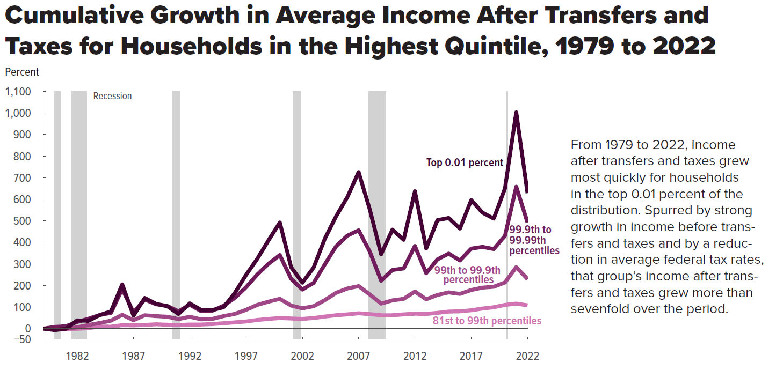
Figure 19. Cumulative Growth in Average Income After Transfers and Taxes for Households in the Highest Quintile, 1979 to 2022
Percent

 | 81st to 99th percentiles | 99th to 99.9th percentiles | 99.9th to 99.99th percentiles | Top 0.01 percent
1979 | 0 | 0 | 0 | 0
1980 | -3 | -1 | 8 | -7
1981 | -3 | 0 | 11 | -1
1982 | -1 | 6 | 31 | 38
1983 | 2 | 17 | 46 | 36
1984 | 10 | 26 | 63 | 63
1985 | 9 | 37 | 73 | 80
1986 | 16 | 64 | 184 | 205
1987 | 15 | 39 | 75 | 60
1988 | 17 | 62 | 135 | 142
1989 | 20 | 58 | 113 | 115
1990 | 18 | 55 | 105 | 104
1991 | 16 | 44 | 80 | 68
1992 | 19 | 55 | 111 | 117
1993 | 19 | 43 | 81 | 87
1994 | 21 | 45 | 83 | 86
1995 | 25 | 58 | 106 | 99
1996 | 29 | 68 | 142 | 165
1997 | 33 | 87 | 192 | 249
1998 | 40 | 110 | 251 | 324
1999 | 45 | 125 | 301 | 410
2000 | 49 | 138 | 341 | 492
2001 | 47 | 107 | 231 | 285
2002 | 45 | 94 | 181 | 213
2003 | 49 | 104 | 212 | 283
2004 | 56 | 132 | 298 | 417
2005 | 62 | 166 | 382 | 521
2006 | 66 | 186 | 431 | 610
2007 | 71 | 197 | 456 | 726
2008 | 67 | 158 | 356 | 551
2009 | 62 | 116 | 222 | 345
2010 | 62 | 131 | 272 | 459
2011 | 66 | 138 | 279 | 412
2012 | 69 | 172 | 383 | 637
2013 | 68 | 136 | 257 | 372
2014 | 73 | 156 | 321 | 503
2015 | 79 | 168 | 348 | 513
2016 | 80 | 161 | 316 | 464
2017 | 85 | 179 | 371 | 596
2018 | 93 | 190 | 379 | 538
2019 | 99 | 194 | 369 | 510
2020 | 110 | 214 | 430 | 650
2021 | 116 | 285 | 658 | 1,003
2022 | 108 | 230 | 492 | 628

Back to Table of Contents

Figure 20
This file presents the data from the figures in CBO’s January 2026 report The Distribution of Household Income, 2022.
www.cbo.gov/publication/61911

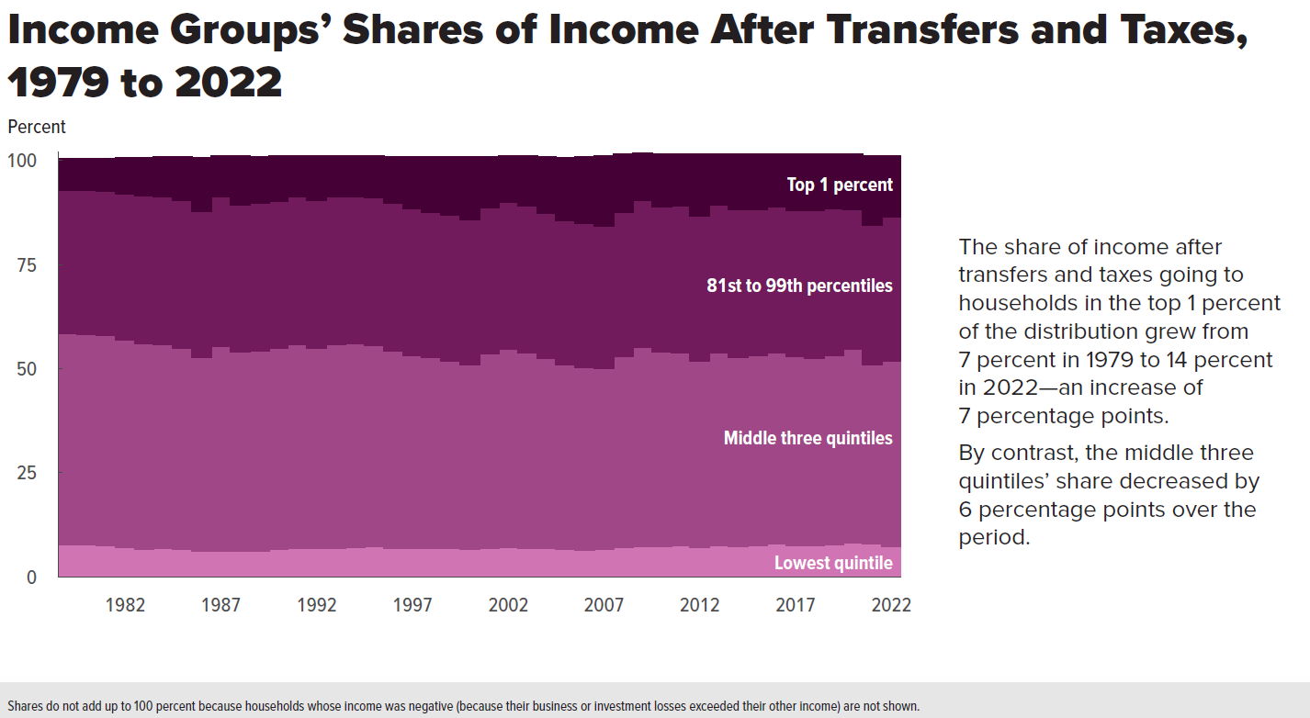
Figure 20. Income Groups’ Shares of Income After Transfers and Taxes, 1979 to 2022
Percent

 | Lowest quintile | Middle three quintiles | 81st to 99th percentiles | Top 1 percent
1979 | 7.8 | 50.8 | 34.4 | 7.4
1980 | 7.8 | 50.6 | 34.6 | 7.5
1981 | 7.6 | 50.4 | 34.7 | 7.8
1982 | 7.1 | 49.8 | 35.2 | 8.5
1983 | 6.7 | 49.3 | 35.6 | 9.1
1984 | 6.8 | 49.1 | 35.4 | 9.6
1985 | 6.6 | 48.4 | 35.5 | 10.3
1986 | 6.2 | 46.7 | 35.0 | 12.8
1987 | 6.2 | 49.3 | 35.8 | 9.7
1988 | 6.2 | 47.9 | 35.2 | 11.7
1989 | 6.3 | 48.0 | 35.5 | 11.0
1990 | 6.7 | 48.2 | 35.4 | 10.7
1991 | 7.0 | 48.8 | 35.5 | 9.7
1992 | 6.9 | 48.2 | 35.5 | 10.5
1993 | 7.0 | 48.8 | 35.6 | 9.7
1994 | 7.1 | 49.0 | 35.4 | 9.6
1995 | 7.3 | 48.4 | 35.4 | 10.0
1996 | 6.9 | 47.5 | 35.4 | 11.1
1997 | 6.8 | 46.4 | 35.4 | 12.2
1998 | 6.9 | 45.8 | 35.0 | 13.1
1999 | 6.8 | 45.2 | 34.9 | 13.9
2000 | 6.6 | 44.4 | 34.8 | 15.0
2001 | 6.9 | 46.7 | 35.1 | 12.2
2002 | 7.2 | 47.5 | 35.3 | 11.0
2003 | 7.0 | 46.9 | 35.3 | 11.8
2004 | 6.8 | 45.8 | 34.8 | 13.5
2005 | 6.7 | 44.3 | 34.6 | 15.1
2006 | 6.5 | 43.9 | 34.6 | 15.8
2007 | 6.7 | 43.4 | 34.3 | 16.6
2008 | 7.2 | 45.8 | 34.6 | 13.9
2009 | 7.4 | 47.9 | 35.2 | 11.3
2010 | 7.4 | 46.7 | 34.9 | 12.6
2011 | 7.5 | 46.5 | 35.1 | 12.4
2012 | 7.1 | 44.9 | 34.7 | 14.9
2013 | 7.5 | 46.3 | 35.6 | 12.2
2014 | 7.4 | 45.5 | 35.3 | 13.3
2015 | 7.6 | 45.7 | 35.1 | 13.2
2016 | 7.9 | 46.0 | 35.1 | 12.5
2017 | 7.6 | 45.4 | 35.1 | 13.5
2018 | 7.6 | 45.0 | 35.4 | 13.5
2019 | 7.7 | 45.6 | 35.3 | 13.0
2020 | 8.2 | 46.5 | 33.6 | 13.2
2021 | 7.9 | 43.2 | 33.4 | 16.6
2022 | 7.4 | 44.6 | 34.6 | 14.4

Back to Table of Contents

Figure 21
This file presents the data from the figures in CBO’s January 2026 report The Distribution of Household Income, 2022.
www.cbo.gov/publication/61911

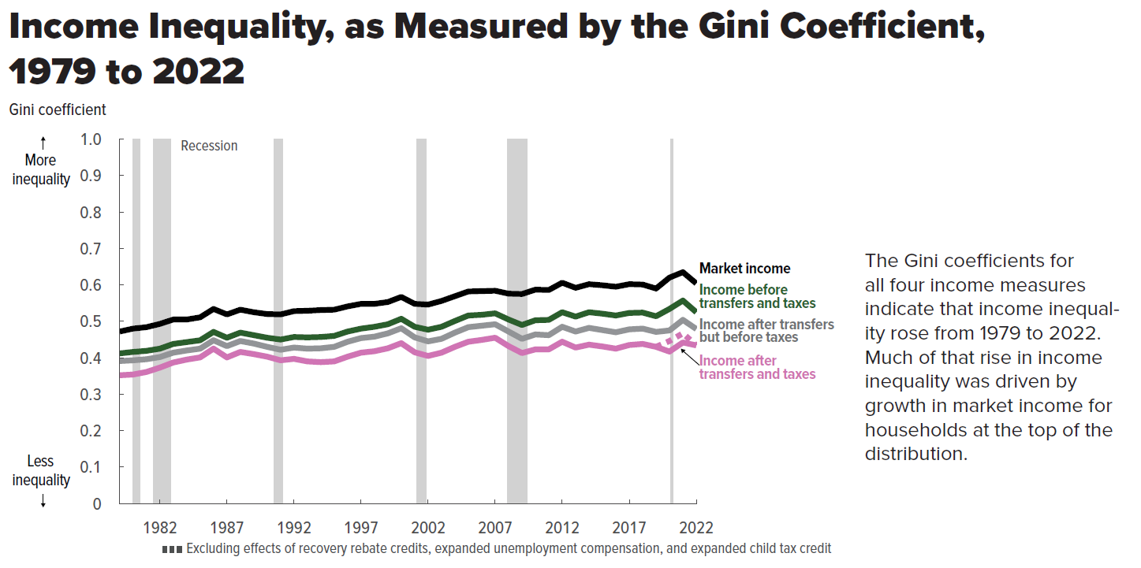
Figure 21. Income Inequality, as Measured by the Gini Coefficient, 1979 to 2022
Gini coefficient

 | Market income | Income before transfers and taxes | Income after transfers but before taxes | Income after transfers and taxes | Income after transfers and taxes, excluding effects of recovery rebate credits, expanded unemployment compensation, and expanded child tax credit
1979 | 0.472 | 0.412 | 0.391 | 0.352
1980 | 0.480 | 0.416 | 0.393 | 0.354
1981 | 0.484 | 0.419 | 0.396 | 0.361
1982 | 0.493 | 0.425 | 0.402 | 0.373
1983 | 0.505 | 0.438 | 0.414 | 0.387
1984 | 0.505 | 0.443 | 0.420 | 0.395
1985 | 0.511 | 0.448 | 0.425 | 0.401
1986 | 0.534 | 0.471 | 0.448 | 0.425
1987 | 0.519 | 0.455 | 0.432 | 0.401
1988 | 0.532 | 0.469 | 0.446 | 0.416
1989 | 0.525 | 0.462 | 0.439 | 0.410
1990 | 0.520 | 0.455 | 0.430 | 0.403
1991 | 0.519 | 0.450 | 0.422 | 0.393
1992 | 0.528 | 0.457 | 0.428 | 0.397
1993 | 0.529 | 0.456 | 0.425 | 0.390
1994 | 0.531 | 0.457 | 0.426 | 0.388
1995 | 0.532 | 0.460 | 0.430 | 0.390
1996 | 0.541 | 0.472 | 0.444 | 0.403
1997 | 0.548 | 0.480 | 0.454 | 0.414
1998 | 0.548 | 0.485 | 0.458 | 0.418
1999 | 0.553 | 0.492 | 0.467 | 0.426
2000 | 0.567 | 0.507 | 0.481 | 0.440
2001 | 0.548 | 0.485 | 0.456 | 0.415
2002 | 0.546 | 0.477 | 0.445 | 0.405
2003 | 0.556 | 0.485 | 0.452 | 0.414
2004 | 0.569 | 0.501 | 0.469 | 0.430
2005 | 0.582 | 0.516 | 0.484 | 0.444
2006 | 0.583 | 0.518 | 0.488 | 0.449
2007 | 0.584 | 0.522 | 0.492 | 0.455
2008 | 0.576 | 0.505 | 0.472 | 0.432
2009 | 0.575 | 0.490 | 0.452 | 0.413
2010 | 0.587 | 0.503 | 0.464 | 0.423
2011 | 0.586 | 0.504 | 0.462 | 0.423
2012 | 0.606 | 0.525 | 0.485 | 0.444
2013 | 0.592 | 0.513 | 0.472 | 0.428
2014 | 0.602 | 0.525 | 0.482 | 0.436
2015 | 0.599 | 0.521 | 0.476 | 0.431
2016 | 0.595 | 0.516 | 0.470 | 0.425
2017 | 0.602 | 0.523 | 0.478 | 0.435
2018 | 0.601 | 0.524 | 0.480 | 0.438
2019 | 0.590 | 0.514 | 0.471 | 0.430 | 0.430
2020 | 0.620 | 0.534 | 0.475 | 0.417 | 0.446
2021 | 0.635 | 0.557 | 0.504 | 0.442 | 0.467
2022 | 0.604 | 0.525 | 0.479 | 0.434 | 0.434

Back to Table of Contents

Figure 22
This file presents the data from the figures in CBO’s January 2026 report The Distribution of Household Income, 2022.
www.cbo.gov/publication/61911

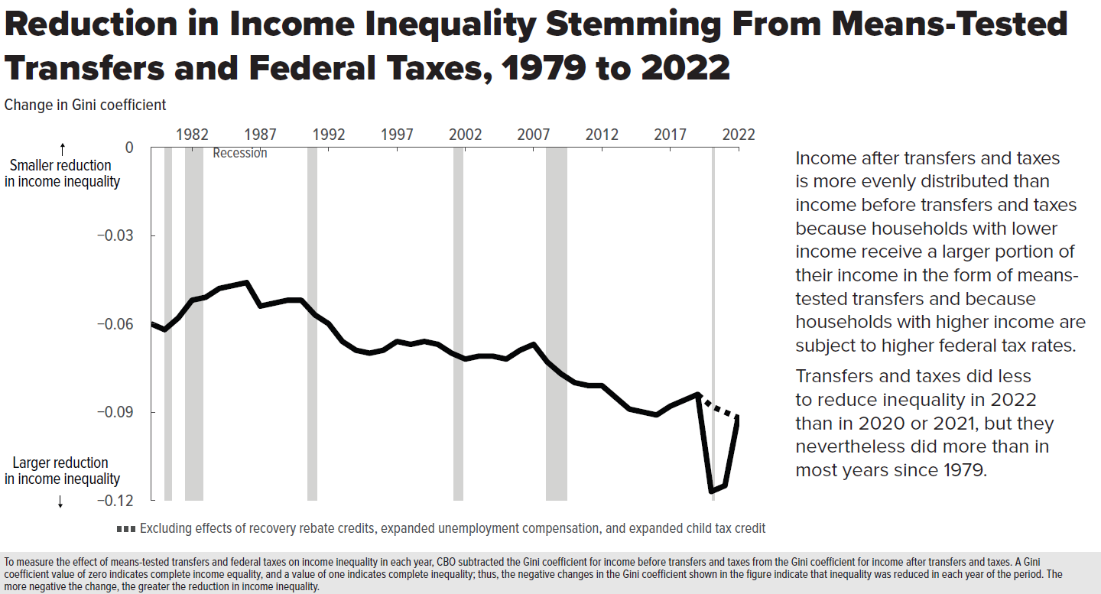
Figure 22. Reduction in Income Inequality Stemming From Means-Tested Transfers and Federal Taxes, 1979 to 2022
Change in Gini coefficient

1979 | -0.060
1980 | -0.062
1981 | -0.058
1982 | -0.052
1983 | -0.051
1984 | -0.048
1985 | -0.047
1986 | -0.046
1987 | -0.054
1988 | -0.053
1989 | -0.052
1990 | -0.052
1991 | -0.057
1992 | -0.060
1993 | -0.066
1994 | -0.069
1995 | -0.070
1996 | -0.069
1997 | -0.066
1998 | -0.067
1999 | -0.066
2000 | -0.067
2001 | -0.070
2002 | -0.072
2003 | -0.071
2004 | -0.071
2005 | -0.072
2006 | -0.069
2007 | -0.067
2008 | -0.073
2009 | -0.077
2010 | -0.080
2011 | -0.081
2012 | -0.081
2013 | -0.085
2014 | -0.089
2015 | -0.090
2016 | -0.091
2017 | -0.088
2018 | -0.086
2019 | -0.084 | -0.084
2020 | -0.117 | -0.088
2021 | -0.115 | -0.090
2022 | -0.091 | -0.092

Back to Table of Contents

