NASA_0012
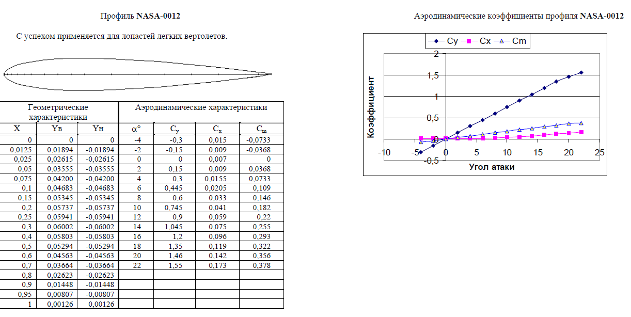
 | From AeroCalc |  | From TsAGI |  | *TsAGI is Russian Central Aerohydrodynamic Institute
α | Cy | Cx | Cy | Cx | ΔCy | ΔCx
-4 | -0.32719970688 | 0.012915097663 | -0.3 | 0.015 | 9.07% | 13.90%
-2 | -0.16654624787 | 0.0078541539353 | -0.15 | 0.009 | 11.03% | 12.73%
0 | -0.0014014853495 | 0.0060847357673 | 0 | 0.007 | - | 13.08%
2 | 0.16777563143 | 0.0078803196333 | 0.15 | 0.009 | 11.85% | 12.44%
4 | 0.35383832247 | 0.014070047541 | 0.3 | 0.0155 | 17.95% | 9.23%
6 | 0.48366791021 | 0.021010868677 | 0.445 | 0.0205 | 8.69% | 2.49%
8 | 0.70433849468 | 0.037726650716 | 0.6 | 0.033 | 17.39% | 14.32%
10 | 0.83717309535 | 0.050796532065 | 0.745 | 0.041 | 12.37% | 23.89%
12 | 1.0270665421 | 0.073375380016 | 0.9 | 0.059 | 14.12% | 24.37%
14 | 1.1465654892 | 0.089961708948 | 1.045 | 0.075 | 9.72% | 19.95%
16 | 1.391860049 | 0.12966053594 | 1.2 | 0.096 | 15.99% | 35.06%
18 | 1.5815192622 | 0.16562927815 | 1.35 | 0.119 | 17.15% | 39.18%
20 | 1.4471666467 | 0.13980183296 | 1.46 | 0.142 | 0.88% | 1.55%
22 | 1.9952456067 | 0.26000111568 | 1.55 | 0.173 | 28.73% | 50.29%
* The calculation was performed with 10x10 discretization

B_12
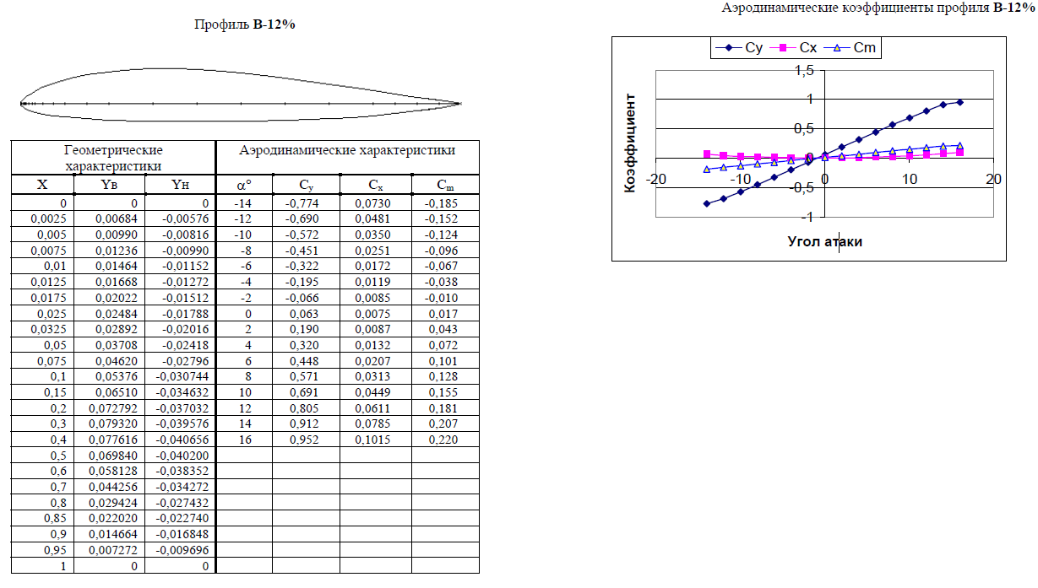
 | Cy_AeroCalc |  | Cy_TsAGI |  | Cx_AeroCalc |  | Cx_TsAGI
-14 | -0.98336725003 | -14 | -0.774 | -14 | 0.067837533066 | -14 | 0.073
-12 | -0.91953676439 | -12 | -0.69 | -12 | 0.060054562796 | -12 | 0.0481
-10 | -0.68790976854 | -10 | -0.572 | -10 | 0.036309324797 | -10 | 0.035
-6 | -0.34887821392 | -8 | -0.451 | -6 | 0.013871499892 | -8 | 0.0251
-4 | -0.21033007453 | -6 | -0.322 | -4 | 0.0089204715583 | -6 | 0.0172
-2 | -0.071993323156 | -4 | -0.195 | -2 | 0.0064229506895 | -4 | 0.0119
0 | 0.076348666207 | -2 | -0.066 | 0 | 0.0064603704869 | -2 | 0.0085
2 | 0.19468267392 | 0 | 0.063 | 2 | 0.008505862649 | 0 | 0.0075
4 | 0.3740760992 | 2 | 0.19 | 4 | 0.015012552581 | 2 | 0.0087
6 | 0.50929596128 | 4 | 0.32 | 6 | 0.022635612329 | 4 | 0.0132
8 | 0.64596113808 | 6 | 0.448 | 8 | 0.032713084848 | 6 | 0.0207
10 | 0.82827761176 | 8 | 0.571 | 10 | 0.049858118077 | 8 | 0.0313
12 | 0.9877844376 | 10 | 0.691 | 12 | 0.068341457139 | 10 | 0.0449
14 | 1.1247701153 | 12 | 0.805 | 14 | 0.08681495586 | 12 | 0.0611
16 | 1.3123137248 | 14 | 0.912 | 16 | 0.11597124713 | 14 | 0.0785
 |  | 16 | 0.952 |  |  | 16 | 0.1015
 | From AeroCalc |  | From TsAGI |  | *TsAGI is Russian Central Aerohydrodynamic Institute
α | Cy | Cx | Cy | Cx | ΔCy | ΔCx
-14 | -0.98336725003 | 0.067837533066 | -0.774 | 0.073 | 27.05% | 7.07%
-12 | -0.91953676439 | 0.060054562796 | -0.69 | 0.0481 | 33.27% | 24.85%
-10 | -0.68790976854 | 0.036309324797 | -0.572 | 0.035 | 20.26% | 3.74%
-8 | 0.040255265814 | 0.0062522825618 | -0.451 | 0.0251 | 108.93% | 75.09%
-6 | -0.34887821392 | 0.013871499892 | -0.322 | 0.0172 | 8.35% | 19.35%
-4 | -0.21033007453 | 0.0089204715583 | -0.195 | 0.0119 | 7.86% | 25.04%
-2 | -0.071993323156 | 0.0064229506895 | -0.066 | 0.0085 | 9.08% | 24.44%
0 | 0.076348666207 | 0.0064603704869 | 0.063 | 0.0075 | 21.19% | 13.86%
2 | 0.19468267392 | 0.008505862649 | 0.19 | 0.0087 | 2.46% | 2.23%
4 | 0.3740760992 | 0.015012552581 | 0.32 | 0.0132 | 16.90% | 13.73%
6 | 0.50929596128 | 0.022635612329 | 0.448 | 0.0207 | 13.68% | 9.35%
8 | 0.64596113808 | 0.032713084848 | 0.571 | 0.0313 | 13.13% | 4.51%
10 | 0.82827761176 | 0.049858118077 | 0.691 | 0.0449 | 19.87% | 11.04%
12 | 0.9877844376 | 0.068341457139 | 0.805 | 0.0611 | 22.71% | 11.85%
14 | 1.1247701153 | 0.08681495586 | 0.912 | 0.0785 | 23.33% | 10.59%
16 | 1.3123137248 | 0.11597124713 | 0.952 | 0.1015 | 37.85% | 14.26%
* The calculation was performed with 15x15 discretization

P-III
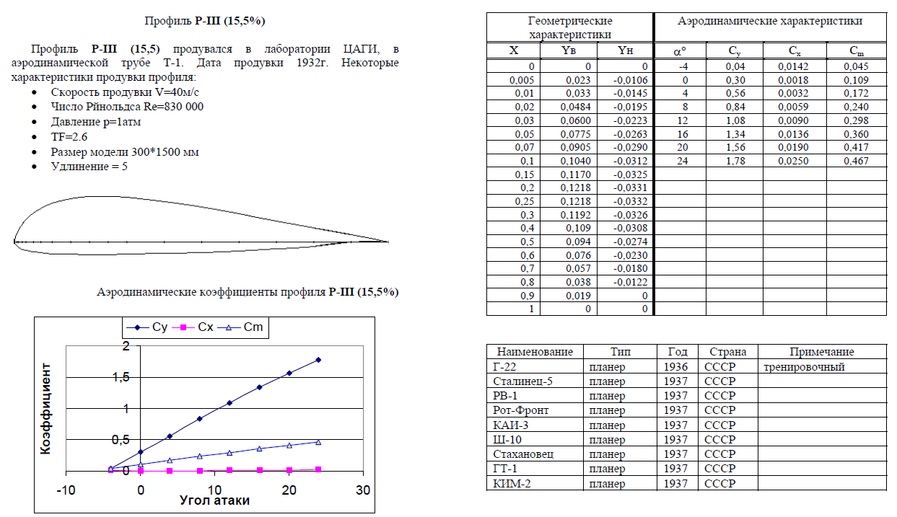
 | From AeroCalc |  | From TsAGI |  | *TsAGI is Russian Central Aerohydrodynamic Institute
α | Cy | Cx | Cy | Cx | ΔCy | ΔCx
-4 | 0.046655336792 | 0.006354674879 | 0.04 | 0.0142 | 16.64% | 55.25%
0 | 0.38740314574 | 0.015755426121 | 0.3 | 0.0018 | 29.13% | 775.30%
4 | 0.6086534494 | 0.029800254991 | 0.56 | 0.0032 | 8.69% | 831.26%
8 | 1.0638665384 | 0.078315290274 | 0.84 | 0.0059 | 26.65% | 1227.38%
12 | 1.4122520539 | 0.1333104962 | 1.08 | 0.009 | 30.76% | 1381.23%
16 | 1.5936370292 | 0.16813183979 | 1.34 | 0.0136 | 18.93% | 1136.26%
20 | 1.8387612146 | 0.22184279251 | 1.56 | 0.019 | 17.87% | 1067.59%
24 | 1.4978612182 | 0.14961905799 | 1.78 | 0.025 | 15.85% | 498.48%

* The calculation was performed with 15x15 discretization

TsAGI-6-12
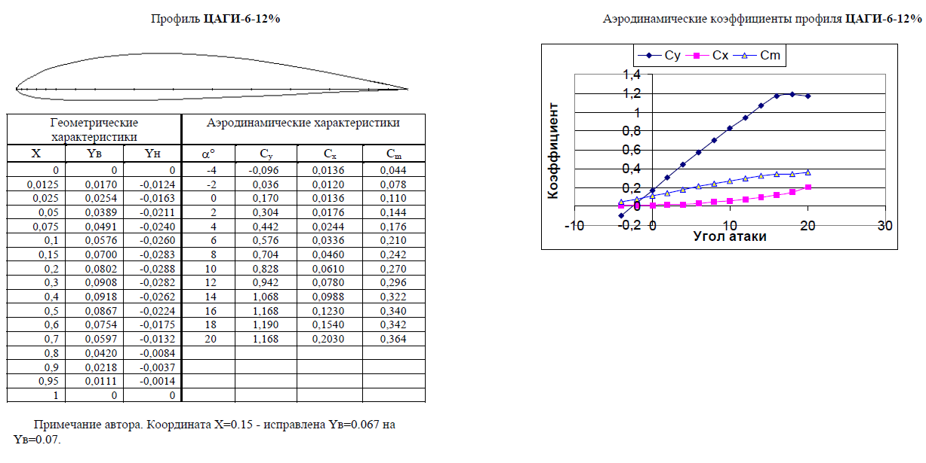
 | From AeroCalc |  | From TsAGI |  | *TsAGI is Russian Central Aerohydrodynamic Institute
α | Cy | Cx | Cy | Cx | ΔCy | ΔCx
-4 | -0.013078593611 | 0.0061218084661 | -0.096 | 0.0136 | 86.38% | 54.99%
-2 | 0.13684922356 | 0.0072919922733 | 0.036 | 0.012 | 280.14% | 39.23%
0 | 0.29237157316 | 0.01153793237 | 0.17 | 0.0136 | 71.98% | 15.16%
2 | 0.43888333019 | 0.018362228166 | 0.304 | 0.0176 | 44.37% | 4.33%
4 | 0.5758847691 | 0.027223985135 | 0.442 | 0.0244 | 30.29% | 11.57%
6 | 0.73773504532 | 0.040777833502 | 0.576 | 0.0336 | 28.08% | 21.36%
8 | 0.85062778312 | 0.052219688184 | 0.704 | 0.046 | 20.83% | 13.52%
10 | 0.97823164522 | 0.067110585431 | 0.828 | 0.061 | 18.14% | 10.02%
12 | 1.1690610404 | 0.093239282845 | 0.942 | 0.078 | 24.10% | 19.54%
14 | 0.81088490267 | 0.048142590219 | 1.068 | 0.0988 | 24.07% | 51.27%
16 | 1.479850959 | 0.14575881121 | 1.168 | 0.123 | 26.70% | 18.50%
18 | 0.52320550948 | 0.023836832977 | 1.19 | 0.154 | 56.03% | 84.52%
20 | 1.0959396499 | 0.082950627504 | 1.168 | 0.203 | 6.17% | 59.14%

* The calculation was performed with 15x15 discretization

Mynk-12
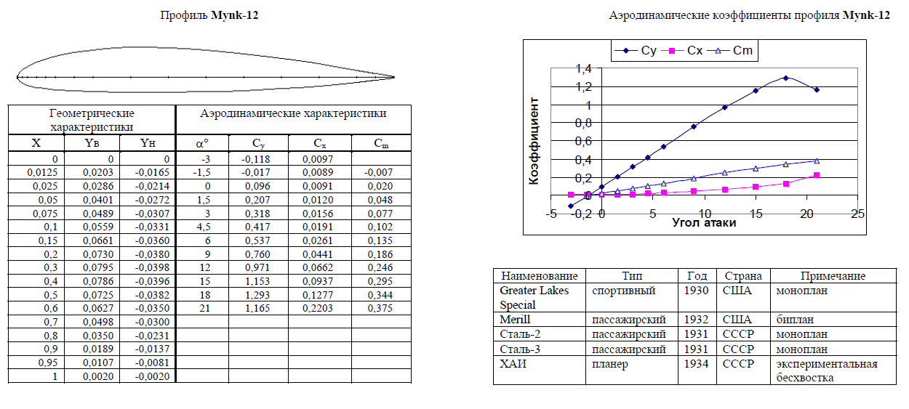
 | From AeroCalc |  | From TsAGI |  | *TsAGI is Russian Central Aerohydrodynamic Institute
α | Cy | Cx | Cy | Cx | ΔCy | ΔCx
-3 | -0.10365293884 | 0.0067797594887 | -0.118 | 0.0097 | 12.16% | 30.11%
-1.5 | 0.02062840981 | 0.0061166020077 | -0.017 | 0.0089 | 221.34% | 31.27%
0 | 0.13894423384 | 0.0073164514546 | 0.096 | 0.0091 | 44.73% | 19.60%
1.5 | 0.27036540368 | 0.010743040134 | 0.207 | 0.012 | 30.61% | 10.47%
3 | 0.39560023614 | 0.016058849687 | 0.318 | 0.0156 | 24.40% | 2.94%
4.5 | 0.52157640623 | 0.02342497678 | 0.417 | 0.0191 | 25.08% | 22.64%
6 | 0.64798004072 | 0.032851228303 | 0.537 | 0.0261 | 20.67% | 25.87%
9 | 0.91802533048 | 0.059815742301 | 0.76 | 0.0441 | 20.79% | 35.64%
12 | 1.1675846322 | 0.093010858811 | 0.971 | 0.0662 | 20.25% | 40.50%
15 | 1.4390824312 | 0.1381434632 | 1.153 | 0.0937 | 24.81% | 47.43%
18 | 4.4999911598 | 1.2955506718 | 1.293 | 0.1277 | 248.03% | 914.53%
21 | 2.0021430027 | 0.26171442765 | 1.165 | 0.2203 | 71.86% | 18.80%

* The calculation was performed with 10x10 discretization

