NASA_0012
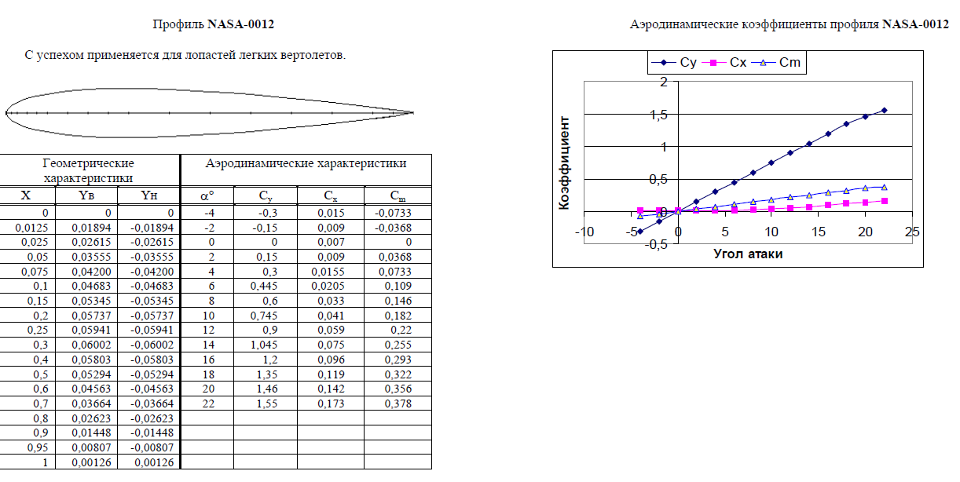
 | From AeroCalc |  | From TsAGI |  | *TsAGI is Russian Central Aerohydrodynamic Institute
α | Cy | Cx | Cy | Cx | ΔCy | ΔCx
-4 | -0.32272 | 0.01273 | -0.3 | 0.015 | 7.57% | 15.13%
-2 | -0.16147 | 0.00775 | -0.15 | 0.009 | 7.65% | 13.89%
0 | -0.00135 | 0.00608 | 0 | 0.007 | - | 13.14%
2 | 0.16211 | 0.00776 | 0.15 | 0.009 | 8.07% | 13.78%
4 | 0.34115 | 0.01351 | 0.3 | 0.0155 | 13.72% | 12.84%
6 | 0.46623 | 0.01996 | 0.445 | 0.0205 | 4.77% | 2.63%
8 | 0.67302 | 0.03498 | 0.6 | 0.033 | 12.17% | 6.00%
10 | 0.80539 | 0.04747 | 0.745 | 0.041 | 8.11% | 15.78%
12 | 0.97367 | 0.06657 | 0.9 | 0.059 | 8.19% | 12.83%
14 | 1.08213 | 0.08082 | 1.045 | 0.075 | 3.55% | 7.76%
16 | 1.29945 | 0.11383 | 1.2 | 0.096 | 8.29% | 18.57%
18 | 1.46279 | 0.14262 | 1.35 | 0.119 | 8.35% | 19.85%
20 | 1.25539 | 0.10681 | 1.46 | 0.142 | 14.01% | 24.78%
22 | 1.80162 | 0.2132 | 1.55 | 0.173 | 16.23% | 23.24%
* The calculation was performed with 10x10 discretization

B_12
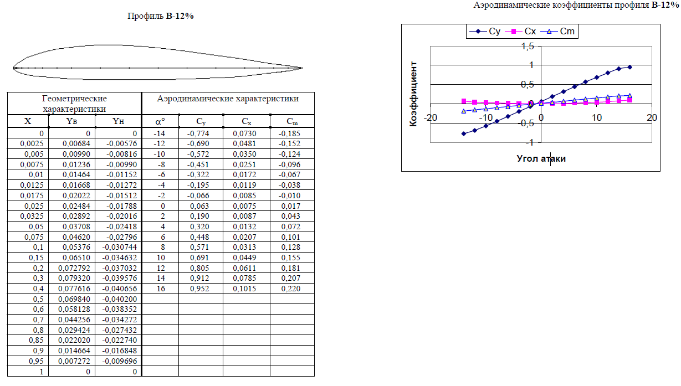
 | Cy_AeroCalc |  | Cy_TsAGI |  | Cx_AeroCalc |  | Cx_TsAGI
-14 | -0.92989 | -14 | -0.774 | -14 | 0.06132 | -14 | 0.073
-12 | -0.87743 | -12 | -0.69 | -12 | 0.05524 | -12 | 0.0481
-10 | -0.66488 | -10 | -0.572 | -10 | 0.03433 | -10 | 0.035
-6 | -0.36413 | -8 | -0.451 | -6 | 0.01456 | -8 | 0.0251
-4 | -0.22233 | -6 | -0.322 | -4 | 0.00925 | -6 | 0.0172
-2 | -0.09228 | -4 | -0.195 | -2 | 0.00664 | -4 | 0.0119
0 | 0.0522 | -2 | -0.066 | 0 | 0.00626 | -2 | 0.0085
2 | 0.16044 | 0 | 0.063 | 2 | 0.00773 | 0 | 0.0075
4 | 0.33843 | 2 | 0.19 | 4 | 0.0134 | 2 | 0.0087
6 | 0.46788 | 4 | 0.32 | 6 | 0.02006 | 4 | 0.0132
8 | 0.59367 | 6 | 0.448 | 8 | 0.02859 | 6 | 0.0207
10 | 0.77536 | 8 | 0.571 | 10 | 0.04446 | 8 | 0.0313
12 | 0.92618 | 10 | 0.691 | 12 | 0.06083 | 10 | 0.0449
14 | 1.04288 | 12 | 0.805 | 14 | 0.07551 | 12 | 0.0611
16 | 1.21205 | 14 | 0.912 | 16 | 0.09986 | 14 | 0.0785
 |  | 16 | 0.952 |  |  | 16 | 0.1015
 | From AeroCalc |  | From TsAGI |  | *TsAGI is Russian Central Aerohydrodynamic Institute
α | Cy | Cx | Cy | Cx | ΔCy | ΔCx
-14 | -0.92989 | 0.06132 | -0.774 | 0.073 | 20.14% | 16.00%
-12 | -0.87743 | 0.05524 | -0.69 | 0.0481 | 27.16% | 14.84%
-10 | -0.66488 | 0.03433 | -0.572 | 0.035 | 16.24% | 1.91%
-8 | 0.03003 | 0.00621 | -0.451 | 0.0251 | 106.66% | 75.26%
-6 | -0.36413 | 0.01456 | -0.322 | 0.0172 | 13.08% | 15.35%
-4 | -0.22233 | 0.00925 | -0.195 | 0.0119 | 14.02% | 22.27%
-2 | -0.09228 | 0.00664 | -0.066 | 0.0085 | 39.82% | 21.88%
0 | 0.0522 | 0.00626 | 0.063 | 0.0075 | 17.14% | 16.53%
2 | 0.16044 | 0.00773 | 0.19 | 0.0087 | 15.56% | 11.15%
4 | 0.33843 | 0.0134 | 0.32 | 0.0132 | 5.76% | 1.52%
6 | 0.46788 | 0.02006 | 0.448 | 0.0207 | 4.44% | 3.09%
8 | 0.59367 | 0.02859 | 0.571 | 0.0313 | 3.97% | 8.66%
10 | 0.77536 | 0.04446 | 0.691 | 0.0449 | 12.21% | 0.98%
12 | 0.92618 | 0.06083 | 0.805 | 0.0611 | 15.05% | 0.44%
14 | 1.04288 | 0.07551 | 0.912 | 0.0785 | 14.35% | 3.81%
16 | 1.21205 | 0.09986 | 0.952 | 0.1015 | 27.32% | 1.62%
* The calculation was performed with 15x15 discretization

P-III
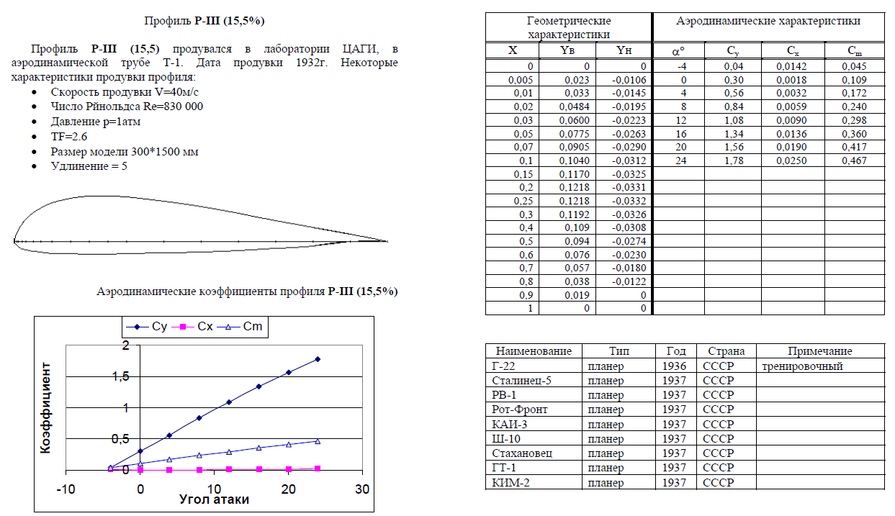
 | From AeroCalc |  | From TsAGI |  | *TsAGI is Russian Central Aerohydrodynamic Institute
α | Cy | Cx | Cy | Cx | ΔCy | ΔCx
-4 | -0.00963 | 0.00622 | 0.04 | 0.0142 | 124.08% | 56.20%
0 | 0.29818 | 0.01186 | 0.3 | 0.0018 | 0.61% | 558.89%
4 | 0.50637 | 0.02254 | 0.56 | 0.0032 | 9.58% | 604.37%
8 | 0.9156 | 0.05963 | 0.84 | 0.0059 | 9.00% | 910.68%
12 | 1.23649 | 0.10367 | 1.08 | 0.009 | 14.49% | 1051.89%
16 | 1.36068 | 0.12432 | 1.34 | 0.0136 | 1.54% | 814.12%
20 | 1.54047 | 0.15767 | 1.56 | 0.019 | 1.25% | 729.84%
24 | 1.26289 | 0.10832 | 1.78 | 0.025 | 29.05% | 333.28%

* The calculation was performed with 15x15 discretization

TsAGI-6-12
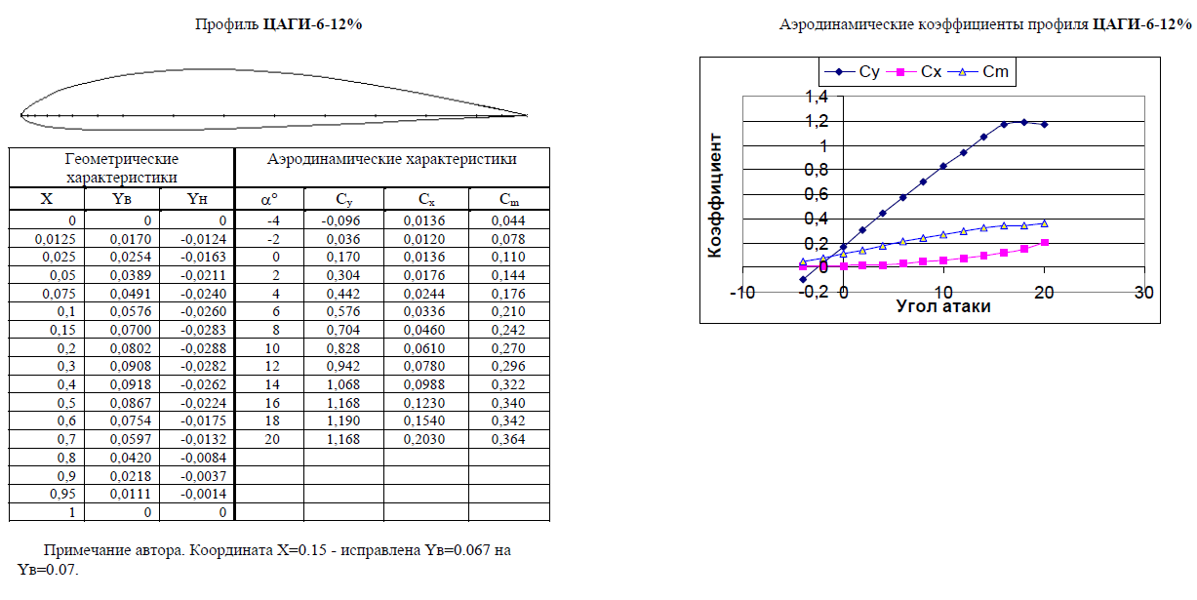
 | From AeroCalc |  | From TsAGI |  | *TsAGI is Russian Central Aerohydrodynamic Institute
α | Cy | Cx | Cy | Cx | ΔCy | ΔCx
-4 | -0.04005 | 0.00621 | -0.096 | 0.0136 | 58.28% | 54.34%
-2 | 0.1024 | 0.00677 | 0.036 | 0.012 | 184.44% | 43.58%
0 | 0.24565 | 0.00994 | 0.17 | 0.0136 | 44.50% | 26.91%
2 | 0.3893 | 0.01575 | 0.304 | 0.0176 | 28.06% | 10.51%
4 | 0.52305 | 0.02353 | 0.442 | 0.0244 | 18.34% | 3.57%
6 | 0.6779 | 0.03539 | 0.576 | 0.0336 | 17.69% | 5.33%
8 | 0.77831 | 0.04472 | 0.704 | 0.046 | 10.56% | 2.78%
10 | 0.9044 | 0.05826 | 0.828 | 0.061 | 9.23% | 4.49%
12 | 1.08345 | 0.08096 | 0.942 | 0.078 | 15.02% | 3.79%
14 | 0.67254 | 0.03508 | 1.068 | 0.0988 | 37.03% | 64.49%
16 | 1.36141 | 0.12434 | 1.168 | 0.123 | 16.56% | 1.09%
18 | 0.34824 | 0.01413 | 1.19 | 0.154 | 70.74% | 90.82%
20 | 0.92799 | 0.06131 | 1.168 | 0.203 | 20.55% | 69.80%

* The calculation was performed with 15x15 discretization

Mynk-12
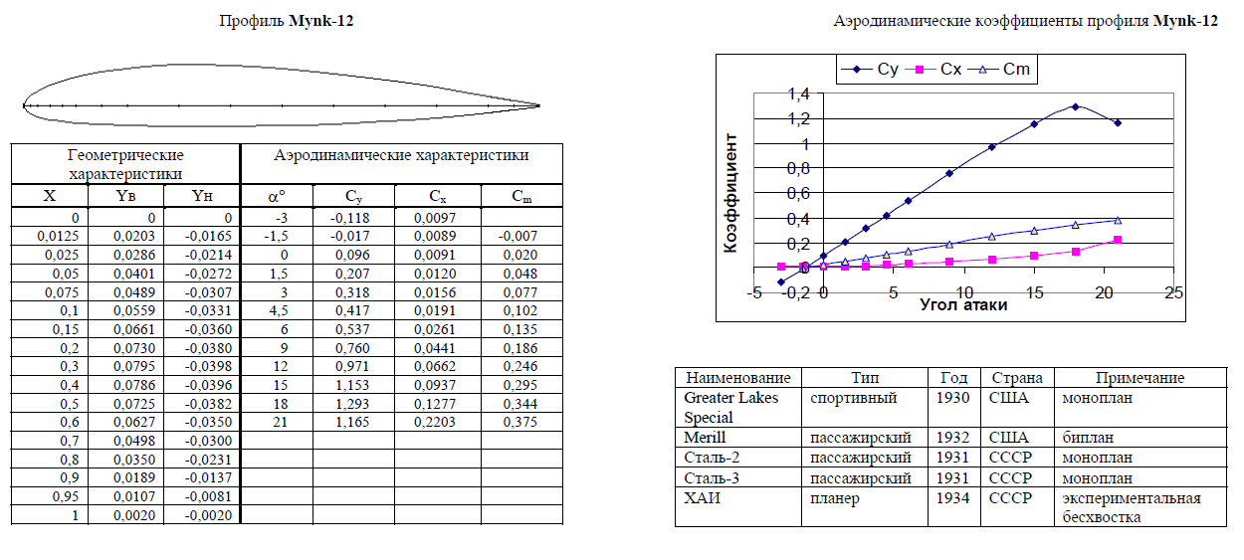
 | From AeroCalc |  | From TsAGI |  | *TsAGI is Russian Central Aerohydrodynamic Institute
α | Cy | Cx | Cy | Cx | ΔCy | ΔCx
-3 | -0.10739 | 0.00684 | -0.118 | 0.0097 | 8.99% | 29.48%
-1.5 | -0.00036 | 0.0061 | -0.017 | 0.0089 | 97.88% | 31.46%
0 | 0.10685 | 0.00682 | 0.096 | 0.0091 | 11.30% | 25.05%
1.5 | 0.2143 | 0.00902 | 0.207 | 0.012 | 3.53% | 24.83%
3 | 0.32199 | 0.0127 | 0.318 | 0.0156 | 1.25% | 18.59%
4.5 | 0.43939 | 0.0184 | 0.417 | 0.0191 | 5.37% | 3.66%
6 | 0.52071 | 0.02339 | 0.537 | 0.0261 | 3.03% | 10.38%
9 | 0.74173 | 0.0412 | 0.76 | 0.0441 | 2.40% | 6.58%
12 | 0.97473 | 0.06672 | 0.971 | 0.0662 | 0.38% | 0.79%
15 | 1.35809 | 0.12373 | 1.153 | 0.0937 | 17.79% | 32.05%
18 | 1.76232 | 0.20413 | 1.293 | 0.1277 | 36.30% | 59.85%
21 | 1.53784 | 0.15709 | 1.165 | 0.2203 | 32.00% | 28.69%

* The calculation was performed with 10x10 discretization

