dashboard
Nigeria Car Market
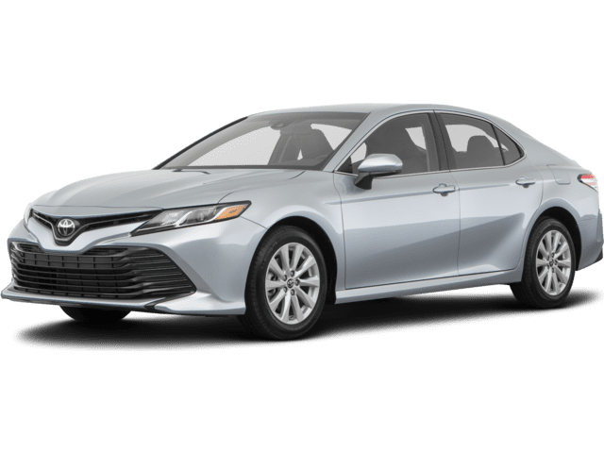
Average Vehicle metrics: Nigeria Car Market

Location: Nigeria, Africa
₦5.0M
243.3K
(km)
217
(hp)
3.1K
(cc)
Price
Mileage
Horse Power
Engine Size

Top 10 most popular models
 | Total
Acura | 56
Ford | 135
Honda | 310
Hyundai | 97
Kia | 57
Lexus | 289
Mercedes-Benz | 261
Nissan | 111
Toyota | 1126
Volkswagen | 56

Cylinder types
Transmission types
 | Total
Beige | 18
Black | 741
Blue | 323
Brown | 46
Gold | 149
Gray | 498
Green | 100
Red | 205
Silver | 484
White | 279
Top 10 most popular colours
 | Total
4 | 147
5 | 3
6 | 179
8 | 40
 | Total
Automatic | 2702
Manual | 171

