Structure
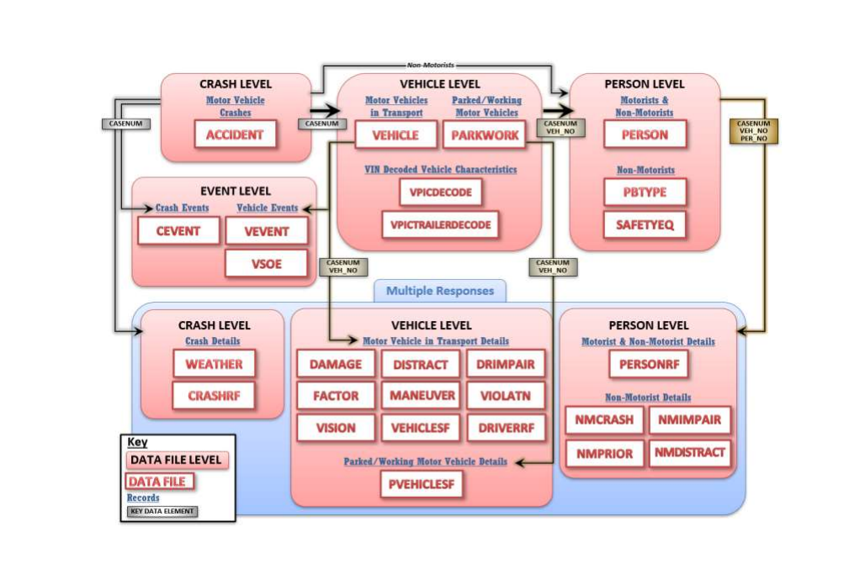
CRSS Analytical Users Manual - 2016-2020 PDF (page 30, 35/406)
Description of all files on page 26, 31/406
Data elements list starts on page 31, 36/406

