Sheet1
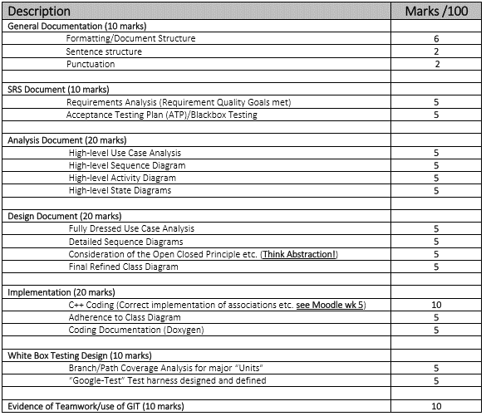
SRS Documet | 5
Pt 1
Pt2

Analysis Doc | 1
Pt1 | Complete
Pt2 | Complete
Pt3 | Complete
Pt4 | Complete

Design Doc | 2
Pt1
Pt2 | Complete
Pt3 | ?
Pt4

Implentation | 3
Pt1
Pt2
Pt3

White Box Tst | 4
Pt1
Pt2

Evidence

