Dashboard_1
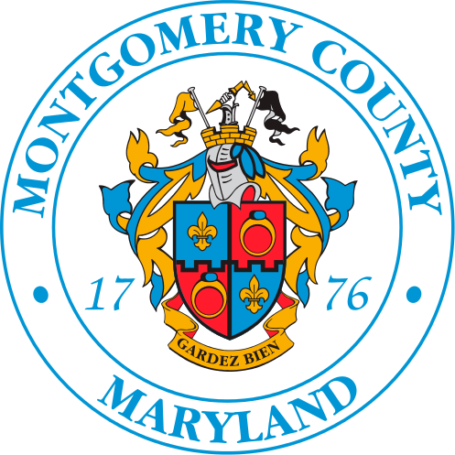
Employee Salaries - 2023
Metadata Updated: February 17, 2024
Annual salary information including gross pay and overtime pay for all active, permanent employees of Montgomery County, MD paid in calendar year 2023. This information will be published annually each year.
source: https://catalog.data.gov/dataset/employee-salaries-2023

Total Headcount
Female
Male
Number of Departments
 | 9,674 | 3,987 | 5,687 | 42

Top 10 Departments in terms of

Employees count

Department of Police | 1702
Department of Health and Human Services | 1600
Fire and Rescue Services | 1361
Department of Transportation | 1274
Correction and Rehabilitation | 513
Alcohol Beverage Services | 459
Department of Public Libraries | 421
Department of General Services | 390
Department of Permitting Services | 228
Sheriff's Office | 184
Department of Recreation | 184

Sum of Salary

Department of Police | $159,847,602
Department of Health and Human Services | $142,091,179
Fire and Rescue Services | $133,634,637
Department of Transportation | $103,987,056
Correction and Rehabilitation | $43,584,572
Department of General Services | $35,747,976
Alcohol Beverage Services | $29,707,644
Department of Public Libraries | $27,205,120
Department of Permitting Services | $23,707,572
Department of Technology and Enterprise Business Solutions | $19,033,427

Paid Overtime

Fire and Rescue Services | $30,518,146
Department of Transportation | $17,069,323
Department of Police | $16,209,557
Correction and Rehabilitation | $11,172,236
Department of General Services | $2,605,575
Department of Health and Human Services | $1,972,801
Sheriff's Office | $1,140,416
Alcohol Beverage Services | $954,175
Community Engagement Cluster | $460,609
Department of Environmental Protection | $305,042

Paid Longevity pay

Department of Police | $5,599,340
Fire and Rescue Services | $3,886,183
Department of Health and Human Services | $1,542,609
Correction and Rehabilitation | $704,022
Department of Transportation | $625,185
Department of General Services | $570,259
Department of Public Libraries | $410,046
Sheriff's Office | $347,938
Alcohol Beverage Services | $269,290
Department of Permitting Services | $244,410

Dashboard_2
Man vs Woman

Hired women

 | Female | Male
Department of Health and Human Services | 1332 | 268
Department of Police | 622 | 1080
Department of Public Libraries | 320 | 101
Department of Transportation | 266 | 1008
Correction and Rehabilitation | 188 | 325
Fire and Rescue Services | 114 | 1247
Department of Recreation | 97 | 87
Alcohol Beverage Services | 96 | 363
Department of Environmental Protection | 81 | 97
County Council | 76 | 41

Hired man

 | Male | Female
Fire and Rescue Services | 1247 | 114
Department of Police | 1080 | 622
Department of Transportation | 1008 | 266
Alcohol Beverage Services | 363 | 96
Correction and Rehabilitation | 325 | 188
Department of General Services | 318 | 72
Department of Health and Human Services | 268 | 1332
Department of Permitting Services | 164 | 64
Sheriff's Office | 130 | 54
Department of Public Libraries | 101 | 320

 | Total
F | 3987
M | 5687

Inputs_1
Row Labels | Count of Employees
Department of Police | 1702
Department of Health and Human Services | 1600
Fire and Rescue Services | 1361
Department of Transportation | 1274
Correction and Rehabilitation | 513
Alcohol Beverage Services | 459
Department of Public Libraries | 421
Department of General Services | 390
Department of Permitting Services | 228
Sheriff's Office | 184
Department of Recreation | 184
Department of Environmental Protection | 178
Department of Technology and Enterprise Business Solutions | 144
County Council | 117
Department of Finance | 112
Community Engagement Cluster | 103
Department of Housing and Community Affairs | 95
Office of Animal Services | 77
County Attorney's Office | 74
Office of Public Information | 65
Office of Human Resources | 63
Offices of the County Executive | 47
Office of Management and Budget | 40
Board of Elections | 34
Office of Procurement | 34
Community Use of Public Facilities | 28
Office of the Inspector General | 19
Office of Emergency Management and Homeland Security | 19
Office of Consumer Protection | 18
Non-Departmental Account | 18
Office of Legislative Oversight | 15
Office of Agriculture | 11
Office of Human Rights | 11
Office of Labor Relations | 7
Office of Racial Equity and Social Justice | 6
Office of Grants Management | 5
Office of Zoning and Administrative Hearings | 4
Office of Intergovernmental Relations Department | 4
Board of Appeals Department | 3
Office of Food Systems Resilience | 3
Ethics Commission | 2
Merit System Protection Board Department | 2
Grand Total | 9674

