Title
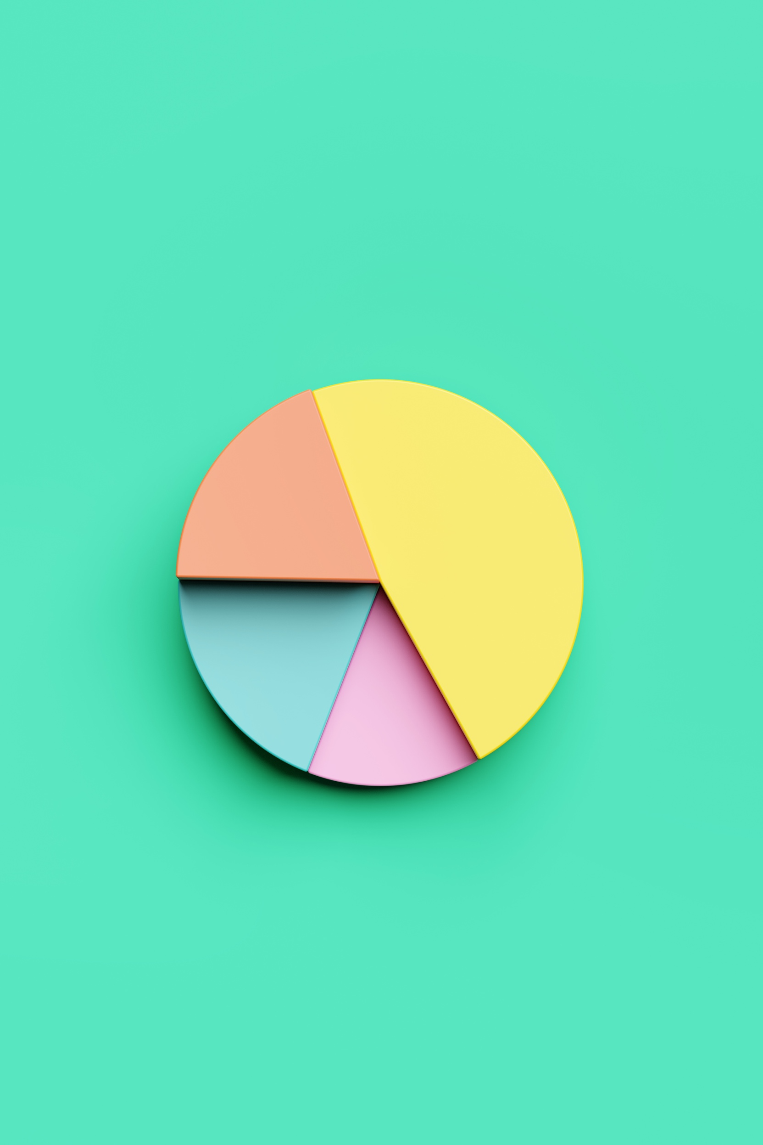

Montgomery County,MD 2023: Salary and Pay Equality Insights

Author: Paula Humeniuk

Histogram
Distribution of Pay
Creating a Histogram

Increments | $20,000

Lower | Upper | Bin Name | Frequency
$11,000 | $31,000 | $11000 - $31000 | 287
$31,000 | $51,000 | $31000 - $51000 | 331
$51,000 | $71,000 | $51000 - $71000 | 1788
$71,000 | $91,000 | $71000 - $91000 | 2878
$91,000 | $111,000 | $91000 - $111000 | 2434
$111,000 | $131,000 | $111000 - $131000 | 1067
$131,000 | $151,000 | $131000 - $151000 | 445
$151,000 | $171,000 | $151000 - $171000 | 238
$171,000 | $191,000 | $171000 - $191000 | 135
$191,000 | $211,000 | $191000 - $211000 | 39
$211,000 | $231,000 | $211000 - $231000 | 18
$231,000 | $251,000 | $231000 - $251000 | 11
$251,000 | $271,000 | $251000 - $271000 | 2
$271,000 | $291,000 | $271000 - $291000 | 0
$291,000 | $311,000 | $291000 - $311000 | 1

Pareto - Combo Chart
Combo Chart
Running Total - Pareto Analysis
 | Total Salary | Percentage
Department of Police | $159847602 | 18%
Department of Health and Human Services | $301938781 | 34%
Fire and Rescue Services | $435573418 | 50%
Department of Transportation | $539560474 | 61%
Correction and Rehabilitation | $583145047 | 66%
Department of General Services | $618893023 | 71%
Alcohol Beverage Services | $648600667 | 74%
Department of Public Libraries | $675805786 | 77%
Department of Permitting Services | $699513359 | 80%
Department of Technology and Enterprise Business Solutions | $718546785 | 82%
Department of Environmental Protection | $737159128 | 84%
Sheriff's Office | $753774027 | 86%
Department of Recreation | $769293512 | 88%
Department of Finance | $782089864 | 89%
County Council | $793926994 | 90%
Department of Housing and Community Affairs | $803710073 | 92%
County Attorney's Office | $813349682 | 93%
Community Engagement Cluster | $821170917 | 94%
Office of Human Resources | $828051305 | 94%
Offices of the County Executive | $834105452 | 95%
Office of Animal Services | $839997000 | 96%
Office of Public Information | $845663936 | 96%
Office of Management and Budget | $850753324 | 97%
Office of Procurement | $854350400 | 97%
Board of Elections | $857257983 | 98%
Community Use of Public Facilities | $859862630 | 98%
Non-Departmental Account | $862306613 | 98%
Office of the Inspector General | $864704871 | 99%
Office of Emergency Management and Homeland Security | $866864293 | 99%
Office of Legislative Oversight | $868868532 | 99%
Office of Consumer Protection | $870780374 | 99%
Office of Human Rights | $871970378 | 99%
Office of Agriculture | $873077112 | 99%
Office of Labor Relations | $874067509 | 100%
Office of Racial Equity and Social Justice | $874800120 | 100%
Office of Intergovernmental Relations Department | $875460907 | 100%
Office of Zoning and Administrative Hearings | $876036509 | 100%
Office of Grants Management | $876559505 | 100%
Office of Food Systems Resilience | $876897838 | 100%
Board of Appeals Department | $877211285 | 100%
Ethics Commission | $877494062 | 100%
Merit System Protection Board Department | $877679876 | 100%

