Sheet1
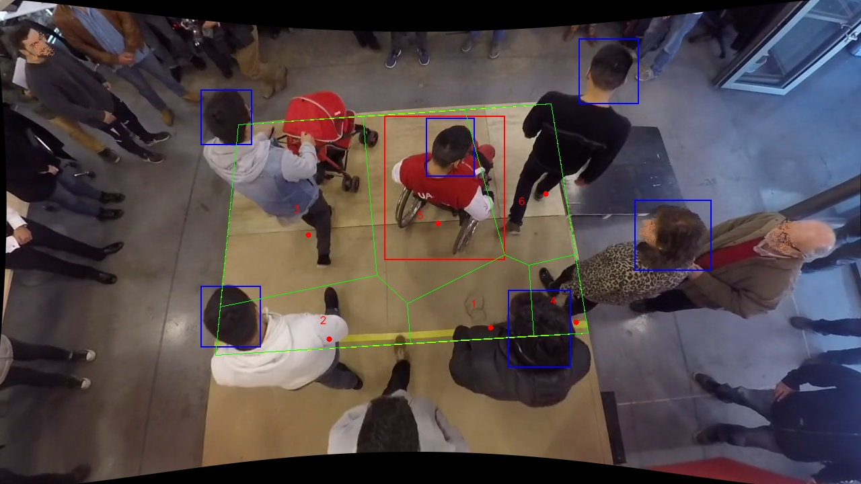
Polygon Areas in m2
Polygon Area = | 7.0
Average Density = | 1.1666666666666667
Polygon 1 Area = | 0.7049227768860873
Polygon 2 Area = | 0.9848280007045476
Polygon 3 Area = | 2.131901514888578
Polygon 4 Area = | 0.33651772285412823
Polygon 5 Area = | 1.7672147886470448
Polygon 6 Area = | 1.0746151960196149

