Sheet1
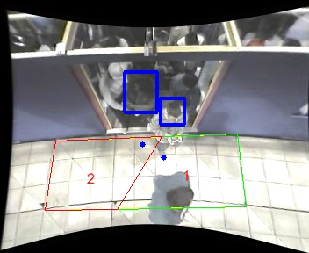
Polygon Areas in m2
Polygon Area = | 5.0
Polygon 1 Area = | 2.7087679729348744
Polygon 2 Area = | 2.2912320270651256

