Sheet1
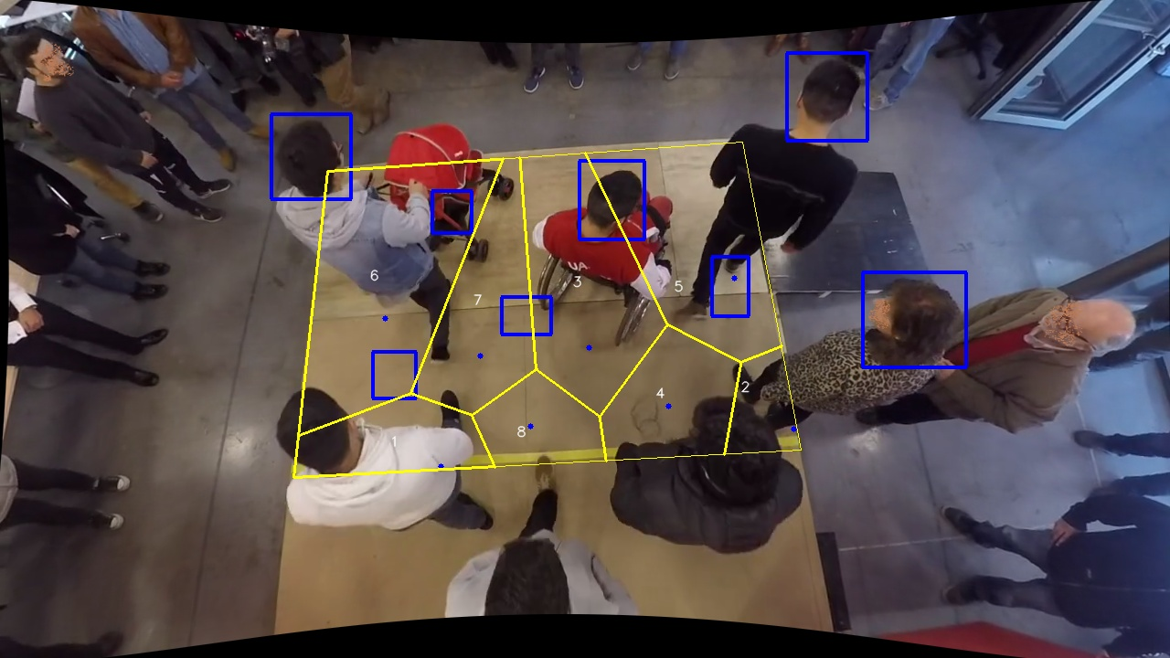
Polygon Areas in m2
Polygon Area = | 4.15
Polygon 1 Area = | 0.38969394202536184
Polygon 2 Area = | 0.060071564450241165
Polygon 3 Area = | 0.8344815294113672
Polygon 4 Area = | 0.45380393097645966
Polygon 5 Area = | 0.35253482769456385
Polygon 6 Area = | 1.162701676257024
Polygon 7 Area = | 0.5978130268924202
Polygon 8 Area = | 0.29889950229256296

