Sheet1
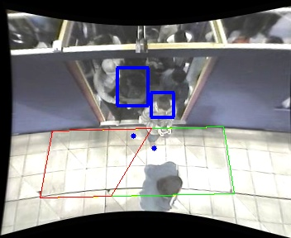
Polygon Areas in m2
Polygon Area = | 6.0
Polygon 1 Area = | 3.210913258602858
Polygon 2 Area = | 2.789086741397143

