Sheet1
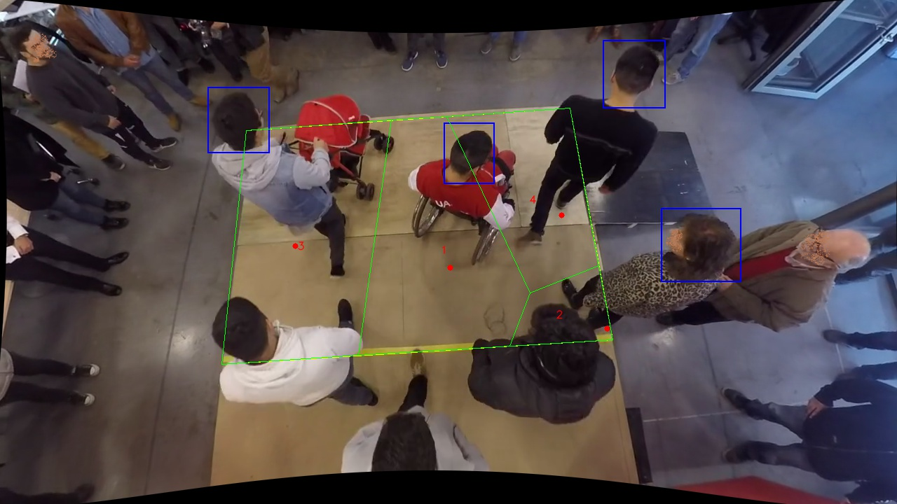
Polygon Areas in m2
Polygon Area = | 321.0
Average Density = | 80.25
Polygon 1 Area = | 108.06341340807079
Polygon 2 Area = | 20.68526856682917
Polygon 3 Area = | 126.60876511299692
Polygon 4 Area = | 65.64255291210311

