Sheet1
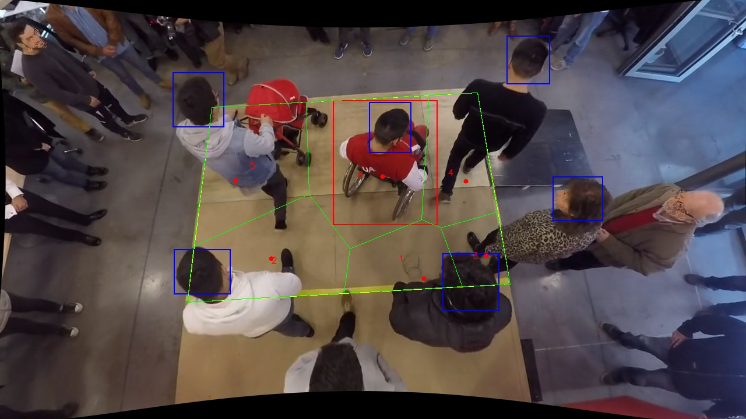
Polygon Areas in m2
Polygon Area = | 65.0
Average Density = | 10.833333333333334
Polygon 1 Area = | 6.9417870108637265
Polygon 2 Area = | 13.720120752409844
Polygon 3 Area = | 4.08522447736458
Polygon 4 Area = | 9.111103034878461
Polygon 5 Area = | 13.643266728456988
Polygon 6 Area = | 17.498497996026405

