Sheet1
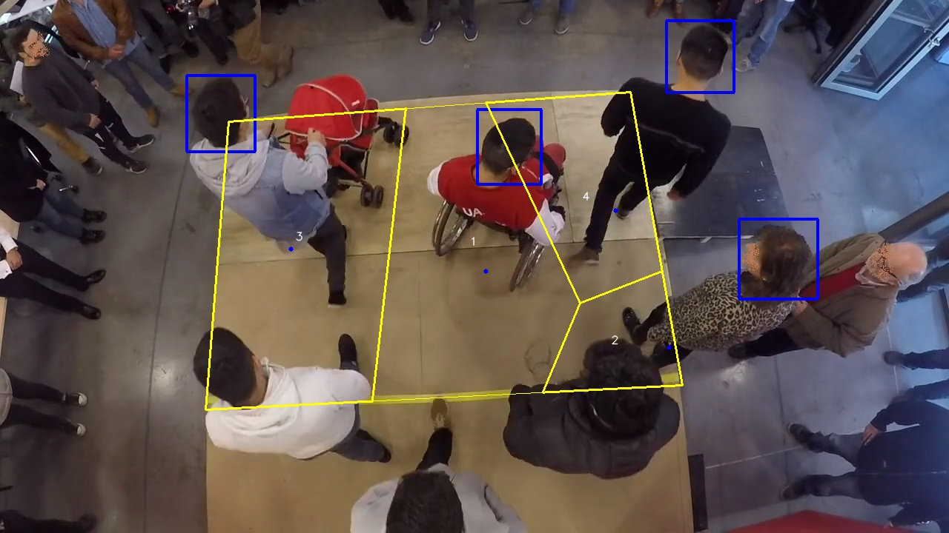
Polygon Areas in m2
Polygon Area = | 6.3
Polygon 1 Area = | 2.1879441057472637
Polygon 2 Area = | 0.5496026394271882
Polygon 3 Area = | 2.4370349413531525
Polygon 4 Area = | 1.1254183134723954

