Sheet1
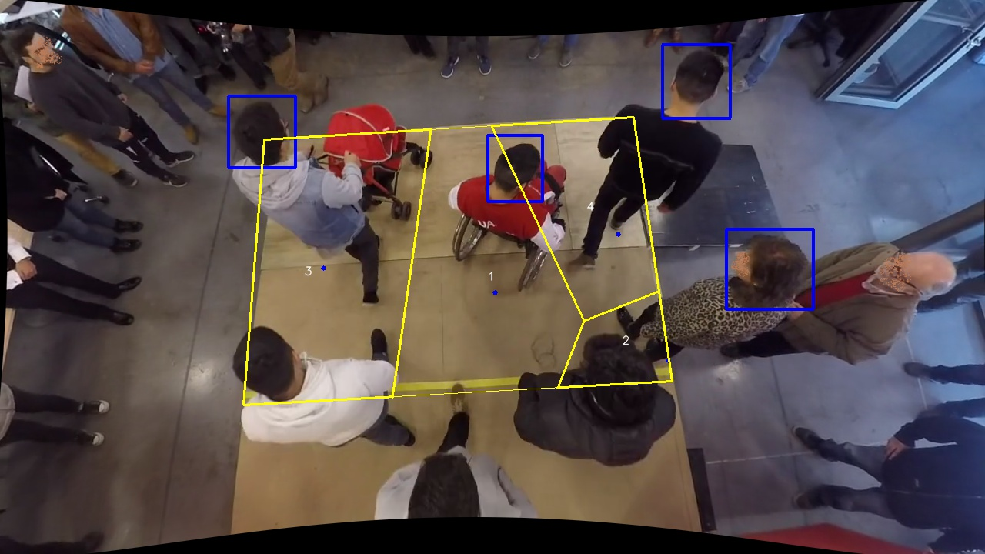
Polygon Areas in m2
Polygon Area = | 6.3
Polygon 1 Area = | 2.1180417569387107
Polygon 2 Area = | 0.43713879638505476
Polygon 3 Area = | 2.4836709646318287
Polygon 4 Area = | 1.2611484820444054

