Sheet1
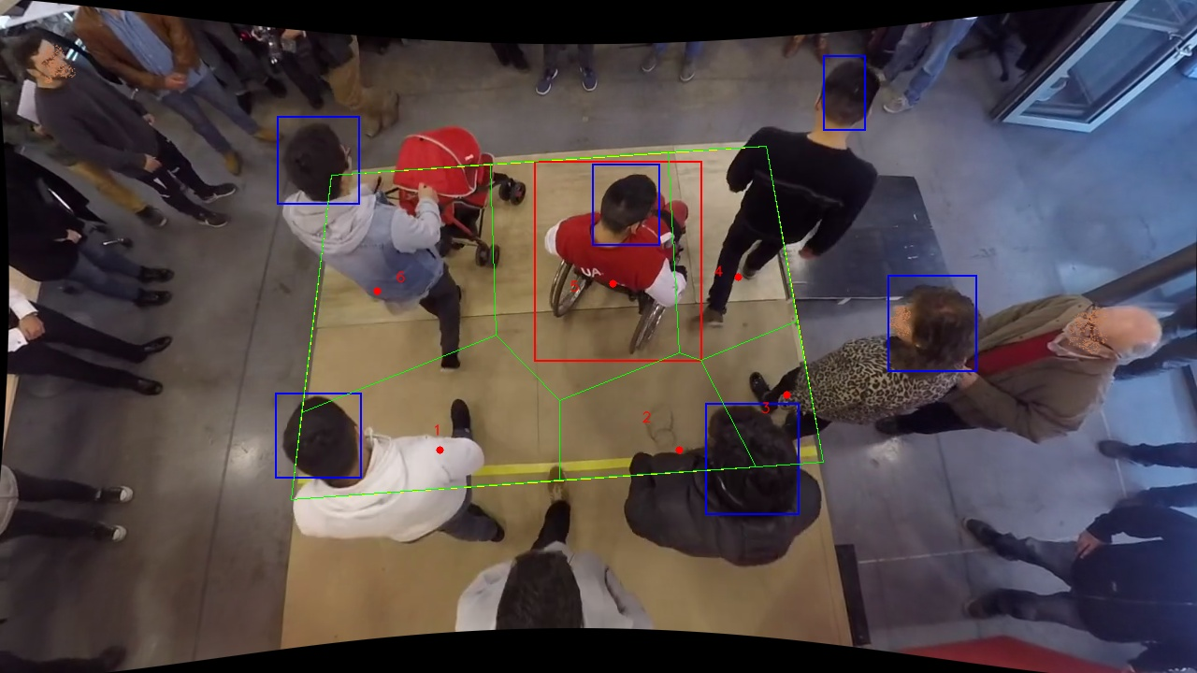
Polygon Areas in m2
Polygon Area = | 6.0
Average Density = | 1.0
Polygon 1 Area = | 1.1814000144772876
Polygon 2 Area = | 0.6723563419925566
Polygon 3 Area = | 0.42477136329701987
Polygon 4 Area = | 0.8315489708322916
Polygon 5 Area = | 1.5067152545973403
Polygon 6 Area = | 1.383208054803503

