Sheet1
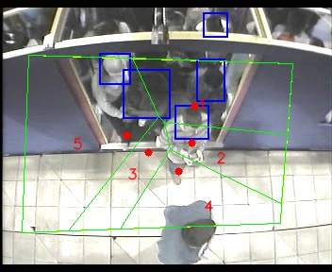
Polygon Areas in m2
Polygon Area = | 351.0
Average Density = | 70.2
Polygon 1 Area = | 76.0436453821305
Polygon 2 Area = | 45.12837407116182
Polygon 3 Area = | 33.927576394934526
Polygon 4 Area = | 57.73059520656641
Polygon 5 Area = | 138.16980894520674

